Sheet1
Bar1 | 0.058394160584
Bar2 | 2.2408759124
Bar3 | 2.9854014599
Bar4 | 2.5474452555
Bar5 | 2.4671532847
Bar6 | 1.0364963504
Bar7 | 4.3576642336
Bar8 | 1.0729927007
Bar9 | 3.6131386861
Bar10 | 0.9197080292
Bar11 | 3.0583941606
Bar12 | 0.87591240876
Bar13 | 2.4452554745
Bar14 | 0.84671532847
Bar15 | 1.7810218978
Bar16 | 0.78102189781
Bar17 | 1.2773722628
Bar18 | 0.51824817518
Bar19 | 0.89781021898
Bar20 | 0.4598540146
Bar21 | 0.58394160584
Bar22 | 0.33576642336
Bar23 | 0.50364963504
Bar24 | 0.32116788321
Bar25 | 0.32846715328
Bar26 | 0.21897810219
Bar27 | 0.16788321168
Bar28 | 0.21167883212
Bar29 | 0.14598540146
Bar30 | 0.080291970803
Bar31 | 0.13138686131
Bar32 | 0.080291970803
Bar33 | 0.051094890511
Bar34 | 0.029197080292
...
Bar1 | 0.058394160584 | Pristine
Bar2 | 2.2408759124 | Cycled

Bar3 | 2.9854014599 | Pristine
Bar4 | 2.5474452555 | Cycled

Bar5 | 2.4671532847 | Pristine
Bar6 | 1.0364963504 | Cycled

Bar7 | 4.3576642336 | Pristine
Bar8 | 1.0729927007 | Cycled

Bar9 | 3.6131386861 | Pristine
Bar10 | 0.9197080292 | Cycled

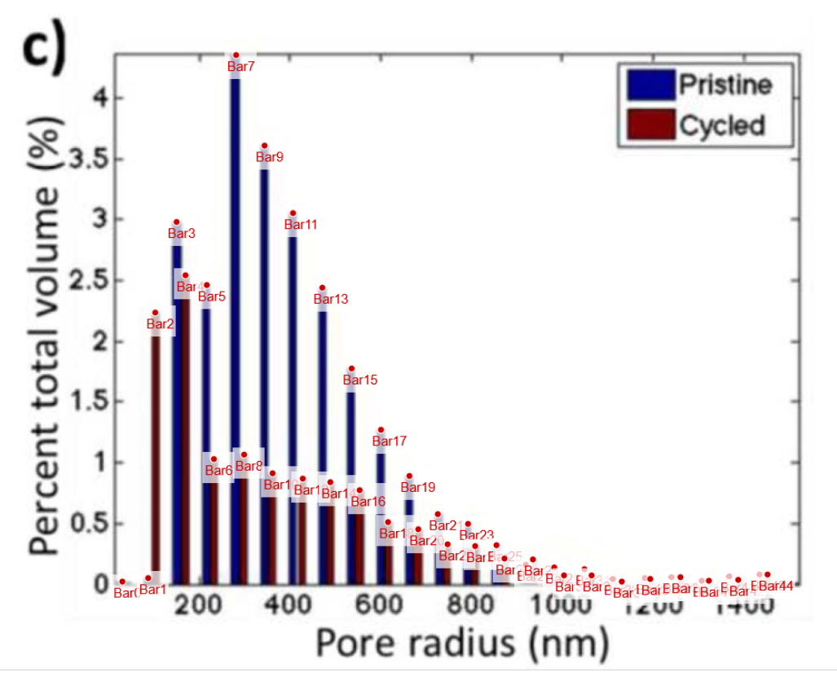
Bar11 | 3.0583941606 | Pristine
Bar12 | 0.87591240876 | Cycled

Bar13 | 2.4452554745 | Pristine
Bar14 | 0.84671532847 | Cycled

Bar15 | 1.7810218978 | Pristine
Bar16 | 0.78102189781 | Cycled

Bar17 | 1.2773722628 | Pristine
Bar18 | 0.51824817518 | Cycled

Bar19 | 0.89781021898 | Pristine
Bar20 | 0.4598540146 | Cycled

Bar21 | 0.58394160584 | Pristine
Bar22 | 0.33576642336 | Cycled

Bar23 | 0.50364963504 | Pristine
Bar24 | 0.32116788321 | Cycled

Bar25 | 0.32846715328 | Pristine
Bar26 | 0.21897810219 | Cycled

Bar27 | 0.16788321168 | Pristine
Bar28 | 0.21167883212 | Cycled

Bar29 | 0.14598540146 | Pristine
Bar30 | 0.080291970803 | Cycled

Bar31 | 0.13138686131 | Pristine
Bar32 | 0.080291970803 | Cycled

Bar33 | 0.051094890511 | Pristine
Bar34 | 0.029197080292 | Cycled

Bar35 | 0.058394160584 | Pristine
Bar36 | 0.051094890511 | Cycled

Bar37 | 0.065693430657 | Pristine
Bar38 | 0.065693430657 | Cycled

Bar39 | 0.036496350365 | Pristine
Bar40 | 0.036496350365 | Cycled

Bar41 | 0.07299270073 | Pristine
Bar42 | 0.043795620438 | Cycled

Bar43 | 0.087591240876 | Pristine
Bar44 | 0.087591240876 | Cycled

