Capacity
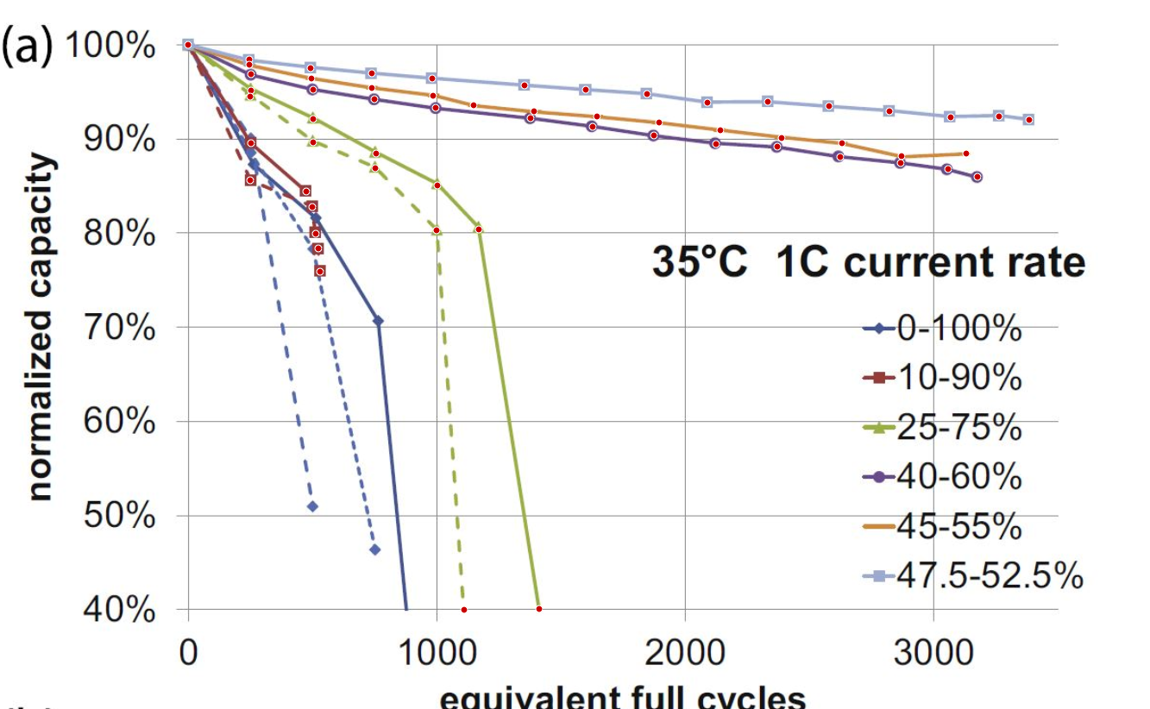
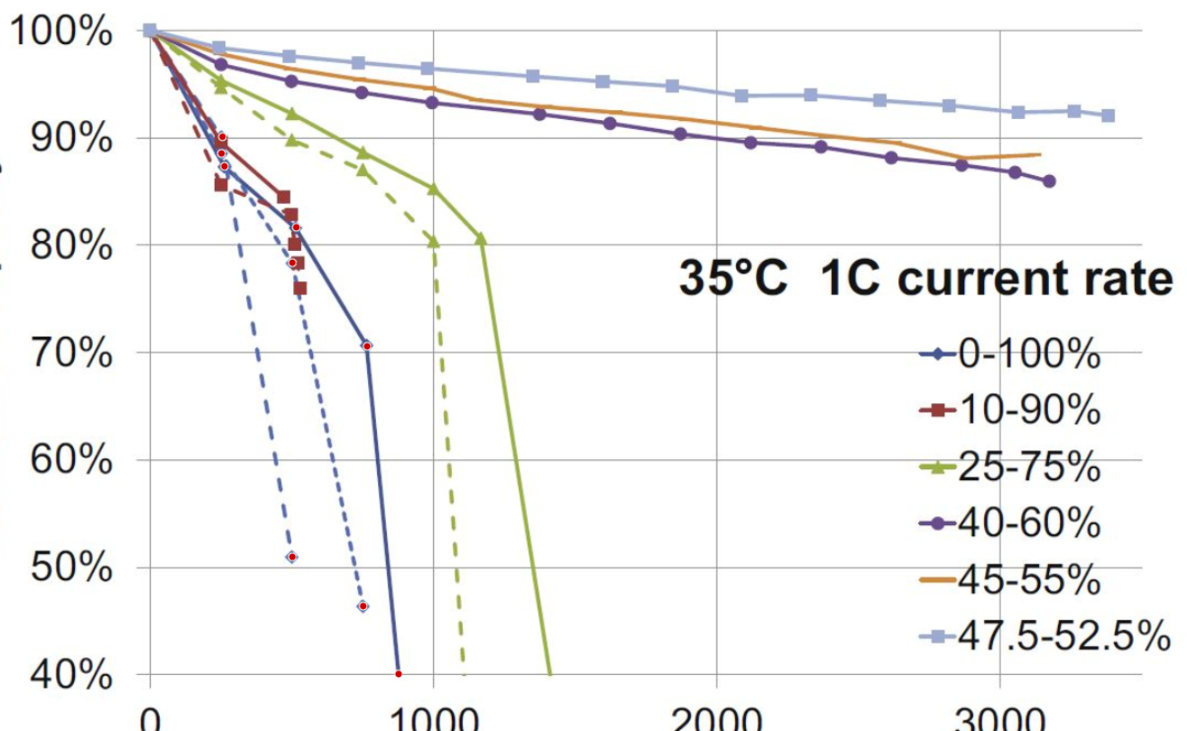
47.5-52.5% |  | 45-55% |  | 40-60% |  | 25-75% (1); rightmost |  | 25-75% (2) |  | 10-90% (1); rightmost |  | 10-90% (2) |  | 0-100% (1); rightmost |  | 0-100% (2) |  | 0-100% (3)
EFC | Normalized capacity | EFC | Normalized capacity | EFC | Normalized capacity | EFC | Normalized capacity | EFC | Normalized capacity | EFC | Normalized capacity | EFC | Normalized capacity | EFC | Normalized capacity | EFC | Normalized capacity | EFC | Normalized capacity
0 | 100 | 0 | 100 | 0 | 100 | 0 | 100 | 0 | 100 | 0 | 100 | 0 | 100 | 0 | 100 | 0 | 100 | 0 | 100
243.05555556 | 98.421052632 | 243.05555556 | 97.871853547 | 250 | 96.864988558 | 250 | 95.125858124 | 246.52777778 | 94.485125858 | 250 | 89.542334096 | 246.52777778 | 85.606407323 | 260.41666667 | 87.345537757 | 250 | 88.535469108 | 253.47222222 | 90.091533181
489.58333333 | 97.505720824 | 493.05555556 | 96.407322654 | 500 | 95.217391304 | 500 | 92.105263158 | 500 | 89.633867277 | 472.22222222 | 84.416475973 | 496.52777778 | 82.768878719 | 513.88888889 | 81.670480549 | 500 | 78.375286041 | 500 | 51.006864989
736.11111111 | 96.956521739 | 736.11111111 | 95.400457666 | 746.52777778 | 94.210526316 | 753.47222222 | 88.443935927 | 750 | 86.887871854 |  |  | 510.41666667 | 79.931350114 | 763.88888889 | 70.594965675 | 750 | 46.43020595
979.16666667 | 96.407322654 | 982.63888889 | 94.576659039 | 993.05555556 | 93.295194508 | 1000 | 85.057208238 | 996.52777778 | 80.297482838 |  |  | 520.83333333 | 78.375286041 | 875 | 40.114416476
1350.6944444 | 95.675057208 | 1145.8333333 | 93.56979405 | 1375 | 92.196796339 | 1166.6666667 | 80.389016018 | 1107.6388889 | 40.022883295 |  |  | 527.77777778 | 75.90389016
1597.2222222 | 95.217391304 | 1388.8888889 | 92.929061785 | 1625 | 91.281464531 | 1409.7222222 | 40.114416476
1843.75 | 94.7597254 | 1642.3611111 | 92.3798627 | 1871.5277778 | 90.366132723
2086.8055556 | 93.844393593 | 1892.3611111 | 91.739130435 | 2121.5277778 | 89.450800915
2329.8611111 | 93.935926773 | 2138.8888889 | 90.915331808 | 2368.0555556 | 89.176201373
2576.3888889 | 93.47826087 | 2385.4166667 | 90.091533181 | 2621.5277778 | 88.077803204
2819.4444444 | 92.929061785 | 2628.4722222 | 89.542334096 | 2864.5833333 | 87.437070938
3065.9722222 | 92.288329519 | 2868.0555556 | 88.169336384 | 3055.5555556 | 86.796338673
3260.4166667 | 92.3798627 | 3128.4722222 | 88.443935927 | 3173.6111111 | 85.972540046
3381.9444444 | 92.013729977

Resistance
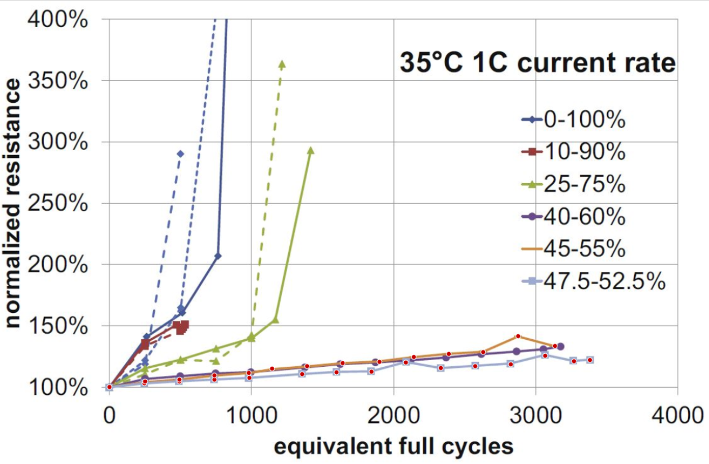
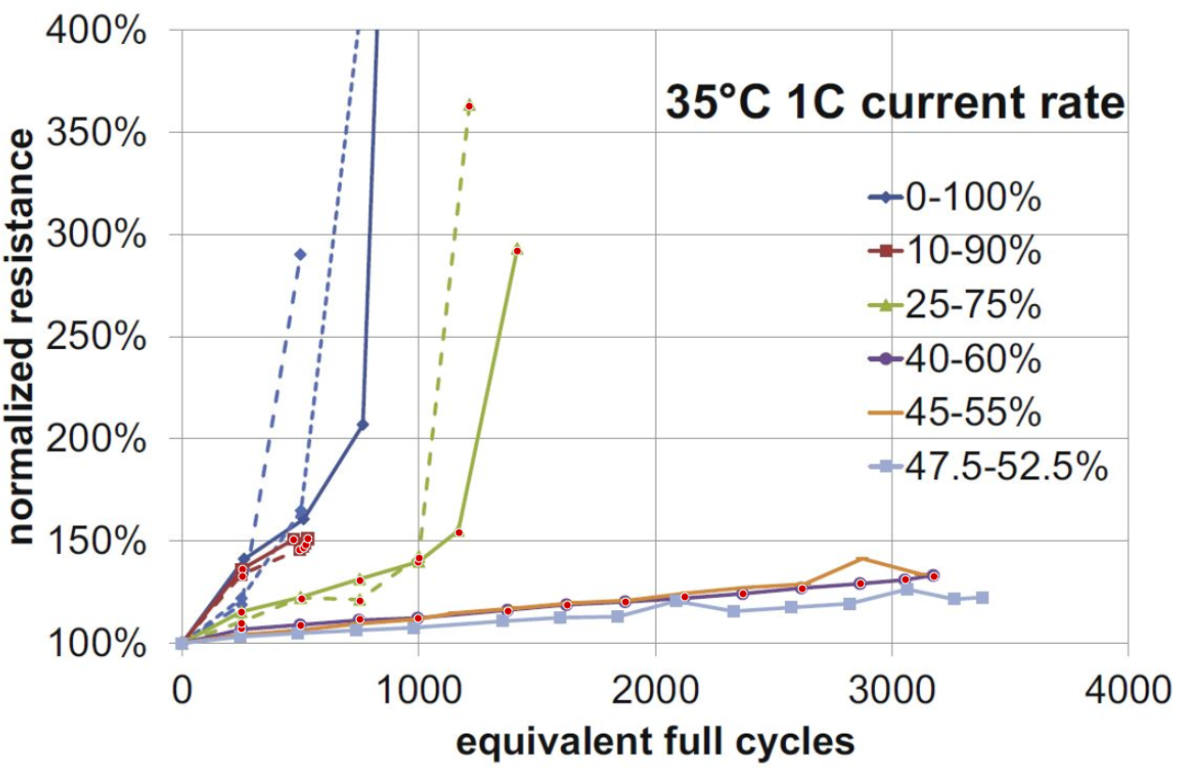
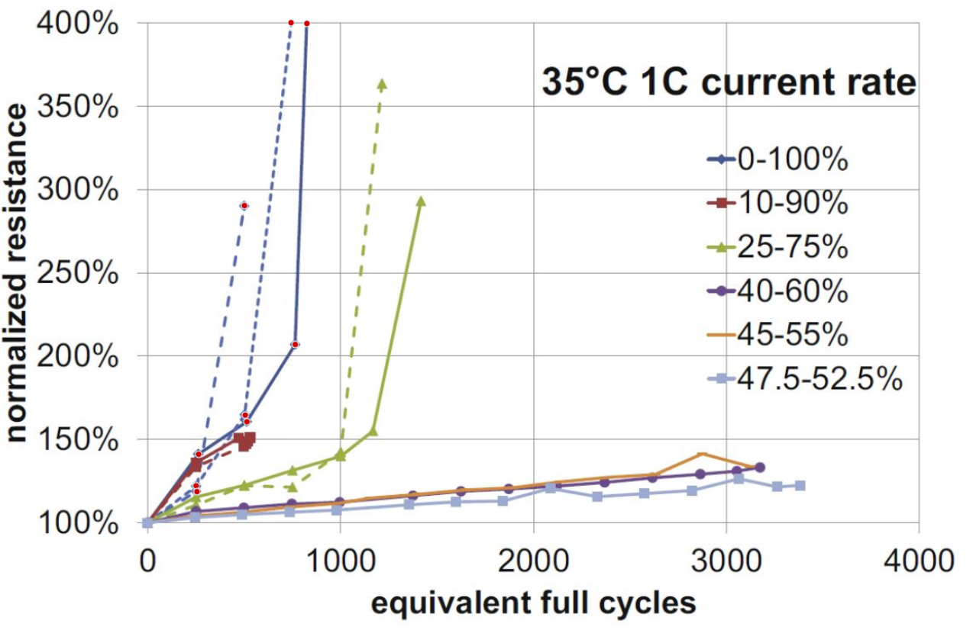
47.5-52.5% |  | 45-55% |  | 40-60% |  | 25-75% (1); rightmost |  | 25-75% (2) |  | 10-90% (1); rightmost |  | 10-90% (2) |  | 0-100% (1); rightmost |  | 0-100% (2) |  | 0-100% (3)
EFC | Normalized resistance | EFC | Normalized resistance | EFC | Normalized resistance | EFC | Normalized resistance | EFC | Normalized resistance | EFC | Normalized resistance | EFC | Normalized resistance | EFC | Normalized resistance | EFC | Normalized resistance | EFC | Normalized resistance
0 | 100 | 0 | 100 | 0 | 100 | 0 | 100 | 0 | 100 | 0 | 100 | 0 | 100 | 0 | 100 | 0 | 100 | 0 | 100
244.60431655 | 103 | 248.92086331 | 104.5 | 248.92086331 | 107 | 248.92086331 | 115 | 248.92086331 | 109.5 | 253.23741007 | 136 | 253.23741007 | 132.5 | 261.8705036 | 141 | 248.92086331 | 122 | 253.23741007 | 118.5
490.64748201 | 104.5 | 490.64748201 | 106 | 499.28057554 | 108.5 | 499.28057554 | 121.5 | 503.5971223 | 121.5 | 469.0647482 | 150.5 | 494.96402878 | 145.5 | 512.23021583 | 160.5 | 503.5971223 | 164.5 | 499.28057554 | 290.5
736.69064748 | 106 | 736.69064748 | 109.5 | 749.64028777 | 111.5 | 749.64028777 | 130.5 | 749.64028777 | 120.5 |  |  | 512.23021583 | 146.5 | 762.58992806 | 207 | 741.00719424 | 400.5
982.73381295 | 107.5 | 978.41726619 | 111.5 | 995.68345324 | 112 | 995.68345324 | 139.5 | 1000 | 141.5 |  |  | 520.86330935 | 148 | 823.02158273 | 400
1353.9568345 | 110.5 | 1142.4460432 | 115 | 1375.5395683 | 115.5 | 1168.3453237 | 154 | 1211.5107914 | 363 |  |  | 529.49640288 | 151
1595.6834532 | 112 | 1388.4892086 | 117 | 1625.8992806 | 118.5 | 1414.3884892 | 292
1841.7266187 | 112.5 | 1638.8489209 | 119.5 | 1871.942446 | 120
2083.4532374 | 120 | 1897.8417266 | 120.5 | 2122.3021583 | 122.5
2329.4964029 | 115.5 | 2139.5683453 | 124.5 | 2368.3453237 | 124
2571.2230216 | 117 | 2385.6115108 | 127 | 2618.705036 | 126.5
2821.5827338 | 118.5 | 2627.3381295 | 128.5 | 2864.7482014 | 129
3063.3093525 | 125.5 | 2873.381295 | 141.5 | 3054.676259 | 131
3266.1870504 | 121 | 3132.3741007 | 133.5 | 3175.5395683 | 132.5
3378.4172662 | 122

