Extensions
The main purpose of using extension (safari or chrome) will be creating Cart ID and customer name of the cart ID.
This data will be added to website database
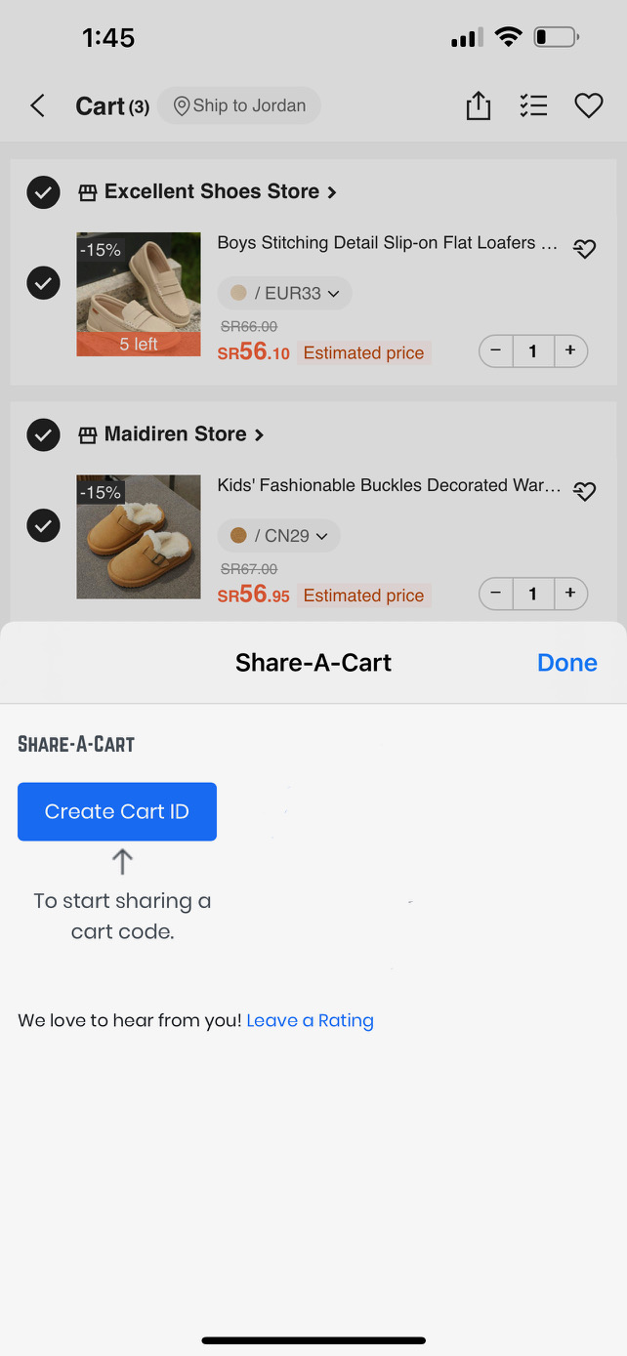
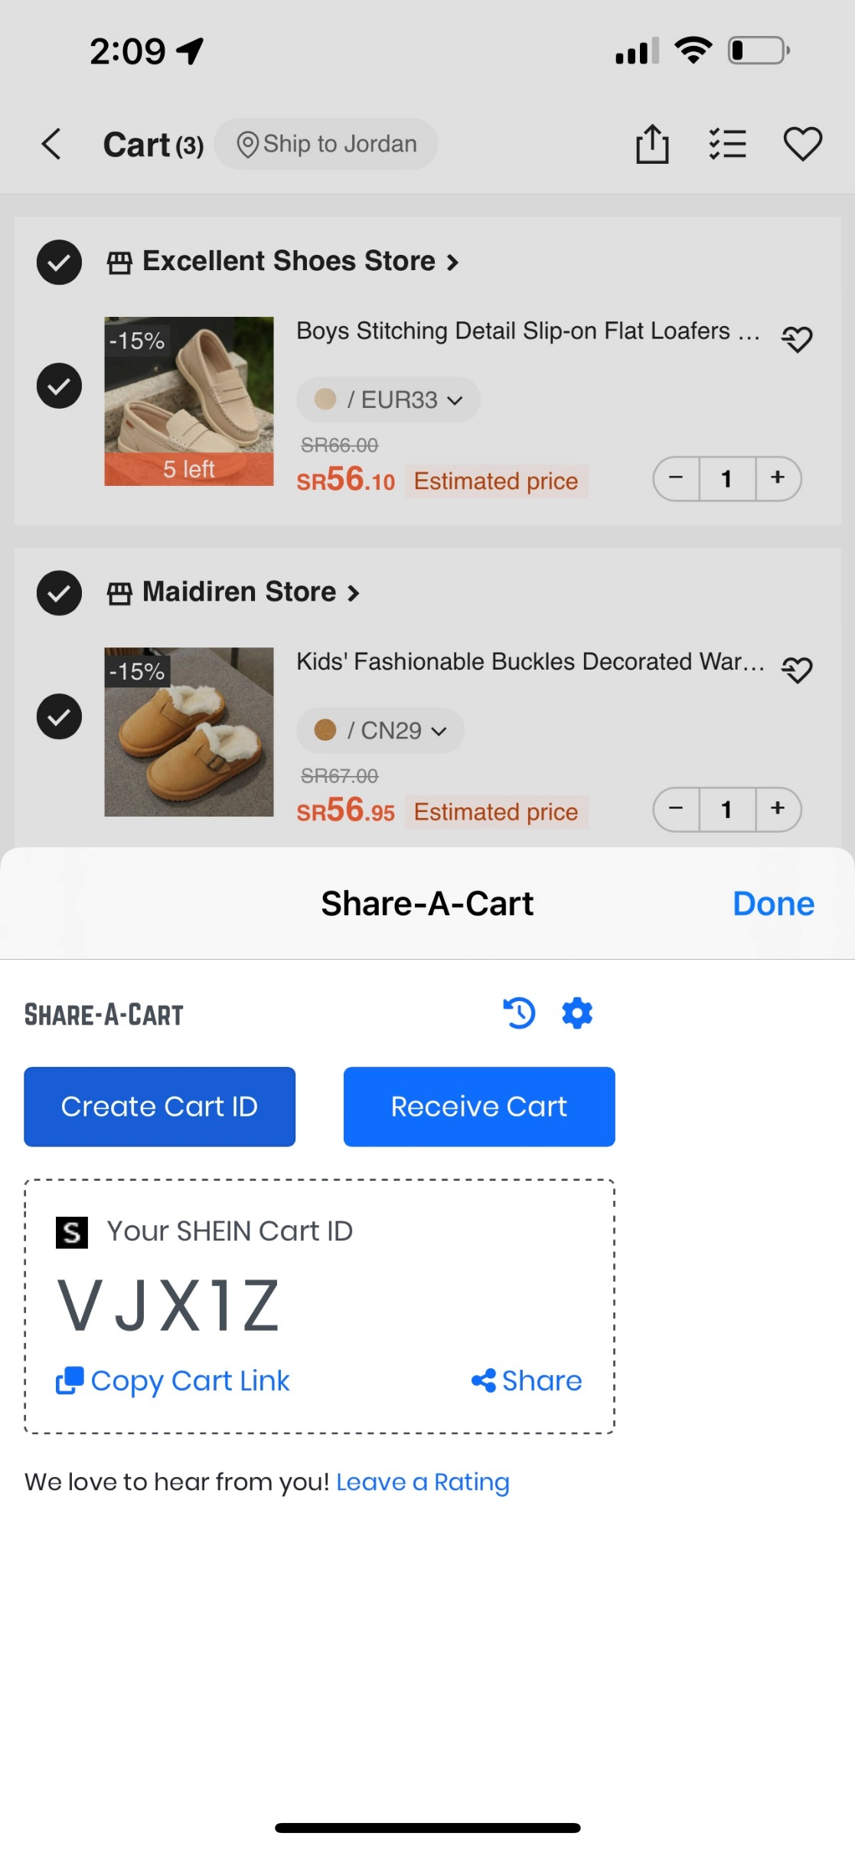
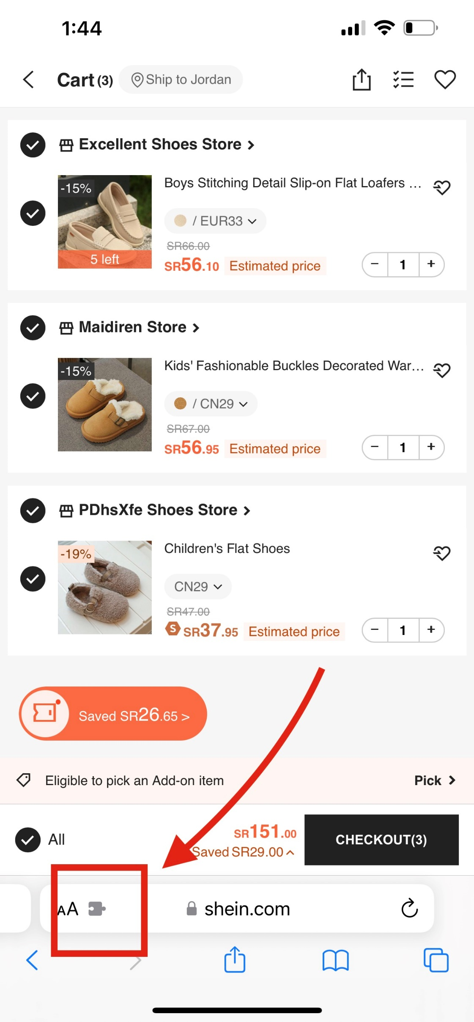
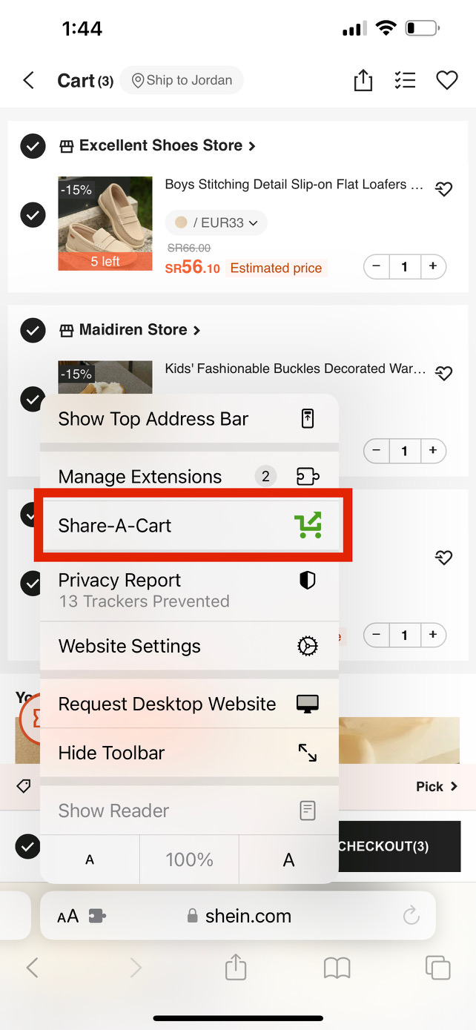

Customer Name

Write Customer Name here

