Bank Statement
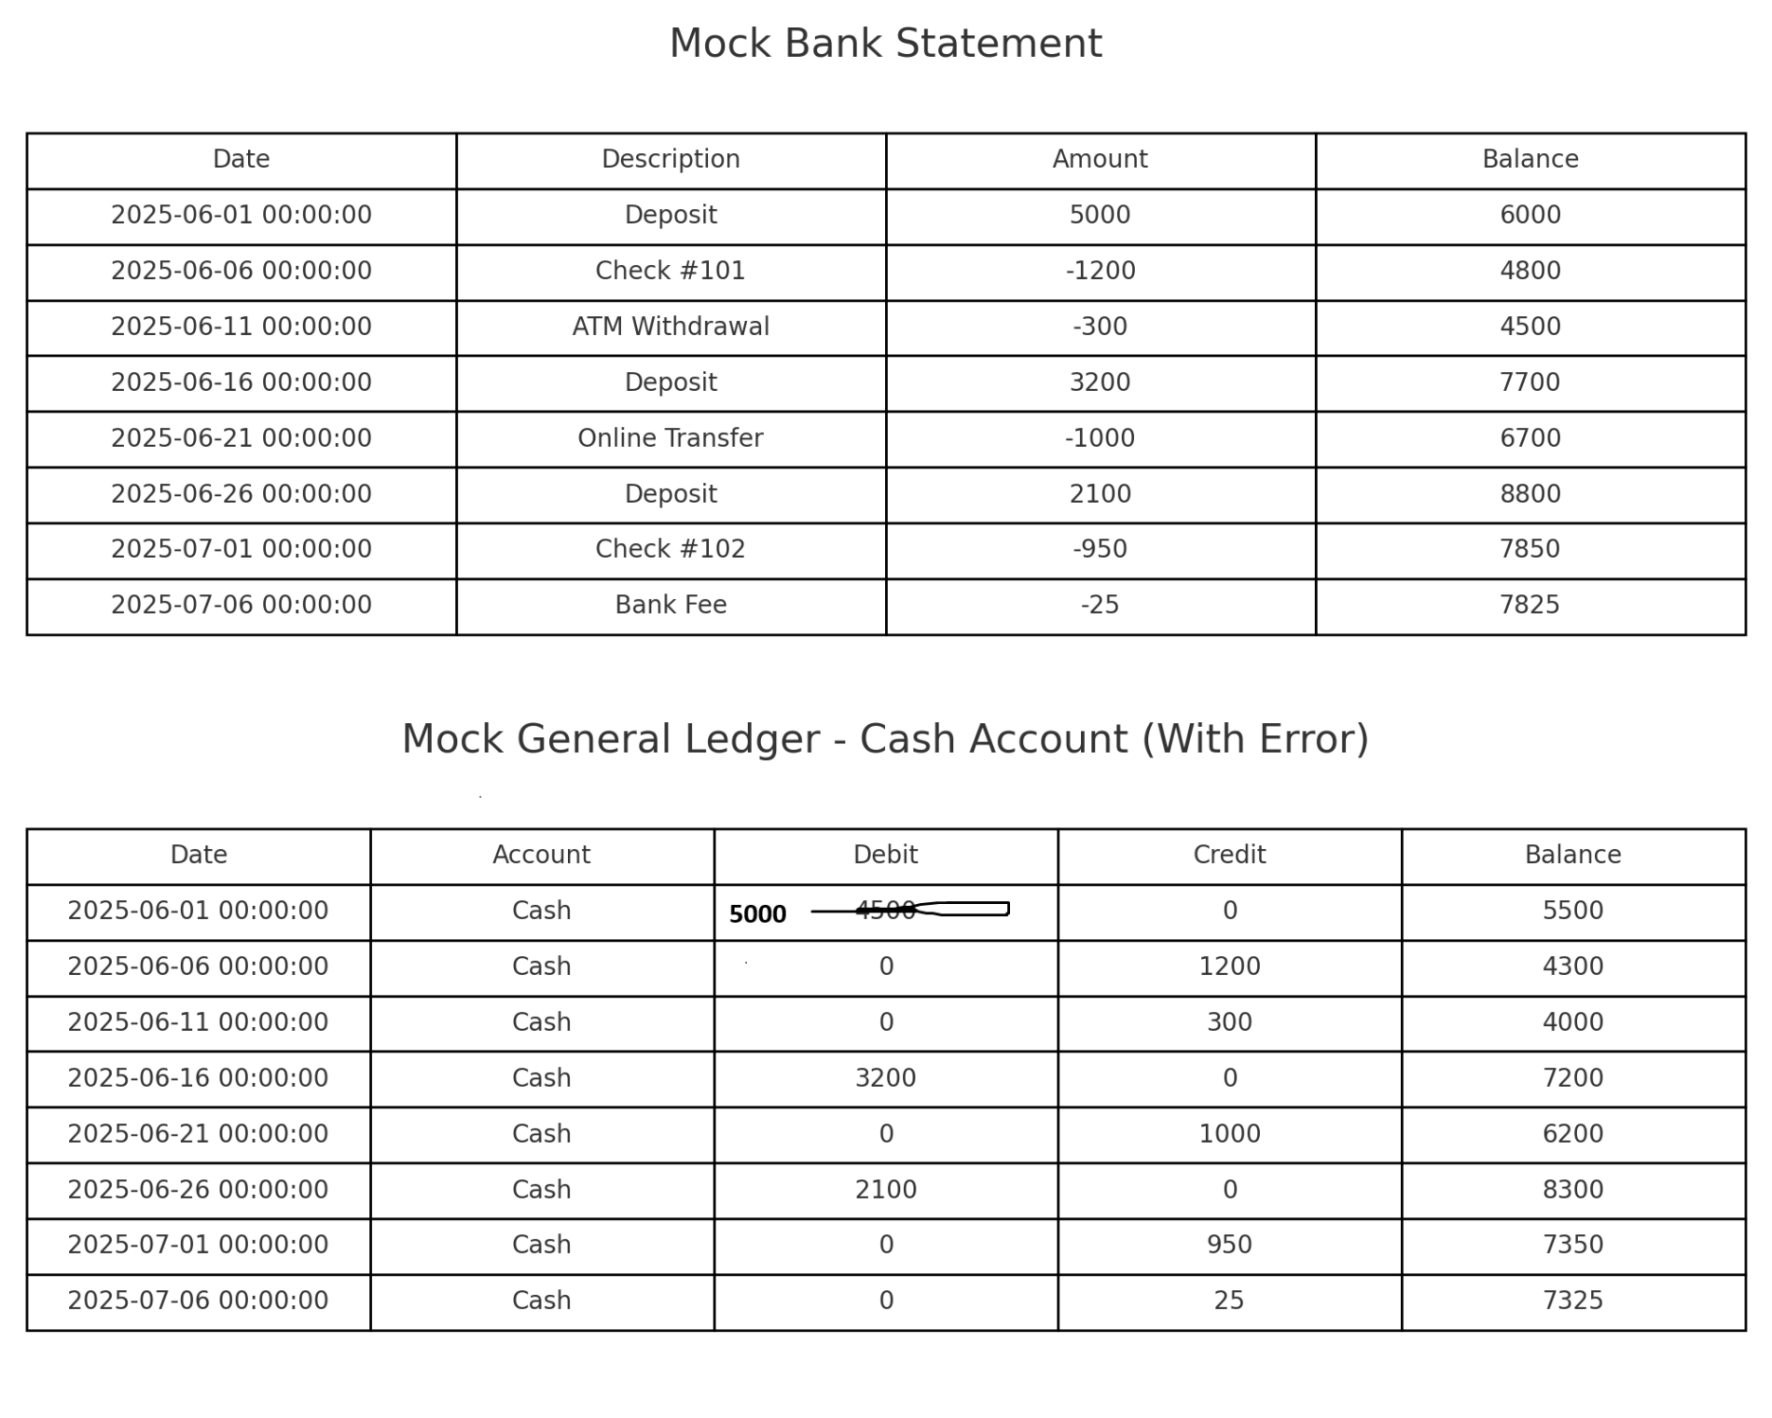
Date | Description | Amount | Balance
2025-06-01 | Deposit | 5000 | 6000
2025-06-06 | Check #101 | -1200 | 4800
2025-06-11 | ATM Withdrawal | -300 | 4500
2025-06-16 | Deposit | 3200 | 7700
2025-06-21 | Online Transfer | -1000 | 6700
2025-06-26 | Deposit | 2100 | 8800
2025-07-01 | Check #102 | -950 | 7850
2025-07-06 | Bank Fee | -25 | 7825

Starting Balance: | $1,000.00
Ending Balance: | $7,825.00

