Coder
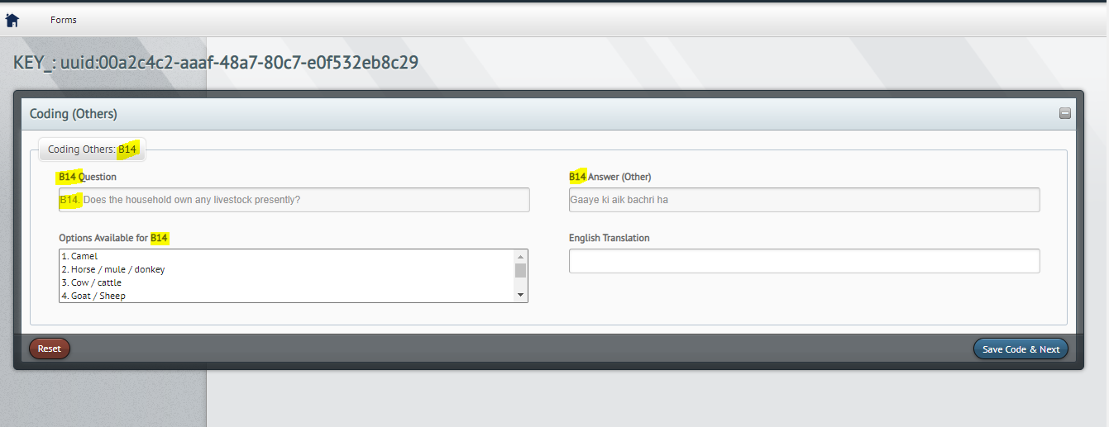
Sr. No. | Coding of: | Feedback | Status 19.12.2022 | Status 12.01.2023 | IS Team(14Jan2023) | Screenshots
0 | Batch size | We suggest increasing the acceptance rate from 80% to 100%, if BoS agrees | Please confirm that this has been implemented | Please confirm that this has been implemented | Implemented now 100% acceptance rate | 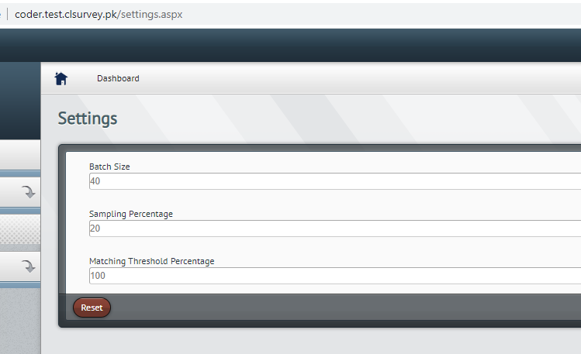
1 | Industries | Only three digits need to be entered for the code to be marked in green, if the code is entered via the drop-down menu. In some cases, we need four digits to identify if the industry is hazardous or not, while for other codes, three digits are enough. | Not addresed | Not addresed | Resolved | 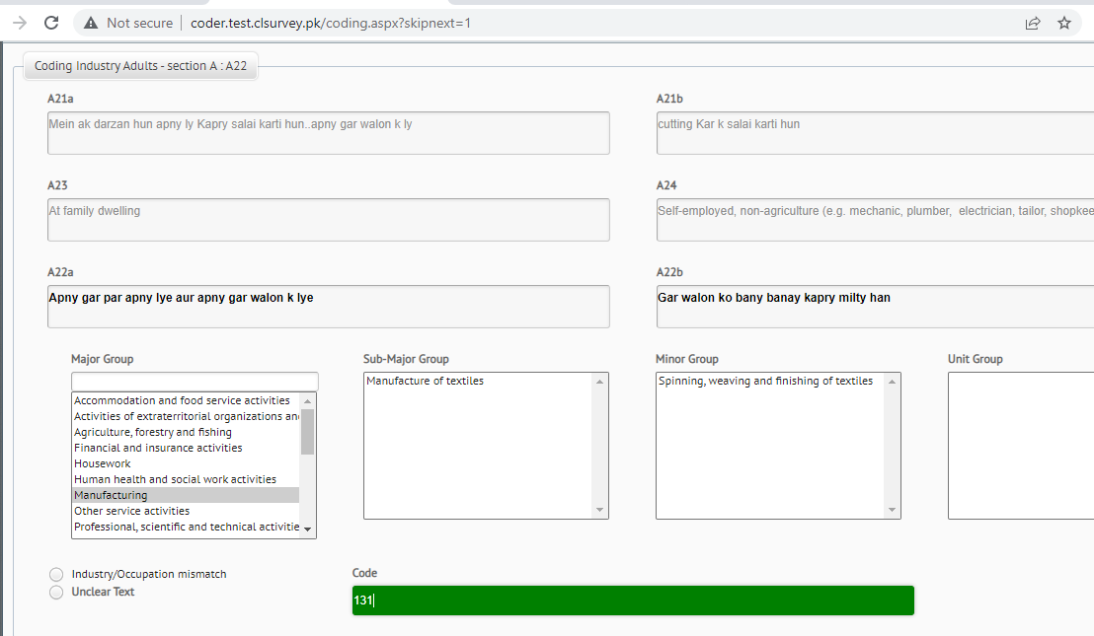
2 | Industries | If the code is chosen via the drop-down menu, the “Unit Group” is empty. Please adjust so that also the Unit Groups are displayed. | Not addresed | Adressed
3 | Tools | Please add the response to the following option: “d. Working by itself/power-driven” from this question in the questionnaire: “C38c. Is the tool/equipment you are describing …” to the information displayed for the coding of tools. This would be helpful for coders to differentiate between power-driven and non-power-driven tools, in case this is not mentioned in the description of the tool. | Not addresed | Adressed
4 | Others | For B7, the question statement does not appear and there are no options available to select from. | Not addresed | Not addresed | Resolved, question and options added now
5 | Others | It is not possible to enter text in the field for “English Translation”. | Not addresed | Adressed
6 | General | If possible, it would be good to adjust so that a code can only be saved if the bar is marked in green and not if is it marked in red. This would save time during data cleaning | Not addresed | Not addresed | Resolved, when you press save it will give error
7 | Code Household Level others | There is a Server Error in '/' Application | New | Adressed

 |  |  | For B14, the bar shows question B13, please adjust text to "B14. How many?" | New | Resolved

