DILIscore
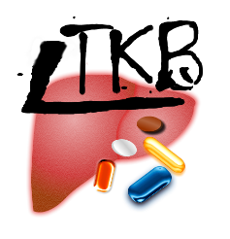

DILIscore
Daily Dose (mg/day): | 450 | <-input
Lipophilicity (i.e. logP): | 4 | <-input
Reactive metabolite formation (i.e. Yes =1, No=0) | 1 | <-input
DILIscore calculation: | 7.46 | <-output

DILIscore = 0.608 *loge(daily dose/mg) +0.227*logP+2.833*(RM formation= 1 if Yes or 0 if No)

DILIscore: > 6, high risk; 3-6, moderate risk; < 3, low risk

Reference
1. Chen, M., Borlak, J. and Tong, W. A Model to predict severity of drug‐induced liver injury in humans. Hepatology, 2016, 64(3): 931-940.

