Dashboard
Bike Buyers Analysis Dashboard
Sum of Income
$ 56,360,000
Average of Income
$ 56,360
Count of Purchased Bike
$1,000
Number of Home Owners
683

Income influence on bike purchase
 | Total
10000 | 1
20000 | 1
30000 | 6
40000 | 1
60000 | 2
70000 | 1
Percentage of Bike Buyers Base on Marital Status
 | Total
M | 100.00%
Gender per Purchase per Income
 | Total
No | $36,667
Yes | $36,667

Bike Buyers Base on Occupation
 | Total
Clerical | 9
Skilled Manual | 3
Bike Purchase by Region
 | Total
Europe | 16.67%
Pacific | 83.33%
Bike Buyers Base on Education Status
 | Total
Partial College | 10
Partial High School | 2

Summary_Insights_Report
Summary Report
After understanding the dataset given for a bike store by identifying key columns, determine the important metrics, i handled the data cleaning by using conditional formatting to identify and eliminate missing values, duplicates and ensured data accuracy.
i generated insights by identifying patterns like income level influence on bike purchase, the impact of marital status, educational level and occupation on bike sales. Also Trends base of region and commute distance.
Then biult and interactive Dashboard using pivot tables, slicers, charts with title to make user friendly and dynamic dashboard.
INSIGHTS
1. Chart with title Income Influence on Bike Purchase shows that people with the income of $6000 Purchases the highest number of bikes while people with the income of $17000 purchase bikes in low quantity.
2. Percentage of bike buyers base on marital status shows that married people purchase the most bikes.
3. Gender per purchase per income shows that male gender purchases bike mor than the female gender.
4. Bike buyers base on occupation shows professional to be the highest buyers and manual with lowest purchase probably due income level.
5. Bike buyers by region shows that North America are the highest buyers and Pacific as the lowest buyers.
6. Bike buyers base on education statust shows bachelors as the highest buyers for the means of transportationas the distance is ussually long and partial high school as the lowest .

Bussiness_Recommendation
Bussiness Recommendation
1. From the charts, it shows married people are in higher demand for bike, more product should be available for them.
2. Bike purchase per region shows that there is higher sale of bikes in North America, by wihich more product should be available there.
3. Chart also shows that Base on gender, Male gender purchases bike than Female gender, so store should focus on providing more bikes for the male gender to increase sales.
Base on these, the store needs to provide more bikes to the following categories to increase sale.
1. Professional
2. Bachelor Degree Holders
3. North America
4. Male and Married people

Screenshots of Slicer Use
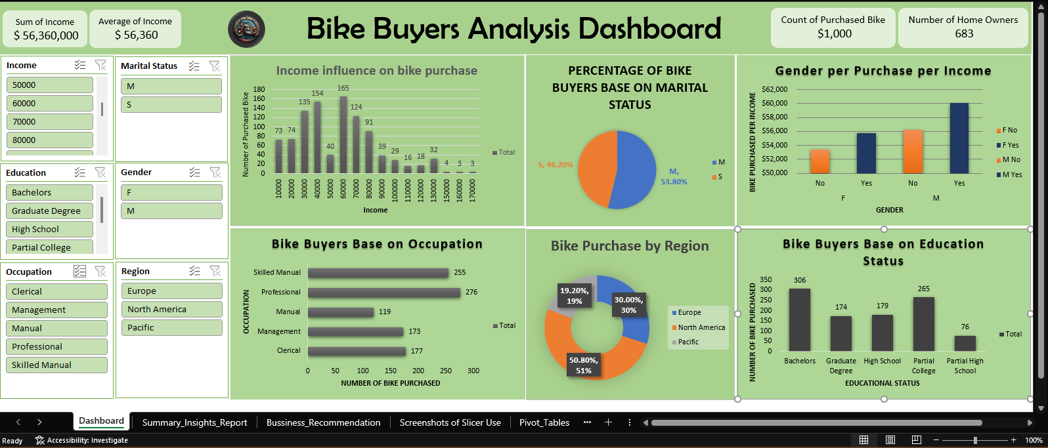
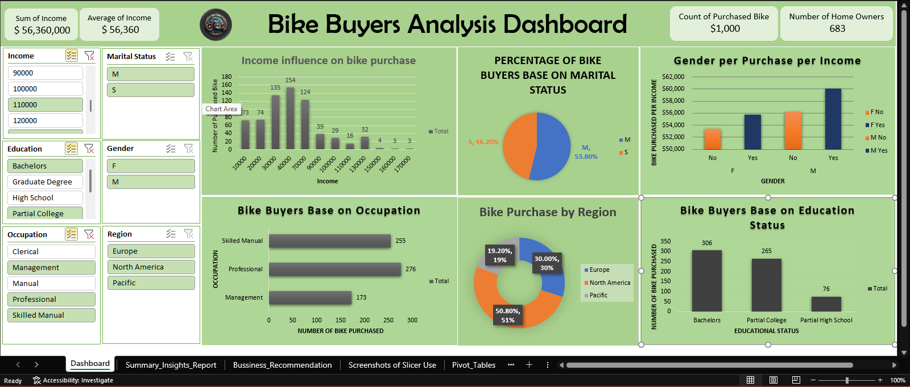
The first screenshot shows dashboard without the use of slicer selection
The first screenshot shows dashboard with the use of slicer selection

