Information
Data Set Characteristics: Multivariate | Attribute Information:
Number of Instances: 338 | Voltage (V) :Output voltage value of FLC sensor due to magnetic distortion
Area: Military Defense | High (H): The height of the sensor from the ground.
Attribute Characteristics: Real | Soil Type (S):6 different soil types depending on the moisture condition. Please se
Number of Attributes: 4 | Mine Type (M): Mine types commonly encountered on land. 5 different mine classes.
For citation you should refer to the following article: Yilmaz, C., Kahraman, H. T., & Söyler, S. (2018). Passive mine detection and classification method based on hybrid model. IEEE Access, 6, 47870-47888.
Associated Tasks: Classification

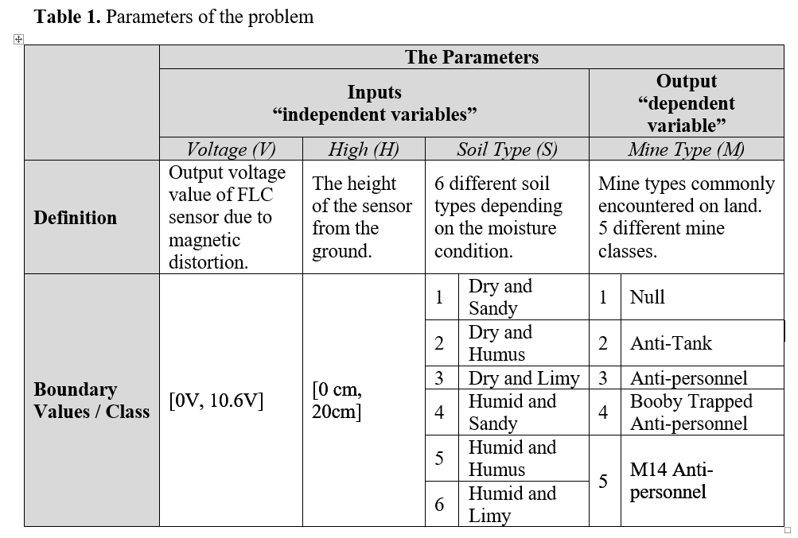
Class Distribution
1 (Null): 71
2 (Anti-tank):70
3 (Anti-personnel):66
4 (Booby Trapped Anti-personnel):66
5 (M14 Anti-personnel):65
Total: 338

