AutoQuoter
screen 1 intro | screen 2 contact info | screen 3 contact method | screen 4 move type |  | screen 5 apartment | screen 5 condo | screen 5 storage | screen 5 home |  | screen 5A move questions | screen 6 services | screen 7 date select | screen 8 home destination | screen 9 extra pick up/drop off | screen 10 review | screen 11 up sale | screen 12 end
 |  | removed |  |  | 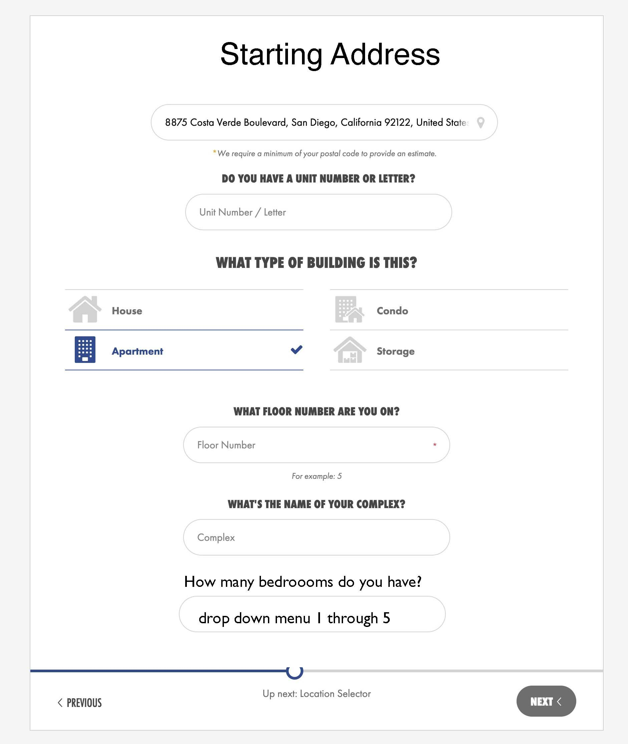 |  | 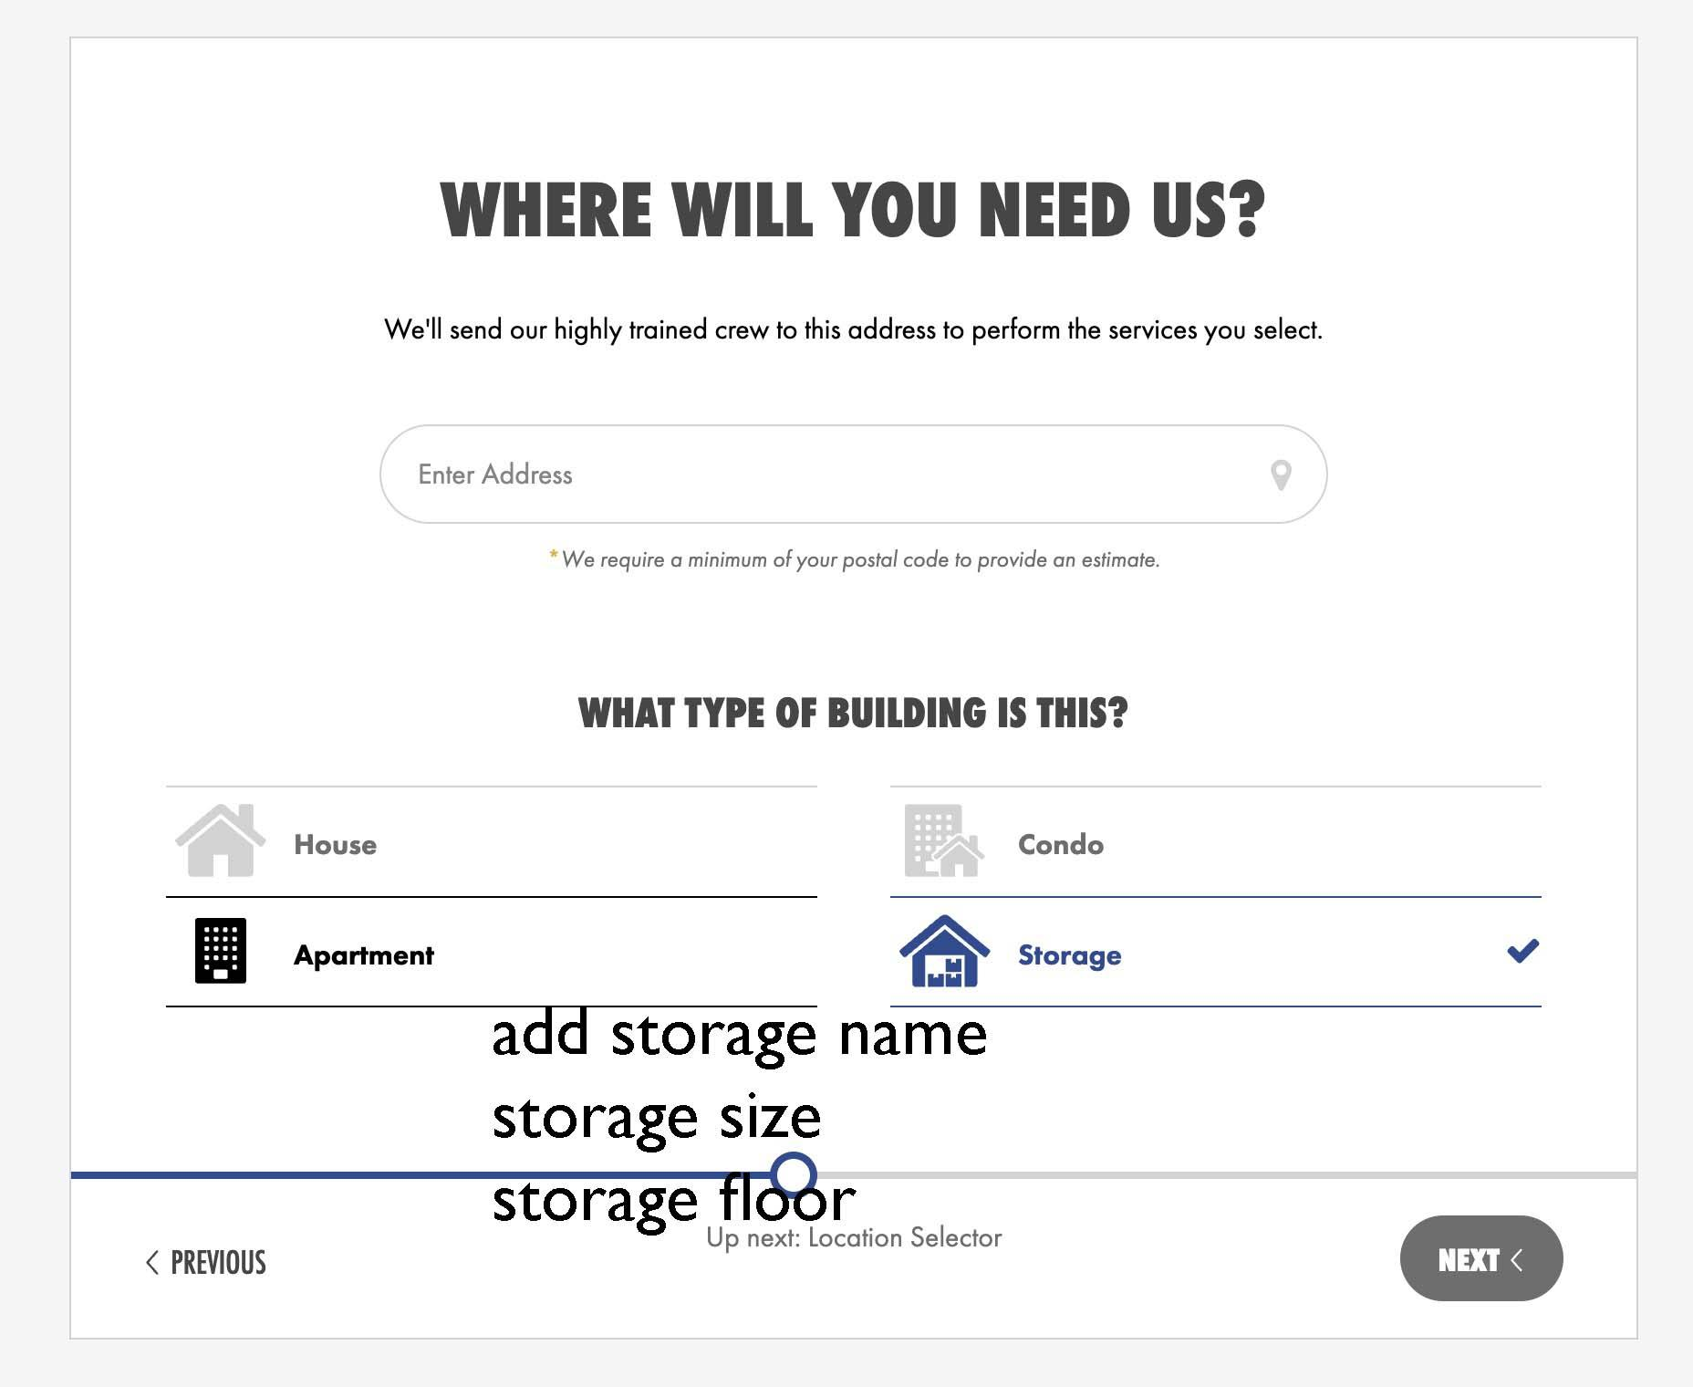 | 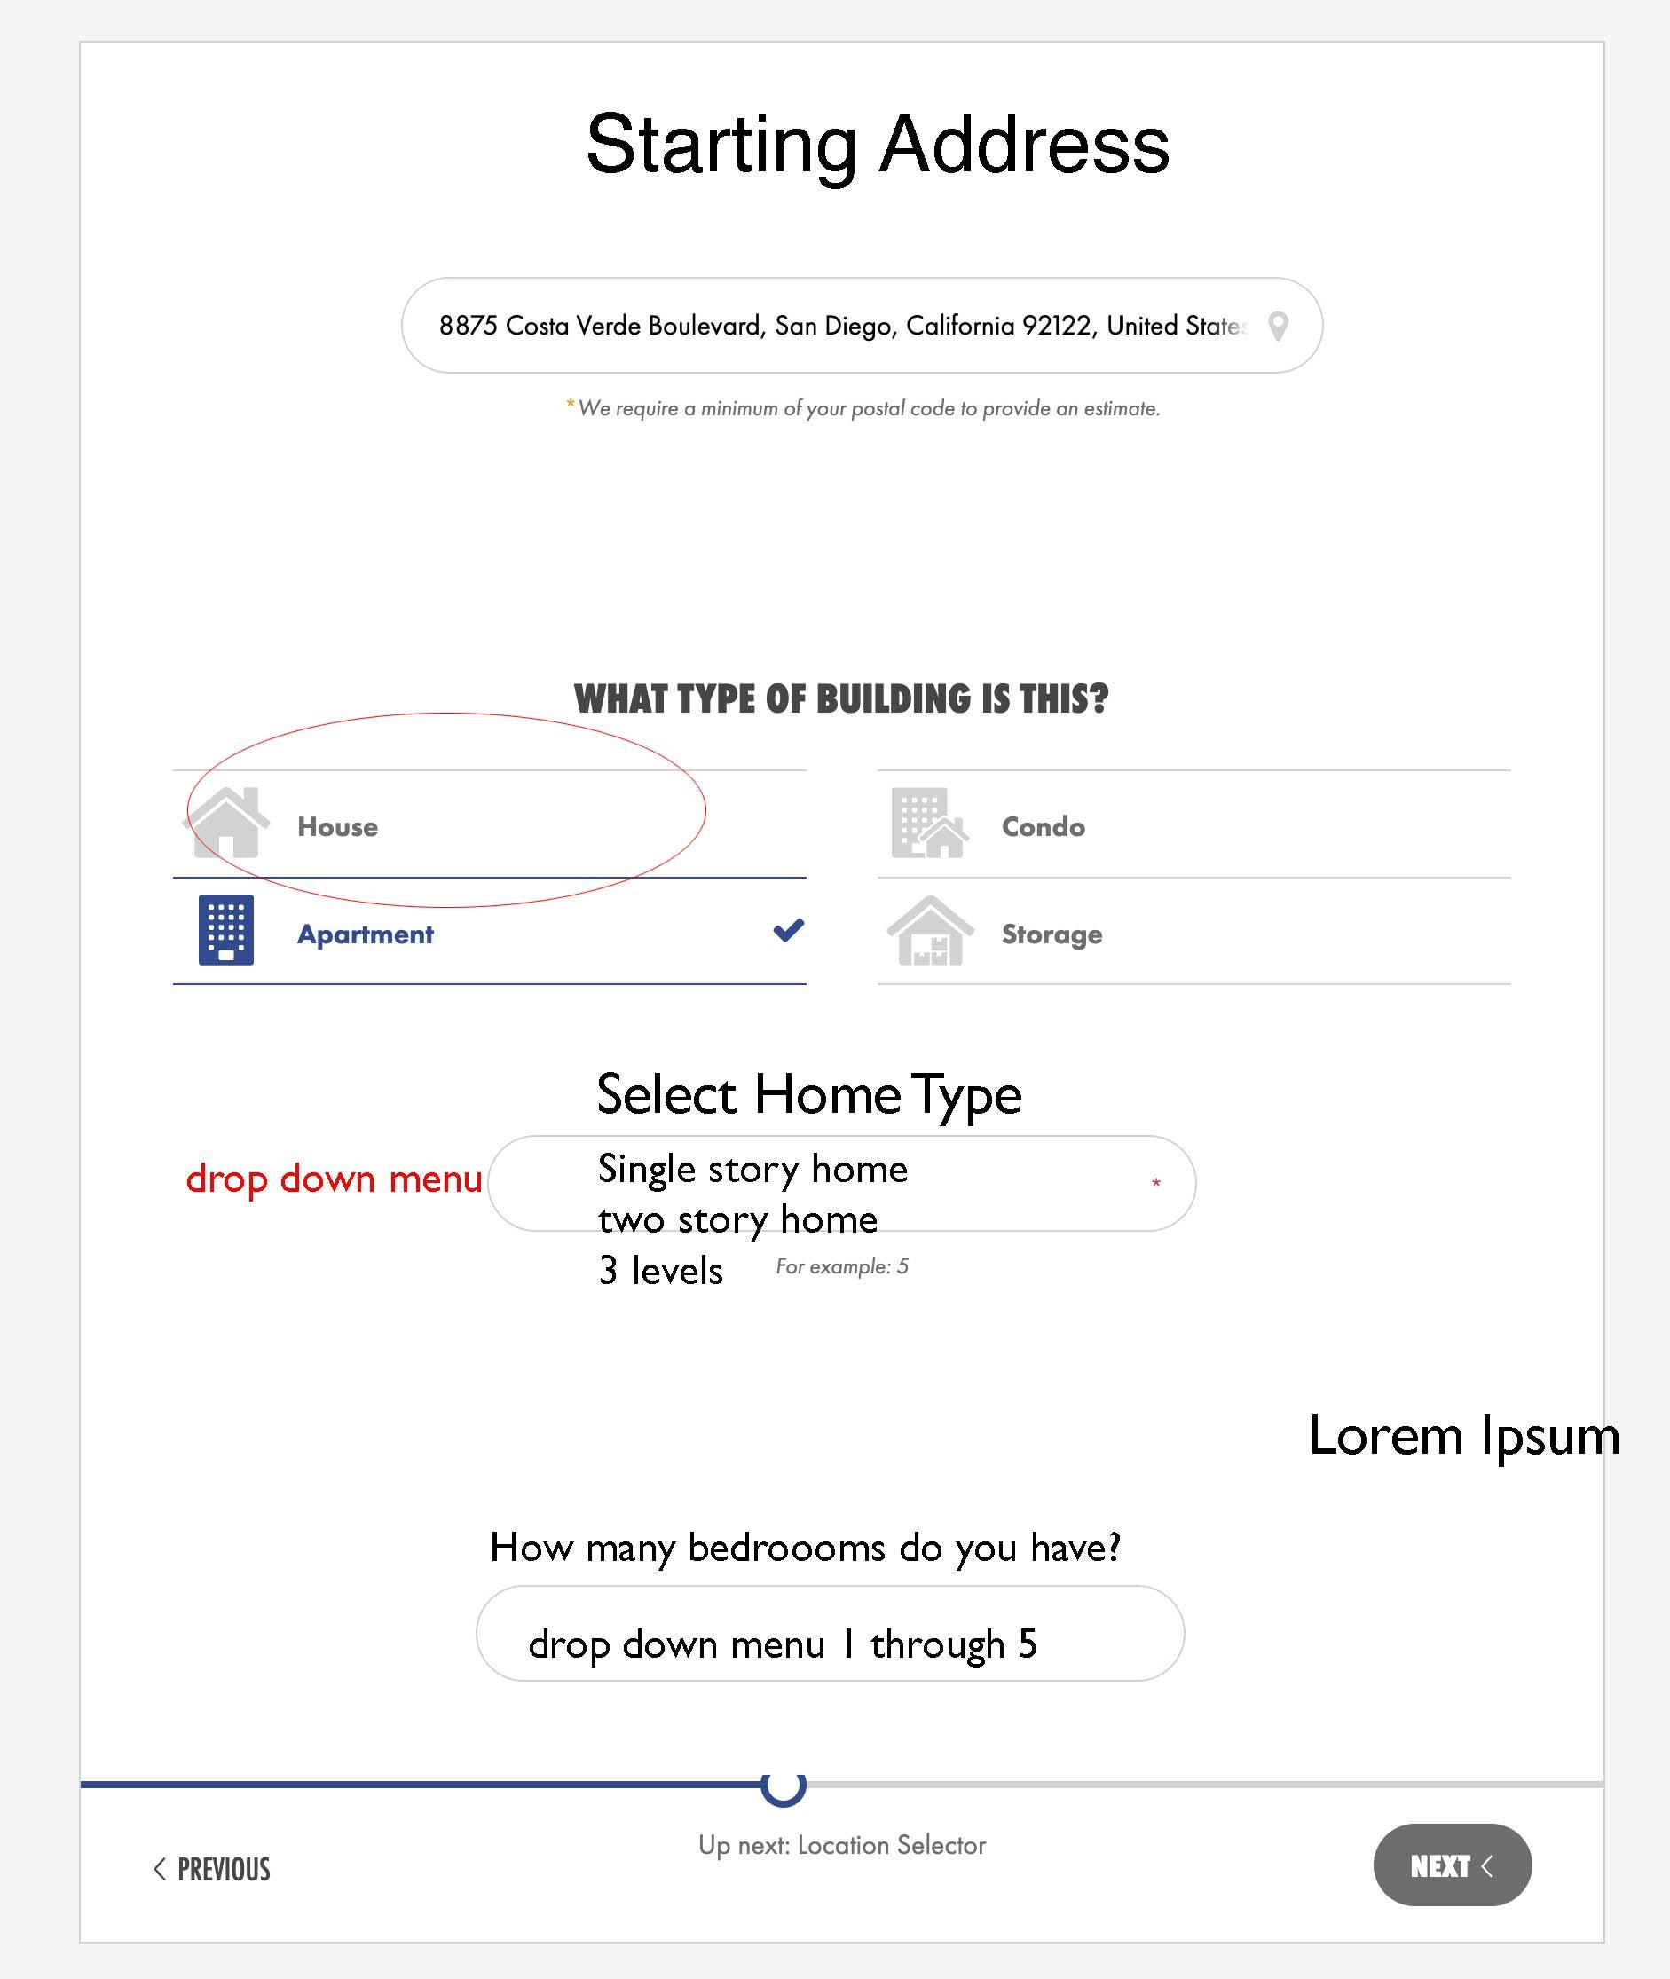 |  | 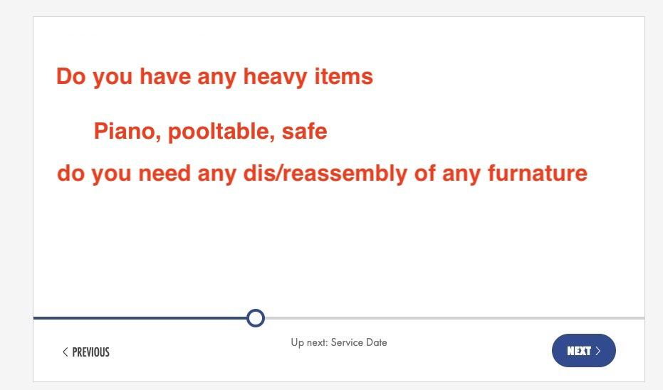 |  | 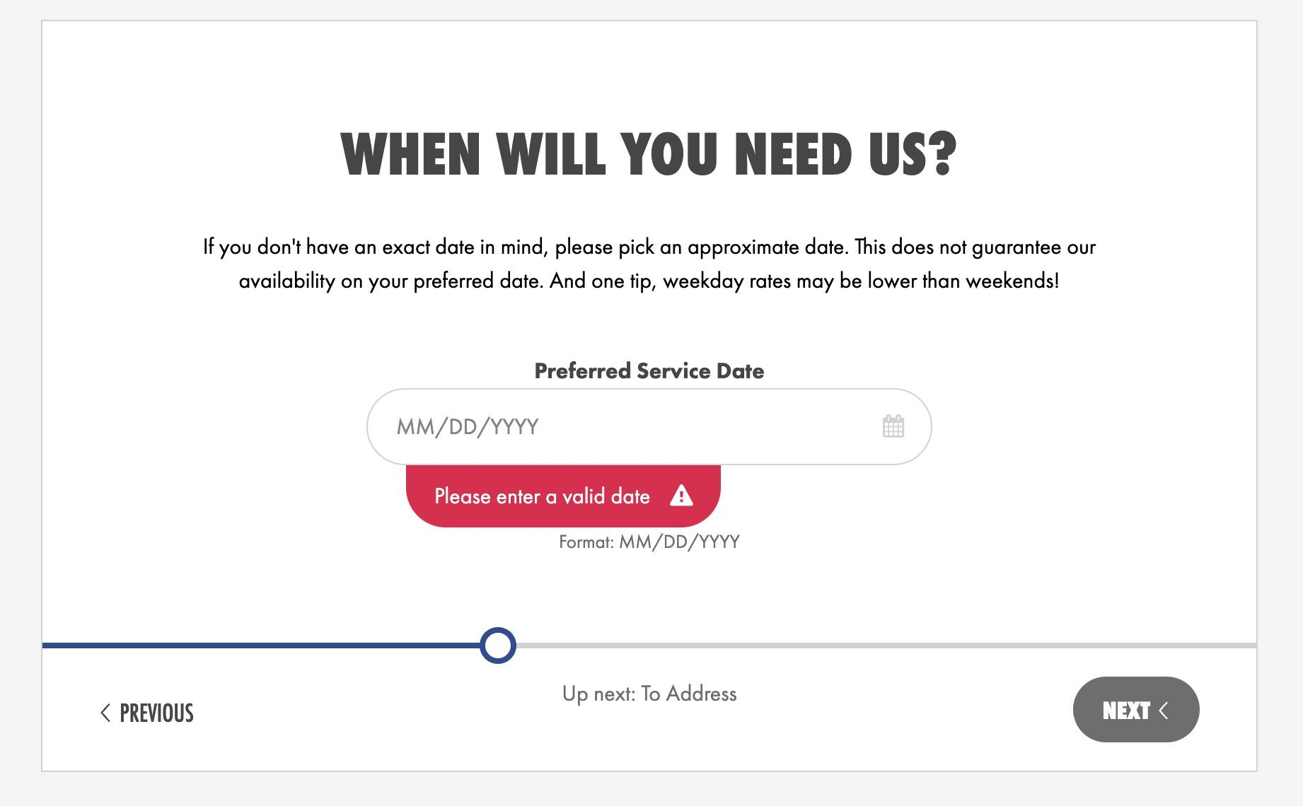 |  | 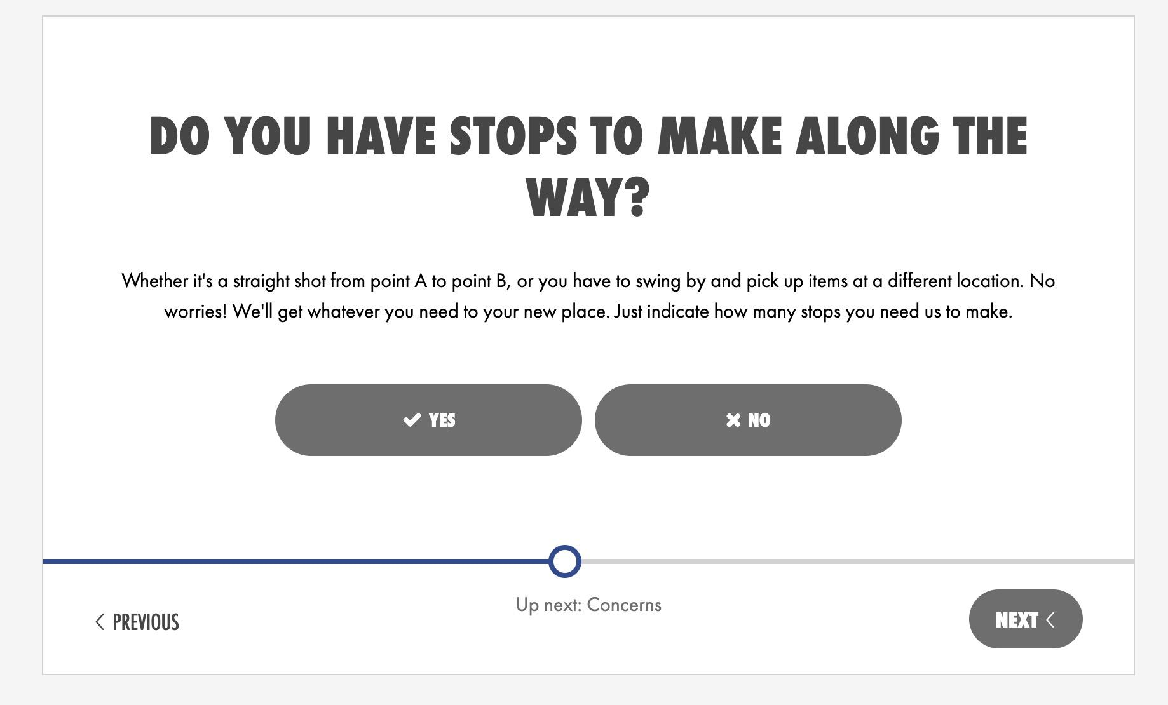 | 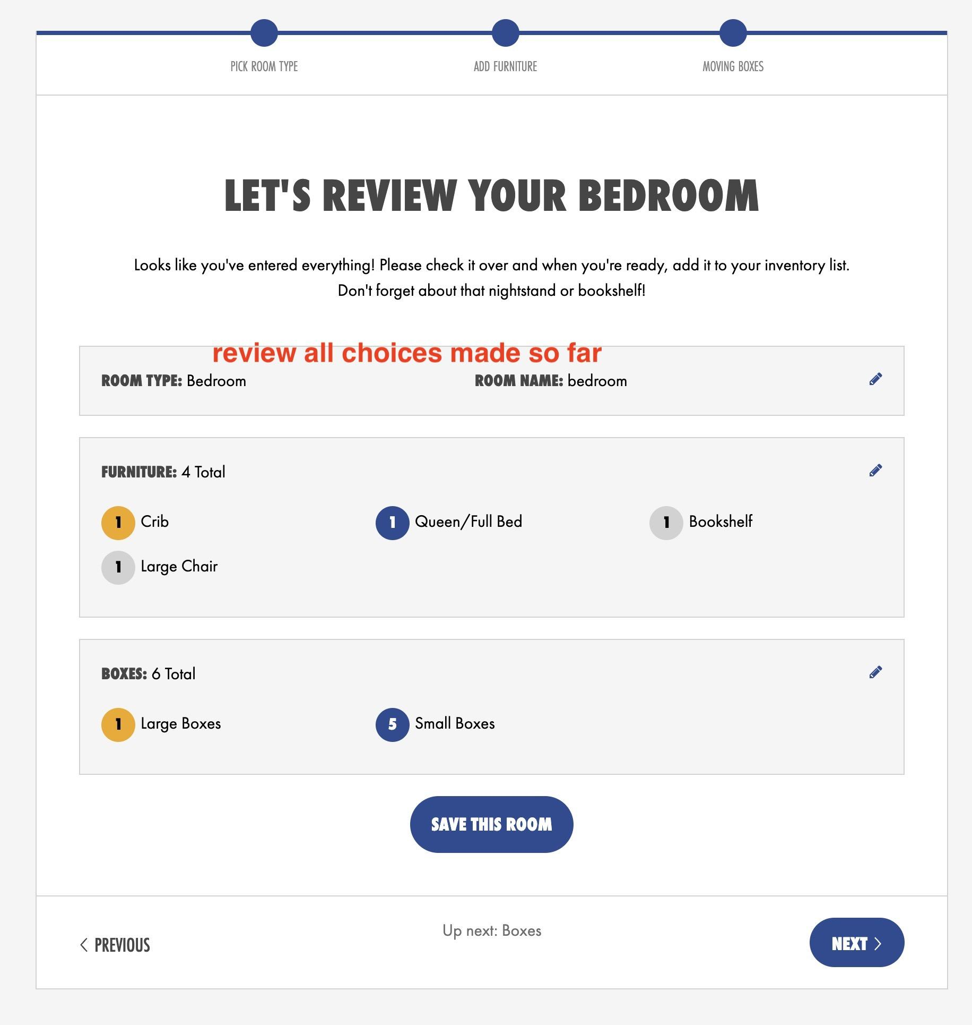 |  | 
show associations and awards |  |  |  |  |  | condo and appartment same screen |  |  |  |  | Multichoice. only local move, in house move, long distance move can be selected at the same time | calendar opens to select the date | home from screen 4 is selected |  |  | put pre defined supplies with prices in a list
 |  | multichoice | 2 choices |  | Home is picked from screen 4 |  |  |  |  |  | other options can be selected or not per the user choice |  |  |  | add links to gorillamovers.com |  | info from all screens gets sent via email to a set email address
 |  |  |  |  | google auto populate address |  |  |  |  |  |  |  |  |  | links to FAQ |  | info gets sent to my CSR software API
 |  |  |  |  | only 1 of the 4 choices can be selected

 |  |  |  |  |  |  |  |  |  |  |  |  | screen 8 business
 |  |  |  |  | 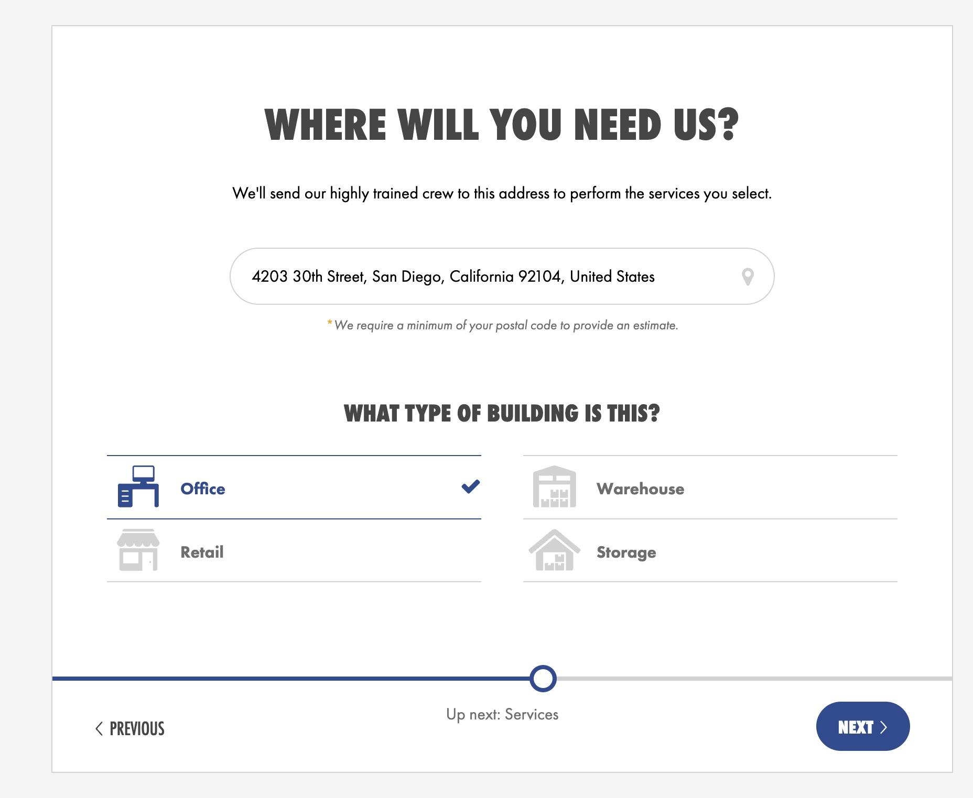 |  |  |  |  |  |  |  | 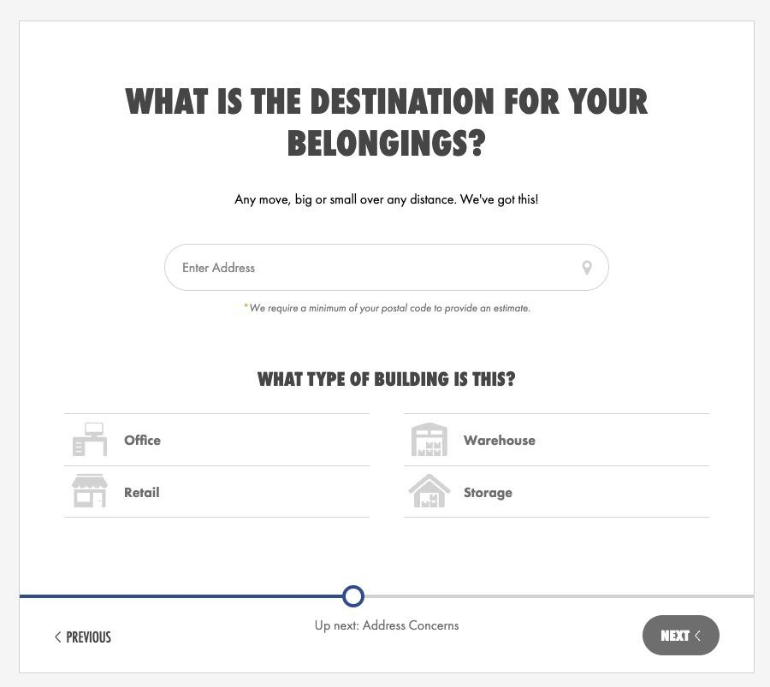
 |  |  |  |  |  |  |  |  |  |  |  |  | business from screen 4 is selected
 |  |  |  |  | business is picked from screen 4

Price Range
 | Movers | Hourly Rate | Hours | OT Hours | Travel Charge | Over Time | Regular | Discount | Total
 | 2 Movers | $149.00 | 3 | 0 | $150.00 | $0.00 | $597.00 | $0.00 | $597.00
 | 3 Movers | $199.00 | 2 | 0 | $150.00 | $0.00 | $548.00 | $0.00 | $548.00 | Guaranteed price
 | 4 Movers | $249.00 | 2 | 0 | $150.00 | $0.00 | $648.00 | $0.00 | $648.00 | $219.20 | $263.04
 | 5 Movers | $299.00 | -1 | 0 | $150.00 | $0.00 | -$149.00 | $0.00 | -$149.00
 | 6 Movers | $349.00 | -2 | 0 | $150.00 | $0.00 | -$548.00 | $0.00 | -$548.00

 |  | `


Load |  | Ground Floor | 2nd floor | 3rd floor | 4th floor | 5th floor | 6th floor |  | Loading Time | 1
 | 1 bedroom | 1 | 2 | 2 | 3 | 3 | 4
 | 2 bedroom | 2 | 2 | 3 | 3 | 4 | 4 |  | Drive Time | 0.5
 | 3 bedroom | 3 | 4 | 5 | 4 | 5 | 5
 | 4 bedroom | 3 | 5 | 5 | 5 | 5 | 5 |  | Unloading Time | 1 |  | 1
 | 5 bedroom | 4 | 5 | 6 | 6 | 6 | 7
 |  |  |  |  |  |  |  |  | Travel Charge | $150.00

Drive |  | Minimum | Poway | OC | Carlsbad | Chula | LA |  | Hours Range | 3
 | Time | 0.25 | 0.5 | 1.75 | 0.75 | 0.75 | 3
 |  |  |  |  |  |  |  |  | Over Time | -5

Unilad |  | Ground Floor | 2nd floor | 3rd floor | 4th floor | 5th floor | 6th floor |  | # of Movers | Rate | Hours | Low Range | High Range
 | 1 bedroom | 1 | 2 | 2 | 3 | 3 | 4 |  | 2 Movers | $149.00 | 3 | $597.00 | $716.40 | $0.00 | 2 movers | 0
 | 2 bedroom | 2 | 2 | 3 | 3 | 4 | 4 |  | 3 Movers | $199.00 | 2 | $548.00 | $657.60 | $0.00 | 3 movers | 0
 | 3 bedroom | 3 | 4 | 5 | 4 | 5 | 5 |  | 4 Movers | $249.00 | 2 | $648.00 | $777.60 | $0.00 | 4 movers | 0
 | 4 bedroom | 3 | 4 | 5 | 5 | 5 | 5 |  | 5 Movers | $299.00 | -1 | -$149.00 | -$178.80 | $0.00 | 5 movers | 0
 | 5 bedroom | 4 | 5 | 6 | 6 | 6 | 7 |  | 6 Movers | $349.00 | -2 | -$548.00 | -$657.60 | $0.00 | 6 movers | 0

