5.Star Schema
Star Schema

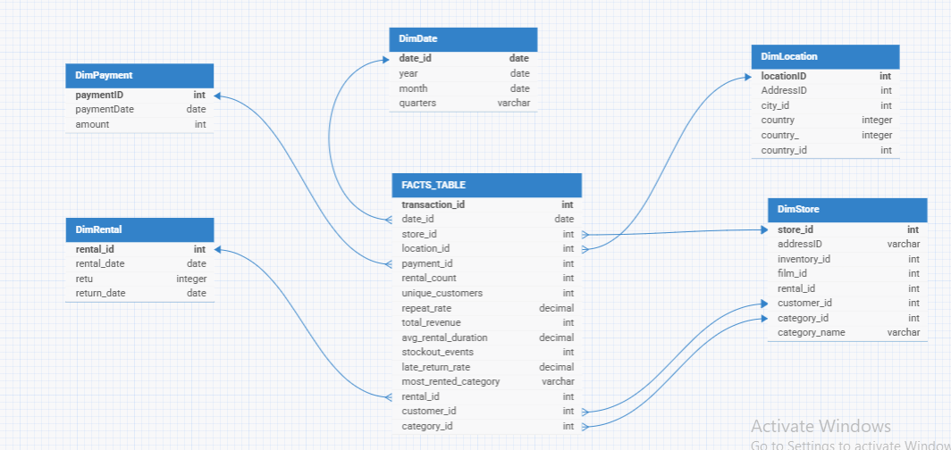
Star Schema Image | Possible Star Schema Queries
 | Sno | Business Question Addressed | SQL query
 | 1 | 3‑Month Moving Average of Total Revenue per Store | WITH revenue_by_month AS ( SELECT f.store_id, d.Year, d.Month, SUM(f.total_revenue) AS monthly_revenue FROM FactOrders AS f JOIN DimDate AS d ON f.date_id = d.DateId GROUP BY f.store_id, d.Year, d.Month ) SELECT store_id, Year, Month, monthly_revenue, AVG(monthly_revenue) OVER ( PARTITION BY store_id ORDER BY Year, Month ROWS BETWEEN 2 PRECEDING AND CURRENT ROW ) AS revenue_3mo_ma FROM revenue_by_month ORDER BY store_id, Year, Month;
 | 2 | Top 3 “Most Rented” Categories by Quarter | WITH cat_revenue AS ( SELECT d.Year, d.Quarters, f.most_rented_category AS category, SUM(f.total_revenue) AS revenue FROM FactOrders AS f JOIN DimDate AS d ON f.date_id = d.DateId GROUP BY d.Year, d.Quarters, f.most_rented_category ) SELECT Year, Quarters, category, revenue FROM ( SELECT cr.*, ROW_NUMBER() OVER (PARTITION BY Year, Quarters ORDER BY revenue DESC) AS rn FROM cat_revenue AS cr ) t WHERE rn <= 3 ORDER BY Year, Quarters, revenue DESC;
 | 3 | Which stores rank highest by total revenue over the last 2 years | SELECT s.store_id, SUM(p.amount) AS total_revenue, RANK() OVER (ORDER BY SUM(p.amount) DESC) AS revenue_rank FROM payment p JOIN rental r ON p.rental_id = r.rental_id JOIN inventory i ON r.inventory_id = i.inventory_id JOIN store s ON i.store_id = s.store_id WHERE p.payment_date >= CURRENT_DATE - INTERVAL '2 years' GROUP BY s.store_id ORDER BY total_revenue DESC;
 | 4 | What is the store in Islamabad’s repeat‑rental rate? | WITH store_rentals AS ( SELECT r.customer_id, r.rental_id FROM rental r JOIN inventory i ON r.inventory_id = i.inventory_id JOIN store s ON i.store_id = s.store_id JOIN address a ON s.address_id = a.address_id JOIN city c ON a.city_id = c.city_id WHERE c.city = 'Islamabad' ),customer_counts AS ( SELECT customer_id, COUNT(*) AS cnt FROM store_rentals GROUP BY customer_id ),repeat_customers AS ( SELECT customer_id FROM customer_counts WHERE cnt > 1)SELECT ROUND(100.0 * ( (SELECT COUNT(*) FROM store_rentals WHERE customer_id IN (SELECT customer_id FROM repeat_customers)) ::DECIMAL / (SELECT COUNT(*) FROM store_rentals) ) , 2) AS repeat_rental_rate_pct;
 | 5 | Inventory Turnover by Location | SELECT l.LocationID, l.City_ID, SUM(f.inventory_turnover) AS total_inventory_turnover FROM FactOrders AS f JOIN DimLocation AS l ON f.location_id = l.LocationID GROUP BY l.LocationID, l.City_ID ORDER BY total_inventory_turnover DESC;
 | 6 | Most Rented Category per Store | SELECT s.StoreID, f.most_rented_category, COUNT(*) AS freq FROM FactOrders AS f JOIN DimStore AS s ON f.store_id = s.StoreID GROUP BY s.StoreID, f.most_rented_category QUALIFY ROW_NUMBER() OVER ( PARTITION BY s.StoreID ORDER BY COUNT(*) DESC ) = 1;
 | 7 | Repeat Rate by Store | SELECT s.StoreID, s.Category_Name AS store_category, COUNT(DISTINCT f.transaction_id) AS total_transactions, SUM(CASE WHEN f.repeat_rate > 0 THEN 1 ELSE 0 END) AS repeat_customers_count, AVG(f.repeat_rate) AS avg_repeat_rate FROM FactOrders AS f JOIN DimStore AS s ON f.store_id = s.StoreID GROUP BY s.StoreID, s.Category_Name ORDER BY avg_repeat_rate DESC;
 | 8 | Cumulative Rentals & Revenue to Date per Store | WITH daily_metrics AS ( SELECT f.store_id, d.DateId AS full_date, SUM(f.rental_count) AS daily_rentals, SUM(f.total_revenue) AS daily_revenue FROM FactOrders AS f JOIN DimDate AS d ON f.date_id = d.DateId GROUP BY f.store_id, d.DateId ) SELECT store_id, full_date, daily_rentals, daily_revenue, SUM(daily_rentals) OVER (PARTITION BY store_id ORDER BY full_date ROWS BETWEEN UNBOUNDED PRECEDING AND CURRENT ROW ) AS cum_rentals, SUM(daily_revenue) OVER (PARTITION BY store_id ORDER BY full_date ROWS BETWEEN UNBOUNDED PRECEDING AND CURRENT ROW ) AS cum_revenue FROM daily_metrics ORDER BY store_id, full_date;

