Chefaa photos
Photo | Code | Catalog name | Section | Price EGP | Chefaa product name | Slug match | Title match | Status | Product page | Image URL
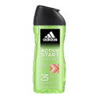 | 87732 | ADIDAS ACTIVE START SHOWER GEL 250ML | personal | 190 | [talabat] Adidas Active Start 3in1 Shower Gel, 250ml | 1 | 1 | matched | https://www.talabat.com/egypt/pharmacy/761798/bee-well-pharmacies-shobra-el-kheima-el-mansheya-youth-center/personal-care/bath-body-care?aid=7444&page=16 | https://talabat.dhmedia.io/image/product-information-management/6a68a7198d3e285868cf2b11.gif?width=800
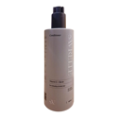 | 86839 | AVRELLE VITAMIN E + BIOTIN HAIR CONDITIONER 400ML | haircare | 395 | [talabat] Avrelle Vitamin E Biotin Hair Conditioner, 400ml | 1 | 1 | matched | https://www.talabat.com/egypt/pharmacy/755694/sally-pharmacies-heliopolis-merryland-2/personal-care/haircare?aid=7773&page=18 | https://talabat.dhmedia.io/image/product-information-management/6a02e18252d4f82bb00191e2.jpeg?width=800
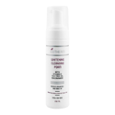 | 79872 | BIOTHERM WHITENING CLEANSING FOAM 200ML | skincare | 299 | [talabat] Biotherm Whitening Cleansing Foam, 200ml | 1 | 1 | matched | https://www.talabat.com/egypt/pharmacy/755694/sally-pharmacies-heliopolis-merryland-2/skincare/cleansers?aid=7773&page=6 | https://talabat.dhmedia.io/image/product-information-management/6914bd97676bbcd4df85045e.JPG?width=800
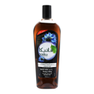 | 89987 | DABUR VATIKA ROSEMARY OIL HAIR OIL 180ML | haircare | 47 | [talabat] Dabur Vatika Hair Oil, 180ml | 1 | 1 | matched | https://www.talabat.com/egypt/pharmacy/1104180/alfa-pharmacy-6th-of-october-4th-district-1/personal-care/haircare?aid=10047&page=7 | https://talabat.dhmedia.io/image/product-information-management/678df0cd00004c2d29f1a4f5.JPG?width=800
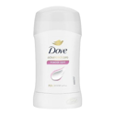 | 84254 | DOVE POWDER SOFT STIK 50 ML | personal | 235 | [talabat] Dove Powder Soft Deo Stick, 50ml | 1 | 1 | matched | https://www.talabat.com/egypt/pharmacy/755694/sally-pharmacies-heliopolis-merryland-2/personal-care/bath-body-care?aid=7773&page=3 | https://talabat.dhmedia.io/image/product-information-management/6a7efcb801e257953de6acfe.jpg?width=800
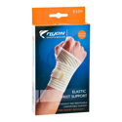 | 63500 | FLYON WRIST SUPPORT ELASTIC ONE SIZE 6104 | devices | 215 | [talabat] Flyon Elastic Wrist Support One Size 6104 | 1 | 1 | matched | https://www.talabat.com/egypt/pharmacy/761799/bee-well-pharmacies-heliopolis-maqreezi/equipment-homecare/injury-mobility-support?aid=7773&page=1 | https://talabat.dhmedia.io/image/product-information-management/6914c1622a167ae6c40108d9.jpg?width=800
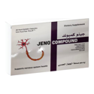 | 89318 | JENO COMPOUND 20 CAP | medicine | 237 | [talabat] Jeno Compound, 20 Cap | 1 | 1 | matched | https://www.talabat.com/egypt/pharmacy/755694/sally-pharmacies-heliopolis-merryland-2/vitamins-supplements/health-concerns?aid=7773&page=1 | https://talabat.dhmedia.io/image/darkstores/nv-global-catalog/eg/e347d659-bf60-4d28-b52c-859cc5a21178.562?width=800
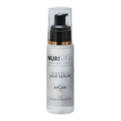 | 72448 | NURIVINA ARGAN OIL HAIR SERUM 100 ML | haircare | 390 | [talabat] Nurivina Argan Hair Serum, 100ml | 1 | 1 | matched | https://www.talabat.com/egypt/pharmacy/755694/sally-pharmacies-heliopolis-merryland-2/personal-care/haircare?aid=7773&page=30 | https://talabat.dhmedia.io/image/product-information-management/68088b815e0c1a06eeda52b7.png?width=800
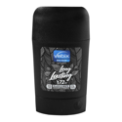 | 87256 | VEBIX LONG LASTING DEO STICK 50ML MEN | personal | 160 | [talabat] Vebix Long-Lasting Deodorant Stick men , 50ml | 1 | 1 | matched | https://www.talabat.com/egypt/pharmacy/758954/el-shabrawy-pharmacy-mansheyat-naser/personal-care/bath-body-care?aid=7773&page=12 | https://talabat.dhmedia.io/image/product-information-management/68b7e446b0413ccfe09ed686.jpg?width=800
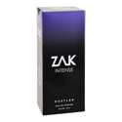 | 73938 | ZAK INTENSE HUSTLER E.D.PARFUM 150ML | fragrance | 425 | [talabat] Zak Intense Hustler perfume , 150ml | 1 | 1 | matched | https://www.talabat.com/egypt/pharmacy/804842/nour-pharmacies-shobra-el-kheima-second-police-station-shobra/beauty-cosmetics/fragrance?aid=7444&page=2 | https://talabat.dhmedia.io/image/product-information-management/6914c3362a167ae6c401d687.JPG?width=800
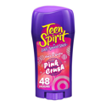 | 61974 | LADY SPEED TEEN SPIRIT PINK CRUSH STICK 65.G | medicine | 330 | [talabat] Lady Speed Stick Teen Spirit Pink Crush Antiperspirant Deodorant, 65g | 0.989 | 0.989 | matched | https://www.talabat.com/egypt/pharmacy/761799/bee-well-pharmacies-heliopolis-maqreezi/personal-care/bath-body-care?aid=7773&page=16 | https://talabat.dhmedia.io/image/product-information-management/6a313dafbaa99d638c571a87.jpg?width=800
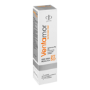 | 84150 | VENTAMOR SUNSCREEN GEL SPF.50 50 GM | skincare | 320 | [talabat] Ventamor Sunscreen Gel, 50g | 0.989 | 0.989 | matched | https://www.talabat.com/egypt/pharmacy/755694/sally-pharmacies-heliopolis-merryland-2/skincare/sun-care?aid=7773&page=5 | https://talabat.dhmedia.io/image/product-information-management/6914c3172a167ae6c401c8ba.JPG?width=800
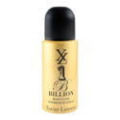 | 88714 | XL GOLD BODY SPRAY 150ML | fragrance | 140 | [talabat] Xl Spray Gold, 150ml | 0.989 | 0.989 | matched | https://www.talabat.com/egypt/pharmacy/770957/cure-pharmacy-el-shorouk-8th-district/beauty-cosmetics/fragrance?aid=8118&page=3 | https://talabat.dhmedia.io/image/product-information-management/692497372f59151ac8ddb4b8.JPG?width=800
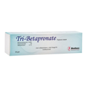 | 84648 | BETAPRONATE PLUS CREAM 30 GM | medicine | 28 | [talabat] Tri-Betapronate Cream, 30g | 0.957 | 0.957 | matched | https://www.talabat.com/egypt/pharmacy/712400/el-amawy-pharmacies-el-obour-eskan-el-shabab/medicines/creams-ointments?aid=8037&page=4 | https://talabat.dhmedia.io/image/product-information-management/68cbf3497abf5f357fff074a.JPG?width=800
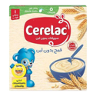 | 90415 | CERELAC PRUNES & WHEAT 125 GM ( ) | baby | 60 | [talabat] Cerelac Wheat - 125 G | 0.957 | 0.957 | matched | https://www.talabat.com/egypt/pharmacy/804842/nour-pharmacies-shobra-el-kheima-second-police-station-shobra/mother-baby/baby-food?aid=7444&page=1 | https://talabat.dhmedia.io/image/talabat-nv/Netscribe%20Images%28don%27t%20touch%29/Front%20Images/6221007023111.jpg?width=800
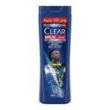 | 89929 | CLEAR HAIR SHAMPOO ULTRA HYDRO BOOST 180 ML | haircare | 95 | [talabat] Clear Men Ultra Hydro Boost Shampoo, 180ml | 0.957 | 0.957 | matched | https://www.talabat.com/egypt/pharmacy/693319/al-ain-pharmacies-abbassia/personal-care/haircare?aid=7773&page=7 | https://talabat.dhmedia.io/image/product-information-management/6a09b1bb5dc85dbef1ee4a0f.jpg?width=800
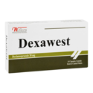 | 86415 | DEXAWEST 30 MG 14 CAP | medicine | 66 | [talabat] Dexawest 30mg Dexlansoprazole, 14 Capsules | 0.957 | 0.957 | matched | https://www.talabat.com/egypt/pharmacy/724393/al-qahera-pharmacy-shobra-el-kheima-masaken-ain-shams/medicines/common-symptoms?aid=7444&page=7 | https://talabat.dhmedia.io/image/product-information-management/68c2bfbecbec392a1853f6a2.jpg?width=800
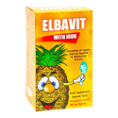 | 86847 | ELBAVIT SYP 60 ML | medicine | 39 | [talabat] Elbavit with Iron Syrup, 60ml | 0.957 | 0.957 | matched | https://www.talabat.com/egypt/pharmacy/1101223/dr-heba-akl-pharmacy-manshayt-el-bakry/vitamins-supplements/vitamins?aid=7033&page=3 | https://talabat.dhmedia.io/image/product-information-management/6914c1362a167ae6c400f463.jpg?width=800
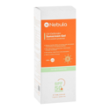 | 82397 | NEBULA SUNSCREEN GEL SPF.50 75ML | skincare | 379 | [talabat] Nebula UV-Defender Sunscreen Gel SPF 50+, 75ml | 0.957 | 0.957 | matched | https://www.talabat.com/egypt/pharmacy/761799/bee-well-pharmacies-heliopolis-maqreezi/skincare/sun-care?aid=7773&page=4 | https://talabat.dhmedia.io/image/product-information-management/6a85914267d0374649fe0e92.JPG?width=800
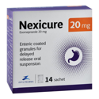 | 81663 | NEXICURE 20 MG 14 TABLETS | medicine | 64 | [talabat] Nexicure 20mg Sachets, 14 Sachets | 0.957 | 0.957 | matched | https://www.talabat.com/egypt/pharmacy/763273/h-f-pharmacy-heliopolis-maqreezi/medicines/common-symptoms?aid=7773&page=3 | https://talabat.dhmedia.io/image/product-information-management/68cbf3417abf5f357fff03a9.JPG?width=800
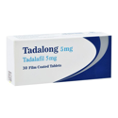 | 79956 | TADALONG 5 MG 30 TABLETS | medicine | 187.5 | [talabat] Tadalong 5mg Tadalafil Tablets, 30 Tablets | 0.957 | 0.957 | matched | https://www.talabat.com/egypt/pharmacy/755694/sally-pharmacies-heliopolis-merryland-2/sensual-wellness/performance-enhancers?aid=7773&page=1 | https://talabat.dhmedia.io/image/darkstores/nv-global-catalog/eg/96c4df1b-bfee-4f94-b772-72c51c203853.JPG?width=800
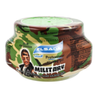 | 68122 | ELSADA STYLING HAIR GEL 500 ML | haircare | 220 | [talabat] Elsada Military Professional Hair Styling Gel, 500ml | 0.933 | 0.933 | matched | https://www.talabat.com/egypt/pharmacy/767086/dr-masoud-sobhy-pharmacies-moharam-bek-green/personal-care/haircare?aid=7178&page=11 | https://talabat.dhmedia.io/image/product-information-management/68c2c143cbec392a1854645a.jpg?width=800
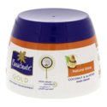 | 91574 | PARACHUTE GOLD HAIR CREAM COCONUT &CACTUS 140 ML | haircare | 50 | [talabat] Parachute Coconut Hair Cream, 140ml | 0.933 | 0.933 | matched | https://www.talabat.com/egypt/pharmacy/798249/sg-pharmacies-el-obour-eskan-el-shabab/personal-care/haircare?aid=8037&page=11 | https://talabat.dhmedia.io/image/product-information-management/673f0695b7d94e056176a5c6.jpg-1200Wx1200H?width=800
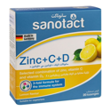 | 85724 | SANOTACT ZINC+C+D 20 LOZENGES | medicine | 350 | [talabat] Sanotact Zinc + Vit C + Vit D Lozenges, 20 Lozenges | 0.923 | 0.923 | matched | https://www.talabat.com/egypt/pharmacy/755694/sally-pharmacies-heliopolis-merryland-2/vitamins-supplements/health-concerns?aid=7773&page=5 | https://talabat.dhmedia.io/image/product-information-management/692496a42f59151ac8dd744b.jpg?width=800
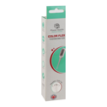 | 88872 | PLANET.HEALTH COLOR FLEX THERMOMETER | devices | 275 | [talabat] Planet Health Color Flex Thermometer, White | 0.909 | 0.909 | matched | https://www.talabat.com/egypt/pharmacy/761799/bee-well-pharmacies-heliopolis-maqreezi/equipment-homecare/health-testing-monitoring?aid=7773&page=2 | https://talabat.dhmedia.io/image/product-information-management/6a85940a67d0374649fe29c6.jpg?width=800
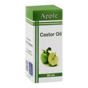 | 84374 | AFAK CASTOR OIL LEMON 60 ML | medicine | 30 | [talabat] Afak Castor Hair Oil, 60ml | 0.9 | 0.9 | matched | https://www.talabat.com/egypt/pharmacy/1102091/ziadah-pharmacy-6th-of-october-8th-district/personal-care/haircare?aid=10047&page=19 | https://talabat.dhmedia.io/image/product-information-management/6894790563b0f14209d0e271.JPG?width=800
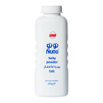 | 87524 | NUNU BABY POWDER TALC ROSE 200GM | baby | 106 | [talabat] Nunu Baby Powder, 200g | 0.9 | 0.9 | matched | https://www.talabat.com/egypt/pharmacy/715102/el-naggar-pharmacy-zagazig-university/mother-baby/baby-care?aid=7097&page=2 | https://talabat.dhmedia.io/image/product-information-management/6914c2532a167ae6c4017033.jpg?width=800
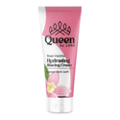 | 91516 | QUEEN BY LORD ROSE VANI LUXURY SHAVING CREAM 200ML | personal | 250 | [talabat] Queen By Lord Shaving Cream, 200ml | 0.9 | 0.9 | matched | https://www.talabat.com/egypt/pharmacy/779465/tarshoubi-pharmacy-camp-chezar/personal-care/hair-removal?aid=7178&page=2 | https://talabat.dhmedia.io/image/product-information-management/6911a5836c60837d9bef04c9.png?width=800
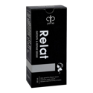 | 84144 | RELAT HAIR SERUM 60ML | haircare | 275 | [talabat] Prime Relat Hair Serum women , 60ml | 0.9 | 0.9 | matched | https://www.talabat.com/egypt/pharmacy/755694/sally-pharmacies-heliopolis-merryland-2/personal-care/haircare?aid=7773&page=24 | https://talabat.dhmedia.io/image/product-information-management/68a5a6716a1d1eced03c80f3.jpg?width=800
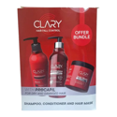 | 84067 | CLARY SHAMPOO&CONDITIONER &MASK PACK | haircare | 791 | [sabry] CLARY SHAMPOO & HAIR MASK & CONDITIONER | 0.889 | 0.889 | matched | https://pharmacysabry.com/products/clary-shampoo-conditioner-hair-mask-offer | https://cdn.shopify.com/s/files/1/0668/6044/9972/files/WhatsAppImage2024-10-09at7.22.18PM.webp?v=1753098568&width=1000
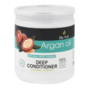 | 83433 | BIO SOFT ARGAN OIL HAIR DEEP CONDITIONER 500ML | haircare | 120 | [talabat] Bio Soft Deep Conditioner, 500ml | 0.869 | 0.869 | matched | https://www.talabat.com/egypt/pharmacy/788864/dramr-ahmed-masoud-pharmacy-semouha-modereyt-el-amn-el-gadeda/personal-care/haircare?aid=7178&page=10 | https://talabat.dhmedia.io/image/product-information-management/69e0b0651aa1455a69a3e65e.JPG?width=800
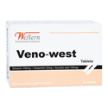 | 54632 | VENO-WEST 30 TAB | medicine | 114 | [talabat] Western Veno West Tablets, 30 Tablets | 0.857 | 0.857 | matched | https://www.talabat.com/egypt/pharmacy/755694/sally-pharmacies-heliopolis-merryland-2/medicines/common-symptoms?aid=7773&page=9 | https://talabat.dhmedia.io/image/product-information-management/68cbf34a7abf5f357fff0772.JPG?width=800
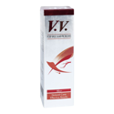 | 59893 | V.V. CREAM 50GM | medicine | 120 | [talabat] V.V Cream For Vascular Pain, 50g | 0.85 | 0.85 | matched | https://www.talabat.com/egypt/pharmacy/770957/cure-pharmacy-el-shorouk-8th-district/medicines/common-symptoms?aid=8118&page=8 | https://talabat.dhmedia.io/image/product-information-management/6914c30e2a167ae6c401c4ee.JPG?width=800
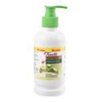 | 53688 | FIANCEE HAIR FOOD 240ML | haircare | 75 | [talabat] Fiancee Hair Food Cream Cactus & Honey, 240ml | 0.827 | 0.827 | matched | https://www.talabat.com/egypt/pharmacy/805026/omran-pharmacies-el-obour-el-hay-5/personal-care/haircare?aid=8037&page=15 | https://talabat.dhmedia.io/image/product-information-management/6914c6422a167ae6c40271b4.JPG?width=800
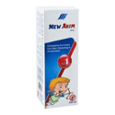 | 88430 | NEW AKIM OIL SPRAY 120 ML | medicine | 100 | [talabat] New Akim Oil Spray for Hair Cleaning & Protection, 120ml | 0.827 | 0.827 | matched | https://www.talabat.com/egypt/pharmacy/755694/sally-pharmacies-heliopolis-merryland-2/personal-care/haircare?aid=7773&page=30 | https://talabat.dhmedia.io/image/product-information-management/6a9fb3935de9b27ee8e2ae7e.jpg?width=800
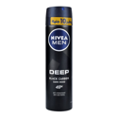 | 88037 | NIVEA DEEP DARKWOOD BODY MEN SPRAY 150 ML | personal | 197 | [talabat] Nivea Spray Deep - 150 Ml | 0.827 | 0.827 | matched | https://www.talabat.com/egypt/pharmacy/724393/al-qahera-pharmacy-shobra-el-kheima-masaken-ain-shams/personal-care/bath-body-care?aid=7444&page=1 | https://talabat.dhmedia.io/image/product-information-management/6914c24b2a167ae6c4016be4.jpg?width=800
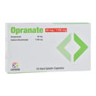 | 86585 | OPRANATE 40 MG /1100 MG 10 CAPSULES | medicine | 57 | [talabat] Opranate 40mg Omeprazole & 1100mg Sodium Bicarbonate, 10 Capsules | 0.827 | 0.827 | matched | https://www.talabat.com/egypt/pharmacy/724393/al-qahera-pharmacy-shobra-el-kheima-masaken-ain-shams/medicines/common-symptoms?aid=7444&page=2 | https://talabat.dhmedia.io/image/product-information-management/676a7c12c51adb028c784219.jpg?width=800
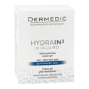 | 71902 | DERMEDIC HYDRAIN3 HIALURO ULTRA CREAM-GEL 50ML | skincare | 850 | [talabat] Dermedic Hydrain3 Hialuro Hypoallergenic Ultra Hydrating Facial Cream-Gel for Dry & Dehydrated Skin, 50ml | 0.8 | 0.8 | matched | https://www.talabat.com/egypt/pharmacy/755694/sally-pharmacies-heliopolis-merryland-2/skincare/facial-care?aid=7773&page=14 | https://talabat.dhmedia.io/image/product-information-management/68c2b34b5d9e5c3043f86249.jpg?width=800
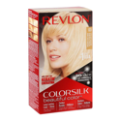 | 84284 | REVLON COLORSILK ULTRA LIGHT SUN BLONDE 03 | haircolor | 275 | [talabat] Revlon 3D Colorsilk Permanent Hair Coloring Kit - Ultra Light Sun Blonde 03 | 0.778 | 0.778 | matched | https://www.talabat.com/egypt/pharmacy/755694/sally-pharmacies-heliopolis-merryland-2/personal-care/haircare?aid=7773&page=21 | https://talabat.dhmedia.io/image/product-information-management/690235de64d3b816f63a0c20.jpg?width=800
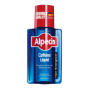 | 56715 | ALPECIN HAIR LIQUID CAFFEINE 200ML | haircare | 450 | [talabat] Alpecin Anti-Hair Fall caffeine Leave-On Liquid Tonic, 200ml | 0.767 | 0.767 | matched | https://www.talabat.com/egypt/pharmacy/755694/sally-pharmacies-heliopolis-merryland-2/personal-care/haircare?aid=7773&page=21 | https://talabat.dhmedia.io/image/product-information-management/68bdba59754b2cdae91f9706.JPG?width=800
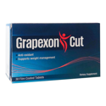 | 91389 | GRAPEXON CUT 30 TABLETS | medicine | 300 | [talabat] Grapexon Cut Weight Management Tablets, 30 Tablets | 0.75 | 0.75 | matched | https://www.talabat.com/egypt/pharmacy/770957/cure-pharmacy-el-shorouk-8th-district/fitness-diet/fitness-supplements?aid=8118&page=2 | https://talabat.dhmedia.io/image/product-information-management/6a86ccaf772e03cd9203b2e3.JPG?width=800
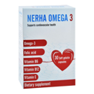 | 86428 | NERHA OMEGA 3 30 CAPSULES | vitamins | 330 | [talabat] Nerha Omega 3 Cardiovascular Health Supplement, 30 Capsules | 0.727 | 0.727 | matched | https://www.talabat.com/egypt/pharmacy/755694/sally-pharmacies-heliopolis-merryland-2/vitamins-supplements/health-concerns?aid=7773&page=7 | https://talabat.dhmedia.io/image/product-information-management/689454cc63b0f14209d06b13.JPG?width=800
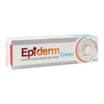 | 80722 | EPIDERM CREAM 50 GM | medicine | 70 | [talabat] Epiderm Soothing & Moisturizing Face & Body Cream, 50g | 0.7 | 0.7 | matched | https://www.talabat.com/egypt/pharmacy/761798/bee-well-pharmacies-shobra-el-kheima-el-mansheya-youth-center/personal-care/bath-body-care?aid=7444&page=17 | https://talabat.dhmedia.io/image/product-information-management/68c2c001cbec392a18540c67.JPG?width=800
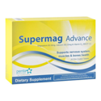 | 88802 | SUPERMAG ADVANCE 30 TABLET | medicine | 165 | [talabat] Penta Supermag Advance Magnesium Supplement, 30 Tablets | 0.667 | 0.667 | matched | https://www.talabat.com/egypt/pharmacy/804842/nour-pharmacies-shobra-el-kheima-second-police-station-shobra/vitamins-supplements/minerals?aid=7444&page=2 | https://talabat.dhmedia.io/image/product-information-management/68b6cde303e342d5c6010689.jpg?width=800
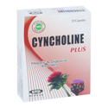 | 91300 | CYNCHOLINE PLUS 20 CAPSULES | medicine | 45 | [talabat] Cyncholine Plus Capsules for Hepatic & Digestive Disorders, 20 Tablets | 0.571 | 0.571 | matched | https://www.talabat.com/egypt/pharmacy/764191/dr-nabil-eltarshouby-pharmacies-moheb/vitamins-supplements/health-concerns?aid=7033&page=5 | https://talabat.dhmedia.io/image/product-information-management/6a97dbf29cb483e159bb6c66.JPG?width=800
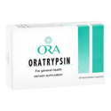 | 84851 | ORATRYPSIN 30 CAPSULES | medicine | 120 | [talabat] Ora Oratrypsin Supplement for General Health, 30 Capsules | 0.5 | 0.5 | matched | https://www.talabat.com/egypt/pharmacy/755694/sally-pharmacies-heliopolis-merryland-2/first-aid/wounds?aid=7773&page=2 | https://talabat.dhmedia.io/image/product-information-management/689b0a814765e90405b573cc.jpg?width=800
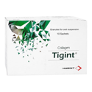 | 69443 | TIGINT PLUS 10 SACHETS | medicine | 290 | [talabat] Tigint Collagen Supplement Granules, 10 pcs | 0.5 | 0.5 | matched | https://www.talabat.com/egypt/pharmacy/764191/dr-nabil-eltarshouby-pharmacies-moheb/vitamins-supplements/health-concerns?aid=7033&page=5 | https://talabat.dhmedia.io/image/product-information-management/6914c2fd2a167ae6c401bda5.JPG?width=800

