SWAPTION_VOLS
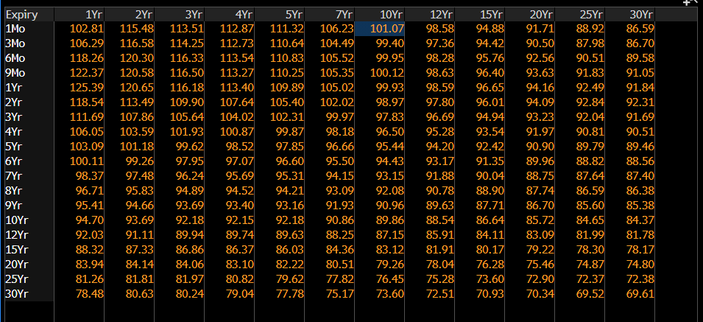
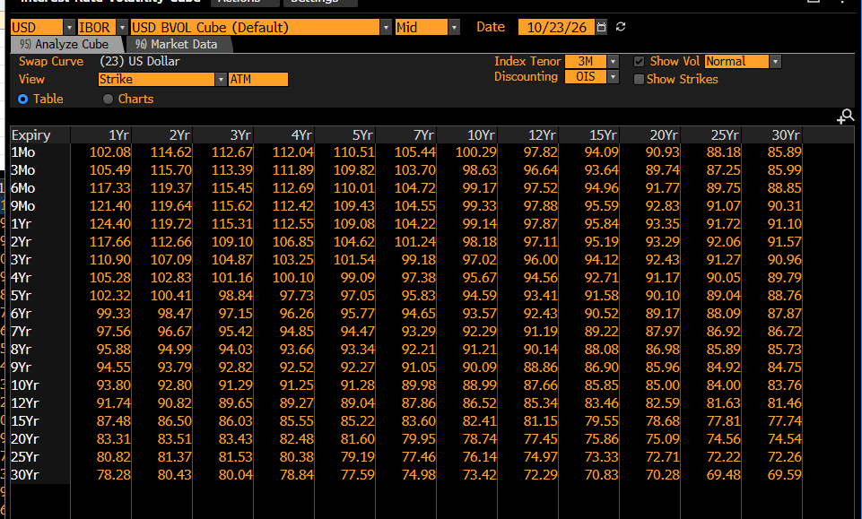
Date
#N/A Mandatory parameter [SECURITY] cannot be empty |  | #N/A Mandatory parameter [SECURITY] cannot be empty | #N/A Mandatory parameter [SECURITY] cannot be empty | #N/A Mandatory parameter [SECURITY] cannot be empty | #N/A Mandatory parameter [SECURITY] cannot be empty | #N/A Mandatory parameter [SECURITY] cannot be empty | #N/A Mandatory parameter [SECURITY] cannot be empty | #N/A Mandatory parameter [SECURITY] cannot be empty | #N/A Mandatory parameter [SECURITY] cannot be empty | #N/A Mandatory parameter [SECURITY] cannot be empty | #N/A Mandatory parameter [SECURITY] cannot be empty | #N/A Mandatory parameter [SECURITY] cannot be empty

 | USD

Sheet1
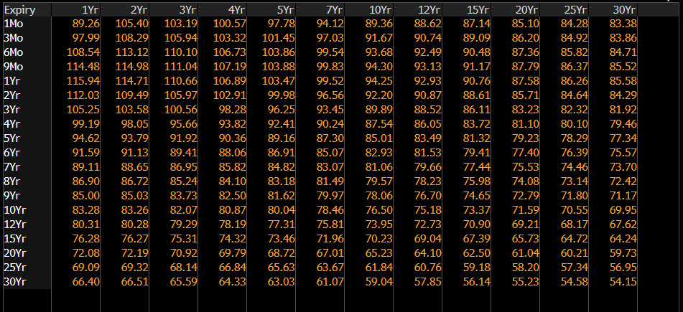
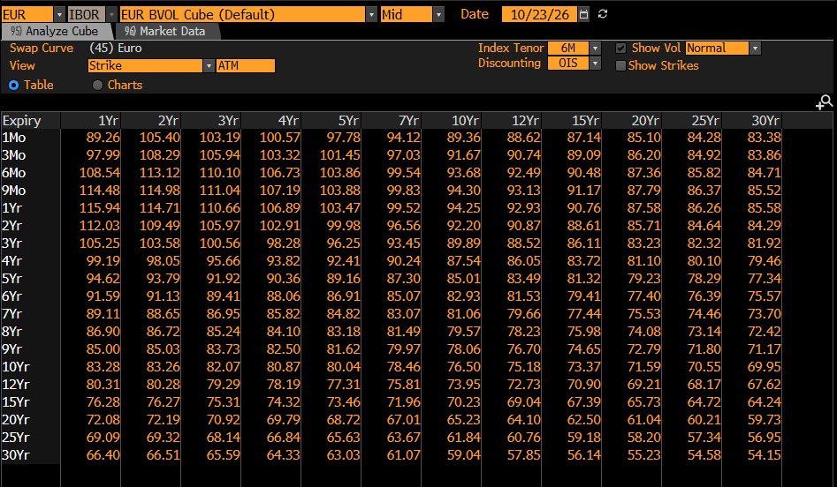
EUR

Sheet2
