📱 Structured — App 1
App 1 Evaluation (Characteristics 1–8)
50 min | Individual — use your own device | Min. 3 observations per characteristic

APP 1 METADATA
App 1 Name | youtube music
Version Number | 9.16.4
Device Model | IPHONE 16e
OS Version | 26.3.1
Evaluation Date | 26-4-26
Start Time | 12:55PM

B.2 CHARACTERISTIC 1 — Functional Suitability (Weight: 15%)
Feature / Use Case to Test | How to Test | Pass / Fail / Partial | Notes | Evidence Screenshot
Primary core function | Search and play a song | pass | Songs play correctly, but ads appear between tracks | 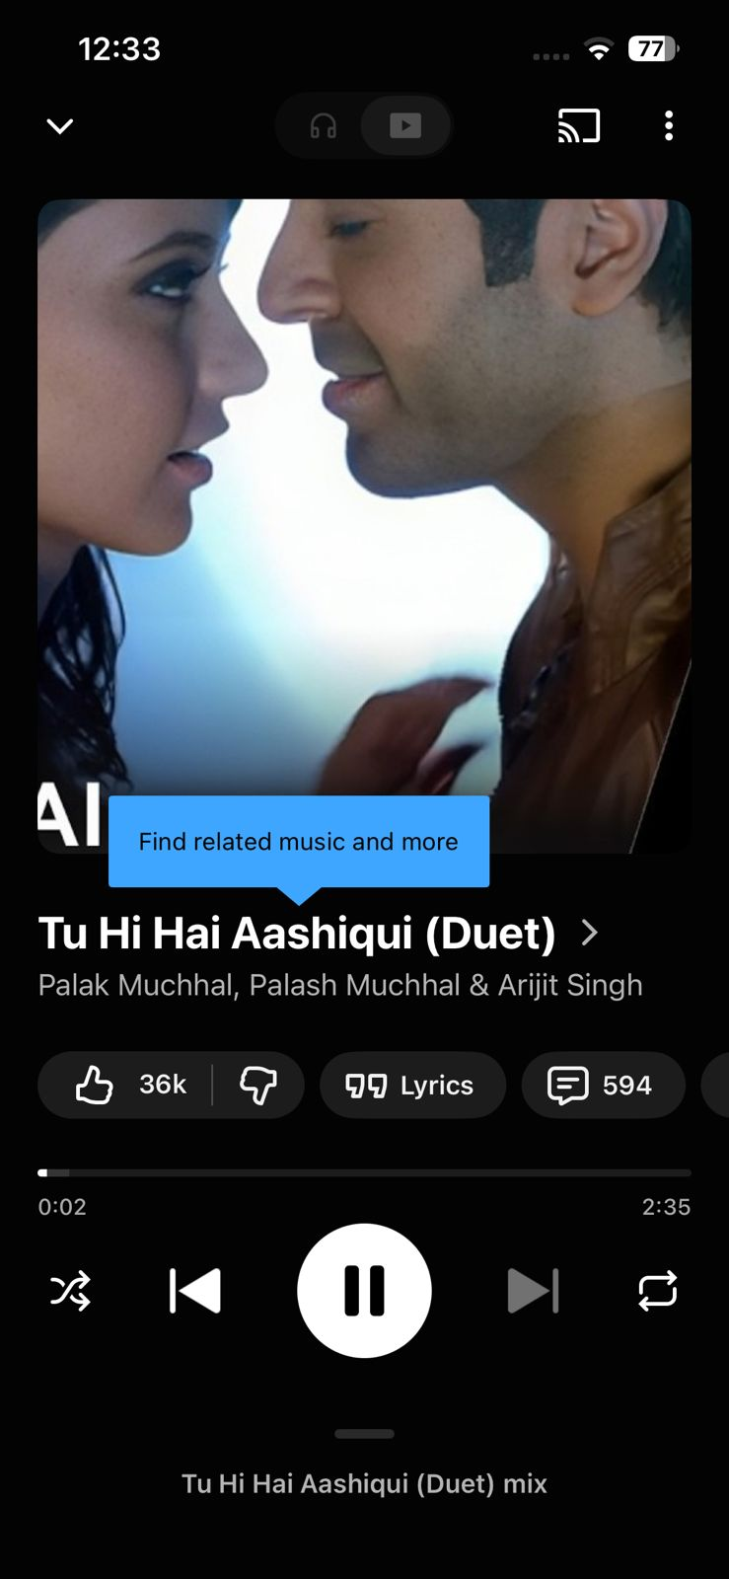
Secondary feature 1 | Create playlist and add songs | Pass | Playlist works normally, easy to add/remove songs | 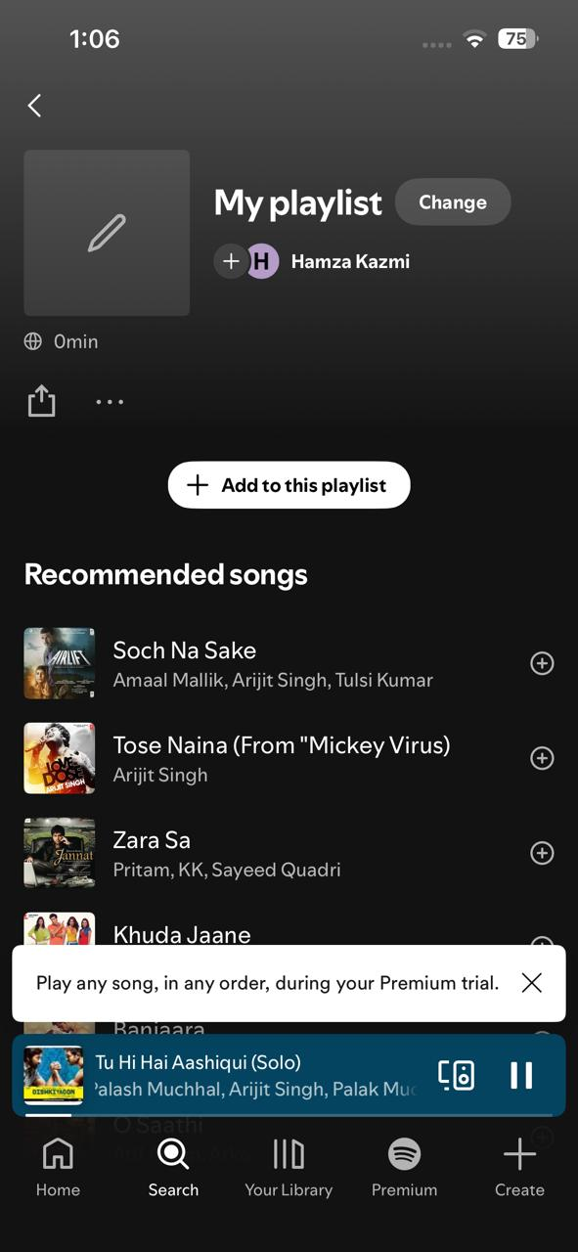
Secondary feature 2 | Try offline listening | Fail | Download feature not available in free version | 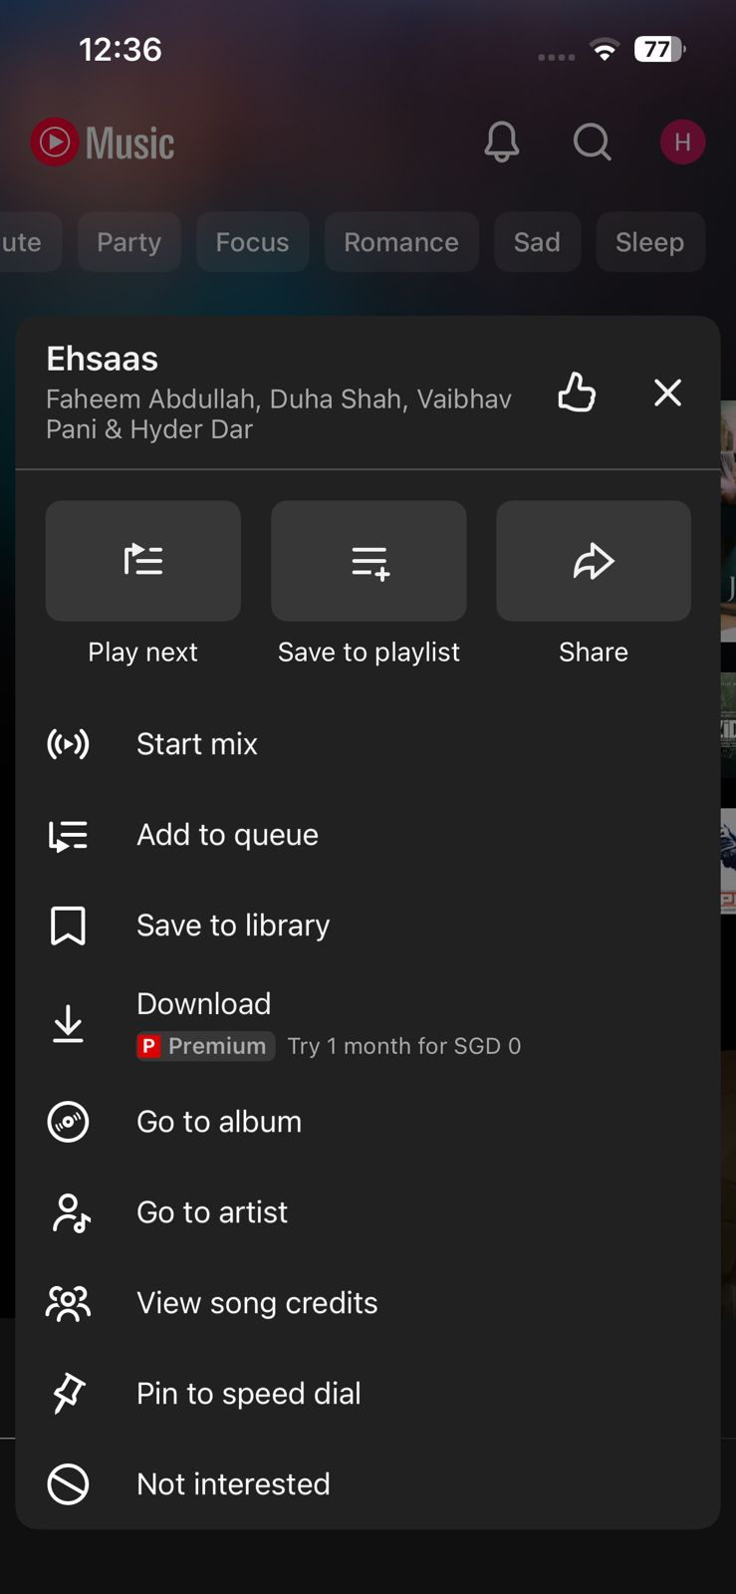
Error handling | Search empty or wrong song name | Pass | Shows suggestions or “no results found | 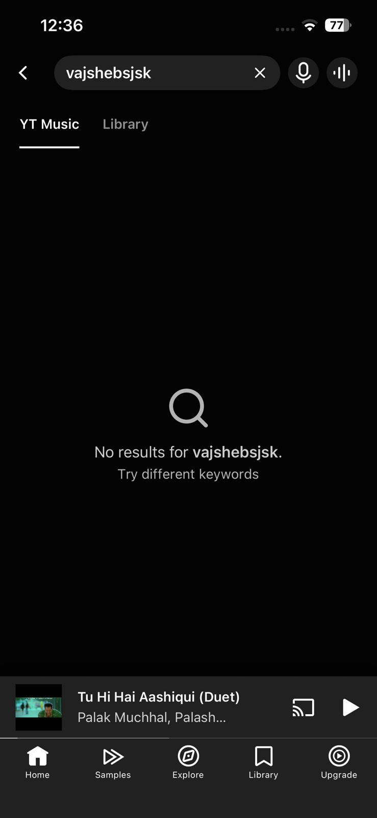
Edge case | Turn off internet while playing | Partial | Music stops unless already buffered; no offline access | 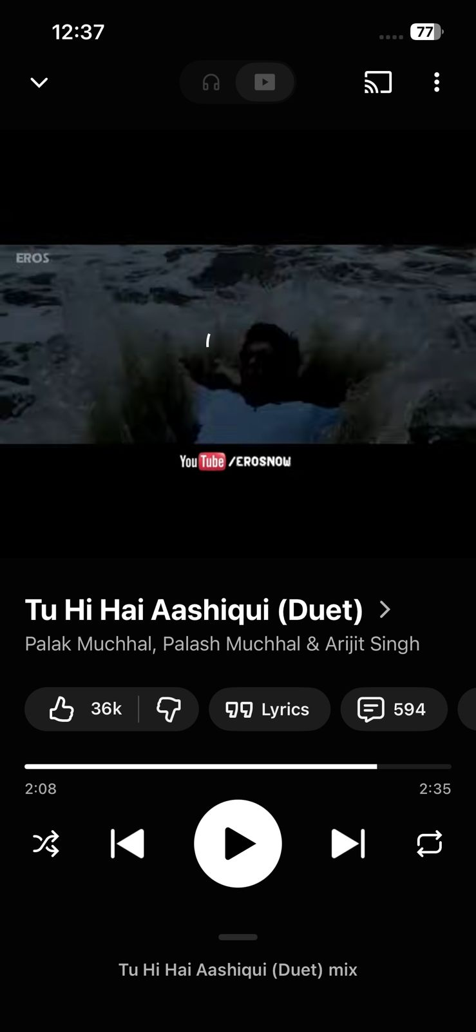
CHARACTERISTIC 1 RATING (1–5): |  |  | 4 | Justification:

B.3 CHARACTERISTIC 2 — Performance Efficiency (Weight: 12%)
Measurement | Test Method | Your Result | Target (Rating 4+) | Notes
Cold start time | Open app :fully loaded | 3 sec | < 3 seconds | load sucessfully
Key operation 1 (primary) | Search and play song | 2 sec | < 1 second | works properly
Key operation 2 (secondary) | Navigate playlist | 2 sec | < 2 seconds | Smooth scrolling and loading
Battery drain | Device Settings > Battery: % used in 10 min active use | 2 percent | < 3% | Video-based system uses slightly more battery
Slow network | Switch to 4G only / poor signal — time key operation | 4 sec | < 5 seconds | slow
Data usage | Device Settings > Data: MB used in 10 min active use | 10 mb | < 10 MB | Depends on quality settings
CHARACTERISTIC 2 RATING (1–5): |  |  | 4 | Justification:

B.4 CHARACTERISTIC 3 — Compatibility (Weight: 10%)
Compatibility Check | What to Look For | Result | Evidence / Screenshot | Notes
Min OS version | Check Play Store / App Store listing for minimum supported OS | pass | 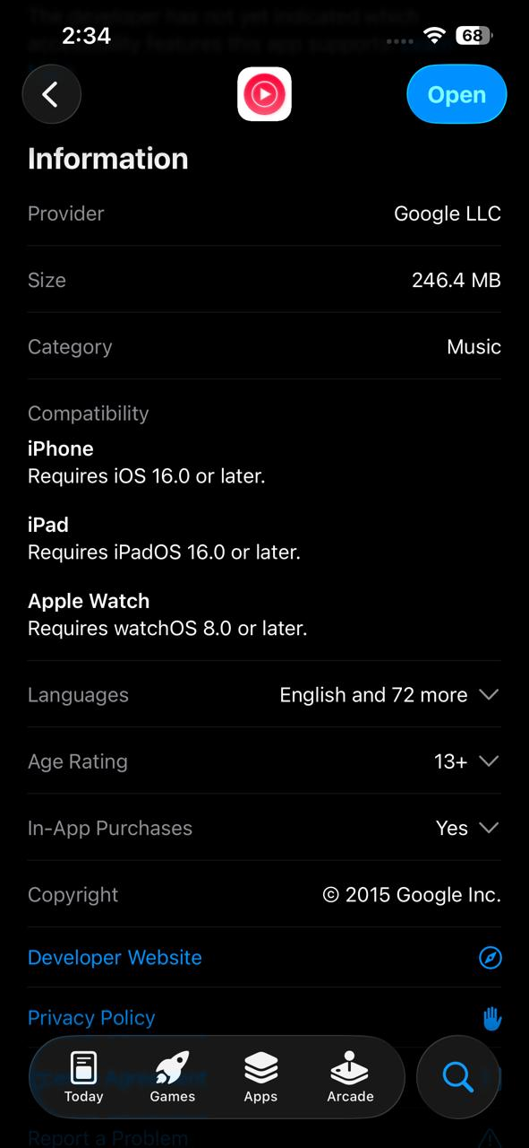 | iOs16.0
Platform availability | List all platforms: Android, iOS, Windows, macOS, Web, Linux | pass | 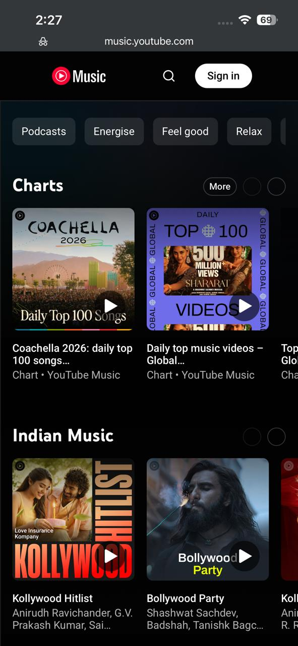 | available on all
Cross-device sync | Log in on a 2nd device — do data & settings appear? | pass |  | works with same account
Content sharing (in) | Can you share content FROM other apps INTO this app? | partial |  | Limited ability to import playlists
Content sharing (out) | Can you share content FROM this app to 3+ other apps? | pass | 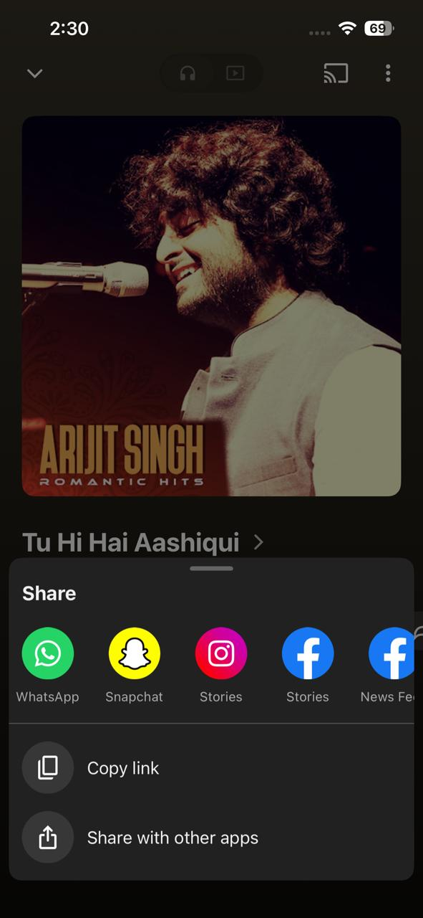 | Can share links easily (WhatsApp, etc.)
Dark mode support | Does the app respect your OS dark mode / accessibility settings? | pass |  | Fully supported
OS version compat. | Any features broken on your specific OS version? | pass |  | No major issues observed
CHARACTERISTIC 3 RATING (1–5): |  |  | 4 | Justification:

B.5 CHARACTERISTIC 4 — Usability (Weight: 15%)
Task | Task Description | Time (sec) | Errors Made | Completed?
Task 1 | Change setting (theme/notifications) | 15 sec | 0 | yes
Task 2 | Play a song for first time | 12 sec | 0 | yes
Task 3 | Find the Help or Support section | 18 sec | 0 | yes
Task 4 | share a song | 7 sec | 0 | yes
Task 5 | delete song from play list | 10 sec | 0 | yes
ADDITIONAL USABILITY CHECKS
UI Check | What to Evaluate | Observation | Rating Impact | Score
Error messages | Clear and helpful? | Basic but understandable | Medium | 3.5/5
Visual hierarchy | Important items clear? | Clean but slightly cluttered homepage | Medium | 3.5
Onboarding | Tutorial for new users? | Minimal | low | 3
Accessibility | Large text, contrast, etc. | Supports dark mode, decent readability | Medium | 4
CHARACTERISTIC 4 RATING (1–5): |  |  | 3 | Justification:

B.6 CHARACTERISTIC 5 — Reliability (Weight: 15%)
Check | What to Look For | Result | Evidence / Screenshot | Notes
10-min continuous use | Use app continuously for 10 minutes — note any crashes or freezes | Pass |  | Stable, no crashes
Airplane Mode test | Enable Airplane Mode mid-session — observe how app handles no connectivity | Partial |  | Music stops unless buffered
Reconnect recovery | Re-enable connectivity — does the app recover gracefully and sync data? | Pass |  | Recovers quickly
Force-close mid-task | Force-close the app mid-task — is your progress saved when you reopen? | Pass |  | Song resumes or reloads correctly
Server error messaging | Check if the app shows meaningful error messages when server is unreachable | Partial |  | Messages are basic, not very detailed
CHARACTERISTIC 5 RATING (1–5): |  |  | 4 | Justification:

B.7 CHARACTERISTIC 6 — Security (Weight: 15%)
Check | What to Look For | Result | Evidence / Screenshot | Notes
HTTPS / encryption | Check: does the app use HTTPS? (look for padlock in web version) | pass |  | Uses HTTPS for streaming and login
Permissions audit | Review permission list in OS settings — are all permissions justified by the app's purpose? | pass | 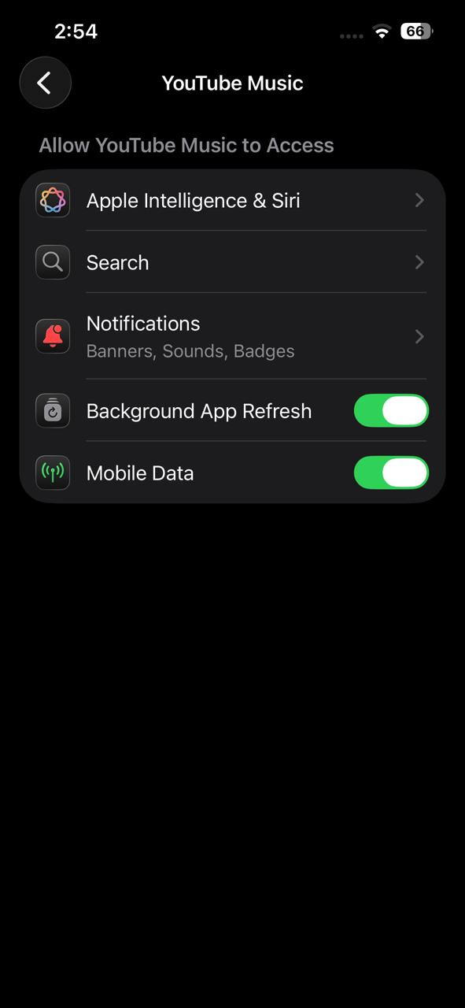 | Minimal permissions (storage, network)
2FA / biometrics | Check: is 2FA / biometric login available in settings? | pass |  | Uses Google account with 2FA support
Privacy policy review | Review Privacy Policy — what data is collected? Is it sold to third parties? | Partial | 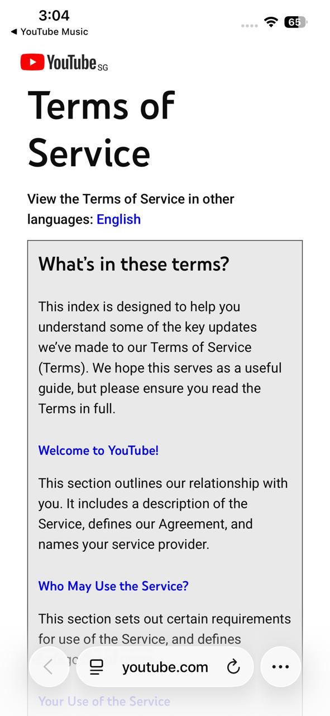 | Collects user data for recommendations
Login lockout | Test: what happens after 3 incorrect password attempts? | pass |  | Google account protection triggers
Auto-lock on inactivity | Check: does the app lock automatically after a period of inactivity? | Fail |  | No in-app lock feature
CHARACTERISTIC 6 RATING (1–5): |  |  | 4 | Justification:

B.8 CHARACTERISTIC 7 — Maintainability (Weight: 8%)
Check | What to Look For | Result | Evidence / Screenshot | Notes
Update frequency | Check app's update history: how frequently are updates released? | pass | 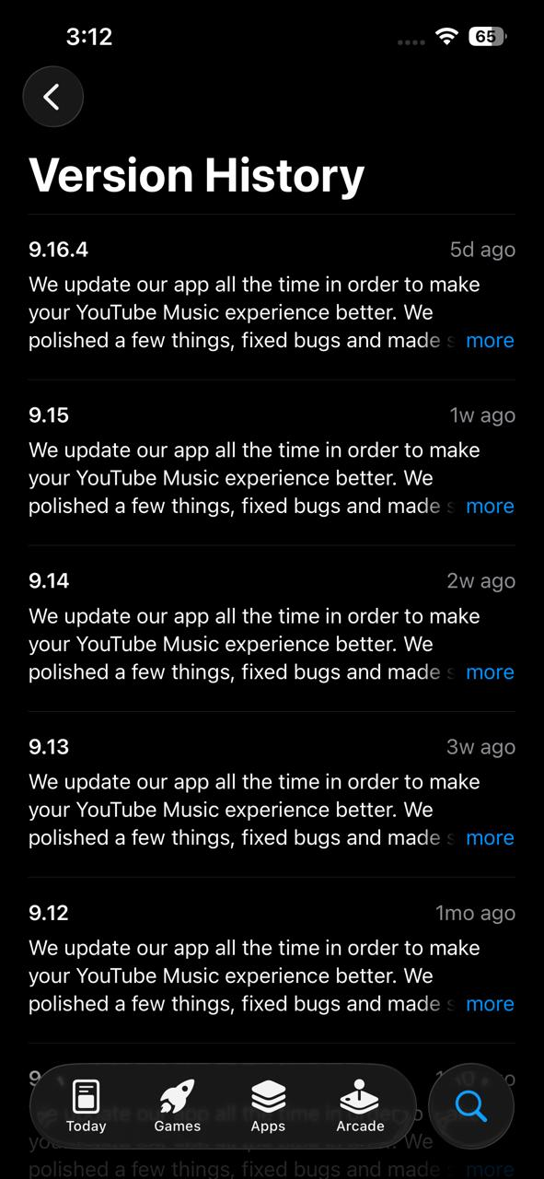 | Updated regularly by Google
Changelog quality | Read release notes / changelog: are bug fixes clearly documented with specific details? | Partial |  | Notes are brief, not detailed
Open bugs review | Check app store reviews mentioning long-standing unfixed bugs | Partial | 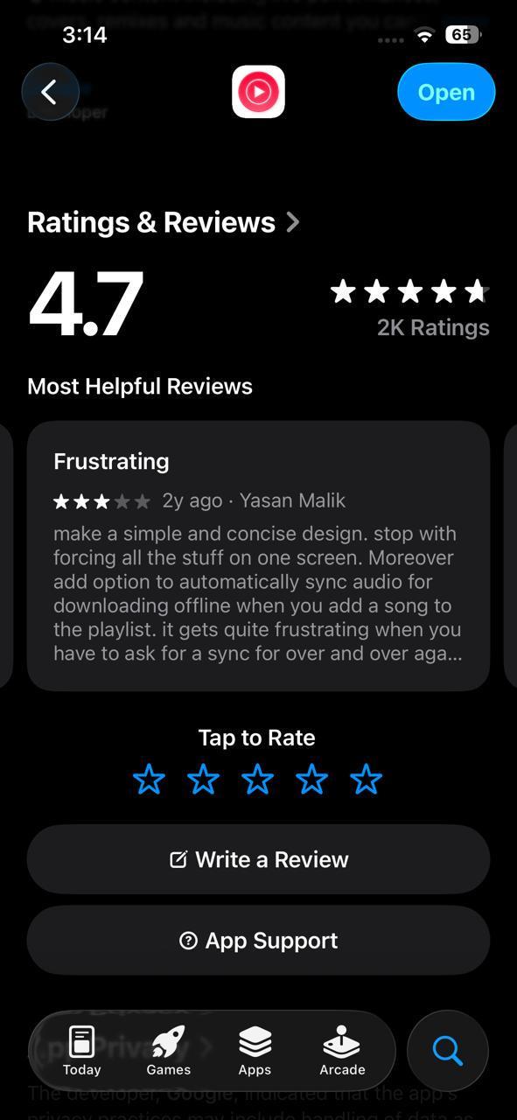 | Some complaints about bugs (ads, playback issues)
CVE response history | Note how quickly the developer responded to critical security vulnerabilities historically | pass |  | Google handles security updates quickly
Bug tracker / channel | Check if a public bug tracker or feedback channel exists | pass |  | In-app feedback available
CHARACTERISTIC 7 RATING (1–5): |  |  | 4 | Justification:

B.9 CHARACTERISTIC 8 — Portability (Weight: 10%)
Check | What to Look For | Result | Evidence / Screenshot | Notes
Platform support | Check which platforms app supports: iOS, Android, Windows, macOS, Web, Linux? | pass | 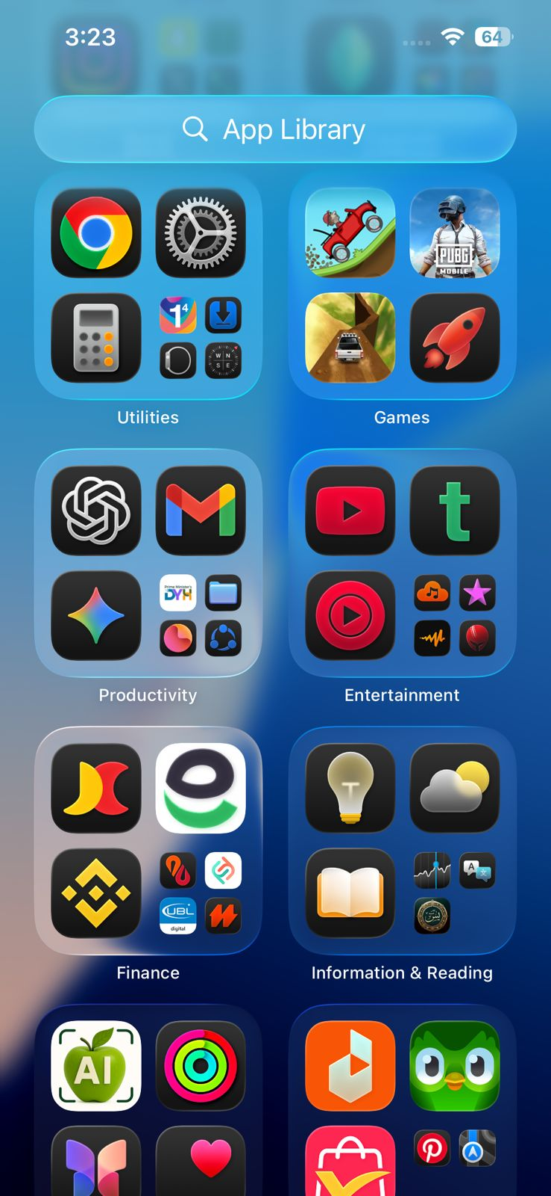 | Available on mobile and browser (no full desktop app)
Install / uninstall | Test installation and uninstallation process — is it clean with no residual files? | pass | 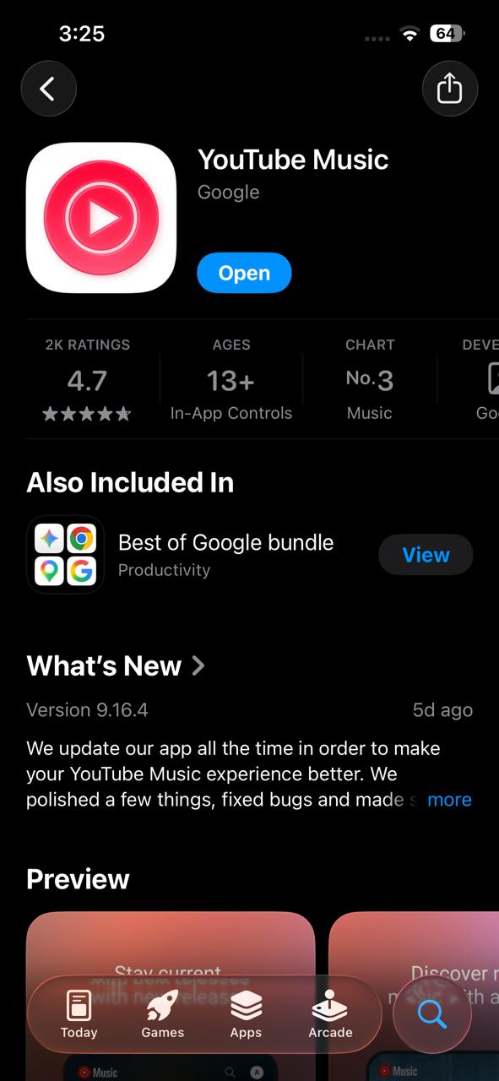 | Easy to install/uninstall via App Store
Cross-device data sync | Check if settings and data sync across devices automatically | pass |  | Sync via Google account
Accessibility sync | Verify the app respects system accessibility settings (font size, dark mode) | pass |  | Supports dark mode and basic accessibility
CHARACTERISTIC 8 RATING (1–5): |  |  | 4 | Justification:

📱 Structured — App 2
App 2 Evaluation (Characteristics 1–8)
50 min | Individual — use your own device | Min. 3 observations per characteristic

APP 2 METADATA
App 2 Name | spotify
Version Number | 9.1.42
Device Model | iphone 16e
OS Version | 26.3.1
Evaluation Date | 26-4-26
Start Time | 13:22:00

C.3 CHARACTERISTIC 1 — Functional Suitability (Weight: 15%)
Feature / Use Case to Test | How to Test | Pass / Fail / Partial | Notes | Evidence Screenshot
Primary core function | Play a song from search | partial | Works, but forced shuffle (mobile) and ads limit control | 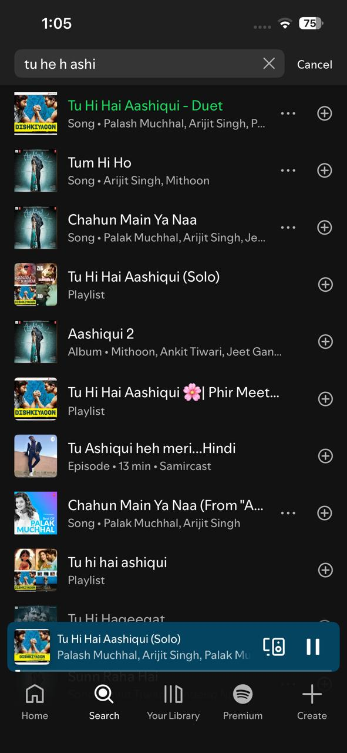
Secondary feature 1 | Create playlist | pass | Playlist creation is smooth and flexible
Secondary feature 2 | Try offline listening | fail | Requires premium subscription | 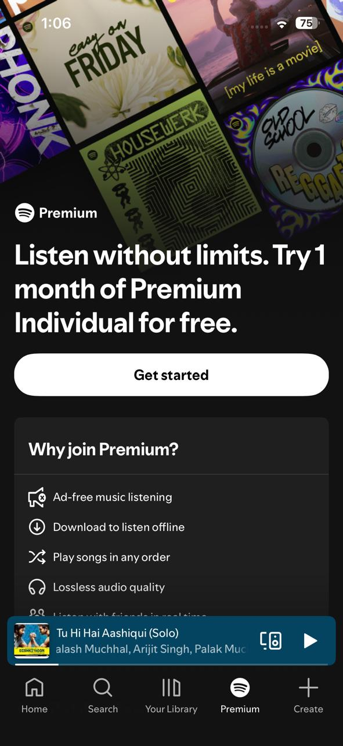
Error handling | Search invalid input | pass | Shows recommendations or no results | 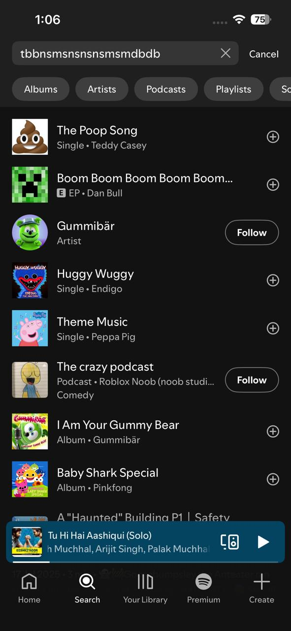
Edge case | No internet / long playlist | partial | Cannot play offline; large playlists work but shuffle-only | 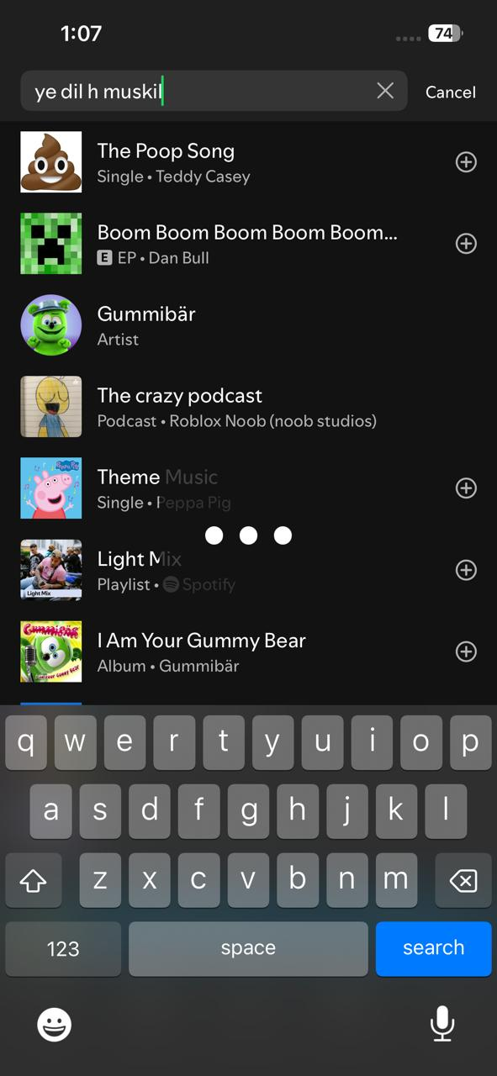
CHARACTERISTIC 1 RATING (1–5): |  |  | 3 | Justification:

C.4 CHARACTERISTIC 2 — Performance Efficiency (Weight: 12%)
Measurement | Test Method | Your Result | Target (Rating 4+) | Notes
Cold start time | Open app → fully loaded | 2 sec | < 3 seconds | faster than yoiitube music
Key operation 1 (primary) | Search and play song | 2 sec | < 1 second | fast response
Key operation 2 (secondary) | Open playlist | 1 sec | < 2 seconds | smooth and optimized UI
Battery drain | Device Settings > Battery: % used in 10 min active use | 2 percent | < 3% | efficient
Slow network | Switch to 4G only / poor signal — time key operation | 3 sec | < 5 seconds | slow
Data usage | Device Settings > Data: MB used in 10 min active use | 8MB | < 10 MB | lower than youtube music
CHARACTERISTIC 2 RATING (1–5): |  |  | 4 | Justification:

C.5 CHARACTERISTIC 3 — Compatibility (Weight: 10%)
Compatibility Check | What to Look For | Result | Evidence / Screenshot | Notes
Min OS version | Check Play Store / App Store listing for minimum supported OS | pass | 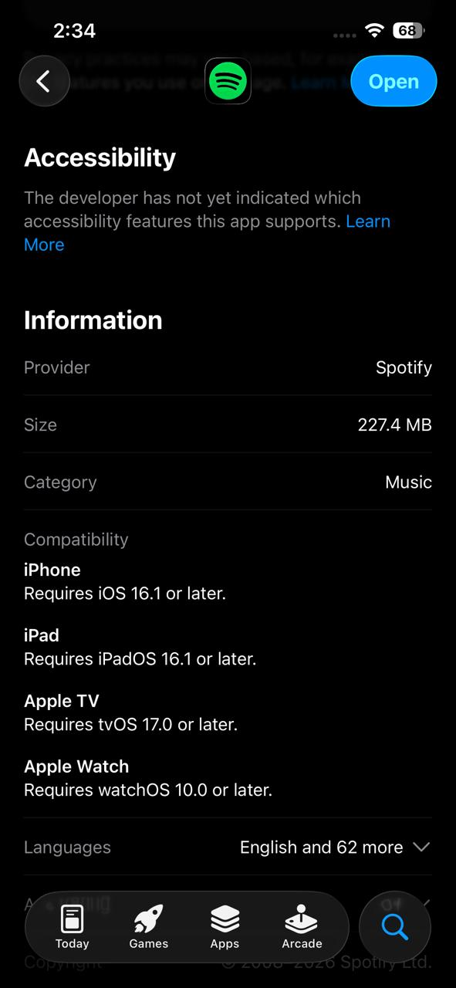 | iOS 16.1
Platform availability | List all platforms: Android, iOS, Windows, macOS, Web, Linux | pass | 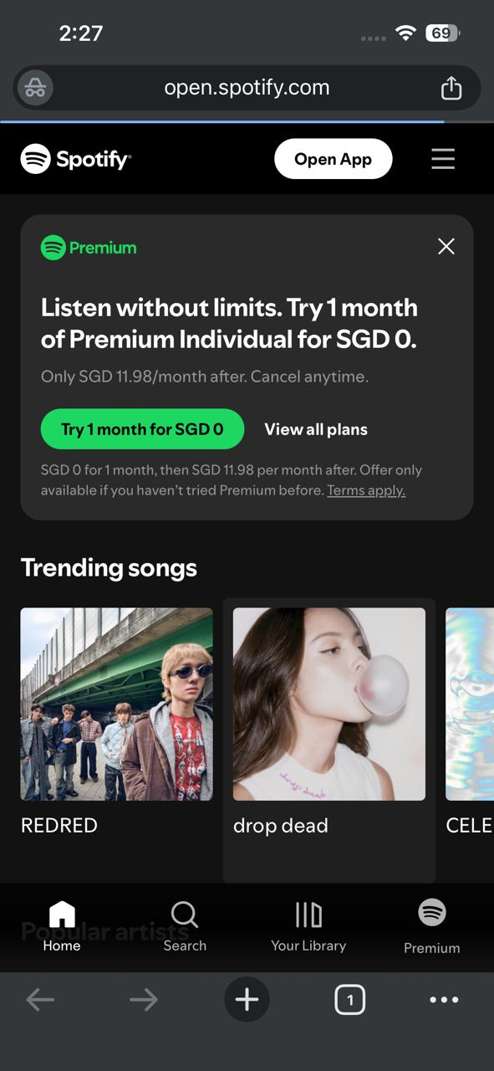 | available
Cross-device sync | Log in on a 2nd device — do data & settings appear? | pass |  | works with same account
Content sharing (in) | Can you share content FROM other apps INTO this app? | partial |  | Limited without third-party tools
Content sharing (out) | Can you share content FROM this app to 3+ other apps? | pass | 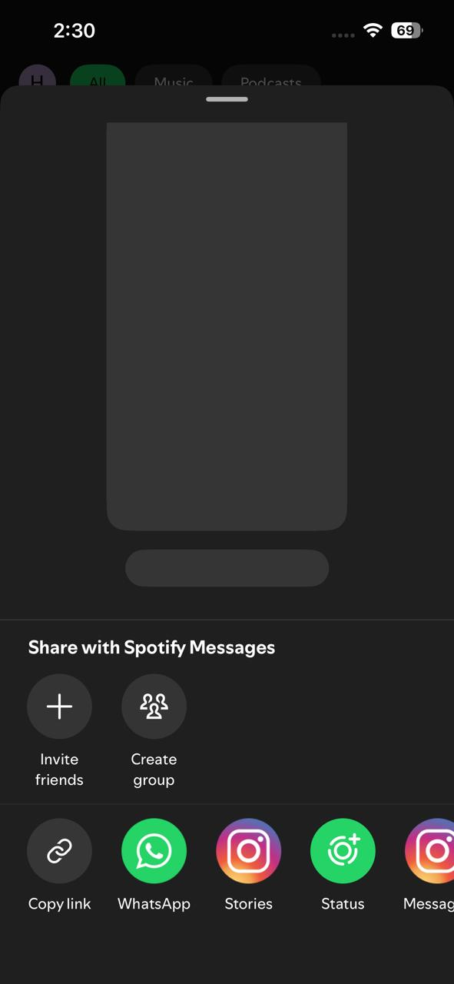 | Easy sharing via link, Instagram, WhatsApp
Dark mode support | Does the app respect your OS dark mode / accessibility settings? | pass |  | Default dark theme
OS version compat. | Any features broken on your specific OS version? | pass |  | No crashes or bugs observed
CHARACTERISTIC 3 RATING (1–5): |  |  | 5 | Justification:

C.6 CHARACTERISTIC 4 — Usability (Weight: 15%)
Task | Task Description | Time (sec) | Errors Made | Completed?
Task 1 | Change setting | 15 sec | 0 | yes
Task 2 | play song first time | 8 | 0 | yes
Task 3 | Find Help/Support | 16 | 0 | yes
Task 4 | Share a song | 9 | 0 | yes
Task 5 | Remove song from playlist | 10 | 0 | yes
ADDITIONAL USABILITY CHECKS
UI Check | What to Evaluate | Observation | Rating Impact | Score
Error messages | Clear and helpful? | Clear and user-friendly | Medium | 2026-04-05
Visual hierarchy | Important items clear? | Very clean and well-organized | high | 4.5
Onboarding | Tutorial for new users? | Good onboarding with suggestions | Medium | 4
Accessibility | Text, contrast, etc. | Strong dark mode and readability | Medium | 4
CHARACTERISTIC 4 RATING (1–5): |  |  | 4 | Justification:

C.7 CHARACTERISTIC 5 — Reliability (Weight: 15%)
Check | What to Look For | Result | Evidence / Screenshot | Notes
10-min continuous use | Use app continuously for 10 minutes — note any crashes or freezes | Pass |  | Very stable, no issues
Airplane Mode test | Enable Airplane Mode mid-session — observe how app handles no connectivity | partial |  | Playback stops (no offline in free)
Reconnect recovery | Re-enable connectivity — does the app recover gracefully and sync data? | pass |  | Recovers smoothly
Force-close mid-task | Force-close the app mid-task — is your progress saved when you reopen? | Pass |  | Returns to previous state
Server error messaging | Check if the app shows meaningful error messages when server is unreachable | Pass |  | Clearer and more user-friendly
CHARACTERISTIC 5 RATING (1–5): |  |  | 4 | Justification:

C.8 CHARACTERISTIC 6 — Security (Weight: 15%)
Check | What to Look For | Result | Evidence / Screenshot | Notes
HTTPS / encryption | Check: does the app use HTTPS? (look for padlock in web version) | pass |  | Uses HTTPS for all communication
Permissions audit | Review permission list in OS settings — are all permissions justified by the app's purpose? | pass | 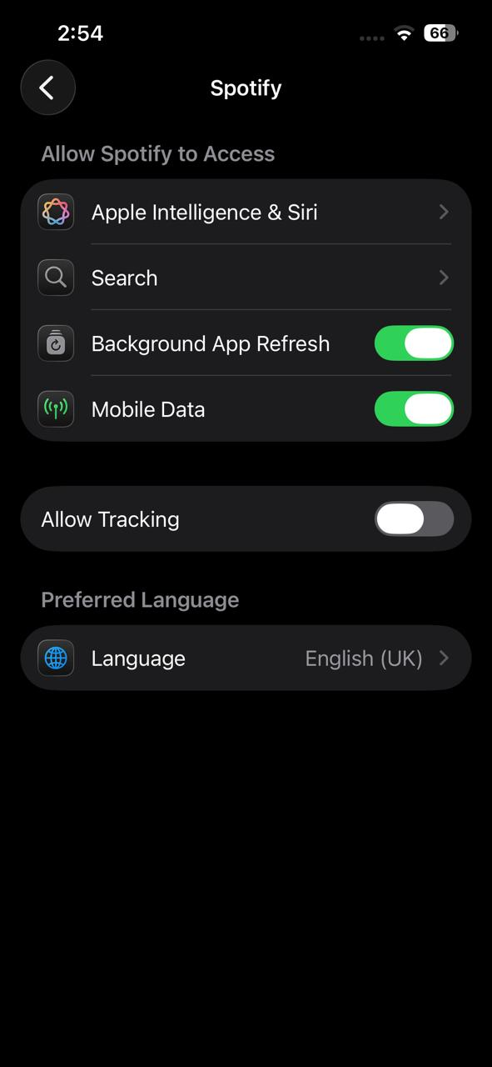 | Minimal permissions required
2FA / biometrics | Check: is 2FA / biometric login available in settings? | partial |  | No built-in 2FA for all users (depends on login method)
Privacy policy review | Review Privacy Policy — what data is collected? Is it sold to third parties? | partial | 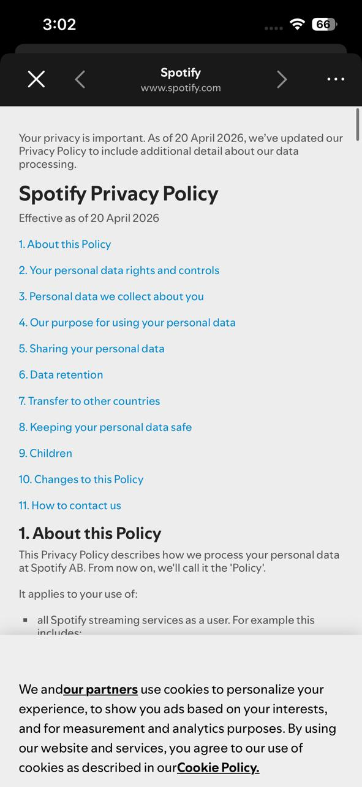 | Collects usage and listening data
Login lockout | Test: what happens after 3 incorrect password attempts? | pass |  | Protects against multiple attempts
Auto-lock on inactivity | Check: does the app lock automatically after a period of inactivity? | fail |  | No app lock available
CHARACTERISTIC 6 RATING (1–5): |  |  | 3 | Justification:

C.9 CHARACTERISTIC 7 — Maintainability (Weight: 8%)
Check | What to Look For | Result | Evidence / Screenshot | Notes
Update frequency | Check app's update history: how frequently are updates released? | pass | 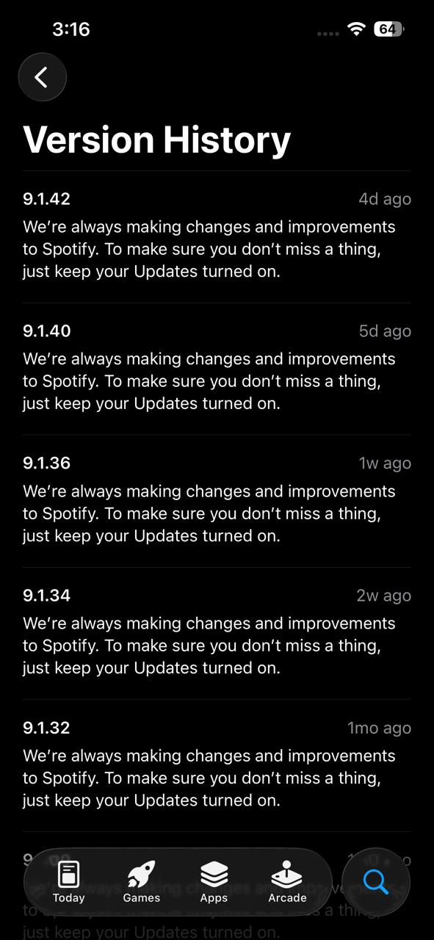 | Very frequent updates
Changelog quality | Read release notes / changelog: are bug fixes clearly documented with specific details? | partial |  | Notes are generic (“bug fixes & improvements”)
Open bugs review | Check app store reviews mentioning long-standing unfixed bugs | pass | 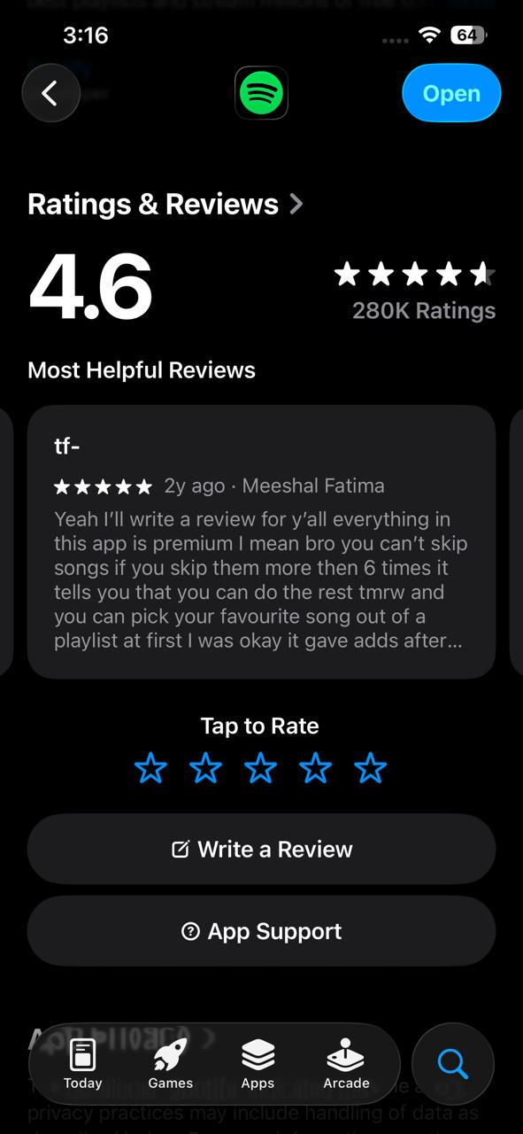 | Fewer critical complaints overall
CVE response history | Note how quickly the developer responded to critical security vulnerabilities historically | pass |  | Quick response to issues
Bug tracker / channel | Check if a public bug tracker or feedback channel exists | pass |  | Strong support + community forums
CHARACTERISTIC 7 RATING (1–5): |  |  | 4 | Justification:

C.10 CHARACTERISTIC 8 — Portability (Weight: 10%)
Check | What to Look For | Result | Evidence / Screenshot | Notes
Platform support | Check which platforms app supports: iOS, Android, Windows, macOS, Web, Linux? | pass | 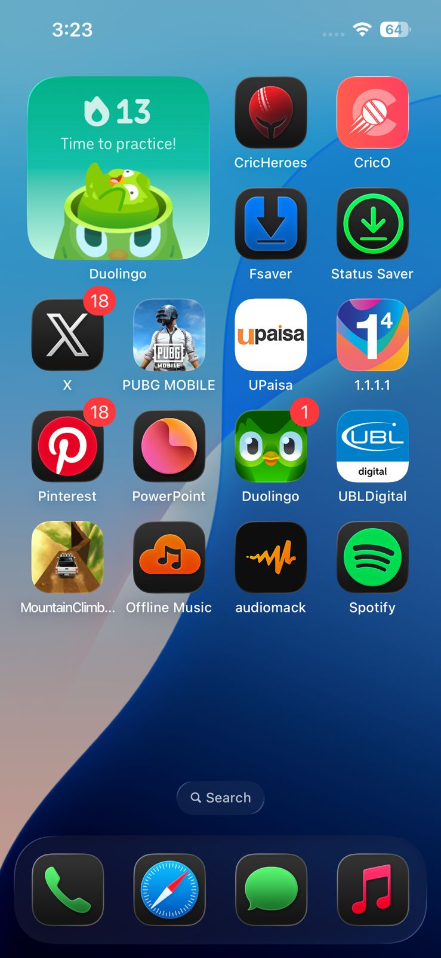 | Available on all major platforms
Install / uninstall | Test installation and uninstallation process — is it clean with no residual files? | pass | 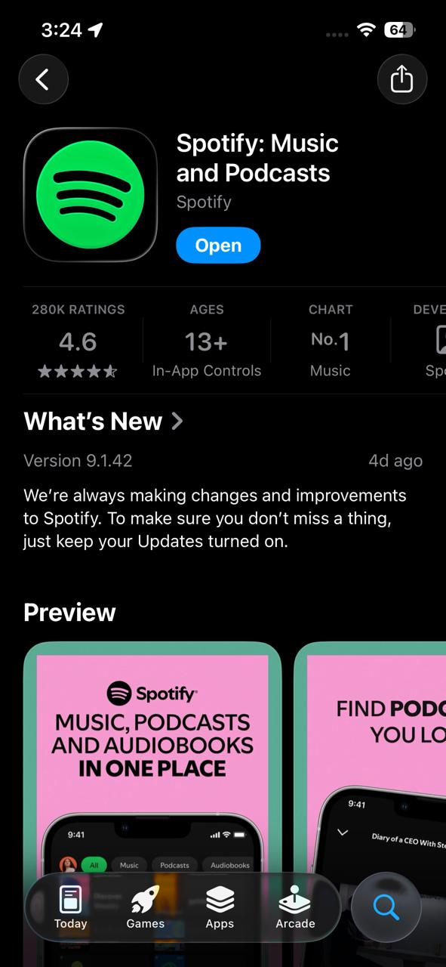 | Simple and quick installation
Cross-device data sync | Check if settings and data sync across devices automatically | pass |  | Seamless sync across all devices
Accessibility sync | Verify the app respects system accessibility settings (font size, dark mode) | Pass |  | Good support for accessibility settings
CHARACTERISTIC 8 RATING (1–5): |  |  | 5 | Justification:

