Cover sheet
You can use Bloomberg directly to get some information.

Implied vols:
For individual equities; AAPL Us Equity OVM
For indices; S&P 500 INDEX Index OVM
Then you can vary moneyness, maturity and also change the date (very useful) |  | You can also see the implied vols in more detail
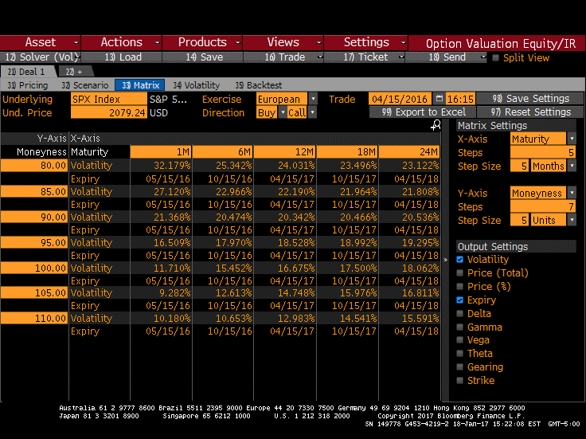
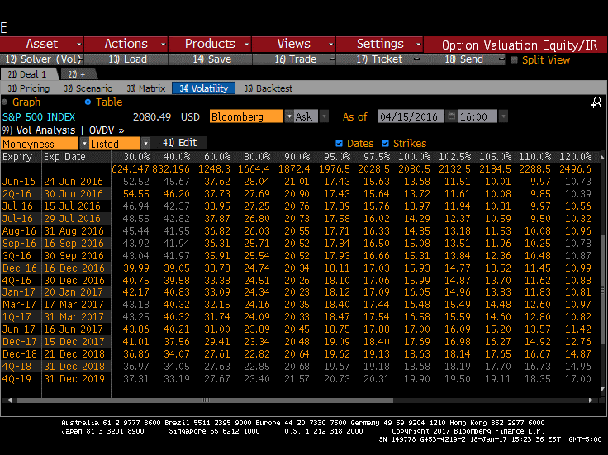

Risk-free rates
SWDF then select US and option 1)
Click on 'Curve Analysis'
This gives zero and discount factors and you can also select historical dates if you wish
I would advise using the discount factors as otherwise you have to deal with day counts.
You can also export to excel (see interest rates tab)

Dividend yields
For current dividend estimates you can use:
For individual equities; AAPL Us Equity OPDF

But this cannot give you the historical dividend yield forecasts - for these you have to use the below methods

Finally
The OVME command autimates a lot of this for you but it is very much a 'Black box' approach which I would discourage
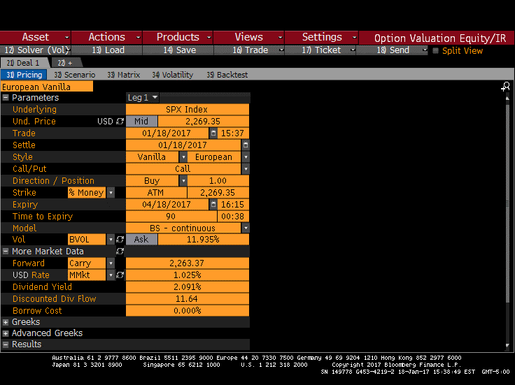

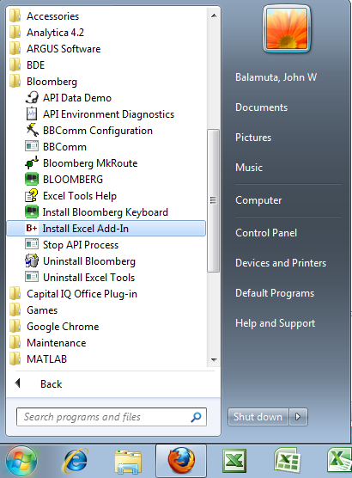
Or you can use the built in tool in Excel |  |  | •Windows button
 |  |  | à All Programs
Add the Bloomberg add-in to excel: |  |  | à Bloomberg
 |  |  | à Install Excel Add-In
 |  |  | •When you see the pop-up window below, click Install
 |  |  | •Close Excel; re-open Excel

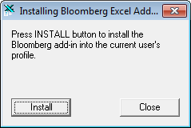

Stage 2:
You'll need to find the commands that you are looking for (I show you the Implied vols here) these are found in real time historical, here:
You will need to look for your ticker, e.g. "AAPL US Equity" and then select the information you would need
e.g. "12MTH_IMPVOL_100.0%MNY_DF" will give you the at the money volatility for the next 12 months
(See AAPL sheet)
For things like dividend yields you may need to look around in the data a little more! | '=BDH(Ticker,Command,Date)

Then simply use the commands in Excel:
e.g. =BDH(AAPL Us equity, 12MTH_IMPVOL_100.0%MNY_DF, 1/1/2016)

Interest rates
Mty/Pay | Market Rate | Spot Rate (Not cont comp) | Discount | Source
03/16/2016 | 0.51775 | 0.51775 | 0.99869295366 | Cash
04/20/2016 | 0.57476117118 | 0.56794644128 | 0.99804841923 | Future Rate
05/18/2016 | 0.61452525477 | 0.58233028184 | 0.99754785612 | Future Rate
Get the implied continuously compounded rate from here
06/15/2016 | 0.65925324467 | 0.5988083845 | 0.99703145488 | Future Rate
07/20/2016 | 0.70383251976 | 0.62863731844 | 0.99627591267 | Future Rate
08/17/2016 | 0.7434468417 | 0.64825064625 | 0.99567671233 | Future Rate
09/21/2016 | 0.79793933654 | 0.67437005272 | 0.99487042898 | Future Rate
12/21/2016 | 0.94614351705 | 0.7442197876 | 0.99249673354 | Future Rate
03/15/2017 | 1.0940814052 | 0.80992462333 | 0.98996948339 | Future Rate
06/21/2017 | 1.2262960282 | 0.88801822688 | 0.9866757129 | Future Rate
09/20/2017 | 1.3631436854 | 0.95928300729 | 0.98328757499 | Future Rate
12/20/2017 | 1.4845929075 | 1.0269044326 | 0.97961136688 | Future Rate
03/21/2018 | 1.6006198558 | 1.0912350951 | 0.97566382004 | Future Rate
06/20/2018 | 1.6962281588 | 1.1548323079 | 0.97149833842 | Future Rate
09/19/2018 | 1.7864339151 | 1.2153246491 | 0.96713105702 | Future Rate
12/19/2018 | 1.8662421956 | 1.2714242473 | 0.96259009068 | Future Rate
12/16/2019 | 1.444341898 | 1.4524248749 | 0.94375653213 | Swap
12/16/2020 | 1.6019903421 | 1.6144445369 | 0.92274886627 | Swap
12/16/2021 | 1.7414349318 | 1.7591224614 | 0.90024721064 | Swap
12/16/2022 | 1.860221386 | 1.8834857642 | 0.87701861763 | Swap
12/18/2023 | 1.9599436522 | 1.9887492438 | 0.85348777503 | Swap
12/16/2024 | 2.0458962917 | 2.0803381173 | 0.83005495106 | Swap
12/16/2025 | 2.1216247082 | 2.1617731859 | 0.80652744368 | Swap
12/16/2026 | 2.1745250225 | 2.2183800542 | 0.78452377759 | Swap
12/16/2027 | 2.2455523014 | 2.297031618 | 0.76027664573 | Swap
12/16/2030 | 2.3694808483 | 2.4336494781 | 0.69569475707 | Swap
12/17/2035 | 2.4894661903 | 2.5677118904 | 0.60028866938 | Swap
12/17/2040 | 2.546984911 | 2.6300249069 | 0.52032940727 | Swap
12/18/2045 | 2.5799808502 | 2.6645572339 | 0.45192630605 | Swap
12/16/2055 | 2.6001377106 | 2.6747217288 | 0.34548788324 | Swap
12/16/2065 | 2.5820529461 | 2.6254811701 | 0.27138988044 | Swap

