RQ1-1&2 exception analysis
 |  |  |  |  |  |  |  | RelatedVarType |  |  |  |  | RelatedCondType |  |  |  |  | key API
version | ETS (exception) | exception type | exception-thrown method | msgWithsS | msgWithoutsS | notNullMsg | version | Unknown | Empty | Parameter | Field | ParaAndField | version | Basic | NotReturn | Empty | ConditionLengthSum | hasBackwardParamCaller | backwardParamCallerNum | hasKeyAPISameClassNum | keyAPISameClassNum | hasKeyAPIDiffClassNum | keyAPIDiffClassNum | hasKeyAPI | keyAPINum | exception
VER 2.3 | 1643 | 67 | 1153 | 417 | 921 | 1338 | 2.3 | 154 | 57 | 768 | 310 | 359 | 2.3 | 1477 | 21 | 148 | 4299 | 457 | 2419 | 614 | 7416 | 545 | 34868 | 643 | 42284 | 1643
VER 4.4 | 3622 | 91 | 2536 | 913 | 1996 | 2909 | 4.4 | 260 | 233 | 1614 | 736 | 784 | 4.4 | 3221 | 31 | 373 | 8913 | 947 | 4846 | 1411 | 19142 | 1177 | 86925 | 1482 | 106067 | 3622
VER 5.0 | 4875 | 105 | 3480 | 1151 | 2741 | 3892 | 5 | 355 | 317 | 2282 | 1004 | 922 | 5 | 4311 | 35 | 532 | 11461 | 1230 | 6647 | 1823 | 25146 | 1461 | 122175 | 1875 | 147321 | 4875
VER 6.0 | 5566 | 113 | 3810 | 1397 | 3203 | 4600 | 6 | 416 | 178 | 2741 | 1134 | 1102 | 6 | 5090 | 34 | 445 | 14376 | 1557 | 8466 | 2033 | 31016 | 1676 | 143642 | 2115 | 174658 | 5566
VER 7.0 | 7179 | 124 | 5106 | 1551 | 3411 | 4962 | 7 | 1040 | 208 | 3064 | 1520 | 1352 | 7 | 6069 | 46 | 1067 | 17099 | 1767 | 9722 | 2632 | 77942 | 2213 | 184307 | 2732 | 262249 | 7179
VER 8.0 | 8203 | 144 | 5782 | 1761 | 3880 | 5641 | 8 | 1244 | 255 | 3462 | 1703 | 1544 | 8 | 6889 | 47 | 1270 | 20026 | 2018 | 11946 | 2984 | 94870 | 2555 | 232579 | 3100 | 327449 | 8203
VER 9.0 | 9425 | 174 | 6626 | 1944 | 4431 | 6375 | 9 | 1567 | 335 | 3842 | 1927 | 1759 | 9 | 7731 | 51 | 1646 | 22463 | 2271 | 12973 | 3369 | 113103 | 2916 | 288215 | 3511 | 401318 | 9425
VER 10.0 | 10385 | 176 | 7415 | 2071 | 4846 | 6917 | 10 | 1867 | 350 | 4246 | 2102 | 1825 | 10 | 8457 | 56 | 1875 | 23850 | 2373 | 13701 | 3599 | 124471 | 3026 | 344782 | 3738 | 469253 | 10385
VER 11.0 | 11632 | 192 | 8523 | 2144 | 5755 | 7899 | 11 | 2131 | 427 | 4394 | 2825 | 1860 | 11 | 9476 | 71 | 2088 | 25947 | 2469 | 14673 | 4367 | 146118 | 3157 | 372483 | 4496 | 518601 | 11632
VER 12.0 | 13717 | 199 | 9651 | 2362 | 7254 | 9616 | 12 | 2353 | 474 | 5655 | 3274 | 1966 | 12 | 11351 | 70 | 2299 | 31186 | 3503 | 16880 | 4882 | 179491 | 3611 | 459824 | 5080 | 639315 | 13717
 |  |  |  |  |  |  |  |  |  |  |  |  |  |  |  |  |  | 1859 | 10227 | 2771 | 81872 | 2234 | 226980 | 2877 | 308852 | 7625
 | 7624.7 |  |  | 15711 |  | 54149 |  | Unknown | Empty | Parameter | Field | ParaAndField |  | Basic | NotReturn
 |  |  | 0.29940725748 | 0.29014386231 |  |  |  | 1139 | 283 | 3207 | 1654 | 1347 |  | 6407 | 46
 |  |  |  |  |  |  |  | 11387 | 2834 | 32068 | 16535 | 13473 | 76297.00 | 64072 | 462 | 64534.00
 |  |  |  |  |  |  |  | 0.15 | 0.04 | 0.42 | 0.22 | 0.18 |  | 0.9928 | 0.0072

RQ1-2 condition length
1
1
1
1
1
1
1
1
1
1
1
1
1
1
1
1
1
1
1
1
1
1
1
1
1
1
1
1
1
1
1
1
1
1
1
1
1
1
1
1
1
1
1
1
1
1
1
1
1
1
1
1
1
1
1
1
1
1
1
1
1
1
1
1
1
1
1
1
1
1
1
1
1
1
1
1
1
1
1
1
1
1
1
1
1
1
1
1
1
1
1
1
1
1
1
1
1
1
1
1
1
1
1
1
1
1
1
1
1
1
1
1
1
1
1
1
1
1
1
1
1
1
1
1
1
1
1
1
1
1
1
1
1
1
1
1
1
1
1
1
1
1
1
1
1
1
1
1
1
1
1
1
1
1
1
1
1
1
1
1
1
1
1
1
1
1
1
1
1
1
1
1
1
1
1
1
1
1
1
1
1
1
1
1
1
1
1
1
1
1
1
1
1
1
1
1
1
1
1
1
1
1
1
1
1
1
1
1
1
1
1
1
1
1
1
1
1
1
1
1
1
1
1
1
1
1
1
1
1
1
1
1
1
1
1
1
1
1
1
1
1
1
1
1
1
1
1
1
1
1
1
1
1
1
1
1
1
1
1
1
1
1
1
1
1
1
1
1
1
1
1
1
1
1
1
1
1
1
1
1
1
1
1
1
1
1
1
1
1
1
1
1
1
1
1
1
1
1
1
1
1
1
1
1
1
1
1
1
1
1
1
1
1
1
1
1
1
1
1
1
1
1
1
1
1
1
1
1
1
1
1
1
1
1
1
1
1
1
1
1
1
1
1
1
1
1
1
1
1
1
1
1
1
1
1
1
1
1
1
1
1
1
1
1
1
1
1
1
1
1
1
1
1
1
1
1
1
1
1
1
1
1
1
1
1
1
1
1
1
1
1
1
1
1
1
1
1
1
1
1
1
1
1
1
1
1
1
1
1
1
1
1
1
1
1
1
1
1
1
1
1
1
1
1
1
1
1
1
1
1
1
1
1
1
1
1
1
1
1
1
1
1
1
1
1
1
1
1
1
1
1
1
1
1
1
1
1
1
1
1
1
1
1
1
1
1
1
1
1
1
1
1
1
1
1
1
1
1
1
1
1
1
1
1
1
1
1
1
1
1
1
1
1
1
1
1
1
1
1
1
1
1
1
1
1
1
1
1
1
1
1
1
1
1
1
1
1
1
1
1
1
1
1
1
1
1
1
1
1
1
1
1
1
1
1
1
1
1
1
1
1
1
1
1
1
1
1
1
1
1
1
1
1
1
1
1
1
1
1
1
1
1
1
1
1
1
1
1
1
1
1
1
1
1
1
1
1
1
1
1
1
1
1
1
1
1
1
1
1
1
1
1
1
1
1
1
1
1
1
1
1
1
1
1
1
1
1
1
1
1
1
1
1
1
1
1
1
1
1
1
1
1
1
1
1
1
1
1
1
1
1
1
1
1
1
1
1
1
1
1
1
1
1
1
1
1
1
1
1
1
1
1
1
1
1
1
1
1
1
1
1
1
1
1
1
1
1
1
1
1
1
1
1
1
1
1
1
1
1
1
1
1
1
1
1
1
1
1
1
1
1
1
1
1
1
1
1
1
1
1
1
1
1
1
1
1
1
1
1
1
1
1
1
1
1
1
1
1
1
1
1
1
1
1
1
1
1
1
1
1
1
1
1
1
1
1
1
1
1
1
1
1
1
1
1
1
1
1
1
1
1
1
1
1
1
1
1
1
1
1
1
1
1
1
1
1
1
1
1
1
1
1
1
1
1
1
1
1
1
1
1
1
1
1
1
1
1
1
1
1
1
1
1
1
1
1
1
1
1
1
1
1
1
1
1
1
1
1
1
1
1
1
1
1
1
1
1
1
1
1
1
1
1
1
1
1
1
1
1
1
1
1
1
1
1
1
1
1
1
1
1
1
1
1
1
1
1
1
1
1
1
1
1
1
1
1
1
1
1
1
1
1
1
1
1
1
1
1
1
1
1
1
1
1
1
1
1
1
1
1
1
1
1
1
1
1
1
1
1
1
1
1
1
1
1
1
1
1
1
1
1
1
1
1
1
1
1
1
1
1
1
1
1
1
1
1
1
1
1
1
1
1
1
1
1
1
1
1
1
1
1
1
1
1
1
1
1
1
1
1
1
1
1
1
1
1
1
1
1
1
1
1
1
1
1
1
1
1
1
1
1
1
1
1
1
1
1
1
1
1
1
1
1
1
1
1
1
1
1
1
1
1
1
1
1
1
1
1
1
1
1
1
1
1
1
1
1
1
1
1
1
1
1
1
1
1
1
1
1
1
1
1
1
1
1
1
1
1
1
1
1
1
1
1
1
1
1
1
1
1
1
1
1
1
1
1
1
1
1
1
1
1
1
1
1
1
1
1
1
1
1
1
1
1
1
1
1
1
1
1
1
1
1
1
1
1
1
1
1
1
1
1
1
1
1
1
1
1
1
1
1
1
1
1
1
1
1
1
1
1
1
1
1
1
1
1
1
1
1
1
1
1
1
1
1
1
1
1
1
1
1
1
1
1
1
1
1
1
1
1
1
1
1
1
1
1
1
1
1
1
1
1
1
1
1
1
1
1
1
1
1
1
1
1
1
1
1
1
1
1
1
1
1
1
1
1
1
1
1
1
1
1
1
1
1
1
1
1
1
1
1
1
1
1
1
1
1
1
1
1
1
1
1
1
1
1
1
1
1
1
1
1
1
1
1
1
1
1
1
1
1
1
1
1
1
1
1
1
1
1
1
1
1
1
1
1
1
1
1
1
1
1
1
1
1
1
1
1
1
1
1
1
1
1
1
1
1
1
1
1
1
1
1
1
1
1
1
1
1
1
1
1
1
1
1
1
1
1
1
1
1
1
1
1
1
1
1
1
1
1
1
1
1
1
1
1
1
1
1
1
1
1
1
1
1
1
1
1
1
1
1
1
1
1
1
1
1
1
1
1
1
1
1
1
1
1
1
1
1
1
1
1
1
1
1
1
1
1
1
1
1
1
1
1
1
1
1
1
1
1
1
1
1
1
1
1
1
1
1
1
1
1
1
1
1
1
1
1
1
1
1
1
1
1
1
1
1
1
1
1
1
1
1
1
1
1
1
1
1
1
1
1
1
1
1
1
1
1
1
1
1
1
1
1
1
1
1
1
1
1
1
1
1
1
1
1
1
1
1
1
1
1
1
1
1
1
1
1
1
1
1
1
1
1
1
1
1
1
1
1
1
1
1
1
1
1
1
1
1
1
1
1
1
1
1
1
1
1
1
1
1
1
1
1
1
1
1
1
1
1
1
1
1
1
1
1
1
1
1
1
1
1
1
1
1
1
1
1
1
1
1
1
1
1
1
1
1
1
1
1
1
1
1
1
1
1
1
1
1
1
1
1
1
1
1
1
1
1
1
1
1
1
1
1
1
1
1
1
1
1
1
1
1
1
1
1
1
1
1
1
1
1
1
1
1
1
1
1
1
1
1
1
1
1
1
1
1
1
1
1
1
1
1
1
1
1
1
1
1
1
1
1
1
1
1
1
1
1
1
1
1
1
1
1
1
1
1
1
1
1
1
1
1
1
1
1
1
1
1
1
1
1
1
1
1
1
1
1
1
1
1
1
1
1
1
1
1
1
1
1
1
1
1
1
1
1
1
1
1
1
1
1
1
1
1
1
1
1
1
1
1
1
1
1
1
1
1
1
1
1
1
1
1
1
1
1
1
1
1
1
1
1
1
1
1
1
1
1
1
1
1
1
1
1
1
1
1
1
1
1
1
1
1
1
1
1
1
1
1
1
1
1
1
1
1
1
1
1
1
1
1
1
1
1
1
1
1
1
1
1
1
1
1
1
1
1
1
1
1
1
1
1
1
1
1
1
1
1
1
1
1
1
1
1
1
1
1
1
1
1
1
1
1
1
1
1
1
1
1
1
1
1
1
1
1
1
1
1
1
1
1
1
1
1
1
1
1
1
1
1
1
1
1
1
1
1
1
1
1
1
1
1
1
1
1
1
1
1
1
1
1
1
1
1
1
1
1
1
1
1
1
1
1
1
1
1
1
1
1
1
1
1
1
1
1
1
1
1
1
1
1
1
1
1
1
1
1
1
1
1
1
1
1
1
1
1
1
1
1
1
1
1
1
1
1
1
1
1
1
1
1
1
1
1
1
1
1
1
1
1
1
1
1
1
1
1
1
1
1
1
1
1
1
1
1
1
1
1
1
1
1
1
1
1
1
1
1
1
1
1
1
1
1
1
1
1
1
1
1
1
1
1
1
1
1
1
1
1
1
1
1
1
1
1
1
1
1
1
1
1
1
1
1
1
1
1
1
1
1
1
1
1
1
1
1
1
1
1
1
1
1
1
1
1
1
1
1
1
1
1
1
1
1
1
1
1
1
1
1
1
1
1
1
1
1
1
1
1
1
1
1
1
1
1
1
1
1
1
1
1
1
1
1
1
1
1
1
1
1
1
1
1
1
1
1
1
1
1
1
1
1
1
1
1
1
1
1
1
1
1
1
1
1
1
1
1
1
1
1
1
1
1
1
1
1
1
1
1
1
1
1
1
1
1
1
1
1
1
1
1
1
1
1
1
1
1
1
1
1
1
1
1
1
1
1
1
1
1
1
1
1
1
1
1
1
1
1
1
1
1
1
1
1
1
1
1
1
1
1
1
1
1
1
1
1
1
1
1
1
1
1
1
1
1
1
1
1
1
1
1
1
1
1
1
1
1
1
1
1
1
1
1
1
1
1
1
1
1
1
1
1
1
1
1
1
1
1
1
1
1
1
1
1
1
1
1
1
1
1
1
1
1
1
1
1
1
1
1
1
1
1
1
1
1
1
1
1
1
1
1
1
1
1
1
1
1
1
1
1
1
1
1
1
1
1
1
1
1
1
1
1
1
1
1
1
1
1
1
1
1
1
1
1
1
1
1
1
1
1
1
1
1
1
1
1
1
1
1
1
1
1
1
1
1
1
1
1
1
1
1
1
1
1
1
1
1
1
1
1
1
1
1
1
1
1
1
1
1
1
1
1
1
1
1
1
1
1
1
1
1
1
1
1
1
1
1
1
1
1
1
1
1
1
1
1
1
1
1
1
1
1
1
1
1
1
1
1
1
1
1
1
1
1
1
1
1
1
1
1
1
1
1
1
1
1
1
1
1
1
1
1
1
1
1
1
1
1
1
1
1
1
1
1
1
1
1
1
1
1
1
1
1
1
1
1
1
1
1
1
1
1
1
1
1
1
1
1
1
1
1
1
1
1
1
1
1
1
1
1
1
1
1
1
1
1
1
1
1
1
1
1
1
1
1
1
1
1
1
1
1
1
1
1
1
1
1
1
1
1
1
1
1
1
1
1
1
1
1
1
1
1
1
1
1
1
1
1
1
1
1
1
1
1
1
1
1
1
1
1
1
1
1
1
1
1
1
1
1
1
1
1
1
1
1
1
1
1
1
1
1
1
1
1
1
1
1
1
1
1
1
1
1
1
1
1
1
1
1
1
1
1
1
1
1
1
1
1
1
1
1
1
1
1
1
1
1
1
1
1
1
1
1
1
1
1
1
1
1
1
1
1
1
1
1
1
1
1
1
1
1
1
1
1
1
1
1
1
1
1
1
1
1
1
1
1
1
1
1
1
1
1
1
1
1
1
1
1
1
1
1
1
1
1
1
1
1
1
1
1
1
1
1
1
1
1
1
1
1
1
1
1
1
1
1
1
1
1
1
1
1
1
1
1
1
1
1
1
1
1
1
1
1
1
1
1
1
1
1
1
1
1
1
1
1
1
1
1
1
1
1
1
1
1
1
1
1
1
1
1
1
1
1
1
1
1
1
1
1
1
1
1
1
1
1
1
1
1
1
1
1
1
1
1
1
1
1
1
1
1
1
1
1
1
1
1
1
1
1
1
1
1
1
1
1
1
1
1
1
1
1
1
1
1
1
1
1
1
1
1
1
1
1
1
1
1
1
1
1
1
1
1
1
1
1
1
1
1
1
1
1
1
1
1
1
1
1
1
1
1
1
1
1
1
1
1
1
1
1
1
1
1
1
1
1
1
1
1
1
1
1
1
1
1
1
1
1
1
1
1
1
1
1
1
1
1
1
1
1
1
1
1
1
1
1
1
1
1
1
1
1
1
1
1
1
1
1
1
1
1
1
1
1
1
1
1
1
1
1
1
1
1
1
1
1
1
1
1
1
1
1
1
1
1
1
1
1
1
1
1
1
1
1
1
1
1
1
1
1
1
1
1
1
1
1
1
1
1
1
1
1
1
1
1
1
1
1
1
1
1
1
1
1
1
1
1
1
1
1
1
1
1
1
1
1
1
1
1
1
1
1
1
1
1
1
1
1
1
1
1
1
1
1
1
1
1
1
1
1
1
1
1
1
1
1
1
1
1
1
1
1
1
1
1
1
1
1
1
1
1
1
1
1
1
1
1
1
1
1
1
1
1
1
1
1
1
1
1
1
1
1
1
1
1
1
1
1
1
1
1
1
1
1
1
1
1
1
1
1
1
1
1
1
1
1
1
1
1
1
1
1
1
1
1
1
1
1
1
1
1
1
1
1
1
1
1
1
1
1
1
1
1
1
1
1
1
1
1
1
1
1
1
1
1
1
1
1
1
1
1
1
1
1
1
1
1
1
1
1
1
1
1
1
1
1
1
1
1
1
1
1
1
1
1
1
1
1
1
1
1
1
1
1
1
1
1
1
1
1
1
1
1
1
1
1
1
1
1
1
1
1
1
1
1
1
1
1
1
1
1
1
1
1
1
1
1
1
1
1
1
1
1
1
1
1
1
1
1
1
1
1
1
1
1
1
1
1
1
1
1
1
1
1
1
1
1
1
1
1
1
1
1
1
1
1
1
1
1
1
1
1
1
1
1
1
1
1
1
1
1
1
1
1
1
1
1
1
1
1
1
1
1
1
1
1
1
1
1
1
1
1
1
1
1
1
1
1
1
1
1
1
1
1
1
1
1
1
1
1
1
1
1
1
1
1
1
1
1
1
1
1
1
1
1
1
1
1
1
1
1
1
1
1
1
1
1
1
1
1
1
1
1
1
1
1
1
1
1
1
1
1
1
1
1
1
1
1
1
1
1
1
1
1
1
1
1
1
1
1
1
1
1
1
1
1
1
1
1
1
1
1
1
1
1
1
1
1
1
1
1
1
1
1
1
1
1
1
1
1
1
1
1
1
1
1
1
1
1
1
1
1
1
1
1
1
1
1
1
1
1
1
1
1
1
1
1
1
1
1
1
1
1
1
1
1
1
1
1
1
1
1
1
1
1
1
1
1
1
1
1
1
1
1
1
1
1
1
1
1
1
1
1
1
1
1
1
1
1
1
1
1
1
1
1
1
1
1
1
1
1
1
1
1
1
1
1
1
1
1
1
1
1
1
1
1
1
1
1
1
1
1
1
1
1
1
1
1
1
1
1
1
1
1
1
1
1
1
1
1
1
1
1
1
1
1
1
1
1
1
1
1
1
1
1
1
1
1
1
1
1
1
1
1
1
1
1
1
1
1
1
1
1
1
1
1
1
1
1
1
1
1
1
1
1
1
1
1
1
1
1
1
1
1
1
1
1
1
1
1
1
1
1
1
1
1
1
1
1
1
1
1
1
1
1
1
1
1
1
1
1
1
1
1
1
1
1
1
1
1
1
1
1
1
1
1
1
1
1
1
1
1
1
1
1
1
1
1
1
1
1
1
1
1
1
1
1
1
1
1
1
1
1
1
1
1
1
1
1
1
1
1
1
1
1
1
1
1
1
1
1
1
1
1
1
1
1
1
1
1
1
1
1
1
1
1
1
1
1
1
1
1
1
1
1
1
1
1
1
1
1
1
1
1
1
1
1
1
1
1
1
1
1
1
1
1
1
1
1
1
1
1
1
1
1
1
1
1
1
1
1
1
1
1
1
1
1
1
1
1
1
1
1
1
1
1
1
1
1
1
1
1
1
1
1
1
1
1
1
1
1
1
1
1
1
1
1
1
1
1
1
1
1
1
1
1
1
1
1
1
1
1
1
1
1
1
1
1
1
1
1
1
1
1
1
1
1
1
1
1
1
1
1
1
1
1
1
1
1
1
1
1
1
1
1
1
1
1
1
1
1
1
1
1
1
1
1
1
1
1
1
1
1
1
1
1
1
1
1
1
1
1
1
1
1
1
1
1
1
1
1
1
1
1
1
1
1
1
1
1
1
1
1
1
1
1
1
1
1
1
1
1
1
1
1
1
1
1
1
1
1
1
1
1
1
1
1
1
1
1
1
1
1
1
1
1
1
1
1
1
1
1
1
1
1
1
1
1
1
1
1
1
1
1
1
1
1
1
1
1
1
1
1
1
1
1
1
1
1
1
1
1
1
1
1
1
1
1
1
1
1
1
1
1
1
1
1
1
1
1
1
1
1
1
1
1
1
1
1
1
1
1
1
1
1
1
1
1
1
1
1
1
1
1
1
1
1
1
1
1
1
1
1
1
1
1
1
1
1
1
1
1
1
1
1
1
1
1
1
1
1
1
1
1
1
1
1
1
1
1
1
1
1
1
1
1
1
1
1
1
1
1
1
1
1
1
1
1
1
1
1
1
1
1
1
1
1
1
1
1
1
1
1
1
1
1
1
1
1
1
1
1
1
1
1
1
1
1
1
1
1
1
1
1
1
1
1
1
1
1
1
1
1
1
1
1
1
1
1
1
1
1
1
1
1
1
1
1
1
1
1
1
1
1
1
1
1
1
1
1
1
1
1
1
1
1
1
1
1
1
1
1
1
1
1
1
1
1
1
1
1
1
1
1
1
1
1
1
1
1
1
1
1
1
1
1
1
1
1
1
1
1
1
1
1
1
1
1
1
1
1
1
1
1
1
1
1
1
1
1
1
1
1
1
1
1
1
1
1
1
1
1
1
1
1
1
1
1
1
1
1
1
1
1
1
1
1
1
1
1
1
1
1
1
1
1
1
1
1
1
1
1
1
1
1
1
1
1
1
1
1
1
1
1
1
1
1
1
1
1
1
1
1
1
1
1
1
1
1
1
1
1
1
1
1
1
1
1
1
1
1
1
1
1
1
1
1
1
1
1
1
1
1
1
1
1
1
1
1
1
1
1
1
1
1
1
1
1
1
1
1
1
1
1
1
1
1
1
1
1
1
1
1
1
1
1
1
1
1
1
1
1
1
1
1
1
1
1
1
1
1
1
1
1
1
1
1
1
1
1
1
1
1
1
1
1
1
1
1
1
1
1
1
1
1
1
1
1
1
1
1
1
1
1
1
1
1
1
1
1
1
1
1
1
1
1
1
1
1
1
1
1
1
1
1
1
1
1
1
1
1
1
1
1
1
1
1
1
1
1
1
1
1
1
1
1
1
1
1
1
1
1
1
1
1
1
1
1
1
1
1
1
1
1
1
1
1
1
1
1
1
1
1
1
1
1
1
1
1
1
1
1
1
1
1
1
1
1
1
1
1
1
1
1
1
1
1
1
1
1
1
1
1
1
1
1
1
1
1
1
1
1
1
1
1
1
1
1
1
1
1
1
1
1
1
1
1
1
1
1
1
1
1
1
1
1
1
1
1
1
1
1
1
1
1
1
1
1
1
1
1
1
1
1
1
1
1
1
1
1
1
1
1
1
1
1
1
1
1
1
1
1
1
1
1
1
1
1
1
1
1
1
1
1
1
1
1
1
1
1
1
1
1
1
1
1
1
1
1
1
1
1
1
1
1
1
1
1
1
1
1
1
1
1
1
1
1
1
1
1
1
1
1
1
1
1
1
1
1
1
1
1
1
1
1
1
1
1
1
1
1
1
1
1
1
1
1
1
1
1
1
1
1
1
1
1
1
1
1
1
1
1
1
1
1
1
1
1
1
1
1
1
1
1
1
1
1
1
1
1
1
1
1
1
1
1
1
1
1
1
1
1
1
1
1
1
1
1
1
1
1
1
1
1
1
1
1
1
1
1
1
1
1
1
1
1
1
1
1
1
1
1
1
1
1
1
1
1
1
1
1
1
1
1
1
1
1
1
1
1
1
1
1
1
1
1
1
1
1
1
1
1
1
1
1
1
1
1
1
1
1
1
1
1
1
1
1
1
1
1
1
1
1
1
1
1
1
1
1
1
1
1
1
1
1
1
1
1
1
1
1
1
1
1
1
1
1
1
1
1
1
1
1
1
1
1
1
1
1
1
1
1
1
1
1
1
1
1
1
1
1
1
1
1
1
1
1
1
1
1
1
1
1
1
1
1
1
1
1
1
1
1
1
1
1
1
1
1
1
1
1
1
1
1
1
1
1
1
1
1
1
1
1
1
1
1
1
1
1
1
1
1
1
1
1
1
1
1
1
1
1
1
1
1
1
1
1
1
1
1
1
1
1
1
1
1
1
1
1
1
1
1
1
1
1
1
1
1
1
1
1
1
1
1
1
1
1
1
1
1
1
1
1
1
1
1
1
1
1
1
1
1
1
1
1
1
1
1
1
1
1
1
1
1
1
1
1
1
1
1
1
1
1
1
1
1
1
1
1
1
1
1
1
1
1
1
1
1
1
1
1
1
1
1
1
1
1
1
1
1
1
1
1
1
1
1
1
1
1
1
1
1
1
1
1
1
1
1
1
1
1
1
1
1
1
1
1
1
1
1
1
1
1
1
1
1
1
1
1
1
1
1
1
1
1
1
1
1
1
1
1
1
1
1
1
1
1
1
1
1
1
1
1
1
1
1
1
1
1
1
1
1
1
1
1
1
1
1
1
1
1
1
1
1
1
1
1
1
1
1
1
1
1
1
1
1
1
1
1
1
1
1
1
1
1
1
1
1
1
1
1
1
1
1
1
1
1
1
1
1
1
1
1
1
1
1
1
1
1
1
1
1
1
1
1
1
1
1
1
1
1
1
1
1
1
1
1
1
1
1
1
1
1
1
1
1
1
1
1
1
1
1
1
1
1
1
1
1
1
1
1
1
1
1
1
1
1
1
1
1
1
1
1
1
1
1
1
1
1
1
1
1
1
1
1
1
1
1
1
1
1
1
1
1
1
1
1
1
1
1
1
1
1
1
1
1
1
1
1
1
1
1
1
1
1
1
1
1
1
1
1
1
1
1
1
1
1
1
1
1
1
1
1
1
1
1
1
1
1
1
1
1
1
1
1
1
1
1
1
1
1
1
1
1
1
1
1
1
1
1
1
1
1
1
1
1
1
1
1
1
1
1
1
1
1
1
1
1
1
1
1
1
1
1
1
1
1
1
1
1
1
1
1
1
1
1
1
1
1
1
1
1
1
1
1
1
1
1
1
1
1
1
...
1
22
22
22
22
22
22
22
22
22
22
22
22
22
22
22
23
23
23
23
23
23
23
23
23
23
23
23
23
23
23
23
23
23
23
23
23
23
23
23
23
23
23
23
24
24
24
25
25
25
25
Condition length
 | 1
 | 1
 | 1
 | 1
 | 1
 | 1
 | 1
 | 1
 | 1
 | 1
 | 1
 | 1
 | 1
 | 1
 | 1
 | 1
 | 1
 | 1
 | 1
 | 1
 | 1
 | 1
 | 1
 | 1
 | 1
 | 1
 | 1
 | 1
 | 1
 | 1
 | 1
 | 1
 | 1
 | 1
 | 1
 | 1
 | 1
 | 1
 | 1
 | 1
 | 1
 | 1
 | 1
 | 1
 | 1
 | 1
 | 1
 | 1
 | 1
 | 1
...
25
25
25
25
25
25
26
26
26
26
26
26
26
26
26
26
26
26
26
26
26
27
27
31
31
44
44 | 超过10 | 1914
44 | 共有 | 76247 | 0.025102626989
44
45

2.7842018787

RQ1-2 type&category
Ranking-Data-0831-3cond.txt | Only keyVar | Only keyAPI | keyVar+keyAPI | No CondVar | No OutsideVar
All | 304 | 58 | 59 | 6 | 153 | 580
Cate C | 8 | 5 | 11 | 0 | 22 | 46
Cate B | 2 | 14 | 16 | 4 | 20 | 56
Cate A | 294 | 39 | 32 | 2 | 111 | 478

RQ4 efficiency
framework

android-10.0.txt:ExceptionInfoClient time = 597 seconds | 597
android-11.0.txt:ExceptionInfoClient time = 719 seconds | 719
android-12.0.txt:ExceptionInfoClient time = 924 seconds | 924
android-2.3.txt:ExceptionInfoClient time = 46 seconds | 46
android-4.4.txt:ExceptionInfoClient time = 95 seconds | 95
android-5.0.txt:ExceptionInfoClient time = 132 seconds | 132
android-6.0.txt:ExceptionInfoClient time = 161 seconds | 161
android-7.0.txt:ExceptionInfoClient time = 240 seconds | 240
android-8.0.txt:ExceptionInfoClient time = 291 seconds | 291
android-9.0.txt:ExceptionInfoClient time = 468 seconds | 468
 | 367.3 | 6.1216666667
 | 3673

multi version
 |  | v2 | v4 | v5 | v6 | v7 | v8 | v9 | v10 | v11 | v12 | v2-v4 | v4-v5 | v5-v6 | v6-v7 | v7-v8 | v8-v9 | v9-v10 | v10-v11 | v11-v12

me.zuiq.android.app27-176 | android.graphics.Typeface.createFromAsset | unknown | unknown | ParaAndField | ParaAndField | FieldOnly | FieldOnly | ParameterOnly | ParameterOnly | ParameterOnly | ParameterOnly | 0 | -1 | 0 | -1 | 0 | -1 | 0 | 0 | 0 | -3
mobi.infolife.ezweather.widget.armedheroes-384 | android.graphics.Typeface.createFromAsset | unknown | unknown | ParaAndField | ParaAndField | FieldOnly | FieldOnly | ParameterOnly | ParameterOnly | ParameterOnly | ParameterOnly | 0 | -1 | 0 | -1 | 0 | -1 | 0 | 0 | 0 | -3
au.com.tapstyle-344 | android.graphics.Typeface.createFromAsset | unknown | unknown | ParaAndField | ParaAndField | FieldOnly | FieldOnly | ParameterOnly | ParameterOnly | ParameterOnly | ParameterOnly | 0 | -1 | 0 | -1 | 0 | -1 | 0 | 0 | 0 | -3 |  | 287次变动
com.ftbpro.app-240 | android.location.LocationManager.checkListener | unknown | ParameterOnly | ParameterOnly | ParameterOnly | ParameterOnly | ParameterOnly | ParameterOnly | ParameterOnly | unknown | unknown | -1 | 0 | 0 | 0 | 0 | 0 | 0 | -1 | 0 | -2
tkstudio.wachatbotlite-368 | android.view.ViewRootImpl.setView | unknown | FieldOnly | FieldOnly | FieldOnly | FieldOnly | FieldOnly | FieldOnly | FieldOnly | ParaAndField | ParaAndField | -1 | 0 | 0 | 0 | 0 | 0 | 0 | -1 | 0 | -2
com.blizzardscale.befemall-102 | android.view.ViewRootImpl.setView | unknown | FieldOnly | FieldOnly | FieldOnly | FieldOnly | FieldOnly | FieldOnly | FieldOnly | ParaAndField | ParaAndField | -1 | 0 | 0 | 0 | 0 | 0 | 0 | -1 | 0 | -2
com.poterion.logbook-400 | android.app.FragmentManagerImpl.execPendingActions | unknown | FieldOnly | FieldOnly | FieldOnly | FieldOnly | unknown | unknown | unknown | unknown | unknown | -1 | 0 | 0 | 0 | -1 | 0 | 0 | 0 | 0 | -2
com.heuser.helidroid_full-420 | android.view.ViewRootImpl.setView | unknown | unknown | unknown | FieldOnly | unknown | unknown | unknown | unknown | unknown | unknown | 0 | 0 | -1 | -1 | 0 | 0 | 0 | 0 | 0 | -2
com.jawfin.sol3d-307 | android.view.ViewRootImpl.setView | unknown | unknown | unknown | FieldOnly | unknown | unknown | unknown | unknown | unknown | unknown | 0 | 0 | -1 | -1 | 0 | 0 | 0 | 0 | 0 | -2
hu.psicore.mfportable-290 | android.view.ViewRootImpl.setView | unknown | FieldOnly | FieldOnly | FieldOnly | FieldOnly | FieldOnly | FieldOnly | FieldOnly | ParaAndField | ParaAndField | -1 | 0 | 0 | 0 | 0 | 0 | 0 | -1 | 0 | -2 | v2-v4 | v4-v5 | v5-v6 | v6-v7 | v7-v8 | v8-v9 | v9-v10 | v10-v11 | v11-v12
com.nvidia.tegrazone-295 | android.view.ViewRootImpl.setView | unknown | FieldOnly | FieldOnly | FieldOnly | FieldOnly | FieldOnly | FieldOnly | FieldOnly | ParaAndField | ParaAndField | -1 | 0 | 0 | 0 | 0 | 0 | 0 | -1 | 0 | -2 | 58 | 16 | 4 | 12 | 3 | 5 | 0 | 11 | 1 | 110
net.webis.pocketinformant-360 | android.view.ViewRootImpl.setView | unknown | FieldOnly | FieldOnly | FieldOnly | FieldOnly | FieldOnly | FieldOnly | FieldOnly | ParaAndField | ParaAndField | -1 | 0 | 0 | 0 | 0 | 0 | 0 | -1 | 0 | -2
com.hentica.app.bireader-17 | android.view.ViewRootImpl.setView | unknown | FieldOnly | FieldOnly | FieldOnly | FieldOnly | FieldOnly | FieldOnly | FieldOnly | ParaAndField | ParaAndField | -1 | 0 | 0 | 0 | 0 | 0 | 0 | -1 | 0 | -2
com.glt.infobank.app-64 | android.view.ViewRootImpl.setView | unknown | FieldOnly | FieldOnly | FieldOnly | FieldOnly | FieldOnly | FieldOnly | FieldOnly | ParaAndField | ParaAndField | -1 | 0 | 0 | 0 | 0 | 0 | 0 | -1 | 0 | -2
com.tgb.bg.jevcyxr-215 | android.view.ViewRootImpl.setView | unknown | unknown | unknown | FieldOnly | unknown | unknown | unknown | unknown | unknown | unknown | 0 | 0 | -1 | -1 | 0 | 0 | 0 | 0 | 0 | -2
com.magdalm.flashlightledenergyball-297 | android.view.ViewRootImpl.setView | unknown | FieldOnly | FieldOnly | FieldOnly | FieldOnly | FieldOnly | FieldOnly | FieldOnly | ParaAndField | ParaAndField | -1 | 0 | 0 | 0 | 0 | 0 | 0 | -1 | 0 | -2
com.sparkslab.ourcitylove-225 | android.view.ViewRootImpl.setView | unknown | FieldOnly | FieldOnly | FieldOnly | FieldOnly | FieldOnly | FieldOnly | FieldOnly | ParaAndField | ParaAndField | -1 | 0 | 0 | 0 | 0 | 0 | 0 | -1 | 0 | -2
com.zeapo.pwdstore-138 | android.view.ViewRootImpl.setView | unknown | FieldOnly | FieldOnly | FieldOnly | unknown | unknown | unknown | unknown | unknown | unknown | -1 | 0 | 0 | -1 | 0 | 0 | 0 | 0 | 0 | -2
cgeo.geocaching-3570 | android.view.WindowManagerGlobal.findViewLocked | unknown | ParaAndField | unknown | unknown | unknown | unknown | unknown | unknown | unknown | unknown | -1 | -1 | 0 | 0 | 0 | 0 | 0 | 0 | 0 | -2
com.nextgis.mobile-260 | android.content.res.Resources.loadDrawable | ParameterOnly | ParaAndField | unknown | unknown | unknown | unknown | unknown | unknown | unknown | unknown | -1 | -1 | 0 | 0 | 0 | 0 | 0 | 0 | 0 | -2
cgeo.geocaching-4275 | android.app.FragmentManagerImpl.enqueueAction | unknown | FieldOnly | FieldOnly | FieldOnly | FieldOnly | ParameterOnly | ParameterOnly | ParameterOnly | ParameterOnly | ParameterOnly | -1 | 0 | 0 | 0 | -1 | 0 | 0 | 0 | 0 | -2
facebook-android-sdk-1030 | android.app.Activity.onCreate | unknown | unknown | unknown | unknown | unknown | FieldOnly | unknown | unknown | unknown | unknown | 0 | 0 | 0 | 0 | -1 | -1 | 0 | 0 | 0 | -2
com.malib.dhbtcepte-399 | android.app.LoadedApk.forgetServiceDispatcher | unknown | ParaAndField | ParaAndField | ParaAndField | ParaAndField | ParaAndField | ParaAndField | ParaAndField | ParaAndField | ParaAndField | -1 | 0 | 0 | 0 | 0 | 0 | 0 | 0 | 0 | -1
net.orizinal.subway-305 | android.app.ContextImpl.validateServiceIntent | unknown | unknown | ParameterOnly | ParameterOnly | ParameterOnly | ParameterOnly | ParameterOnly | ParameterOnly | ParameterOnly | ParameterOnly | 0 | -1 | 0 | 0 | 0 | 0 | 0 | 0 | 0 | -1
com.yuanyu.tinber-119 | android.app.DownloadManager$Request.setDestinationInExternalPublicDir | unknown | ParameterOnly | ParameterOnly | ParameterOnly | ParameterOnly | ParameterOnly | ParameterOnly | ParameterOnly | ParameterOnly | ParameterOnly | -1 | 0 | 0 | 0 | 0 | 0 | 0 | 0 | 0 | -1
jp.co.johospace.jorte-258 | android.app.LoadedApk.forgetReceiverDispatcher | unknown | ParaAndField | ParaAndField | ParaAndField | ParaAndField | ParaAndField | ParaAndField | ParaAndField | ParaAndField | ParaAndField | -1 | 0 | 0 | 0 | 0 | 0 | 0 | 0 | 0 | -1
com.chimani.parks.free-247 | android.app.LoadedApk.forgetReceiverDispatcher | unknown | ParaAndField | ParaAndField | ParaAndField | ParaAndField | ParaAndField | ParaAndField | ParaAndField | ParaAndField | ParaAndField | -1 | 0 | 0 | 0 | 0 | 0 | 0 | 0 | 0 | -1
com.melero.music-159 | android.app.DownloadManager$Request.setDestinationInExternalPublicDir | unknown | ParameterOnly | ParameterOnly | ParameterOnly | ParameterOnly | ParameterOnly | ParameterOnly | ParameterOnly | ParameterOnly | ParameterOnly | -1 | 0 | 0 | 0 | 0 | 0 | 0 | 0 | 0 | -1
zfapps.toyobd1-341 | android.app.LoadedApk.forgetReceiverDispatcher | unknown | ParaAndField | ParaAndField | ParaAndField | ParaAndField | ParaAndField | ParaAndField | ParaAndField | ParaAndField | ParaAndField | -1 | 0 | 0 | 0 | 0 | 0 | 0 | 0 | 0 | -1
jp.co.excite.netamanma_yoga-345 | android.app.LoadedApk.forgetServiceDispatcher | unknown | ParaAndField | ParaAndField | ParaAndField | ParaAndField | ParaAndField | ParaAndField | ParaAndField | ParaAndField | ParaAndField | -1 | 0 | 0 | 0 | 0 | 0 | 0 | 0 | 0 | -1
com.koushikdutta.backup-313 | android.app.ContextImpl.validateServiceIntent | unknown | unknown | ParameterOnly | ParameterOnly | ParameterOnly | ParameterOnly | ParameterOnly | ParameterOnly | ParameterOnly | ParameterOnly | 0 | -1 | 0 | 0 | 0 | 0 | 0 | 0 | 0 | -1
com.apps.salad.bengali.recipe-229 | android.widget.Spinner.setAdapter | unknown | unknown | ParaAndField | ParaAndField | ParaAndField | ParaAndField | ParaAndField | ParaAndField | ParaAndField | ParaAndField | 0 | -1 | 0 | 0 | 0 | 0 | 0 | 0 | 0 | -1
com.yamlearning.geographylearning-211 | android.app.LoadedApk.forgetServiceDispatcher | unknown | ParaAndField | ParaAndField | ParaAndField | ParaAndField | ParaAndField | ParaAndField | ParaAndField | ParaAndField | ParaAndField | -1 | 0 | 0 | 0 | 0 | 0 | 0 | 0 | 0 | -1
org.sensortracker.sensor_zh-487 | android.view.Surface.checkNotReleasedLocked | unknown | FieldOnly | FieldOnly | FieldOnly | FieldOnly | FieldOnly | FieldOnly | FieldOnly | FieldOnly | FieldOnly | -1 | 0 | 0 | 0 | 0 | 0 | 0 | 0 | 0 | -1
ru.hudeem.adg-312 | android.app.LoadedApk.forgetServiceDispatcher | unknown | ParaAndField | ParaAndField | ParaAndField | ParaAndField | ParaAndField | ParaAndField | ParaAndField | ParaAndField | ParaAndField | -1 | 0 | 0 | 0 | 0 | 0 | 0 | 0 | 0 | -1
com.openapp.gearfitphone-389 | android.app.LoadedApk.forgetReceiverDispatcher | unknown | ParaAndField | ParaAndField | ParaAndField | ParaAndField | ParaAndField | ParaAndField | ParaAndField | ParaAndField | ParaAndField | -1 | 0 | 0 | 0 | 0 | 0 | 0 | 0 | 0 | -1
com.gallery.cloud.sync-213 | android.app.ContextImpl.validateServiceIntent | unknown | unknown | ParameterOnly | ParameterOnly | ParameterOnly | ParameterOnly | ParameterOnly | ParameterOnly | ParameterOnly | ParameterOnly | 0 | -1 | 0 | 0 | 0 | 0 | 0 | 0 | 0 | -1
com.streema.podcast-22 | android.database.sqlite.SQLiteOpenHelper.onDowngrade | unknown | OverrideMissing | OverrideMissing | OverrideMissing | OverrideMissing | OverrideMissing | OverrideMissing | OverrideMissing | OverrideMissing | OverrideMissing | -1 | 0 | 0 | 0 | 0 | 0 | 0 | 0 | 0 | -1
com.divination1518-278 | android.database.sqlite.SQLiteOpenHelper.onDowngrade | unknown | OverrideMissing | OverrideMissing | OverrideMissing | OverrideMissing | OverrideMissing | OverrideMissing | OverrideMissing | OverrideMissing | OverrideMissing | -1 | 0 | 0 | 0 | 0 | 0 | 0 | 0 | 0 | -1
com.mdk.smartalarm-375 | android.app.LoadedApk.forgetServiceDispatcher | unknown | ParaAndField | ParaAndField | ParaAndField | ParaAndField | ParaAndField | ParaAndField | ParaAndField | ParaAndField | ParaAndField | -1 | 0 | 0 | 0 | 0 | 0 | 0 | 0 | 0 | -1
llc.auroraappdesign.votd-370 | android.app.LoadedApk.forgetServiceDispatcher | unknown | ParaAndField | ParaAndField | ParaAndField | ParaAndField | ParaAndField | ParaAndField | ParaAndField | ParaAndField | ParaAndField | -1 | 0 | 0 | 0 | 0 | 0 | 0 | 0 | 0 | -1
com.cricbuzz.android-248 | android.content.res.TypedArray.getResourceId | unknown | unknown | FieldOnly | FieldOnly | FieldOnly | FieldOnly | FieldOnly | FieldOnly | FieldOnly | FieldOnly | 0 | -1 | 0 | 0 | 0 | 0 | 0 | 0 | 0 | -1 |  |  |  | ·
com.rjfittime.app-106 | android.app.DownloadManager$Request.setDestinationInExternalPublicDir | unknown | ParameterOnly | ParameterOnly | ParameterOnly | ParameterOnly | ParameterOnly | ParameterOnly | ParameterOnly | ParameterOnly | ParameterOnly | -1 | 0 | 0 | 0 | 0 | 0 | 0 | 0 | 0 | -1
net.huaerzhong.brainteaser-434 | android.database.sqlite.SQLiteConnectionPool.throwIfClosedLocked | unknown | FieldOnly | FieldOnly | FieldOnly | FieldOnly | FieldOnly | FieldOnly | FieldOnly | FieldOnly | FieldOnly | -1 | 0 | 0 | 0 | 0 | 0 | 0 | 0 | 0 | -1
ch.btcfx-329 | android.app.ContextImpl.validateServiceIntent | unknown | unknown | ParameterOnly | ParameterOnly | ParameterOnly | ParameterOnly | ParameterOnly | ParameterOnly | ParameterOnly | ParameterOnly | 0 | -1 | 0 | 0 | 0 | 0 | 0 | 0 | 0 | -1
net.xfok.tool.tm-316 | android.view.ViewGroup.addView | unknown | unknown | unknown | ParameterOnly | ParameterOnly | ParameterOnly | ParameterOnly | ParameterOnly | ParameterOnly | ParameterOnly | 0 | 0 | -1 | 0 | 0 | 0 | 0 | 0 | 0 | -1
com.microcell.MyHouse-398 | android.app.ContextImpl.bindServiceCommon | unknown | unknown | ParameterOnly | ParameterOnly | ParameterOnly | ParameterOnly | ParameterOnly | ParameterOnly | ParameterOnly | ParameterOnly | 0 | -1 | 0 | 0 | 0 | 0 | 0 | 0 | 0 | -1
com.xing.android-74 | android.content.res.Resources.getValue | ParaAndField | ParaAndField | ParaAndField | ParaAndField | unknown | unknown | unknown | unknown | unknown | unknown | 0 | 0 | 0 | -1 | 0 | 0 | 0 | 0 | 0 | -1
com.orange.mylivebox.fr-41 | android.content.res.Resources.getValue | ParaAndField | ParaAndField | ParaAndField | ParaAndField | unknown | unknown | unknown | unknown | unknown | unknown | 0 | 0 | 0 | -1 | 0 | 0 | 0 | 0 | 0 | -1
com.cg.android.birthdaycountdown-393 | android.app.LoadedApk.forgetServiceDispatcher | unknown | ParaAndField | ParaAndField | ParaAndField | ParaAndField | ParaAndField | ParaAndField | ParaAndField | ParaAndField | ParaAndField | -1 | 0 | 0 | 0 | 0 | 0 | 0 | 0 | 0 | -1
com.netMonitor-191 | android.app.LoadedApk.forgetReceiverDispatcher | unknown | ParaAndField | ParaAndField | ParaAndField | ParaAndField | ParaAndField | ParaAndField | ParaAndField | ParaAndField | ParaAndField | -1 | 0 | 0 | 0 | 0 | 0 | 0 | 0 | 0 | -1
be.bemobile.touringmobilis-227 | android.app.LoadedApk.forgetServiceDispatcher | unknown | ParaAndField | ParaAndField | ParaAndField | ParaAndField | ParaAndField | ParaAndField | ParaAndField | ParaAndField | ParaAndField | -1 | 0 | 0 | 0 | 0 | 0 | 0 | 0 | 0 | -1
com.hxb.poetry-199 | android.database.sqlite.SQLiteConnectionPool.throwIfClosedLocked | unknown | FieldOnly | FieldOnly | FieldOnly | FieldOnly | FieldOnly | FieldOnly | FieldOnly | FieldOnly | FieldOnly | -1 | 0 | 0 | 0 | 0 | 0 | 0 | 0 | 0 | -1
com.superthomaslab.rootessentials-493 | android.app.LoadedApk.forgetServiceDispatcher | unknown | ParaAndField | ParaAndField | ParaAndField | ParaAndField | ParaAndField | ParaAndField | ParaAndField | ParaAndField | ParaAndField | -1 | 0 | 0 | 0 | 0 | 0 | 0 | 0 | 0 | -1
com.ccemusic.downloader-151 | android.os.AsyncTask.executeOnExecutor | unknown | FieldOnly | FieldOnly | FieldOnly | FieldOnly | FieldOnly | FieldOnly | FieldOnly | FieldOnly | FieldOnly | -1 | 0 | 0 | 0 | 0 | 0 | 0 | 0 | 0 | -1
com.cg.android.countdown-263 | android.app.LoadedApk.forgetServiceDispatcher | unknown | ParaAndField | ParaAndField | ParaAndField | ParaAndField | ParaAndField | ParaAndField | ParaAndField | ParaAndField | ParaAndField | -1 | 0 | 0 | 0 | 0 | 0 | 0 | 0 | 0 | -1
org.greenlie.livefootballtv-33 | android.view.WindowManagerGlobal.findViewLocked | unknown | unknown | ParaAndField | ParaAndField | ParaAndField | ParaAndField | ParaAndField | ParaAndField | ParaAndField | ParaAndField | 0 | -1 | 0 | 0 | 0 | 0 | 0 | 0 | 0 | -1
cz.lucky.sudoku-141 | android.content.res.Resources.getValue | ParaAndField | ParaAndField | ParaAndField | ParaAndField | unknown | unknown | unknown | unknown | unknown | unknown | 0 | 0 | 0 | -1 | 0 | 0 | 0 | 0 | 0 | -1
com.wowgames.labyrinth-324 | android.app.LoadedApk.forgetServiceDispatcher | unknown | ParaAndField | ParaAndField | ParaAndField | ParaAndField | ParaAndField | ParaAndField | ParaAndField | ParaAndField | ParaAndField | -1 | 0 | 0 | 0 | 0 | 0 | 0 | 0 | 0 | -1
com.spice.hangman-421 | android.database.sqlite.SQLiteOpenHelper.onDowngrade | unknown | OverrideMissing | OverrideMissing | OverrideMissing | OverrideMissing | OverrideMissing | OverrideMissing | OverrideMissing | OverrideMissing | OverrideMissing | -1 | 0 | 0 | 0 | 0 | 0 | 0 | 0 | 0 | -1
com.travelzoo.android-90 | android.database.sqlite.SQLiteOpenHelper.onDowngrade | unknown | OverrideMissing | OverrideMissing | OverrideMissing | OverrideMissing | OverrideMissing | OverrideMissing | OverrideMissing | OverrideMissing | OverrideMissing | -1 | 0 | 0 | 0 | 0 | 0 | 0 | 0 | 0 | -1
westport.andrewirwin.com.drivesafe-367 | android.app.LoadedApk.forgetServiceDispatcher | unknown | ParaAndField | ParaAndField | ParaAndField | ParaAndField | ParaAndField | ParaAndField | ParaAndField | ParaAndField | ParaAndField | -1 | 0 | 0 | 0 | 0 | 0 | 0 | 0 | 0 | -1
com.mobileanarchy.dividendsdashboard-348 | android.app.LoadedApk.forgetServiceDispatcher | unknown | ParaAndField | ParaAndField | ParaAndField | ParaAndField | ParaAndField | ParaAndField | ParaAndField | ParaAndField | ParaAndField | -1 | 0 | 0 | 0 | 0 | 0 | 0 | 0 | 0 | -1
com.silvermoonapps.learnkoreanquicklite-147 | android.content.res.Resources.getValue | ParaAndField | ParaAndField | ParaAndField | ParaAndField | unknown | unknown | unknown | unknown | unknown | unknown | 0 | 0 | 0 | -1 | 0 | 0 | 0 | 0 | 0 | -1
com.gtcsoft.musicat-241 | android.app.LoadedApk.forgetServiceDispatcher | unknown | ParaAndField | ParaAndField | ParaAndField | ParaAndField | ParaAndField | ParaAndField | ParaAndField | ParaAndField | ParaAndField | -1 | 0 | 0 | 0 | 0 | 0 | 0 | 0 | 0 | -1
eu.bischofs.mapcam-334 | android.app.ContextImpl.validateServiceIntent | unknown | unknown | ParameterOnly | ParameterOnly | ParameterOnly | ParameterOnly | ParameterOnly | ParameterOnly | ParameterOnly | ParameterOnly | 0 | -1 | 0 | 0 | 0 | 0 | 0 | 0 | 0 | -1
com.source.coach-282 | android.app.LoadedApk.forgetServiceDispatcher | unknown | ParaAndField | ParaAndField | ParaAndField | ParaAndField | ParaAndField | ParaAndField | ParaAndField | ParaAndField | ParaAndField | -1 | 0 | 0 | 0 | 0 | 0 | 0 | 0 | 0 | -1
org.wordpress.android-2372 | android.app.FragmentManagerImpl.checkStateLoss | unknown | FieldOnly | FieldOnly | FieldOnly | FieldOnly | FieldOnly | FieldOnly | FieldOnly | FieldOnly | FieldOnly | -1 | 0 | 0 | 0 | 0 | 0 | 0 | 0 | 0 | -1
cgeo.geocaching-4274 | android.view.WindowManagerImpl.findViewLocked | ParaAndField | unknown | unknown | unknown | unknown | unknown | unknown | unknown | unknown | unknown | -1 | 0 | 0 | 0 | 0 | 0 | 0 | 0 | 0 | -1
org.thoughtcrime.securesms-92317259 | android.view.ViewRootImpl.checkThread | unknown | FieldOnly | FieldOnly | FieldOnly | FieldOnly | FieldOnly | FieldOnly | FieldOnly | FieldOnly | FieldOnly | -1 | 0 | 0 | 0 | 0 | 0 | 0 | 0 | 0 | -1
cgeo.geocaching-1503 | android.view.ViewRoot.checkThread | FieldOnly | unknown | unknown | unknown | unknown | unknown | unknown | unknown | unknown | unknown | -1 | 0 | 0 | 0 | 0 | 0 | 0 | 0 | 0 | -1
com.nextgis.mobile-315 | android.app.LoadedApk.forgetReceiverDispatcher | unknown | ParaAndField | ParaAndField | ParaAndField | ParaAndField | ParaAndField | ParaAndField | ParaAndField | ParaAndField | ParaAndField | -1 | 0 | 0 | 0 | 0 | 0 | 0 | 0 | 0 | -1
fr.free.nrw.commons-225563649 | android.view.ViewRootImpl.checkThread | unknown | FieldOnly | FieldOnly | FieldOnly | FieldOnly | FieldOnly | FieldOnly | FieldOnly | FieldOnly | FieldOnly | -1 | 0 | 0 | 0 | 0 | 0 | 0 | 0 | 0 | -1
com.nextgis.mobile-532 | android.os.Parcel.readParcelableCreator | unknown | ParaAndField | ParaAndField | ParaAndField | ParaAndField | ParaAndField | ParaAndField | ParaAndField | ParaAndField | ParaAndField | -1 | 0 | 0 | 0 | 0 | 0 | 0 | 0 | 0 | -1
org.kiwix.kiwixmobile-19 | android.widget.ListView.addHeaderView | FieldOnly | FieldOnly | unknown | unknown | unknown | unknown | unknown | unknown | unknown | unknown | 0 | -1 | 0 | 0 | 0 | 0 | 0 | 0 | 0 | -1
org.kontalk-795 | android.view.ViewRootImpl.checkThread | unknown | FieldOnly | FieldOnly | FieldOnly | FieldOnly | FieldOnly | FieldOnly | FieldOnly | FieldOnly | FieldOnly | -1 | 0 | 0 | 0 | 0 | 0 | 0 | 0 | 0 | -1
cgeo.geocaching-4524 | android.view.ViewRoot.checkThread | FieldOnly | unknown | unknown | unknown | unknown | unknown | unknown | unknown | unknown | unknown | -1 | 0 | 0 | 0 | 0 | 0 | 0 | 0 | 0 | -1
ch.logixisland.anuto-1 | android.app.FragmentManagerImpl.checkStateLoss | unknown | FieldOnly | FieldOnly | FieldOnly | FieldOnly | FieldOnly | FieldOnly | FieldOnly | FieldOnly | FieldOnly | -1 | 0 | 0 | 0 | 0 | 0 | 0 | 0 | 0 | -1
facebook-android-sdk-615 | android.app.LoadedApk.forgetServiceDispatcher | unknown | ParaAndField | ParaAndField | ParaAndField | ParaAndField | ParaAndField | ParaAndField | ParaAndField | ParaAndField | ParaAndField | -1 | 0 | 0 | 0 | 0 | 0 | 0 | 0 | 0 | -1
facebook-android-sdk-894 | android.app.ContextImpl.bindServiceCommon | unknown | unknown | ParaAndField | ParaAndField | ParaAndField | ParaAndField | ParaAndField | ParaAndField | ParaAndField | ParaAndField | 0 | -1 | 0 | 0 | 0 | 0 | 0 | 0 | 0 | -1
facebook-android-sdk-905 | android.app.ContextImpl.getSystemService | unknown | unknown | unknown | unknown | unknown | unknown | unknown | unknown | ParameterOnly | ParameterOnly | 0 | 0 | 0 | 0 | 0 | 0 | 0 | -1 | 0 | -1
facebook-android-sdk-997 | android.app.PendingIntent.checkFlags | unknown | unknown | unknown | unknown | unknown | unknown | unknown | unknown | unknown | ParameterOnly | 0 | 0 | 0 | 0 | 0 | 0 | 0 | 0 | -1 | -1
facebook-android-sdk-1032 | android.os.Parcel.readParcelableCreator | unknown | ParaAndField | ParaAndField | ParaAndField | ParaAndField | ParaAndField | ParaAndField | ParaAndField | ParaAndField | ParaAndField | -1 | 0 | 0 | 0 | 0 | 0 | 0 | 0 | 0 | -1
com.google.maps-532 | android.content.res.ResourcesImpl.getValue | unknown | unknown | unknown | unknown | ParaAndField | ParaAndField | ParaAndField | ParaAndField | ParaAndField | ParaAndField | 0 | 0 | 0 | -1 | 0 | 0 | 0 | 0 | 0 | -1
com.google.maps-770 | android.os.Handler.<init> | FieldOnly | FieldOnly | FieldOnly | FieldOnly | FieldOnly | FieldOnly | unknown | unknown | unknown | unknown | 0 | 0 | 0 | 0 | 0 | -1 | 0 | 0 | 0 | -1
com.telenav.doudouyou.android.autonavi-205 | android.os.Parcel.readException | unknown | unknown | unknown | unknown | unknown | unknown | unknown | unknown | unknown | unknown | 0 | 0 | 0 | 0 | 0 | 0 | 0 | 0 | 0 | 0
com.winit.starnews.hin-81 | android.app.Instrumentation.checkStartActivityResult | ParameterOnly | ParameterOnly | ParameterOnly | ParameterOnly | ParameterOnly | ParameterOnly | ParameterOnly | ParameterOnly | ParameterOnly | ParameterOnly | 0 | 0 | 0 | 0 | 0 | 0 | 0 | 0 | 0 | 0
com.youba.ringtones-450 | android.os.Parcel.readException | unknown | unknown | unknown | unknown | unknown | unknown | unknown | unknown | unknown | unknown | 0 | 0 | 0 | 0 | 0 | 0 | 0 | 0 | 0 | 0
com.manevikardeslik.kuran-484 | android.app.Instrumentation.checkStartActivityResult | ParameterOnly | ParameterOnly | ParameterOnly | ParameterOnly | ParameterOnly | ParameterOnly | ParameterOnly | ParameterOnly | ParameterOnly | ParameterOnly | 0 | 0 | 0 | 0 | 0 | 0 | 0 | 0 | 0 | 0
com.joynow.ecodrivefree-169 | android.app.Instrumentation.checkStartActivityResult | ParameterOnly | ParameterOnly | ParameterOnly | ParameterOnly | ParameterOnly | ParameterOnly | ParameterOnly | ParameterOnly | ParameterOnly | ParameterOnly | 0 | 0 | 0 | 0 | 0 | 0 | 0 | 0 | 0 | 0
droidconsulting.livewallpaper19free-369 | android.app.Instrumentation.checkStartActivityResult | ParameterOnly | ParameterOnly | ParameterOnly | ParameterOnly | ParameterOnly | ParameterOnly | ParameterOnly | ParameterOnly | ParameterOnly | ParameterOnly | 0 | 0 | 0 | 0 | 0 | 0 | 0 | 0 | 0 | 0
uberall.android.appointmentmanager-20 | android.database.sqlite.SQLiteConnection.nativePrepareStatement | unknown | unknown | unknown | unknown | unknown | unknown | unknown | unknown | unknown | unknown | 0 | 0 | 0 | 0 | 0 | 0 | 0 | 0 | 0 | 0
com.xy.mobile.shaketoflashlight-52 | android.media.AudioRecord.startRecording | FieldOnly | FieldOnly | FieldOnly | FieldOnly | FieldOnly | FieldOnly | FieldOnly | FieldOnly | FieldOnly | FieldOnly | 0 | 0 | 0 | 0 | 0 | 0 | 0 | 0 | 0 | 0
com.vaxini.free-36 | android.app.Instrumentation.checkStartActivityResult | ParameterOnly | ParameterOnly | ParameterOnly | ParameterOnly | ParameterOnly | ParameterOnly | ParameterOnly | ParameterOnly | ParameterOnly | ParameterOnly | 0 | 0 | 0 | 0 | 0 | 0 | 0 | 0 | 0 | 0
com.Android56-123 | android.database.sqlite.SQLiteConnection.nativePrepareStatement | unknown | unknown | unknown | unknown | unknown | unknown | unknown | unknown | unknown | unknown | 0 | 0 | 0 | 0 | 0 | 0 | 0 | 0 | 0 | 0
myprograms.application.thermometer-376 | android.os.Parcel.readException | unknown | unknown | unknown | unknown | unknown | unknown | unknown | unknown | unknown | unknown | 0 | 0 | 0 | 0 | 0 | 0 | 0 | 0 | 0 | 0
com.blackdevelopers.babypiano-285 | android.app.Instrumentation.checkStartActivityResult | ParameterOnly | ParameterOnly | ParameterOnly | ParameterOnly | ParameterOnly | ParameterOnly | ParameterOnly | ParameterOnly | ParameterOnly | ParameterOnly | 0 | 0 | 0 | 0 | 0 | 0 | 0 | 0 | 0 | 0
com.guosen.android-14 | android.os.Parcel.readException | unknown | unknown | unknown | unknown | unknown | unknown | unknown | unknown | unknown | unknown | 0 | 0 | 0 | 0 | 0 | 0 | 0 | 0 | 0 | 0
org.ovh.SpaceSTG3-60 | android.app.Instrumentation.checkStartActivityResult | ParameterOnly | ParameterOnly | ParameterOnly | ParameterOnly | ParameterOnly | ParameterOnly | ParameterOnly | ParameterOnly | ParameterOnly | ParameterOnly | 0 | 0 | 0 | 0 | 0 | 0 | 0 | 0 | 0 | 0
chk.chk.partyplay-95 | android.app.Instrumentation.checkStartActivityResult | ParameterOnly | ParameterOnly | ParameterOnly | ParameterOnly | ParameterOnly | ParameterOnly | ParameterOnly | ParameterOnly | ParameterOnly | ParameterOnly | 0 | 0 | 0 | 0 | 0 | 0 | 0 | 0 | 0 | 0
com.strlabs.appdietas-140 | android.app.Instrumentation.checkStartActivityResult | ParameterOnly | ParameterOnly | ParameterOnly | ParameterOnly | ParameterOnly | ParameterOnly | ParameterOnly | ParameterOnly | ParameterOnly | ParameterOnly | 0 | 0 | 0 | 0 | 0 | 0 | 0 | 0 | 0 | 0
com.androidapps.bodymassindex-148 | android.app.Instrumentation.checkStartActivityResult | ParameterOnly | ParameterOnly | ParameterOnly | ParameterOnly | ParameterOnly | ParameterOnly | ParameterOnly | ParameterOnly | ParameterOnly | ParameterOnly | 0 | 0 | 0 | 0 | 0 | 0 | 0 | 0 | 0 | 0
mynet.games.sound.jianshen-473 | android.media.AudioRecord.startRecording | FieldOnly | FieldOnly | FieldOnly | FieldOnly | FieldOnly | FieldOnly | FieldOnly | FieldOnly | FieldOnly | FieldOnly | 0 | 0 | 0 | 0 | 0 | 0 | 0 | 0 | 0 | 0
com.navyfederal.android-121 | android.app.Instrumentation.checkStartActivityResult | ParameterOnly | ParameterOnly | ParameterOnly | ParameterOnly | ParameterOnly | ParameterOnly | ParameterOnly | ParameterOnly | ParameterOnly | ParameterOnly | 0 | 0 | 0 | 0 | 0 | 0 | 0 | 0 | 0 | 0
de2dev4u.android.birthday-164 | android.app.Instrumentation.checkStartActivityResult | ParameterOnly | ParameterOnly | ParameterOnly | ParameterOnly | ParameterOnly | ParameterOnly | ParameterOnly | ParameterOnly | ParameterOnly | ParameterOnly | 0 | 0 | 0 | 0 | 0 | 0 | 0 | 0 | 0 | 0
nl.marktplaats.android-134 | android.app.Instrumentation.checkStartActivityResult | ParameterOnly | ParameterOnly | ParameterOnly | ParameterOnly | ParameterOnly | ParameterOnly | ParameterOnly | ParameterOnly | ParameterOnly | ParameterOnly | 0 | 0 | 0 | 0 | 0 | 0 | 0 | 0 | 0 | 0
cn.net.inch.android-237 | android.os.Parcel.readException | unknown | unknown | unknown | unknown | unknown | unknown | unknown | unknown | unknown | unknown | 0 | 0 | 0 | 0 | 0 | 0 | 0 | 0 | 0 | 0
therau2000.amcamobiusac-429 | android.app.Instrumentation.checkStartActivityResult | ParameterOnly | ParameterOnly | ParameterOnly | ParameterOnly | ParameterOnly | ParameterOnly | ParameterOnly | ParameterOnly | ParameterOnly | ParameterOnly | 0 | 0 | 0 | 0 | 0 | 0 | 0 | 0 | 0 | 0
com.eonsoft.Magnifier-479 | android.app.Instrumentation.checkStartActivityResult | ParameterOnly | ParameterOnly | ParameterOnly | ParameterOnly | ParameterOnly | ParameterOnly | ParameterOnly | ParameterOnly | ParameterOnly | ParameterOnly | 0 | 0 | 0 | 0 | 0 | 0 | 0 | 0 | 0 | 0
com.wearablelab.fitnessmate-372 | android.os.Parcel.readException | unknown | unknown | unknown | unknown | unknown | unknown | unknown | unknown | unknown | unknown | 0 | 0 | 0 | 0 | 0 | 0 | 0 | 0 | 0 | 0
club.fromfactory-114 | android.app.Instrumentation.checkStartActivityResult | ParameterOnly | ParameterOnly | ParameterOnly | ParameterOnly | ParameterOnly | ParameterOnly | ParameterOnly | ParameterOnly | ParameterOnly | ParameterOnly | 0 | 0 | 0 | 0 | 0 | 0 | 0 | 0 | 0 | 0
com.tappsi.passenger.android-3 | android.os.Parcel.readException | unknown | unknown | unknown | unknown | unknown | unknown | unknown | unknown | unknown | unknown | 0 | 0 | 0 | 0 | 0 | 0 | 0 | 0 | 0 | 0
finance.Calculator.AD.MD-104 | android.content.res.Resources.getText | ParaAndField | ParaAndField | ParaAndField | ParaAndField | ParaAndField | ParaAndField | ParaAndField | ParaAndField | ParaAndField | ParaAndField | 0 | 0 | 0 | 0 | 0 | 0 | 0 | 0 | 0 | 0
com.manle.phone.android.tangniaobing-259 | android.content.res.Resources.getText | ParaAndField | ParaAndField | ParaAndField | ParaAndField | ParaAndField | ParaAndField | ParaAndField | ParaAndField | ParaAndField | ParaAndField | 0 | 0 | 0 | 0 | 0 | 0 | 0 | 0 | 0 | 0
com.shyl.trace-124 | android.app.Instrumentation.checkStartActivityResult | ParameterOnly | ParameterOnly | ParameterOnly | ParameterOnly | ParameterOnly | ParameterOnly | ParameterOnly | ParameterOnly | ParameterOnly | ParameterOnly | 0 | 0 | 0 | 0 | 0 | 0 | 0 | 0 | 0 | 0
org.vv.bus-135 | android.app.Instrumentation.checkStartActivityResult | ParameterOnly | ParameterOnly | ParameterOnly | ParameterOnly | ParameterOnly | ParameterOnly | ParameterOnly | ParameterOnly | ParameterOnly | ParameterOnly | 0 | 0 | 0 | 0 | 0 | 0 | 0 | 0 | 0 | 0
com.taweb.siac-62 | android.database.sqlite.SQLiteConnection.nativePrepareStatement | unknown | unknown | unknown | unknown | unknown | unknown | unknown | unknown | unknown | unknown | 0 | 0 | 0 | 0 | 0 | 0 | 0 | 0 | 0 | 0
com.fuzzdota.dota2matchticker.listwidget-187 | android.app.SharedPreferencesImpl.getString | unknown | unknown | unknown | unknown | unknown | unknown | unknown | unknown | unknown | unknown | 0 | 0 | 0 | 0 | 0 | 0 | 0 | 0 | 0 | 0
com.divi.volumebooster-310 | android.app.Instrumentation.checkStartActivityResult | ParameterOnly | ParameterOnly | ParameterOnly | ParameterOnly | ParameterOnly | ParameterOnly | ParameterOnly | ParameterOnly | ParameterOnly | ParameterOnly | 0 | 0 | 0 | 0 | 0 | 0 | 0 | 0 | 0 | 0
cc.leet.free-269 | android.app.Instrumentation.checkStartActivityResult | ParameterOnly | ParameterOnly | ParameterOnly | ParameterOnly | ParameterOnly | ParameterOnly | ParameterOnly | ParameterOnly | ParameterOnly | ParameterOnly | 0 | 0 | 0 | 0 | 0 | 0 | 0 | 0 | 0 | 0
com.xisue.zhoumo-236 | android.os.Parcel.readException | unknown | unknown | unknown | unknown | unknown | unknown | unknown | unknown | unknown | unknown | 0 | 0 | 0 | 0 | 0 | 0 | 0 | 0 | 0 | 0
com.SkyDivers.petals3d-303 | android.app.Instrumentation.checkStartActivityResult | ParameterOnly | ParameterOnly | ParameterOnly | ParameterOnly | ParameterOnly | ParameterOnly | ParameterOnly | ParameterOnly | ParameterOnly | ParameterOnly | 0 | 0 | 0 | 0 | 0 | 0 | 0 | 0 | 0 | 0
ect.emessager.esms-281 | android.os.Parcel.readException | unknown | unknown | unknown | unknown | unknown | unknown | unknown | unknown | unknown | unknown | 0 | 0 | 0 | 0 | 0 | 0 | 0 | 0 | 0 | 0
com.softwego.universaldetector-70 | android.app.Instrumentation.checkStartActivityResult | ParameterOnly | ParameterOnly | ParameterOnly | ParameterOnly | ParameterOnly | ParameterOnly | ParameterOnly | ParameterOnly | ParameterOnly | ParameterOnly | 0 | 0 | 0 | 0 | 0 | 0 | 0 | 0 | 0 | 0
com.gurkhatech.schoolmanagement-353 | android.app.Instrumentation.checkStartActivityResult | ParameterOnly | ParameterOnly | ParameterOnly | ParameterOnly | ParameterOnly | ParameterOnly | ParameterOnly | ParameterOnly | ParameterOnly | ParameterOnly | 0 | 0 | 0 | 0 | 0 | 0 | 0 | 0 | 0 | 0
com.manzy.bellaftervib-428 | android.app.Instrumentation.checkStartActivityResult | ParameterOnly | ParameterOnly | ParameterOnly | ParameterOnly | ParameterOnly | ParameterOnly | ParameterOnly | ParameterOnly | ParameterOnly | ParameterOnly | 0 | 0 | 0 | 0 | 0 | 0 | 0 | 0 | 0 | 0
com.georgekurniawan.radiorohaniindonesia-125 | android.app.Instrumentation.checkStartActivityResult | ParameterOnly | ParameterOnly | ParameterOnly | ParameterOnly | ParameterOnly | ParameterOnly | ParameterOnly | ParameterOnly | ParameterOnly | ParameterOnly | 0 | 0 | 0 | 0 | 0 | 0 | 0 | 0 | 0 | 0
com.san.guesstheemoji-436 | android.app.Instrumentation.checkStartActivityResult | ParameterOnly | ParameterOnly | ParameterOnly | ParameterOnly | ParameterOnly | ParameterOnly | ParameterOnly | ParameterOnly | ParameterOnly | ParameterOnly | 0 | 0 | 0 | 0 | 0 | 0 | 0 | 0 | 0 | 0
com.bailleul.mike.go.toulouse.ads-69 | android.database.sqlite.SQLiteConnection.nativePrepareStatement | unknown | unknown | unknown | unknown | unknown | unknown | unknown | unknown | unknown | unknown | 0 | 0 | 0 | 0 | 0 | 0 | 0 | 0 | 0 | 0
hm.songster-482 | android.app.Instrumentation.checkStartActivityResult | ParameterOnly | ParameterOnly | ParameterOnly | ParameterOnly | ParameterOnly | ParameterOnly | ParameterOnly | ParameterOnly | ParameterOnly | ParameterOnly | 0 | 0 | 0 | 0 | 0 | 0 | 0 | 0 | 0 | 0
com.app.liveweatherlite-321 | android.app.Instrumentation.checkStartActivityResult | ParameterOnly | ParameterOnly | ParameterOnly | ParameterOnly | ParameterOnly | ParameterOnly | ParameterOnly | ParameterOnly | ParameterOnly | ParameterOnly | 0 | 0 | 0 | 0 | 0 | 0 | 0 | 0 | 0 | 0
mobi.infolife.ezweather.widget.card-392 | android.app.Instrumentation.checkStartActivityResult | ParameterOnly | ParameterOnly | ParameterOnly | ParameterOnly | ParameterOnly | ParameterOnly | ParameterOnly | ParameterOnly | ParameterOnly | ParameterOnly | 0 | 0 | 0 | 0 | 0 | 0 | 0 | 0 | 0 | 0
com.handyapps.expenseiq-21 | android.database.sqlite.SQLiteConnection.nativePrepareStatement | unknown | unknown | unknown | unknown | unknown | unknown | unknown | unknown | unknown | unknown | 0 | 0 | 0 | 0 | 0 | 0 | 0 | 0 | 0 | 0
br.com.ctncardoso.ctncar-422 | android.app.Instrumentation.checkStartActivityResult | ParameterOnly | ParameterOnly | ParameterOnly | ParameterOnly | ParameterOnly | ParameterOnly | ParameterOnly | ParameterOnly | ParameterOnly | ParameterOnly | 0 | 0 | 0 | 0 | 0 | 0 | 0 | 0 | 0 | 0
com.xnview.XnRetro-262 | android.app.Instrumentation.checkStartActivityResult | ParameterOnly | ParameterOnly | ParameterOnly | ParameterOnly | ParameterOnly | ParameterOnly | ParameterOnly | ParameterOnly | ParameterOnly | ParameterOnly | 0 | 0 | 0 | 0 | 0 | 0 | 0 | 0 | 0 | 0
com.khipu.android-412 | android.app.Instrumentation.checkStartActivityResult | ParameterOnly | ParameterOnly | ParameterOnly | ParameterOnly | ParameterOnly | ParameterOnly | ParameterOnly | ParameterOnly | ParameterOnly | ParameterOnly | 0 | 0 | 0 | 0 | 0 | 0 | 0 | 0 | 0 | 0
jp.harucolor3.kanmusububblewallpaper-349 | android.app.Instrumentation.checkStartActivityResult | ParameterOnly | ParameterOnly | ParameterOnly | ParameterOnly | ParameterOnly | ParameterOnly | ParameterOnly | ParameterOnly | ParameterOnly | ParameterOnly | 0 | 0 | 0 | 0 | 0 | 0 | 0 | 0 | 0 | 0
com.funrary.androids.backgroundremover-391 | android.app.Instrumentation.checkStartActivityResult | ParameterOnly | ParameterOnly | ParameterOnly | ParameterOnly | ParameterOnly | ParameterOnly | ParameterOnly | ParameterOnly | ParameterOnly | ParameterOnly | 0 | 0 | 0 | 0 | 0 | 0 | 0 | 0 | 0 | 0
com.javaexp.shareapk-480 | android.app.Instrumentation.checkStartActivityResult | ParameterOnly | ParameterOnly | ParameterOnly | ParameterOnly | ParameterOnly | ParameterOnly | ParameterOnly | ParameterOnly | ParameterOnly | ParameterOnly | 0 | 0 | 0 | 0 | 0 | 0 | 0 | 0 | 0 | 0
kr.sira.ruler-56 | android.app.Instrumentation.checkStartActivityResult | ParameterOnly | ParameterOnly | ParameterOnly | ParameterOnly | ParameterOnly | ParameterOnly | ParameterOnly | ParameterOnly | ParameterOnly | ParameterOnly | 0 | 0 | 0 | 0 | 0 | 0 | 0 | 0 | 0 | 0
com.hairstyle-178 | android.os.Parcel.readException | unknown | unknown | unknown | unknown | unknown | unknown | unknown | unknown | unknown | unknown | 0 | 0 | 0 | 0 | 0 | 0 | 0 | 0 | 0 | 0
com.netease.newsreader.activity-481 | android.app.ContextImpl.makeFilename | ParaAndField | ParaAndField | ParaAndField | ParaAndField | ParaAndField | ParaAndField | ParaAndField | ParaAndField | ParaAndField | ParaAndField | 0 | 0 | 0 | 0 | 0 | 0 | 0 | 0 | 0 | 0
me.dsa.echopoint-170 | android.app.Instrumentation.checkStartActivityResult | ParameterOnly | ParameterOnly | ParameterOnly | ParameterOnly | ParameterOnly | ParameterOnly | ParameterOnly | ParameterOnly | ParameterOnly | ParameterOnly | 0 | 0 | 0 | 0 | 0 | 0 | 0 | 0 | 0 | 0
com.fishmy.android-494 | android.app.Instrumentation.checkStartActivityResult | ParameterOnly | ParameterOnly | ParameterOnly | ParameterOnly | ParameterOnly | ParameterOnly | ParameterOnly | ParameterOnly | ParameterOnly | ParameterOnly | 0 | 0 | 0 | 0 | 0 | 0 | 0 | 0 | 0 | 0
com.azeus.anywherepad-110 | android.database.sqlite.SQLiteConnection.nativePrepareStatement | unknown | unknown | unknown | unknown | unknown | unknown | unknown | unknown | unknown | unknown | 0 | 0 | 0 | 0 | 0 | 0 | 0 | 0 | 0 | 0
com.smallapp.BlowApp-71 | android.media.AudioRecord.startRecording | FieldOnly | FieldOnly | FieldOnly | FieldOnly | FieldOnly | FieldOnly | FieldOnly | FieldOnly | FieldOnly | FieldOnly | 0 | 0 | 0 | 0 | 0 | 0 | 0 | 0 | 0 | 0
ar.com.grupoesfera.futbolfan-194 | android.database.sqlite.SQLiteConnection.nativePrepareStatement | unknown | unknown | unknown | unknown | unknown | unknown | unknown | unknown | unknown | unknown | 0 | 0 | 0 | 0 | 0 | 0 | 0 | 0 | 0 | 0
com.tresebrothers.games.cyberknights-168 | android.app.Instrumentation.checkStartActivityResult | ParameterOnly | ParameterOnly | ParameterOnly | ParameterOnly | ParameterOnly | ParameterOnly | ParameterOnly | ParameterOnly | ParameterOnly | ParameterOnly | 0 | 0 | 0 | 0 | 0 | 0 | 0 | 0 | 0 | 0
kr.co.psynet-293 | android.app.Instrumentation.checkStartActivityResult | ParameterOnly | ParameterOnly | ParameterOnly | ParameterOnly | ParameterOnly | ParameterOnly | ParameterOnly | ParameterOnly | ParameterOnly | ParameterOnly | 0 | 0 | 0 | 0 | 0 | 0 | 0 | 0 | 0 | 0
com.blogspot.MyAndroidApps4u.uk_lotto-273 | android.app.Instrumentation.checkStartActivityResult | ParameterOnly | ParameterOnly | ParameterOnly | ParameterOnly | ParameterOnly | ParameterOnly | ParameterOnly | ParameterOnly | ParameterOnly | ParameterOnly | 0 | 0 | 0 | 0 | 0 | 0 | 0 | 0 | 0 | 0
org.vv.brainTwister-352 | android.database.sqlite.SQLiteConnection.nativePrepareStatement | unknown | unknown | unknown | unknown | unknown | unknown | unknown | unknown | unknown | unknown | 0 | 0 | 0 | 0 | 0 | 0 | 0 | 0 | 0 | 0
droidconsulting.livewallpaper11free-385 | android.app.Instrumentation.checkStartActivityResult | ParameterOnly | ParameterOnly | ParameterOnly | ParameterOnly | ParameterOnly | ParameterOnly | ParameterOnly | ParameterOnly | ParameterOnly | ParameterOnly | 0 | 0 | 0 | 0 | 0 | 0 | 0 | 0 | 0 | 0
netgenius.bizcal-188 | android.app.Instrumentation.checkStartActivityResult | ParameterOnly | ParameterOnly | ParameterOnly | ParameterOnly | ParameterOnly | ParameterOnly | ParameterOnly | ParameterOnly | ParameterOnly | ParameterOnly | 0 | 0 | 0 | 0 | 0 | 0 | 0 | 0 | 0 | 0
com.appsfabrica.naturepack-246 | android.app.Instrumentation.checkStartActivityResult | ParameterOnly | ParameterOnly | ParameterOnly | ParameterOnly | ParameterOnly | ParameterOnly | ParameterOnly | ParameterOnly | ParameterOnly | ParameterOnly | 0 | 0 | 0 | 0 | 0 | 0 | 0 | 0 | 0 | 0
telecom.mdesk-5 | android.os.Parcel.readException | unknown | unknown | unknown | unknown | unknown | unknown | unknown | unknown | unknown | unknown | 0 | 0 | 0 | 0 | 0 | 0 | 0 | 0 | 0 | 0
com.mhsoft.sintongbangtong-200 | android.app.Instrumentation.checkStartActivityResult | ParameterOnly | ParameterOnly | ParameterOnly | ParameterOnly | ParameterOnly | ParameterOnly | ParameterOnly | ParameterOnly | ParameterOnly | ParameterOnly | 0 | 0 | 0 | 0 | 0 | 0 | 0 | 0 | 0 | 0
it.drd.uuultimatemyplace-379 | android.os.Parcel.readException | unknown | unknown | unknown | unknown | unknown | unknown | unknown | unknown | unknown | unknown | 0 | 0 | 0 | 0 | 0 | 0 | 0 | 0 | 0 | 0
mynet.games.sound.fenbei-27 | android.media.AudioRecord.startRecording | FieldOnly | FieldOnly | FieldOnly | FieldOnly | FieldOnly | FieldOnly | FieldOnly | FieldOnly | FieldOnly | FieldOnly | 0 | 0 | 0 | 0 | 0 | 0 | 0 | 0 | 0 | 0
com.cenker.yardimci.app-308 | android.app.Instrumentation.checkStartActivityResult | ParameterOnly | ParameterOnly | ParameterOnly | ParameterOnly | ParameterOnly | ParameterOnly | ParameterOnly | ParameterOnly | ParameterOnly | ParameterOnly | 0 | 0 | 0 | 0 | 0 | 0 | 0 | 0 | 0 | 0
com.meshref.pregnancy-265 | android.app.Instrumentation.checkStartActivityResult | ParameterOnly | ParameterOnly | ParameterOnly | ParameterOnly | ParameterOnly | ParameterOnly | ParameterOnly | ParameterOnly | ParameterOnly | ParameterOnly | 0 | 0 | 0 | 0 | 0 | 0 | 0 | 0 | 0 | 0
com.kosherdev.koshergator-53 | android.app.Instrumentation.checkStartActivityResult | ParameterOnly | ParameterOnly | ParameterOnly | ParameterOnly | ParameterOnly | ParameterOnly | ParameterOnly | ParameterOnly | ParameterOnly | ParameterOnly | 0 | 0 | 0 | 0 | 0 | 0 | 0 | 0 | 0 | 0
com.oilpricetool-284 | android.app.Instrumentation.checkStartActivityResult | ParameterOnly | ParameterOnly | ParameterOnly | ParameterOnly | ParameterOnly | ParameterOnly | ParameterOnly | ParameterOnly | ParameterOnly | ParameterOnly | 0 | 0 | 0 | 0 | 0 | 0 | 0 | 0 | 0 | 0
com.bestringtonesapps.sleepsounds-397 | android.app.Instrumentation.checkStartActivityResult | ParameterOnly | ParameterOnly | ParameterOnly | ParameterOnly | ParameterOnly | ParameterOnly | ParameterOnly | ParameterOnly | ParameterOnly | ParameterOnly | 0 | 0 | 0 | 0 | 0 | 0 | 0 | 0 | 0 | 0
com.arkay.gkingujarati-301 | android.app.Instrumentation.checkStartActivityResult | ParameterOnly | ParameterOnly | ParameterOnly | ParameterOnly | ParameterOnly | ParameterOnly | ParameterOnly | ParameterOnly | ParameterOnly | ParameterOnly | 0 | 0 | 0 | 0 | 0 | 0 | 0 | 0 | 0 | 0
com.igg.pokerdeluxe-79 | android.app.Instrumentation.checkStartActivityResult | ParameterOnly | ParameterOnly | ParameterOnly | ParameterOnly | ParameterOnly | ParameterOnly | ParameterOnly | ParameterOnly | ParameterOnly | ParameterOnly | 0 | 0 | 0 | 0 | 0 | 0 | 0 | 0 | 0 | 0
nz.co.kiwibank.mobile-410 | android.app.Instrumentation.checkStartActivityResult | ParameterOnly | ParameterOnly | ParameterOnly | ParameterOnly | ParameterOnly | ParameterOnly | ParameterOnly | ParameterOnly | ParameterOnly | ParameterOnly | 0 | 0 | 0 | 0 | 0 | 0 | 0 | 0 | 0 | 0
com.lifecake.android-10 | android.app.Instrumentation.checkStartActivityResult | ParameterOnly | ParameterOnly | ParameterOnly | ParameterOnly | ParameterOnly | ParameterOnly | ParameterOnly | ParameterOnly | ParameterOnly | ParameterOnly | 0 | 0 | 0 | 0 | 0 | 0 | 0 | 0 | 0 | 0
com.inauinterpopo-318 | android.os.Parcel.readException | unknown | unknown | unknown | unknown | unknown | unknown | unknown | unknown | unknown | unknown | 0 | 0 | 0 | 0 | 0 | 0 | 0 | 0 | 0 | 0
com.necta.aircall_accept.free-253 | android.app.Instrumentation.checkStartActivityResult | ParameterOnly | ParameterOnly | ParameterOnly | ParameterOnly | ParameterOnly | ParameterOnly | ParameterOnly | ParameterOnly | ParameterOnly | ParameterOnly | 0 | 0 | 0 | 0 | 0 | 0 | 0 | 0 | 0 | 0
com.inisoft.mediaplayer.a-350 | android.app.Instrumentation.checkStartActivityResult | ParameterOnly | ParameterOnly | ParameterOnly | ParameterOnly | ParameterOnly | ParameterOnly | ParameterOnly | ParameterOnly | ParameterOnly | ParameterOnly | 0 | 0 | 0 | 0 | 0 | 0 | 0 | 0 | 0 | 0
rwx.profile-468 | android.database.sqlite.SQLiteConnection.nativePrepareStatement | unknown | unknown | unknown | unknown | unknown | unknown | unknown | unknown | unknown | unknown | 0 | 0 | 0 | 0 | 0 | 0 | 0 | 0 | 0 | 0
com.lenovo.leos.cloud.sync-388 | android.os.Parcel.readException | unknown | unknown | unknown | unknown | unknown | unknown | unknown | unknown | unknown | unknown | 0 | 0 | 0 | 0 | 0 | 0 | 0 | 0 | 0 | 0
com.codiwans.cinesa-28 | android.os.Parcel.readException | unknown | unknown | unknown | unknown | unknown | unknown | unknown | unknown | unknown | unknown | 0 | 0 | 0 | 0 | 0 | 0 | 0 | 0 | 0 | 0
com.efinite.pnrstatus-163 | android.app.Instrumentation.checkStartActivityResult | ParameterOnly | ParameterOnly | ParameterOnly | ParameterOnly | ParameterOnly | ParameterOnly | ParameterOnly | ParameterOnly | ParameterOnly | ParameterOnly | 0 | 0 | 0 | 0 | 0 | 0 | 0 | 0 | 0 | 0
mobi.infolife.ezweather.widget.sunnyafternoon-337 | android.app.Instrumentation.checkStartActivityResult | ParameterOnly | ParameterOnly | ParameterOnly | ParameterOnly | ParameterOnly | ParameterOnly | ParameterOnly | ParameterOnly | ParameterOnly | ParameterOnly | 0 | 0 | 0 | 0 | 0 | 0 | 0 | 0 | 0 | 0
info.thereisonlywe.salahaware-126 | android.app.Instrumentation.checkStartActivityResult | ParameterOnly | ParameterOnly | ParameterOnly | ParameterOnly | ParameterOnly | ParameterOnly | ParameterOnly | ParameterOnly | ParameterOnly | ParameterOnly | 0 | 0 | 0 | 0 | 0 | 0 | 0 | 0 | 0 | 0
com.everydaycalculation.tvmfinancialcalculator-413 | android.app.Instrumentation.checkStartActivityResult | ParameterOnly | ParameterOnly | ParameterOnly | ParameterOnly | ParameterOnly | ParameterOnly | ParameterOnly | ParameterOnly | ParameterOnly | ParameterOnly | 0 | 0 | 0 | 0 | 0 | 0 | 0 | 0 | 0 | 0
com.wlanplus.chang-354 | android.os.Parcel.readException | unknown | unknown | unknown | unknown | unknown | unknown | unknown | unknown | unknown | unknown | 0 | 0 | 0 | 0 | 0 | 0 | 0 | 0 | 0 | 0
com.fxsolutions.fxess.android-306 | android.app.Instrumentation.checkStartActivityResult | ParameterOnly | ParameterOnly | ParameterOnly | ParameterOnly | ParameterOnly | ParameterOnly | ParameterOnly | ParameterOnly | ParameterOnly | ParameterOnly | 0 | 0 | 0 | 0 | 0 | 0 | 0 | 0 | 0 | 0
com.scalisoft.spacedraw-490 | android.opengl.GLErrorWrapper.checkError | unknown | unknown | unknown | unknown | unknown | unknown | unknown | unknown | unknown | unknown | 0 | 0 | 0 | 0 | 0 | 0 | 0 | 0 | 0 | 0
...

chamge reason
android.view.ViewRootImpl.setView | 函数重构 | 抛出格式变化
android.os.Handler.<init> | 函数重构 | 抛出格式变化
android.view.WindowManagerGlobal.findViewLocked | 函数重构 | 抛出格式变化
参数来源变化原因图
android.app.ContextImpl.bindServiceCommon | 函数重构 | 抛出条件变化
android.app.FragmentManagerImpl.enqueueAction | 函数重构 | 抛出条件变化
android.graphics.Typeface.createFromAsset | 函数重构 | 抛出条件变化
android.view.WindowManagerImpl.findViewLocked | 函数重构 | 抛出位置&格式变化
android.content.res.Resources.getValue | 函数重构 | 抛出位置变化
android.location.LocationManager.checkListener | 函数重构 | 抛出位置变化
android.view.ViewRoot.checkThread | 函数重构 | 抛出位置变化
android.view.ViewRootImpl.checkThread | 函数重构 | 抛出位置变化
android.content.res.ResourcesImpl.getValue | 函数重构 | 抛出位置变化
android.app.FragmentManagerImpl.execPendingActions | 删除异常 | 删除异常抛出
android.content.res.Resources.loadDrawable | 删除异常 | 删除异常抛出
android.widget.ListView.addHeaderView | 删除异常 | 删除异常抛出
android.app.ContextImpl.validateServiceIntent | 新增异常 | 新增函数
android.database.sqlite.SQLiteOpenHelper.onDowngrade | 新增异常 | 新增函数
android.os.Parcel.readParcelableCreator | 新增异常 | 新增函数
新增异常
android.view.Surface.checkNotReleasedLocked | 新增异常 | 新增函数
android.app.FragmentManagerImpl.checkStateLoss | 新增异常 | 新增类
android.app.LoadedApk.forgetReceiverDispatcher | 新增异常 | 新增类
android.app.LoadedApk.forgetServiceDispatcher | 新增异常 | 新增类
android.database.sqlite.SQLiteConnectionPool.throwIfClosedLocked | 新增异常 | 新增类
android.os.AsyncTask.executeOnExecutor | 新增异常 | 新增类
android.app.DownloadManager$Request.setDestinationInExternalPublicDir | 新增异常 | 新增异常抛出
android.content.res.TypedArray.getResourceId | 新增异常 | 新增异常抛出
android.view.ViewGroup.addView | 新增异常 | 新增异常抛出
android.widget.Spinner.setAdapter | 新增异常 | 新增异常抛出
android.app.ContextImpl.getSystemService | 新增异常 | 新增异常抛出
 | 新增异常 | 新增异常抛出
 | 新增异常 | 新增异常抛出

 | 11
 | 5
 | 14 |  | 新增函数 | 12
 | 6 |  | 新增类 | 28
 | 49 |  | 新增异常抛出 | 9

 | android.view.ViewRootImpl.setView | 函数重构 | 抛出格式变化 | unknown | FieldOnly | FieldOnly | FieldOnly | FieldOnly | FieldOnly | FieldOnly | FieldOnly | ParaAndField | ParaAndField | -1 | 0 | 0 | 0 | 0
 | android.view.ViewRootImpl.setView | 函数重构 | 抛出格式变化 | unknown | FieldOnly | FieldOnly | FieldOnly | FieldOnly | FieldOnly | FieldOnly | FieldOnly | ParaAndField | ParaAndField | -1 | 0 | 0 | 0 | 0
 | android.os.Handler.<init> | 函数重构 | 抛出格式变化 | FieldOnly | FieldOnly | FieldOnly | FieldOnly | FieldOnly | FieldOnly | unknown | unknown | unknown | unknown | 0 | 0 | 0 | 0 | 0
 | android.view.ViewRootImpl.setView | 函数重构 | 抛出格式变化 | unknown | FieldOnly | FieldOnly | FieldOnly | FieldOnly | FieldOnly | FieldOnly | FieldOnly | ParaAndField | ParaAndField | -1 | 0 | 0 | 0 | 0
 | android.view.ViewRootImpl.setView | 函数重构 | 抛出格式变化 | unknown | unknown | unknown | FieldOnly | unknown | unknown | unknown | unknown | unknown | unknown | 0 | 0 | -1 | -1 | 0
 | android.view.ViewRootImpl.setView | 函数重构 | 抛出格式变化 | unknown | unknown | unknown | FieldOnly | unknown | unknown | unknown | unknown | unknown | unknown | 0 | 0 | -1 | -1 | 0
 | android.view.ViewRootImpl.setView | 函数重构 | 抛出格式变化 | unknown | FieldOnly | FieldOnly | FieldOnly | FieldOnly | FieldOnly | FieldOnly | FieldOnly | ParaAndField | ParaAndField | -1 | 0 | 0 | 0 | 0
 | android.view.ViewRootImpl.setView | 函数重构 | 抛出格式变化 | unknown | FieldOnly | FieldOnly | FieldOnly | FieldOnly | FieldOnly | FieldOnly | FieldOnly | ParaAndField | ParaAndField | -1 | 0 | 0 | 0 | 0
 | android.view.ViewRootImpl.setView | 函数重构 | 抛出格式变化 | unknown | FieldOnly | FieldOnly | FieldOnly | FieldOnly | FieldOnly | FieldOnly | FieldOnly | ParaAndField | ParaAndField | -1 | 0 | 0 | 0 | 0
...

change code
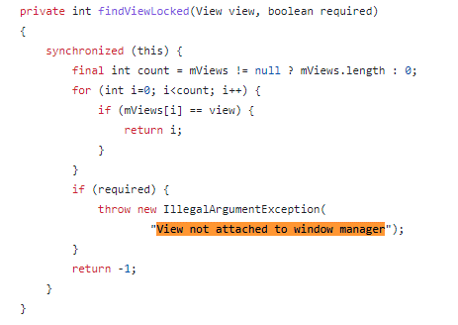
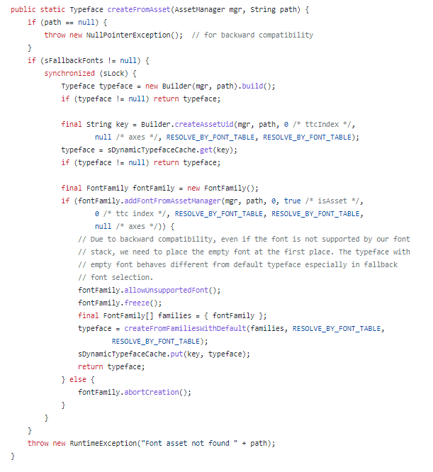
au.com.tapstyle-344 | android.graphics.Typeface.createFromAsset | 抛出条件在变化，识别不稳定
4.4 没有 | 5--6 |  |  |  | 7--8 |  |  |  |  | 9.0之后 | 条件更加精确
unknown | ParaAndField |  |  |  | FieldOnly |  |  |  |  | ParameterOnly
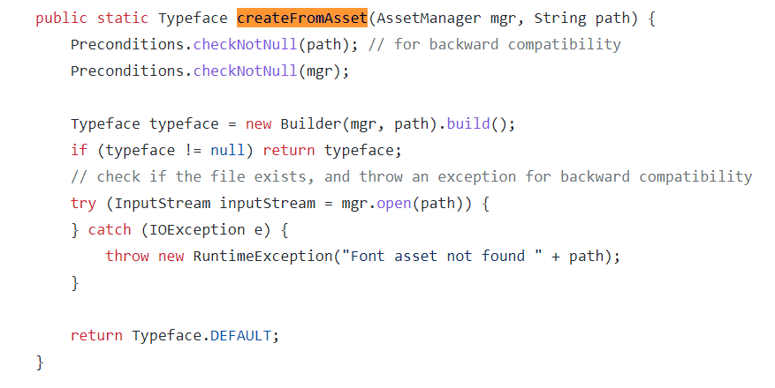

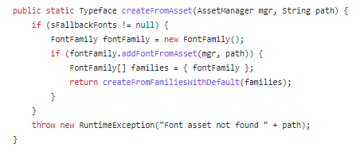

com.microcell.MyHouse-398 | android.app.ContextImpl.bindServiceCommon | 函数重构，抛出函数变化
4 |  |  |  | 5
unknown |  |  |  | ParaAndField
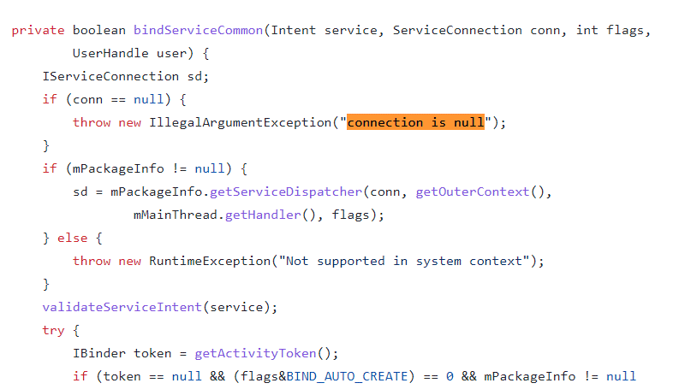
该错误的报错点在其他函数中

com.heuser.helidroid_full-420 | android.view.ViewRootImpl.setView | 抛出信息格式变化
5 |  |  |  | 6 |  |  |  | 7
unknown |  |  |  | FieldOnly |  |  |  | unknown
格式不同 |  |  |  | 格式变了 | https://github.com/aosp-mirror/platform_frameworks_base/blob/android-6.0.1_r78/core/java/android/view/ViewRootImpl.java |  |  | 格式又变了 | https://github.com/aosp-mirror/platform_frameworks_base/blob/android-7.1.1_r1/core/java/android/view/ViewRootImpl.java

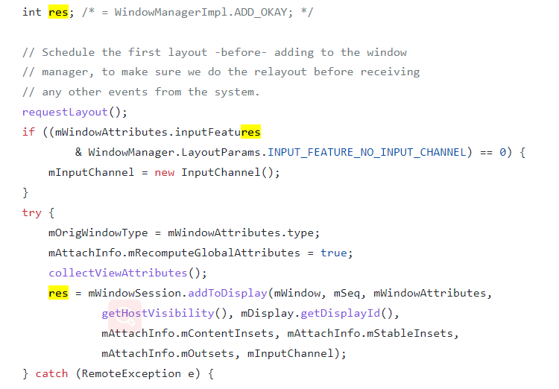
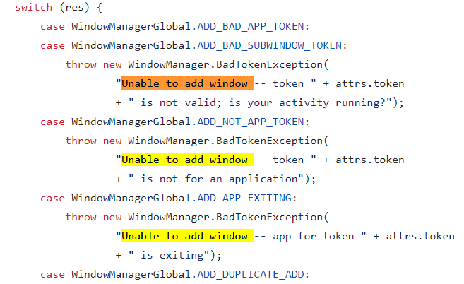

net.xfok.tool.tm-316 | android.view.ViewGroup.addView | 新增异常，新增了nullchecker
4--5 |  |  |  |  |  | 6以后
unknown | https://github.com/aosp-mirror/platform_frameworks_base/blob/android-5.0.0_r1/core/java/android/view/ViewGroup.java |  |  |  |  | ParameterOnly | https://github.com/aosp-mirror/platform_frameworks_base/blob/android-6.0.1_r45/core/java/android/view/ViewGroup.java

cgeo.geocaching-3570 | android.view.WindowManagerGlobal.findViewLocked
4 | https://github.com/aosp-mirror/platform_frameworks_base/blob/android-4.2.2_r1/core/java/android/view/WindowManagerGlobal.java |  | 5以后 | https://github.com/aosp-mirror/platform_frameworks_base/blob/android-6.0.0_r1/core/java/android/view/WindowManagerGlobal.java
ParaAndField/unknown |  |  | unknown/ParaAndField
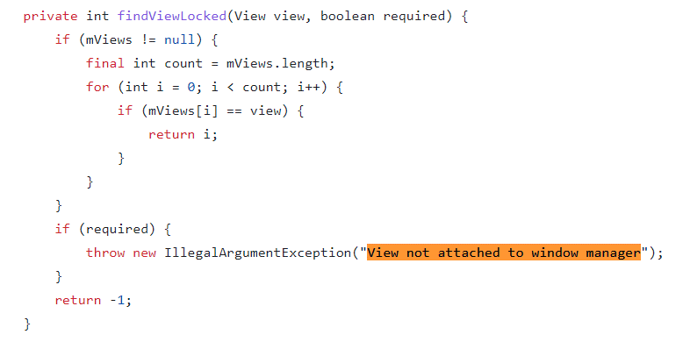

ch.btcfx-329 | android.app.ContextImpl.validateServiceIntent | 新增异常 | Service Intent must be explicit:xxx
4 | https://github.com/aosp-mirror/platform_frameworks_base/blob/android-4.2.2_r1/core/java/android/app/ContextImpl.java |  | 5以后 | https://github.com/aosp-mirror/platform_frameworks_base/blob/android-6.0.1_r26/core/java/android/app/ContextImpl.java
unknown | 函数不存在 |  | ParameterOnly

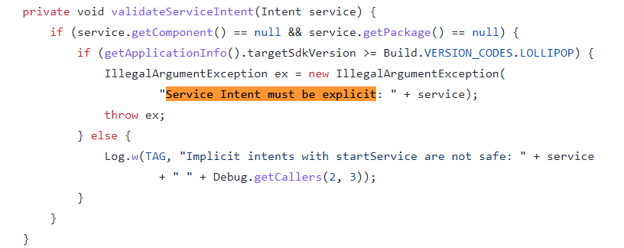

com.apps.salad.bengali.recipe-229 | android.widget.Spinner.setAdapter | 新增异常
4 | https://github.com/aosp-mirror/platform_frameworks_base/blob/android-4.2.2_r1/core/java/android/widget/Spinner.java |  | 5以后 | https://github.com/aosp-mirror/platform_frameworks_base/blob/android-5.0.2_r1/core/java/android/widget/Spinner.java
unknown |  |  | ParaAndField

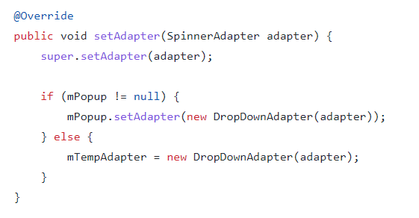
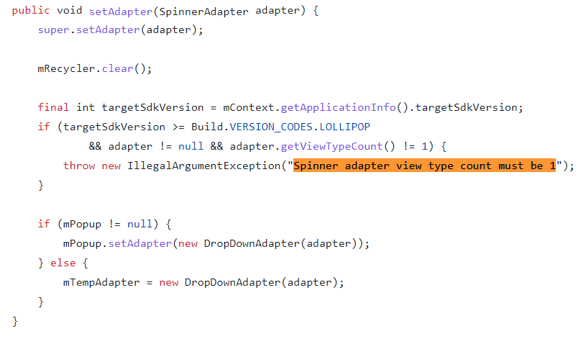

com.cricbuzz.android-248 | android.content.res.TypedArray.getResourceId | 新增异常 | Cannot make calls to a recycled instance!
4 | https://github.com/aosp-mirror/platform_frameworks_base/blob/android-4.2.2_r1/core/java/android/content/res/TypedArray.java |  | 5以后 | https://github.com/aosp-mirror/platform_frameworks_base/blob/android-5.0.2_r1/core/java/android/content/res/TypedArray.java
unknown |  |  | FieldOnly

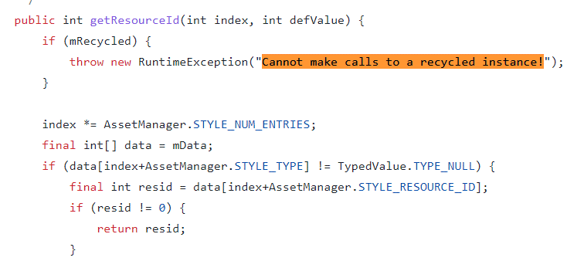
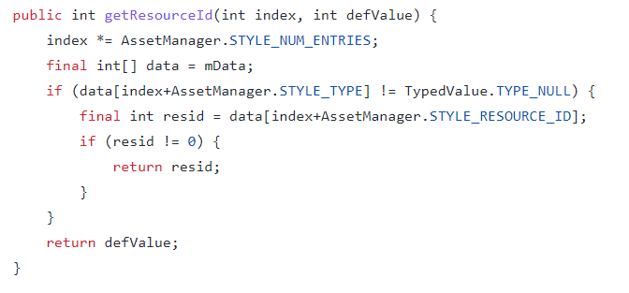

com.ftbpro.app-240 | android.location.LocationManager.checkListener | 函数重构，换用precondition的调用检测 | invalid listener: null
10之前 | https://github.com/aosp-mirror/platform_frameworks_base/blob/android-10.0.0_r28/location/java/android/location/LocationManager.java |  |  | 11之后 | https://github.com/aosp-mirror/platform_frameworks_base/blob/android-security-11.0.0_r52/location/java/android/location/LocationManager.java
ParameterOnly |  |  |  | unknown | 函数不存在



com.nextgis.mobile-260 | android.content.res.Resources.loadDrawable | 删除异常
4 | https://github.com/aosp-mirror/platform_frameworks_base/blob/android-4.3_r3/core/java/android/content/res/Resources.java |  |  | 5以后 | https://github.com/aosp-mirror/platform_frameworks_base/blob/android-5.1.1_r3/core/java/android/content/res/Resources.java
ParaAndField |  |  |  | unknown | 没有这个异常抛出

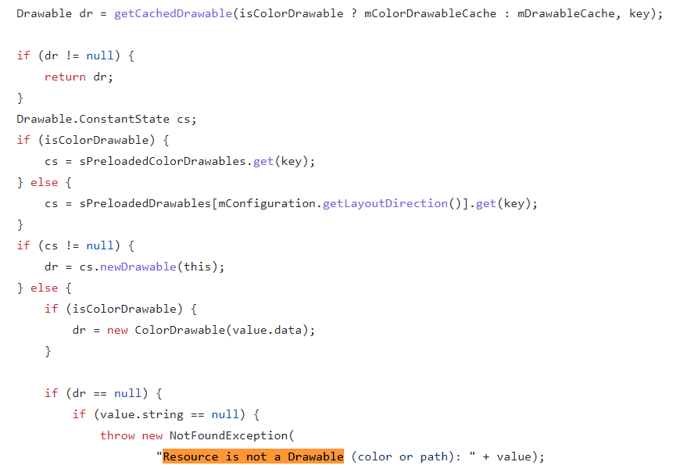

com.orange.mylivebox.fr-41 | android.content.res.Resources.getValue | 函数重构，抛出位置变化
6之前 | https://github.com/aosp-mirror/platform_frameworks_base/blob/android-6.0.1_r1/core/java/android/content/res/Resources.java |  |  | 7之后 | https://github.com/aosp-mirror/platform_frameworks_base/blob/android-7.1.1_r1/core/java/android/content/res/Resources.java
ParaAndField |  |  |  | unknown | 异常抛出位置改变



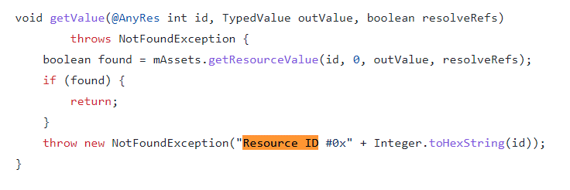

org.kiwix.kiwixmobile-19 | android.widget.ListView.addHeaderView | 删除异常 |  |  | Cannot add header view to list -- setAda
4 | https://github.com/aosp-mirror/platform_frameworks_base/blob/android-4.3_r3/core/java/android/widget/ListView.java |  |  |  |  | 5以后 | https://github.com/aosp-mirror/platform_frameworks_base/blob/android-5.0.2_r3/core/java/android/widget/ListView.java
FieldOnly |  |  |  |  |  | unknown
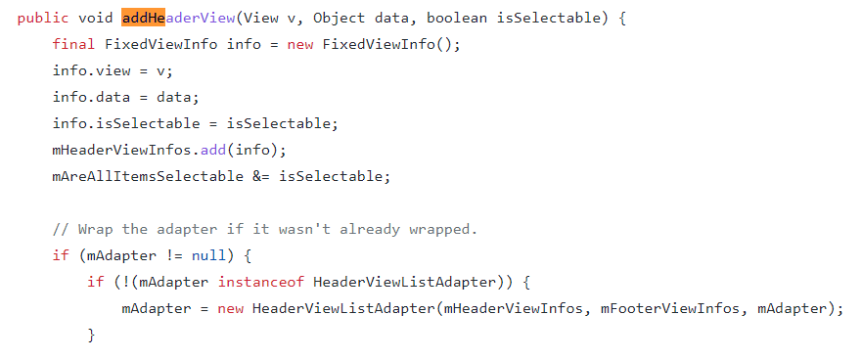

com.zeapo.pwdstore-138 | android.view.ViewRootImpl.setView | 抛出信息格式变化 |  | Unable to add window android.view.ViewRootImpl$W@2fcaa65 -- permission denied for this window type
6之前 | https://github.com/aosp-mirror/platform_frameworks_base/blob/android-6.0.1_r26/core/java/android/view/ViewRootImpl.java
FieldOnly |  |  |  |  |  | 7之后 | https://github.com/aosp-mirror/platform_frameworks_base/blob/android-7.1.1_r26/core/java/android/view/ViewRootImpl.java
 |  |  |  |  |  | unknown

com.poterion.logbook-400 | android.app.FragmentManagerImpl.execPendingActions | 删除异常 |  | Recursive entry to executePendingTransactions
7之前 | https://github.com/aosp-mirror/platform_frameworks_base/blob/android-7.0.0_r33/core/java/android/app/FragmentManager.java |  |  | 8之后 | https://github.com/aosp-mirror/platform_frameworks_base/blob/android-8.0.0_r24/core/java/android/app/FragmentManager.java
FieldOnly |  |  |  | unknown | 异常抛出删除

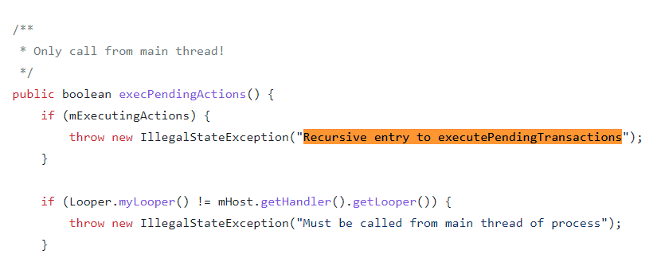
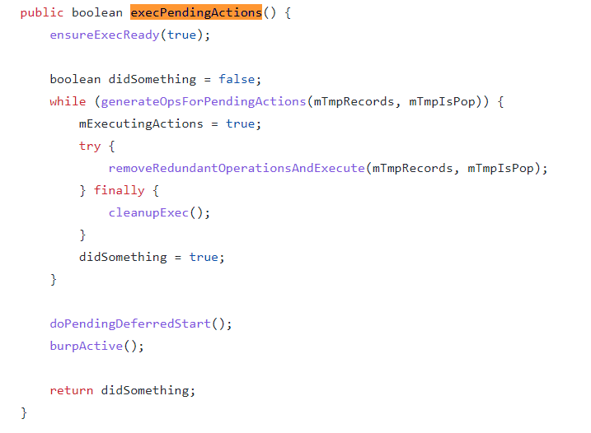

cgeo.geocaching-4275 | android.app.FragmentManagerImpl.enqueueAction | 异常抛出条件修改 |  | Activity has been destroyed
7之前 | https://github.com/aosp-mirror/platform_frameworks_base/blob/android-7.0.0_r24/core/java/android/app/FragmentManager.java |  |  |  | 8之后 | https://github.com/aosp-mirror/platform_frameworks_base/blob/android-8.0.0_r24/core/java/android/app/FragmentManager.java
FieldOnly |  |  |  |  | ParaAndField
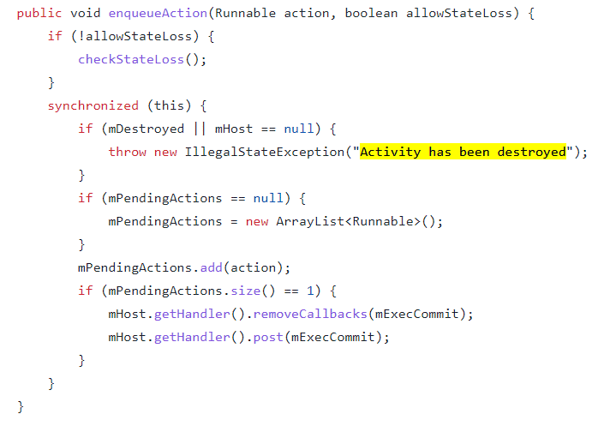
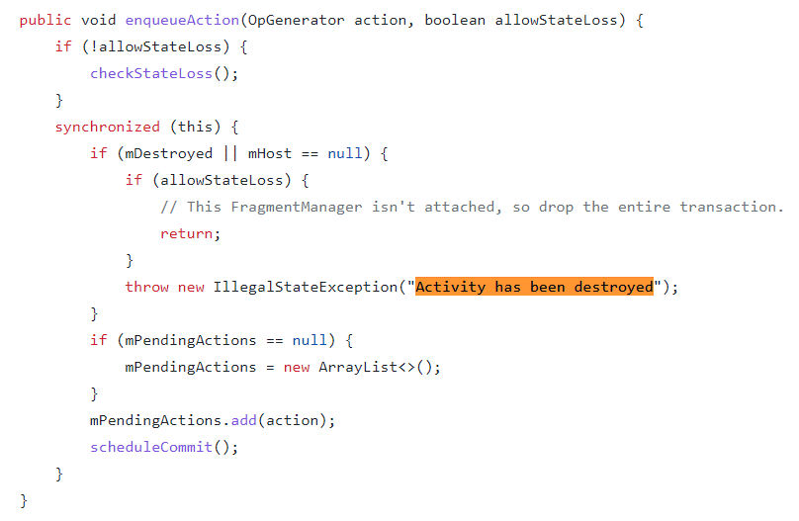

com.blizzardscale.befemall-102 | android.view.ViewRootImpl.setView | res的取值关联情况发生变化 | Unable to add window -- token null is not for an application
10之前 | https://github.com/aosp-mirror/platform_frameworks_base/blob/android-vts-10.0_r1/core/java/android/view/ViewRootImpl.java |  |  |  | 11之后 | https://github.com/aosp-mirror/platform_frameworks_base/blob/android-11.0.0_r27/core/java/android/view/ViewRootImpl.java
FieldOnly |  |  |  |  | ParaAndField

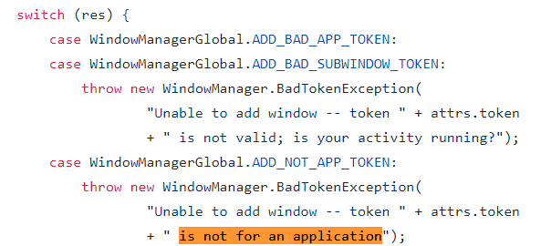
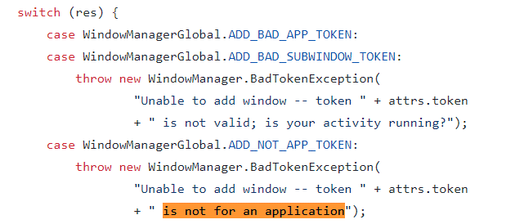

cgeo.geocaching-4274 | android.view.WindowManagerImpl.findViewLocked | 位置、信息变化
2.3 | https://github.com/aosp-mirror/platform_frameworks_base/blob/android-2.3.7_r1/core/java/android/view/WindowManagerImpl.java |  |  |  |  | 4以后 | https://github.com/aosp-mirror/platform_frameworks_base/blob/android-4.2.2_r1/core/java/android/view/WindowManagerImpl.java
ParaAndField |  |  |  |  |  | unknown

