身份证翻译
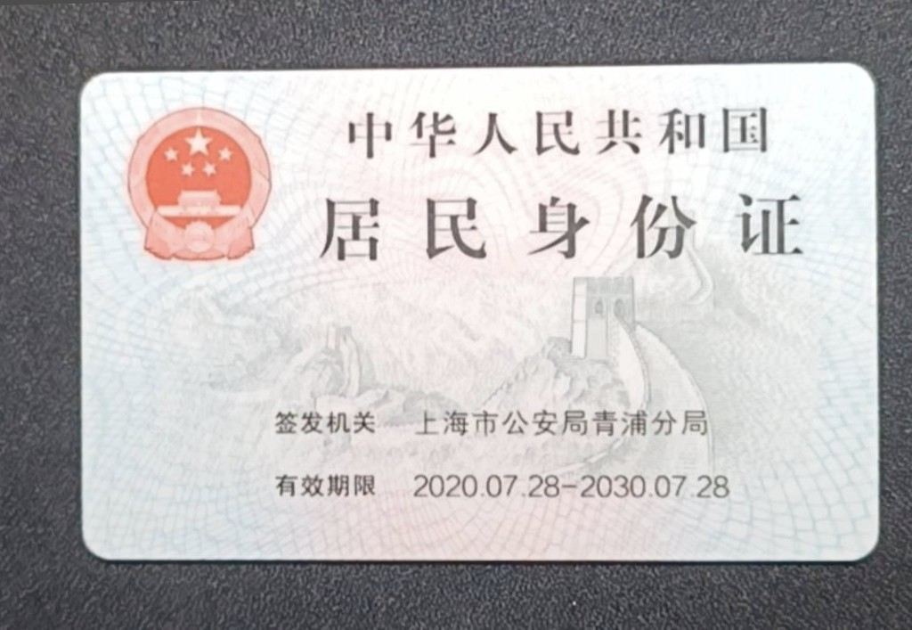

 |  | The People's Republic of China
 |  | Resident Identity Card

 | 原件图片

 |  | Issuing Authority: Qingpu Branch of Shanghai Municipal Public Security Bureau
 |  | Validity Period: 28 July 2020 to 28 July 2030

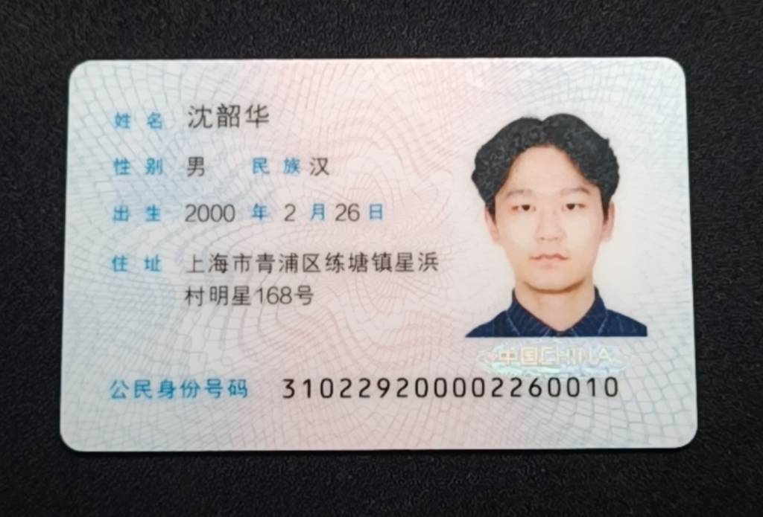

 |  | Name: | SHEN SHAOHUA
 |  | Gender: Male |  | Ethnicity: Han | photo
 |  | Date of Birth: 26 February 2000
 | 原件图片 | Address: No. 168, Mingxing, Xingbang Village, Liantang Town, Qingpu District, Shanghai, China

 |  | Identity Card Number: 310229200002260010

Translator Declaration: I, GAO YINGHAO, the undersigned translator, hereby certify that the attached English translation is true, complete and accurate to the original Chinese document. I passed the Test for English Majors – Band 8 (TEM-8) in 2023. Chinese is my native language, and I have professional proficiency in English, enabling me to provide accurate and complete Chinese-to-English translations. Full Name: GAO YINGHAO Email: 1067403101@qq.com Mobile: +86 17317374963 Date: 18 August 2026 Signature: (Not required for electronic submission)

