Sheet1
Corrected Log Mean Temperature Difference
http://excelcalculations.blogspot.com
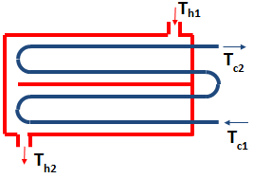
Parameters
Th1 (K) | 400
Th2 (K) | 170
Tc1 (K) | 110
Tc2 (K) | 190
Shell-Side Passes | 2

Results
Correction Factor | 0.94280899662
LMTD | 119.73534002
Corrected LMTD | 112.88755579

Intermediate Calculations
P | 0.27586206897
R | 2.875
X | 0.19888143037

