qq绑定
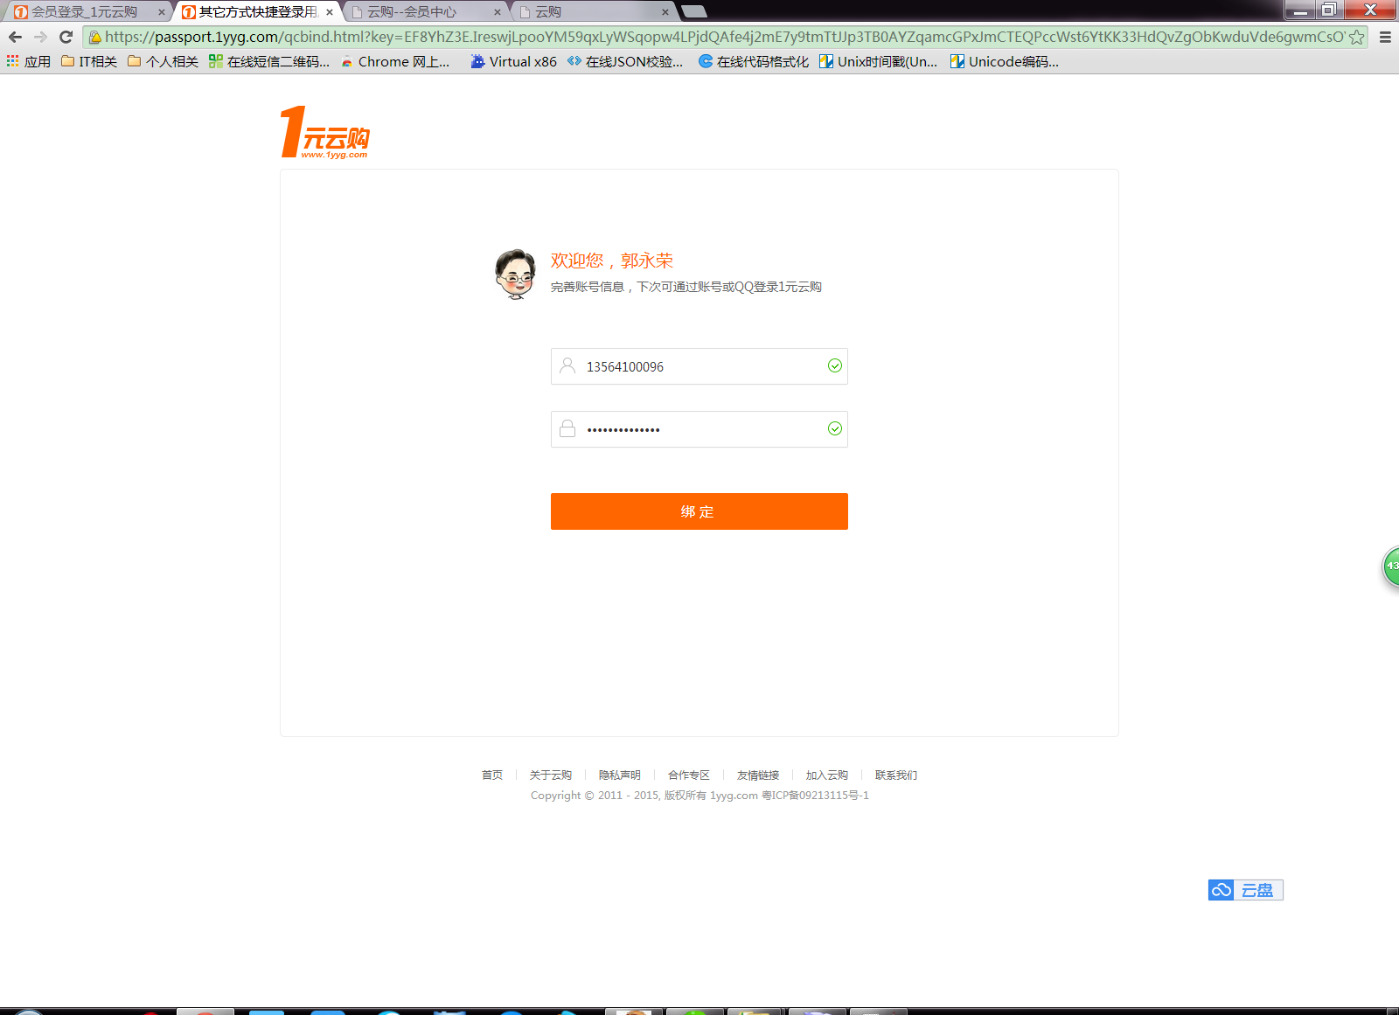

https://passport.1yyg.com/JPData?action=checkname&name=13564100096&ckmail=1&fun=jsonp1453465030274&_=1453468782579
jsonp1453465030274({"state":1})

https://passport.1yyg.com/JPData?action=qcbindaccount&account=13564100096&pwd=vcvcvcvcvcvcvcvcv&token=EF8YhZ3E.IreswjLpooYM59qxLyWSqopw4LPjdQAfe4j2mE7y9tmTtJJp3TB0AYZqamcGPxJmCTEQPccWst6YtKK33HdQvZgObKwduVde6iUuPLJuL1oTT7DeGiEvW5Qx2y26AU.u75KuVymoMKJmA==&fun=jsonp1453468901120&_=1453468922071
jsonp1453468901120({"state":1, "num":-1})

闭幕QQ授权的页面地址
http://webcms.didv.cn/member/passport/qcbind?istest=1&FromUserName=123&nickname=Charlie&headimgurl=http%3A%2F%2Fq.qlogo.cn%2Fqqapp%2F100511748%2F63B5238639329AB202051A722BD115DB%2F100

绑定的接口
http://webcms.didv.cn/member/service/qcbindaccount?username=xxx&mobile=xxx&password=xxx&email=xxx&password_confirm=xxx&vcode=xxx

检查email的接口
http://webcms.didv.cn/member/service/checkemail?email=xxx

检查mobile的接口
http://webcms.didv.cn/member/service/checkmobile?mobile=1356410096

帮助中心-投诉与建议
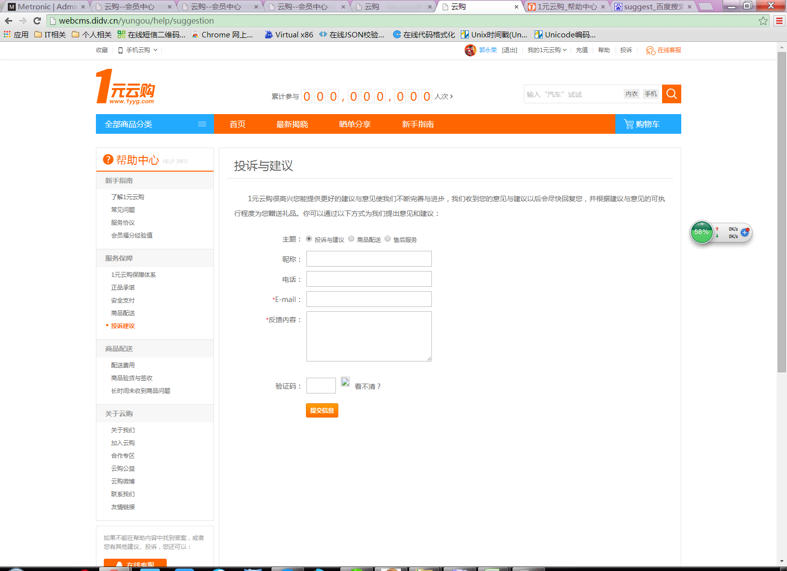

投诉和建议的接口
http://webcms.didv.cn/member/service/suggest?theme=投诉与建议&name=中国&telephone=&email=115454322@qq.com&content=反馈内容反馈内容反馈内容反馈内容反馈内容反馈内容&captcha=xx

