会员-首页
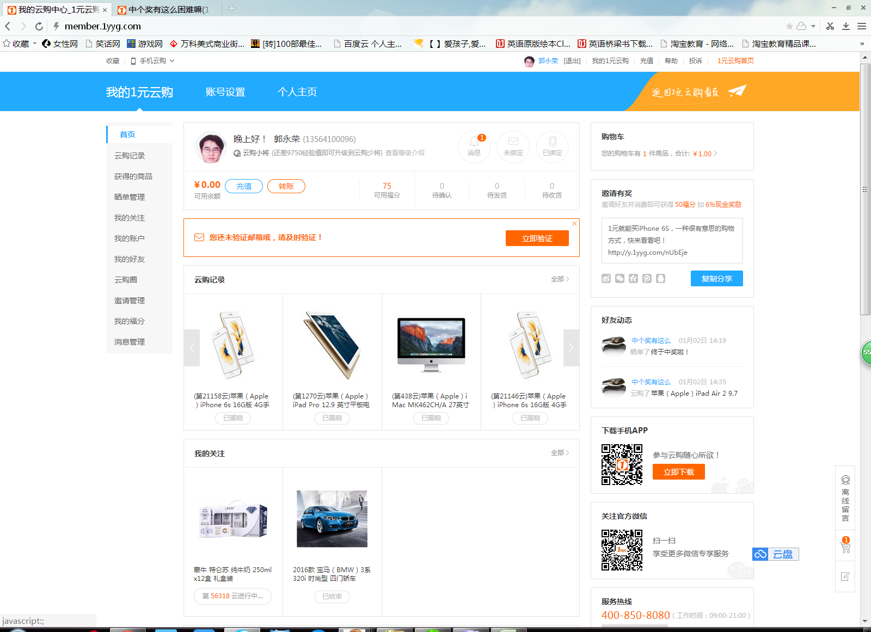

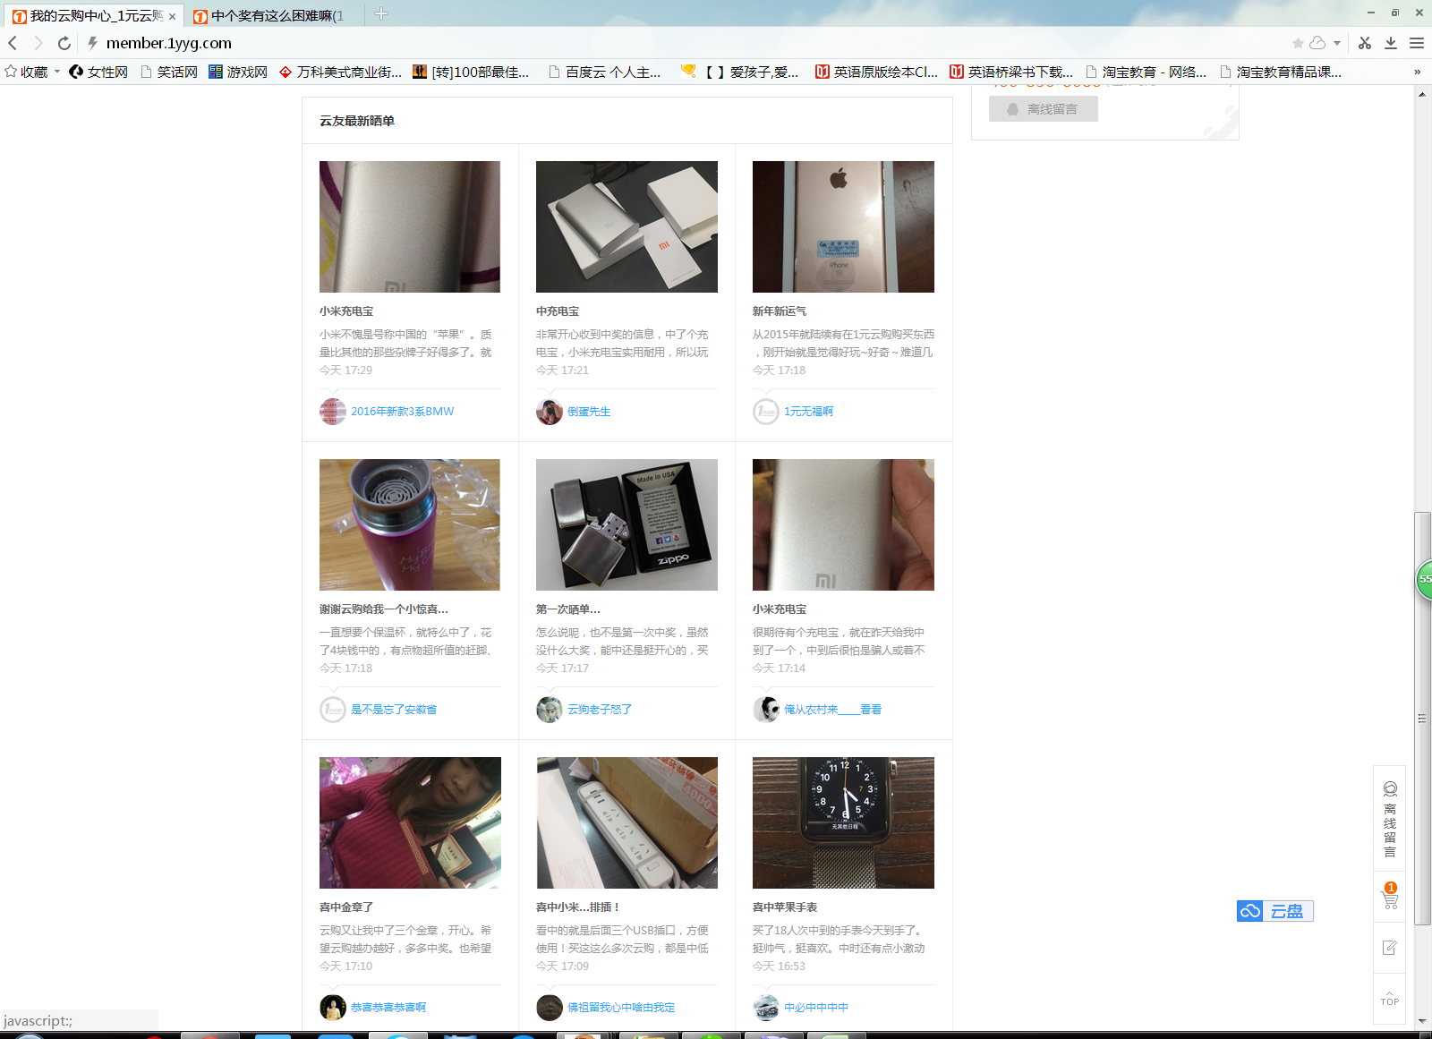

http://y.1yyg.com/JPData?action=getShortUrl&urlType=0&fun=jsonp1452177216663&_=1452177216972
jsonp1452177216663({"code":0,"shortUrl":"http://y.1yyg.com/nUbEje"})

http://member.1yyg.com/JPData?action=getMemberCenterBuyMessage&FIdx=1&EIdx=12&state=-1&region=4&fun=jsonp1452177216664&_=1452177216972
jsonp1452177216664({"code":0,"str":{"totalCount":0,"listItems":[{"codeState":"3","codeID":"2542873","goodsName":"苹果（Apple）iPhone 6s 16G版 4G手机","goodsPic":"20150910150825965.jpg","buyNum":"1","refundNum":"0","codePeriod":"21158","userName":"yz*@sina.com","codeSales":"5188","codeQuantity":"5188","codePrice":"5188.00","userWeb":"1011010841","userName":"几十万该中宝马了","codeRTime":"2015-12-20 21:37:19.245","codeType":"0","goodsID":"22504"},{"codeState":"3","codeID":"2509590","goodsName":"苹果（Apple）iPad Pro 12.9 英寸平板电脑 32G WiFi版","goodsPic":"20151023164405174.jpg","buyNum":"2","refundNum":"0","codePeriod":"1270","userName":"13580****90","codeSales":"6088","codeQuantity":"6088","codePrice":"6088.00","userWeb":"1010037107","userName":"轰284629214","codeRTime":"2015-12-20 22:06:34.205","codeType":"0","goodsID":"22591"},{"codeState":"3","codeID":"2450928","goodsName":"苹果（Apple）iMac MK462CH/A 27英寸一体电脑","goodsPic":"20151026092646574.jpg","buyNum":"1","refundNum":"0","codePeriod":"438","userName":"15662****77","codeSales":"13488","codeQuantity":"13488","codePrice":"13488.00","userWeb":"1008906059","userName":"撑死胆大的饿死胆小的","codeRTime":"2015-12-20 21:45:20.430","codeType":"0","goodsID":"22592"},{"codeState":"3","codeID":"2542665","goodsName":"苹果（Apple）iPhone 6s 16G版 4G手机","goodsPic":"20150910150825965.jpg","buyNum":"1","refundNum":"0","codePeriod":"21146","userName":"13926****95","codeSales":"5188","codeQuantity":"5188","codePrice":"5188.00","userWeb":"1011741168","userName":"集中力","codeRTime":"2015-12-20 21:19:00.141","codeType":"0","goodsID":"22504"},{"codeState":"3","codeID":"2509588","goodsName":"苹果（Apple）iPad Pro 12.9 英寸平板电脑 32G WiFi版","goodsPic":"20151023164405174.jpg","buyNum":"2","refundNum":"0","codePeriod":"1269","userName":"bo*@sina.com","codeSales":"6088","codeQuantity":"6088","codePrice":"6088.00","userWeb":"1011117589","userName":"这样不中奖毫无意思","codeRTime":"2015-12-20 21:21:44.949","codeType":"0","goodsID":"22591"},{"codeState":"3","codeID":"2162400","goodsName":"苹果（Apple）iPad A

http://member.1yyg.com/JPData?action=getCollectGoodsList&FIdx=1&EIdx=12&fun=jsonp1452177216665&_=1452177216988
jsonp1452177216665({"code":0,"totalCount":0,"isExistsNotSale":1,"listItems":[{"goodsID":21876,"codeID":2841390,"goodsName":"蒙牛 特仑苏 纯牛奶 250mlx12盒 礼盒装","goodsPic":"20140813160215287.jpg","codePeriod":56316,"quantity":65,"sales":23,"isSale":1,"limitBuy":0,"codeType":0},{"goodsID":22597,"codeID":2552252,"goodsName":"2016款 宝马（BMW）3系 320i 时尚型 四门轿车","goodsPic":"20151102140442446.jpg","codePeriod":271,"quantity":389999,"sales":389999,"isSale":0,"limitBuy":0,"codeType":0}]})

http://post.1yyg.com/JPData?action=GetPageListPostSingle&FIdx=1&EIdx=9&fun=jsonp1452177216666&_=1452177216988
jsonp1452177216666({"code":0,"count":97666,"listItems":[{"postID":135141,"postTitle":"小米充电宝","postContent":"小米不愧是号称中国的“苹果”。质量比其他的那些杂牌子好得多了。就是个头有点大。总体…","postTime":"今天 17:29","cutpicture":"20160107173932573.jpg","postHits":13,"postReplyCount":49,"userName":"2016年新款3系BMW","userWeb":"1010292566","userPhoto":"20151126044505718.jpg"},{"postID":135134,"postTitle":"中充电宝","postContent":"非常开心收到中奖的信息，中了个充电宝，小米充电宝实用耐用，所以玩玩云购，感谢云哥给…","postTime":"今天 17:21","cutpicture":"20160107172232224.jpg","postHits":6,"postReplyCount":42,"userName":"倒蛋先生","userWeb":"1011267683","userPhoto":"20151201142923989.jpg"},{"postID":135038,"postTitle":"新年新运气","postContent":"从2015年就陆续有在1元云购购买东西，刚开始就是觉得好玩~好奇～难道几块钱真的能买到几…","postTime":"今天 17:18","cutpicture":"20160107173139222.jpg","postHits":19,"postReplyCount":40,"userName":"1元无福啊","userWeb":"1011839185","userPhoto":"00000000000000000.jpg"},{"postID":135131,"postTitle":"谢谢云购给我一个小惊喜…","postContent":"一直想要个保温杯，就特么中了，花了4块钱中的，有点物超所值的赶脚、保温杯样式好看，就…","postTime":"今天 17:18","cutpicture":"20160107171952059.jpg","postHits":4,"postReplyCount":11,"userName":"是不是忘了安徽省","userWeb":"1011556951","userPhoto":"00000000000000000.jpg"},{"postID":135130,"postTitle":"第一次晒单…","postContent":"怎么说呢，也不是第一次中奖，虽然没什么大奖，能中还是挺开心的，买了几次哪个黑冰没中…","postTime":"今天 17:17","cutpicture":"20160107172100121.jpg","postHits":5,"postReplyCount":11,"userName":"云狗老子怒了","userWeb":"1011620908","userPhoto":"20151223232113623.jpg"},{"postID":134684,"postTitle":"小米充电宝","postContent":"很期待有个充电宝，就在昨天给我中到了一个，中到后很怕是骗人或着不发货的，结果今天真…","postTime":"今天 17:14","cutpicture":"20160107175434336.jpg","postHits":3,"postReplyCount":9,"userName":"俺从农村来_____看看","userWeb":"1011979341","userPhoto":"20151230003432551.jpg"},{"postID":135110,"postTitle":"喜中金章了","postContent":"云购又让我中了三个金章，开心。希望云购越办越好，多多中奖。也希望没中的云友们不要灰…","postTime":"今天 17:10","cutpicture":"20160107172542762.jpg","postHits":9,"postReplyCount":15,"userName":"恭喜恭喜恭喜啊","userWeb":"1010524844","userPhoto":"20160105160744215.jpg"},{"postID":135116,"postTitle":"喜中小米…排插！","pos

云购记录的接口
http://webcms.didv.cn/order/service/getmembercenterbuymessage?page=1&limit=5&state=0&beginTime=2015-12-15&endTime=2015-12-15&keyWords=xxx

关注商品的接口
http://webcms.didv.cn/goods/service/getcollectgoodslist?page=1&limit=15

获取云友最新晒单
http://webcms.didv.cn/post/service/getpagelistpostsingle?page=1&limit=9

会员-云购
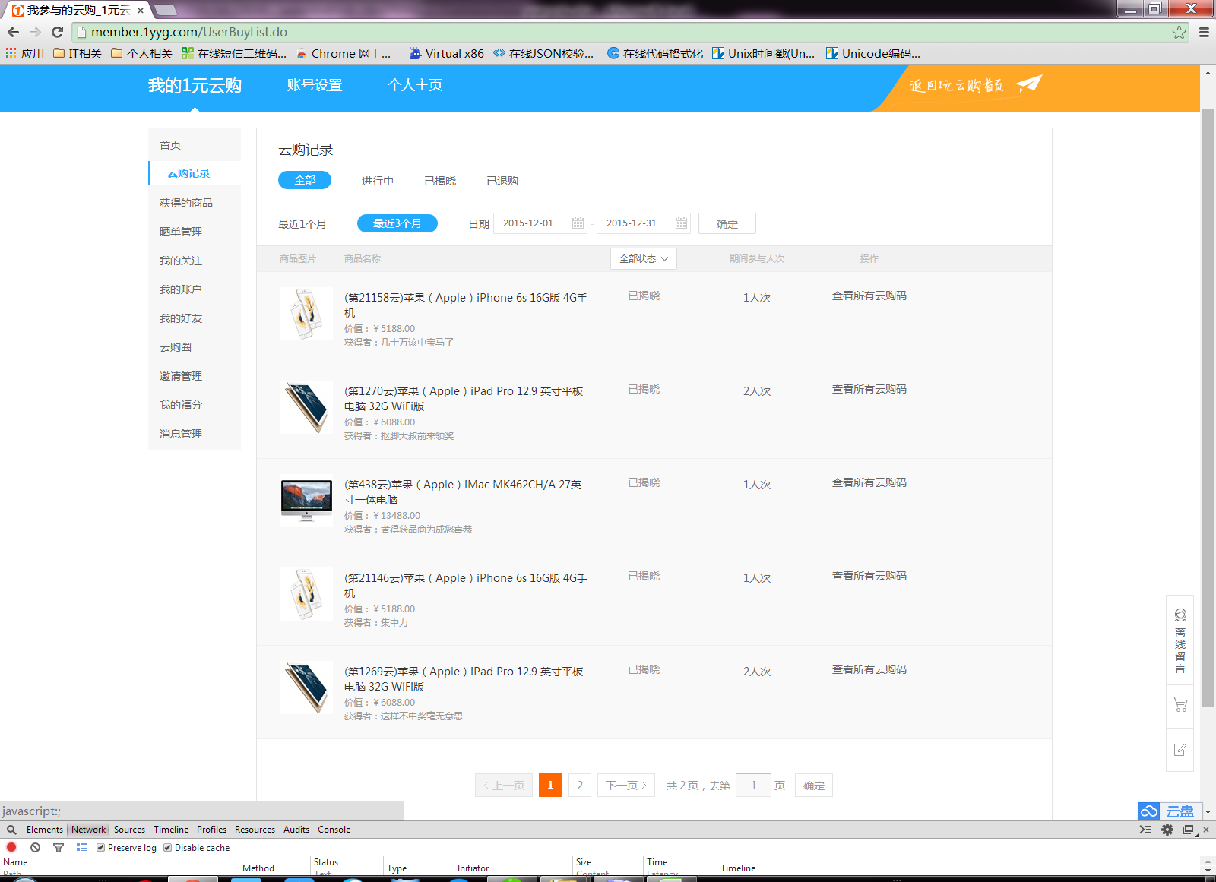

http://member.1yyg.com/JPData?action=getMemberCenterBuyMessage&FIdx=1&EIdx=5&state=-1&region=4&beginTime=&endTime=&keyWords=&isCount=1&fun=jsonp1451572613311&_=1451572613810
jsonp1451572613311({"code":0,"str":{"totalCount":8,"listItems":[{"codeState":"3","codeID":"2542873","goodsName":"苹果（Apple）iPhone 6s 16G版 4G手机","goodsPic":"20150910150825965.jpg","buyNum":"1","refundNum":"0","codePeriod":"21158","userName":"yz*@sina.com","codeSales":"5188","codeQuantity":"5188","codePrice":"5188.00","userWeb":"1011010841","userName":"几十万该中宝马了","codeRTime":"2015-12-20 21:37:19.245","codeType":"0","goodsID":"22504"},{"codeState":"3","codeID":"2509590","goodsName":"苹果（Apple）iPad Pro 12.9 英寸平板电脑 32G WiFi版","goodsPic":"20151023164405174.jpg","buyNum":"2","refundNum":"0","codePeriod":"1270","userName":"13580****90","codeSales":"6088","codeQuantity":"6088","codePrice":"6088.00","userWeb":"1010037107","userName":"抠脚大叔前来领奖","codeRTime":"2015-12-20 22:06:34.205","codeType":"0","goodsID":"22591"},{"codeState":"3","codeID":"2450928","goodsName":"苹果（Apple）iMac MK462CH/A 27英寸一体电脑","goodsPic":"20151026092646574.jpg","buyNum":"1","refundNum":"0","codePeriod":"438","userName":"15662****77","codeSales":"13488","codeQuantity":"13488","codePrice":"13488.00","userWeb":"1008906059","userName":"者得获品商为成您喜恭","codeRTime":"2015-12-20 21:45:20.430","codeType":"0","goodsID":"22592"},{"codeState":"3","codeID":"2542665","goodsName":"苹果（Apple）iPhone 6s 16G版 4G手机","goodsPic":"20150910150825965.jpg","buyNum":"1","refundNum":"0","codePeriod":"21146","userName":"13926****95","codeSales":"5188","codeQuantity":"5188","codePrice":"5188.00","userWeb":"1011741168","userName":"集中力","codeRTime":"2015-12-20 21:19:00.141","codeType":"0","goodsID":"22504"},{"codeState":"3","codeID":"2509588","goodsName":"苹果（Apple）iPad Pro 12.9 英寸平板电脑 32G WiFi版","goodsPic":"20151023164405174.jpg","buyNum":"2","refundNum":"0","codePeriod":"1269","userName":"bo*@sina.com","codeSales":"6088","codeQuantity":"6088","codePrice":"6088.00","userWeb":"1011117589","userName":"这样不中奖毫无意思","codeRTime":"2015-12-20 21:21:44.949","codeType":"0","goodsID":"22591"}]}})

获取云购记录
http://webcms.didv.cn/order/service/getmembercenterbuymessage?page=1&limit=5&state=0&beginTime=2015-12-15&endTime=2015-12-15&keyWords=xxx

会员-获得商品
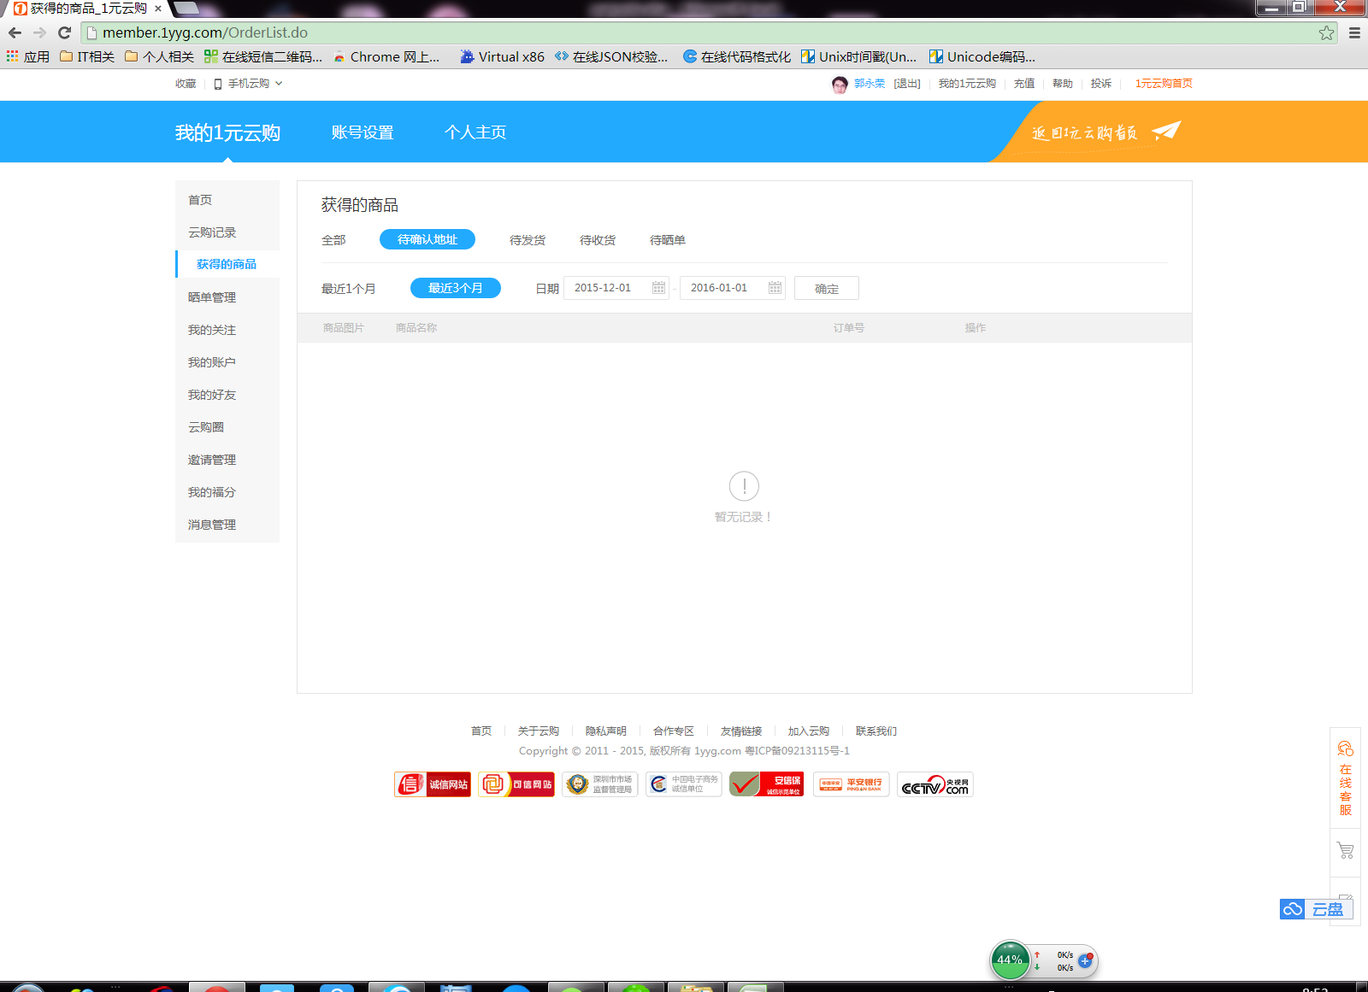

http://member.1yyg.com/JPData?action=getMemberCenterUserWinList&FIdx=1&EIdx=5&orderState=0&region=4&beginTime=&endTime=&OrderType=-1&isStat=0&isCount=1&fun=jsonp1451609661016&_=1451609661476
jsonp1451609661016({"code":-1})

jsonp1451701004523({"code":0,"totalCount":1,"listItems":[{"codeID":"2489811","goodsPic":"20151215155940353.jpg","goodsName":"川宇（Kawau）Micro SD/T-Flash TF读卡器 C289","codeRNO":"10000007","codeRTime":"2015-12-18 10:39:22.280","orderState":"10","orderNo":"2261112","codePeriod":"74","IsPostSingle":"-1","codePrice":"20.00","codeType":"0","orderActDesc":"","orderAddTime":"2015-12-18 10:39","actAddTime":"20151218","goodsID":"22746","buyNum":"20","orderType":"0","ordersaleprice":"20.00"}]}) //

会员-获得商品-订单详细
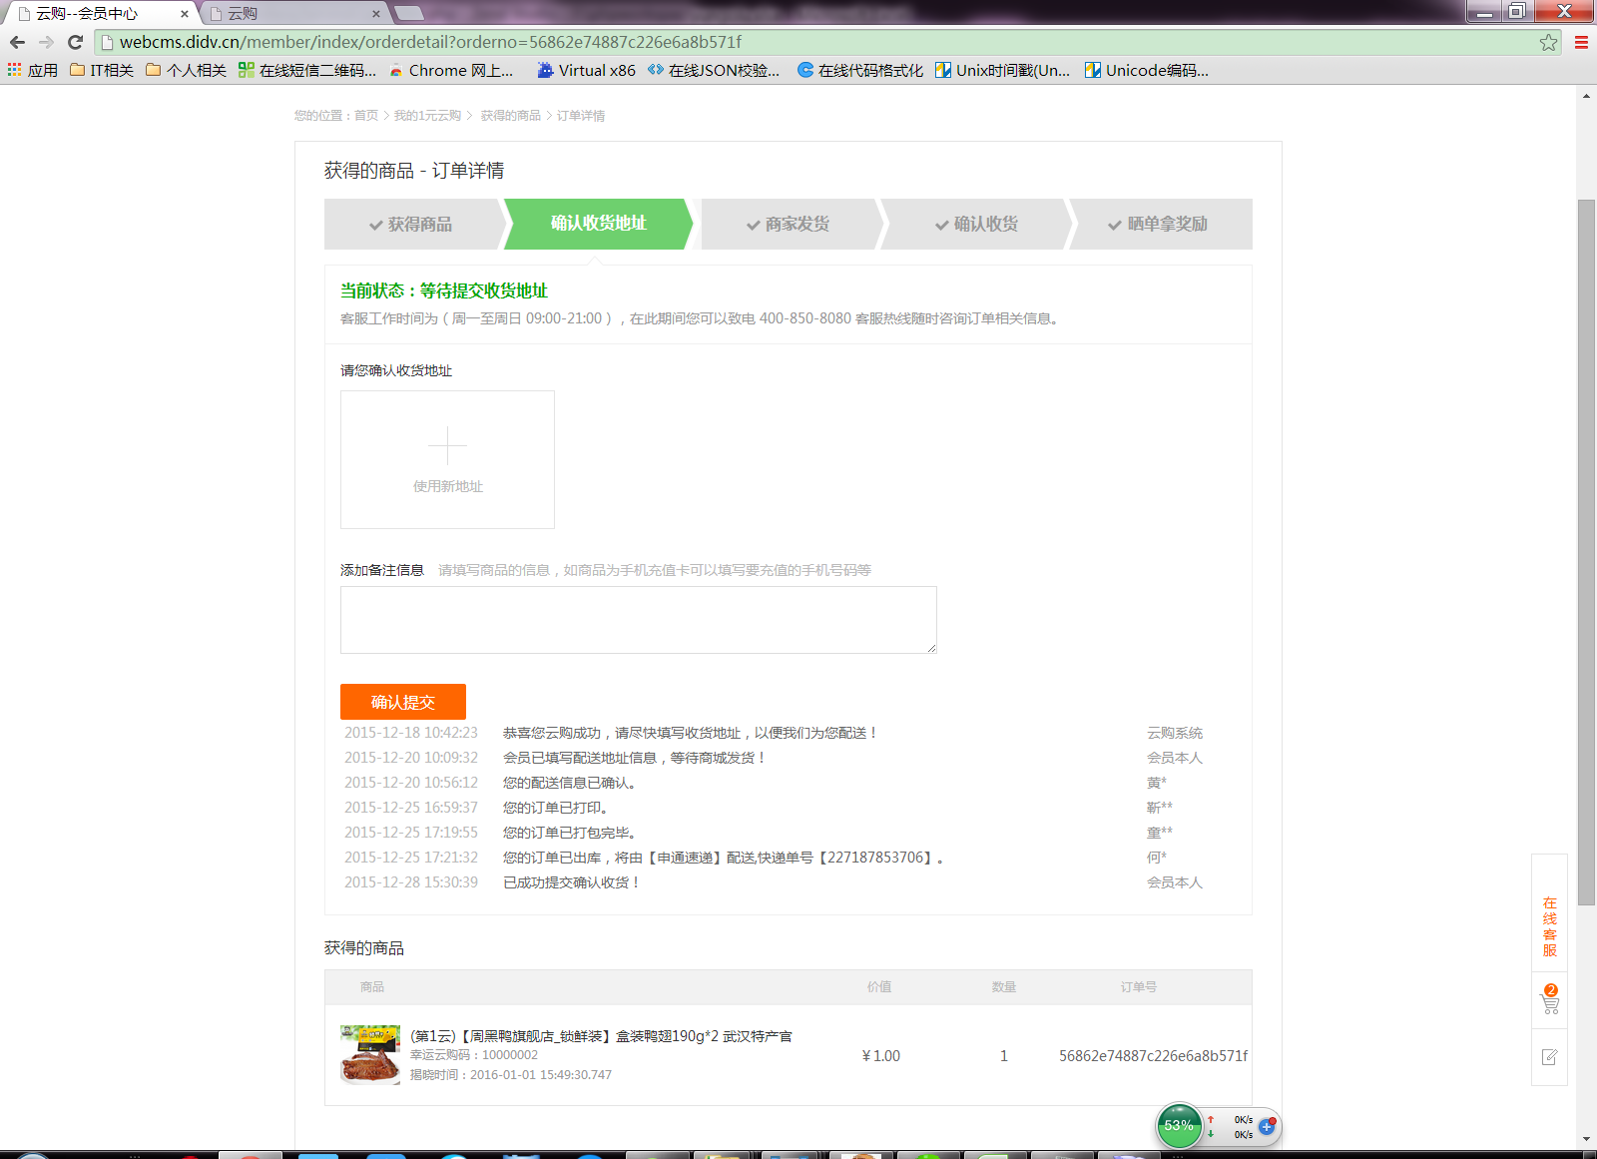

确认收货人信息接口
http://webcms.didv.cn/order/service/confirmorderconsignee?order_no=xxx&consignee_id=xxx&message=xxx

确认收货的接口
http://webcms.didv.cn/order/service/confirmorderreceive?order_no=xxx

会员-晒单
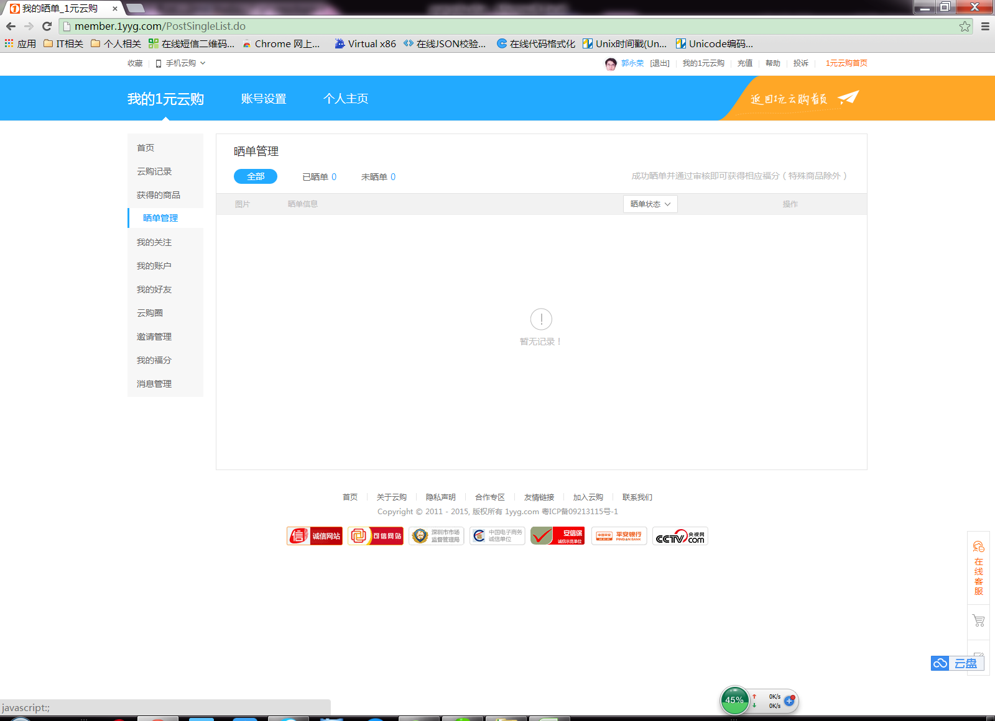

http://member.1yyg.com/JPData?action=getMemberCenterUserPostSingle&FIdx=1&EIdx=5&State=0&isStat=1&isCount=1&fun=jsonp1451609747062&_=1451609747498
jsonp1451745114364({"code":0,"totalCount":1,"postCount":1,"unPostCount":0,"listItems":[{"codeID":"2489811","codePeriod":"74","goodsSName":"川宇（Kawau）Micro SD/T-Flash TF读卡器 C289","goodsPic":"20151215155940353.jpg","codePrice":"20","codeRNO":"10000007","codeRTime":"2015-12-18 10:39:22.280","postID":"132289","postTitle":"终于中奖啦！","postPic":"20160102141114933.jpg","postContent":"嗯呵呵O(∩_∩)O~，货真价实的读卡器，包装很好~~~物流还不错，基本上都不错，没有什么问题，128G的内存卡感觉真好，可以随便拍照片，随便传电影，再不用担心存储已满的焦急心情…","postTime":"2016-01-02 14:14","postState":"2","postFailReason":"","postPoint":"700","codeType":"0"}]})

http://member.1yyg.com/JPData?action=insertPostSingle&postCodeID=xxx&postTitle=&postContent=xxxx&postAllPic=a.pic,b.pic

添加晒单的接口
http://webcms.didv.cn/post/service/insertpostsingle?postCodeID=xxx&postTitle=&postContent=xxxx&postAllPic=a.pic,b.pic

获取晒单列表的接口
http://webcms.didv.cn/post/service/getmembercenteruserpostsingle?page=1&limit=5&state=0

会员-我的关注
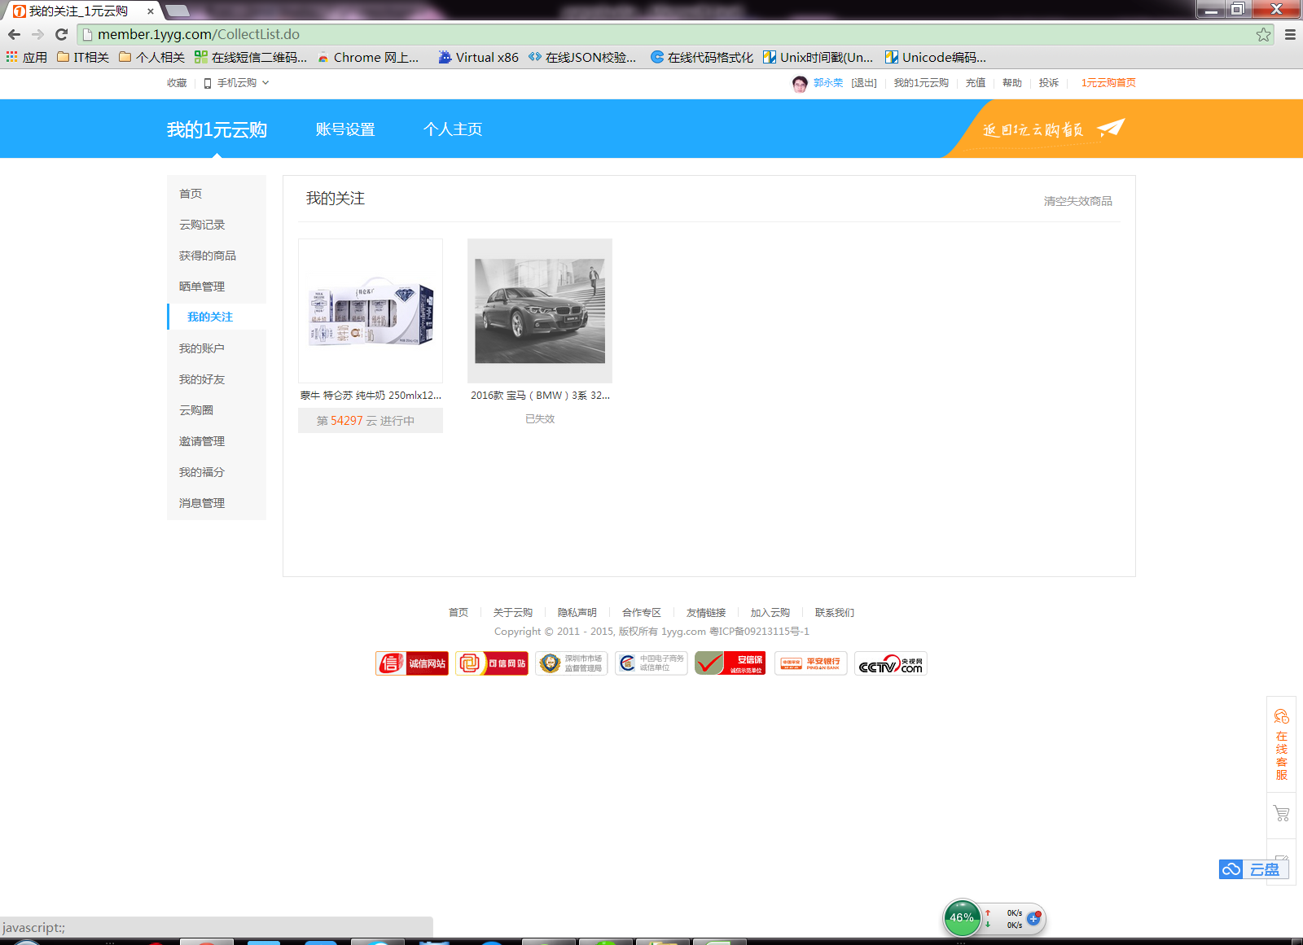

http://member.1yyg.com/JPData?action=getCollectGoodsList&FIdx=1&EIdx=15&isCount=1&fun=jsonp1451609871046&_=1451609871386
jsonp1451609871046({"code":0,"totalCount":2,"isExistsNotSale":1,"listItems":[{"goodsID":21876,"codeID":2716987,"goodsName":"蒙牛 特仑苏 纯牛奶 250mlx12盒 礼盒装","goodsPic":"20140813160215287.jpg","codePeriod":54297,"quantity":65,"sales":8,"isSale":1,"limitBuy":0,"codeType":0},{"goodsID":22597,"codeID":2552252,"goodsName":"2016款 宝马（BMW）3系 320i 时尚型 四门轿车","goodsPic":"20151102140442446.jpg","codePeriod":271,"quantity":389999,"sales":389999,"isSale":0,"limitBuy":0,"codeType":0}]})

http://member.1yyg.com/JPData?action=delCollectGoods&goodsID=22746&fun=jsonp1453015089178&_=1453015991779

获取我的关注的接口
http://webcms.didv.cn/goods/service/getcollectgoodslist?page=1&limit=15

取消关注
http://webcms.didv.cn/goods/service/delcollectgoods?goodsID=xxx

会员-我的账户
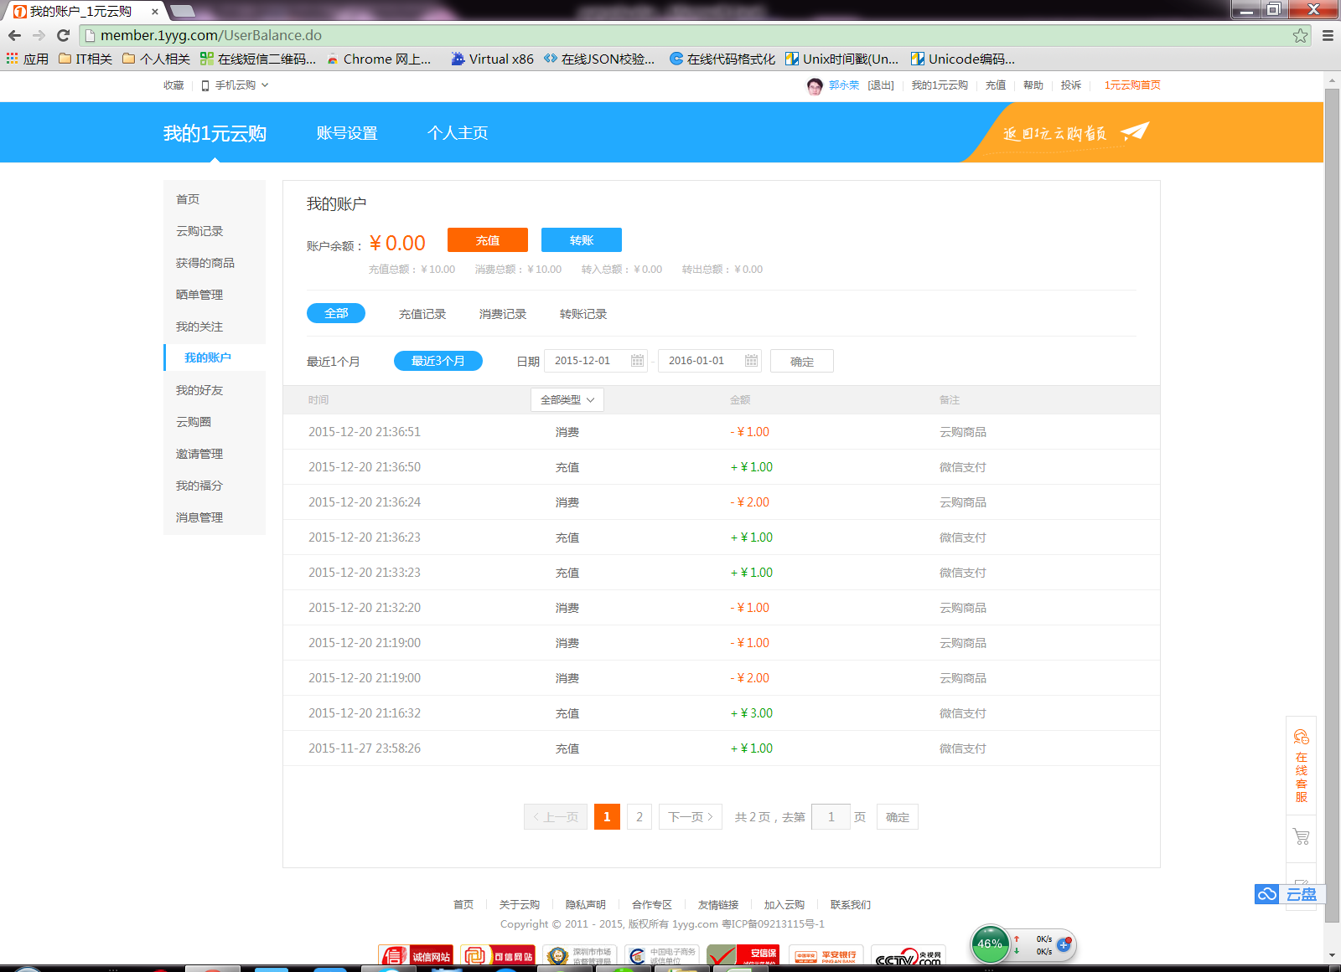

http://member.1yyg.com/JPData?action=getMemberCenterUserBCRecord&FIdx=1&EIdx=10&type=0&region=4&beginTime=&endTime=&isCount=1&fun=jsonp1451609919809&_=1451609920286
jsonp1451609919809({"code":0,"str":{"totalCount":16,"listItems":[{"logMoeny":"-1","typeName":"云购商品","logTime":"2015-12-20 21:36:51","logType":"2"},{"logMoeny":"1","typeName":"微信支付","logTime":"2015-12-20 21:36:50","logType":"1"},{"logMoeny":"-2","typeName":"云购商品","logTime":"2015-12-20 21:36:24","logType":"2"},{"logMoeny":"1","typeName":"微信支付","logTime":"2015-12-20 21:36:23","logType":"1"},{"logMoeny":"1","typeName":"微信支付","logTime":"2015-12-20 21:33:23","logType":"1"},{"logMoeny":"-1","typeName":"云购商品","logTime":"2015-12-20 21:32:20","logType":"2"},{"logMoeny":"-1","typeName":"云购商品","logTime":"2015-12-20 21:19:00","logType":"2"},{"logMoeny":"-2","typeName":"云购商品","logTime":"2015-12-20 21:19:00","logType":"2"},{"logMoeny":"3","typeName":"微信支付","logTime":"2015-12-20 21:16:32","logType":"1"},{"logMoeny":"1","typeName":"微信支付","logTime":"2015-11-27 23:58:26","logType":"1"}]}})

会员-我的好友
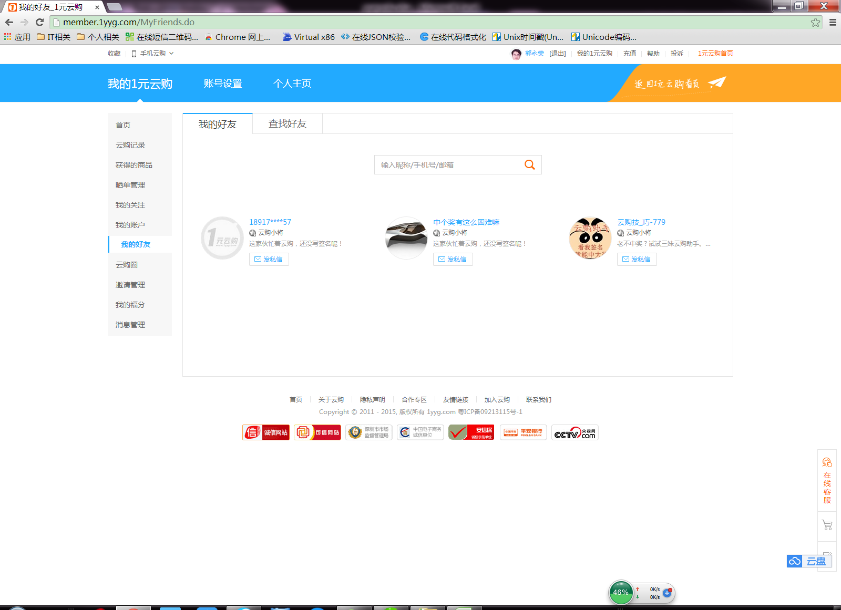

http://member.1yyg.com/JPData?action=getMemberFriends&FIdx=1&EIdx=9&isCount=1&key=&fun=jsonp1451610131302&_=1451610131614
jsonp1451610131302({"code":0,"str":{"totalCount":3,"listItems":[{"userName":"18917****57","userID":"10605005","userPhoto":"00000000000000000.jpg","userWeb":"1011789946","grade":"01","gradeName":"云购小将","address":"","sign":""},{"userName":"中个奖有这么困难嘛","userID":"9533390","userPhoto":"20151212152923647.jpg","userWeb":"1010029819","grade":"01","gradeName":"云购小将","address":"","sign":""},{"userName":"云购技_巧-779","userID":"6950639","userPhoto":"20151029063708857.jpg","userWeb":"1008797747","grade":"01","gradeName":"云购小将","address":"","sign":"老不中奖？试试三妹云购助手。地址【http://bit.do/smeizs】，客服秋秋：1499053884。手机版关注微信:smeizs"}]}})

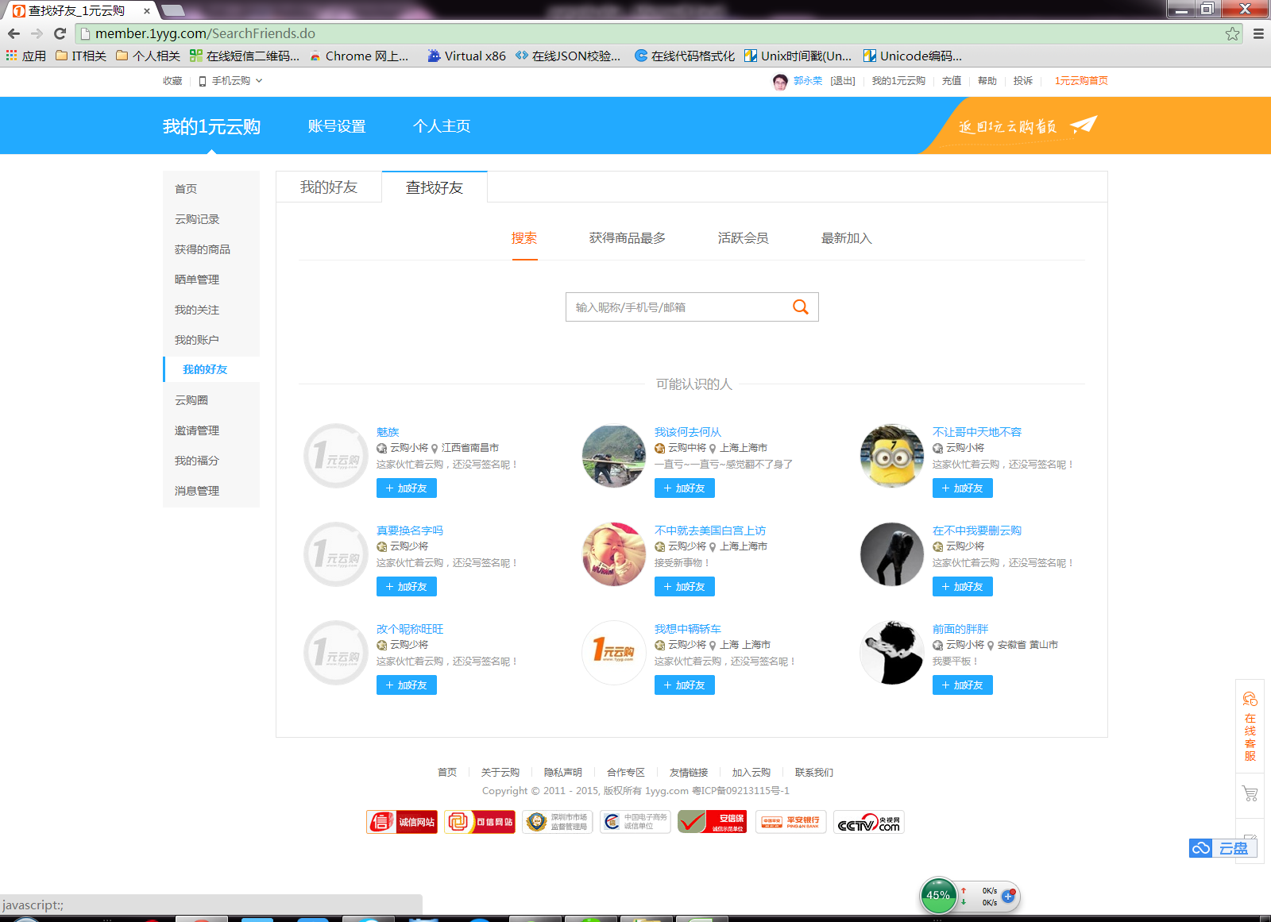

http://member.1yyg.com/JPData?action=getMemberSearchFriends&FIdx=1&EIdx=9&isCount=1&type=-1&key=&fun=jsonp1451610179437&_=1451610179913
jsonp1451610179437({"code":0,"str":{"totalCount":9,"listItems":[{"userName":"魅族","userID":"215666","userPhoto":"00000000000000000.jpg","userWeb":"1000370969","grade":"01","gradeName":"云购小将","address":"江西省南昌市","sign":""},{"userName":"我该何去何从","userID":"521125","userPhoto":"20141025135230259.jpg","userWeb":"1000129558","grade":"03","gradeName":"云购中将","address":"上海上海市","sign":"一直亏~一直亏~感觉翻不了身了"},{"userName":"不让哥中天地不容","userID":"745296","userPhoto":"20131028224431842.jpg","userWeb":"1000677002","grade":"01","gradeName":"云购小将","address":"","sign":""},{"userName":"真要换名字吗","userID":"1044957","userPhoto":"00000000000000000.jpg","userWeb":"1001709783","grade":"02","gradeName":"云购少将","address":"","sign":""},{"userName":"不中就去美国白宫上访","userID":"290838","userPhoto":"20130921210600243.jpg","userWeb":"1000332938","grade":"02","gradeName":"云购少将","address":"上海上海市","sign":"接受新事物！"},{"userName":"在不中我要删云购","userID":"351232","userPhoto":"20130919195316221.jpg","userWeb":"1000002999","grade":"02","gradeName":"云购少将","address":"","sign":""},{"userName":"改个昵称旺旺","userID":"36550","userPhoto":"00000000000000000.jpg","userWeb":"1000724619","grade":"02","gradeName":"云购少将","address":"","sign":""},{"userName":"我想中辆轿车","userID":"635886","userPhoto":"20131029203656299.jpg","userWeb":"1000259631","grade":"02","gradeName":"云购少将","address":"上海 上海市","sign":""},{"userName":"前面的胖胖","userID":"1151558","userPhoto":"20131214122418843.jpg","userWeb":"1001851285","grade":"01","gradeName":"云购小将","address":"安徽省 黄山市","sign":"我要平板！"}]}})

会员-邀请管理
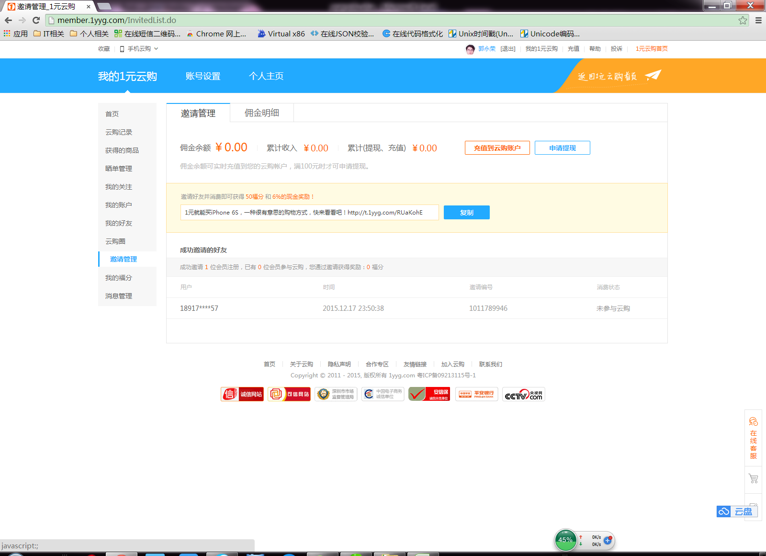

http://info.1yyg.com/JPData?action=getshorturl&url=https%3A//api.weibo.com/2/short_url/shorten.json%3Fsource%3D1681459862%26url_long%3Dhttp%253A//www.1yyg.com/api/referrals.ashx%253Frid%253D9563477%2526url%253Dhttp%25253A//www.1yyg.com%25253Fs%25253Dshare-u9563477&fun=jsonp1451610337871&_=1451610338283
jsonp1451610337871({"urls":[ {"object_type":"","result":true,"url_short":"http://t.cn/RUaKohE","object_id":"","url_long":"http://www.1yyg.com/api/referrals.ashx?rid=9563477&url=http%3A//www.1yyg.com%3Fs%3Dshare-u9563477","type":0} ]} )

http://member.1yyg.com/JPData?action=getInvitedMemberInfoList&FIdx=1&EIdx=10&isCount=1&fun=jsonp1451610337872&_=1451610338286
jsonp1451610337872({"code":0,"str":{"totalCount":1,"buyCount":0,"listItems":[{"userName":"18917****57","regTime":"2015.12.17 23:50:38","state":"0","userWeb":"1011789946","userPhoto":"00000000000000000.jpg","userCode":"1011789946"}]}})

会员-我的福分
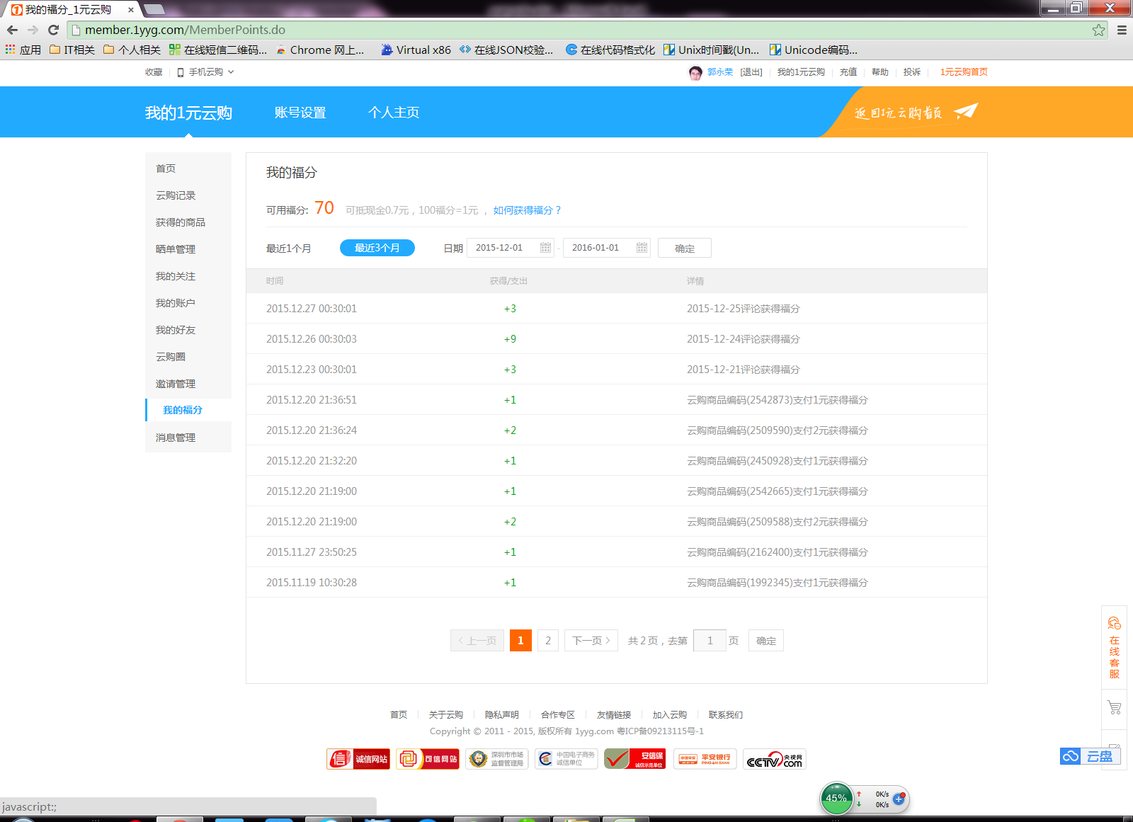

http://member.1yyg.com/JPData?action=getUserPointsDetailList&FIdx=1&EIdx=10&region=4&beginTime=&endTime=&isCount=1&fun=jsonp1451610431999&_=1451610432530
jsonp1451610431999({"code":0,"str":{"totalCount":13,"listItems":[{"logTime":"2015.12.27 00:30:01","logPointNum":"3","logDescript":"2015-12-25评论获得福分"},{"logTime":"2015.12.26 00:30:03","logPointNum":"9","logDescript":"2015-12-24评论获得福分"},{"logTime":"2015.12.23 00:30:01","logPointNum":"3","logDescript":"2015-12-21评论获得福分"},{"logTime":"2015.12.20 21:36:51","logPointNum":"1","logDescript":"云购商品编码(2542873)支付1元获得福分"},{"logTime":"2015.12.20 21:36:24","logPointNum":"2","logDescript":"云购商品编码(2509590)支付2元获得福分"},{"logTime":"2015.12.20 21:32:20","logPointNum":"1","logDescript":"云购商品编码(2450928)支付1元获得福分"},{"logTime":"2015.12.20 21:19:00","logPointNum":"1","logDescript":"云购商品编码(2542665)支付1元获得福分"},{"logTime":"2015.12.20 21:19:00","logPointNum":"2","logDescript":"云购商品编码(2509588)支付2元获得福分"},{"logTime":"2015.11.27 23:50:25","logPointNum":"1","logDescript":"云购商品编码(2162400)支付1元获得福分"},{"logTime":"2015.11.19 10:30:28","logPointNum":"1","logDescript":"云购商品编码(1992345)支付1元获得福分"}]}})

会员-消息管理
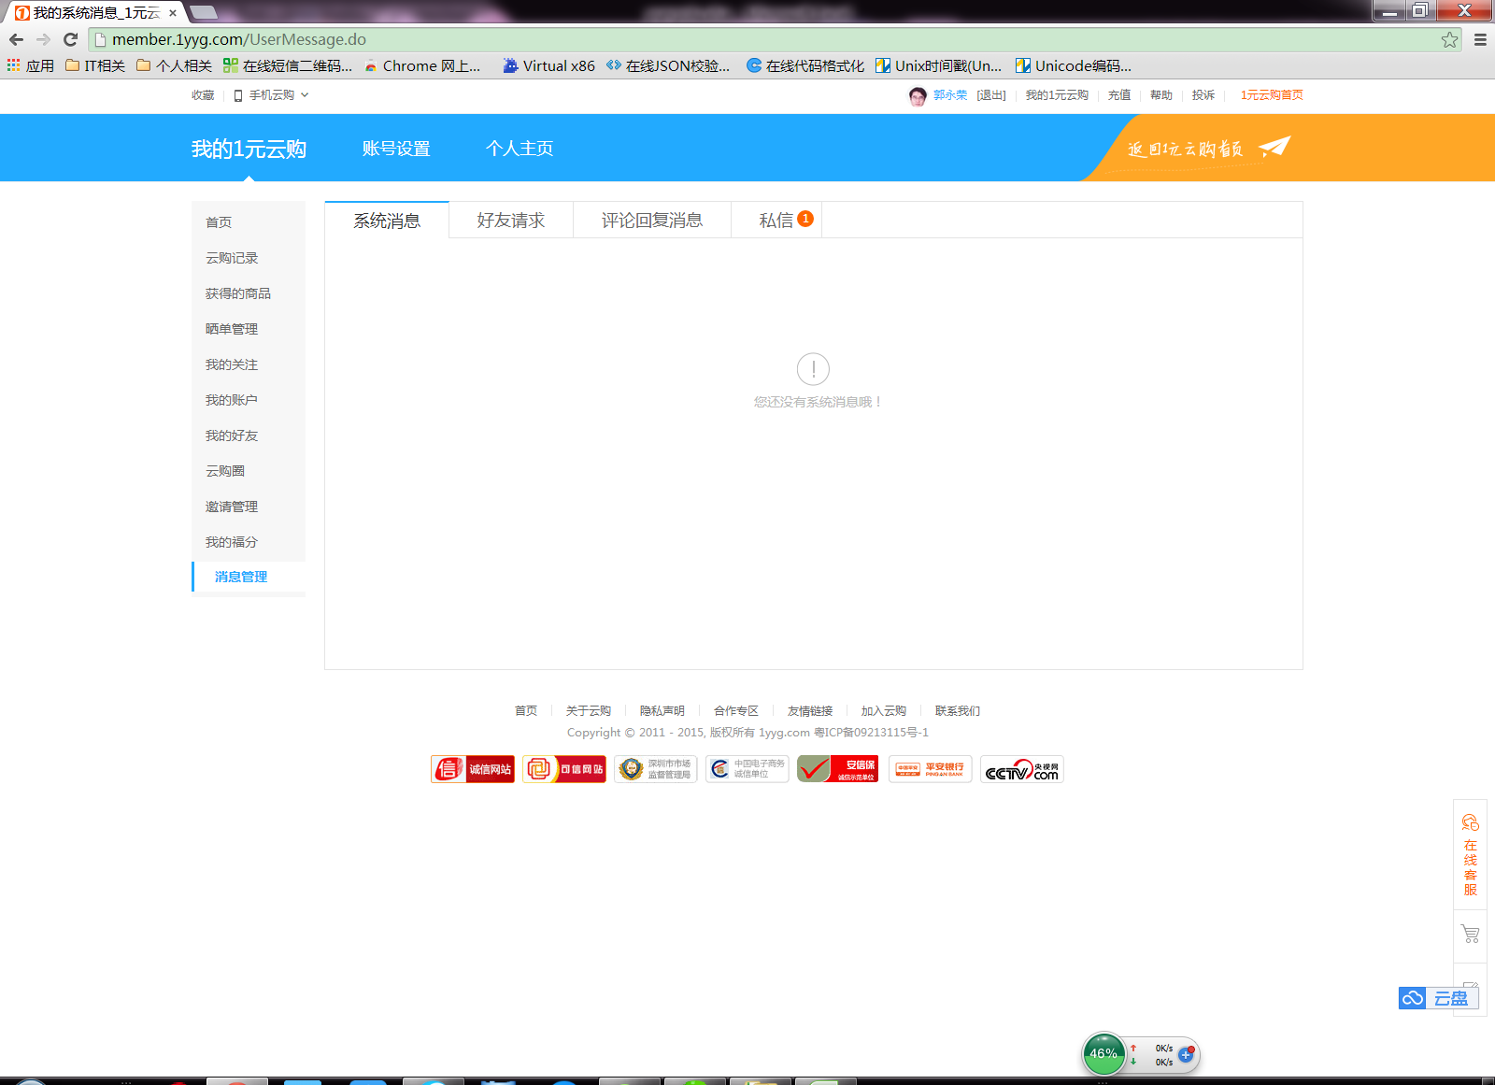



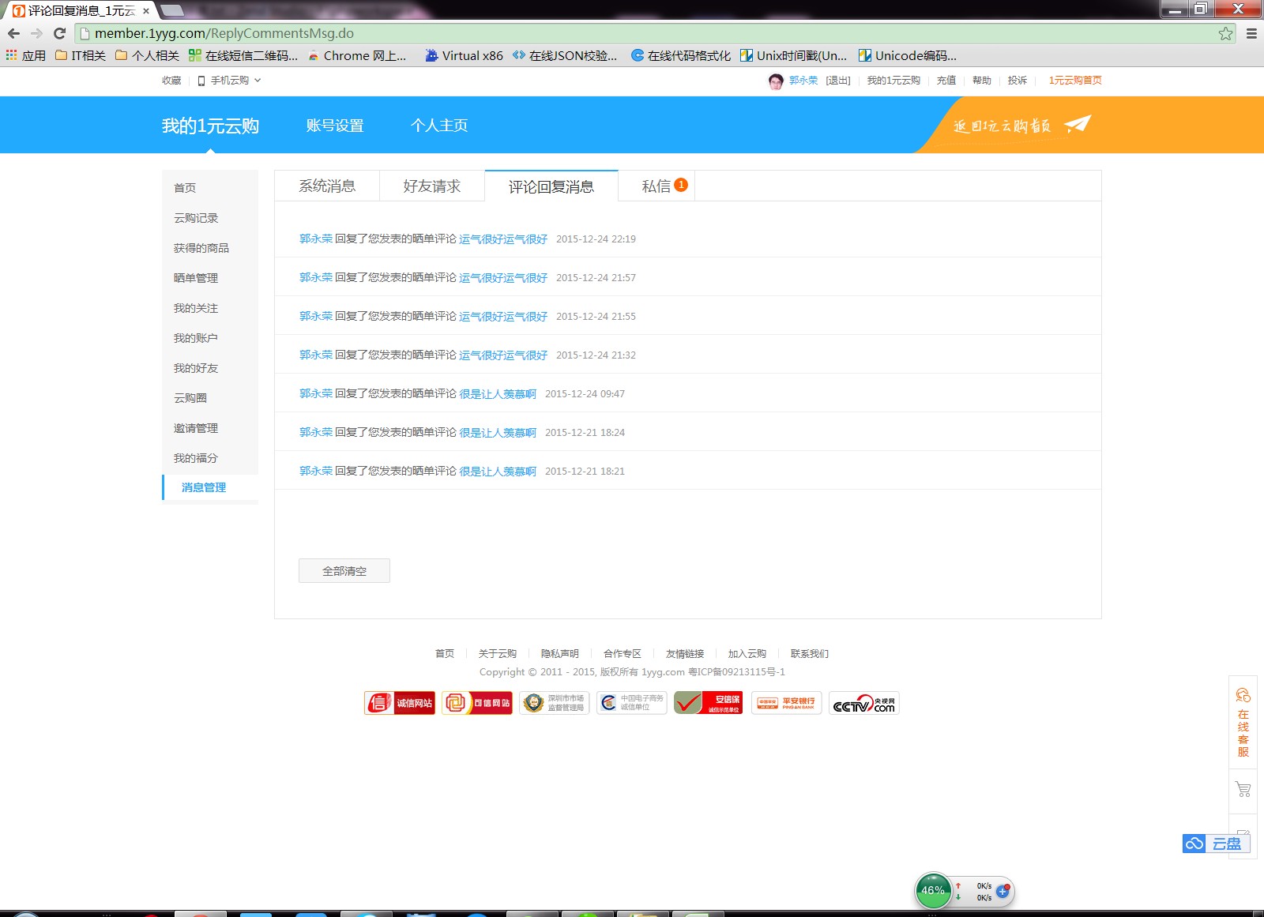

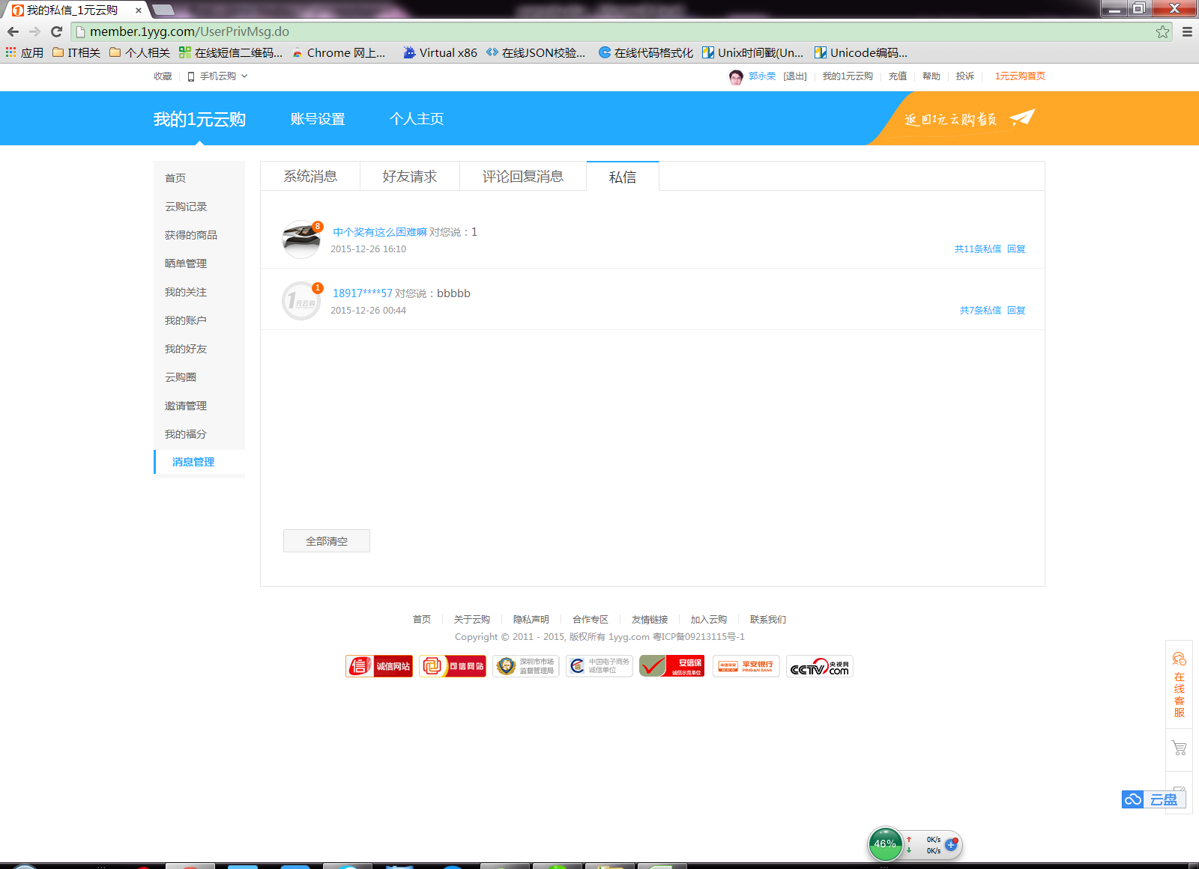

获取各个未读消息的数量
http://member.1yyg.com/JPData?action=getUserMsgCount&fun=jsonp1451610554139&_=1451610554435
jsonp1451610554139({"code":0,"FriendCount":0,"sysMsgCount":0,"privMsgCount":1,"replyMsgCount":0})

评论回复
http://member.1yyg.com/JPData?action=getReplyMsgPageByUserID&FIdx=1&EIdx=10&isCount=1&fun=jsonp1451610831466&_=1451610831834
jsonp1451610831466({"code":0,"count":7,"data":[{"relateID":"125584","msgType":"1","youContent":"运气很好运气很好","heContent":"太牛逼","replyTime":"2015-12-24 22:19","replyUserID":"9563477","userName":"郭永荣","userWeb":"1010381532","msgID":229235},{"relateID":"125584","msgType":"1","youContent":"运气很好运气很好","heContent":"very&nbsp;goods","replyTime":"2015-12-24 21:57","replyUserID":"9563477","userName":"郭永荣","userWeb":"1010381532","msgID":229135},{"relateID":"125584","msgType":"1","youContent":"运气很好运气很好","heContent":"very&nbsp;lucky","replyTime":"2015-12-24 21:55","replyUserID":"9563477","userName":"郭永荣","userWeb":"1010381532","msgID":229127},{"relateID":"125584","msgType":"1","youContent":"运气很好运气很好","heContent":"真的很好","replyTime":"2015-12-24 21:32","replyUserID":"9563477","userName":"郭永荣","userWeb":"1010381532","msgID":229051},{"relateID":"125584","msgType":"1","youContent":"很是让人羡慕啊","heContent":"看来我也要去买一个","replyTime":"2015-12-24 09:47","replyUserID":"9563477","userName":"郭永荣","userWeb":"1010381532","msgID":228252},{"relateID":"125584","msgType":"1","youContent":"很是让人羡慕啊","heContent":"我也想中一个","replyTime":"2015-12-21 18:24","replyUserID":"9563477","userName":"郭永荣","userWeb":"1010381532","msgID":222547},{"relateID":"125584","msgType":"1","youContent":"很是让人羡慕啊","heContent":"让人羡慕啊","replyTime":"2015-12-21 18:21","replyUserID":"9563477","userName":"郭永荣","userWeb":"1010381532","msgID":222538}]})

私信
http://member.1yyg.com/JPData?action=getUserPrivMsgList&FIdx=1&EIdx=5&isCount=1&fun=jsonp1451610861641&_=1451610862061
jsonp1451610861641({"code":0,"count":2,"data":[{"userName":"中个奖有这么困难嘛","userPhoto":"20151212152923647.jpg","userWeb":"1010029819","senderUserID":9533390,"msgContents":"1","msgNum":11,"unReadNum":8,"showTime":"2015-12-26 16:10"},{"userName":"18917****57","userPhoto":"00000000000000000.jpg","userWeb":"1011789946","senderUserID":10605005,"msgContents":"bbbbb","msgNum":7,"unReadNum":1,"showTime":"2015-12-26 00:44"}]})

系统消息
http://member.1yyg.com/JPData?action=getUserMessageList&FIdx=1&EIdx=10&isCount=1&fun=jsonp1452269400221&_=1452269400518
jsonp1452269400221({"code":0,"count":2,"countEx":0,"data":[{"msgID":4432753,"msgContent":"<a href=\"http://u.1yyg.com/1010381532\" class=\"blue\" target=\"_blank\">郭永荣</a> 已通过您的好友请求。","msgRead":1,"showTime":"2015-12-25 23:44"},{"msgID":4386968,"msgContent":"<a href=\"http://u.1yyg.com/1010381532\" class=\"blue\" target=\"_blank\">郭永荣</a> 已通过您的好友请求。","msgRead":1,"showTime":"2015-12-23 20:39"}]})

好友请求
http://member.1yyg.com/JPData?action=getMemberFriendsApply&FIdx=1&EIdx=5&isCount=1&fun=jsonp1452269563801&_=1452269564034
jsonp1452269563801({"code":-1})

清空，删除评论和回复
http://member.1yyg.com/JPData?action=deleteReplyMsgByUserID&msgID=229135&fun=jsonp1452414464329&_=1452414485008

http://member.1yyg.com/JPData?action=deleteUserMessage&msgID=4797501&fun=jsonp1453019249148&_=1453019255911
http://member.1yyg.com/JPData?action=deleteUserMessageAll&fun=jsonp1453019249151&_=1453019287487

系统消息
http://webcms.didv.cn/message/service/getusermessagelist?page=1&limit=10

评论回复
http://webcms.didv.cn/post/service/getreplymsgpagebyuserid?page=1&limit=10

删除某个评论回复
http://webcms.didv.cn/post/service/deletereplymsgbyuserid&msgID=229135

清空，删除评论和回复

