First
test-tabs-a

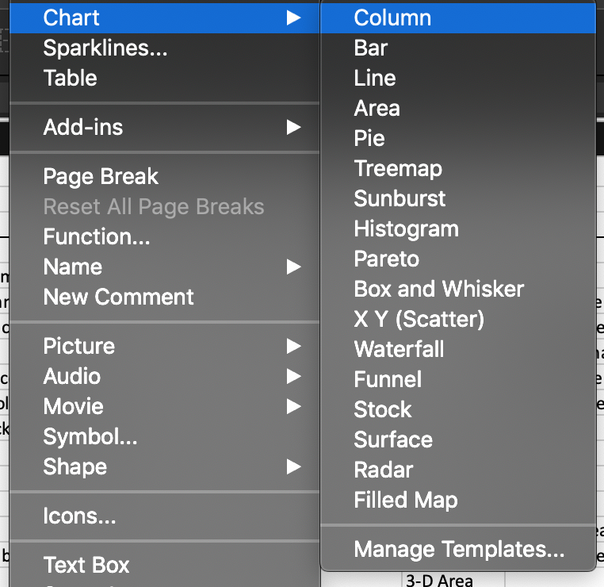

vs Windows

