System Design
https://github.com/checkcheckzz/system-design-interview#toc

Scalability for Dummies
 | http://www.lecloud.net/tagged/scalability

 | Part 1 - Clone -> MVC model works everywhere in OOP and System Design for seperating Model(Data) Controller
 |  | web application server -> controller
 |  | database (or cache) -> model

 |  | Load balancer
 |  |  | Public servers of a scalable web service are hidden behind a load balancer
 |  |  | This load balancer evenly distributes load(requests from your users) onto your group/cluster of application servers
 |  |  | User should always get the same results of his request back, independent what server he "landed on"

 |  |  | That leads to the first golden rule for scalability
 |  |  |  | Every server contains exactly the same codebase and does not store any user-related data, like sessions or profile pictures, on local disc or memory
 |  |  |  | Sessions need to be stored in a centrailized data store which is accessible to all your application servers
 |  |  |  |  | It can be an external database or an external persistent cache, like Redis
 |  |  |  |  |  | External database or External Persistent Cache
 |  |  |  | Deployment?
 |  |  |  |  | How can you make sure that a code change is sent to all your servers without one server still serving old code?
 |  |  |  |  | This problem is already solved by the great tool Capistrano

 |  | Summary
 |  |  | There are many web servers in one services
 |  |  | Load balancer evenly distributes load(requests) onto these servers
 |  |  | Then, how we solve the problem which is difference between servers?
 |  |  | Each servers have same code always using some tool and logic like 'Capistrano'
 |  |  | And data is not store in each server instread of that it is stored in a centeralized data server(AWS call this AMI - Amazon Machine Image)
 |  |  | So, when we need to start new instance/clone, just do an initial deployment of your latest code

 | Part 2 - Database
 |  | From part 1, our servers can now horizontally scale and you can already serve thousands of concurrent requests
 |  | But somewhere down the road your application gets slower and slower and finally breaks down

 |  | Now the required changes are more raidcal that just adding more cloned servers and may even require some boldness
 |  | You can choose from 2 paths
 |  |  | Path 1
 |  |  |  | to stick with MySQL and keep the "beast" running. Hire a DBA, upgrade(RAM, CPU, …) sharding, denomalization, SQL tunning and most of all EXPENSIVE without perfect solution
 |  |  | Path2
 |  |  |  | denormalize right from the beginning and include no more Joins in any database query.
 |  |  |  | You can stay with MySQL, and use it like a NoSQL database, or you can switch to a better and easier to scale NoSQL db like MongoDB, CouchDB
 |  |  |  | CACHE

 | Part 3- Cache
 |  | Cache
 |  |  | After Part-2, you now have a scalable database solution.
 |  |  | With "Cache" I always mean in-memory caches like Memcached ro Redis
 |  |  | Never do file-based caching, it makes cloning and auto-scaling of your servers just a pain

 |  |  | A cache is a simple key-value store and it should reside as a buffering layer b/w app and data storage
 |  |  | Cache is lightning-fast

 |  |  | There are 2 patterns of caching
 |  |  |  | #1- Cached Database Queries
 |  |  |  |  | still most commonly used caching pattern
 |  |  |  |  | Whenever you do a query to your database, you store the result dataset in cache
 |  |  |  |  | The next time you run the query, you first check if it is already in the cache
 |  |  |  |  |  | Have some issue this method
 |  |  |  |  |  |  | expiration, and if it has complex result of query and it has some change, then it should be all refresh
 |  |  |  | #2 - Cached Objects
 |  |  |  |  | Strong recommendation
 |  |  |  |  | see data as an object like you already do in your code(class, instances,…)
 |  |  |  |  | Let your class assemble a dataset from your database and then store the complete instance of the class or the assemble dataset in the cache

 |  |  |  |  | Some ideas of objects to cache:
 |  |  |  |  |  | User sessions(never use the dataset)
 |  |  |  |  |  | fully rendered blog articles
 |  |  |  |  |  | activity stream
 |  |  |  |  |  | user <-> friend relationship

 |  |  |  |  | Redis
 |  |  |  |  |  | extra dataset-features like persistence and the built-in data structure like lists and sets
 |  |  |  |  |  | With Redis and a clever key'ing there may be a chance that you even can get completely rid of a database.

 | Part 4- Asynchronism
 |  | To avoid such a "please wait a while" - situation, asynchronism needs to be done. And what's good for a bakery, is maybe also good for your web service or app
 |  | In general, there are two ways /paradigms asynchronism can be done

 |  | Async #1
 |  |  | pre processing for some tasks which need a lot of time to be processed
 |  |  | dynamic web page -> static web page(HTML)

 |  | Async #2
 |  |  | for request, not in cache or static web page
 |  |  | using job queue, and immediately signal back to the users
 |  |  | RabbitMQ

System Design Interview Tips
 | Clarify the constaints and identify the user cases
 |  | Scope of System
 |  | User cases indicate
 |  |  | the main function of system
 |  |  | constraints list the scale of the system such as requests per second, requests type, data written per second, data read per second
 | High level architecture design
 |  | Sketch the important component and connection between them
 |  | Usually, a scalable system includes web server(load balancer), service(service partition), database(master/slave database)
 | Component Design
 |  | For each component, you need to write the specific APIs for each component
 |  | OOD design for a particular function
 |  | need to design the database schema

How to ace a system desgin interview
 | The system design interview is all about communication
 | Whatever solution you come up with during the interview is just a side effect. What we actually care about is the process

 | We take ownership of open-ended problems
 | We need people we can trust to do the right thing without a lot of supervision-people who can own large projects and take them consistently in the right direction

 | It' an open-ended conversation
 |  | Usually we'll start by asking you to design a system that performs a given task.
 |  | The prompt will be simple, but don't be fooled - these problems are wide and bottomless, and the point of the interview is to see how much volume you can cover in 45 minutes

 |  | For the most part, you'll be steering the conversation. It's up to you to understand the problem.
 |  |  | asking question
 |  |  | sketching diagram on the board
 |  |  | bouncing ideas off your interviewer
 |  |  | constaints
 |  |  | What kind of inputs does your system need to handle
 |  |  | You have to get a sense for the scope of the problem before you start exploring the space of possible solutions.
 |  |  | No single answer
 |  |  | Everything is a tradeoff

 | Topics
 |  | Systems are complex, and when you're designing a system you're grappling with its full complexity.
 |  | Given this, there are many topics you should be familiar with, such as

 |  | Cucurrency
 |  |  | thread, deadlock, and starvation.
 |  |  | Do you know how to parallelize algorithm
 |  |  | consistency and coherence

 |  | Networking
 |  |  | roughly understand IPC and TCP/IP
 |  |  | the difference between throughput and latency
 |  |  | and where each is the relevent factor

 |  | Abstraction
 |  |  | OS, filesystem, database, the various levels of caching in the modern OS?

 |  | Real-world performance
 |  |  | You should be familiar with the speed of everything your computer can do
 |  |  | include the relative performance of RAM, disk, SSD and network

 |  | Estimation

 |  | Availability and Reliability
 |  |  | distributed envirnoment
 |  |  | Do you know how to design a system to cope with network failure?
 |  |  | duralbility

 |  | We're not looking for mastery of all these topics, but looking for familarity

 | How to prepare?
 |  | Do mock design sessions
 |  |  | Grap an empty room and a fellow engineer, and ask them to give a design problem, preferably related to something they have worked on

 |  | Work on actual system
 |  |  | actually focus on the architecture and the tradeoffs behind each decision.
 |  |  | Contirbute to OSS or build something with a friend
 |  |  | Treat your class projects as more than just academic exercise
 |  |  | As with most things, the best way to learn is by doing

 |  | Do back-of-the-envelope calculations for something you're building and then write micro-benchmarks to verify them

 |  | Dig into the performance characteristics of an open source system
 |  |  | trade off

 |  | Learn how databases and operating system work

System
 | https://www.hiredintech.com/courses/system-design

Scalable Web Architecture and Distributed Systems
 | http://www.aosabook.org/en/index.html

 | Open source software has become a fundamental building block for some of the biggest websites.
 | Design problem
 | -> not coding problem line by line. Instread of that, how to rearrange module, select right module, and tradeoff b/w them

 | 1.1 Principles of Web Distributed Systems Design
 |  | What exactly does it mean to build and operate a scalable web site or application?
 |  | At primitive level it's just connecting users with remote resources via the Internet - the part that makes it scalable is that the resources,
 |  | or access to those resources, are distirubted across multiple servers.

 |  | understanding some of the consideration and tradeoffs behind big websites

 |  |  | Availability
 |  |  |  | The uptime of a website is absolutely critical to the reputation and functionality of many companies.
 |  |  |  | Being unavailable for even minutes can result in thousands or millions of dallars in lost revenue
 |  |  |  | Rapid recovery in the event of partial system failurs

 |  |  | Performance
 |  |  |  | The speed of web sites affects usage and user satisfaction
 |  |  |  | Fast responses and low latency is key

 |  |  | Reliability

 |  |  | Scalability
 |  |  |  | Easy for adding more storage capacity
 |  |  |  | How much additional traffic can it handle
 |  |  |  | How many more transactions can be processed

 |  |  | Manageability

 |  |  | Cost

 | 1.2 The basics
 |  | When it comes to system architecture there are a few things to consider
 |  |  | what are the right pieces
 |  |  | how these pieces fit together
 |  |  | what are the right tradeoffs

 |  |  | Investing in scaling before it is needed is generally not a smart business proposition

 |  |  | This section is focused on some of the core factors that are central to almost all large web applications
 |  |  |  | Services, redundancy, partition, and handling failure

 |  | Example : Image Hosting Application
 |  |  | At some point you have probably posted an image online. For big sites that host and deliver lots of images
 |  |  | there are challenges in building an architecture that is cost-effective, highly available, and has low latency

 |  |  | cost-effective, highly available, and has low latency

 |  |  | Requirement
 |  |  |  | upload image to a central server
 |  |  |  | the image can be requested via a web link or API
 |  |  |  | this application has two key parts
 |  |  |  |  | the ability to upload (write) an image to server
 |  |  |  |  | the ability to query for an image

 |  |  |  | While we certainly want the upload to be effient, we care most about having very fast delivery when someone requests an image
 |  |  |  | This is very simila functionality to what a web server or Content Delivery Network(CDN) edge server

 |  |  |  | ***
 |  |  |  | There will be no limit to the number of images that will be stored, so storage scalability
 |  |  |  | There needs to be low latency for image download/request
 |  |  |  | If a user uploads an image, the image always should be there (data reliability for image)
 |  |  |  | The system should be easy to maintain
 |  |  |  | Since image hosting does not have high profit margins, the system needs to be cost-effective

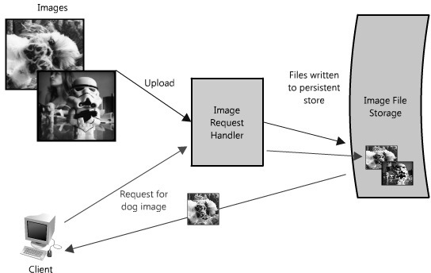

 |  | the system must be perceivably fast, its data stored reliably and all of these attributes highly scalable
 |  | We want to build something that could grow as big as Flickr

 |  | Services
 |  |  | When considering scalable system design, it helps to decouple functionality and think about each part of the system as its own service
 |  |  | with a clearly defined interface

 |  |  | SOA - service oriented architecture

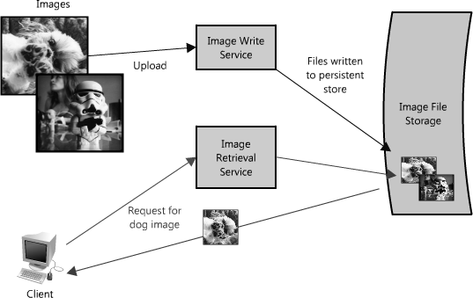

 |  |  | its own distinct functional context
 |  |  | interface between them, typically the public-facing API of another service

 |  |  | decouples the operation of those pieces from one another
 |  |  |  | relationship between the service
 |  |  |  | its underlying environment
 |  |  |  | the consumers of that service

 |  |  |  | -> isolate problem, each piece to scale independently of one another
 |  |  |  | This sort of service-oriented design for system is very similar to object-oriented design for programming
 |  |  | #1
 |  |  | In our example, all requests to upload and retrieve images are processed by the same server;
 |  |  | however as the system needs to scale it make sense to break out these two functions into their own services
 |  |  | #2
 |  |  | Read can be asynchronous, or take advantage of other performance optimization like gzip compression or chunked transfer encoding
 |  |  | Write tend to maintain an open connection for the durationfor the upload

 |  |  | Planning for this sort of bottleneck makes a good case to split out reads and writes of image into their own services.

 |  |  |  | this allow us to scale each of them independently, also help clarify what is going on at each point.
 |  |  |  | easier to troubleshoot and scale a problem like slow reads

 |  |  | The advantage of this approache is that we are able to solve problems independently of one another
 |  |  |  | we do not have to worrry about writing and retrieving new images in the same context

 |  |  | similary to Cloud Strorage Provider, Content Delivery Networks
 |  |  | how to divide each function?

 |  | Redundancy
 |  |  | In order to handle failure gracefully a web architecture must have redundancy of its services and data
 |  |  | If there is only one copy of a file stored on a single server, then losing server means losing that file. A common way of handling it is to create multiple, or redundant copies.

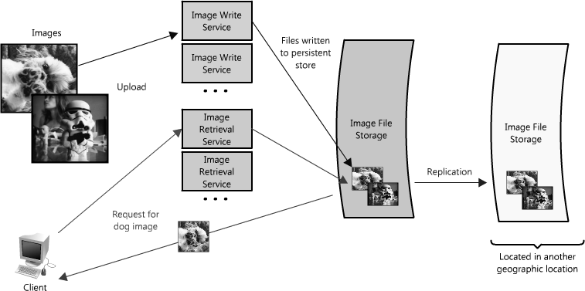

 |  |  | Creating redundancy in a system can remove single point of failure and provide a backup or spare functionality if needed in a crisis
 |  |  | Failover
 |  |  | Failover can happen automatically or require manual intervention

 |  |  | Another key part of service redundancy is creating a a shared-nothing architectue. \
 |  |  | No central brain managing state or coordinating activities for the other nodes.
 |  |  |  | -> This helps a lot with scalability since new nodes can be added without special conditions or knowledge.

 |  | Partitions
 |  |  | There may be very large data sets that are unable to fit on a single server. It may also be the case that an operation require too
 |  |  | many computing resources, diminishing performance and making it necessary to add capacity
 |  |  | In either case you have two choices: scale vertically or horizontally

 |  |  | Scale vertically means adding more resources to an individual server
 |  |  |  | more hdd, faster CPU, more memory,
 |  |  |  | In each case, vertical scaling is accomplished by making the individual resource capable of handling more on its own

 |  |  | To scale horizontally is to add more nodes.
 |  |  |  | In the case of the larget data set, this might be a second server to store parts of that data set

 |  |  | Partition, shard
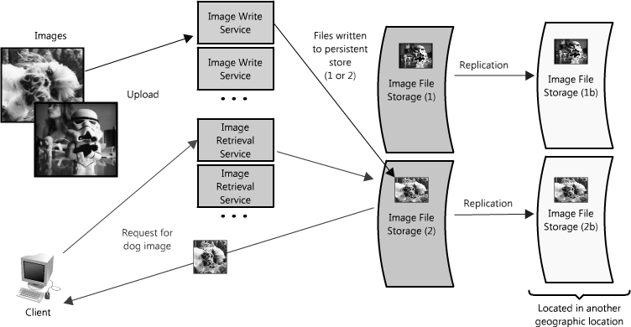

 |  |  |  | Geographically, pay or not pay,

