Sheet1
Three children went home from a party with four balloons each, and four children went home with three balloons each. How many balloons is that altogether? A 3 B 4 C 12 D 24 E 36
How many grams of jam are there in this full jam jar? A 0.4 grams B 4 grams C 40 grams D 400 grams E 4000 grams
In one of the five words below, every letter has rotational symmetry. Which word? A ONION B BISON C DOZEN D SAXON E CHINO
Historians say that William the Conqueror was born in 1028. How many years ago was that? A 790 B 810 C 910 D 990 E 1010
Which of these is closest to 201.8 mm in length? A the length of a big toe B the width of one of the pages of this question paper C the height of a door D the distance across a sports stadium E the width of a small galaxy
A match starts at 7.45 p.m. and has two halves of 45 minutes each. The half-time break lasts for 15 minutes and the referee adds on an extra three minutes at the end of each half. At what time does the match finish? A 8.30 p.m. B 9.30 p.m. C 9.21 p.m. D 9.33 p.m. E 9.36 p.m.
−
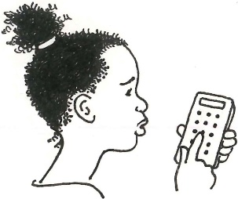 Michaela meant to work out the answer to 50.45 0.4 on her calculator, but she made a mistake and got the answer 20.18 Which of these is most likely to have been her mistake? A pressing + instead of − B pressing 40 instead of 0.4 C pressing × instead of − D missing out one of the decimal points E pressing ÷ instead of −
The sum of the first 5 odd positive numbers is 25. What is the sum of the first 5 even positive numbers? A 30 B 35 C 40 D 45 E 50
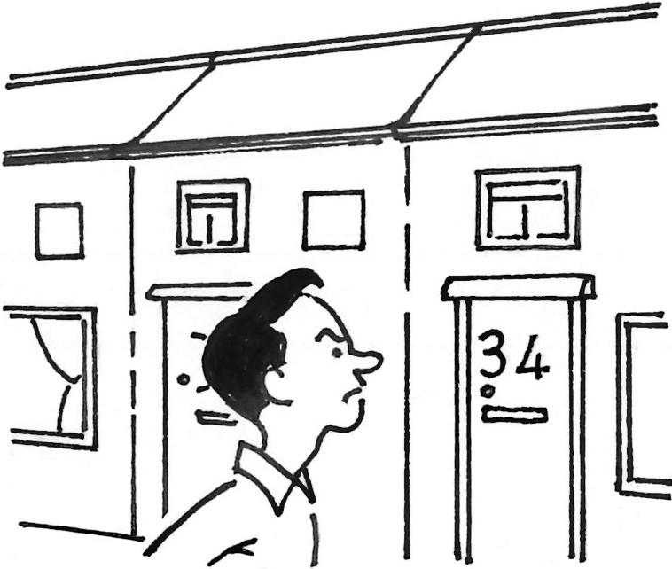 Mr Fussy wants to buy a new house but he does not want a house with the digit 4 in the door number! The new houses are numbered 1 to 100 How many houses can Mr Fussy choose from? A 19 B 20 C 80 D 81 E 90
There are roughly three million people who live in Wales. Nearly six hundred thousand of them speak Welsh. Approximately what percentage of people living in Wales speak Welsh? A 10% B 20% C 30% D 40% E 50%
Mo and Jo robbed a bank and stole £100 between them, all in £5 notes. The amount Mo ran off with was a multiple of £13. How much money did Jo get away with? A £13 B £25 C £35 D £50 E £87
Fish fingers are made from a block of cod. The block is cut into 4 bricks, each brick is then cut into 6 planks and there are 4 fingers in each plank. How many fish fingers does each block of cod make? A 14 B 16 C 24 D 72 E 96
Teddy buys a cup of coffee and a cake for £3.75, while Freddy buys a cup of coffee and 2 cakes for £6.25. Each cake costs the same. How much is a cup of coffee? A £1 B £1.25 C £1.50 D £2 E £2.50
The diagram shows a pentagon with its five diagonals drawn in. How many diagonals can be drawn on a regular hexagon? A 8 B 9 C 10 D 11 E 12
The diagram shows a square touching three of the sides of a triangle. What is the total of the shaded angles? A 90° B 150° C 180° D 270° E 360°
Anna thinks of a number, divides it by 5, adds 20 to it and ends up with the number she first thought of. What was that number?
A palindrome, such as 707 or 2552, is a number that remains the same when read backwards. What is the largest six-digit palindrome which is a multiple of 6?
On a ferry, the total number of cars, bikes and lorries is an even number and is less than 100. The number of cars is one third more than the number of bikes. The number of bikes is one quarter more than the number of lorries. How many cars, bikes and lorries are there on the ferry?
Eight friends are sitting around a circular table at Abbie’s birthday party. Abbie has only 3 party-poppers, so she wants to give them to three of her friends, so that no two friends sit- ting next to each other both get a party-popper. How many ways are there in which she can do this?
Harry Potter was born on 31 July 1980. How many years ago was that? A 10 B 20 C 30 D 40 E 50
Which of the following is closest to the length of my little finger? A 1 foot B 2 km C 3 mm D 4 m E 5 cm
Boastful Grandad says that he can walk 10 miles in 3 minutes. How likely is this? A impossible B unlikely C possible D likely E very likely
Chay Pup folds a regular hexagon along each of its diagonals. The result is the folded triangular shape shown on the right. When it is unfolded and cut along all of the folds, how many triangular pieces will there be? A 2 B 3 C 4 D 5 E 6
The Simpsons go on their family summer holiday at midday on 22 August and return home at midday on 2 September. How many nights are they away from home? A 11 B 12 C 13 D 14 E 15
Spike the hedgehog eats 8 slugs each day except on Sundays, when she eats 10 slugs. How many slugs does she eat in one week? A 50 B 58 C 60 D 66 E 70
My baby sister is 1000 days old today. How many years old will she be on her next birthday? A 3 B 4 C 5 D 10 E 12
On each face of a Rubik’s Cube the 9 small squares are the same colour, and a different colour is used for each face. One face has 9 white squares. How many squares on the surface of the cube are not white? A 18 B 27 C 36 D 45 E 54
Postie Patricia delivers letters to all of the odd-numbered houses in a street. If she starts at number 1 and finishes at number 29, how many houses has she visited? A 14 B 15 C 16 D 17 E 18
The diagram shows a pentagon with a square placed edge to edge with it. George places another square on each of the other four edges of the pentagon. How many outside edges does the combined shape now have? A 13 B 14 C 15 D 16 E 17
Linus has drawn this pattern on graph paper. When he continues the same pattern, which of the points A, B, C, D or E will his line go through? A B C D E
Last week my maths teacher said that today she would be wearing a new scarf. Kiran thought it would be red and plain, Lila suggested blue and stripy, while Manul was sure it would be red and flowery. Each of them was correct in stating either the colour or the pattern of the scarf. Which of the following describes my teacher’s scarf? A blue and flowery B plain blue C red and flowery D plain red E red and stripy
Marge Rine has a cube of butter with sides of 4 cm. She spreads all the butter evenly on her piece of toast which is 8 cm by 10 cm. [Then she adds the jam.] How thick is the butter on the toast? A 2 mm B 4 mm C 8 mm D 1 cm E 4 cm
The Royal Society for the Protection of Birds (RSPB) planted 12 000 trees at Dovestone Reservoir in the Peak District in 32 days, with the help of 15 volun- teers. If all the voluteers worked on their own at the same speed, how many trees on average did each volunteer plant each day? A 12 B 16 C 20 D 25 E 32
A rectangular piece of paper is folded in half to form a square. The area of the square is 36 cm2. What is the perimeter of the original rectangle? A 9 cm B 18 cm C 36 cm D 72 cm E 144 cm
The diagram shows four overlapping flower shapes. The areas of the shapes are 4 cm2, 9 cm2, 16 cm2 and 25 cm2. What is the total shaded area in cm2? A 13 B 14 C 15 D 16 E 17
In 2010 about 120 million digital still cameras were sold worldwide. By 2018 this number had decreased by 85%. About how many million digital still cameras were sold in 2018? A 18 B 28 C 38 D 48 E 58
Marcia thinks of a positive whole number, and puts it into the number machine above. What is the largest two-digit number that she could obtain as an answer?
Oranges cost 26p each and lemons cost 30p each. Gordon spent exactly £5 on a mixture of oranges and lemons. How many oranges and lemons altogether did he buy?
The diagram shows a square and a triangle. The triangle is formed by a corner and the midpoints of two sides of the square. The area of the triangle is 150 cm2. What is the perimeter of the square in centimetres?
I buy 10 plastic dinosaurs at 99p each and give the shopkeeper a £10 note. How much change should I receive? A 1p B 10p C £1 D £10 E £100
Which of the following is closest to the length of a car? A 4 mm B 40 cm C 4 m D 40 m E 4 km
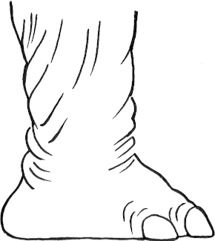 An elephant’s height is about twice the circumference of one of its feet. The circumference of one of Nellie’s foot is 150 cm. About how tall is she? A 350 mm B 2 m C 3 m D 4 m E 450 cm
no
yes
The pie chart on the right shows the numbers of pupils who answered the question “Is there life in Outer Space?" with a “yes” or “no”. There were 21 pupils who answered “yes”. How many pupils answered “no”? A 4 B 5 C 6 D 7 E 8
On the first day of this month, the sun rose at Greenwich at 06:54 and set 9 hours and 40 minutes later. At what time did the sun set? A 15:34 B 15:54 C 16:34 D 16:54 E 21:34
Hannah places a mirror after the word SWIMS like this: SWIMS What would the reflection look like in the mirror? A WIM B C SMIWS D MIW E SWIM
Farmer Baar has 36 sheep, some pink and the rest white. There are twice as many pink sheep as white sheep. How many of the sheep are pink? A 10 B 12 C 20 D 24 E 30
Henry the tortoise eats 20 g of salad leaves a day. The leaves are sold in 80 g bags which cost 90p. How much would it cost to feed Jonathan for 4 weeks? A £4.20 B £4.80 C £5.30 D £5.70 E £6.30
Mr Waddle walks at 2 mph and Mr Ramble walks at 4 mph. They set off together for a non-stop 12 mile hike. How long after Mr Ramble finishes does Mr Waddle complete the hike? A 1 hour B 3 hours C 4 hours D 6 hours E 12 hours
I add together three consecutive whole numbers. Their sum is always A a multiple of 5 B odd C prime D even E a multiple of 3
Miss Fitt likes to line her class up in different ways. When all the pupils are there she can line them up in twos, or in threes or in fives, with nobody left over. What is the smallest number she could have in her class for that to be true. A 60 B 45 C 30 D 20 E 15
Isaac is 53 years old. His mother is 81. How many years ago was Isaac’s age one third of his mother’s age then? A 29 B 31 C 34 D 37 E 39
The floor of Milo’s rectangular bedroom is completely covered with square carpet tiles. When he measures the room in tiles, he finds it is 11 tiles long and 8 tiles wide. How many of the carpet tiles do not touch the walls? A 34 B 38 C 50 D 54 E 88
More than 60% but less than 65% of the spiders in my cupboard have hairy legs. What is the smallest number of spiders that could be in my cupboard?
Three cats, Flopsie, Lopsie and Topsie, were weighed in pairs. The weights of each of the three pairs were 5 kg, 8 kg and 9 kg. What was the weight of the heaviest cat?
Tabitha writes down a four-digit number N. She then rubs out one of the digits and creates a new three-digit number, M, with the three digits that are left (in the same order as before). The difference between N and M is 2021. What is Tabitha’s original number N?
Addum thinks of a number, adds 6 to it, subtracts 4 and adds 3. He then subtracts the number he first thought of. What will his answer always be? A 5 B 6 C 7 D 8 E 9
Gulpa Chaar makes two cups of tea from each of her tea bags. Her husband makes three cups from each of his tea bags. They each drink 30 cups of tea a week. Exactly how many tea bags do they use each week? A 12 B 20 C 25 D 30 E 60
Ben is putting rulers into packets all containing the same number of rulers. He has just got to the 37th ruler, and is working on packet 7, when his telephone rings. How many rulers does the fourth packet contain? A 6 B 8 C 10 D 12 E 14
Simone and James each bought identical action figure toys from the same shop. Simone bought hers on Tuesday when there was 10% off the original price. James bought his on Sunday when there was 15% off the original price. Simone paid 45 pence more than James. What was the original price of the action figure toys? A £4.50 B £5 C £9 D £10 E £90
What is the difference in value between 24 and 42 ? A 0 B 1 C 2 D 4 E 8
After each round of a knockout netball competition the losing teams drop out until just the winner remains. How many games are played to complete a competition when there are eight teams to begin with? A 4 B 6 C 7 D 8 E 12
Robyn buys a parrot for £50 and sells him for £60. Later she buys her parrot back for £70 and then sells him again for £80. How much profit has she made altogether? A £0 B £5 C £10 D £20 E £50
It is possible to rearrange the letters of the word TIME to make lots of four letter words, most of them nonsense words. In total how many words can you make from these four letters? A 4 B 6 C 12 D 24 E 120
A very large box contains 4 large boxes and each of the 4 large boxes contains 2 small boxes. Each of the small boxes contains 4 tiny boxes. How many boxes are there in total? A 32 B 36 C 40 D 42 E 45
Maud is making mud pies. For every 20 g mud she uses, she adds an extra 25 g slime and 5 g sand. Altogether, Maud makes 1 kg of mud pies. How much mud does she use? A 20 g B 40 g C 50 g D 200 g E 400 g
What is the area of a square whose diagonal measures 12 cm? A 24 cm2 B 36 cm2 C 60 cm2 D 72 cm2 E 144 cm2
What is the angle between the minute hand and the hour hand of a clock which shows the time as half past two? A 90° B 100° C 105° D 110° E 120°
Alice wants to provide a security guard for a bank, 24 hours a day, seven days a week for 80 days. Each guard will work for twelve hours a day for four days and then have four days off work. What is the smallest number of guards she will need? A 2 B 3 C 4 D 5 E 6
What number is this? When multiplied by 8, it’s a multiple of 3. When divided by 9, it’s as prime as can be. When doubled contains a 3 or a 1. When halved it’s a square, but a 4, it has none. A 9 B 13 C 17 D 18 E 27
A cuboctahedron is a 3-D shape with 6 square faces and 8 equilateral triangular faces. Each square face is surrounded by triangles and each triangular face is surrounded by squares. How many edges does a cuboctahedron have? A 12 B 24 C 25 D 48 E 50
There are 200 pupils at Pythagoras Primary School, split into seven classes: Reception, Year 1, Year 2, Year 3, Year 4, Year 5 and Year 6. Three classes have exactly 30 pupils, but no class has more than 30 pupils. Reception, Year 2 and Year 6 all have one fewer pupil than Year 1. Year 4 has more pupils that Year 3. How many pupils are there in Year 3? A 23 B 24 C 25 D 26 E 27
The odometer in Martin’s car shows that the car has travelled 45 125 miles. The digit 5 appears twice. How many more miles must Martin travel before the mileage includes two digits that are the same? A 5 B 6 C 7 D 8 E 9
The average pay of a restaurant waiter in the UK is £6.81 per hour. For roughly how many hours will a waiter have work to earn £100? A 5 B 8 C 11 D 15 E 18
Tick’s clock shows a time of 16:27, but Tock’s clock shows a time of 16:31. Tock’s clock is 3 minutes slow. Then Tick’s clock is A 7 minutes slow B 6 minutes slow C showing the correct time D 1 minute fast E 3 minutes fast
A square has a perimeter equal to that of a regular hexagon. The perimeter of the hexagon is 48 cm. What is the area of the square? A 36 cm2 B 48 cm2 C 64 cm2 D 120 cm2 E 144 cm2
Who am I? I am the sum of the squares of two consecutive numbers less than 20 and I look the same upside down! A l0 l B l6 l C l8 l D 80 8 E 8l 8
What is the remainder when 7 999 999 999 is divided by 8 ? A 0 B 1 C 7 D 8 E 9
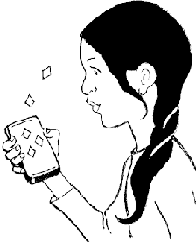 Adie is addicted to a new quiz game on her phone. She gets one diamond for getting the first question correct, two diamonds for getting the second question correct, four diamonds for getting the third question correct. In fact, every time she answers a question correctly the number of diamonds she receives doubles! She receives 127 diamonds in total. How many questions did she answer correctly? A 6 B 7 C 8 D 9 E 10
4 × 8 × 3 × 11 × 2 × N = 32 × 33 × 34 In the calculation above, what is the value of N? A 13 B 14 C 15 D 16 E 17
Patrick remembers his favourite number this way: if you take away 500 from it you get a negative number, but if you add 501 you get a 4-digit number. What is the total of the digits in Patrick’s favourite number? A 20 B 21 C 22 D 23 E 24
In six years’ time Penny will be three times as old as she was four years ago. How old is Penny now? A 6 B 7 C 8 D 9 E 12
I have three jars. In the first jar there are 16 buttons, in the second there are 28 buttons and in the third there are 37 buttons. What is the smallest number of buttons that must be moved to ensure that each jar will have the same number of buttons? A 10 B 11 C 12 D 13 E 14
How many of the five numbers below are multiples of 13? 13 131 1313 13131 131313 A 1 B 2 C 3 D 4 E 5
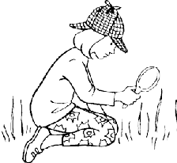 The grass tennis courts at Wimbledon are immaculate! A tennis court is a rectangle of dimensions 23.77 m by 10.97 m. I count 18 single blades of grass in one square centimetre. Roughly how many blades of grass are there altogether on one court? A 5000 B 50 000 C 500 000 D 5 000 000 E 50 000 000
17. If you were to think of two positive whole numbers so that the product of their sum and their difference was 21, what is the largest that one of your numbers could be? A 7 B 8 C 9 D 10 E 11
A shop sells striped, spotty and plain shirts which are all available in small, medium and large sizes, each on their own hanger. One of each type is put out on display. How many coat hangers are needed to do this? A 6 B 7 C 8 D 9 E 10
A flea can jump 32 cm, a grasshopper can jump 100 cm and a frog can jump 150 cm. What is the mean of these distances? A 32 cm B 94 cm C 100 cm D 150 cm E 282 cm
Information from a spacecraft on Mars takes about three hours to travel to NASA headquarters on Earth. Mars is about 171 million miles away. At how many million miles an hour is this information travelling? A 57 B 60 C 86 D 120 E 172
What is the difference between the largest one-digit multiple of 3 and the smallest two-digit multiple of 3? A 1 B 2 C 3 D 4 E 5
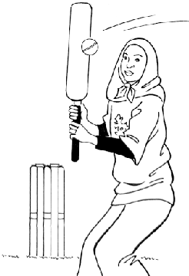 Roya hits four out of five cricket balls bowled to her. Khalida hits three out of four balls bowled to her. Each girl is bowled 20 balls. What happens? A Roya hits one more ball than Khalida B Khalida hits one more ball than Roya C Roya hits four more balls than Khalida D Khalida hits five less balls than Roya E They both hit the same number of balls
I have two congruent right-angled isosceles triangles. (Congruent means they are identical in shape and size.) Which of the following shapes can never be made with these triangles when they are placed side by side to make new shapes? A square B isosceles triangle C rhombus D equilateral triangle E hexagon
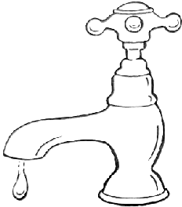 Philla Bucket was measuring the water wasted by a drip- ping tap over a week. She noticed that over the weekend it leaked 250 ml and that on each weekday it leaked 100 ml. How many litres of water were wasted over the week? A 0.5 B 0.75 C 1 D 1.5 E 1.8
When I was 14 years old, my mother was 38. She is now twice as old as me. How old am I now? A 20 B 22 C 24 D 26 E 28
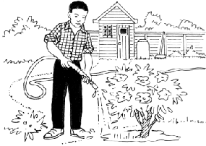 Gregory Growmore has dug up all of his potatoes, carrots and onions. It turns out that he has twice as many potatoes as carrots, and twice as many carrots as onions. In total, he has 84 vegetables. How many onions does he have? A 8 B 10 C 12 D 14 E 42
A poor computer translation programme loses $ 20% of meaning with each translation. Mat ! !"@⊥1 How much meaning will be left after two translations? A 20% B 40% C 50% D 64% E 80%
On the first day I do a press-up. On the second day I do three press-ups. On the third day I do five press-ups, and so on up to day n. Which formula tells me how many press-ups I will do on day n ? A n − 1 B n C 2n − 1 D 2n E 2n + 1
The minute hand on Big Ben is about 4.3 metres long. Every hour the tip of the minute hand traces out a circular path which is just over 27 metres long. Approximately how far does it travel in one year? A 10 000 m B 12 km C 24 km D 100 km E 240 km
Jenny Jackson has 20 friends. 18 would like to help in a charity shop, 14 would like to help young children with their reading, and 10 would like to help with animals. What is the largest possible number of her friends that would not like to do any of these? A 1 B 2 C 3 D 4 E 6
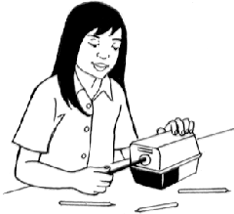 Joe likes sharpening pencils! It takes him 2 hours and 20 minutes to sharpen a box of 144 pencils. The next day, Joe (working at the same rate) is helped by Josie. Together they take exactly one hour to sharpen another box of 144 pencils. How long would it take Josie, working at her rate, to sharpen 144 pencils on her own? A 1 hour 10 minutes B 1 hour 12 mins C 1 hour 36 mins D 1 hour 45 mins E 2 hours
International Standard Book Numbers are given to each new book which is published. If the sum of the 2nd, 4th, 6th, 8th, 10th and 12th digits is tripled and then added to the remaining digits (1st, 3rd, 5th, 7th, 9th, 11th and 13th), the total will always be divisible by 10. So, in this case, 3 × (7 + 3 + 6 + 4 + 4 + 0)+ (9 + 8 + 1 + 1 + 8 + 1 + 0) = 72 + 28 = 100. In the ISBN on the right, the 12th digit is hard to read: 978-0-90-65889?-7 What is the 12th digit? A 0 B 1 C 2 D 6 E 8

