Item
No. | Brand | ItemID | Picture | Name | Season | Category | Color | Pattern | ImagePath
1 | SandyLiang | SL-26SS-001 |  | GINGKO DRESS IN BUNNY GIFT WRAP | 26SS | Dress | Beige | Graphic Print | "C:\Users\tc012\OneDrive - University College London\桌面\Dataset Picture\SL-26SS-001.jpg"
2 | SandyLiang | SL-26SS-002 |  | GINGKO DRESS IN TULIP | 26SS | Dress | Pink | Floral
3 | SandyLiang | SL-26SS-003 |  | BRIAR JACKET IN BLACK | 26SS | Jacket | Black | Solid
4 | SandyLiang | SL-26SS-004 |  | BRIAR JACKET IN GREY | 26SS | Jacket | Grey | Solid
5 | SandyLiang | SL-26SS-005 | 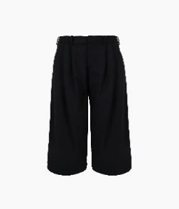 | MAKI PANT IN BLACK | 26SS | Trousers | Black | Solid
6 | SandyLiang | SL-26SS-006 | 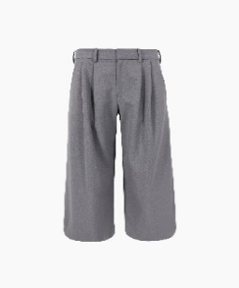 | MAKI PANT IN GREY | 26SS | Trousers | Grey | Solid
7 | SandyLiang | SL-26SS-007 |  | DASHI TANK IN TULIP | 26SS | Top | Pink | Floral
8 | SandyLiang | SL-26SS-008 |  | DASHI TANK IN BLUE | 26SS | Top | Blue | Graphic Print
9 | SandyLiang | SL-26SS-009 |  | ARLO CAPRIS IN TULIP | 26SS | Trousers | Pink | Floral
10 | SandyLiang | SL-26SS-010 |  | ARLO CAPRIS IN BLUE | 26SS | Trousers | Blue | Graphic Print
11 | SandyLiang | SL-26SS-011 |  | LEY CARDIGAN IN DARK NAVY | 26SS | Knitwear | Dark Navy | Solid
12 | SandyLiang | SL-26SS-012 |  | LEY CARDIGAN IN HEATHER GREEN | 26SS | Knitwear | Green | Solid
13 | SandyLiang | SL-26SS-013 |  | LEY CARDIGAN IN CERULEAN | 26SS | Knitwear | Blue | Solid
14 | SandyLiang | SL-26SS-014 |  | MAISY SWEATER IN HEATHER GREY | 26SS | Knitwear | Grey | Solid
15 | SandyLiang | SL-26SS-015 |  | MAISY SWEATER IN DARK NAVY | 26SS | Knitwear | Dark Navy | Solid
16 | SandyLiang | SL-26SS-016 |  | TARO JEANS | 26SS | Jeans | Dark Blue | Solid
17 | SandyLiang | SL-26SS-017 |  | MUNG BEAN HOODIE | 26SS | Hoodie | Grey | Solid
18 | SandyLiang | SL-26SS-018 |  | LUCIUS SWEATPANT | 26SS | Sweatpant | Grey | Solid
19 | SandyLiang | SL-26SS-019 |  | ASTRA SKORT IN PINK TARTAN | 26SS | Skirt | Pink | Plaid
20 | SandyLiang | SL-26SS-020 |  | FRANC SKORT IN PINK TARTAN | 26SS | Skirt | Pink | Plaid
21 | SandyLiang | SL-26SS-021 |  | PRINCETON TOP IN PINK | 26SS | Top | Pink | Graphic Print
22 | SandyLiang | SL-26SS-022 |  | DIXIE PANT | 26SS | Pant | Beige | Solid
23 | GERMANIER | GER-26SS-01
24 | GERMANIER | GER-26SS-02
25 | GERMANIER | GER-26SS-03
26 | GERMANIER | GER-26SS-04
27 | GERMANIER | GER-26SS-05
28 | GERMANIER | GER-26SS-06
29 | GERMANIER | GER-26SS-07
30 | GERMANIER | GER-26SS-08
31 | GERMANIER | GER-26SS-09
32 | GERMANIER | GER-26SS-10
33 | GERMANIER | GER-26SS-11
34 | GERMANIER | GER-26SS-12
35 | GERMANIER | GER-26SS-13
36 | GERMANIER | GER-26SS-14
37 | GERMANIER | GER-26SS-15
38
39
40
41
42
43
44
45
46
47
48
49
50
51
52
53
54
55
56
57
58
59
60
61
62
63
64
65
66
67
68
69
70
71
72
73
74
75
76
77
78
79

