Mind Maps
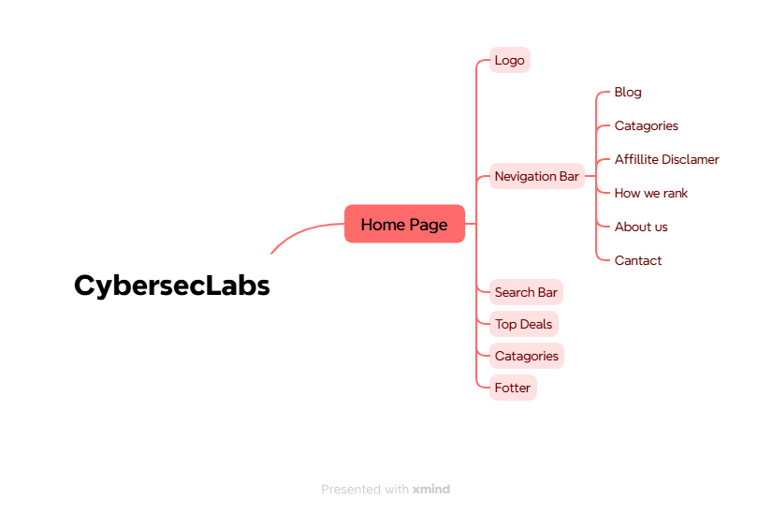

Test Summary Report
Test Case Report |  |  |  |  |  |  | Result :
Project Name | CybersecLabs
Module Name | Website |  |  |  |  | Total No. | Status
Feature Name | Full website
Test Case Version | 1 |  |  |  |  | 0 | PASS
Written By | Hossain Mohammad Hanif |  |  |  |  | 12 | FAIL
Executed By | Hossain Mohammad Hanif |  |  |  |  | 0 | Not Executed | New Features:- | Testing Scope:- | Testing Environment :Google Chrome Browser
Reviewed By | xx |  |  |  |  | 1 | Out of Scope
TEST EXECUTION REPORT
Test Case Report
Test Case | PASS | FAIL | Not Executed | Out Of Scope | Total TC
 | 0 | 12 | 0 | 1 | 13
Grand Total | 0 | 12 | 0 | 1 | 13

LIMITATIONS
Documents |  |  |  | Received | Useful
PRD |  |  |  | No | No
USER STORY |  |  |  | No | No

 | Testing Type in Scope | Description

Yes | Functional Testing | This type of testing ignores the internal parts and focuses only on the output to check if it is as per the requirement or not.

Yes | Integration Testing | Testing of all integrated modules to verify the combined functionality after integration is termed as Integration Testing.

