Question 4
ENDING PERIOD 2 |  |  |  |  |  |  | ACT | Total PV | Performance Index
Task | %Complete | EV | AC | PV | CV | SV | A | 40 | Period | EV | AC | PV | SPI | CPI | PCIB
A | 75% | 30 | 25 | 20 | 5 | 10 | B | 32 | 2 | 46 | 37 | 32 | 1.44 | 1.24 | 22% | At the end of period 8,
B | 50% | 16 | 12 | 12 | 4 | 4 | C | 48 | 4 | 72 | 59 | 64 | 1.125 | 1.22 | 35% | the SPI is 0.97 which is < 1 which indicates the project is behind schedule.
Cumulative Totals |  | 46 | 37 | 32 | 9 | 14 | D | 18 | 6 | 122 | 93 | 110 | 1.11 | 1.31 | 59% | the CPI is 1.18 which is > 1 that indicates the project is under cost.
 |  |  |  |  |  |  | E | 28 | 8 | 154 | 131 | 158 | 0.97 | 1.18 | 75% | the PCIB is 75% that shows the project is 75% completed.
ENDING PERIOD 4 |  |  |  |  |  |  | F | 40 | Cumulative | 394 | 320 | 364
Task | %Complete | EV | AC | PV | CV | SV
A | 100% | 40 | 35 | 40 | 5 | 0
B | 100% | 32 | 24 | 24 | 8 | 8
Cumulative Totals |  | 72 | 59 | 64 | 13 | 8
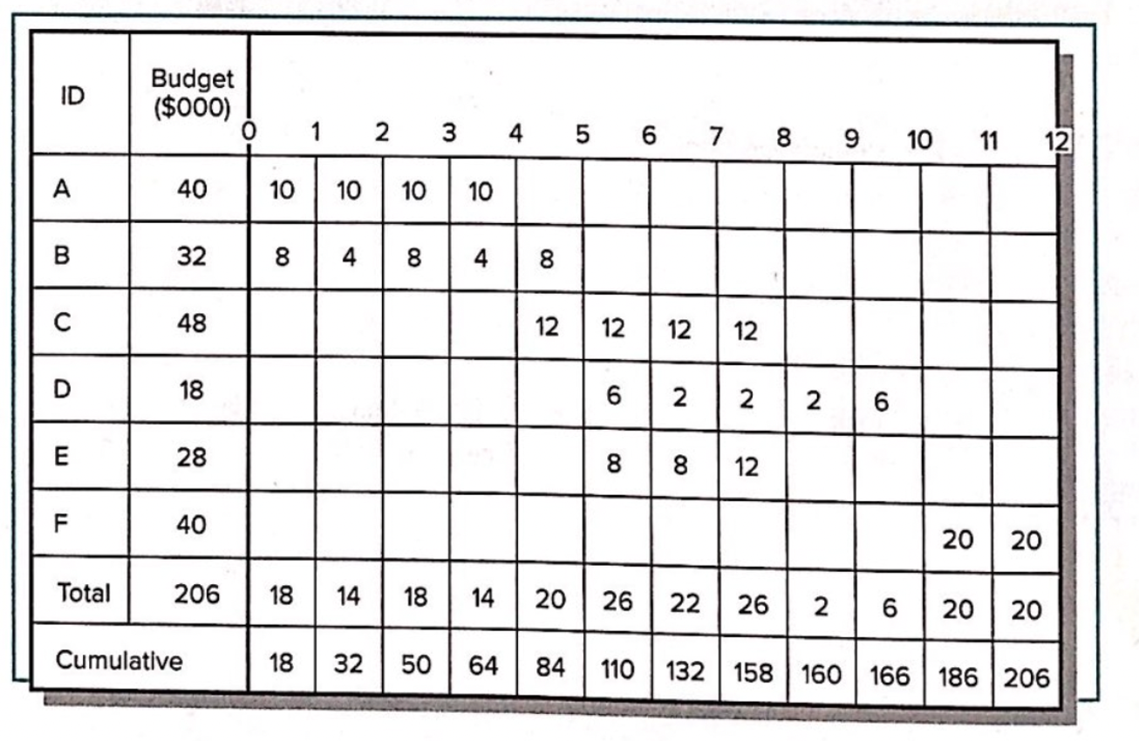
ENDING PERIOD 6
Task | %Complete | EV | AC | PV | CV | SV
A | 100% | 40 | 35 | 40 | 5 | 0
B | 100% | 32 | 24 | 32 | 8 | 0
C | 75% | 36 | 24 | 24 | 12 | 12
D | 0% | 0 | 0 | 6 | 0 | -6
E | 50% | 14 | 10 | 8 | 4 | 6
Cumulative Totals |  | 122 | 93 | 110 | 29 | 12

ENDING PERIOD 8
Task | %Complete | EV | AC | PV | CV | SV
A | 100% | 40 | 35 | 40 | 5 | 0
B | 100% | 32 | 24 | 32 | 8 | 0
C | 100% | 48 | 32 | 48 | 16 | 0
D | 33% | 6 | 20 | 10 | -14 | -4
E | 100% | 28 | 20 | 28 | 8 | 0
Cumulative Totals |  | 154 | 131 | 158 | 23 | -4

Question 5
Ending Period 1
Task | %complete | EV | AC | PV | CV | SV |  | ACT | Total PV
1 | 50% | 6 | 6 | 4 | 0 | 2 |  | 1 | 12
2 | 40% | 6 | 8 | 3 | -2 | 3 |  | 2 | 15
3 | 25% | 2 | 3 | 4 | -1 | -2 |  | 3 | 8
Cumulative Totals |  | 14 | 17 | 11 | -3 | 3 |  | 4 | 6
 |  |  |  |  |  |  |  | 5 | 10
Ending Period 2 |  |  |  |  |  |  |  | 6 | 9
Task | %complete | EV | AC | PV | CV | SV |  | 7 | 5
1 | 100% | 12 | 13 | 12 | -1 | 0
2 | 80% | 12 | 14 | 10 | -2 | 2
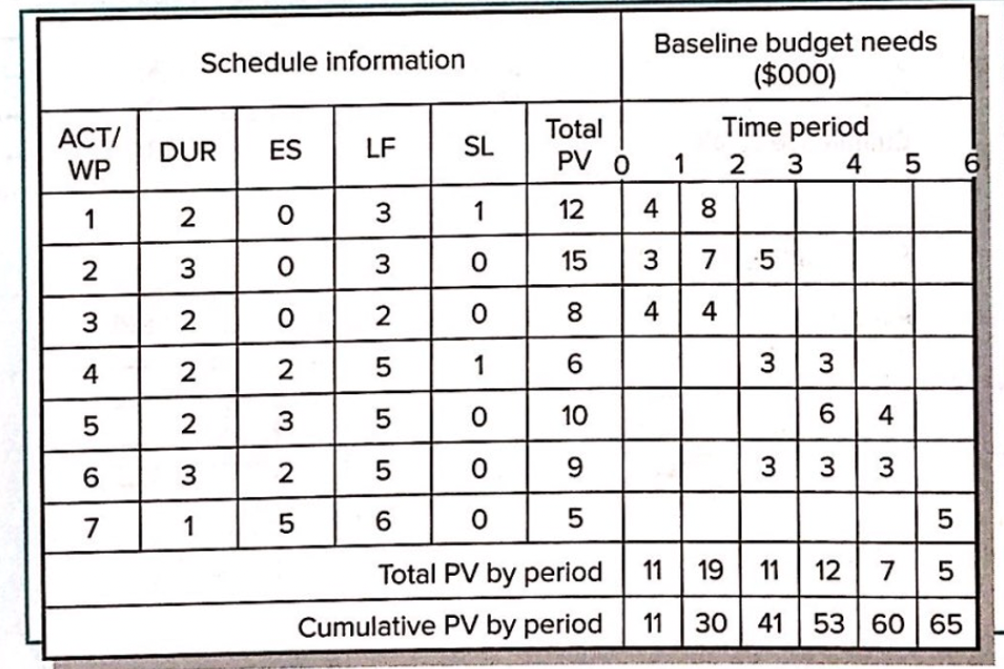
3 | 75% | 6 | 8 | 8 | -2 | -2
Cumulative Totals |  | 30 | 35 | 30 | -5 | 0

Ending Period 3
Task | %complete | EV | AC | PV | CV | SV
1 | 100% | 12 | 13 | 12 | -1 | 0
2 | 80% | 12 | 15 | 15 | -3 | -3
3 | 100% | 8 | 10 | 8 | -2 | 0
4 | 50% | 3 | 4 | 3 | -1 | 0
5 | 0% | 0 | 0 | 0 | 0 | 0
6 | 33.30% | 3 | 4 | 3 | -1 | 0
 |  | 38 | 46 | 41 | -8 | -3

Ending Period 4
Task | %complete | EV | AC | PV | CV | SV
1 | 100% | 12 | 13 | 12 | -1 | 0
2 | 100% | 15 | 18 | 15 | -3 | 0
3 | 100% | 8 | 10 | 8 | -2 | 0
4 | 100% | 6 | 8 | 6 | -2 | 0
5 | 30% | 3 | 3 | 6 | 0 | -3
6 | 66.70% | 6 | 8 | 6 | -2 | 0
7 | 0% | 0 | 0 | 0 | 0 | 0
 |  | 50 | 60 | 53 | -10 | -3

 |  |  |  |  | Performance Index
 |  |  |  |  | Period | EV | AC | PV | SPI | CPI | PCIB
 |  |  |  |  | 1 | 14 | 17 | 11 | 1.27 | 0.82 | 22%
 |  |  |  |  | 2 | 30 | 35 | 30 | 1 | 0.86 | 46%
 |  |  |  |  | 3 | 38 | 46 | 41 | 0.93 | 0.83 | 58%
 |  |  |  |  | 4 | 50 | 60 | 53 | 0.94 | 0.83 | 77%
 |  |  |  |  | Cumulative | 132 | 158 | 135

 |  |  |  |  | At the end of period 4,
 |  |  |  |  | the SPI is 0.94 which is < 1 which indicates that the project is behind schedule.
 |  |  |  |  | the CPI is 0.83 which is < 1 that indicates that the project is over cost.
 |  |  |  |  | the PCIB is 77% that shows the project is 75% completed.

