Heatmap
Interpretation
No Birth Announcement
56% of pre-birth tweets were correctly classified as pre-birth tweets, 44% were incorrectly classified as post-birth tweets. 64% of post-birth tweets were correctly classified as post-birth tweets, 36% were incorrectly classified as pre-birth tweets.
No Birth Announcement & no link
79% of pre-birth tweets were correctly classified as pre-birth tweets, 21% were incorrectly classified as post-birth tweets. 32% of post-birth tweets were correctly classified as post-birth tweets, 68% were incorrectly classified as pre-birth tweets.
No Birth Month tweets
56% of pre-birth tweets were correctly classified as pre-birth tweets, 44% were incorrectly classified as post-birth tweets. 64% of post-birth tweets were correctly classified as post-birth tweets, 36% were incorrectly classified as pre-birth tweets.
No Birth Month tweets & no link
78% of pre-birth tweets were correctly classified as pre-birth tweets, 22% were incorrectly classified as post-birth tweets. 34% of post-birth tweets were correctly classified as post-birth tweets, 66% were incorrectly classified as pre-birth tweets.
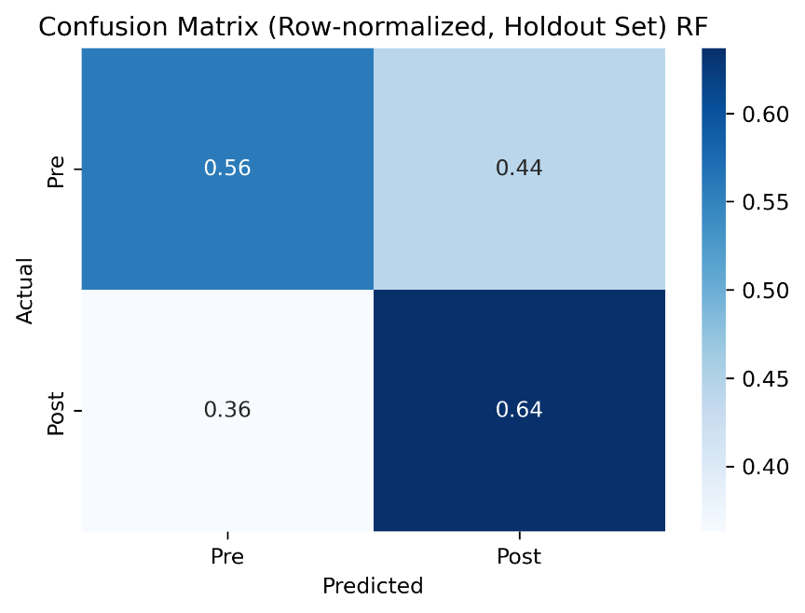
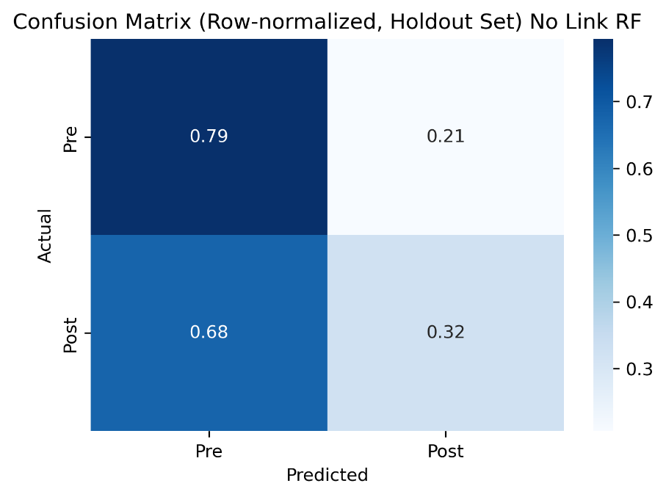
 | LINK INCLUDED?
 | YES | NO
NO BIRTH ANNOUNCEMENT

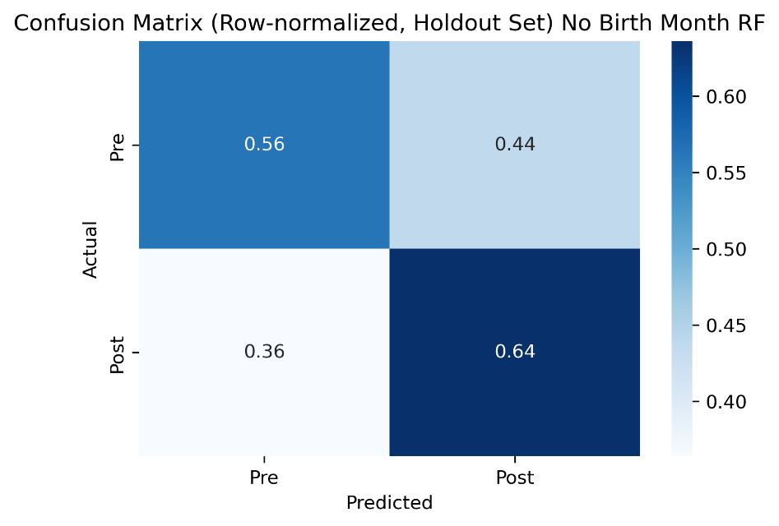
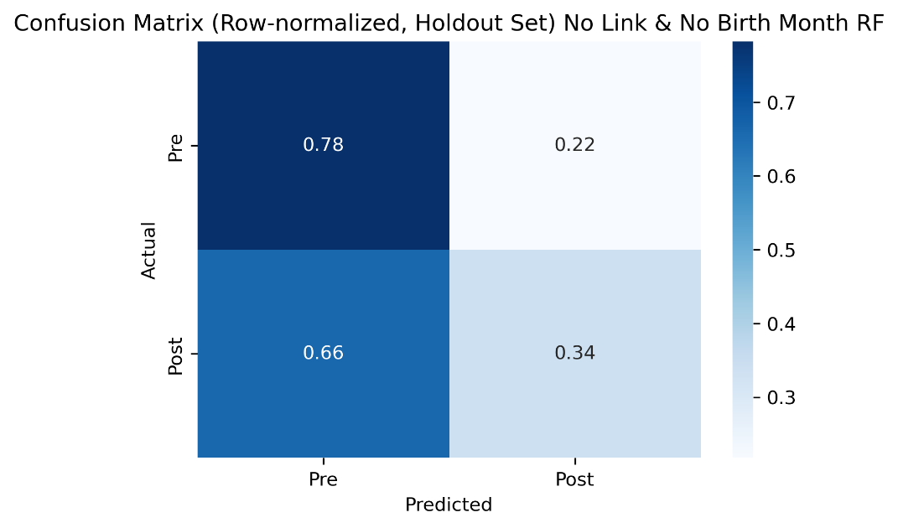
NO BIRTH MONTH

AUC curve
Interpretation
AUC (or area under the curve) measures the area from the curve to x=1 and y=0. AUC = 0.5 would be a straight diagonal line with slope of 1 → random classification. AUC = 1, a right angle → perfect classification. Typically, AUC>0.70 is considered an acceptable/fair model.
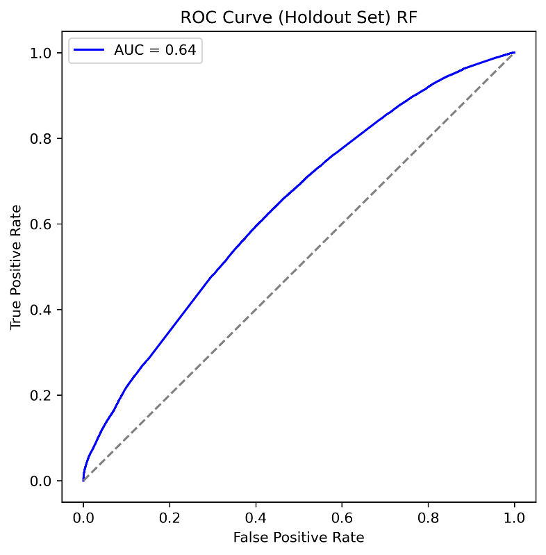
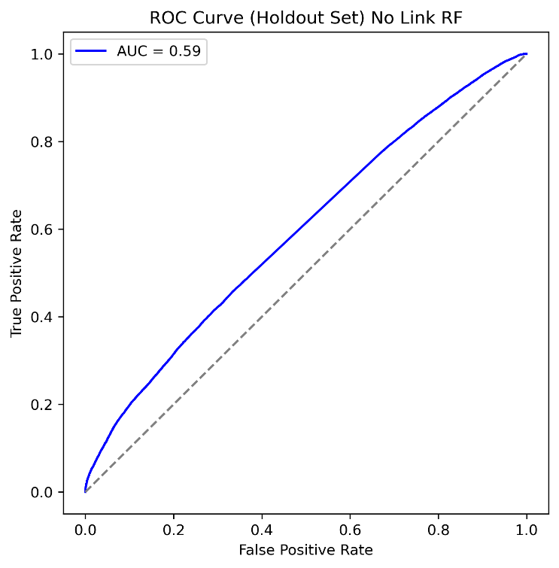
 | LINK INCLUDED?
 | YES | NO
NO BIRTH ANNOUNCEMENT

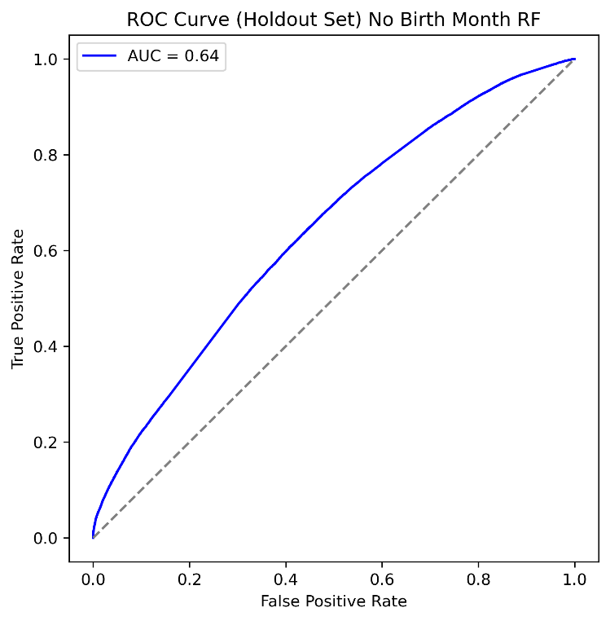
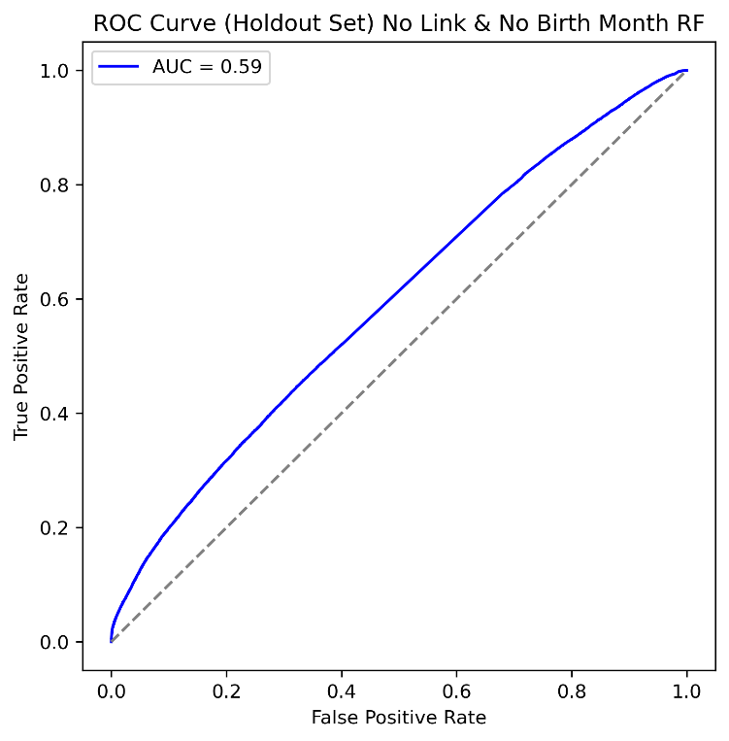
NO BIRTH MONTH

Feature Words
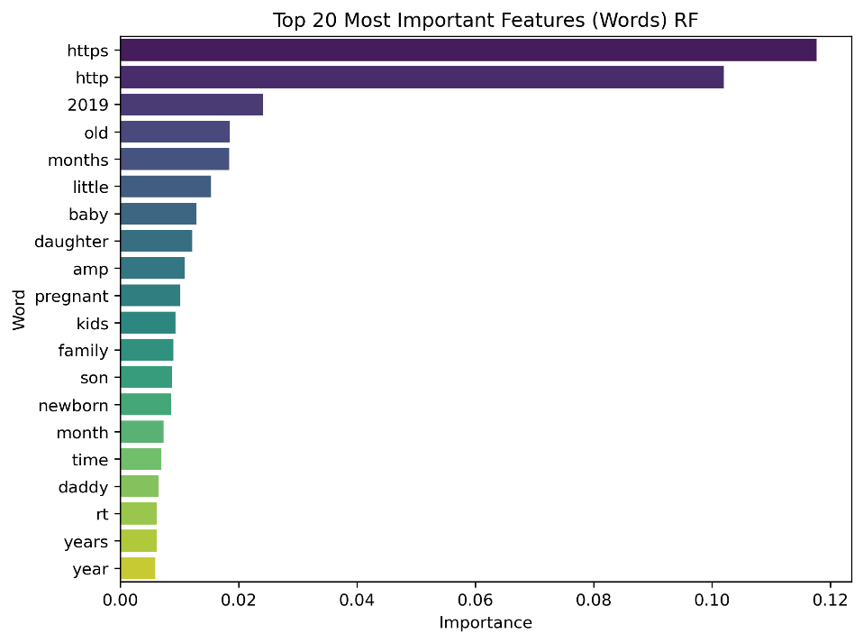
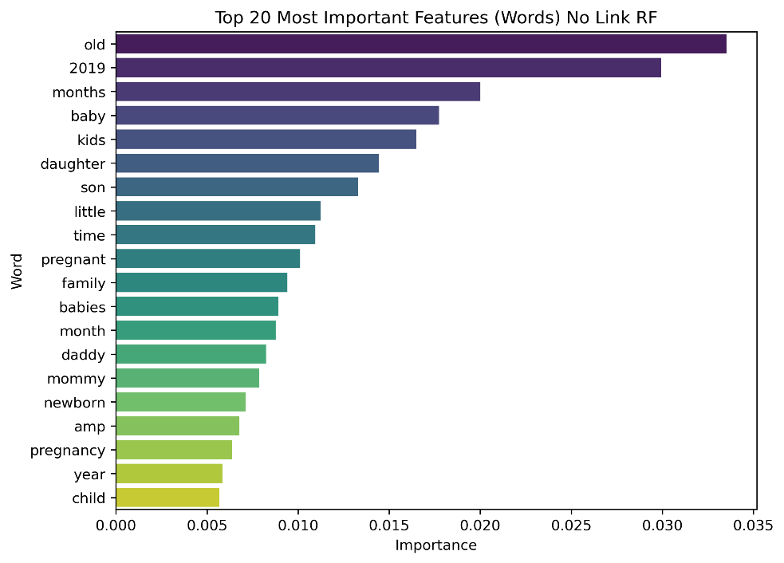
 | LINK INCLUDED?
 | YES | NO
NO BIRTH ANNOUNCEMENT

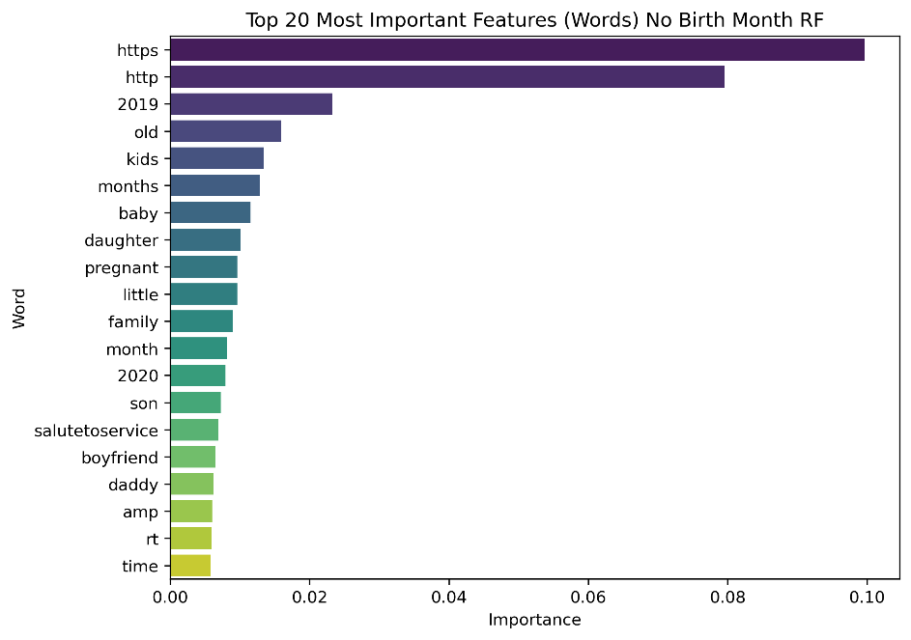
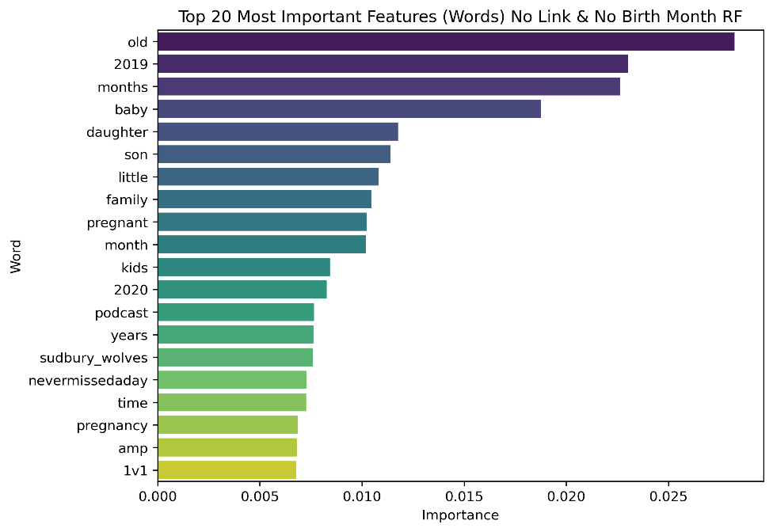
NO BIRTH MONTH

Accuracy
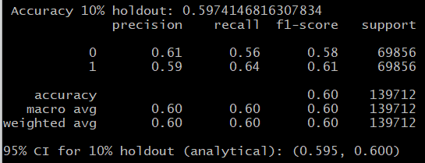
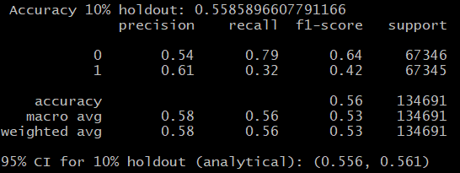
 | LINK INCLUDED?
 | YES | NO
NO BIRTH ANNOUNCEMENT

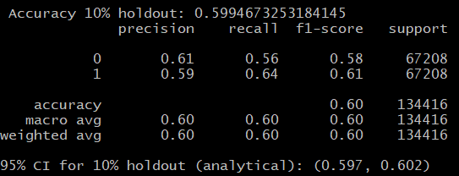
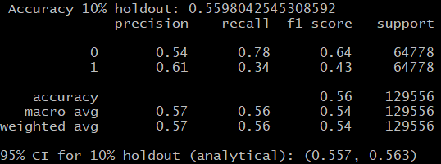
NO BIRTH MONTH

