Sheet
Input Image 1 | Input Image 2 | Input Image 3 | Barcode | AI-Generated Metadata
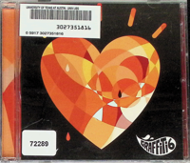 | 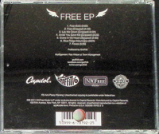 |  | 3027351816 | ```plaintext Title Information: - Main Title: FREE EP - Subtitle: Not visible - Primary Contributor: Graffiti6 - Additional Contributors: - Arrangers: Not visible - Engineers: Not visible - Producers: Graffiti6 - Session Musicians: Not visible Publishers: - Name: Capitol Records - Place: Not visible - Numbers: [50999-6-78192-25] Dates: - publicationDate: 2011 - recordingDate: Not visible - recordingLocation: Not visible Language: - sungLanguage: Not visible - printedLanguage: English Format: - generalFormat: Sound Recording - specificFormat: CD - materialTypes: [Not visible] Sound Characteristics: - soundConfiguration: Not visible - recordingType: digital - specialPlayback: Not visible Physical Description: - size: 4.75" - material: aluminum/polycarbonate - labelDesign: A heart design in shades of orange and yellow, with the text "GRAFFITI6" in white - physicalCondition: Not visible - specialFeatures: Not visible Contents: - tracks: [ { "number": 1, "title": "Free (Edit)", "titleTransliteration": Not visible, "composer": Not visible, "lyricist": Not visible, "duration": "3:50", "isrc": Not visible }, { "number": 2, "title": "Free (Stripped)", "titleTransliteration": Not visible, "composer": Not visible, "lyricist": Not visible, "duration": "4:46", "isrc": Not visible }, { "number": 3, "title": "Lay Me Down (Stripped)", "titleTransliteration": Not visible, "composer": Not visible, "lyricist": Not visible, "duration": "4:31", "isrc": Not visible }, { "number": 4, "title": "Annie You Save Me (Stripped)", "titleTransliteration": Not visible, "composer": Not visible, "lyricist": Not visible, "duration": "3:25", "isrc": Not visible }, {
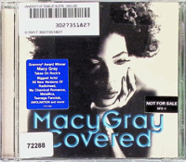 | 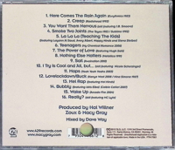 |  | 3027351827 | ```yaml Title Information: - Main Title: Covered - Subtitle: Not visible - Primary Contributor: Macy Gray - Additional Contributors: - Arrangers: Not visible - Engineers: Dave Way - Producers: Hal Willner, Zoux, Macy Gray - Session Musicians: Not visible Publishers: - Name: 429 Records - Place: Not visible - Numbers: 95047 06121 8, FTN17861 Dates: - publicationDate: 2012 - recordingDate: Not visible - recordingLocation: Not visible Language: - sungLanguage: Not visible - printedLanguage: Not visible Format: - generalFormat: Sound Recording - specificFormat: CD - materialTypes: Not visible Sound Characteristics: - soundConfiguration: Not visible - recordingType: digital - specialPlayback: Not visible Physical Description: - size: 4.75" - material: aluminum/polycarbonate - labelDesign: Dark disc face with light blue text, featuring a close-up of a woman's face. - physicalCondition: Not visible - specialFeatures: Not visible Contents: - tracks: [ { "number": 1, "title": "Here Comes The Rain Again", "titleTransliteration": Not visible, "composer": "Eurythmics", "lyricist": Not visible, "duration": Not visible, "isrc": Not visible }, { "number": 2, "title": "Creep", "titleTransliteration": Not visible, "composer": "Radiohead", "lyricist": Not visible, "duration": Not visible, "isrc": Not visible }, { "number": 3, "title": "You Want Them Nervous", "titleTransliteration": Not visible, "composer": "J.B. Smoove", "lyricist": Not visible, "duration": Not visible, "isrc": Not visible }, { "number": 4, "title": "Smoke Two Joints", "titleTransliteration": Not visible, "composer": "The Toyes", "lyricist": Not visible, "duration": Not visible, "isrc": Not v
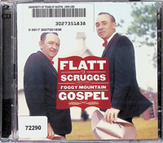 | 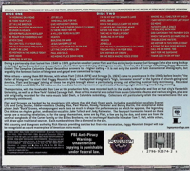 |  | 3027351838 | Here is the extracted metadata from the provided images: **Title Information:** - Main Title: Foggy Mountain Gospel - Subtitle: Not visible - Primary Contributor: Flatt & Scruggs - Additional Contributors: - Arrangers: Not visible - Engineers: Not visible - Producers: Don Law, Frank Jones, Gregg Geller - Session Musicians: Not visible **Publishers:** - Name: Columbia Records - Place: Not visible - Numbers: 3027351838, 2796 92574-2 **Dates:** - publicationDate: 2005 - recordingDate: Not visible - recordingLocation: Not visible **Language:** - sungLanguage: English - printedLanguage: English **Format:** - generalFormat: Sound Recording - specificFormat: CD - materialTypes: Not visible **Sound Characteristics:** - soundConfiguration: Not visible - recordingType: digital - specialPlayback: Not visible **Physical Description:** - size: 4.75" - material: aluminum/polycarbonate - labelDesign: Red text on white background with photographs of two men in suits - physicalCondition: Not visible - specialFeatures: Jewel case, booklet with detailed notes **Contents:** - tracks: [ { "number": 1, "title": I'm Working on a Road, "titleTransliteration": Not applicable, "composer": Not visible, "lyricist": Not visible, "duration": Not visible, "isrc": Not visible }, { "number": 2, "title": He Took Your Place, "titleTransliteration": Not applicable, "composer": Not visible, "lyricist": Not visible, "duration": Not visible, "isrc": Not visible } // Additional tracks listed similarly ] **Series:** - seriesTitle: Not visible - seriesNumber: Not visible **Subject Information:** - genre: Bluegrass, Gospel - geographic: United States - timePeriod: Mid-20th Century **Notes:** - generalNotes: [{'text': The CD features tracks recorded between 1948 and 1969.}] - pe
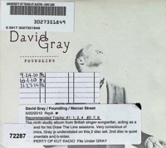 | 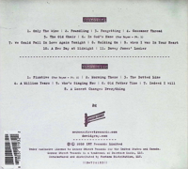 |  | 3027351849 | ```yaml Title Information: - Main Title: Foundling - Subtitle: Not visible - Primary Contributor: David Gray - Additional Contributors: - Arrangers: Not visible - Engineers: Not visible - Producers: Not visible - Session Musicians: Not visible Publishers: - Name: Mercer Street - Place: Not visible - Numbers: Not visible Dates: - publicationDate: 2010 - recordingDate: Not visible - recordingLocation: Not visible Language: - sungLanguage: Not visible - printedLanguage: Not visible Format: - generalFormat: Sound Recording - specificFormat: CD - materialTypes: Not visible Sound Characteristics: - soundConfiguration: Not visible - recordingType: digital - specialPlayback: Not visible Physical Description: - size: 4.75" - material: Not visible - labelDesign: Not visible - physicalCondition: Not visible - specialFeatures: Not visible Contents: - tracks: [ { "number": 1, "title": Only The Wine, "titleTransliteration": Not applicable, "composer": Not visible, "lyricist": Not visible, "duration": Not visible, "isrc": Not visible }, { "number": 2, "title": Foundling, "titleTransliteration": Not applicable, "composer": Not visible, "lyricist": Not visible, "duration": Not visible, "isrc": Not visible }, { "number": 3, "title": Forgetting, "titleTransliteration": Not applicable, "composer": Not visible, "lyricist": Not visible, "duration": Not visible, "isrc": Not visible }, { "number": 4, "title": Gossamer Thread, "titleTransliteration": Not applicable, "composer": Not visible, "lyricist": Not visible, "duration": Not visible, "isrc": Not visible }, { "number": 5, "title": The Old Chair, "titleTransliteration": Not app
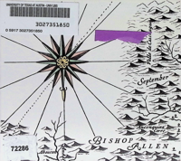 | 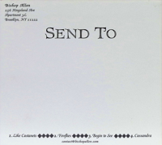 |  | 3027351850 | Here's the extracted metadata based on the provided images: Title Information: - Main Title: Not visible - Subtitle: Not visible - Primary Contributor: Bishop Allen - Additional Contributors: - Arrangers: Not visible - Engineers: Not visible - Producers: Not visible - Session Musicians: Not visible Publishers: - Name: Not visible - Place: Not visible - Numbers: [3027351850] Dates: - publicationDate: Not visible - recordingDate: Not visible - recordingLocation: Not visible Language: - sungLanguage: Not visible - printedLanguage: Not visible Format: - generalFormat: Sound Recording - specificFormat: CD - materialTypes: Not visible Sound Characteristics: - soundConfiguration: Not visible - recordingType: digital - specialPlayback: Not visible Physical Description: - size: 4.75" - material: aluminum/polycarbonate - labelDesign: Not visible - physicalCondition: Not visible - specialFeatures: Not visible Contents: - tracks: [ { "number": 1, "title": "Like Castanets", "titleTransliteration": Not applicable, "composer": Not visible, "lyricist": Not visible, "duration": Not visible, "isrc": Not visible }, { "number": 2, "title": "Fireflies", "titleTransliteration": Not applicable, "composer": Not visible, "lyricist": Not visible, "duration": Not visible, "isrc": Not visible }, { "number": 3, "title": "Begin to See", "titleTransliteration": Not applicable, "composer": Not visible, "lyricist": Not visible, "duration": Not visible, "isrc": Not visible }, { "number": 4, "title": "Cassandra", "titleTransliteration": Not applicable, "composer": Not visible, "lyricist": Not visible, "duration": Not visible, "isrc": Not visible } ] Series: - seri
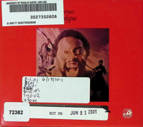 | 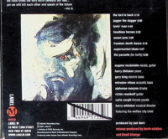 |  | 3027352808 | Here is the extracted metadata based on the provided images: ``` Title Information: - Main Title: Headless Heroes of the Apocalypse - Subtitle: Not visible - Primary Contributor: Eugene McDaniels - Additional Contributors: - Arrangers: Not visible - Engineers: Not visible - Producers: Joel Dorn, Kevin Calabro - Session Musicians: - Eugene McDaniels: vocals, guitar - Harry Dhitaker: piano - Gary King: electric bass - Miroslav Vitous: acoustic bass - Alphonse Mouzon: drums - Richie Resnikoff: guitar - Carla Cargill: female vocals - Harry Whitaker: musical director Publishers: - Name: Label M - Place: New York, NY - Numbers: - Catalog Number: 485733 - UPC: 649494573529 Dates: - publicationDate: 2001 - recordingDate: Not visible - recordingLocation: Not visible Language: - sungLanguage: Not visible - printedLanguage: Not visible Format: - generalFormat: Sound Recording - specificFormat: CD - materialTypes: Not visible Sound Characteristics: - soundConfiguration: Not visible - recordingType: digital - specialPlayback: Not visible Physical Description: - size: 4.75" - material: aluminum/polycarbonate - labelDesign: Not visible - physicalCondition: Not visible - specialFeatures: Not visible Contents: - tracks: [ { "number": "1", "title": "the lord is back", "titleTransliteration": Not visible, "composer": Not visible, "lyricist": Not visible, "duration": "3:18", "isrc": Not visible }, { "number": "2", "title": "jagger the dagger", "titleTransliteration": Not visible, "composer": Not visible, "lyricist": Not visible, "duration": "6:00", "isrc": Not visible }, { "number": "3", "title": "lovin' man", "titleTransliteration": Not visible, "composer": Not visible, "lyricist": Not

