Sheet1
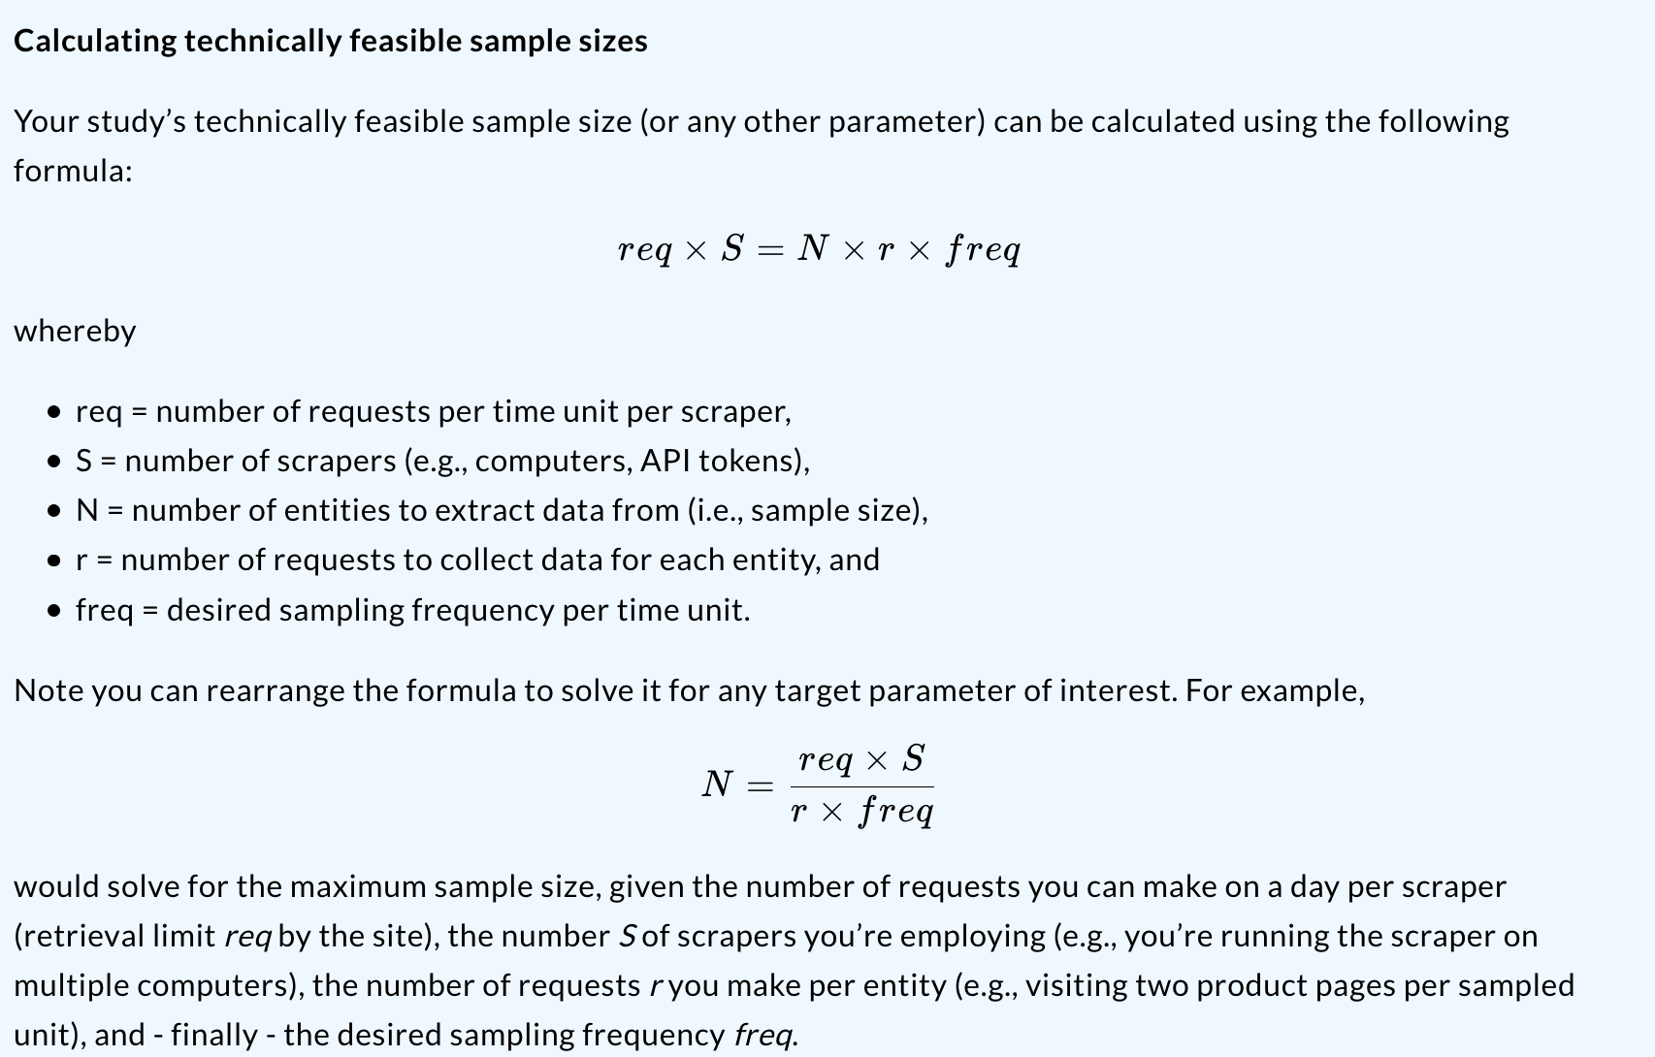
Calculation of technically feasible sample sizes

Setup
Time units specified in | minutes

Parameter | Description
req | Number of requests per time unit, per scraper/scraping instance (retrieval limit) | 300
S | Number of scrapers (e.g., computers, API tokens) | 1
r | Number of requests to make to collect data for one entity | 1
freq | Desired sampling frequency per entity and time unit | 0.066666666667 | per minute
N | Number of entities to extract data from (i.e., sample size) | 4500

