Screenshots
Defect evidence
Captured by e2e/evidence/capture.spec.ts. Each case locates its own evidence and fails rather than photographing something else. Full-size files are in e2e/findings/.

D1 | Starting point: the document library is open.
 | e2e/findings/D1-a-before-document-library.png
 | 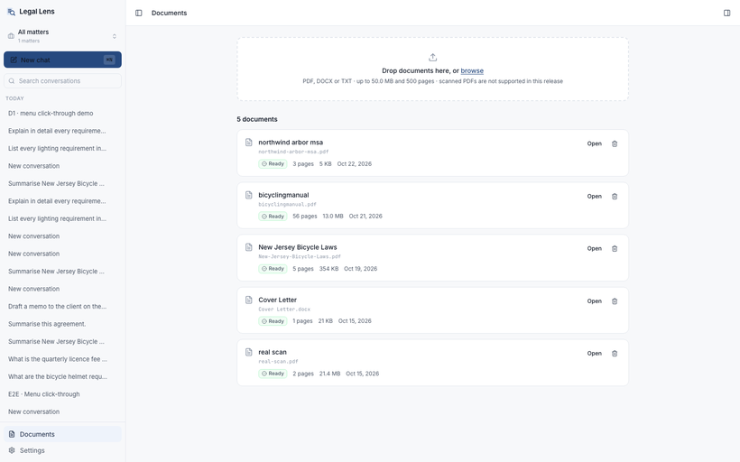

D1 | The row's “…” menu is open. Still on the library — opening the menu alone is fine.
 | e2e/findings/D1-b-menu-open-still-on-documents.png
 | 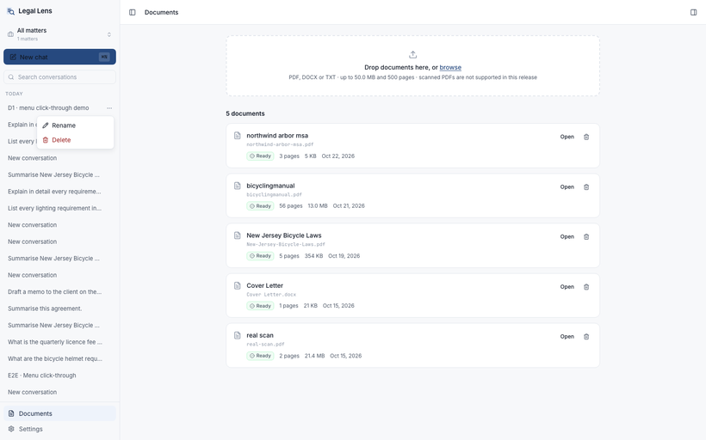

D1 | After clicking Rename: the library is gone and the app is inside the conversation. The dialog opened, but so did the thread.
 | e2e/findings/D1-c-after-rename-navigated-into-conversation.png
 | 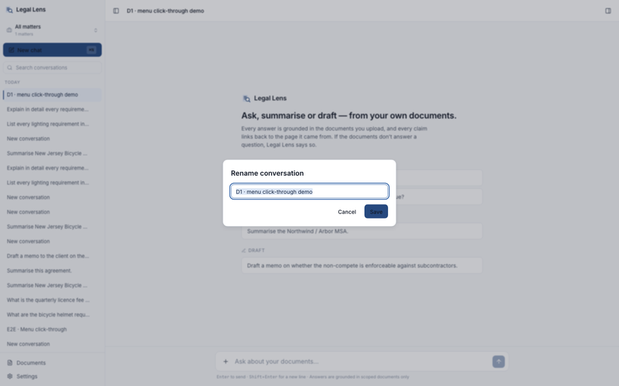

D2 fixed | Each quoted claim now ends in a chip, and hovering one previews the passage with a link through to the page.
 | e2e/findings/D2-fixed-answer-carries-citation-chips.png
 | 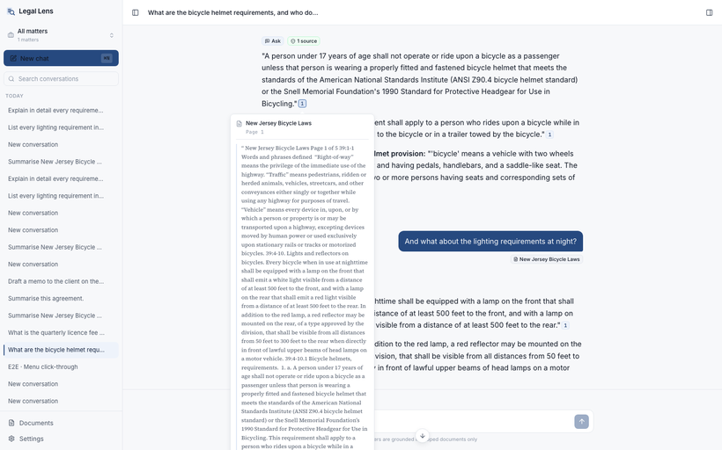

D3 | Tab B: a summary generating. The stop button is showing.
 | e2e/findings/D3-a-tab-B-answer-in-flight.png
 | 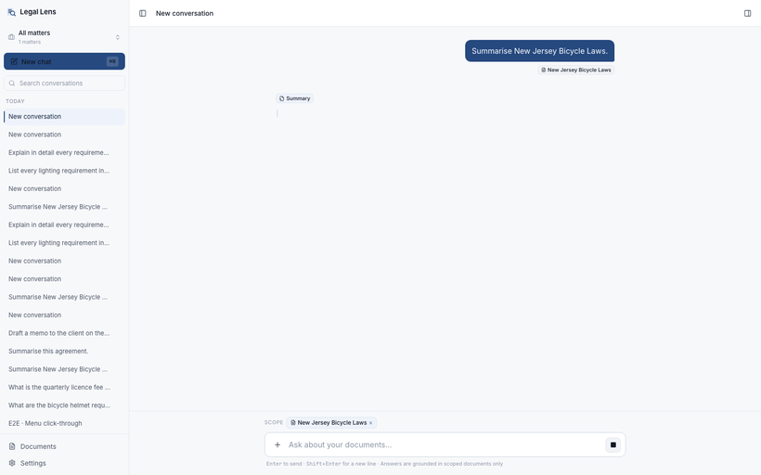

D3 | Tab A: a different conversation, its own turn, its own Stop pressed. Nothing here refers to tab B.
 | e2e/findings/D3-b-tab-A-pressed-stop-on-its-own-turn.png
 | 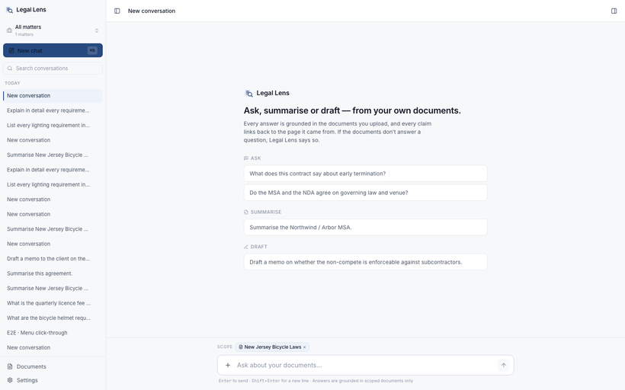

D3 | Tab B after reload: the turn was cancelled by tab A's stop and persisted blank — a “Summary” badge and nothing else.
 | e2e/findings/D3-c-tab-B-answer-cancelled-and-empty.png
 | 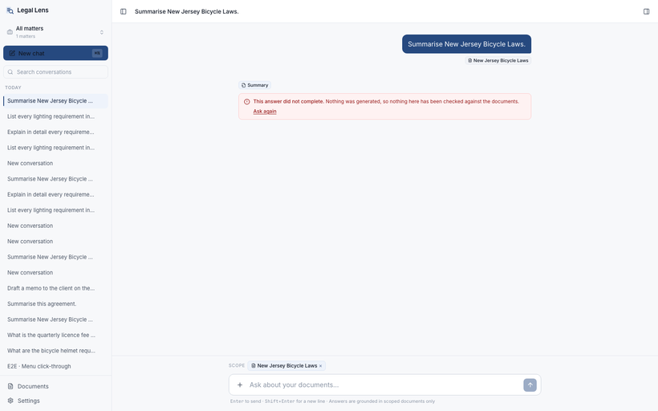

D4 | Source 6 opens page 3. “The cited passage was not found in this page's text”; the page is unmarked, and the footer confirms it is showing source 6.
 | e2e/findings/D4-citation-passage-not-found-on-its-page.png
 | 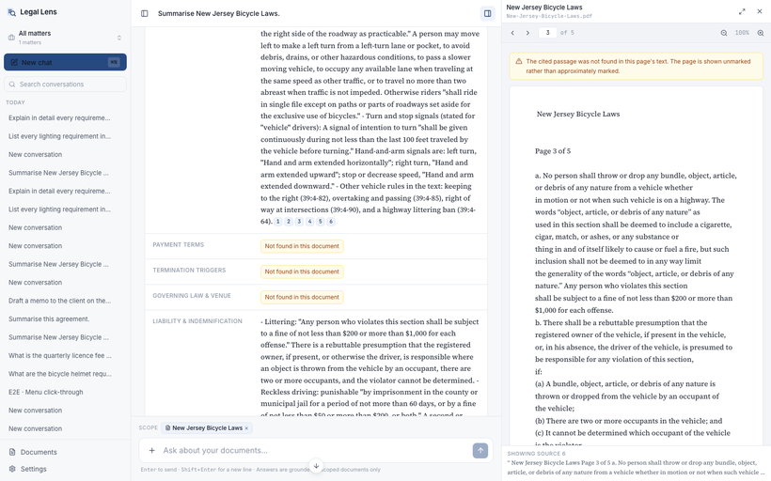

D5 fixed | The same empty turn now reads “This answer did not complete” and offers “Ask again” — with no source count, and no abstention wording.
 | e2e/findings/D5-fixed-incomplete-turn-explains-itself.png
 | 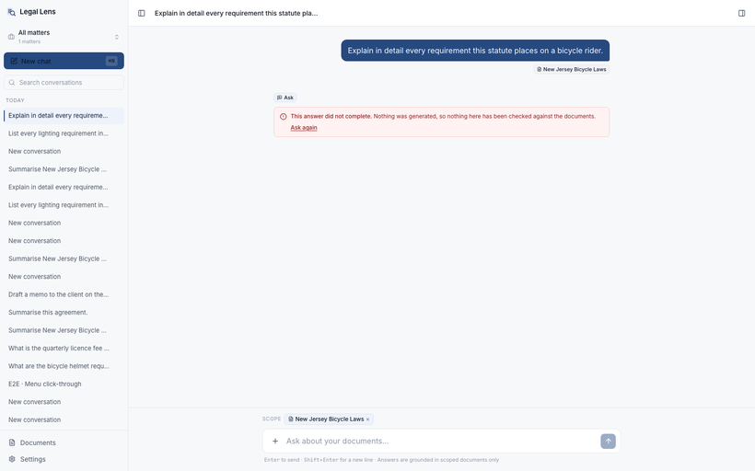

D6 | “All data is mocked in the browser. No backend is connected” — shown while the app is reading a real database.
 | e2e/findings/D6-settings-claims-data-is-mocked.png
 | 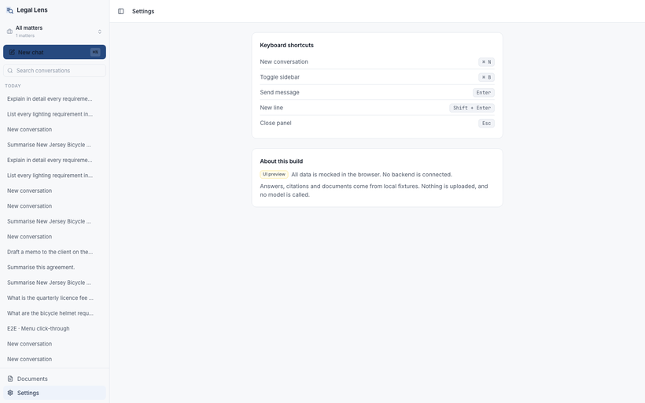

D7 | The memo heading ends “… and what triggers a te”.
 | e2e/findings/D7-draft-title-truncated-mid-word.png
 | 