山西建投晋中
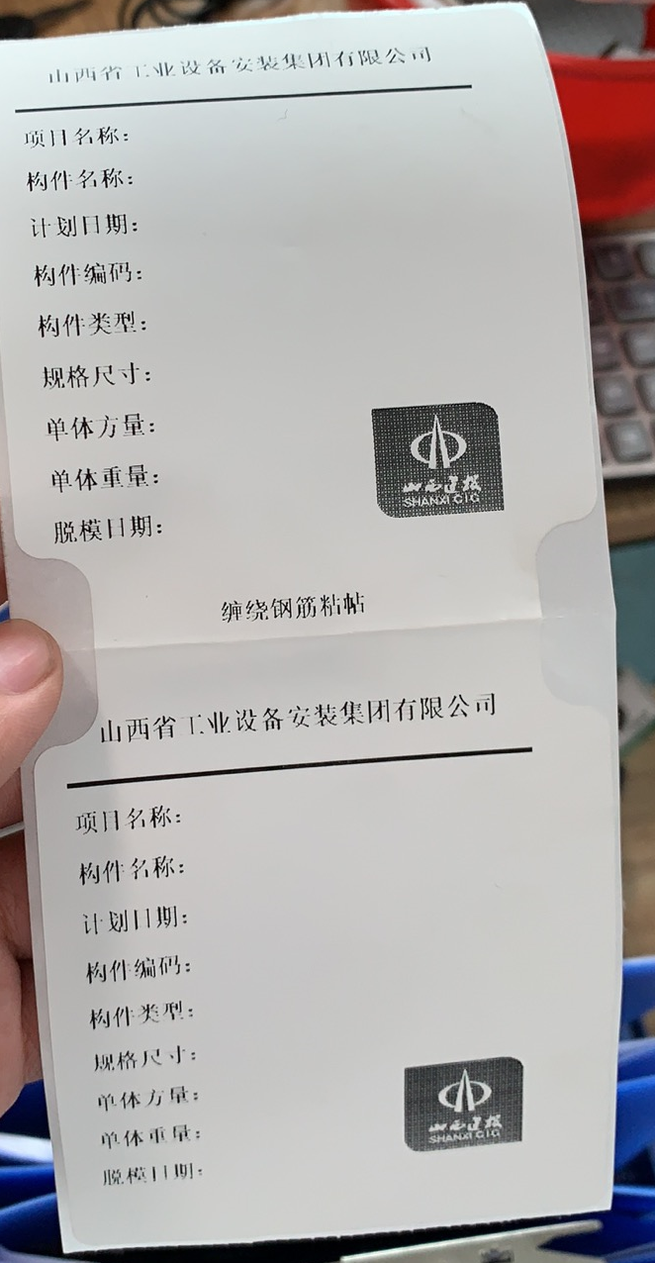
width | height | offsetLeft | offsetTop | rotate | type | value | fontSize | textAlign | 长*宽
900 | 55 | 0 | 50 | 0 | text | ###项目名称### | 44 | center | 200*90
170 | 40 | 35 | 160 | 0 | text | 项目名称: | 34 | left | 山西建投晋中园区
400 | 40 | 215 | 160 | 0 | text | ###项目名称### | 34 | left
170 | 40 | 35 | 240 | 0 | text | 构件名称: | 34 | left
400 | 40 | 215 | 240 | 0 | text | ###构件型号### | 34 | left
170 | 40 | 35 | 320 | 0 | text | 计划日期: | 34 | left
400 | 40 | 215 | 320 | 0 | text | ###计划编号### | 34 | left | 图片？
170 | 40 | 35 | 400 | 0 | text | 构件编码: | 34 | left
400 | 40 | 215 | 400 | 0 | text | ###成品编号### | 34 | left
170 | 40 | 35 | 480 | 0 | text | 构件类型: | 34 | left
400 | 40 | 215 | 480 | 0 | text | ###构件类型### | 34 | left
400 | 40 | 215 | 560 | 0 | text | ###构件尺寸### | 34 | left
170 | 40 | 35 | 560 | 0 | text | 规格尺寸: | 34 | left
400 | 40 | 215 | 640 | 0 | text | ###砼方量### | 34 | left
170 | 40 | 35 | 640 | 0 | text | 单体方量: | 34 | left
400 | 40 | 215 | 720 | 0 | text | ###构件重量### | 34 | left
170 | 40 | 35 | 720 | 0 | text | 单体重量: | 34 | left
400 | 40 | 215 | 800 | 0 | text | ###生产日期### | 34 | left
170 | 40 | 35 | 800 | 0 | text | 脱模日期： | 34 | left
900 | 40 | 0 | 950 | 0 | text | 缠绕钢筋粘贴 | 30 | center
900 | 55 | 0 | 1100 | 0 | text | ###项目名称### | 44 | center
170 | 40 | 35 | 1210 | 0 | text | 项目名称: | 30 | left
400 | 40 | 215 | 1210 | 0 | text | ###项目名称### | 30 | left
170 | 40 | 35 | 1290 | 0 | text | 构件名称: | 30 | left
400 | 40 | 215 | 1290 | 0 | text | ###构件型号### | 30 | left
170 | 40 | 35 | 1370 | 0 | text | 计划日期: | 30 | left
400 | 40 | 215 | 1370 | 0 | text | ###计划编号### | 30 | left
170 | 40 | 35 | 1450 | 0 | text | 构件编码: | 30 | left
400 | 40 | 215 | 1450 | 0 | text | ###成品编号### | 30 | left
170 | 40 | 35 | 1530 | 0 | text | 构件类型: | 30 | left
400 | 40 | 215 | 1530 | 0 | text | ###构件类型### | 30 | left
400 | 40 | 215 | 1610 | 0 | text | ###构件尺寸### | 30 | left
170 | 40 | 35 | 1610 | 0 | text | 规格尺寸: | 30 | left
400 | 40 | 215 | 1690 | 0 | text | ###砼方量### | 30 | left
170 | 40 | 35 | 1690 | 0 | text | 单体方量: | 30 | left
400 | 40 | 215 | 1770 | 0 | text | ###构件重量### | 30 | left
170 | 40 | 35 | 1770 | 0 | text | 单体重量: | 30 | left
400 | 40 | 215 | 1850 | 0 | text | ###生产日期### | 30 | left
170 | 40 | 35 | 1850 | 0 | text | 脱模日期： | 30 | left

