assingment-3-menu
 | <Cowin logo> | Welcome to Corona Vaccination Portal
 | Home | Sign Up | Dashboard | Contact Us
 | Name | <text box>
 | Aadhar Number | <text box> | Size should be maximum of 10 |  |  | Pattern only numbers
 | Date of Birth | <date>
 | Sex | <male,Female> Radio
 | Date and Time of Vaccination | <date and time of vaccination>
 | Location | <datalist of location>
 | Vaccination Center | <datalist of vaccination center
 |  | <submit>
 |  |  |  | Style the table… Header in different color.. Alternative row colors
 |  | Vaccination List
Name | Aadhar Number | Date and Time | Location | Vaccination center | Download
Raghu | 1234567891 | 6/1/2022 10.30 | Chennai | Guindy BSNL Office | <link to download certificate>
Ravi | 1234567892 | 6/1/2022 10.45 | Chennai | IIT Chennai | <link to download certificate>

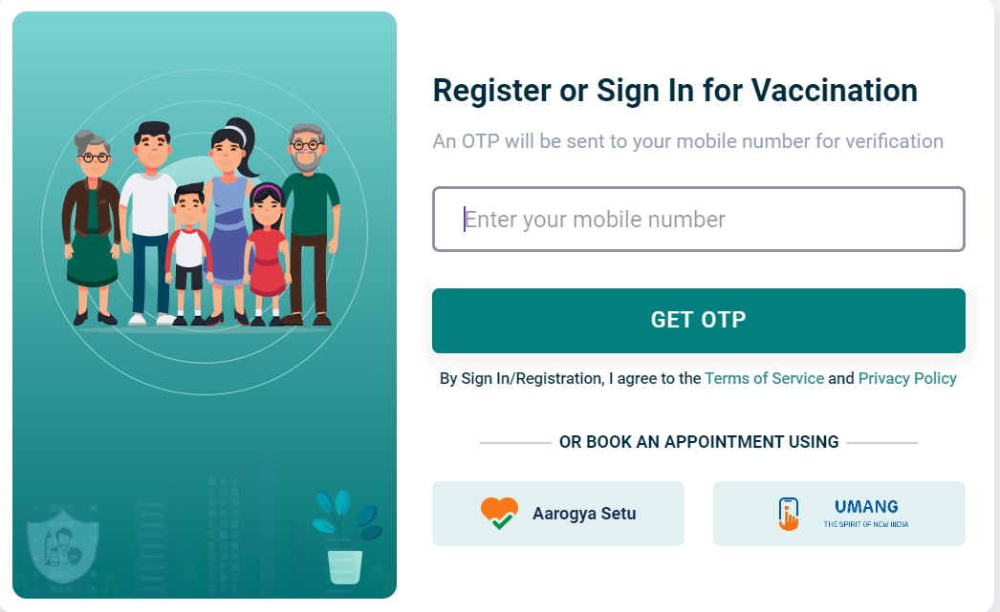
 | Home
 | Write some information about cowin
 | Sign up

 | Dash Board
 |  | Existing information

 | Contact Us
 |  | Google map
 |  | Address

