ipl
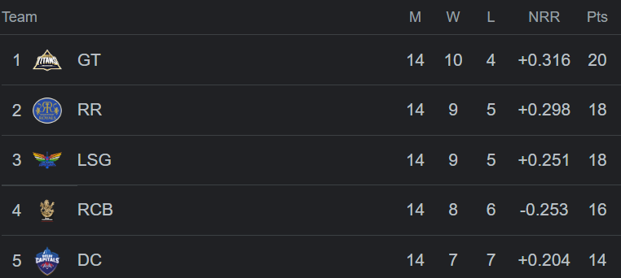
Develop dashboard for ipl points table

