Sheet1
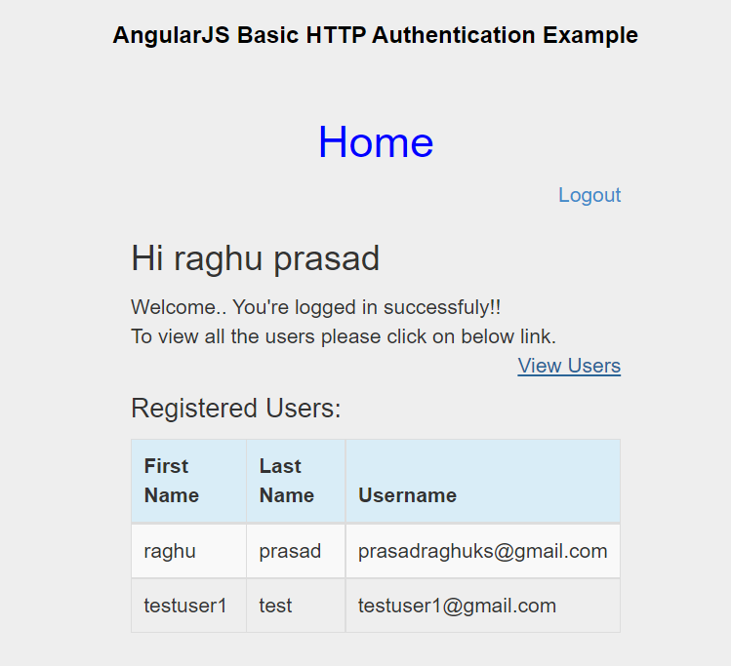

Add Todo link before Logout link

Onclick of todo

 | Todo Master
Title | <text>
Description | <text>

 | <submit> |  | Status = Pending | Generate unique todo id | {"id":1,"title":"task1","description":"taskcone desc","status":"pending" | Data to be stored into local storage

 | Todo List
Title | Description | Status

