Sheet1
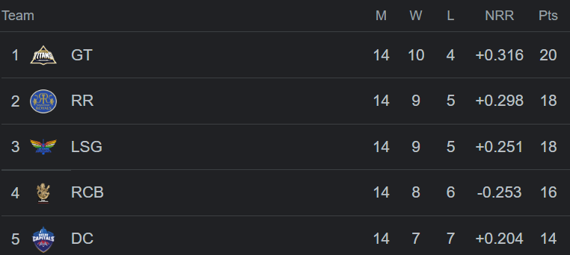
Develop dashboard for ipl points table

