初回（非分注）
 | 号機 | 依頼No
BM | 23 | 30859～0030863 |  | ※初回のみBIOMで再検以降がLABOになっておりました。
LABO | 6 | 30864～0030868
 |  |  | 」
select * from KNSSEQKNRI where WSSBT = '2MLT' ; |  |  |  |  |  |  |  |  | SELECT MAX(KNSSEQMAX) AS KNSSEQMAX, MAX(SYTRYMAX) AS SYTRYMAX, MAX(WSNO) AS WSNO FROM KNSSEQKNRI WHERE KNSKISYMD = '2024-02-14' AND WSSBT = '2MLT' ;
KNSKISYMD | KNSGRP | TRAYKBN | WSSBT | WSNO | KNSSEQMAX | SYTRYMAX | KSNDH |  | KNSSEQMAX | SYTRYMAX | WSNO
2024-02-14 | MBNCHU-2MLT | 3 | 2MLT | 0 | 500000 | 0 | 2024-02-15 |  | 500000 | 0 | 0
2024-02-14 | SAIKEN-2MLT | 1 | 2MLT | 0 | 500000 | 0 | 2024-02-15
2024-02-14 | SAISOK-2MLT | 2 | 2MLT | 0 | 500000 | 0 | 2024-02-15
2024-02-14 | SYOKAI-2MLT | 0 | 2MLT | 0 | 500000 | 0 | 2024-02-15 |  | ワークシート出力でINSERTされる
 |  |  |  |  |  |  |  |  | select * from WSSEQKNRI where WSSBT = '2MLT' ;

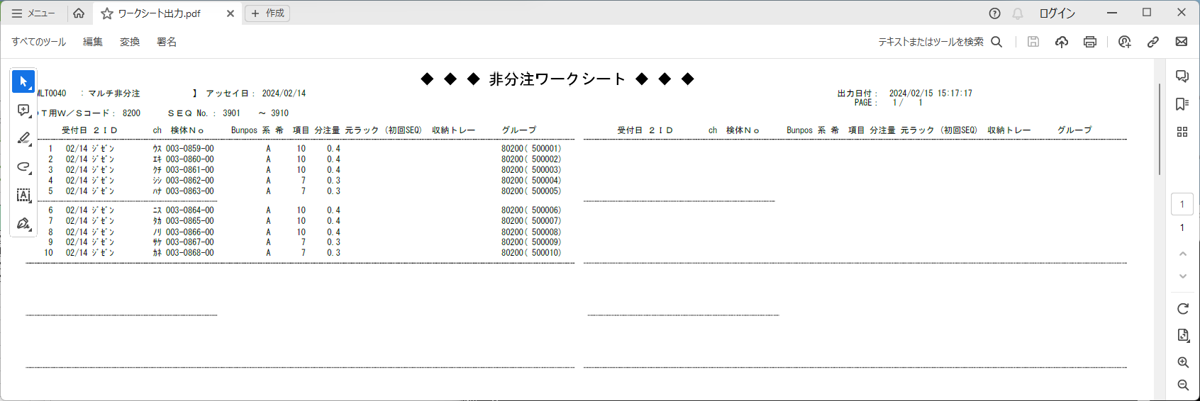

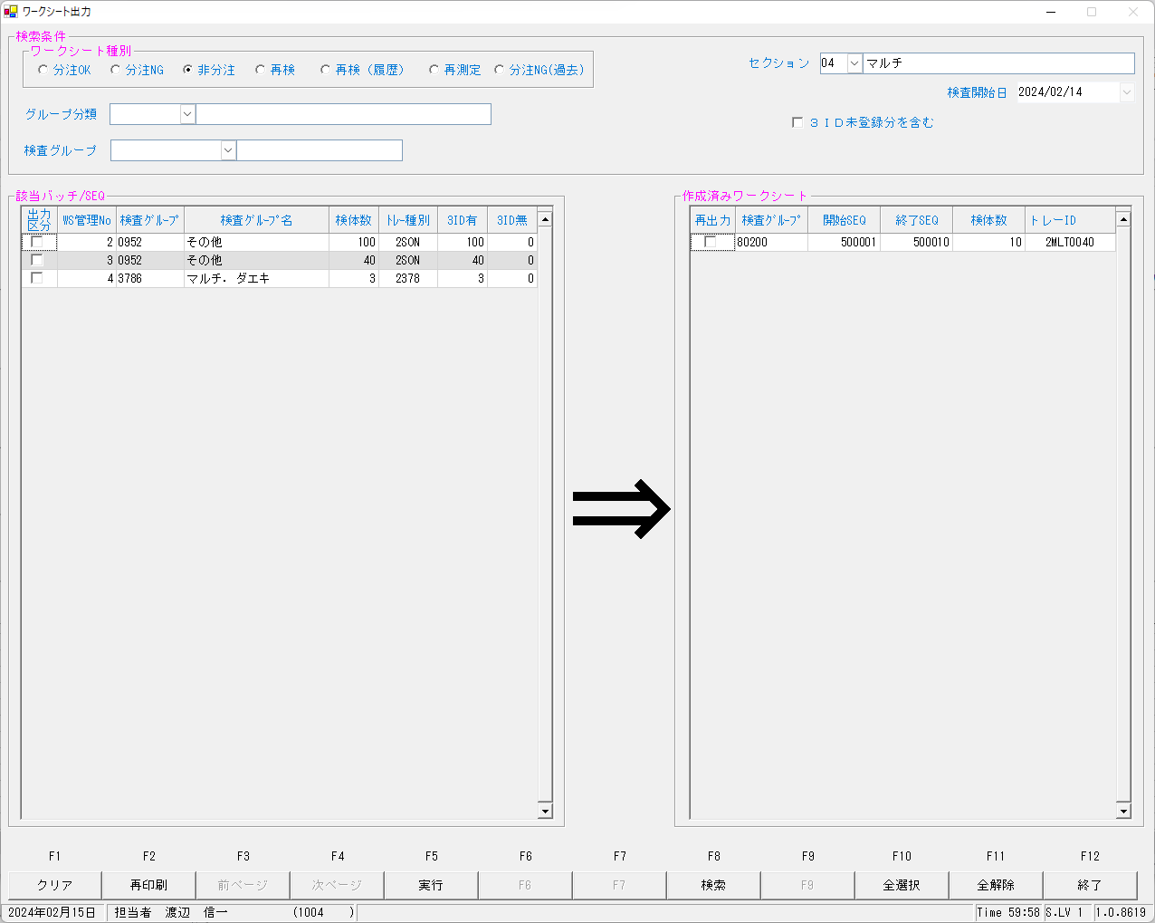

select * from KNSSEQKNRI where WSSBT = '2MLT' ;
KNSKISYMD | KNSGRP | TRAYKBN | WSSBT | WSNO | KNSSEQMAX | SYTRYMAX | KSNDH
2024-02-14 | MBNCHU-2MLT | 3 | 2MLT | 1 | 500010 | 40 | 2024-02-15
2024-02-14 | SAIKEN-2MLT | 1 | 2MLT | 0 | 500000 | 0 | 2024-02-15
2024-02-14 | SAISOK-2MLT | 2 | 2MLT | 0 | 500000 | 0 | 2024-02-15
2024-02-14 | SYOKAI-2MLT | 0 | 2MLT | 0 | 500000 | 0 | 2024-02-15

select * from WSSEQKNRI where WSSBT = '2MLT' ; |  |  |  |  |  |  |  |  |  |  |  | 本番機
WSTBNKNR | KNSKISYMD | KNSGRP | WSSBT | WSNO | KNSSEQST | KNSSEQED | KNSSEQSU | KSKTKBN | DTNRTTS | KSNDH |  | WSTBNKNR | KNSKISYMD | KNSGRP | WSSBT | WSNO | KNSSEQST | KNSSEQED | KNSSEQSU | KSKTKBN | DTNRTTS | KSNDH
1 | 2024-02-14 | 80200 | 2MLT | 40 | 500001 | 500010 | 10 | M | 1004 | 2024-02-15 |  | 670 | 2024-02-14 | 80200 | 2MLT | 22 | 501301 | 501359 | 59 | M | 3270 | 2024-02-15
 |  |  |  |  |  |  |  |  |  |  |  | 677 | 2024-02-14 | 80200 | 2MLT | 24 | 501501 | 501501 | 1 | M | 7294 | 2024-02-15
 |  |  |  |  |  |  |  |  |  |  |  | 748 | 2024-02-14 | 80200 | 2MLT | 25 | 501601 | 501601 | 1 | K | 7294 | 2024-02-15

再検
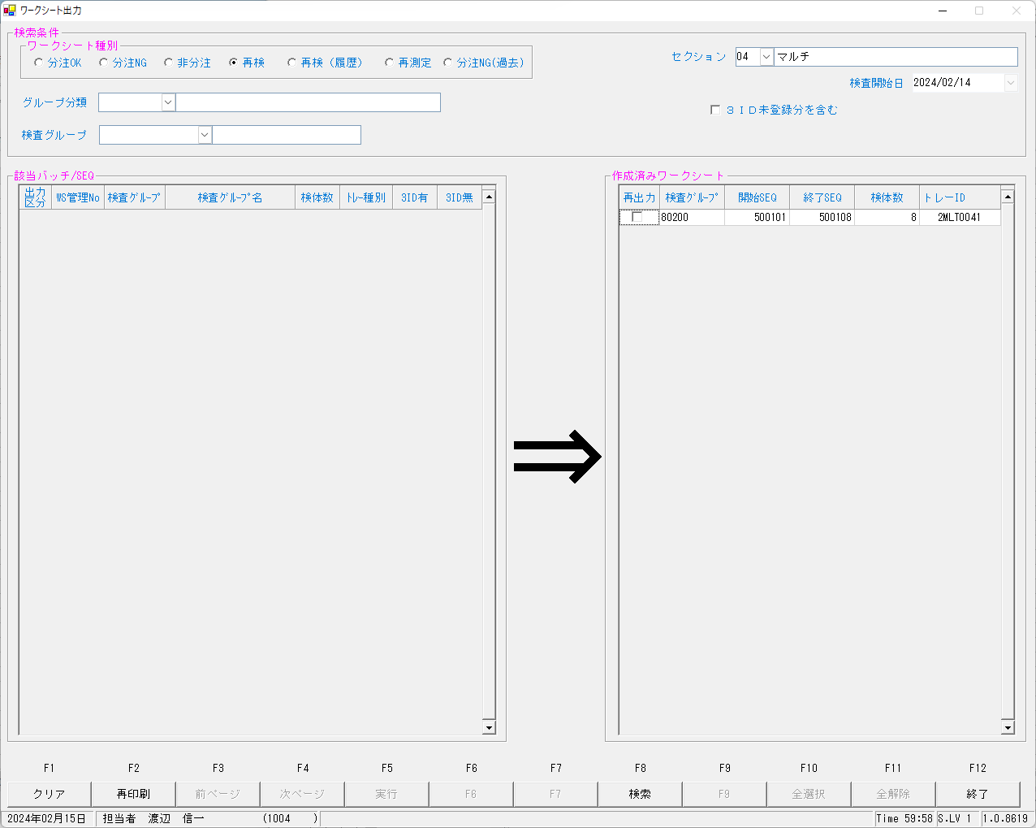

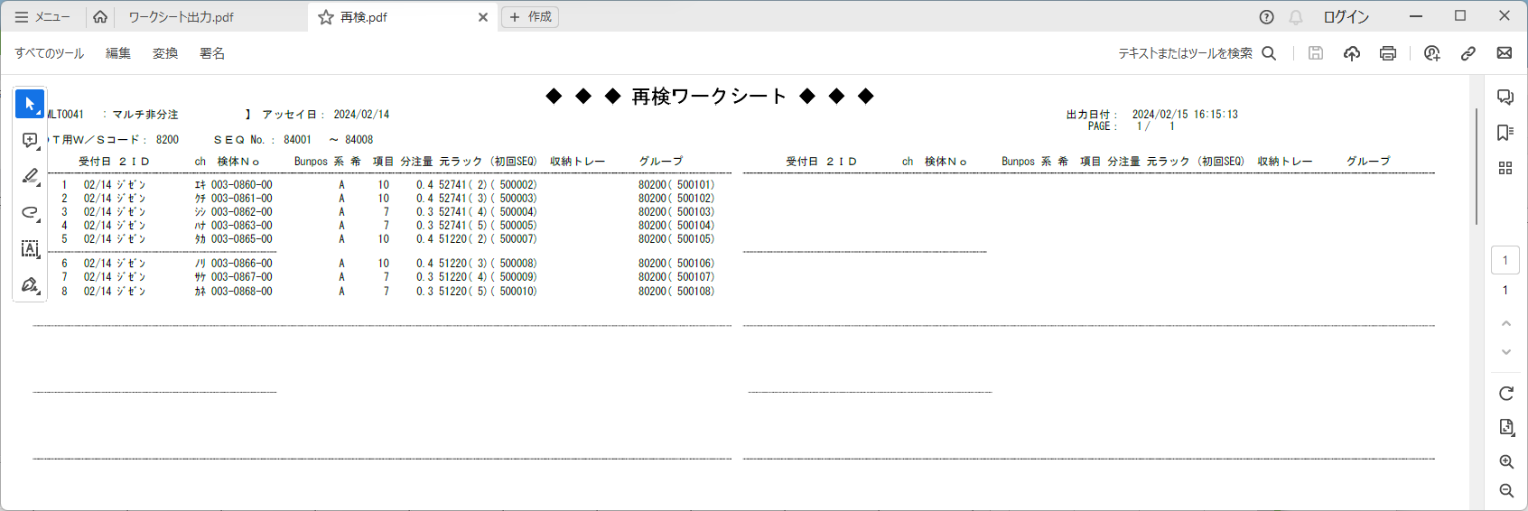

Version:0.9 StartHTML:00000097 EndHTML:00003203 StartFragment:00000120 EndFragment:00003181
WSTBNKNR | KNSKISYMD | KNSGRP | WSSBT | WSNO | KNSSEQST | KNSSEQED | KNSSEQSU | KSKTKBN | DTNRTTS | KSNDH
1 | 2024-02-14 | 80200 | 2MLT | 40 | 500001 | 500010 | 10 | M | 1004 | 2024-02-15
2 | 2024-02-14 | 80200 | 2MLT | 41 | 500101 | 500108 | 8 | K | 1004 | 2024-02-15 | ←再検

再測定
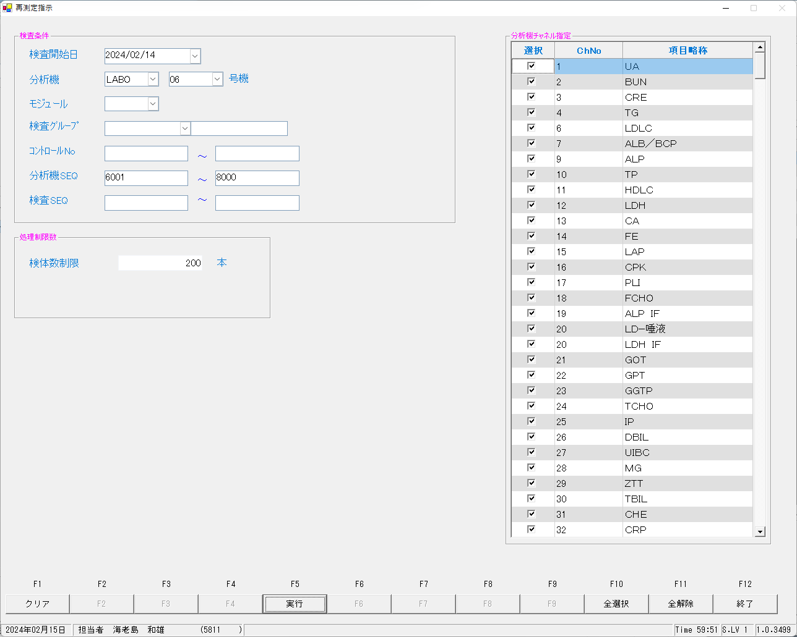

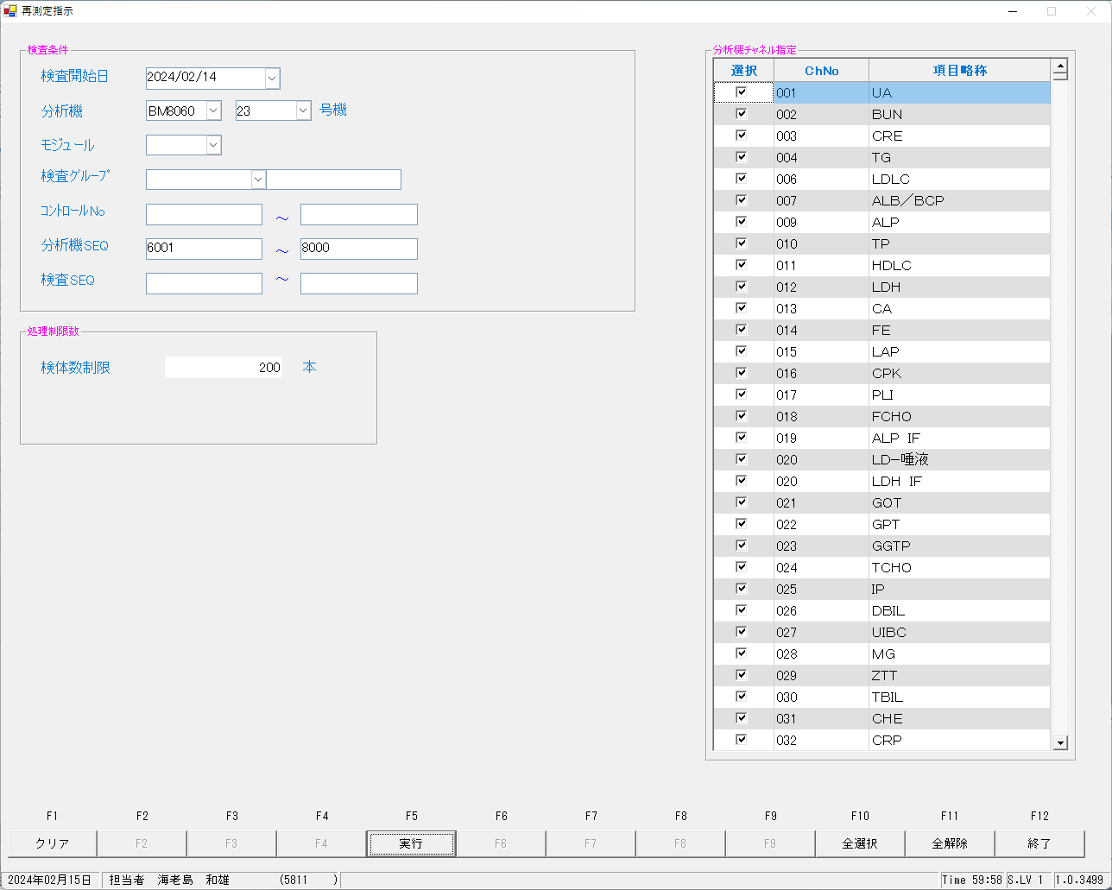

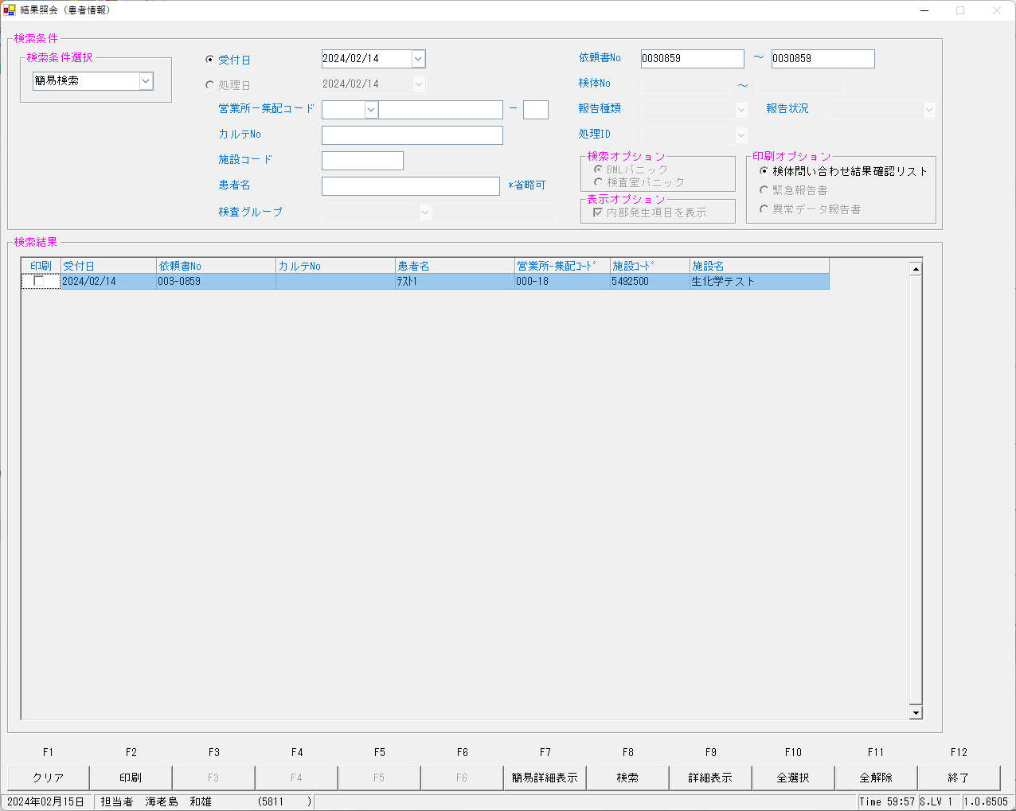

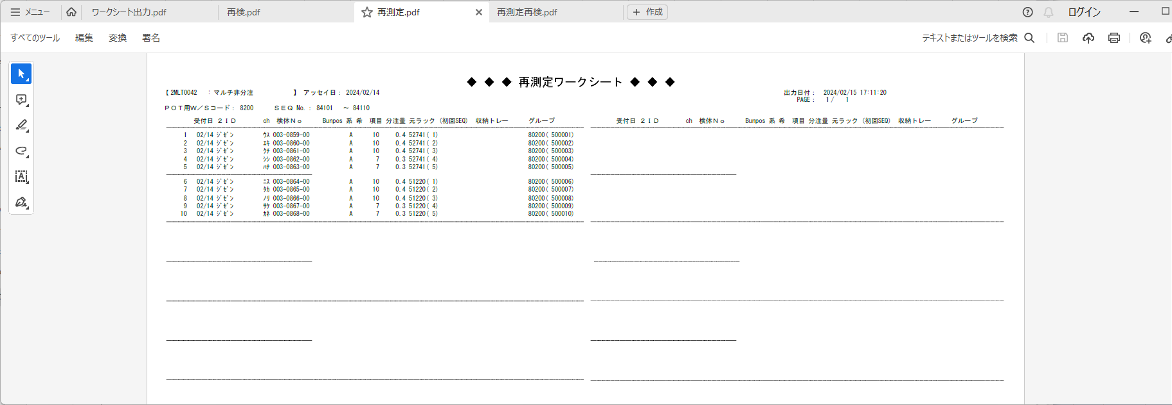

再測定再検
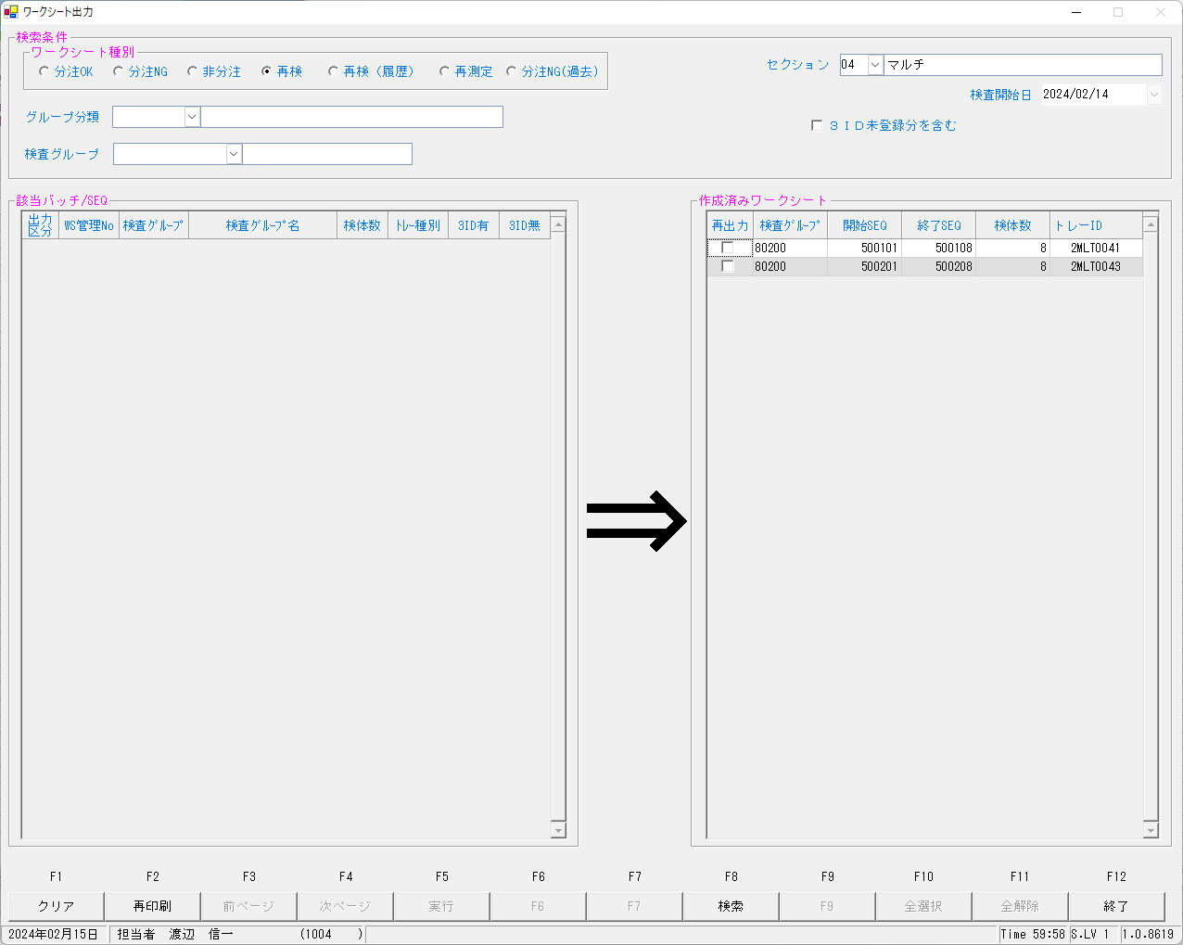

結果報告
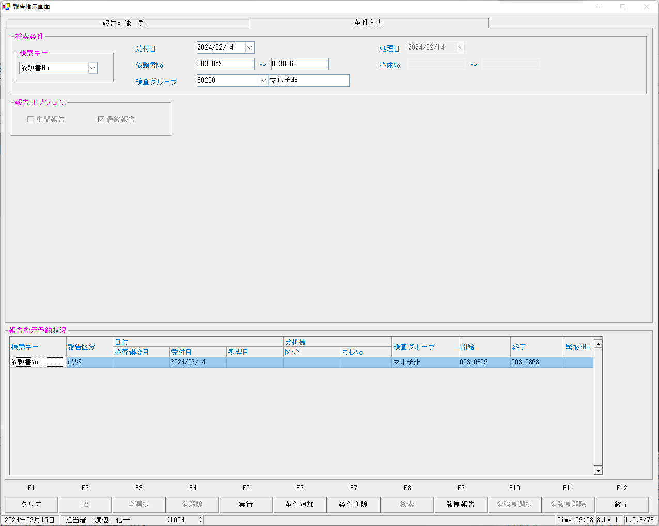

ea00sys@kea00apk:/apdata/today/file/kekka> ls -l
合計 64
drwxrwxr-x 3 kea00sys users 4096 2月 15 18:33 ./
drwxr-xr-x 14 kea00sys users 4096 7月 5 2023 ../
-rw-r--r-- 1 kea00sys users 1024 9月 12 16:47 202309120001.dat
-rw-r--r-- 1 kea00sys users 1024 9月 25 16:48 202309250001.dat
-rw-r--r-- 1 kea00sys users 1024 9月 25 16:58 202309250002.dat
-rw-r--r-- 1 kea00sys users 1024 9月 28 09:32 202309280001.dat
-rw-r--r-- 1 kea00sys users 1024 1月 11 15:18 202401110001.dat
-rw-r--r-- 1 kea00sys users 1024 1月 12 16:16 202401120001.dat
-rw-r--r-- 1 kea00sys users 4096 1月 12 16:16 202401120002.dat
-rw-r--r-- 1 kea00sys users 4096 1月 12 16:16 202401120003.dat
-rw-r--r-- 1 kea00sys users 2048 1月 26 10:47 202401260001.dat
-rw-r--r-- 1 kea00sys users 1024 1月 26 14:23 202401260002.dat
-rw-r--r-- 1 kea00sys users 12288 2月 15 18:33 202402150001.dat
drwxr-xr-x 2 kea00sys users 4096 9月 12 16:54 old/
kea00sys@kea00apk:/apdata/today/file/kekka> cat 202402150001.dat
R120240214003000864000000417003000864000000417 4.6 555 001 030005450000602300 0001 20240214003000864000000421003000864000000421 148 777 001 030005450000602300 0001 20240214003000864000000423003000864000000423 5.4 777 001 030005450000602300 0001 20240214003000864000000425003000864000000425 113 777 001 030005450000602300 0001 20240214003000864000000454003000864000000454 110 555 001 030005450000602300 0001 20240214003000864000013067003000864000013067 67 555 001 030005450000602300 0001
R120240214003000859000000401003000859000000401 7.7 555 001 030005450000102300 0001 20240214003000859000000413003000859000000413 0.91 575 009 030005450000102300 0001 20240214003000859000000417003000859000000417 4.5 555 001 030005450000102300 0001 20240214003000859000000421003000859000000421 149 777 001 030005450000102300 0001 20240214003000859000000423003000859000000423 5.4 777 001 030005450000102300 0001 20240214003000859000000425003000859000000425 110 777 001 030005450000102300 0001
R120240214003000859000000454003000859000000454 109 555 001 030005450000102300 0001 20240214003000859000013067003000859000013067 68 555 001 030005450000102300 0001 20240214003000860000000421003000860000000421 9 0020101 333 001 031005450000202300 0001 20240214003000864000000401003000864000000401 8.0 555 001 030005450000602300 0001 20240214003000864000000413003000864000000413 0.91 575 009 030005450000602300 0001 20240214003000867000000417003000867000000417 4.4 555 001 0300054500009023 0 0001
R120240214003000867000013067003000867000013067 2 0101 333 001 0300054500009023 0 0001 20240214003000868000000401003000868000000401 7.2 555 001 0300054500010023 0 0001 20240214003000868000000454003000868000000454 45 333 001 0300054500010023 0 0001 20240214003000868000000413003000868000000413 0.62 355 009 0300054500010023 0 0001 20240214003000868000000417003000868000000417 4.5 555 001 0300054500010023 0 0001 20240214003000868000013067003000868000013067 1 0101 333 001 0300054500010023 0 0001
R120240214003000866000000401003000866000000401 0.2 0020101 333 001 0310054500008023 0 0001 20240214003000866000000454003000866000000454 3 0020101 333 001 0300054500008023 0 0001 20240214003000866000000413003000866000000413 0.03 0020101 333 009 0300054500008023 0 0001 20240214003000866000000421003000866000000421 9 0020101 333 001 0310054500008023 0 0001 20240214003000866000000423003000866000000423 0.9 0020101 333 001 0310054500008023 0 0001 20240214003000866000000425003000866000000425 9 0020101 333 001 0300054500008023 0 0001
R120240214003000866000000417003000866000000417 0.1 0020101 333 001 0300054500008023 0 0001 20240214003000866000013067003000866000013067 0 0101 333 001 0300054500008023 0 0001 20240214003000867000000401003000867000000401 7.2 555 001 0300054500009023 0 0001 20240214003000867000000454003000867000000454 45 333 001 0300054500009023 0 0001 20240214003000867000000413003000867000000413 0.67 555 009 0300054500009023 0 0001 20240214003000863000000413003000863000000413 0.65 555 009 0300054500005023 0 0001
R120240214003000863000000417003000863000000417 4.4 555 001 0300054500005023 0 0001 20240214003000863000013067003000863000013067 0 0101 333 001 0300054500005023 0 0001 20240214003000865000000401003000865000000401 0.2 0020101 333 001 0310054500007023 0 0001 20240214003000865000000454003000865000000454 3 0020101 333 001 0300054500007023 0 0001 20240214003000865000000413003000865000000413 0.03 0020101 333 009 0300054500007023 0 0001 20240214003000865000000421003000865000000421 9 0020101 333 001 0310054500007023 0 0001
R120240214003000865000000423003000865000000423 0.9 0020101 333 001 0310054500007023 0 0001 20240214003000865000000425003000865000000425 9 0020101 333 001 0300054500007023 0 0001 20240214003000865000000417003000865000000417 0.1 0020101 333 001 0300054500007023 0 0001 20240214003000865000013067003000865000013067 0 0101 333 001 0300054500007023 0 0001 20240214003000861000000423003000861000000423 0.9 0020101 333 001 0310054500003023 0 0001 20240214003000861000000425003000861000000425 9 0020101 333 001 0300054500003023 0 0001
R120240214003000861000000417003000861000000417 0.1 0020101 333 001 0300054500003023 0 0001 20240214003000861000013067003000861000013067 0 0101 333 001 0300054500003023 0 0001 20240214003000862000000401003000862000000401 7.1 555 001 0300054500004023 0 0001 20240214003000862000000454003000862000000454 43 333 001 0300054500004023 0 0001 20240214003000862000000413003000862000000413 0.66 555 009 0300054500004023 0 0001 20240214003000862000000417003000862000000417 4.4 555 001 0300054500004023 0 0001
R120240214003000862000013067003000862000013067 1 0101 333 001 0300054500004023 0 0001 20240214003000863000000401003000863000000401 7.1 555 001 0300054500005023 0 0001 20240214003000863000000454003000863000000454 43 333 001 0300054500005023 0 0001 20240214003000860000000401003000860000000401 0.2 0020101 333 001 0310054500002023 0 0001 20240214003000860000000454003000860000000454 3 0020101 333 001 0300054500002023 0 0001 20240214003000860000000413003000860000000413 0.03 0020101 333 009 0300054500002023 0 0001
R120240214003000860000000423003000860000000423 0.9 0020101 333 001 0310054500002023 0 0001 20240214003000860000000425003000860000000425 9 0020101 333 001 0300054500002023 0 0001 20240214003000860000000417003000860000000417 0.1 0020101 333 001 0300054500002023 0 0001 20240214003000860000013067003000860000013067 0 0101 333 001 0300054500002023 0 0001 20240214003000861000000401003000861000000401 0.2 0020101 333 001 0310054500003023 0 0001 20240214003000861000000454003000861000000454 3 0020101 333 001 0300054500003023 0 0001
R120240214003000861000000413003000861000000413 0.03 0020101 333 009 0300054500003023 0 0001 20240214003000861000000421003000861000000421 9 0020101 333 001 0310054500003023 0 0001
kea00sys@kea00apk:/apdata/today/file/kekka>

kea00sys@kea00apk:/apdata/today/online/host/Send> ls -l
合計 48
drwxr-xr-x 4 kea00sys users 12288 2月 15 18:33 ./
drwxr-xr-x 9 kea00sys users 4096 2月 5 2019 ../
-rw-r--r-- 1 kea00sys users 14336 2月 15 18:33 A00_0001_A-_IRAINO_202402140001.dat
-rw-rw-rw- 1 root root 0 1月 12 16:46 SEND_OK
drwxr-xr-x 2 kea00sys users 4096 2月 15 18:03 bak/
-rw-r--r-- 1 kea00sys users 6144 1月 12 16:46 data
drwxr-xr-x 3 kea00sys users 4096 7月 5 2023 req/

kea00sys@kea00apk:/apdata/today/online/host/Send> cat A00_0001_A-_IRAINO_202402140001.dat
HDSY00 SA00 202402140001EDATA001 A00_0001_A-_IRAINO
R120240214003000864000000417003000864000000417 4.6 555 001 030005450000602300 0001 20240214003000864000000421003000864000000421 148 777 001 030005450000602300 0001 20240214003000864000000423003000864000000423 5.4 777 001 030005450000602300 0001 20240214003000864000000425003000864000000425 113 777 001 030005450000602300 0001 20240214003000864000000454003000864000000454 110 555 001 030005450000602300 0001 20240214003000864000013067003000864000013067 67 555 001 030005450000602300 0001
R120240214003000859000000401003000859000000401 7.7 555 001 030005450000102300 0001 20240214003000859000000413003000859000000413 0.91 575 009 030005450000102300 0001 20240214003000859000000417003000859000000417 4.5 555 001 030005450000102300 0001 20240214003000859000000421003000859000000421 149 777 001 030005450000102300 0001 20240214003000859000000423003000859000000423 5.4 777 001 030005450000102300 0001 20240214003000859000000425003000859000000425 110 777 001 030005450000102300 0001
R120240214003000859000000454003000859000000454 109 555 001 030005450000102300 0001 20240214003000859000013067003000859000013067 68 555 001 030005450000102300 0001 20240214003000860000000421003000860000000421 9 0020101 333 001 031005450000202300 0001 20240214003000864000000401003000864000000401 8.0 555 001 030005450000602300 0001 20240214003000864000000413003000864000000413 0.91 575 009 030005450000602300 0001 20240214003000867000000417003000867000000417 4.4 555 001 0300054500009023 0 0001
R120240214003000867000013067003000867000013067 2 0101 333 001 0300054500009023 0 0001 20240214003000868000000401003000868000000401 7.2 555 001 0300054500010023 0 0001 20240214003000868000000454003000868000000454 45 333 001 0300054500010023 0 0001 20240214003000868000000413003000868000000413 0.62 355 009 0300054500010023 0 0001 20240214003000868000000417003000868000000417 4.5 555 001 0300054500010023 0 0001 20240214003000868000013067003000868000013067 1 0101 333 001 0300054500010023 0 0001
R120240214003000866000000401003000866000000401 0.2 0020101 333 001 0310054500008023 0 0001 20240214003000866000000454003000866000000454 3 0020101 333 001 0300054500008023 0 0001 20240214003000866000000413003000866000000413 0.03 0020101 333 009 0300054500008023 0 0001 20240214003000866000000421003000866000000421 9 0020101 333 001 0310054500008023 0 0001 20240214003000866000000423003000866000000423 0.9 0020101 333 001 0310054500008023 0 0001 20240214003000866000000425003000866000000425 9 0020101 333 001 0300054500008023 0 0001
R120240214003000866000000417003000866000000417 0.1 0020101 333 001 0300054500008023 0 0001 20240214003000866000013067003000866000013067 0 0101 333 001 0300054500008023 0 0001 20240214003000867000000401003000867000000401 7.2 555 001 0300054500009023 0 0001 20240214003000867000000454003000867000000454 45 333 001 0300054500009023 0 0001 20240214003000867000000413003000867000000413 0.67 555 009 0300054500009023 0 0001 20240214003000863000000413003000863000000413 0.65 555 009 0300054500005023 0 0001
R120240214003000863000000417003000863000000417 4.4 555 001 0300054500005023 0 0001 20240214003000863000013067003000863000013067 0 0101 333 001 0300054500005023 0 0001 20240214003000865000000401003000865000000401 0.2 0020101 333 001 0310054500007023 0 0001 20240214003000865000000454003000865000000454 3 0020101 333 001 0300054500007023 0 0001 20240214003000865000000413003000865000000413 0.03 0020101 333 009 0300054500007023 0 0001 20240214003000865000000421003000865000000421 9 0020101 333 001 0310054500007023 0 0001
R120240214003000865000000423003000865000000423 0.9 0020101 333 001 0310054500007023 0 0001 20240214003000865000000425003000865000000425 9 0020101 333 001 0300054500007023 0 0001 20240214003000865000000417003000865000000417 0.1 0020101 333 001 0300054500007023 0 0001 20240214003000865000013067003000865000013067 0 0101 333 001 0300054500007023 0 0001 20240214003000861000000423003000861000000423 0.9 0020101 333 001 0310054500003023 0 0001 20240214003000861000000425003000861000000425 9 0020101 333 001 0300054500003023 0 0001
R120240214003000861000000417003000861000000417 0.1 0020101 333 001 0300054500003023 0 0001 20240214003000861000013067003000861000013067 0 0101 333 001 0300054500003023 0 0001 20240214003000862000000401003000862000000401 7.1 555 001 0300054500004023 0 0001 20240214003000862000000454003000862000000454 43 333 001 0300054500004023 0 0001 20240214003000862000000413003000862000000413 0.66 555 009 0300054500004023 0 0001 20240214003000862000000417003000862000000417 4.4 555 001 0300054500004023 0 0001
R120240214003000862000013067003000862000013067 1 0101 333 001 0300054500004023 0 0001 20240214003000863000000401003000863000000401 7.1 555 001 0300054500005023 0 0001 20240214003000863000000454003000863000000454 43 333 001 0300054500005023 0 0001 20240214003000860000000401003000860000000401 0.2 0020101 333 001 0310054500002023 0 0001 20240214003000860000000454003000860000000454 3 0020101 333 001 0300054500002023 0 0001 20240214003000860000000413003000860000000413 0.03 0020101 333 009 0300054500002023 0 0001
R120240214003000860000000423003000860000000423 0.9 0020101 333 001 0310054500002023 0 0001 20240214003000860000000425003000860000000425 9 0020101 333 001 0300054500002023 0 0001 20240214003000860000000417003000860000000417 0.1 0020101 333 001 0300054500002023 0 0001 20240214003000860000013067003000860000013067 0 0101 333 001 0300054500002023 0 0001 20240214003000861000000401003000861000000401 0.2 0020101 333 001 0310054500003023 0 0001 20240214003000861000000454003000861000000454 3 0020101 333 001 0300054500003023 0 0001
R120240214003000861000000413003000861000000413 0.03 0020101 333 009 0300054500003023 0 0001 20240214003000861000000421003000861000000421 9 0020101 333 001 0310054500003023 0 0001
TRSY00 SA00 202402140001EDATA001 00000014000000680000000000000000000000000000000000000000000000000000000000000000000000000000000000000000000000000000000000000000
kea00sys@kea00apk:/apdata/today/online/host/Send>

0030859
 | ■初回

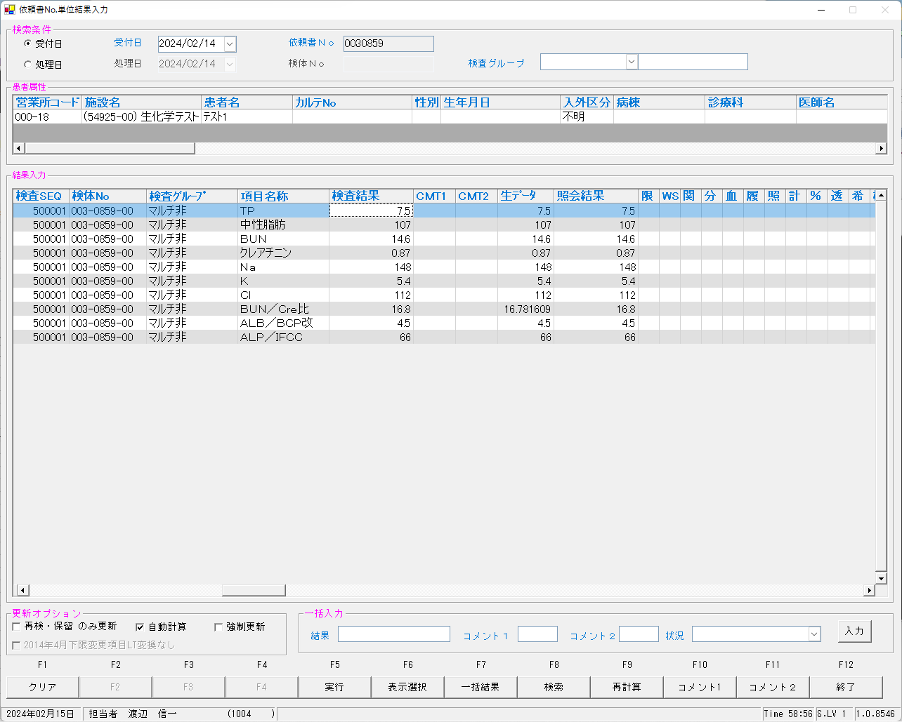
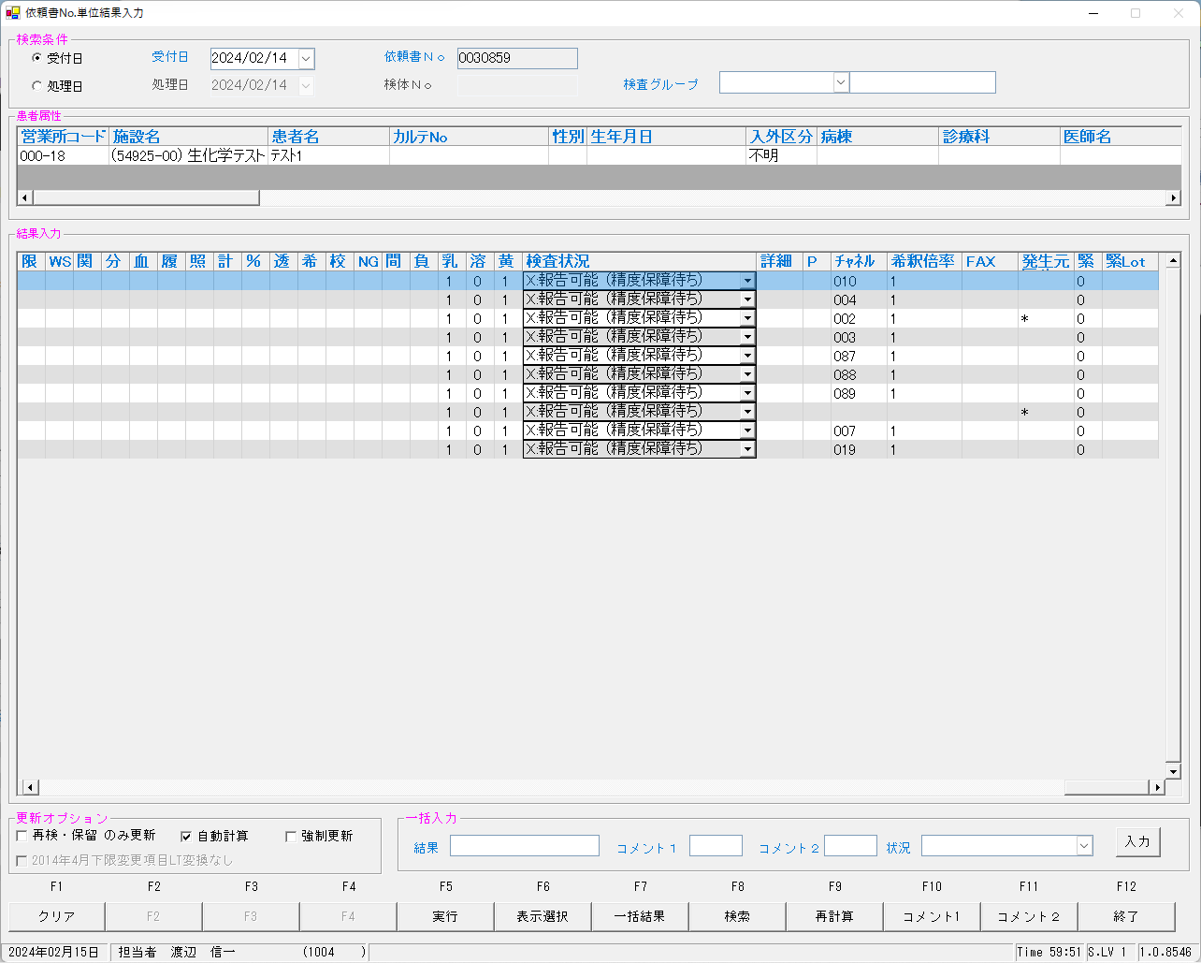

 | select * from KEKKA where irino like '00003085900' order by kmkcd,knssu;

 | ■再測定後



 | ■報告後
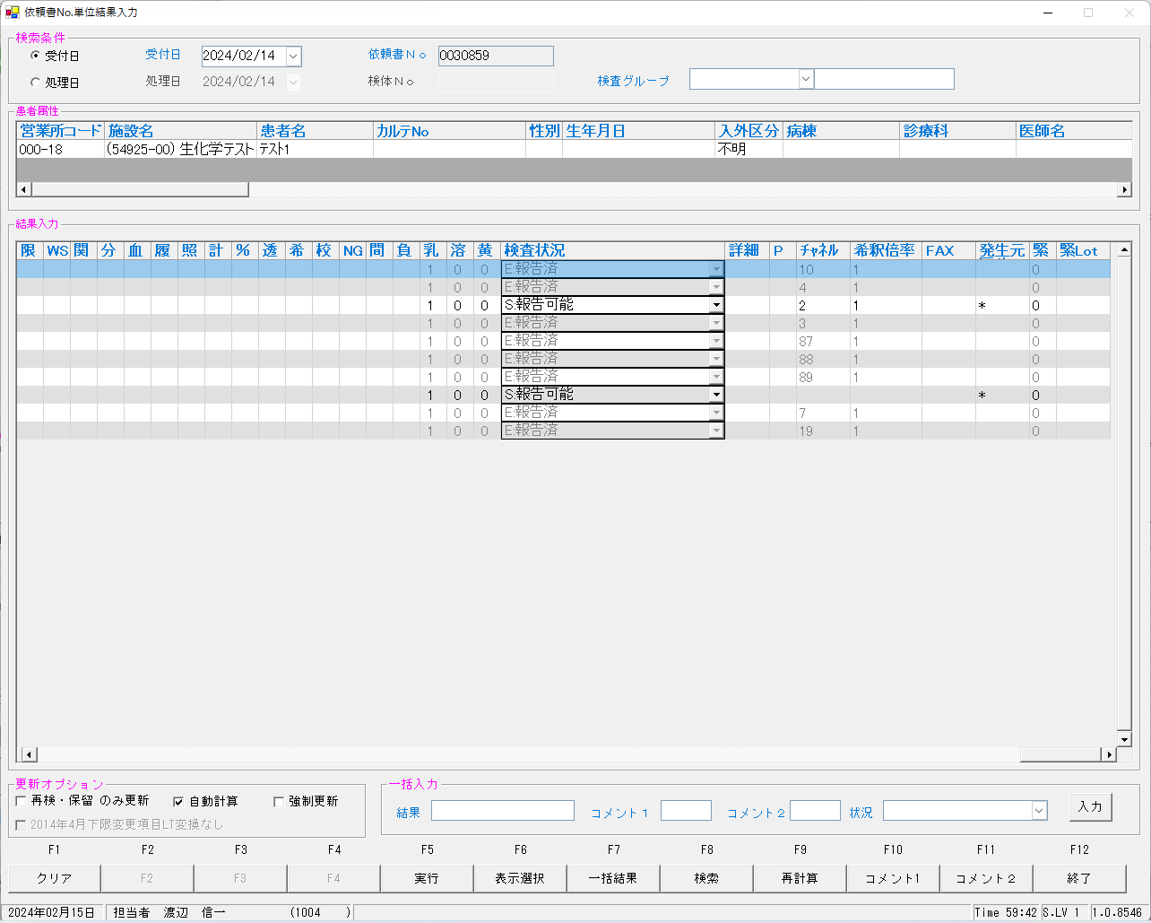
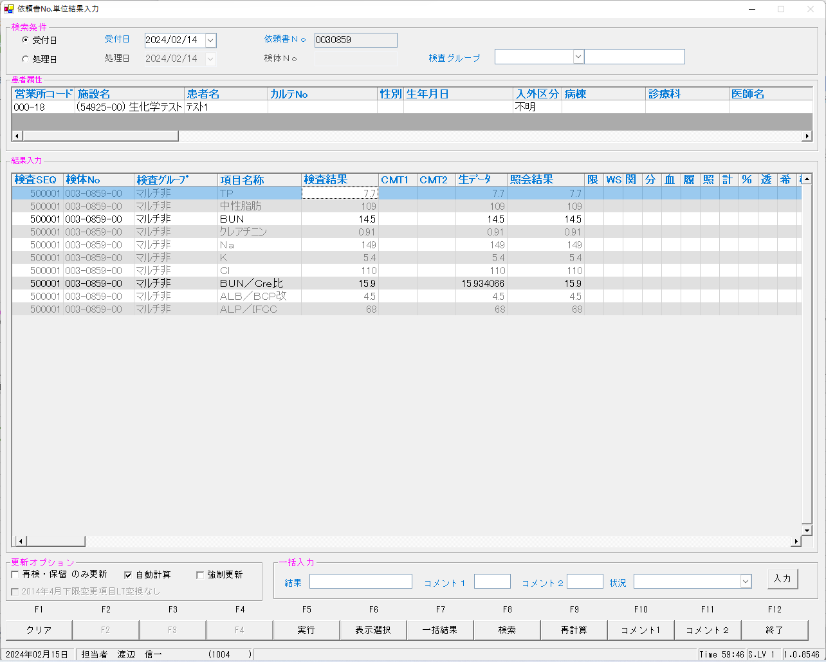

 | select * from KEKKA where irino like '00003085900' order by kmkcd,knssu;
検査結果 | KNSKISYMD | SRIYMD | KNTNO | KNTKETFLG | KNSGRP | KMKCD | KNSSU | KNSSUEDA | IRIHSMKBN | IRIKBN | KSKTKBN | UTKYMD | IRINO | IRIKETFLG | ZSSDINO | SSTCD | TRID | TRPOS | ASYRCKID | ASYRCKPOS | OYAKMKCD | SECCD | BKFKKBN | SMPCD | BSKKBN | BSKLNE | BSKGOK | BSKSEQ | BSKERRSTS | SKTDH | NBKMKCD | TSTRFLG | ZRCD | YSNLBL | KJNO | FKHKKNOHJKBN | TBKJNO | TBKJFLG | HTKFKHMS | SKFLG | TSKFLG | TKTFLG | JISKSBR | KKFLG | KKIRIFLG | KKIRILOTNO | HSYKFLG | HSKFLG | HHKKFLG | RAWDATA | KNSKKA1 | KNSKKA2 | KNSKKA2KBN | KKAHSKCD | HJKKA | SDI | KKACMT1 | KKACMT2 | KKAJKCD | PNCRGFLG | KNSPNCRGFLG | KKAKSFLG | KKASSFLG | IJKBNM | IJKBNF | IJKBNN | TBIJKBNM | TBIJKBNF | TBIJKBNN | NBDOLBL | NBDOERR | YKDOLBL | YKDOERR | ETCLBL | ETCERR | CTRLNO | KNSSEQ | BTHNO | PLTNO | PLTSEQ | DTNRTTS | DTNRDH | KNSKRDH | HKKDH | HKKKBDH | ZKHKKYYMD | ZKHKKYTME | FRKKAFLG | GZBSFLG | HSIFLG | KKAYSNFLG | TNYRKFLG | SIYFLG | KNSFLG | RENJICFLG | SOUKN1FLG | KANRENFLG | BUNKKUFLG | KESSEIFLG | RIREKIFLG | SYOUGOFLG | KEISANFLG | PER100FLG | TOUSEKFLG | KISYAKFLG | KOUSEIFLG | SYOUNGFLG | SOUKN2FLG | FUKAPTFLG | YOBIFLG01 | TOBIFLG02 | YOBIFLG03 | YOBIFLG04 | YOBIFLG05 | SKRYCDA | SKRYCDB | SKRYCDC | KSNDH | TRKDH | SKKKA
初回 | 2024-02-14 | 2024-02-14 | 00003085900 |  | 80200 | 0000401 | 1 | 0 | 0 | A | A | 2024-02-14 | 00003085900 |  | 0 | 5492500 | 2MLT0040 | 1 | 52741 | 1 | 0000401 | A | 0 | 0054 | BIOM | 23 | 230400 | 6001 |  | 2024-02-15 | 010 | R | 023 | 00 | 001 |  |  |  |  | 0 |  |  | 1 | 0 | 0 | 0 |  |  |  | 7.5 | 7.5 |  |  |  | 7.5 |  |  |  | 1 | 0 | 0 | 0 | 0 | 5 | 5 | 5 |  |  |  | 1 |  | 0 |  | 1 |  | 1 | 500001 | 0 | 1 | 5 |  | 2024-02-15 | 1000/01/01 | 2024-02-15 | 15:54:23 | 1000/01/01 |  | 0 | 0 | 1 |  |  | 1 | M | 1 | 1 | 0 | 0 | 1 | 0 | 0 | 1 | 0 | 0 | 1 | 0 | 0 | 0 | 0 | 1 | 0 | 1 | 1 | 1 |  |  |  | 2024-02-15 | 2024-02-15 | 7.5
再測定 | 2024-02-14 | 2024-02-14 | 00003085900 |  | 80200 | 0000401 | 2 | 0 | 0 | A | A | 2024-02-14 | 00003085900 |  | 0 | 5492500 | 2MLT0040 | 1 | 52741 | 1 | 0000401 | A | 0 | 0054 | LABO | 06 | 060202 | 6021 | 0 | 2024-02-15 | 10 | R | 023 | 00 | 001 |  |  |  |  | 0 |  |  | 1 | 0 | 0 | 0 |  |  |  | 7.7 | 7.7 |  |  |  | 7.7 |  |  |  | 3 | 0 | 0 | 0 | 1 | 5 | 5 | 5 |  |  |  | 1 | N | 0 | N | 0 | N | 1 | 500001 | 0 | 1 | 12 |  | 2024-02-15 | 1000/01/01 | 2024-02-15 | 17:26:38 | 1000/01/01 |  | 0 | 0 | 1 | 1 |  | 1 | E | 1 | 1 | 0 | 0 | 1 | 0 | 0 | 1 | 0 | 0 | 1 | 0 | 0 | 0 | 0 | 1 | 0 | 1 | 1 | 1 |  |  |  | 2024-02-15 | 2024-02-15 | 7.7
初回 | 2024-02-14 | 2024-02-14 | 00003085900 |  | 80200 | 0000409 | 1 | 0 | 2 | A | A | 2024-02-14 | 00003085900 |  | 0 | 5492500 | 2MLT0040 | 1 | 52741 | 1 | 0000409 | A | 0 | 0054 | BIOM | 23 | 230600 | 6001 |  | 2024-02-15 | 002 | R | 023 | 00 | 005 |  |  |  |  | 0 |  |  | 1 | 0 | 0 | 0 |  |  |  | 14.6 | 14.6 |  |  |  | 14.6 |  |  |  | 1 | 0 | 0 | 0 | 0 | 5 | 5 | 5 |  |  |  | 1 |  | 0 |  | 1 |  | 1 | 500001 | 0 | 1 | 4 |  | 2024-02-15 | 1000/01/01 | 2024-02-15 | 15:54:23 | 1000/01/01 |  | 0 | 0 | 1 |  |  | 1 | M | 1 | 0 | 0 | 0 | 1 | 0 | 0 | 1 | 0 | 0 | 1 | 0 | 0 | 0 | 0 | 1 | 0 | 1 | 1 | 1 |  |  |  | 2024-02-15 | 2024-02-15 | 14.6
再測定 | 2024-02-14 | 2024-02-14 | 00003085900 |  | 80200 | 0000409 | 2 | 0 | 2 | A | A | 2024-02-14 | 00003085900 |  | 0 | 5492500 | 2MLT0040 | 1 | 52741 | 1 | 0000409 | A | 0 | 0054 | LABO | 06 | 060101 | 6021 | 0 | 2024-02-15 | 2 | R | 023 | 00 | 005 |  |  |  |  | 0 |  |  | 1 | 0 | 0 | 0 |  |  |  | 14.5 | 14.5 |  |  |  | 14.5 |  |  |  | 3 | 0 | 0 | 0 | 0 | 5 | 5 | 5 |  |  |  | 1 | N | 0 | N | 0 | N | 1 | 500001 | 0 | 1 | 12 |  | 2024-02-15 | 1000/01/01 | 2024-02-15 | 17:26:38 | 1000/01/01 |  | 0 | 0 | 1 | 1 |  | 1 | S | 1 | 0 | 0 | 0 | 1 | 0 | 0 | 1 | 0 | 0 | 1 | 0 | 0 | 0 | 0 | 1 | 0 | 1 | 1 | 1 |  |  |  | 2024-02-15 | 2024-02-15 | 14.5
初回 | 2024-02-14 | 2024-02-14 | 00003085900 |  | 80200 | 0000413 | 1 | 0 | 0 | A | A | 2024-02-14 | 00003085900 |  | 0 | 5492500 | 2MLT0040 | 1 | 52741 | 1 | 0000413 | A | 0 | 0054 | BIOM | 23 | 230400 | 6001 |  | 2024-02-15 | 003 | R | 023 | 00 | 009 |  |  |  |  | 0 |  |  | 1 | 0 | 0 | 0 |  |  |  | 0.87 | 0.87 |  |  |  | 0.87 |  |  |  | 1 | 0 | 0 | 0 | 0 | 5 | 7 | 5 |  |  |  | 1 |  | 0 |  | 1 |  | 1 | 500001 | 0 | 1 | 4 |  | 2024-02-15 | 1000/01/01 | 2024-02-15 | 15:54:23 | 1000/01/01 |  | 0 | 0 | 1 |  |  | 1 | M | 1 | 0 | 0 | 0 | 1 | 0 | 0 | 1 | 0 | 0 | 1 | 0 | 0 | 0 | 0 | 1 | 0 | 1 | 1 | 1 |  |  |  | 2024-02-15 | 2024-02-15 | 0.87
再測定 | 2024-02-14 | 2024-02-14 | 00003085900 |  | 80200 | 0000413 | 2 | 0 | 0 | A | A | 2024-02-14 | 00003085900 |  | 0 | 5492500 | 2MLT0040 | 1 | 52741 | 1 | 0000413 | A | 0 | 0054 | LABO | 06 | 060201 | 6021 | 0 | 2024-02-15 | 3 | R | 023 | 00 | 009 |  |  |  |  | 0 |  |  | 1 | 0 | 0 | 0 |  |  |  | 0.91 | 0.91 |  |  |  | 0.91 |  |  |  | 3 | 0 | 0 | 0 | 1 | 5 | 7 | 5 |  |  |  | 1 | N | 0 | N | 0 | N | 1 | 500001 | 0 | 1 | 12 |  | 2024-02-15 | 1000/01/01 | 2024-02-15 | 17:26:38 | 1000/01/01 |  | 0 | 0 | 1 | 1 |  | 1 | E | 1 | 0 | 0 | 0 | 1 | 0 | 0 | 1 | 0 | 0 | 1 | 0 | 0 | 0 | 0 | 1 | 0 | 1 | 1 | 1 |  |  |  | 2024-02-15 | 2024-02-15 | 0.91
初回 | 2024-02-14 | 2024-02-14 | 00003085900 |  | 80200 | 0000417 | 1 | 0 | 0 | A | A | 2024-02-14 | 00003085900 |  | 0 | 5492500 | 2MLT0040 | 1 | 52741 | 1 | 0000417 | A | 0 | 0054 | BIOM | 23 | 230400 | 6001 |  | 2024-02-15 | 007 | R | 023 | 00 | 001 |  |  |  |  | 0 |  |  | 1 | 0 | 0 | 0 |  |  |  | 4.5 | 4.5 |  |  |  | 4.5 |  |  |  | 1 | 0 | 0 | 0 | 0 | 5 | 5 | 5 |  |  |  | 1 |  | 0 |  | 1 |  | 1 | 500001 | 0 | 1 | 5 |  | 2024-02-15 | 1000/01/01 | 2024-02-15 | 15:54:23 | 1000/01/01 |  | 0 | 0 | 1 |  |  | 1 | M | 1 | 1 | 0 | 0 | 1 | 0 | 0 | 1 | 0 | 0 | 1 | 0 | 0 | 0 | 0 | 1 | 0 | 1 | 1 | 1 |  |  |  | 2024-02-15 | 2024-02-15 | 4.5
再測定 | 2024-02-14 | 2024-02-14 | 00003085900 |  | 80200 | 0000417 | 2 | 0 | 0 | A | A | 2024-02-14 | 00003085900 |  | 0 | 5492500 | 2MLT0040 | 1 | 52741 | 1 | 0000417 | A | 0 | 0054 | LABO | 06 | 060201 | 6021 | 0 | 2024-02-15 | 7 | R | 023 | 00 | 001 |  |  |  |  | 0 |  |  | 1 | 0 | 0 | 0 |  |  |  | 4.5 | 4.5 |  |  |  | 4.5 |  |  |  | 3 | 0 | 0 | 0 | 1 | 5 | 5 | 5 |  |  |  | 1 | N | 0 | N | 0 | N | 1 | 500001 | 0 | 1 | 12 |  | 2024-02-15 | 1000/01/01 | 2024-02-15 | 17:26:38 | 1000/01/01 |  | 0 | 0 | 1 | 1 |  | 1 | E | 1 | 1 | 0 | 0 | 1 | 0 | 0 | 1 | 0 | 0 | 1 | 0 | 0 | 0 | 0 | 1 | 0 | 1 | 1 | 1 |  |  |  | 2024-02-15 | 2024-02-15 | 4.5
初回 | 2024-02-14 | 2024-02-14 | 00003085900 |  | 80200 | 0000421 | 1 | 0 | 0 | A | A | 2024-02-14 | 00003085900 |  | 0 | 5492500 | 2MLT0040 | 1 | 52741 | 1 | 0000421 | A | 0 | 0054 | BIOM | 23 | 230001 | 6001 |  | 2024-02-15 | 087 | R | 023 | 00 | 001 |  |  |  |  | 0 |  |  | 1 | 0 | 0 | 0 |  |  |  | 148 | 148 |  |  |  | 148 |  |  |  | 1 | 0 | 0 | 0 | 0 | 7 | 7 | 7 |  |  |  | 1 |  | 0 |  | 1 |  | 1 | 500001 | 0 | 1 | 2 |  | 2024-02-15 | 1000/01/01 | 2024-02-15 | 15:54:23 | 1000/01/01 |  | 0 | 0 | 1 |  |  | 1 | M | 1 | 0 | 0 | 0 | 1 | 0 | 0 | 1 | 0 | 0 | 1 | 0 | 0 | 0 | 0 | 1 | 0 | 1 | 1 | 1 |  |  |  | 2024-02-15 | 2024-02-15 | 148
再測定 | 2024-02-14 | 2024-02-14 | 00003085900 |  | 80200 | 0000421 | 2 | 0 | 0 | A | A | 2024-02-14 | 00003085900 |  | 0 | 5492500 | 2MLT0040 | 1 | 52741 | 1 | 0000421 | A | 0 | 0054 | LABO | 06 | 060002 | 6021 | 0 | 2024-02-15 | 87 | R | 023 | 00 | 001 |  |  |  |  | 0 |  |  | 1 | 0 | 0 | 0 |  |  |  | 149 | 149 |  |  |  | 149 |  |  |  | 3 | 0 | 0 | 0 | 1 | 7 | 7 | 7 |  |  |  | 1 | N | 0 | N | 0 | N | 1 | 500001 | 0 | 1 | 9 |  | 2024-02-15 | 1000/01/01 | 2024-02-15 | 17:26:38 | 1000/01/01 |  | 0 | 0 | 1 | 1 |  | 1 | E | 1 | 0 | 0 | 0 | 1 | 0 | 0 | 1 | 0 | 0 | 1 | 0 | 0 | 0 | 0 | 1 | 0 | 1 | 1 | 1 |  |  |  | 2024-02-15 | 2024-02-15 | 149
初回 | 2024-02-14 | 2024-02-14 | 00003085900 |  | 80200 | 0000423 | 1 | 0 | 0 | A | A | 2024-02-14 | 00003085900 |  | 0 | 5492500 | 2MLT0040 | 1 | 52741 | 1 | 0000423 | A | 0 | 0054 | BIOM | 23 | 230001 | 6001 |  | 2024-02-15 | 088 | R | 023 | 00 | 001 |  |  |  |  | 0 |  |  | 1 | 0 | 0 | 0 |  |  |  | 5.4 | 5.4 |  |  |  | 5.4 |  |  |  | 1 | 0 | 0 | 0 | 0 | 7 | 7 | 7 |  |  |  | 1 |  | 0 |  | 1 |  | 1 | 500001 | 0 | 1 | 2 |  | 2024-02-15 | 1000/01/01 | 2024-02-15 | 15:54:23 | 1000/01/01 |  | 0 | 0 | 1 |  |  | 1 | M | 1 | 0 | 0 | 0 | 1 | 0 | 0 | 1 | 0 | 0 | 1 | 0 | 0 | 0 | 0 | 1 | 0 | 1 | 1 | 1 |  |  |  | 2024-02-15 | 2024-02-15 | 5.4
再測定 | 2024-02-14 | 2024-02-14 | 00003085900 |  | 80200 | 0000423 | 2 | 0 | 0 | A | A | 2024-02-14 | 00003085900 |  | 0 | 5492500 | 2MLT0040 | 1 | 52741 | 1 | 0000423 | A | 0 | 0054 | LABO | 06 | 060002 | 6021 | 0 | 2024-02-15 | 88 | R | 023 | 00 | 001 |  |  |  |  | 0 |  |  | 1 | 0 | 0 | 0 |  |  |  | 5.4 | 5.4 |  |  |  | 5.4 |  |  |  | 3 | 0 | 0 | 0 | 1 | 7 | 7 | 7 |  |  |  | 1 | N | 0 | N | 0 | N | 1 | 500001 | 0 | 1 | 9 |  | 2024-02-15 | 1000/01/01 | 2024-02-15 | 17:26:38 | 1000/01/01 |  | 0 | 0 | 1 | 1 |  | 1 | E | 1 | 0 | 0 | 0 | 1 | 0 | 0 | 1 | 0 | 0 | 1 | 0 | 0 | 0 | 0 | 1 | 0 | 1 | 1 | 1 |  |  |  | 2024-02-15 | 2024-02-15 | 5.4
初回 | 2024-02-14 | 2024-02-14 | 00003085900 |  | 80200 | 0000425 | 1 | 0 | 0 | A | A | 2024-02-14 | 00003085900 |  | 0 | 5492500 | 2MLT0040 | 1 | 52741 | 1 | 0000425 | A | 0 | 0054 | BIOM | 23 | 230001 | 6001 |  | 2024-02-15 | 089 | R | 023 | 00 | 001 |  |  |  |  | 0 |  |  | 1 | 0 | 0 | 0 |  |  |  | 112 | 112 |  |  |  | 112 |  |  |  | 1 | 0 | 0 | 0 | 0 | 7 | 7 | 7 |  |  |  | 1 |  | 0 |  | 1 |  | 1 | 500001 | 0 | 1 | 2 |  | 2024-02-15 | 1000/01/01 | 2024-02-15 | 15:54:23 | 1000/01/01 |  | 0 | 0 | 1 |  |  | 1 | M | 1 | 0 | 0 | 0 | 1 | 0 | 0 | 1 | 0 | 0 | 1 | 0 | 0 | 0 | 0 | 1 | 0 | 1 | 1 | 1 |  |  |  | 2024-02-15 | 2024-02-15 | 112
再測定 | 2024-02-14 | 2024-02-14 | 00003085900 |  | 80200 | 0000425 | 2 | 0 | 0 | A | A | 2024-02-14 | 00003085900 |  | 0 | 5492500 | 2MLT0040 | 1 | 52741 | 1 | 0000425 | A | 0 | 0054 | LABO | 06 | 060002 | 6021 | 0 | 2024-02-15 | 89 | R | 023 | 00 | 001 |  |  |  |  | 0 |  |  | 1 | 0 | 0 | 0 |  |  |  | 110 | 110 |  |  |  | 110 |  |  |  | 3 | 0 | 0 | 0 | 1 | 7 | 7 | 7 |  |  |  | 1 | N | 0 | N | 0 | N | 1 | 500001 | 0 | 1 | 9 |  | 2024-02-15 | 1000/01/01 | 2024-02-15 | 17:26:38 | 1000/01/01 |  | 0 | 0 | 1 | 1 |  | 1 | E | 1 | 0 | 0 | 0 | 1 | 0 | 0 | 1 | 0 | 0 | 1 | 0 | 0 | 0 | 0 | 1 | 0 | 1 | 1 | 1 |  |  |  | 2024-02-15 | 2024-02-15 | 110
初回 | 2024-02-14 | 2024-02-14 | 00003085900 |  | 80200 | 0000454 | 1 | 0 | 0 | A | A | 2024-02-14 | 00003085900 |  | 0 | 5492500 | 2MLT0040 | 1 | 52741 | 1 | 0000454 | A | 0 | 0054 | BIOM | 23 | 230400 | 6001 |  | 2024-02-15 | 004 | R | 023 | 00 | 001 |  |  |  |  | 0 |  |  | 1 | 0 | 0 | 0 |  |  |  | 107 | 107 |  |  |  | 107 |  |  |  | 1 | 0 | 0 | 0 | 0 | 5 | 5 | 5 |  |  |  | 1 |  | 0 |  | 1 |  | 1 | 500001 | 0 | 1 | 4 |  | 2024-02-15 | 1000/01/01 | 2024-02-15 | 15:54:23 | 1000/01/01 |  | 0 | 0 | 1 |  |  | 1 | M | 1 | 0 | 0 | 0 | 1 | 0 | 0 | 1 | 0 | 0 | 1 | 0 | 0 | 0 | 0 | 1 | 0 | 1 | 1 | 1 |  |  |  | 2024-02-15 | 2024-02-15 | 107
再測定 | 2024-02-14 | 2024-02-14 | 00003085900 |  | 80200 | 0000454 | 2 | 0 | 0 | A | A | 2024-02-14 | 00003085900 |  | 0 | 5492500 | 2MLT0040 | 1 | 52741 | 1 | 0000454 | A | 0 | 0054 | LABO | 06 | 060202 | 6021 | 0 | 2024-02-15 | 4 | R | 023 | 00 | 001 |  |  |  |  | 0 |  |  | 1 | 0 | 0 | 0 |  |  |  | 109 | 109 |  |  |  | 109 |  |  |  | 3 | 0 | 0 | 0 | 1 | 5 | 5 | 5 |  |  |  | 1 | N | 0 | N | 0 | N | 1 | 500001 | 0 | 1 | 12 |  | 2024-02-15 | 1000/01/01 | 2024-02-15 | 17:26:38 | 1000/01/01 |  | 0 | 0 | 1 | 1 |  | 1 | E | 1 | 0 | 0 | 0 | 1 | 0 | 0 | 1 | 0 | 0 | 1 | 0 | 0 | 0 | 0 | 1 | 0 | 1 | 1 | 1 |  |  |  | 2024-02-15 | 2024-02-15 | 109
初回 | 2024-02-14 | 2024-02-14 | 00003085900 |  | 80200 | 0013067 | 1 | 0 | 0 | A | A | 2024-02-14 | 00003085900 |  | 0 | 5492500 | 2MLT0040 | 1 | 52741 | 1 | 0013067 | A | 0 | 0054 | BIOM | 23 | 230600 | 6001 |  | 2024-02-15 | 019 | R | 023 | 00 | 001 |  |  |  |  | 0 |  |  | 1 | 0 | 0 | 0 |  |  |  | 66 | 66 |  |  |  | 66 |  |  |  | 1 | 0 | 0 | 0 | 0 | 5 | 5 | 5 |  |  |  | 1 |  | 0 |  | 1 |  | 1 | 500001 | 0 | 1 | 3 |  | 2024-02-15 | 1000/01/01 | 2024-02-15 | 15:54:23 | 1000/01/01 |  | 0 | 0 | 1 |  |  | 1 | M | 1 | 0 | 0 | 0 | 1 | 0 | 0 | 1 | 0 | 0 | 1 | 0 | 0 | 0 | 0 | 1 | 0 | 1 | 1 | 1 |  |  |  | 2024-02-15 | 2024-02-15 | 66
再測定 | 2024-02-14 | 2024-02-14 | 00003085900 |  | 80200 | 0013067 | 2 | 0 | 0 | A | A | 2024-02-14 | 00003085900 |  | 0 | 5492500 | 2MLT0040 | 1 | 52741 | 1 | 0013067 | A | 0 | 0054 | LABO | 06 | 060102 | 6021 | 0 | 2024-02-15 | 19 | R | 023 | 00 | 001 |  |  |  |  | 0 |  |  | 1 | 0 | 0 | 0 |  |  |  | 68 | 68 |  |  |  | 68 |  |  |  | 3 | 0 | 0 | 0 | 1 | 5 | 5 | 5 |  |  |  | 1 | N | 0 | N | 0 | N | 1 | 500001 | 0 | 1 | 11 |  | 2024-02-15 | 1000/01/01 | 2024-02-15 | 17:26:38 | 1000/01/01 |  | 0 | 0 | 1 | 1 |  | 1 | E | 1 | 0 | 0 | 0 | 1 | 0 | 0 | 1 | 0 | 0 | 1 | 0 | 0 | 0 | 0 | 1 | 0 | 1 | 1 | 1 |  |  |  | 2024-02-15 | 2024-02-15 | 68
初回 | 2024-02-14 | 2024-02-14 | 00003085900 |  | 80200 | 0900013 | 1 | 0 | 2 | A | A | 2024-02-14 | 00003085900 |  | 0 | 5492500 | 2MLT0040 | 1 | 52741 | 1 | 0900013 | A | 0 | 0054 | BIOM | 23 | 230100 | 6001 |  | 2024-02-15 |  | R | 023 | 00 | 001 |  |  |  |  | 0 |  |  |  | 0 | 0 | 0 |  |  |  | 16.781609 | 16.8 |  |  |  | 16.8 |  |  |  | 1 | 0 | 0 | 0 | 0 | 5 | 5 | 5 |  |  |  | 1 |  | 0 |  | 1 |  | 1 | 500001 | 0 | 1 | 5 |  | 2024-02-15 | 1000/01/01 | 2024-02-15 | 15:54:23 | 1000/01/01 |  | 0 | 0 | 1 |  |  | 1 | M | 1 | 0 | 0 | 0 | 1 | 0 | 0 | 0 | 0 | 0 | 1 | 0 | 0 | 0 | 0 | 1 | 0 | 1 | 1 | 1 |  |  |  | 2024-02-15 | 2024-02-15 | 16.8
再測定 | 2024-02-14 | 2024-02-14 | 00003085900 |  | 80200 | 0900013 | 2 | 0 | 2 | A | A | 2024-02-14 | 00003085900 |  | 0 | 5492500 | 2MLT0040 | 1 | 52741 | 1 | 0900013 | A | 0 | 0054 | LABO | 06 | 060102 | 6021 | 0 | 2024-02-15 |  | R | 023 | 00 | 001 |  |  |  |  | 0 |  |  |  | 0 | 0 | 0 |  |  |  | 15.934066 | 15.9 |  |  |  | 15.9 |  |  |  | 3 | 0 | 0 | 0 | 0 | 5 | 5 | 5 |  |  |  | 1 | N | 0 | N | 0 | N | 1 | 500001 | 0 | 1 | 11 |  | 2024-02-15 | 1000/01/01 | 2024-02-15 | 17:26:38 | 1000/01/01 |  | 0 | 0 | 1 | 1 |  | 1 | S | 1 | 0 | 0 | 0 | 1 | 0 | 0 | 0 | 0 | 0 | 1 | 0 | 0 | 0 | 0 | 1 | 0 | 1 | 1 | 1 |  |  |  | 2024-02-15 | 2024-02-15 | 15.9

0030860
 | ■初回
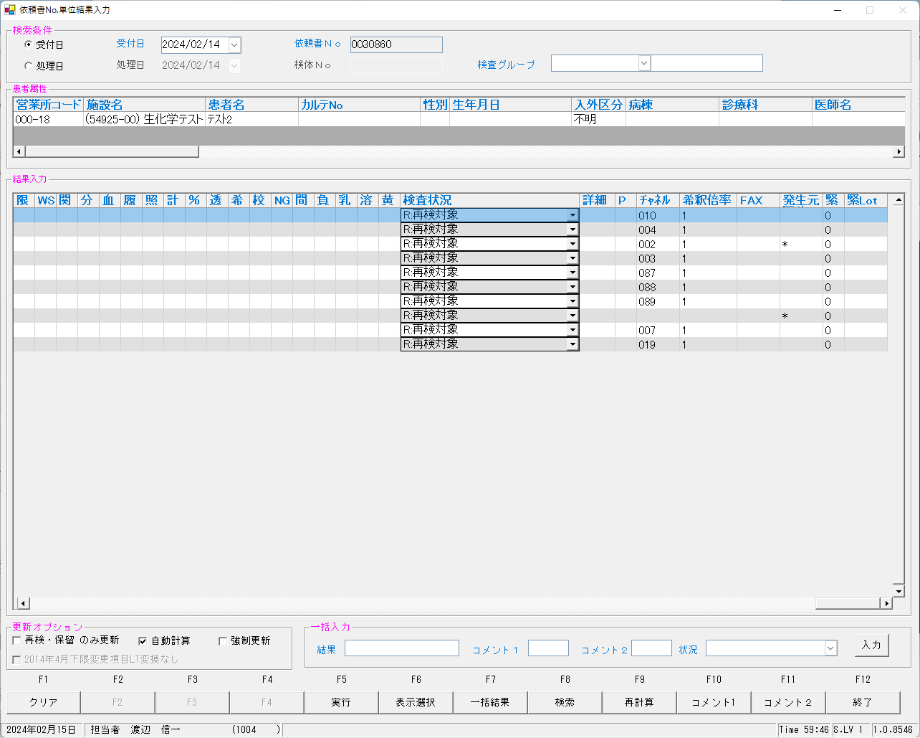
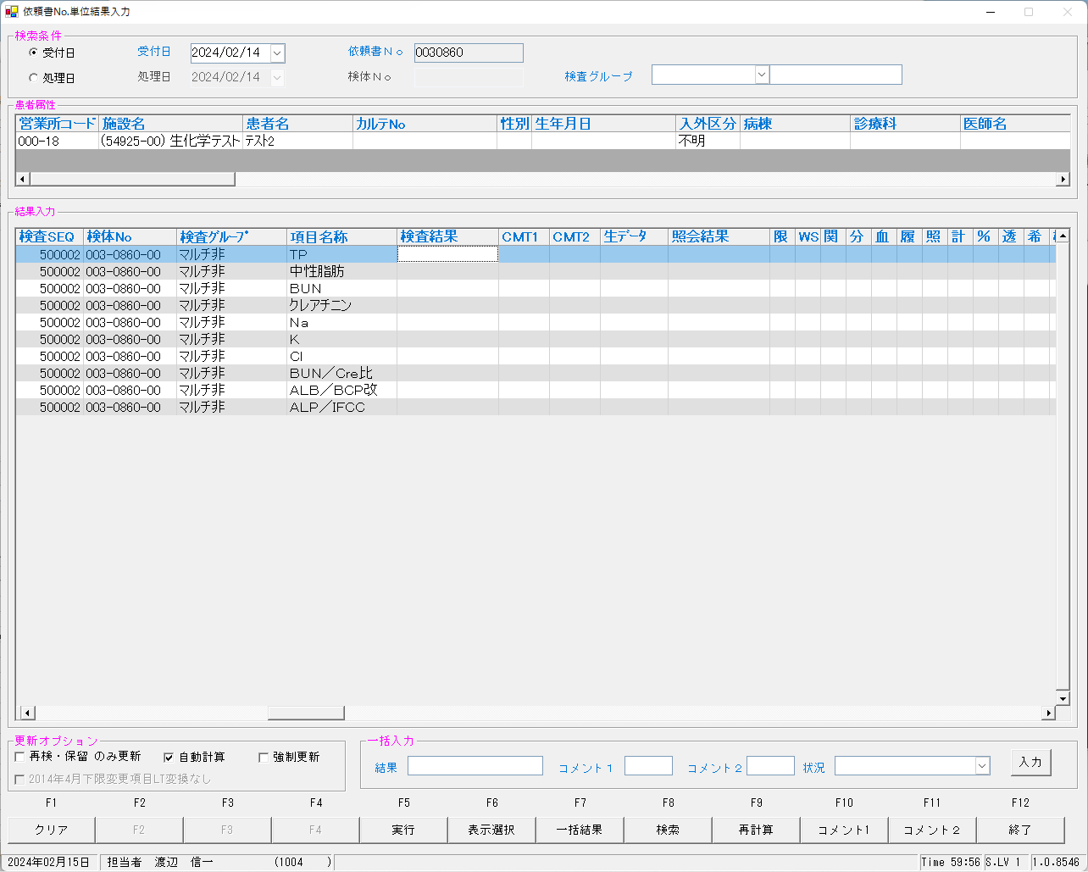
 | select * from KEKKA where irino like '00003086000' order by kmkcd,knssu;

 | ■再検後の照合NG画面

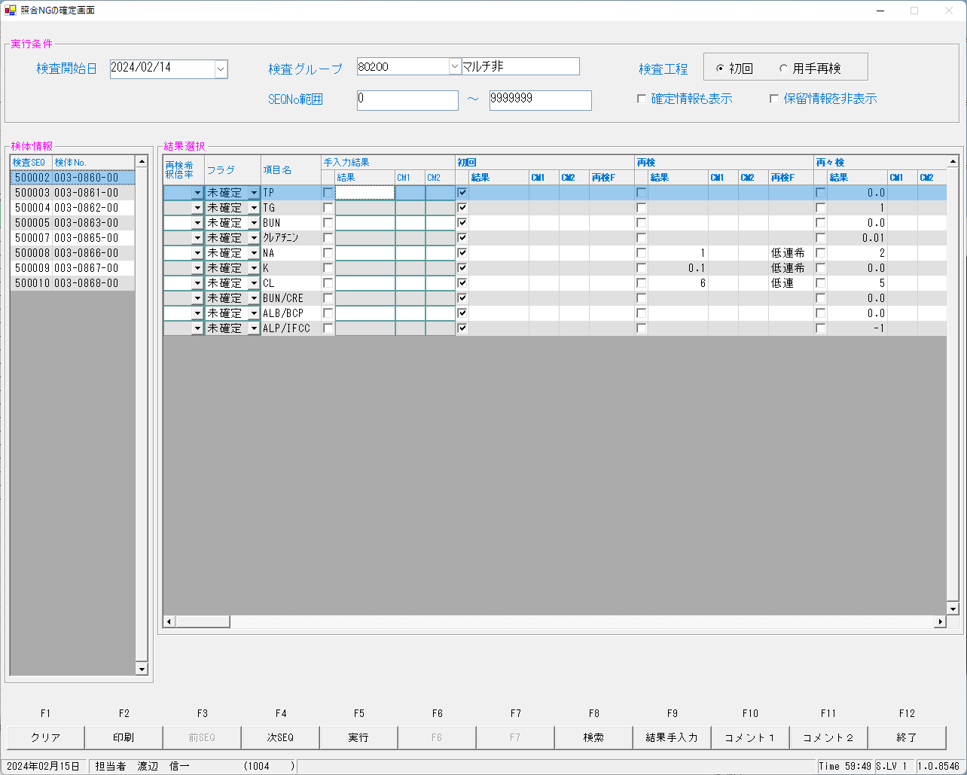

 |  |  |  |  |  |  |  |  |  |  |  |  |  |  |  |  | KMKCD | RAWDATA
 |  |  |  |  |  |  |  |  |  |  |  |  |  |  |  |  | 0000401 | 0.0
 |  |  |  |  |  |  |  |  |  |  |  |  |  |  |  |  | 0000409 | 0.3
 |  |  |  |  |  |  |  |  |  |  |  |  |  |  |  |  | 0000413 | 0.02
 |  |  |  |  |  |  |  |  |  |  |  |  |  |  |  |  | 0000417 | 0.0
 |  |  |  |  |  |  |  |  |  |  |  |  |  |  |  |  | 0000421 | 1
 |  |  |  |  |  |  |  |  |  |  |  |  |  |  |  |  | 0000423 | 0.1
 |  |  |  |  |  |  |  |  |  |  |  |  |  |  |  |  | 0000425 | 6
 |  |  |  |  |  |  |  |  |  |  |  |  |  |  |  |  | 0000454 | 0
 |  |  |  |  |  |  |  |  |  |  |  |  |  |  |  |  | 0013067 | -1
 |  |  |  |  |  |  |  |  |  |  |  |  |  |  |  |  | 0900013 | 15.000000

 | ■再測定後

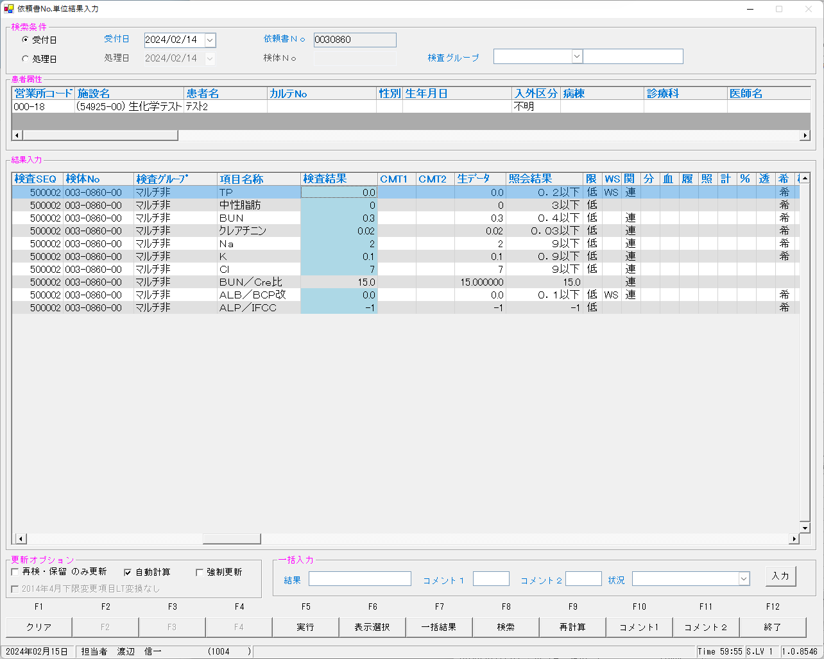
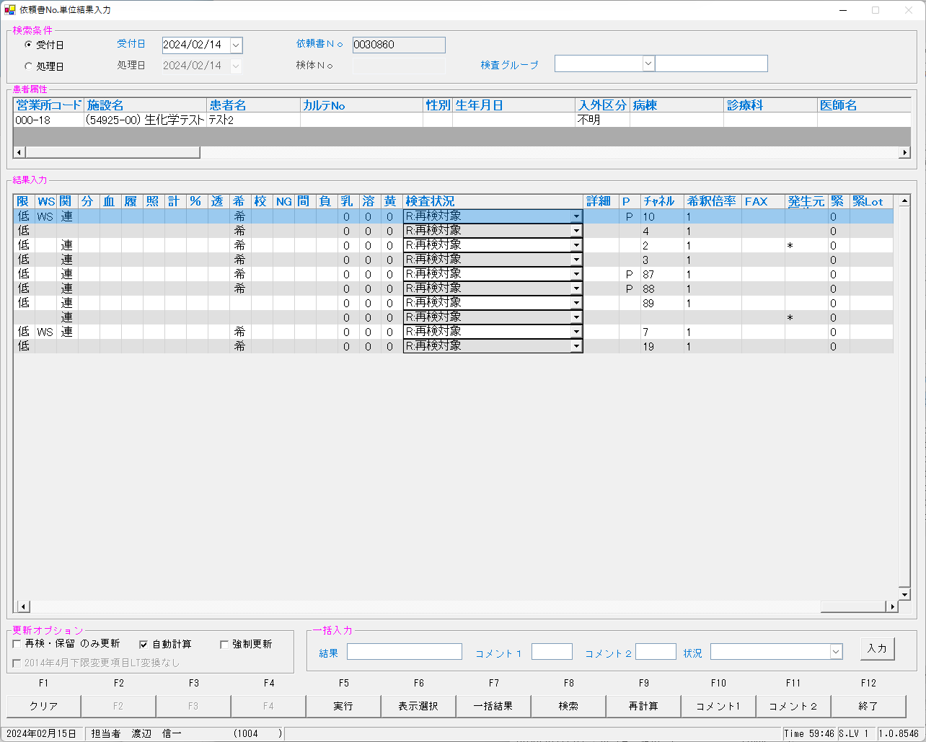

 | ■再測定再検後の照合NG画面

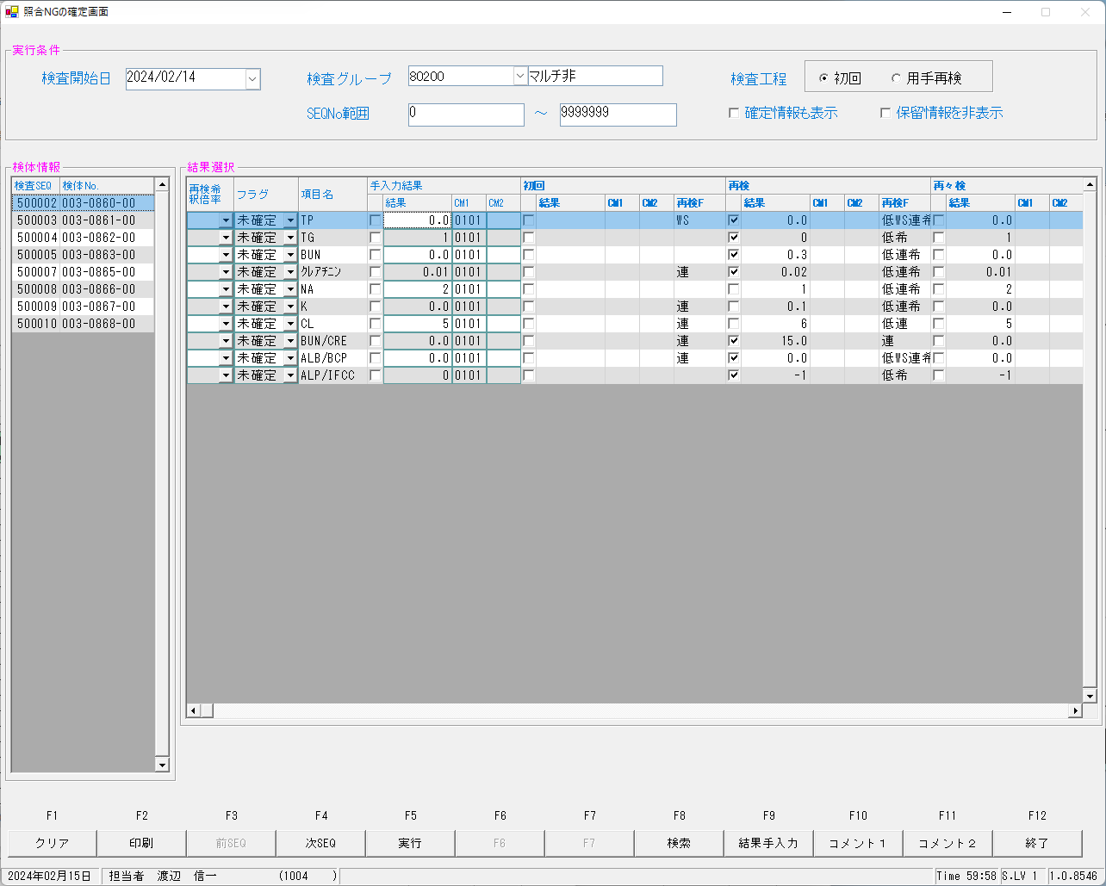

 | ■確定報告後
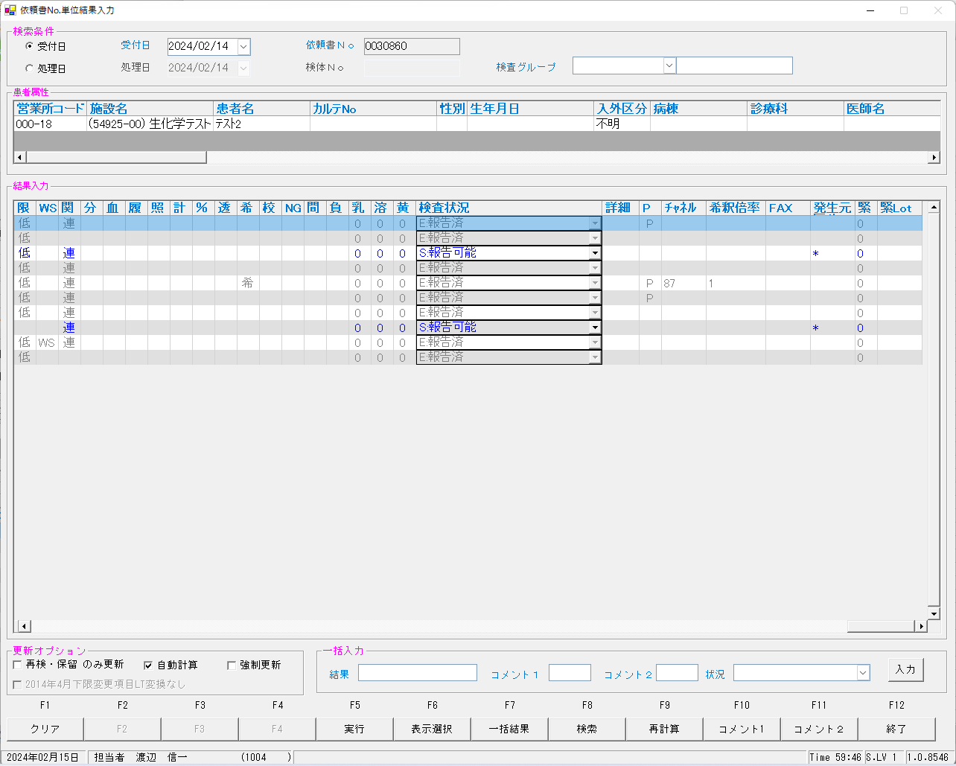
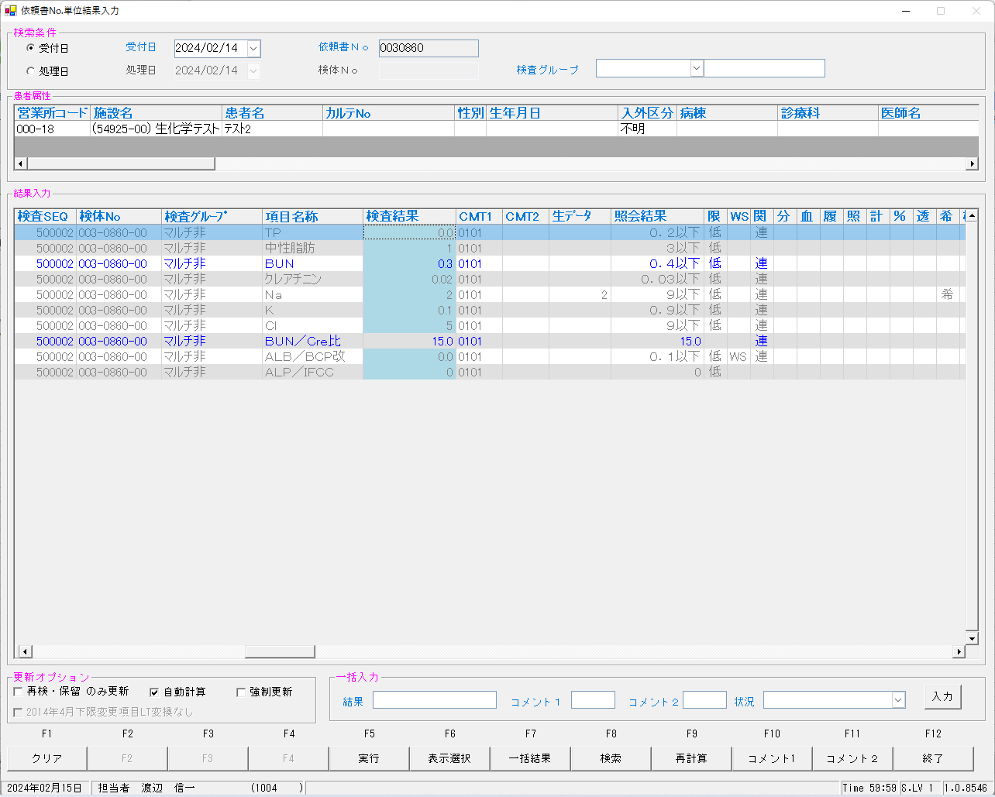

 | select * from KEKKA where irino like '00003086000' order by kmkcd,knssu;
検査結果 | KNSKISYMD | SRIYMD | KNTNO | KNTKETFLG | KNSGRP | KMKCD | KNSSU | KNSSUEDA | IRIHSMKBN | IRIKBN | KSKTKBN | UTKYMD | IRINO | IRIKETFLG | ZSSDINO | SSTCD | TRID | TRPOS | ASYRCKID | ASYRCKPOS | OYAKMKCD | SECCD | BKFKKBN | SMPCD | BSKKBN | BSKLNE | BSKGOK | BSKSEQ | BSKERRSTS | SKTDH | NBKMKCD | TSTRFLG | ZRCD | YSNLBL | KJNO | FKHKKNOHJKBN | TBKJNO | TBKJFLG | HTKFKHMS | SKFLG | TSKFLG | TKTFLG | JISKSBR | KKFLG | KKIRIFLG | KKIRILOTNO | HSYKFLG | HSKFLG | HHKKFLG | RAWDATA | KNSKKA1 | KNSKKA2 | KNSKKA2KBN | KKAHSKCD | HJKKA | SDI | KKACMT1 | KKACMT2 | KKAJKCD | PNCRGFLG | KNSPNCRGFLG | KKAKSFLG | KKASSFLG | IJKBNM | IJKBNF | IJKBNN | TBIJKBNM | TBIJKBNF | TBIJKBNN | NBDOLBL | NBDOERR | YKDOLBL | YKDOERR | ETCLBL | ETCERR | CTRLNO | KNSSEQ | BTHNO | PLTNO | PLTSEQ | DTNRTTS | DTNRDH | KNSKRDH | HKKDH | HKKKBDH | ZKHKKYYMD | ZKHKKYTME | FRKKAFLG | GZBSFLG | HSIFLG | KKAYSNFLG | TNYRKFLG | SIYFLG | KNSFLG | RENJICFLG | SOUKN1FLG | KANRENFLG | BUNKKUFLG | KESSEIFLG | RIREKIFLG | SYOUGOFLG | KEISANFLG | PER100FLG | TOUSEKFLG | KISYAKFLG | KOUSEIFLG | SYOUNGFLG | SOUKN2FLG | FUKAPTFLG | YOBIFLG01 | TOBIFLG02 | YOBIFLG03 | YOBIFLG04 | YOBIFLG05 | SKRYCDA | SKRYCDB | SKRYCDC | KSNDH | TRKDH | SKKKA
確定 | 2024-02-14 | 2024-02-14 | 00003086000 |  | 80200 | 0000401 | 0 | 0 | 0 | A | A | 2024-02-14 | 00003086000 |  | 0 | 5492500 | 2MLT0040 | 2 | 52741 | 2 | 0000401 | A | 0 | 0054 |  |  |  | 0 |  | 2024-02-15 |  | R | 023 | 00 | 001 |  |  |  |  | 0 |  |  |  | 0 | 0 | 0 |  |  |  |  | 0.2 |  |  | 002 | 0.0 |  | 0101 |  | 3 | 1 | 0 |  | 1 | 3 | 3 | 3 |  |  |  | 0 | N | 0 | N | 0 | N | 0 | 500002 | 0 | 0 | 0 | 1004 | 2024-02-15 | 1000/01/01 0:00:01 | 2024-02-15 | 0:00:01 | 1000/01/01 |  | 0 | 0 | 0 | 1 | 1 | 1 | E | 4 | 1 | 2 | 0 | 0 | 0 | 0 | 0 | 0 | 0 | 0 | 0 | 0 | 0 | 0 | 0 | 0 | 0 | 0 | 0 |  |  |  | 2024-02-15 | 2024-02-15 | ０．２以下
初回 | 2024-02-14 | 2024-02-14 | 00003086000 |  | 80200 | 0000401 | 1 | 0 | 0 | A | A | 2024-02-14 | 00003086000 |  | 0 | 5492500 | 2MLT0040 | 2 | 52741 | 2 | 0000401 | A | 0 | 0054 | BIOM | 23 | 230100 | 6002 | s | 2024-02-15 | 010 | R | 023 | 00 | 001 |  |  |  |  | 0 |  |  | 1 | 0 | 0 | 0 |  |  |  |  |  |  | X |  |  |  |  |  | 1 | 0 | 0 | 0 | 0 | 3 | 3 | 3 |  |  |  | 0 | N | 0 | N | 0 | N | 1 | 500002 | 0 | 1 | 1 |  | 2024-02-15 | 1000/01/01 | 2024-02-15 | 15:54:23 | 1000/01/01 |  | 0 | 0 | 1 |  | 1 |  | M | 0 | 1 | 0 | 0 | 1 | 0 | 0 | 1 | 0 | 0 | 0 | 0 | 0 | 0 | 0 | 2 | 0 | 1 | 1 | 1 | 100 |  |  | 2024-02-15 | 2024-02-15
再検 | 2024-02-14 | 2024-02-14 | 00003086000 |  | 80200 | 0000401 | 2 | 0 | 0 | A | A | 2024-02-14 | 00003086000 |  | 0 | 5492500 | 2MLT0040 | 2 | 52741 | 2 | 0000401 | A | 0 | 0054 | LABO | 06 | 060202 | 6022 | 0 | 2024-02-15 | 10 | R | 023 | 00 | 001 |  |  |  |  | 0 |  |  | 1 | 0 | 0 | 0 |  |  |  | 0.0 | 0.2 |  |  | 002 | 0.0 |  |  |  | 1 | 1 | 0 | 0 | 0 | 3 | 3 | 3 |  |  |  | 0 | N | 0 | N | 0 | N | 1 | 500002 | 0 | 1 | 13 |  | 2024-02-15 | 1000/01/01 | 2024-02-15 | 17:26:48 | 1000/01/01 |  | 0 | 0 | 1 |  | 1 |  | M | 4 | 1 | 2 | 0 | 1 | 0 | 0 | 1 | 0 | 0 | 2 | 0 | 0 | 0 | 0 | 1 | 0 | 1 | 1 | 1 | 100 |  |  | 2024-02-15 | 2024-02-15 | ０．２以下
再測定 | 2024-02-14 | 2024-02-14 | 00003086000 |  | 80200 | 0000401 | 3 | 0 | 0 | A | K | 2024-02-14 | 00003086000 |  | 0 | 5492500 | 2MLT0041 | 1 | 54289 | 1 | 0000401 | A | 0 | 0054 | LABO | 06 | 060402 | 6006 | 0 | 2024-02-15 | 10 | R | 023 | 00 | 001 |  |  |  |  | 0 |  |  | 1 | 0 | 0 | 0 |  |  |  | 0.0 | 0.2 |  |  | 002 | 0.0 |  |  |  | 1 | 1 | 0 | 0 | 0 | 3 | 3 | 3 |  |  |  | 0 | N | 0 | N | 0 | N | 1 | 500101 | 0 | 1 | 3 |  | 2024-02-15 | 1000/01/01 | 2024-02-15 | 16:39:35 | 1000/01/01 |  | 0 | 0 | 1 |  | 1 |  | M | 4 | 1 | 2 | 0 | 1 | 0 | 0 | 1 | 0 | 0 | 2 | 0 | 0 | 0 | 0 | 1 | 0 | 1 | 1 | 1 | 100 |  |  | 2024-02-15 | 2024-02-15 | ０．２以下
再測定再検 | 2024-02-14 | 2024-02-14 | 00003086000 |  | 80200 | 0000401 | 5 | 0 | 0 | A | K | 2024-02-14 | 00003086000 |  | 0 | 5492500 | 2MLT0043 | 1 | 53645 | 1 | 0000401 | A | 0 | 0054 | LABO | 06 | 060402 | 6026 | 0 | 2024-02-15 | 10 | R | 023 | 00 | 001 |  |  |  |  | 0 |  |  | 1 | 0 | 0 | 0 |  |  |  | 0.0 | 0.2 |  |  | 002 | 0.0 |  |  |  | 1 | 1 | 0 | 0 | 0 | 3 | 3 | 3 |  |  |  | 0 | N | 0 | N | 0 | N | 1 | 500201 | 0 | 1 | 13 |  | 2024-02-15 | 1000/01/01 | 2024-02-15 | 17:58:55 | 1000/01/01 |  | 0 | 0 | 1 |  | 1 |  | M | 4 | 1 | 2 | 0 | 1 | 0 | 0 | 1 | 0 | 0 | 2 | 0 | 0 | 0 | 0 | 1 | 0 | 1 | 1 | 1 | 100 |  |  | 2024-02-15 | 2024-02-15 | ０．２以下
確定 | 2024-02-14 | 2024-02-14 | 00003086000 |  | 80200 | 0000409 | 0 | 0 | 2 | A | A | 2024-02-14 | 00003086000 |  | 0 | 5492500 | 2MLT0040 | 2 | 52741 | 2 | 0000409 | A | 0 | 0054 |  |  |  | 0 |  | 2024-02-15 |  | R | 023 | 00 | 005 |  |  |  |  | 0 |  |  |  | 0 | 0 | 0 |  |  |  |  | 0.4 |  |  | 002 | 0.3 |  | 0101 |  | 3 | 0 | 0 |  | 0 | 3 | 3 | 3 |  |  |  | 0 | N | 0 | N | 0 | N | 0 | 500002 | 0 | 0 | 0 | 1004 | 2024-02-15 | 1000/01/01 0:00:01 | 1000/01/01 0:00:01 | 0:00:01 | 1000/01/01 |  | 0 | 0 | 0 | 1 | 1 | 1 | S | 4 | 1 | 2 | 0 | 0 | 0 | 0 | 0 | 0 | 0 | 0 | 0 | 0 | 1 | 0 | 0 | 0 | 0 | 0 | 0 |  |  |  | 2024-02-15 | 2024-02-15 | ０．４以下
初回 | 2024-02-14 | 2024-02-14 | 00003086000 |  | 80200 | 0000409 | 1 | 0 | 2 | A | A | 2024-02-14 | 00003086000 |  | 0 | 5492500 | 2MLT0040 | 2 | 52741 | 2 | 0000409 | A | 0 | 0054 | BIOM | 23 | 230100 | 6002 | s | 2024-02-15 | 002 | R | 023 | 00 | 005 |  |  |  |  | 0 |  |  | 1 | 0 | 0 | 0 |  |  |  |  |  |  | X |  |  |  |  |  | 1 | 0 | 0 | 0 | 0 | 3 | 3 | 3 |  |  |  | 0 | N | 0 | N | 0 | N | 1 | 500002 | 0 | 1 | 1 |  | 2024-02-15 | 1000/01/01 | 2024-02-15 | 15:54:23 | 1000/01/01 |  | 0 | 0 | 1 |  | 1 |  | S | 0 | 0 | 0 | 0 | 1 | 0 | 0 | 1 | 0 | 0 | 0 | 0 | 0 | 0 | 0 | 2 | 0 | 1 | 1 | 1 | 100 |  |  | 2024-02-15 | 2024-02-15
再検 | 2024-02-14 | 2024-02-14 | 00003086000 |  | 80200 | 0000409 | 2 | 0 | 2 | A | A | 2024-02-14 | 00003086000 |  | 0 | 5492500 | 2MLT0040 | 2 | 52741 | 2 | 0000409 | A | 0 | 0054 | LABO | 06 | 060101 | 6022 | 0 | 2024-02-15 | 2 | R | 023 | 00 | 005 |  |  |  |  | 0 |  |  | 1 | 0 | 0 | 0 |  |  |  | 0.3 | 0.4 |  |  | 002 | 0.3 |  |  |  | 1 | 0 | 0 | 0 | 0 | 3 | 3 | 3 |  |  |  | 0 | N | 0 | N | 0 | N | 1 | 500002 | 0 | 1 | 13 |  | 2024-02-15 | 1000/01/01 | 2024-02-15 | 17:26:48 | 1000/01/01 |  | 0 | 0 | 1 |  | 1 |  | S | 4 | 0 | 2 | 0 | 1 | 0 | 0 | 1 | 0 | 0 | 2 | 0 | 0 | 0 | 0 | 1 | 0 | 1 | 1 | 1 | 100 |  |  | 2024-02-15 | 2024-02-15 | ０．４以下
再測定 | 2024-02-14 | 2024-02-14 | 00003086000 |  | 80200 | 0000409 | 3 | 0 | 2 | A | K | 2024-02-14 | 00003086000 |  | 0 | 5492500 | 2MLT0041 | 1 | 54289 | 1 | 0000409 | A | 0 | 0054 | LABO | 06 | 060301 | 6006 | 0 | 2024-02-15 | 2 | R | 023 | 00 | 005 |  |  |  |  | 0 |  |  | 1 | 0 | 0 | 0 |  |  |  | 0.0 | 0.4 |  |  | 002 | 0.0 |  |  |  | 1 | 0 | 0 | 0 | 0 | 3 | 3 | 3 |  |  |  | 0 | N | 0 | N | 0 | N | 1 | 500101 | 0 | 1 | 3 |  | 2024-02-15 | 1000/01/01 | 2024-02-15 | 16:39:35 | 1000/01/01 |  | 0 | 0 | 1 |  | 1 |  | S | 4 | 0 | 2 | 0 | 1 | 0 | 0 | 1 | 0 | 0 | 2 | 0 | 0 | 0 | 0 | 1 | 0 | 1 | 1 | 1 | 100 |  |  | 2024-02-15 | 2024-02-15 | ０．４以下
再測定再検 | 2024-02-14 | 2024-02-14 | 00003086000 |  | 80200 | 0000409 | 5 | 0 | 2 | A | K | 2024-02-14 | 00003086000 |  | 0 | 5492500 | 2MLT0043 | 1 | 53645 | 1 | 0000409 | A | 0 | 0054 | LABO | 06 | 060301 | 6026 | 0 | 2024-02-15 | 2 | R | 023 | 00 | 005 |  |  |  |  | 0 |  |  | 1 | 0 | 0 | 0 |  |  |  | -0.1 | 0.4 |  |  | 002 | -0.1 |  |  |  | 1 | 1 | 0 | 0 | 0 | 3 | 3 | 3 |  |  |  | 0 | N | 0 | N | 0 | N | 1 | 500201 | 0 | 1 | 13 |  | 2024-02-15 | 1000/01/01 | 2024-02-15 | 17:58:55 | 1000/01/01 |  | 0 | 0 | 1 |  | 1 |  | S | 4 | 0 | 2 | 0 | 1 | 0 | 0 | 1 | 0 | 0 | 2 | 0 | 0 | 0 | 0 | 1 | 0 | 1 | 1 | 1 | 100 |  |  | 2024-02-15 | 2024-02-15 | ０．４以下
確定 | 2024-02-14 | 2024-02-14 | 00003086000 |  | 80200 | 0000413 | 0 | 0 | 0 | A | A | 2024-02-14 | 00003086000 |  | 0 | 5492500 | 2MLT0040 | 2 | 52741 | 2 | 0000413 | A | 0 | 0054 |  |  |  | 0 |  | 2024-02-15 |  | R | 023 | 00 | 009 |  |  |  |  | 0 |  |  |  | 0 | 0 | 0 |  |  |  |  | 0.03 |  |  | 002 | 0.02 |  | 0101 |  | 3 | 0 | 0 |  | 1 | 3 | 3 | 3 |  |  |  | 0 | N | 0 | N | 0 | N | 0 | 500002 | 0 | 0 | 0 | 1004 | 2024-02-15 | 1000/01/01 0:00:01 | 2024-02-15 | 0:00:01 | 1000/01/01 |  | 0 | 0 | 0 | 1 | 1 | 1 | E | 4 | 1 | 2 | 0 | 0 | 0 | 0 | 0 | 0 | 0 | 0 | 0 | 0 | 1 | 0 | 0 | 0 | 0 | 0 | 0 |  |  |  | 2024-02-15 | 2024-02-15 | ０．０３以下
初回 | 2024-02-14 | 2024-02-14 | 00003086000 |  | 80200 | 0000413 | 1 | 0 | 0 | A | A | 2024-02-14 | 00003086000 |  | 0 | 5492500 | 2MLT0040 | 2 | 52741 | 2 | 0000413 | A | 0 | 0054 | BIOM | 23 | 230100 | 6002 | s | 2024-02-15 | 003 | R | 023 | 00 | 009 |  |  |  |  | 0 |  |  | 1 | 0 | 0 | 0 |  |  |  |  |  |  | X |  |  |  |  |  | 1 | 0 | 0 | 0 | 0 | 3 | 3 | 3 |  |  |  | 0 | N | 0 | N | 0 | N | 1 | 500002 | 0 | 1 | 1 |  | 2024-02-15 | 1000/01/01 | 2024-02-15 | 15:54:23 | 1000/01/01 |  | 0 | 0 | 1 |  | 1 |  | M | 0 | 0 | 2 | 0 | 1 | 0 | 0 | 1 | 0 | 0 | 0 | 0 | 0 | 0 | 0 | 2 | 0 | 1 | 1 | 1 | 100 |  |  | 2024-02-15 | 2024-02-15
再検 | 2024-02-14 | 2024-02-14 | 00003086000 |  | 80200 | 0000413 | 2 | 0 | 0 | A | A | 2024-02-14 | 00003086000 |  | 0 | 5492500 | 2MLT0040 | 2 | 52741 | 2 | 0000413 | A | 0 | 0054 | LABO | 06 | 060201 | 6022 | 0 | 2024-02-15 | 3 | R | 023 | 00 | 009 |  |  |  |  | 0 |  |  | 1 | 0 | 0 | 0 |  |  |  | 0.02 | 0.03 |  |  | 002 | 0.02 |  |  |  | 1 | 0 | 0 | 0 | 0 | 3 | 3 | 3 |  |  |  | 0 | N | 0 | N | 0 | N | 1 | 500002 | 0 | 1 | 13 |  | 2024-02-15 | 1000/01/01 | 2024-02-15 | 17:26:48 | 1000/01/01 |  | 0 | 0 | 1 |  | 1 |  | M | 4 | 0 | 2 | 0 | 1 | 0 | 0 | 1 | 0 | 0 | 2 | 0 | 0 | 0 | 0 | 1 | 0 | 1 | 1 | 1 | 100 |  |  | 2024-02-15 | 2024-02-15 | ０．０３以下
再測定 | 2024-02-14 | 2024-02-14 | 00003086000 |  | 80200 | 0000413 | 3 | 0 | 0 | A | K | 2024-02-14 | 00003086000 |  | 0 | 5492500 | 2MLT0041 | 1 | 54289 | 1 | 0000413 | A | 0 | 0054 | LABO | 06 | 060401 | 6006 | 0 | 2024-02-15 | 3 | R | 023 | 00 | 009 |  |  |  |  | 0 |  |  | 1 | 0 | 0 | 0 |  |  |  | 0.01 | 0.03 |  |  | 002 | 0.01 |  |  |  | 1 | 0 | 0 | 0 | 0 | 3 | 3 | 3 |  |  |  | 0 | N | 0 | N | 0 | N | 1 | 500101 | 0 | 1 | 3 |  | 2024-02-15 | 1000/01/01 | 2024-02-15 | 16:39:35 | 1000/01/01 |  | 0 | 0 | 1 |  | 1 |  | M | 4 | 0 | 2 | 0 | 1 | 0 | 0 | 1 | 0 | 0 | 2 | 0 | 0 | 0 | 0 | 1 | 0 | 1 | 1 | 1 | 100 |  |  | 2024-02-15 | 2024-02-15 | ０．０３以下
再測定再検 | 2024-02-14 | 2024-02-14 | 00003086000 |  | 80200 | 0000413 | 5 | 0 | 0 | A | K | 2024-02-14 | 00003086000 |  | 0 | 5492500 | 2MLT0043 | 1 | 53645 | 1 | 0000413 | A | 0 | 0054 | LABO | 06 | 060401 | 6026 | 0 | 2024-02-15 | 3 | R | 023 | 00 | 009 |  |  |  |  | 0 |  |  | 1 | 0 | 0 | 0 |  |  |  | 0.00 | 0.03 |  |  | 002 | 0.00 |  |  |  | 1 | 0 | 0 | 0 | 0 | 3 | 3 | 3 |  |  |  | 0 | N | 0 | N | 0 | N | 1 | 500201 | 0 | 1 | 13 |  | 2024-02-15 | 1000/01/01 | 2024-02-15 | 17:58:55 | 1000/01/01 |  | 0 | 0 | 1 |  | 1 |  | M | 4 | 0 | 2 | 0 | 1 | 0 | 0 | 1 | 0 | 0 | 2 | 0 | 0 | 0 | 0 | 1 | 0 | 1 | 1 | 1 | 100 |  |  | 2024-02-15 | 2024-02-15 | ０．０３以下
確定 | 2024-02-14 | 2024-02-14 | 00003086000 |  | 80200 | 0000417 | 0 | 0 | 0 | A | A | 2024-02-14 | 00003086000 |  | 0 | 5492500 | 2MLT0040 | 2 | 52741 | 2 | 0000417 | A | 0 | 0054 |  |  |  | 0 |  | 2024-02-15 |  | R | 023 | 00 | 001 |  |  |  |  | 0 |  |  |  | 0 | 0 | 0 |  |  |  |  | 0.1 |  |  | 002 | 0.0 |  | 0101 |  | 3 | 0 | 0 |  | 1 | 3 | 3 | 3 |  |  |  | 0 | N | 0 | N | 0 | N | 0 | 500002 | 0 | 0 | 0 | 1004 | 2024-02-15 | 1000/01/01 0:00:01 | 2024-02-15 | 0:00:01 | 1000/01/01 |  | 0 | 0 | 0 | 1 | 1 | 1 | E | 4 | 2 | 2 | 0 | 0 | 0 | 0 | 0 | 0 | 0 | 0 | 0 | 0 | 0 | 0 | 0 | 0 | 0 | 0 | 0 |  |  |  | 2024-02-15 | 2024-02-15 | ０．１以下
初回 | 2024-02-14 | 2024-02-14 | 00003086000 |  | 80200 | 0000417 | 1 | 0 | 0 | A | A | 2024-02-14 | 00003086000 |  | 0 | 5492500 | 2MLT0040 | 2 | 52741 | 2 | 0000417 | A | 0 | 0054 | BIOM | 23 | 230100 | 6002 | s | 2024-02-15 | 007 | R | 023 | 00 | 001 |  |  |  |  | 0 |  |  | 1 | 0 | 0 | 0 |  |  |  |  |  |  | X |  |  |  |  |  | 1 | 0 | 0 | 0 | 0 | 3 | 3 | 3 |  |  |  | 0 | N | 0 | N | 0 | N | 1 | 500002 | 0 | 1 | 1 |  | 2024-02-15 | 1000/01/01 | 2024-02-15 | 15:54:23 | 1000/01/01 |  | 0 | 0 | 1 |  | 1 |  | M | 0 | 1 | 2 | 0 | 1 | 0 | 0 | 1 | 0 | 0 | 0 | 0 | 0 | 0 | 0 | 2 | 0 | 1 | 1 | 1 | 100 |  |  | 2024-02-15 | 2024-02-15
再検 | 2024-02-14 | 2024-02-14 | 00003086000 |  | 80200 | 0000417 | 2 | 0 | 0 | A | A | 2024-02-14 | 00003086000 |  | 0 | 5492500 | 2MLT0040 | 2 | 52741 | 2 | 0000417 | A | 0 | 0054 | LABO | 06 | 060201 | 6022 | 0 | 2024-02-15 | 7 | R | 023 | 00 | 001 |  |  |  |  | 0 |  |  | 1 | 0 | 0 | 0 |  |  |  | 0.0 | 0.1 |  |  | 002 | 0.0 |  |  |  | 1 | 0 | 0 | 0 | 0 | 3 | 3 | 3 |  |  |  | 0 | N | 0 | N | 0 | N | 1 | 500002 | 0 | 1 | 13 |  | 2024-02-15 | 1000/01/01 | 2024-02-15 | 17:26:48 | 1000/01/01 |  | 0 | 0 | 1 |  | 1 |  | M | 4 | 1 | 2 | 0 | 1 | 0 | 0 | 1 | 0 | 0 | 2 | 0 | 0 | 0 | 0 | 1 | 0 | 1 | 1 | 1 | 100 |  |  | 2024-02-15 | 2024-02-15 | ０．１以下
再測定 | 2024-02-14 | 2024-02-14 | 00003086000 |  | 80200 | 0000417 | 3 | 0 | 0 | A | K | 2024-02-14 | 00003086000 |  | 0 | 5492500 | 2MLT0041 | 1 | 54289 | 1 | 0000417 | A | 0 | 0054 | LABO | 06 | 060401 | 6006 | 0 | 2024-02-15 | 7 | R | 023 | 00 | 001 |  |  |  |  | 0 |  |  | 1 | 0 | 0 | 0 |  |  |  | 0.0 | 0.1 |  |  | 002 | 0.0 |  |  |  | 1 | 0 | 0 | 0 | 0 | 3 | 3 | 3 |  |  |  | 0 | N | 0 | N | 0 | N | 1 | 500101 | 0 | 1 | 3 |  | 2024-02-15 | 1000/01/01 | 2024-02-15 | 16:39:35 | 1000/01/01 |  | 0 | 0 | 1 |  | 1 |  | M | 4 | 1 | 2 | 0 | 1 | 0 | 0 | 1 | 0 | 0 | 2 | 0 | 0 | 0 | 0 | 1 | 0 | 1 | 1 | 1 | 100 |  |  | 2024-02-15 | 2024-02-15 | ０．１以下
再測定再検 | 2024-02-14 | 2024-02-14 | 00003086000 |  | 80200 | 0000417 | 5 | 0 | 0 | A | K | 2024-02-14 | 00003086000 |  | 0 | 5492500 | 2MLT0043 | 1 | 53645 | 1 | 0000417 | A | 0 | 0054 | LABO | 06 | 060401 | 6026 | 0 | 2024-02-15 | 7 | R | 023 | 00 | 001 |  |  |  |  | 0 |  |  | 1 | 0 | 0 | 0 |  |  |  | 0.0 | 0.1 |  |  | 002 | 0.0 |  |  |  | 1 | 0 | 0 | 0 | 0 | 3 | 3 | 3 |  |  |  | 0 | N | 0 | N | 0 | N | 1 | 500201 | 0 | 1 | 13 |  | 2024-02-15 | 1000/01/01 | 2024-02-15 | 17:58:55 | 1000/01/01 |  | 0 | 0 | 1 |  | 1 |  | M | 4 | 1 | 2 | 0 | 1 | 0 | 0 | 1 | 0 | 0 | 2 | 0 | 0 | 0 | 0 | 1 | 0 | 1 | 1 | 1 | 100 |  |  | 2024-02-15 | 2024-02-15 | ０．１以下
確定 | 2024-02-14 | 2024-02-14 | 00003086000 |  | 80200 | 0000421 | 0 | 0 | 0 | A | A | 2024-02-14 | 00003086000 |  | 0 | 5492500 | 2MLT0040 | 2 | 52741 | 2 | 0000421 | A | 0 | 0054 |  |  |  | 0 |  | 2024-02-15 |  | R | 023 | 00 | 001 |  |  |  |  | 0 |  |  |  | 0 | 0 | 0 |  |  |  |  | 9 |  |  | 002 | 2 |  | 0101 |  | 1 | 1 | 0 |  | 0 | 3 | 3 | 3 |  |  |  | 0 | N | 0 | N | 0 | N | 0 | 500002 | 0 | 0 | 0 | 1004 | 2024-02-15 | 1000/01/01 0:00:01 | 1000/01/01 0:00:01 | 0:00:01 | 1000/01/01 |  | 0 | 0 | 0 |  | 1 |  | M | 4 | 1 | 2 | 0 | 0 | 0 | 0 | 0 | 0 | 0 | 0 | 0 | 0 | 1 | 0 | 0 | 0 | 0 | 0 | 0 |  |  |  | 2024-02-15 | 2024-02-15 | ９以下
初回 | 2024-02-14 | 2024-02-14 | 00003086000 |  | 80200 | 0000421 | 1 | 0 | 0 | A | A | 2024-02-14 | 00003086000 |  | 0 | 5492500 | 2MLT0040 | 2 | 52741 | 2 | 0000421 | A | 0 | 0054 | BIOM | 23 | 230001 | 6002 | s | 2024-02-15 | 087 | R | 023 | 00 | 001 |  |  |  |  | 0 |  |  | 1 | 0 | 0 | 0 |  |  |  |  |  |  | X |  |  |  |  |  | 1 | 0 | 0 | 0 | 0 | 3 | 3 | 3 |  |  |  | 0 | N | 0 | N | 0 | N | 1 | 500002 | 0 | 1 | 1 | 1004 | 2024-02-15 | 1000/01/01 | 2024-02-15 | 15:54:23 | 1000/01/01 |  | 0 | 0 | 1 |  | 1 |  | M | 0 | 0 | 0 | 0 | 1 | 0 | 0 | 1 | 0 | 0 | 0 | 0 | 0 | 0 | 0 | 2 | 0 | 1 | 1 | 1 | 100 |  |  | 2024-02-15 | 2024-02-15
再検 | 2024-02-14 | 2024-02-14 | 00003086000 |  | 80200 | 0000421 | 2 | 0 | 0 | A | K | 2024-02-14 | 00003086000 |  | 0 | 5492500 | 2MLT0041 | 1 | 54289 | 1 | 0000421 | A | 0 | 0054 | LABO | 06 | 060001 | 6006 | 23 | 2024-02-15 | 87 | R | 023 | 00 | 001 |  |  |  |  | 0 |  |  | 1 | 0 | 0 | 0 |  |  |  | 1 | 9 |  |  | 002 | 1 |  |  |  | 1 | 1 | 0 | 0 | 0 | 3 | 3 | 3 |  |  |  | 0 | N | 0 | N | 0 | N | 1 | 500101 | 0 | 1 | 6 | 1004 | 2024-02-15 | 1000/01/01 | 2024-02-15 | 16:39:35 | 1000/01/01 |  | 0 | 0 | 1 |  | 1 |  | M | 4 | 0 | 2 | 0 | 1 | 0 | 0 | 1 | 0 | 0 | 2 | 0 | 0 | 0 | 0 | 2 | 0 | 1 | 1 | 1 | 100 |  |  | 2024-02-15 | 2024-02-15 | ９以下
再検自動再検 | 2024-02-14 | 2024-02-14 | 00003086000 |  | 80200 | 0000421 | 3 | 0 | 0 | A | K | 2024-02-14 | 00003086000 |  | 0 | 5492500 | 2MLT0041 | 1 | 54289 | 1 | 0000421 | A | 0 | 0054 | LABO | 06 | 060002 | 6006 | 23 | 2024-02-15 | 87 | R | 023 | 00 | 001 |  |  |  |  | 0 |  |  | L1 | 0 | 0 | 0 |  |  |  | 2 | 9 |  |  | 002 | 2 |  |  |  | 1 | 1 | 0 | 0 | 0 | 3 | 3 | 3 |  |  |  |  |  |  |  |  |  | 1 | 500101 | 0 | 1 | 6 | 1004 | 2024-02-15 | 1000/01/01 | 2024-02-15 | 16:41:11 | 1000/01/01 |  | 0 | 0 | 1 |  | 1 |  | M | 4 | 0 | 2 | 0 | 0 | 0 | 0 | 1 | 0 | 0 | 2 | 0 | 0 | 0 | 0 | 2 | 0 | 1 | 1 | 1 | 100 |  |  | 2024-02-15 | 2024-02-15 | ９以下
再測定 | 2024-02-14 | 2024-02-14 | 00003086000 |  | 80200 | 0000421 | 4 | 0 | 0 | A | A | 2024-02-14 | 00003086000 |  | 0 | 5492500 | 2MLT0040 | 2 | 52741 | 2 | 0000421 | A | 0 | 0054 | LABO | 06 | 060001 | 6022 | 23 | 2024-02-15 | 87 | R | 023 | 00 | 001 |  |  |  |  | 0 |  |  | 1 | 0 | 0 | 0 |  |  |  | 2 | 9 |  |  | 002 | 2 |  | 0101 |  | 3 | 1 | 0 | 0 | 1 | 3 | 3 | 3 |  |  |  | 0 | N | 0 | N | 0 | N | 1 | 500002 | 0 | 1 | 12 | 1004 | 2024-02-15 | 1000/01/01 | 2024-02-15 | 17:26:48 | 1000/01/01 |  | 0 | 0 | 1 | 1 | 1 | 1 | E | 4 | 1 | 2 | 0 | 1 | 0 | 0 | 1 | 0 | 0 | 2 | 0 | 0 | 1 | 0 | 2 | 0 | 1 | 1 | 1 | 100 |  |  | 2024-02-15 | 2024-02-15 | ９以下
再測定自動再検 | 2024-02-14 | 2024-02-14 | 00003086000 |  | 80200 | 0000421 | 5 | 0 | 0 | A | K | 2024-02-14 | 00003086000 |  | 0 | 5492500 | 2MLT0040 | 2 | 52741 | 2 | 0000421 | A | 0 | 0054 | LABO | 06 | 060002 | 6022 | 23 | 2024-02-15 | 87 | R | 023 | 00 | 001 |  |  |  |  | 0 |  |  | L1 | 0 | 0 | 0 |  |  |  | 2 | 9 |  |  | 002 | 2 |  |  |  | 1 | 1 | 0 | 0 | 0 | 3 | 3 | 3 |  |  |  |  |  |  |  |  |  | 1 | 500002 | 0 | 1 | 12 | 1004 | 2024-02-15 | 1000/01/01 | 2024-02-15 | 17:28:23 | 1000/01/01 |  | 0 | 0 | 1 |  | 1 |  | M | 4 | 0 | 2 | 0 | 0 | 0 | 0 | 1 | 0 | 0 | 2 | 0 | 0 | 0 | 0 | 2 | 0 | 1 | 1 | 1 | 100 |  |  | 2024-02-15 | 2024-02-15 | ９以下
再測定再検 | 2024-02-14 | 2024-02-14 | 00003086000 |  | 80200 | 0000421 | 6 | 0 | 0 | A | K | 2024-02-14 | 00003086000 |  | 0 | 5492500 | 2MLT0043 | 1 | 53645 | 1 | 0000421 | A | 0 | 0054 | LABO | 06 | 060002 | 6026 | 23 | 2024-02-15 | 87 | R | 023 | 00 | 001 |  |  |  |  | 0 |  |  | 1 | 0 | 0 | 0 |  |  |  | 2 | 9 |  |  | 002 | 2 |  |  |  | 1 | 1 | 0 | 0 | 0 | 3 | 3 | 3 |  |  |  | 0 | N | 0 | N | 0 | N | 1 | 500201 | 0 | 1 | 13 | 1004 | 2024-02-15 | 1000/01/01 | 2024-02-15 | 17:58:55 | 1000/01/01 |  | 0 | 0 | 1 |  | 1 |  | M | 4 | 0 | 2 | 0 | 1 | 0 | 0 | 1 | 0 | 0 | 2 | 0 | 0 | 0 | 0 | 2 | 0 | 1 | 1 | 1 | 100 |  |  | 2024-02-15 | 2024-02-15 | ９以下
再測定再検自動再検 | 2024-02-14 | 2024-02-14 | 00003086000 |  | 80200 | 0000421 | 7 | 0 | 0 | A | K | 2024-02-14 | 00003086000 |  | 0 | 5492500 | 2MLT0043 | 1 | 53645 | 1 | 0000421 | A | 0 | 0054 | LABO | 06 | 060001 | 6026 | 23 | 2024-02-15 | 87 | R | 023 | 00 | 001 |  |  |  |  | 0 |  |  | L1 | 0 | 0 | 0 |  |  |  | 2 | 9 |  |  | 002 | 2 |  |  |  | 1 | 1 | 0 | 0 | 0 | 3 | 3 | 3 |  |  |  |  |  |  |  |  |  | 1 | 500201 | 0 | 1 | 17 | 1004 | 2024-02-15 | 1000/01/01 | 2024-02-15 | 18:00:35 | 1000/01/01 |  | 0 | 0 | 1 |  | 1 |  | M | 4 | 0 | 2 | 0 | 0 | 0 | 0 | 1 | 0 | 0 | 2 | 0 | 0 | 0 | 0 | 2 | 0 | 1 | 1 | 1 | 100 |  |  | 2024-02-15 | 2024-02-15 | ９以下
確定 | 2024-02-14 | 2024-02-14 | 00003086000 |  | 80200 | 0000423 | 0 | 0 | 0 | A | A | 2024-02-14 | 00003086000 |  | 0 | 5492500 | 2MLT0040 | 2 | 52741 | 2 | 0000423 | A | 0 | 0054 |  |  |  | 0 |  | 2024-02-15 |  | R | 023 | 00 | 001 |  |  |  |  | 0 |  |  |  | 0 | 0 | 0 |  |  |  |  | 0.9 |  |  | 002 | 0.1 |  | 0101 |  | 3 | 1 | 0 |  | 1 | 3 | 3 | 3 |  |  |  | 0 | N | 0 | N | 0 | N | 0 | 500002 | 0 | 0 | 0 | 1004 | 2024-02-15 | 1000/01/01 0:00:01 | 2024-02-15 | 0:00:01 | 1000/01/01 |  | 0 | 0 | 0 | 1 | 1 | 1 | E | 4 | 1 | 2 | 0 | 0 | 0 | 0 | 0 | 0 | 0 | 0 | 0 | 0 | 1 | 0 | 0 | 0 | 0 | 0 | 0 |  |  |  | 2024-02-15 | 2024-02-15 | ０．９以下
初回 | 2024-02-14 | 2024-02-14 | 00003086000 |  | 80200 | 0000423 | 1 | 0 | 0 | A | A | 2024-02-14 | 00003086000 |  | 0 | 5492500 | 2MLT0040 | 2 | 52741 | 2 | 0000423 | A | 0 | 0054 | BIOM | 23 | 230001 | 6002 | s | 2024-02-15 | 088 | R | 023 | 00 | 001 |  |  |  |  | 0 |  |  | 1 | 0 | 0 | 0 |  |  |  |  |  |  | X |  |  |  |  |  | 1 | 0 | 0 | 0 | 0 | 3 | 3 | 3 |  |  |  | 0 | N | 0 | N | 0 | N | 1 | 500002 | 0 | 1 | 1 |  | 2024-02-15 | 1000/01/01 | 2024-02-15 | 15:54:23 | 1000/01/01 |  | 0 | 0 | 1 |  | 1 |  | M | 0 | 0 | 2 | 0 | 1 | 0 | 0 | 1 | 0 | 0 | 0 | 0 | 0 | 0 | 0 | 2 | 0 | 1 | 1 | 1 | 100 |  |  | 2024-02-15 | 2024-02-15
再検 | 2024-02-14 | 2024-02-14 | 00003086000 |  | 80200 | 0000423 | 2 | 0 | 0 | A | K | 2024-02-14 | 00003086000 |  | 0 | 5492500 | 2MLT0041 | 1 | 54289 | 1 | 0000423 | A | 0 | 0054 | LABO | 06 | 060001 | 6006 | 23 | 2024-02-15 | 88 | R | 023 | 00 | 001 |  |  |  |  | 0 |  |  | 1 | 0 | 0 | 0 |  |  |  | 0.1 | 0.9 |  |  | 002 | 0.1 |  |  |  | 1 | 1 | 0 | 0 | 0 | 3 | 3 | 3 |  |  |  | 0 | N | 0 | N | 0 | N | 1 | 500101 | 0 | 1 | 6 |  | 2024-02-15 | 1000/01/01 | 2024-02-15 | 16:39:35 | 1000/01/01 |  | 0 | 0 | 1 |  | 1 |  | M | 4 | 0 | 2 | 0 | 1 | 0 | 0 | 1 | 0 | 0 | 2 | 0 | 0 | 0 | 0 | 2 | 0 | 1 | 1 | 1 | 100 |  |  | 2024-02-15 | 2024-02-15 | ０．９以下
再検自動再検 | 2024-02-14 | 2024-02-14 | 00003086000 |  | 80200 | 0000423 | 3 | 0 | 0 | A | K | 2024-02-14 | 00003086000 |  | 0 | 5492500 | 2MLT0041 | 1 | 54289 | 1 | 0000423 | A | 0 | 0054 | LABO | 06 | 060002 | 6006 | 23 | 2024-02-15 | 88 | R | 023 | 00 | 001 |  |  |  |  | 0 |  |  | L1 | 0 | 0 | 0 |  |  |  | 0.0 | 0.9 |  |  | 002 | 0.0 |  |  |  | 1 | 1 | 0 | 0 | 0 | 3 | 3 | 3 |  |  |  |  |  |  |  |  |  | 1 | 500101 | 0 | 1 | 6 |  | 2024-02-15 | 1000/01/01 | 2024-02-15 | 16:41:11 | 1000/01/01 |  | 0 | 0 | 1 |  | 1 |  | M | 4 | 0 | 2 | 0 | 0 | 0 | 0 | 1 | 0 | 0 | 2 | 0 | 0 | 0 | 0 | 2 | 0 | 1 | 1 | 1 | 100 |  |  | 2024-02-15 | 2024-02-15 | ０．９以下
再測定 | 2024-02-14 | 2024-02-14 | 00003086000 |  | 80200 | 0000423 | 4 | 0 | 0 | A | A | 2024-02-14 | 00003086000 |  | 0 | 5492500 | 2MLT0040 | 2 | 52741 | 2 | 0000423 | A | 0 | 0054 | LABO | 06 | 060001 | 6022 | 23 | 2024-02-15 | 88 | R | 023 | 00 | 001 |  |  |  |  | 0 |  |  | 1 | 0 | 0 | 0 |  |  |  | 0.1 | 0.9 |  |  | 002 | 0.1 |  |  |  | 1 | 1 | 0 | 0 | 0 | 3 | 3 | 3 |  |  |  | 0 | N | 0 | N | 0 | N | 1 | 500002 | 0 | 1 | 12 |  | 2024-02-15 | 1000/01/01 | 2024-02-15 | 17:26:48 | 1000/01/01 |  | 0 | 0 | 1 |  | 1 |  | M | 4 | 0 | 2 | 0 | 1 | 0 | 0 | 1 | 0 | 0 | 2 | 0 | 0 | 0 | 0 | 2 | 0 | 1 | 1 | 1 | 100 |  |  | 2024-02-15 | 2024-02-15 | ０．９以下
再測定自動再検 | 2024-02-14 | 2024-02-14 | 00003086000 |  | 80200 | 0000423 | 5 | 0 | 0 | A | K | 2024-02-14 | 00003086000 |  | 0 | 5492500 | 2MLT0040 | 2 | 52741 | 2 | 0000423 | A | 0 | 0054 | LABO | 06 | 060002 | 6022 | 23 | 2024-02-15 | 88 | R | 023 | 00 | 001 |  |  |  |  | 0 |  |  | L1 | 0 | 0 | 0 |  |  |  | 0.0 | 0.9 |  |  | 002 | 0.0 |  |  |  | 1 | 1 | 0 | 0 | 0 | 3 | 3 | 3 |  |  |  |  |  |  |  |  |  | 1 | 500002 | 0 | 1 | 12 |  | 2024-02-15 | 1000/01/01 | 2024-02-15 | 17:28:23 | 1000/01/01 |  | 0 | 0 | 1 |  | 1 |  | M | 4 | 0 | 2 | 0 | 0 | 0 | 0 | 1 | 0 | 0 | 2 | 0 | 0 | 0 | 0 | 2 | 0 | 1 | 1 | 1 | 100 |  |  | 2024-02-15 | 2024-02-15 | ０．９以下
再測定再検 | 2024-02-14 | 2024-02-14 | 00003086000 |  | 80200 | 0000423 | 6 | 0 | 0 | A | K | 2024-02-14 | 00003086000 |  | 0 | 5492500 | 2MLT0043 | 1 | 53645 | 1 | 0000423 | A | 0 | 0054 | LABO | 06 | 060002 | 6026 | 23 | 2024-02-15 | 88 | R | 023 | 00 | 001 |  |  |  |  | 0 |  |  | 1 | 0 | 0 | 0 |  |  |  | 0.0 | 0.9 |  |  | 002 | 0.0 |  |  |  | 1 | 1 | 0 | 0 | 0 | 3 | 3 | 3 |  |  |  | 0 | N | 0 | N | 0 | N | 1 | 500201 | 0 | 1 | 13 |  | 2024-02-15 | 1000/01/01 | 2024-02-15 | 17:58:55 | 1000/01/01 |  | 0 | 0 | 1 |  | 1 |  | M | 4 | 0 | 2 | 0 | 1 | 0 | 0 | 1 | 0 | 0 | 2 | 0 | 0 | 0 | 0 | 2 | 0 | 1 | 1 | 1 | 100 |  |  | 2024-02-15 | 2024-02-15 | ０．９以下
再測定再検自動再検 | 2024-02-14 | 2024-02-14 | 00003086000 |  | 80200 | 0000423 | 7 | 0 | 0 | A | K | 2024-02-14 | 00003086000 |  | 0 | 5492500 | 2MLT0043 | 1 | 53645 | 1 | 0000423 | A | 0 | 0054 | LABO | 06 | 060001 | 6026 | 23 | 2024-02-15 | 88 | R | 023 | 00 | 001 |  |  |  |  | 0 |  |  | L1 | 0 | 0 | 0 |  |  |  | 0.1 | 0.9 |  |  | 002 | 0.1 |  |  |  | 1 | 1 | 0 | 0 | 0 | 3 | 3 | 3 |  |  |  |  |  |  |  |  |  | 1 | 500201 | 0 | 1 | 17 |  | 2024-02-15 | 1000/01/01 | 2024-02-15 | 18:00:35 | 1000/01/01 |  | 0 | 0 | 1 |  | 1 |  | M | 4 | 0 | 2 | 0 | 0 | 0 | 0 | 1 | 0 | 0 | 2 | 0 | 0 | 0 | 0 | 2 | 0 | 1 | 1 | 1 | 100 |  |  | 2024-02-15 | 2024-02-15 | ０．９以下
確定 | 2024-02-14 | 2024-02-14 | 00003086000 |  | 80200 | 0000425 | 0 | 0 | 0 | A | A | 2024-02-14 | 00003086000 |  | 0 | 5492500 | 2MLT0040 | 2 | 52741 | 2 | 0000425 | A | 0 | 0054 |  |  |  | 0 |  | 2024-02-15 |  | R | 023 | 00 | 001 |  |  |  |  | 0 |  |  |  | 0 | 0 | 0 |  |  |  |  | 9 |  |  | 002 | 5 |  | 0101 |  | 3 | 0 | 0 |  | 1 | 3 | 3 | 3 |  |  |  | 0 | N | 0 | N | 0 | N | 0 | 500002 | 0 | 0 | 0 | 1004 | 2024-02-15 | 1000/01/01 0:00:01 | 2024-02-15 | 0:00:01 | 1000/01/01 |  | 0 | 0 | 0 | 1 | 1 | 1 | E | 4 | 1 | 2 | 0 | 0 | 0 | 0 | 0 | 0 | 0 | 0 | 0 | 0 | 1 | 0 | 0 | 0 | 0 | 0 | 0 |  |  |  | 2024-02-15 | 2024-02-15 | ９以下
初回 | 2024-02-14 | 2024-02-14 | 00003086000 |  | 80200 | 0000425 | 1 | 0 | 0 | A | A | 2024-02-14 | 00003086000 |  | 0 | 5492500 | 2MLT0040 | 2 | 52741 | 2 | 0000425 | A | 0 | 0054 | BIOM | 23 | 230001 | 6002 | s | 2024-02-15 | 089 | R | 023 | 00 | 001 |  |  |  |  | 0 |  |  | 1 | 0 | 0 | 0 |  |  |  |  |  |  | X |  |  |  |  |  | 1 | 0 | 0 | 0 | 0 | 3 | 3 | 3 |  |  |  | 0 | N | 0 | N | 0 | N | 1 | 500002 | 0 | 1 | 1 |  | 2024-02-15 | 1000/01/01 | 2024-02-15 | 15:54:23 | 1000/01/01 |  | 0 | 0 | 1 |  | 1 |  | M | 0 | 0 | 2 | 0 | 1 | 0 | 0 | 1 | 0 | 0 | 0 | 0 | 0 | 0 | 0 | 2 | 0 | 1 | 1 | 1 | 100 |  |  | 2024-02-15 | 2024-02-15
再検 | 2024-02-14 | 2024-02-14 | 00003086000 |  | 80200 | 0000425 | 2 | 0 | 0 | A | K | 2024-02-14 | 00003086000 |  | 0 | 5492500 | 2MLT0041 | 1 | 54289 | 1 | 0000425 | A | 0 | 0054 | LABO | 06 | 060001 | 6006 | 23 | 2024-02-15 | 89 | R | 023 | 00 | 001 |  |  |  |  | 0 |  |  | 1 | 0 | 0 | 0 |  |  |  | 6 | 9 |  |  | 002 | 6 |  |  |  | 1 | 0 | 0 | 0 | 0 | 3 | 3 | 3 |  |  |  | 0 | N | 0 | N | 0 | N | 1 | 500101 | 0 | 1 | 6 |  | 2024-02-15 | 1000/01/01 | 2024-02-15 | 16:39:35 | 1000/01/01 |  | 0 | 0 | 1 |  | 1 |  | M | 4 | 0 | 2 | 0 | 1 | 0 | 0 | 1 | 0 | 0 | 1 | 0 | 0 | 0 | 0 | 2 | 0 | 1 | 1 | 1 | 100 |  |  | 2024-02-15 | 2024-02-15 | ９以下
再検自動再検 | 2024-02-14 | 2024-02-14 | 00003086000 |  | 80200 | 0000425 | 3 | 0 | 0 | A | K | 2024-02-14 | 00003086000 |  | 0 | 5492500 | 2MLT0041 | 1 | 54289 | 1 | 0000425 | A | 0 | 0054 | LABO | 06 | 060002 | 6006 | 23 | 2024-02-15 | 89 | R | 023 | 00 | 001 |  |  |  |  | 0 |  |  | L1 | 0 | 0 | 0 |  |  |  | 5 | 9 |  |  | 002 | 5 |  |  |  | 1 | 0 | 0 | 0 | 0 | 3 | 3 | 3 |  |  |  |  |  |  |  |  |  | 1 | 500101 | 0 | 1 | 6 |  | 2024-02-15 | 1000/01/01 | 2024-02-15 | 16:41:11 | 1000/01/01 |  | 0 | 0 | 1 |  | 1 |  | M | 4 | 0 | 2 | 0 | 0 | 0 | 0 | 1 | 0 | 0 | 1 | 0 | 0 | 0 | 0 | 2 | 0 | 1 | 1 | 1 | 100 |  |  | 2024-02-15 | 2024-02-15 | ９以下
再測定 | 2024-02-14 | 2024-02-14 | 00003086000 |  | 80200 | 0000425 | 4 | 0 | 0 | A | A | 2024-02-14 | 00003086000 |  | 0 | 5492500 | 2MLT0040 | 2 | 52741 | 2 | 0000425 | A | 0 | 0054 | LABO | 06 | 060001 | 6022 | 23 | 2024-02-15 | 89 | R | 023 | 00 | 001 |  |  |  |  | 0 |  |  | 1 | 0 | 0 | 0 |  |  |  | 7 | 9 |  |  | 002 | 7 |  |  |  | 1 | 0 | 0 | 0 | 0 | 3 | 3 | 3 |  |  |  | 0 | N | 0 | N | 0 | N | 1 | 500002 | 0 | 1 | 12 |  | 2024-02-15 | 1000/01/01 | 2024-02-15 | 17:26:48 | 1000/01/01 |  | 0 | 0 | 1 |  | 1 |  | M | 4 | 0 | 2 | 0 | 1 | 0 | 0 | 1 | 0 | 0 | 1 | 0 | 0 | 0 | 0 | 2 | 0 | 1 | 1 | 1 | 100 |  |  | 2024-02-15 | 2024-02-15 | ９以下
再測定自動再検 | 2024-02-14 | 2024-02-14 | 00003086000 |  | 80200 | 0000425 | 5 | 0 | 0 | A | K | 2024-02-14 | 00003086000 |  | 0 | 5492500 | 2MLT0040 | 2 | 52741 | 2 | 0000425 | A | 0 | 0054 | LABO | 06 | 060002 | 6022 | 23 | 2024-02-15 | 89 | R | 023 | 00 | 001 |  |  |  |  | 0 |  |  | L1 | 0 | 0 | 0 |  |  |  | 6 | 9 |  |  | 002 | 6 |  |  |  | 1 | 0 | 0 | 0 | 0 | 3 | 3 | 3 |  |  |  |  |  |  |  |  |  | 1 | 500002 | 0 | 1 | 12 |  | 2024-02-15 | 1000/01/01 | 2024-02-15 | 17:28:23 | 1000/01/01 |  | 0 | 0 | 1 |  | 1 |  | M | 4 | 0 | 2 | 0 | 0 | 0 | 0 | 1 | 0 | 0 | 1 | 0 | 0 | 0 | 0 | 2 | 0 | 1 | 1 | 1 | 100 |  |  | 2024-02-15 | 2024-02-15 | ９以下
再測定再検 | 2024-02-14 | 2024-02-14 | 00003086000 |  | 80200 | 0000425 | 6 | 0 | 0 | A | K | 2024-02-14 | 00003086000 |  | 0 | 5492500 | 2MLT0043 | 1 | 53645 | 1 | 0000425 | A | 0 | 0054 | LABO | 06 | 060002 | 6026 | 23 | 2024-02-15 | 89 | R | 023 | 00 | 001 |  |  |  |  | 0 |  |  | 1 | 0 | 0 | 0 |  |  |  | 6 | 9 |  |  | 002 | 6 |  |  |  | 1 | 0 | 0 | 0 | 0 | 3 | 3 | 3 |  |  |  | 0 | N | 0 | N | 0 | N | 1 | 500201 | 0 | 1 | 13 |  | 2024-02-15 | 1000/01/01 | 2024-02-15 | 17:58:55 | 1000/01/01 |  | 0 | 0 | 1 |  | 1 |  | M | 4 | 0 | 2 | 0 | 1 | 0 | 0 | 1 | 0 | 0 | 1 | 0 | 0 | 0 | 0 | 2 | 0 | 1 | 1 | 1 | 100 |  |  | 2024-02-15 | 2024-02-15 | ９以下
再測定再検自動再検 | 2024-02-14 | 2024-02-14 | 00003086000 |  | 80200 | 0000425 | 7 | 0 | 0 | A | K | 2024-02-14 | 00003086000 |  | 0 | 5492500 | 2MLT0043 | 1 | 53645 | 1 | 0000425 | A | 0 | 0054 | LABO | 06 | 060001 | 6026 | 23 | 2024-02-15 | 89 | R | 023 | 00 | 001 |  |  |  |  | 0 |  |  | L1 | 0 | 0 | 0 |  |  |  | 7 | 9 |  |  | 002 | 7 |  |  |  | 1 | 0 | 0 | 0 | 0 | 3 | 3 | 3 |  |  |  |  |  |  |  |  |  | 1 | 500201 | 0 | 1 | 17 |  | 2024-02-15 | 1000/01/01 | 2024-02-15 | 18:00:35 | 1000/01/01 |  | 0 | 0 | 1 |  | 1 |  | M | 4 | 0 | 2 | 0 | 0 | 0 | 0 | 1 | 0 | 0 | 1 | 0 | 0 | 0 | 0 | 2 | 0 | 1 | 1 | 1 | 100 |  |  | 2024-02-15 | 2024-02-15 | ９以下
確定 | 2024-02-14 | 2024-02-14 | 00003086000 |  | 80200 | 0000454 | 0 | 0 | 0 | A | A | 2024-02-14 | 00003086000 |  | 0 | 5492500 | 2MLT0040 | 2 | 52741 | 2 | 0000454 | A | 0 | 0054 |  |  |  | 0 |  | 2024-02-15 |  | R | 023 | 00 | 001 |  |  |  |  | 0 |  |  |  | 0 | 0 | 0 |  |  |  |  | 3 |  |  | 002 | 1 |  | 0101 |  | 3 | 0 | 0 |  | 1 | 3 | 3 | 3 |  |  |  | 0 | N | 0 | N | 0 | N | 0 | 500002 | 0 | 0 | 0 | 1004 | 2024-02-15 | 1000/01/01 0:00:01 | 2024-02-15 | 0:00:01 | 1000/01/01 |  | 0 | 0 | 0 | 1 | 1 | 1 | E | 4 | 1 | 1 | 0 | 0 | 0 | 0 | 0 | 0 | 0 | 0 | 0 | 0 | 1 | 0 | 0 | 0 | 0 | 0 | 0 |  |  |  | 2024-02-15 | 2024-02-15 | ３以下
初回 | 2024-02-14 | 2024-02-14 | 00003086000 |  | 80200 | 0000454 | 1 | 0 | 0 | A | A | 2024-02-14 | 00003086000 |  | 0 | 5492500 | 2MLT0040 | 2 | 52741 | 2 | 0000454 | A | 0 | 0054 | BIOM | 23 | 230100 | 6002 | s | 2024-02-15 | 004 | R | 023 | 00 | 001 |  |  |  |  | 0 |  |  | 1 | 0 | 0 | 0 |  |  |  |  |  |  | X |  |  |  |  |  | 1 | 0 | 0 | 0 | 0 | 3 | 3 | 3 |  |  |  | 0 | N | 0 | N | 0 | N | 1 | 500002 | 0 | 1 | 1 |  | 2024-02-15 | 1000/01/01 | 2024-02-15 | 15:54:23 | 1000/01/01 |  | 0 | 0 | 1 |  | 1 |  | M | 0 | 0 | 0 | 0 | 1 | 0 | 0 | 1 | 0 | 0 | 0 | 0 | 0 | 0 | 0 | 2 | 0 | 1 | 1 | 1 | 100 |  |  | 2024-02-15 | 2024-02-15
再検 | 2024-02-14 | 2024-02-14 | 00003086000 |  | 80200 | 0000454 | 2 | 0 | 0 | A | A | 2024-02-14 | 00003086000 |  | 0 | 5492500 | 2MLT0040 | 2 | 52741 | 2 | 0000454 | A | 0 | 0054 | LABO | 06 | 060202 | 6022 | 0 | 2024-02-15 | 4 | R | 023 | 00 | 001 |  |  |  |  | 0 |  |  | 1 | 0 | 0 | 0 |  |  |  | 0 | 3 |  |  | 002 | 0 |  |  |  | 1 | 0 | 0 | 0 | 0 | 3 | 3 | 3 |  |  |  | 0 | N | 0 | N | 0 | N | 1 | 500002 | 0 | 1 | 13 |  | 2024-02-15 | 1000/01/01 | 2024-02-15 | 17:26:48 | 1000/01/01 |  | 0 | 0 | 1 |  | 1 |  | M | 4 | 0 | 0 | 0 | 1 | 0 | 0 | 1 | 0 | 0 | 2 | 0 | 0 | 0 | 0 | 1 | 0 | 1 | 1 | 1 | 100 |  |  | 2024-02-15 | 2024-02-15 | ３以下
再測定 | 2024-02-14 | 2024-02-14 | 00003086000 |  | 80200 | 0000454 | 3 | 0 | 0 | A | K | 2024-02-14 | 00003086000 |  | 0 | 5492500 | 2MLT0041 | 1 | 54289 | 1 | 0000454 | A | 0 | 0054 | LABO | 06 | 060402 | 6006 | 0 | 2024-02-15 | 4 | R | 023 | 00 | 001 |  |  |  |  | 0 |  |  | 1 | 0 | 0 | 0 |  |  |  | 1 | 3 |  |  | 002 | 1 |  |  |  | 1 | 0 | 0 | 0 | 0 | 3 | 3 | 3 |  |  |  | 0 | N | 0 | N | 0 | N | 1 | 500101 | 0 | 1 | 3 |  | 2024-02-15 | 1000/01/01 | 2024-02-15 | 16:39:35 | 1000/01/01 |  | 0 | 0 | 1 |  | 1 |  | M | 4 | 0 | 0 | 0 | 1 | 0 | 0 | 1 | 0 | 0 | 2 | 0 | 0 | 0 | 0 | 1 | 0 | 1 | 1 | 1 | 100 |  |  | 2024-02-15 | 2024-02-15 | ３以下
再測定再検 | 2024-02-14 | 2024-02-14 | 00003086000 |  | 80200 | 0000454 | 5 | 0 | 0 | A | K | 2024-02-14 | 00003086000 |  | 0 | 5492500 | 2MLT0043 | 1 | 53645 | 1 | 0000454 | A | 0 | 0054 | LABO | 06 | 060402 | 6026 | 0 | 2024-02-15 | 4 | R | 023 | 00 | 001 |  |  |  |  | 0 |  |  | 1 | 0 | 0 | 0 |  |  |  | 1 | 3 |  |  | 002 | 1 |  |  |  | 1 | 0 | 0 | 0 | 0 | 3 | 3 | 3 |  |  |  | 0 | N | 0 | N | 0 | N | 1 | 500201 | 0 | 1 | 13 |  | 2024-02-15 | 1000/01/01 | 2024-02-15 | 17:58:55 | 1000/01/01 |  | 0 | 0 | 1 |  | 1 |  | M | 4 | 0 | 0 | 0 | 1 | 0 | 0 | 1 | 0 | 0 | 2 | 0 | 0 | 0 | 0 | 1 | 0 | 1 | 1 | 1 | 100 |  |  | 2024-02-15 | 2024-02-15 | ３以下
確定 | 2024-02-14 | 2024-02-14 | 00003086000 |  | 80200 | 0013067 | 0 | 0 | 0 | A | A | 2024-02-14 | 00003086000 |  | 0 | 5492500 | 2MLT0040 | 2 | 52741 | 2 | 0013067 | A | 0 | 0054 |  |  |  | 0 |  | 2024-02-15 |  | R | 023 | 00 | 001 |  |  |  |  | 0 |  |  |  | 0 | 0 | 0 |  |  |  |  | 0 |  |  |  | 0 |  | 0101 |  | 3 | 0 | 0 |  | 1 | 3 | 3 | 3 |  |  |  | 0 | N | 0 | N | 0 | N | 0 | 500002 | 0 | 0 | 0 | 1004 | 2024-02-15 | 1000/01/01 0:00:01 | 2024-02-15 | 0:00:01 | 1000/01/01 |  | 0 | 0 | 0 | 1 | 1 | 1 | E | 4 | 1 | 1 | 0 | 0 | 0 | 0 | 0 | 0 | 0 | 0 | 0 | 0 | 1 | 0 | 0 | 0 | 0 | 0 | 0 |  |  |  | 2024-02-15 | 2024-02-15 | 0
初回 | 2024-02-14 | 2024-02-14 | 00003086000 |  | 80200 | 0013067 | 1 | 0 | 0 | A | A | 2024-02-14 | 00003086000 |  | 0 | 5492500 | 2MLT0040 | 2 | 52741 | 2 | 0013067 | A | 0 | 0054 | BIOM | 23 | 230100 | 6002 | s | 2024-02-15 | 019 | R | 023 | 00 | 001 |  |  |  |  | 0 |  |  | 1 | 0 | 0 | 0 |  |  |  |  |  |  | X |  |  |  |  |  | 1 | 0 | 0 | 0 | 0 | 3 | 3 | 3 |  |  |  | 0 | N | 0 | N | 0 | N | 1 | 500002 | 0 | 1 | 1 |  | 2024-02-15 | 1000/01/01 | 2024-02-15 | 15:54:23 | 1000/01/01 |  | 0 | 0 | 1 |  | 1 |  | M | 0 | 0 | 0 | 0 | 1 | 0 | 0 | 1 | 0 | 0 | 0 | 0 | 0 | 0 | 0 | 2 | 0 | 1 | 1 | 1 | 100 |  |  | 2024-02-15 | 2024-02-15
再検 | 2024-02-14 | 2024-02-14 | 00003086000 |  | 80200 | 0013067 | 2 | 0 | 0 | A | A | 2024-02-14 | 00003086000 |  | 0 | 5492500 | 2MLT0040 | 2 | 52741 | 2 | 0013067 | A | 0 | 0054 | LABO | 06 | 060102 | 6022 | 0 | 2024-02-15 | 19 | R | 023 | 00 | 001 |  |  |  |  | 0 |  |  | 1 | 0 | 0 | 0 |  |  |  | -1 | -1 |  |  |  | -1 |  |  |  | 1 | 0 | 0 | 0 | 0 | 3 | 3 | 3 |  |  |  | 0 | N | 0 | N | 0 | N | 1 | 500002 | 0 | 1 | 12 |  | 2024-02-15 | 1000/01/01 | 2024-02-15 | 17:26:48 | 1000/01/01 |  | 0 | 0 | 1 |  | 1 |  | M | 4 | 0 | 0 | 0 | 1 | 0 | 0 | 1 | 0 | 0 | 2 | 0 | 0 | 0 | 0 | 1 | 0 | 1 | 1 | 1 | 100 |  |  | 2024-02-15 | 2024-02-15 | -1
再測定 | 2024-02-14 | 2024-02-14 | 00003086000 |  | 80200 | 0013067 | 3 | 0 | 0 | A | K | 2024-02-14 | 00003086000 |  | 0 | 5492500 | 2MLT0041 | 1 | 54289 | 1 | 0013067 | A | 0 | 0054 | LABO | 06 | 060302 | 6006 | 0 | 2024-02-15 | 19 | R | 023 | 00 | 001 |  |  |  |  | 0 |  |  | 1 | 0 | 0 | 0 |  |  |  | -1 | -1 |  |  |  | -1 |  |  |  | 1 | 0 | 0 | 0 | 0 | 3 | 3 | 3 |  |  |  | 0 | N | 0 | N | 0 | N | 1 | 500101 | 0 | 1 | 2 |  | 2024-02-15 | 1000/01/01 | 2024-02-15 | 16:39:35 | 1000/01/01 |  | 0 | 0 | 1 |  | 1 |  | M | 4 | 0 | 0 | 0 | 1 | 0 | 0 | 1 | 0 | 0 | 2 | 0 | 0 | 0 | 0 | 1 | 0 | 1 | 1 | 1 | 100 |  |  | 2024-02-15 | 2024-02-15 | -1
再測定再検 | 2024-02-14 | 2024-02-14 | 00003086000 |  | 80200 | 0013067 | 5 | 0 | 0 | A | K | 2024-02-14 | 00003086000 |  | 0 | 5492500 | 2MLT0043 | 1 | 53645 | 1 | 0013067 | A | 0 | 0054 | LABO | 06 | 060302 | 6026 | 0 | 2024-02-15 | 19 | R | 023 | 00 | 001 |  |  |  |  | 0 |  |  | 1 | 0 | 0 | 0 |  |  |  | 0 | 0 |  |  |  | 0 |  |  |  | 1 | 0 | 0 | 0 | 0 | 3 | 3 | 3 |  |  |  | 0 | N | 0 | N | 0 | N | 1 | 500201 | 0 | 1 | 12 |  | 2024-02-15 | 1000/01/01 | 2024-02-15 | 17:58:55 | 1000/01/01 |  | 0 | 0 | 1 |  | 1 |  | M | 4 | 0 | 0 | 0 | 1 | 0 | 0 | 1 | 0 | 0 | 2 | 0 | 0 | 0 | 0 | 1 | 0 | 1 | 1 | 1 | 100 |  |  | 2024-02-15 | 2024-02-15 | 0
確定 | 2024-02-14 | 2024-02-14 | 00003086000 |  | 80200 | 0900013 | 0 | 0 | 2 | A | A | 2024-02-14 | 00003086000 |  | 0 | 5492500 | 2MLT0040 | 2 | 52741 | 2 | 0900013 | A | 0 | 0054 |  |  |  | 0 |  | 2024-02-15 |  | R | 023 | 00 | 001 |  |  |  |  | 0 |  |  |  | 0 | 0 | 0 |  |  |  |  | 15.0 |  |  |  | 15.0 |  | 0101 |  | 3 | 0 | 0 |  | 0 | 5 | 5 | 5 |  |  |  | 0 | N | 0 | N | 0 | N | 0 | 500002 | 0 | 0 | 0 | 1004 | 2024-02-15 | 1000/01/01 0:00:01 | 1000/01/01 0:00:01 | 0:00:01 | 1000/01/01 |  | 0 | 0 | 0 | 1 | 1 | 1 | S | 1 | 1 | 2 | 0 | 0 | 0 | 0 | 0 | 0 | 0 | 0 | 0 | 0 | 1 | 0 | 0 | 0 | 0 | 0 | 0 |  |  |  | 2024-02-15 | 2024-02-15 | 15.0
初回 | 2024-02-14 | 2024-02-14 | 00003086000 |  | 80200 | 0900013 | 1 | 0 | 2 | A | A | 2024-02-14 | 00003086000 |  | 0 | 5492500 | 2MLT0040 | 2 | 52741 | 2 | 0900013 | A | 0 | 0054 | BIOM | 23 | 230100 | 6002 |  | 2024-02-15 |  | R | 023 | 00 | 001 |  |  |  |  | 0 |  |  |  | 0 | 0 | 0 |  |  |  |  |  |  | X |  |  |  |  |  | 1 | 0 | 0 | 0 | 0 | 3 | 3 | 3 |  |  |  | 0 | N | 0 | N | 0 | N | 1 | 500002 | 0 | 1 | 1 |  | 2024-02-15 | 1000/01/01 | 2024-02-15 | 15:54:23 | 1000/01/01 |  | 0 | 0 | 1 |  | 1 |  | S | 0 | 0 | 2 | 0 | 1 | 0 | 0 | 0 | 0 | 0 | 0 | 0 | 0 | 0 | 0 | 2 | 0 | 1 | 1 | 1 | 100 |  |  | 2024-02-15 | 2024-02-15
再検 | 2024-02-14 | 2024-02-14 | 00003086000 |  | 80200 | 0900013 | 2 | 0 | 2 | A | A | 2024-02-14 | 00003086000 |  | 0 | 5492500 | 2MLT0040 | 2 | 52741 | 2 | 0900013 | A | 0 | 0054 | LABO | 06 | 060102 | 6022 | 0 | 2024-02-15 |  | R | 023 | 00 | 001 |  |  |  |  | 0 |  |  |  | 0 | 0 | 0 |  |  |  | 15.000000 | 15.0 |  |  |  | 15.0 |  |  |  | 1 | 0 | 0 | 0 | 0 | 5 | 5 | 5 |  |  |  | 0 | N | 0 | N | 0 | N | 1 | 500002 | 0 | 1 | 12 |  | 2024-02-15 | 1000/01/01 | 2024-02-15 | 17:26:48 | 1000/01/01 |  | 0 | 0 | 1 |  | 1 |  | S | 1 | 0 | 2 | 0 | 1 | 0 | 0 | 0 | 0 | 0 | 1 | 0 | 0 | 0 | 0 | 1 | 0 | 1 | 1 | 1 | 100 |  |  | 2024-02-15 | 2024-02-15 | 15.0
再測定 | 2024-02-14 | 2024-02-14 | 00003086000 |  | 80200 | 0900013 | 3 | 0 | 2 | A | K | 2024-02-14 | 00003086000 |  | 0 | 5492500 | 2MLT0041 | 1 | 54289 | 1 | 0900013 | A | 0 | 0054 | LABO | 06 | 060302 | 6006 | 0 | 2024-02-15 |  | R | 023 | 00 | 001 |  |  |  |  | 0 |  |  |  | 0 | 0 | 0 |  |  |  | 0.000000 | 0.0 |  |  |  | 0.0 |  |  |  | 1 | 0 | 0 | 0 | 0 | 3 | 3 | 3 |  |  |  | 0 | N | 0 | N | 0 | N | 1 | 500101 | 0 | 1 | 2 |  | 2024-02-15 | 1000/01/01 | 2024-02-15 | 16:39:35 | 1000/01/01 |  | 0 | 0 | 1 |  | 1 |  | S | 4 | 0 | 2 | 0 | 1 | 0 | 0 | 0 | 0 | 0 | 1 | 0 | 0 | 0 | 0 | 1 | 0 | 1 | 1 | 1 | 100 |  |  | 2024-02-15 | 2024-02-15 | 0.0
再測定再検 | 2024-02-14 | 2024-02-14 | 00003086000 |  | 80200 | 0900013 | 5 | 0 | 2 | A | K | 2024-02-14 | 00003086000 |  | 0 | 5492500 | 2MLT0043 | 1 | 53645 | 1 | 0900013 | A | 0 | 0054 | LABO | 06 | 060302 | 6026 | 0 | 2024-02-15 |  | R | 023 | 00 | 001 |  |  |  |  | 0 |  |  |  | 0 | 0 | 0 |  |  |  | 0.000000 | 0.0 |  |  |  | 0.0 |  |  |  | 1 | 0 | 0 | 0 | 0 | 3 | 3 | 3 |  |  |  | 0 | N | 0 | N | 0 | N | 1 | 500201 | 0 | 1 | 12 |  | 2024-02-15 | 1000/01/01 | 2024-02-15 | 17:58:55 | 1000/01/01 |  | 0 | 0 | 1 |  | 1 |  | S | 4 | 0 | 2 | 0 | 1 | 0 | 0 | 0 | 0 | 0 | 1 | 0 | 0 | 0 | 0 | 1 | 0 | 1 | 1 | 1 | 100 |  |  | 2024-02-15 | 2024-02-15 | 0.0

0030861
 | ■初回

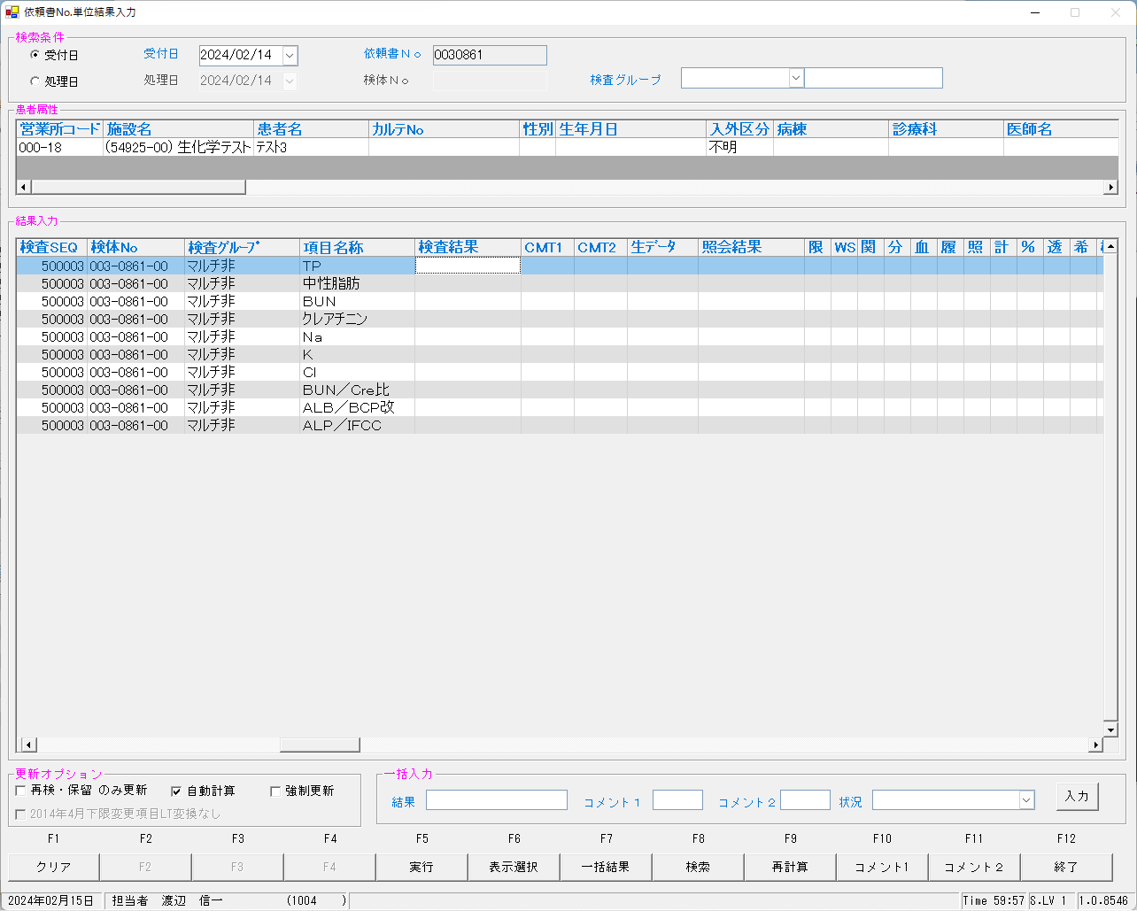


 | ■再検後の照合NG画面

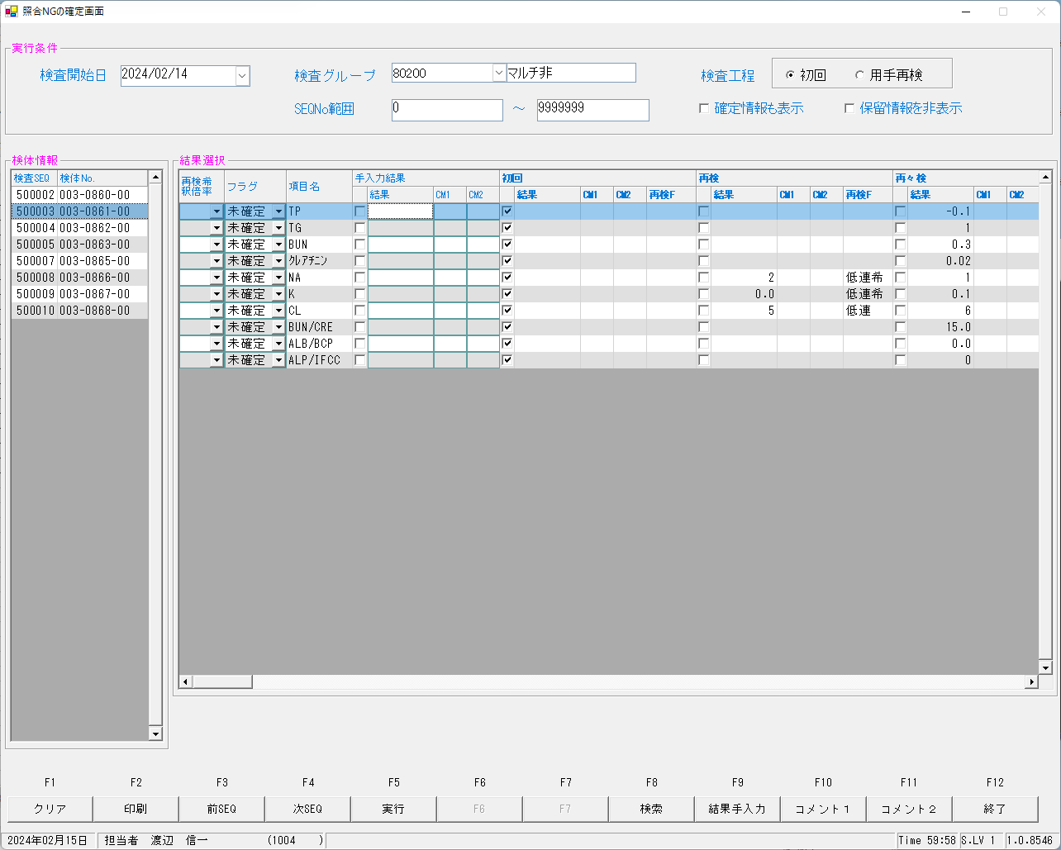

 | ■再測定後



 | ■再測定再検後の照合NG画面

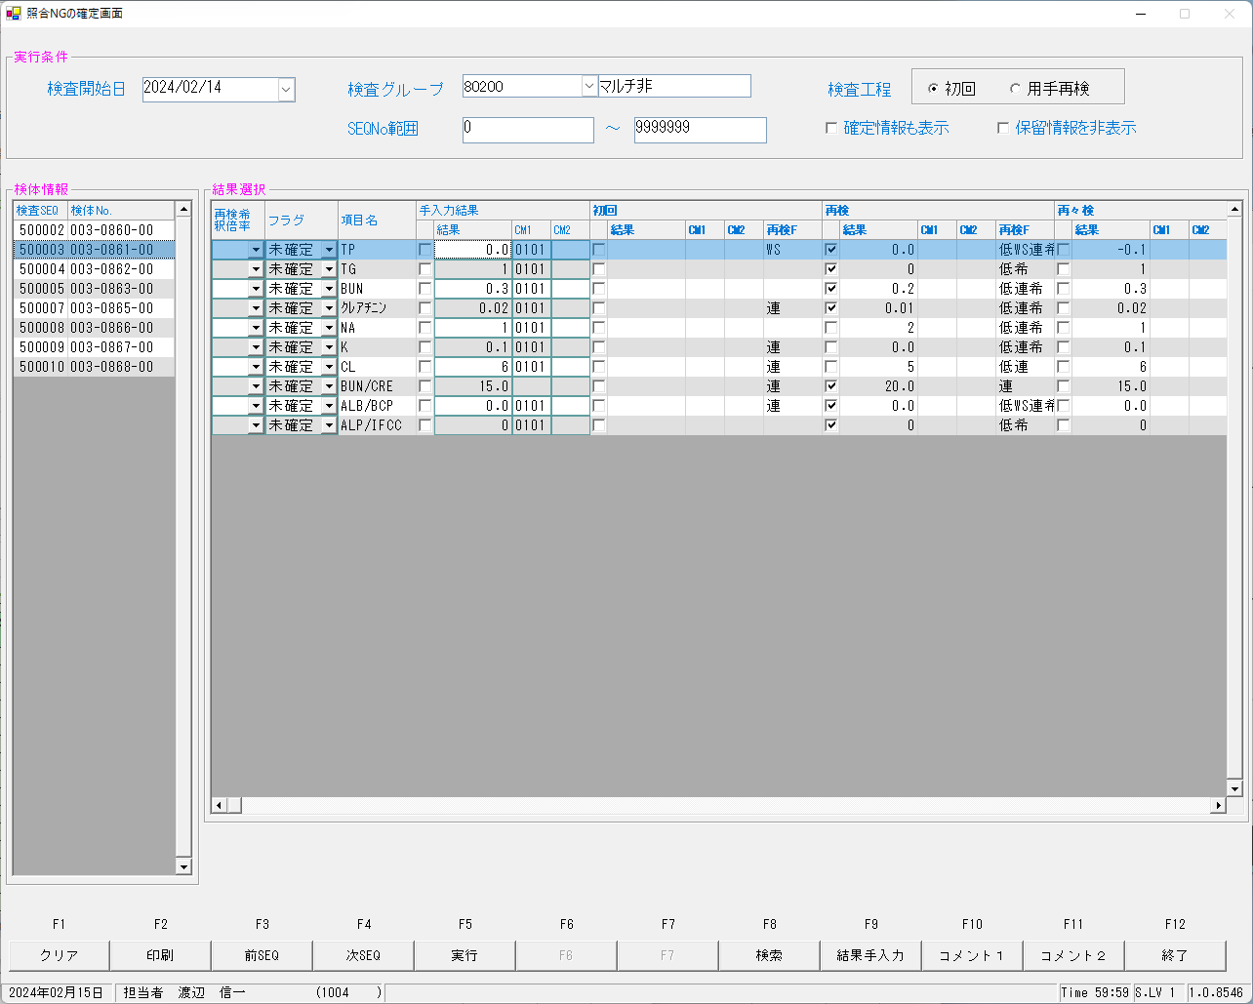

 | ■確定報告後
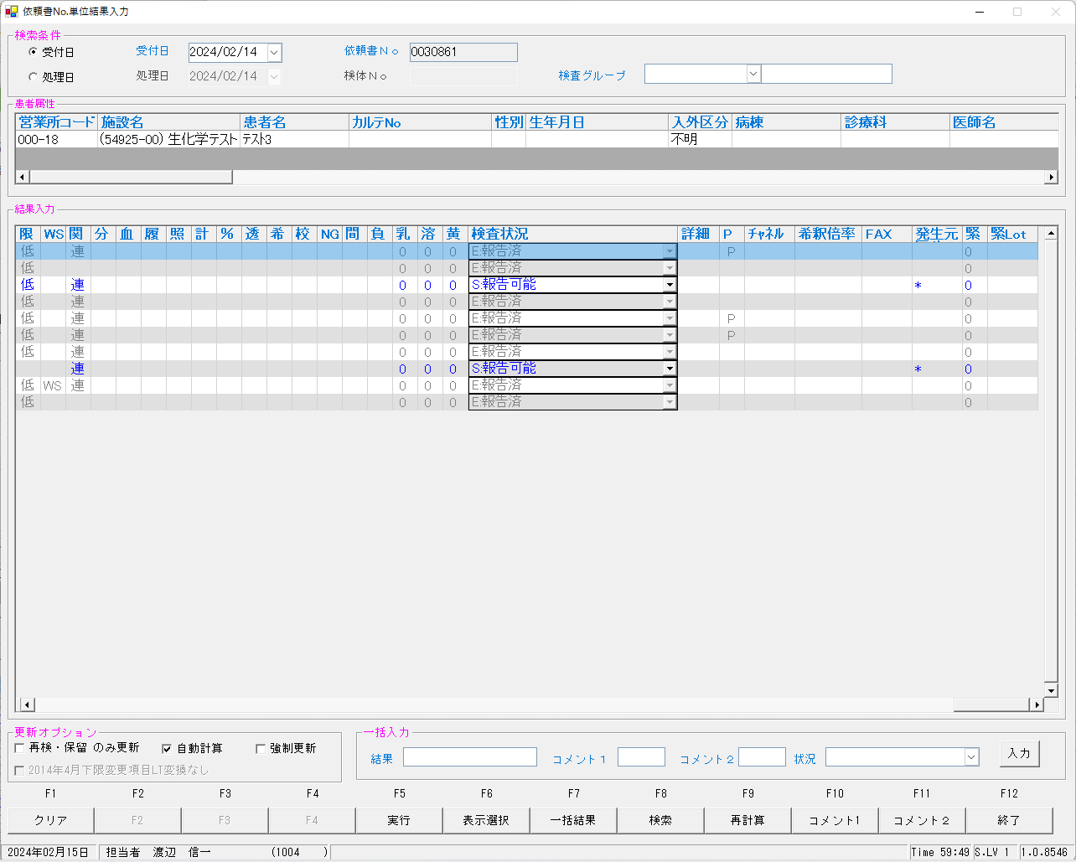


 | select * from KEKKA where irino like '00003086100' order by kmkcd,knssu;
検査結果 | KNSKISYMD | SRIYMD | KNTNO | KNTKETFLG | KNSGRP | KMKCD | KNSSU | KNSSUEDA | IRIHSMKBN | IRIKBN | KSKTKBN | UTKYMD | IRINO | IRIKETFLG | ZSSDINO | SSTCD | TRID | TRPOS | ASYRCKID | ASYRCKPOS | OYAKMKCD | SECCD | BKFKKBN | SMPCD | BSKKBN | BSKLNE | BSKGOK | BSKSEQ | BSKERRSTS | SKTDH | NBKMKCD | TSTRFLG | ZRCD | YSNLBL | KJNO | FKHKKNOHJKBN | TBKJNO | TBKJFLG | HTKFKHMS | SKFLG | TSKFLG | TKTFLG | JISKSBR | KKFLG | KKIRIFLG | KKIRILOTNO | HSYKFLG | HSKFLG | HHKKFLG | RAWDATA | KNSKKA1 | KNSKKA2 | KNSKKA2KBN | KKAHSKCD | HJKKA | SDI | KKACMT1 | KKACMT2 | KKAJKCD | PNCRGFLG | KNSPNCRGFLG | KKAKSFLG | KKASSFLG | IJKBNM | IJKBNF | IJKBNN | TBIJKBNM | TBIJKBNF | TBIJKBNN | NBDOLBL | NBDOERR | YKDOLBL | YKDOERR | ETCLBL | ETCERR | CTRLNO | KNSSEQ | BTHNO | PLTNO | PLTSEQ | DTNRTTS | DTNRDH | KNSKRDH | HKKDH | HKKKBDH | ZKHKKYYMD | ZKHKKYTME | FRKKAFLG | GZBSFLG | HSIFLG | KKAYSNFLG | TNYRKFLG | SIYFLG | KNSFLG | RENJICFLG | SOUKN1FLG | KANRENFLG | BUNKKUFLG | KESSEIFLG | RIREKIFLG | SYOUGOFLG | KEISANFLG | PER100FLG | TOUSEKFLG | KISYAKFLG | KOUSEIFLG | SYOUNGFLG | SOUKN2FLG | FUKAPTFLG | YOBIFLG01 | TOBIFLG02 | YOBIFLG03 | YOBIFLG04 | YOBIFLG05 | SKRYCDA | SKRYCDB | SKRYCDC | KSNDH | TRKDH | SKKKA
確定 | 2024-02-14 | 2024-02-14 | 00003086100 |  | 80200 | 0000401 | 0 | 0 | 0 | A | A | 2024-02-14 | 00003086100 |  | 0 | 5492500 | 2MLT0040 | 3 | 52741 | 3 | 0000401 | A | 0 | 0054 |  |  |  | 0 |  | 2024-02-15 |  | R | 023 | 00 | 001 |  |  |  |  | 0 |  |  |  | 0 | 0 | 0 |  |  |  |  | 0.2 |  |  | 002 | 0.0 |  | 0101 |  | 3 | 1 | 0 |  | 1 | 3 | 3 | 3 |  |  |  | 0 | N | 0 | N | 0 | N | 0 | 500003 | 0 | 0 | 0 | 1004 | 2024-02-15 | 1000/01/01 0:00:01 | 2024-02-15 | 0:00:01 | 1000/01/01 |  | 0 | 0 | 0 | 1 | 1 | 1 | E | 4 | 1 | 2 | 0 | 0 | 0 | 0 | 0 | 0 | 0 | 0 | 0 | 0 | 0 | 0 | 0 | 0 | 0 | 0 | 0 |  |  |  | 2024-02-15 | 2024-02-15 | ０．２以下
初回 | 2024-02-14 | 2024-02-14 | 00003086100 |  | 80200 | 0000401 | 1 | 0 | 0 | A | A | 2024-02-14 | 00003086100 |  | 0 | 5492500 | 2MLT0040 | 3 | 52741 | 3 | 0000401 | A | 0 | 0054 | BIOM | 23 | 230100 | 6003 | s | 2024-02-15 | 010 | R | 023 | 00 | 001 |  |  |  |  | 0 |  |  | 1 | 0 | 0 | 0 |  |  |  |  |  |  | X |  |  |  |  |  | 1 | 0 | 0 | 0 | 0 | 3 | 3 | 3 |  |  |  | 0 | N | 0 | N | 0 | N | 1 | 500003 | 0 | 1 | 2 |  | 2024-02-15 | 1000/01/01 | 2024-02-15 | 15:54:23 | 1000/01/01 |  | 0 | 0 | 1 |  | 1 |  | M | 0 | 1 | 0 | 0 | 1 | 0 | 0 | 1 | 0 | 0 | 0 | 0 | 0 | 0 | 0 | 2 | 0 | 1 | 1 | 1 | 100 |  |  | 2024-02-15 | 2024-02-15
再検 | 2024-02-14 | 2024-02-14 | 00003086100 |  | 80200 | 0000401 | 2 | 0 | 0 | A | A | 2024-02-14 | 00003086100 |  | 0 | 5492500 | 2MLT0040 | 3 | 52741 | 3 | 0000401 | A | 0 | 0054 | LABO | 06 | 060202 | 6023 | 0 | 2024-02-15 | 10 | R | 023 | 00 | 001 |  |  |  |  | 0 |  |  | 1 | 0 | 0 | 0 |  |  |  | 0.0 | 0.2 |  |  | 002 | 0.0 |  |  |  | 1 | 1 | 0 | 0 | 0 | 3 | 3 | 3 |  |  |  | 0 | N | 0 | N | 0 | N | 1 | 500003 | 0 | 1 | 14 |  | 2024-02-15 | 1000/01/01 | 2024-02-15 | 17:26:53 | 1000/01/01 |  | 0 | 0 | 1 |  | 1 |  | M | 4 | 1 | 2 | 0 | 1 | 0 | 0 | 1 | 0 | 0 | 2 | 0 | 0 | 0 | 0 | 1 | 0 | 1 | 1 | 1 | 100 |  |  | 2024-02-15 | 2024-02-15 | ０．２以下
再測定 | 2024-02-14 | 2024-02-14 | 00003086100 |  | 80200 | 0000401 | 3 | 0 | 0 | A | K | 2024-02-14 | 00003086100 |  | 0 | 5492500 | 2MLT0041 | 2 | 54289 | 2 | 0000401 | A | 0 | 0054 | LABO | 06 | 060402 | 6007 | 0 | 2024-02-15 | 10 | R | 023 | 00 | 001 |  |  |  |  | 0 |  |  | 1 | 0 | 0 | 0 |  |  |  | -0.1 | 0.2 |  |  | 002 | -0.1 |  |  |  | 1 | 1 | 0 | 0 | 0 | 3 | 3 | 3 |  |  |  | 0 | N | 0 | N | 0 | N | 1 | 500102 | 0 | 1 | 4 |  | 2024-02-15 | 1000/01/01 | 2024-02-15 | 16:39:40 | 1000/01/01 |  | 0 | 0 | 1 |  | 1 |  | M | 4 | 1 | 2 | 0 | 1 | 0 | 0 | 1 | 0 | 0 | 2 | 0 | 0 | 0 | 0 | 1 | 0 | 1 | 1 | 1 | 100 |  |  | 2024-02-15 | 2024-02-15 | ０．２以下
再測定再検 | 2024-02-14 | 2024-02-14 | 00003086100 |  | 80200 | 0000401 | 5 | 0 | 0 | A | K | 2024-02-14 | 00003086100 |  | 0 | 5492500 | 2MLT0043 | 2 | 53645 | 2 | 0000401 | A | 0 | 0054 | LABO | 06 | 060402 | 6027 | 0 | 2024-02-15 | 10 | R | 023 | 00 | 001 |  |  |  |  | 0 |  |  | 1 | 0 | 0 | 0 |  |  |  | 0.0 | 0.2 |  |  | 002 | 0.0 |  |  |  | 1 | 1 | 0 | 0 | 0 | 3 | 3 | 3 |  |  |  | 0 | N | 0 | N | 0 | N | 1 | 500202 | 0 | 1 | 14 |  | 2024-02-15 | 1000/01/01 | 2024-02-15 | 17:59:05 | 1000/01/01 |  | 0 | 0 | 1 |  | 1 |  | M | 4 | 1 | 2 | 0 | 1 | 0 | 0 | 1 | 0 | 0 | 2 | 0 | 0 | 0 | 0 | 1 | 0 | 1 | 1 | 1 | 100 |  |  | 2024-02-15 | 2024-02-15 | ０．２以下
確定 | 2024-02-14 | 2024-02-14 | 00003086100 |  | 80200 | 0000409 | 0 | 0 | 2 | A | A | 2024-02-14 | 00003086100 |  | 0 | 5492500 | 2MLT0040 | 3 | 52741 | 3 | 0000409 | A | 0 | 0054 |  |  |  | 0 |  | 2024-02-15 |  | R | 023 | 00 | 005 |  |  |  |  | 0 |  |  |  | 0 | 0 | 0 |  |  |  |  | 0.4 |  |  | 002 | 0.3 |  | 0101 |  | 3 | 0 | 0 |  | 0 | 3 | 3 | 3 |  |  |  | 0 | N | 0 | N | 0 | N | 0 | 500003 | 0 | 0 | 0 | 1004 | 2024-02-15 | 1000/01/01 0:00:01 | 1000/01/01 0:00:01 | 0:00:01 | 1000/01/01 |  | 0 | 0 | 0 | 1 | 1 | 1 | S | 4 | 1 | 2 | 0 | 0 | 0 | 0 | 0 | 0 | 0 | 0 | 0 | 0 | 1 | 0 | 0 | 0 | 0 | 0 | 0 |  |  |  | 2024-02-15 | 2024-02-15 | ０．４以下
初回 | 2024-02-14 | 2024-02-14 | 00003086100 |  | 80200 | 0000409 | 1 | 0 | 2 | A | A | 2024-02-14 | 00003086100 |  | 0 | 5492500 | 2MLT0040 | 3 | 52741 | 3 | 0000409 | A | 0 | 0054 | BIOM | 23 | 230100 | 6003 | s | 2024-02-15 | 002 | R | 023 | 00 | 005 |  |  |  |  | 0 |  |  | 1 | 0 | 0 | 0 |  |  |  |  |  |  | X |  |  |  |  |  | 1 | 0 | 0 | 0 | 0 | 3 | 3 | 3 |  |  |  | 0 | N | 0 | N | 0 | N | 1 | 500003 | 0 | 1 | 2 |  | 2024-02-15 | 1000/01/01 | 2024-02-15 | 15:54:23 | 1000/01/01 |  | 0 | 0 | 1 |  | 1 |  | S | 0 | 0 | 0 | 0 | 1 | 0 | 0 | 1 | 0 | 0 | 0 | 0 | 0 | 0 | 0 | 2 | 0 | 1 | 1 | 1 | 100 |  |  | 2024-02-15 | 2024-02-15
再検 | 2024-02-14 | 2024-02-14 | 00003086100 |  | 80200 | 0000409 | 2 | 0 | 2 | A | A | 2024-02-14 | 00003086100 |  | 0 | 5492500 | 2MLT0040 | 3 | 52741 | 3 | 0000409 | A | 0 | 0054 | LABO | 06 | 060101 | 6023 | 0 | 2024-02-15 | 2 | R | 023 | 00 | 005 |  |  |  |  | 0 |  |  | 1 | 0 | 0 | 0 |  |  |  | 0.2 | 0.4 |  |  | 002 | 0.2 |  |  |  | 1 | 0 | 0 | 0 | 0 | 3 | 3 | 3 |  |  |  | 0 | N | 0 | N | 0 | N | 1 | 500003 | 0 | 1 | 14 |  | 2024-02-15 | 1000/01/01 | 2024-02-15 | 17:26:53 | 1000/01/01 |  | 0 | 0 | 1 |  | 1 |  | S | 4 | 0 | 2 | 0 | 1 | 0 | 0 | 1 | 0 | 0 | 2 | 0 | 0 | 0 | 0 | 1 | 0 | 1 | 1 | 1 | 100 |  |  | 2024-02-15 | 2024-02-15 | ０．４以下
再測定 | 2024-02-14 | 2024-02-14 | 00003086100 |  | 80200 | 0000409 | 3 | 0 | 2 | A | K | 2024-02-14 | 00003086100 |  | 0 | 5492500 | 2MLT0041 | 2 | 54289 | 2 | 0000409 | A | 0 | 0054 | LABO | 06 | 060301 | 6007 | 0 | 2024-02-15 | 2 | R | 023 | 00 | 005 |  |  |  |  | 0 |  |  | 1 | 0 | 0 | 0 |  |  |  | 0.3 | 0.4 |  |  | 002 | 0.3 |  |  |  | 1 | 0 | 0 | 0 | 0 | 3 | 3 | 3 |  |  |  | 0 | N | 0 | N | 0 | N | 1 | 500102 | 0 | 1 | 4 |  | 2024-02-15 | 1000/01/01 | 2024-02-15 | 16:39:40 | 1000/01/01 |  | 0 | 0 | 1 |  | 1 |  | S | 4 | 0 | 2 | 0 | 1 | 0 | 0 | 1 | 0 | 0 | 2 | 0 | 0 | 0 | 0 | 1 | 0 | 1 | 1 | 1 | 100 |  |  | 2024-02-15 | 2024-02-15 | ０．４以下
再測定再検 | 2024-02-14 | 2024-02-14 | 00003086100 |  | 80200 | 0000409 | 5 | 0 | 2 | A | K | 2024-02-14 | 00003086100 |  | 0 | 5492500 | 2MLT0043 | 2 | 53645 | 2 | 0000409 | A | 0 | 0054 | LABO | 06 | 060301 | 6027 | 0 | 2024-02-15 | 2 | R | 023 | 00 | 005 |  |  |  |  | 0 |  |  | 1 | 0 | 0 | 0 |  |  |  | 0.3 | 0.4 |  |  | 002 | 0.3 |  |  |  | 1 | 0 | 0 | 0 | 0 | 3 | 3 | 3 |  |  |  | 0 | N | 0 | N | 0 | N | 1 | 500202 | 0 | 1 | 14 |  | 2024-02-15 | 1000/01/01 | 2024-02-15 | 17:59:05 | 1000/01/01 |  | 0 | 0 | 1 |  | 1 |  | S | 4 | 0 | 2 | 0 | 1 | 0 | 0 | 1 | 0 | 0 | 2 | 0 | 0 | 0 | 0 | 1 | 0 | 1 | 1 | 1 | 100 |  |  | 2024-02-15 | 2024-02-15 | ０．４以下
確定 | 2024-02-14 | 2024-02-14 | 00003086100 |  | 80200 | 0000413 | 0 | 0 | 0 | A | A | 2024-02-14 | 00003086100 |  | 0 | 5492500 | 2MLT0040 | 3 | 52741 | 3 | 0000413 | A | 0 | 0054 |  |  |  | 0 |  | 2024-02-15 |  | R | 023 | 00 | 009 |  |  |  |  | 0 |  |  |  | 0 | 0 | 0 |  |  |  |  | 0.03 |  |  | 002 | 0.02 |  | 0101 |  | 3 | 0 | 0 |  | 1 | 3 | 3 | 3 |  |  |  | 0 | N | 0 | N | 0 | N | 0 | 500003 | 0 | 0 | 0 | 1004 | 2024-02-15 | 1000/01/01 0:00:01 | 2024-02-15 | 0:00:01 | 1000/01/01 |  | 0 | 0 | 0 | 1 | 1 | 1 | E | 4 | 1 | 2 | 0 | 0 | 0 | 0 | 0 | 0 | 0 | 0 | 0 | 0 | 1 | 0 | 0 | 0 | 0 | 0 | 0 |  |  |  | 2024-02-15 | 2024-02-15 | ０．０３以下
初回 | 2024-02-14 | 2024-02-14 | 00003086100 |  | 80200 | 0000413 | 1 | 0 | 0 | A | A | 2024-02-14 | 00003086100 |  | 0 | 5492500 | 2MLT0040 | 3 | 52741 | 3 | 0000413 | A | 0 | 0054 | BIOM | 23 | 230100 | 6003 | s | 2024-02-15 | 003 | R | 023 | 00 | 009 |  |  |  |  | 0 |  |  | 1 | 0 | 0 | 0 |  |  |  |  |  |  | X |  |  |  |  |  | 1 | 0 | 0 | 0 | 0 | 3 | 3 | 3 |  |  |  | 0 | N | 0 | N | 0 | N | 1 | 500003 | 0 | 1 | 2 |  | 2024-02-15 | 1000/01/01 | 2024-02-15 | 15:54:23 | 1000/01/01 |  | 0 | 0 | 1 |  | 1 |  | M | 0 | 0 | 2 | 0 | 1 | 0 | 0 | 1 | 0 | 0 | 0 | 0 | 0 | 0 | 0 | 2 | 0 | 1 | 1 | 1 | 100 |  |  | 2024-02-15 | 2024-02-15
再検 | 2024-02-14 | 2024-02-14 | 00003086100 |  | 80200 | 0000413 | 2 | 0 | 0 | A | A | 2024-02-14 | 00003086100 |  | 0 | 5492500 | 2MLT0040 | 3 | 52741 | 3 | 0000413 | A | 0 | 0054 | LABO | 06 | 060201 | 6023 | 0 | 2024-02-15 | 3 | R | 023 | 00 | 009 |  |  |  |  | 0 |  |  | 1 | 0 | 0 | 0 |  |  |  | 0.01 | 0.03 |  |  | 002 | 0.01 |  |  |  | 1 | 0 | 0 | 0 | 0 | 3 | 3 | 3 |  |  |  | 0 | N | 0 | N | 0 | N | 1 | 500003 | 0 | 1 | 14 |  | 2024-02-15 | 1000/01/01 | 2024-02-15 | 17:26:53 | 1000/01/01 |  | 0 | 0 | 1 |  | 1 |  | M | 4 | 0 | 2 | 0 | 1 | 0 | 0 | 1 | 0 | 0 | 2 | 0 | 0 | 0 | 0 | 1 | 0 | 1 | 1 | 1 | 100 |  |  | 2024-02-15 | 2024-02-15 | ０．０３以下
再測定 | 2024-02-14 | 2024-02-14 | 00003086100 |  | 80200 | 0000413 | 3 | 0 | 0 | A | K | 2024-02-14 | 00003086100 |  | 0 | 5492500 | 2MLT0041 | 2 | 54289 | 2 | 0000413 | A | 0 | 0054 | LABO | 06 | 060401 | 6007 | 0 | 2024-02-15 | 3 | R | 023 | 00 | 009 |  |  |  |  | 0 |  |  | 1 | 0 | 0 | 0 |  |  |  | 0.02 | 0.03 |  |  | 002 | 0.02 |  |  |  | 1 | 0 | 0 | 0 | 0 | 3 | 3 | 3 |  |  |  | 0 | N | 0 | N | 0 | N | 1 | 500102 | 0 | 1 | 4 |  | 2024-02-15 | 1000/01/01 | 2024-02-15 | 16:39:40 | 1000/01/01 |  | 0 | 0 | 1 |  | 1 |  | M | 4 | 0 | 2 | 0 | 1 | 0 | 0 | 1 | 0 | 0 | 2 | 0 | 0 | 0 | 0 | 1 | 0 | 1 | 1 | 1 | 100 |  |  | 2024-02-15 | 2024-02-15 | ０．０３以下
再測定再検 | 2024-02-14 | 2024-02-14 | 00003086100 |  | 80200 | 0000413 | 5 | 0 | 0 | A | K | 2024-02-14 | 00003086100 |  | 0 | 5492500 | 2MLT0043 | 2 | 53645 | 2 | 0000413 | A | 0 | 0054 | LABO | 06 | 060401 | 6027 | 0 | 2024-02-15 | 3 | R | 023 | 00 | 009 |  |  |  |  | 0 |  |  | 1 | 0 | 0 | 0 |  |  |  | 0.02 | 0.03 |  |  | 002 | 0.02 |  |  |  | 1 | 0 | 0 | 0 | 0 | 3 | 3 | 3 |  |  |  | 0 | N | 0 | N | 0 | N | 1 | 500202 | 0 | 1 | 14 |  | 2024-02-15 | 1000/01/01 | 2024-02-15 | 17:59:05 | 1000/01/01 |  | 0 | 0 | 1 |  | 1 |  | M | 4 | 0 | 2 | 0 | 1 | 0 | 0 | 1 | 0 | 0 | 2 | 0 | 0 | 0 | 0 | 1 | 0 | 1 | 1 | 1 | 100 |  |  | 2024-02-15 | 2024-02-15 | ０．０３以下
確定 | 2024-02-14 | 2024-02-14 | 00003086100 |  | 80200 | 0000417 | 0 | 0 | 0 | A | A | 2024-02-14 | 00003086100 |  | 0 | 5492500 | 2MLT0040 | 3 | 52741 | 3 | 0000417 | A | 0 | 0054 |  |  |  | 0 |  | 2024-02-15 |  | R | 023 | 00 | 001 |  |  |  |  | 0 |  |  |  | 0 | 0 | 0 |  |  |  |  | 0.1 |  |  | 002 | 0.0 |  | 0101 |  | 3 | 0 | 0 |  | 1 | 3 | 3 | 3 |  |  |  | 0 | N | 0 | N | 0 | N | 0 | 500003 | 0 | 0 | 0 | 1004 | 2024-02-15 | 1000/01/01 0:00:01 | 2024-02-15 | 0:00:01 | 1000/01/01 |  | 0 | 0 | 0 | 1 | 1 | 1 | E | 4 | 2 | 2 | 0 | 0 | 0 | 0 | 0 | 0 | 0 | 0 | 0 | 0 | 0 | 0 | 0 | 0 | 0 | 0 | 0 |  |  |  | 2024-02-15 | 2024-02-15 | ０．１以下
初回 | 2024-02-14 | 2024-02-14 | 00003086100 |  | 80200 | 0000417 | 1 | 0 | 0 | A | A | 2024-02-14 | 00003086100 |  | 0 | 5492500 | 2MLT0040 | 3 | 52741 | 3 | 0000417 | A | 0 | 0054 | BIOM | 23 | 230100 | 6003 | s | 2024-02-15 | 007 | R | 023 | 00 | 001 |  |  |  |  | 0 |  |  | 1 | 0 | 0 | 0 |  |  |  |  |  |  | X |  |  |  |  |  | 1 | 0 | 0 | 0 | 0 | 3 | 3 | 3 |  |  |  | 0 | N | 0 | N | 0 | N | 1 | 500003 | 0 | 1 | 2 |  | 2024-02-15 | 1000/01/01 | 2024-02-15 | 15:54:23 | 1000/01/01 |  | 0 | 0 | 1 |  | 1 |  | M | 0 | 1 | 2 | 0 | 1 | 0 | 0 | 1 | 0 | 0 | 0 | 0 | 0 | 0 | 0 | 2 | 0 | 1 | 1 | 1 | 100 |  |  | 2024-02-15 | 2024-02-15
再検 | 2024-02-14 | 2024-02-14 | 00003086100 |  | 80200 | 0000417 | 2 | 0 | 0 | A | A | 2024-02-14 | 00003086100 |  | 0 | 5492500 | 2MLT0040 | 3 | 52741 | 3 | 0000417 | A | 0 | 0054 | LABO | 06 | 060201 | 6023 | 0 | 2024-02-15 | 7 | R | 023 | 00 | 001 |  |  |  |  | 0 |  |  | 1 | 0 | 0 | 0 |  |  |  | 0.0 | 0.1 |  |  | 002 | 0.0 |  |  |  | 1 | 0 | 0 | 0 | 0 | 3 | 3 | 3 |  |  |  | 0 | N | 0 | N | 0 | N | 1 | 500003 | 0 | 1 | 14 |  | 2024-02-15 | 1000/01/01 | 2024-02-15 | 17:26:53 | 1000/01/01 |  | 0 | 0 | 1 |  | 1 |  | M | 4 | 1 | 2 | 0 | 1 | 0 | 0 | 1 | 0 | 0 | 2 | 0 | 0 | 0 | 0 | 1 | 0 | 1 | 1 | 1 | 100 |  |  | 2024-02-15 | 2024-02-15 | ０．１以下
再測定 | 2024-02-14 | 2024-02-14 | 00003086100 |  | 80200 | 0000417 | 3 | 0 | 0 | A | K | 2024-02-14 | 00003086100 |  | 0 | 5492500 | 2MLT0041 | 2 | 54289 | 2 | 0000417 | A | 0 | 0054 | LABO | 06 | 060401 | 6007 | 0 | 2024-02-15 | 7 | R | 023 | 00 | 001 |  |  |  |  | 0 |  |  | 1 | 0 | 0 | 0 |  |  |  | 0.0 | 0.1 |  |  | 002 | 0.0 |  |  |  | 1 | 0 | 0 | 0 | 0 | 3 | 3 | 3 |  |  |  | 0 | N | 0 | N | 0 | N | 1 | 500102 | 0 | 1 | 4 |  | 2024-02-15 | 1000/01/01 | 2024-02-15 | 16:39:40 | 1000/01/01 |  | 0 | 0 | 1 |  | 1 |  | M | 4 | 1 | 2 | 0 | 1 | 0 | 0 | 1 | 0 | 0 | 2 | 0 | 0 | 0 | 0 | 1 | 0 | 1 | 1 | 1 | 100 |  |  | 2024-02-15 | 2024-02-15 | ０．１以下
再測定再検 | 2024-02-14 | 2024-02-14 | 00003086100 |  | 80200 | 0000417 | 5 | 0 | 0 | A | K | 2024-02-14 | 00003086100 |  | 0 | 5492500 | 2MLT0043 | 2 | 53645 | 2 | 0000417 | A | 0 | 0054 | LABO | 06 | 060401 | 6027 | 0 | 2024-02-15 | 7 | R | 023 | 00 | 001 |  |  |  |  | 0 |  |  | 1 | 0 | 0 | 0 |  |  |  | 0.0 | 0.1 |  |  | 002 | 0.0 |  |  |  | 1 | 0 | 0 | 0 | 0 | 3 | 3 | 3 |  |  |  | 0 | N | 0 | N | 0 | N | 1 | 500202 | 0 | 1 | 14 |  | 2024-02-15 | 1000/01/01 | 2024-02-15 | 17:59:05 | 1000/01/01 |  | 0 | 0 | 1 |  | 1 |  | M | 4 | 1 | 2 | 0 | 1 | 0 | 0 | 1 | 0 | 0 | 2 | 0 | 0 | 0 | 0 | 1 | 0 | 1 | 1 | 1 | 100 |  |  | 2024-02-15 | 2024-02-15 | ０．１以下
確定 | 2024-02-14 | 2024-02-14 | 00003086100 |  | 80200 | 0000421 | 0 | 0 | 0 | A | A | 2024-02-14 | 00003086100 |  | 0 | 5492500 | 2MLT0040 | 3 | 52741 | 3 | 0000421 | A | 0 | 0054 |  |  |  | 0 |  | 2024-02-15 |  | R | 023 | 00 | 001 |  |  |  |  | 0 |  |  |  | 0 | 0 | 0 |  |  |  |  | 9 |  |  | 002 | 2 |  | 0101 |  | 3 | 1 | 0 |  | 1 | 3 | 3 | 3 |  |  |  | 0 | N | 0 | N | 0 | N | 0 | 500003 | 0 | 0 | 0 | 1004 | 2024-02-15 | 1000/01/01 0:00:01 | 2024-02-15 | 0:00:01 | 1000/01/01 |  | 0 | 0 | 0 | 1 | 1 | 1 | E | 4 | 1 | 2 | 0 | 0 | 0 | 0 | 0 | 0 | 0 | 0 | 0 | 0 | 1 | 0 | 0 | 0 | 0 | 0 | 0 |  |  |  | 2024-02-15 | 2024-02-15 | ９以下
初回 | 2024-02-14 | 2024-02-14 | 00003086100 |  | 80200 | 0000421 | 1 | 0 | 0 | A | A | 2024-02-14 | 00003086100 |  | 0 | 5492500 | 2MLT0040 | 3 | 52741 | 3 | 0000421 | A | 0 | 0054 | BIOM | 23 | 230001 | 6003 | s | 2024-02-15 | 087 | R | 023 | 00 | 001 |  |  |  |  | 0 |  |  | 1 | 0 | 0 | 0 |  |  |  |  |  |  | X |  |  |  |  |  | 1 | 0 | 0 | 0 | 0 | 3 | 3 | 3 |  |  |  | 0 | N | 0 | N | 0 | N | 1 | 500003 | 0 | 1 | 2 |  | 2024-02-15 | 1000/01/01 | 2024-02-15 | 15:54:23 | 1000/01/01 |  | 0 | 0 | 1 |  | 1 |  | M | 0 | 0 | 0 | 0 | 1 | 0 | 0 | 1 | 0 | 0 | 0 | 0 | 0 | 0 | 0 | 2 | 0 | 1 | 1 | 1 | 100 |  |  | 2024-02-15 | 2024-02-15
再検 | 2024-02-14 | 2024-02-14 | 00003086100 |  | 80200 | 0000421 | 2 | 0 | 0 | A | K | 2024-02-14 | 00003086100 |  | 0 | 5492500 | 2MLT0041 | 2 | 54289 | 2 | 0000421 | A | 0 | 0054 | LABO | 06 | 060002 | 6007 | 23 | 2024-02-15 | 87 | R | 023 | 00 | 001 |  |  |  |  | 0 |  |  | 1 | 0 | 0 | 0 |  |  |  | 2 | 9 |  |  | 002 | 2 |  |  |  | 1 | 1 | 0 | 0 | 0 | 3 | 3 | 3 |  |  |  | 0 | N | 0 | N | 0 | N | 1 | 500102 | 0 | 1 | 5 |  | 2024-02-15 | 1000/01/01 | 2024-02-15 | 16:39:40 | 1000/01/01 |  | 0 | 0 | 1 |  | 1 |  | M | 4 | 0 | 2 | 0 | 1 | 0 | 0 | 1 | 0 | 0 | 2 | 0 | 0 | 0 | 0 | 2 | 0 | 1 | 1 | 1 | 100 |  |  | 2024-02-15 | 2024-02-15 | ９以下
再検自動再検 | 2024-02-14 | 2024-02-14 | 00003086100 |  | 80200 | 0000421 | 3 | 0 | 0 | A | K | 2024-02-14 | 00003086100 |  | 0 | 5492500 | 2MLT0041 | 2 | 54289 | 2 | 0000421 | A | 0 | 0054 | LABO | 06 | 060001 | 6007 | 23 | 2024-02-15 | 87 | R | 023 | 00 | 001 |  |  |  |  | 0 |  |  | L1 | 0 | 0 | 0 |  |  |  | 1 | 9 |  |  | 002 | 1 |  |  |  | 1 | 1 | 0 | 0 | 0 | 3 | 3 | 3 |  |  |  |  |  |  |  |  |  | 1 | 500102 | 0 | 1 | 9 |  | 2024-02-15 | 1000/01/01 | 2024-02-15 | 16:41:21 | 1000/01/01 |  | 0 | 0 | 1 |  | 1 |  | M | 4 | 0 | 2 | 0 | 0 | 0 | 0 | 1 | 0 | 0 | 2 | 0 | 0 | 0 | 0 | 2 | 0 | 1 | 1 | 1 | 100 |  |  | 2024-02-15 | 2024-02-15 | ９以下
再測定 | 2024-02-14 | 2024-02-14 | 00003086100 |  | 80200 | 0000421 | 4 | 0 | 0 | A | A | 2024-02-14 | 00003086100 |  | 0 | 5492500 | 2MLT0040 | 3 | 52741 | 3 | 0000421 | A | 0 | 0054 | LABO | 06 | 060002 | 6023 | 23 | 2024-02-15 | 87 | R | 023 | 00 | 001 |  |  |  |  | 0 |  |  | 1 | 0 | 0 | 0 |  |  |  | 2 | 9 |  |  | 002 | 2 |  |  |  | 1 | 1 | 0 | 0 | 0 | 3 | 3 | 3 |  |  |  | 0 | N | 0 | N | 0 | N | 1 | 500003 | 0 | 1 | 10 |  | 2024-02-15 | 1000/01/01 | 2024-02-15 | 17:26:53 | 1000/01/01 |  | 0 | 0 | 1 |  | 1 |  | M | 4 | 0 | 2 | 0 | 1 | 0 | 0 | 1 | 0 | 0 | 2 | 0 | 0 | 0 | 0 | 2 | 0 | 1 | 1 | 1 | 100 |  |  | 2024-02-15 | 2024-02-15 | ９以下
...

0030862
 | ■初回
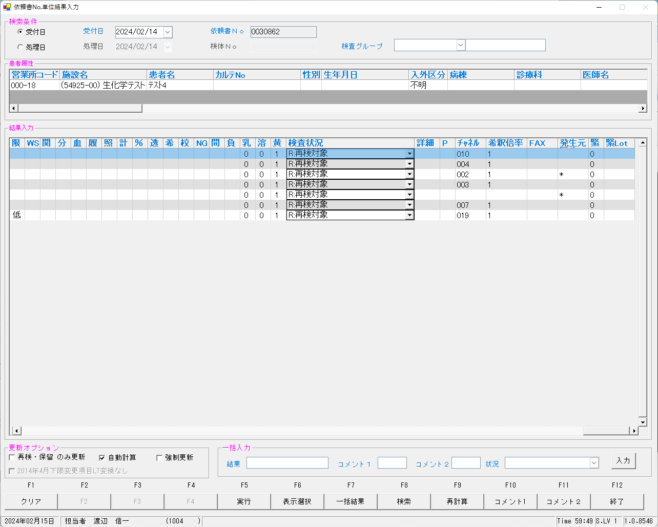
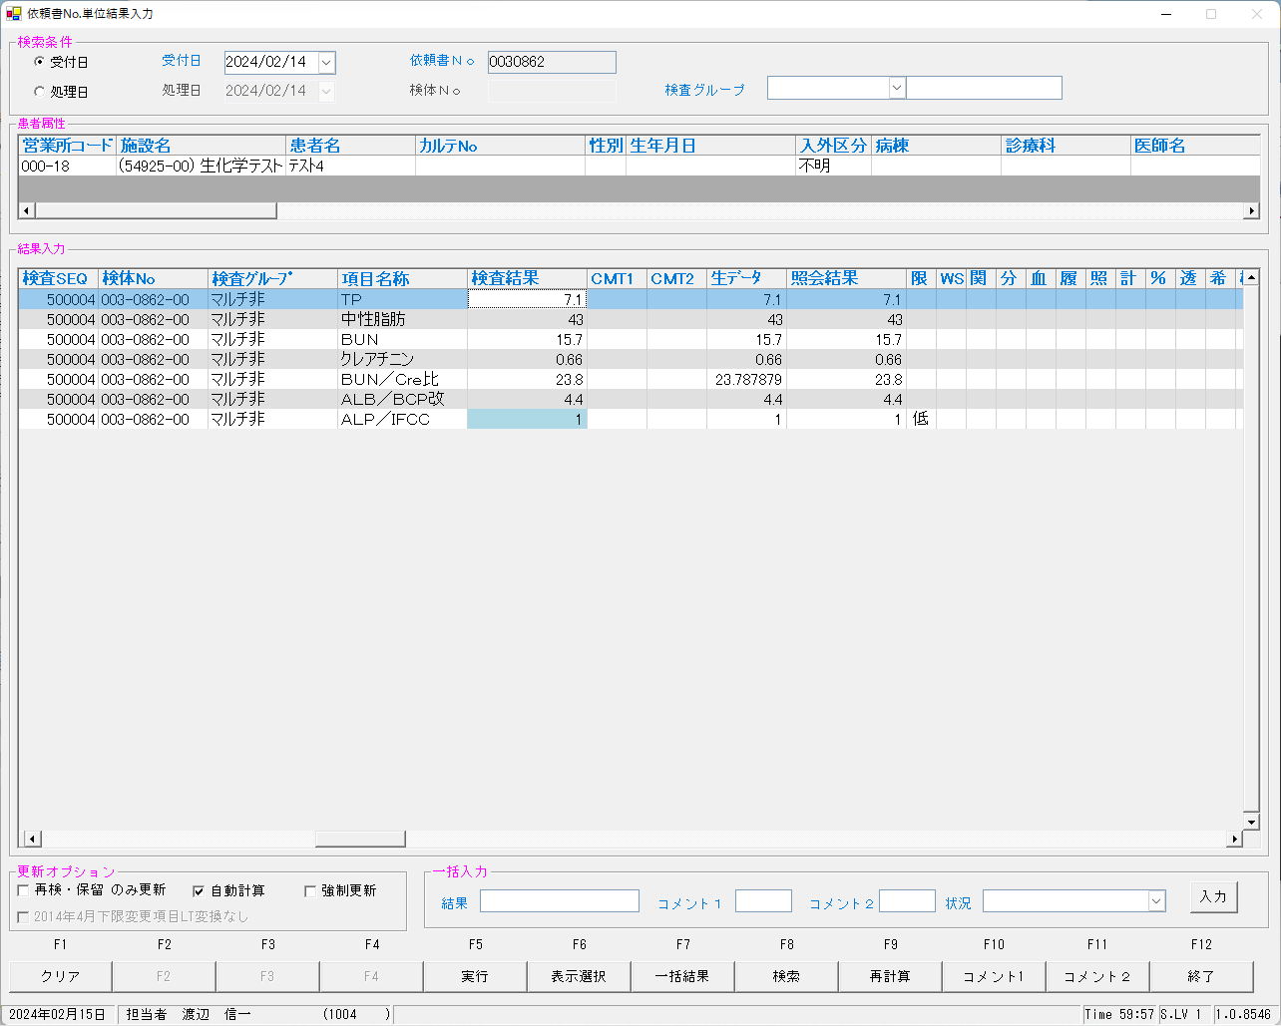
 | select * from KEKKA where irino like '00003086200' order by kmkcd,knssu;

 | ■再検後の照合NG画面

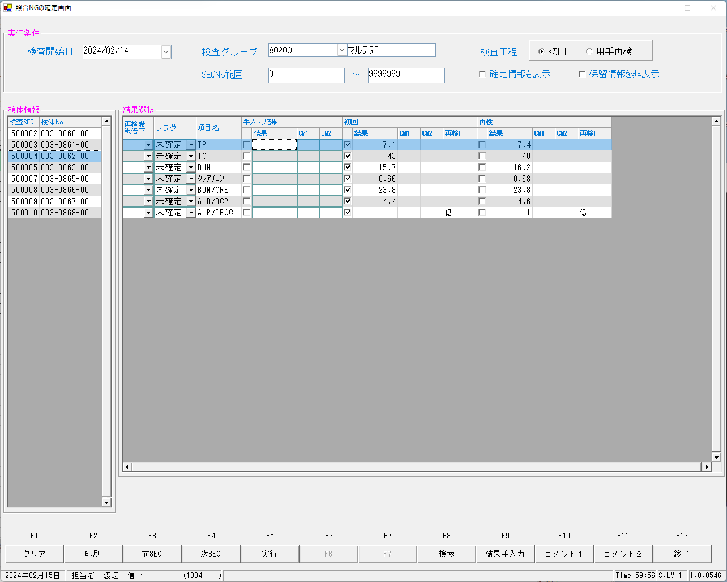

 | ■再測定後

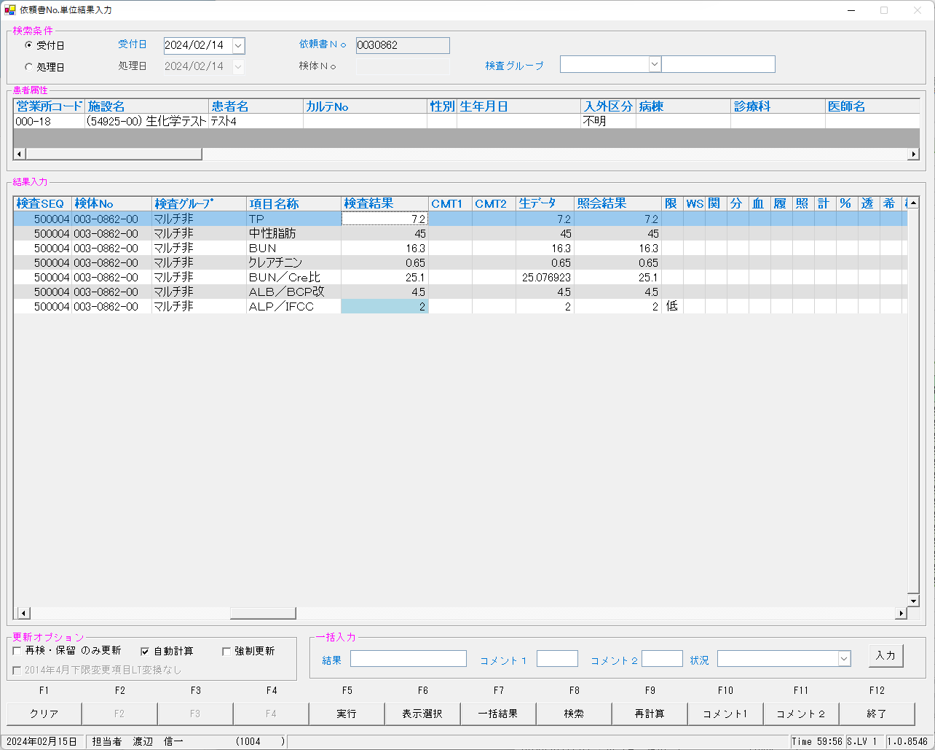


 | ■再測定再検後の照合NG画面

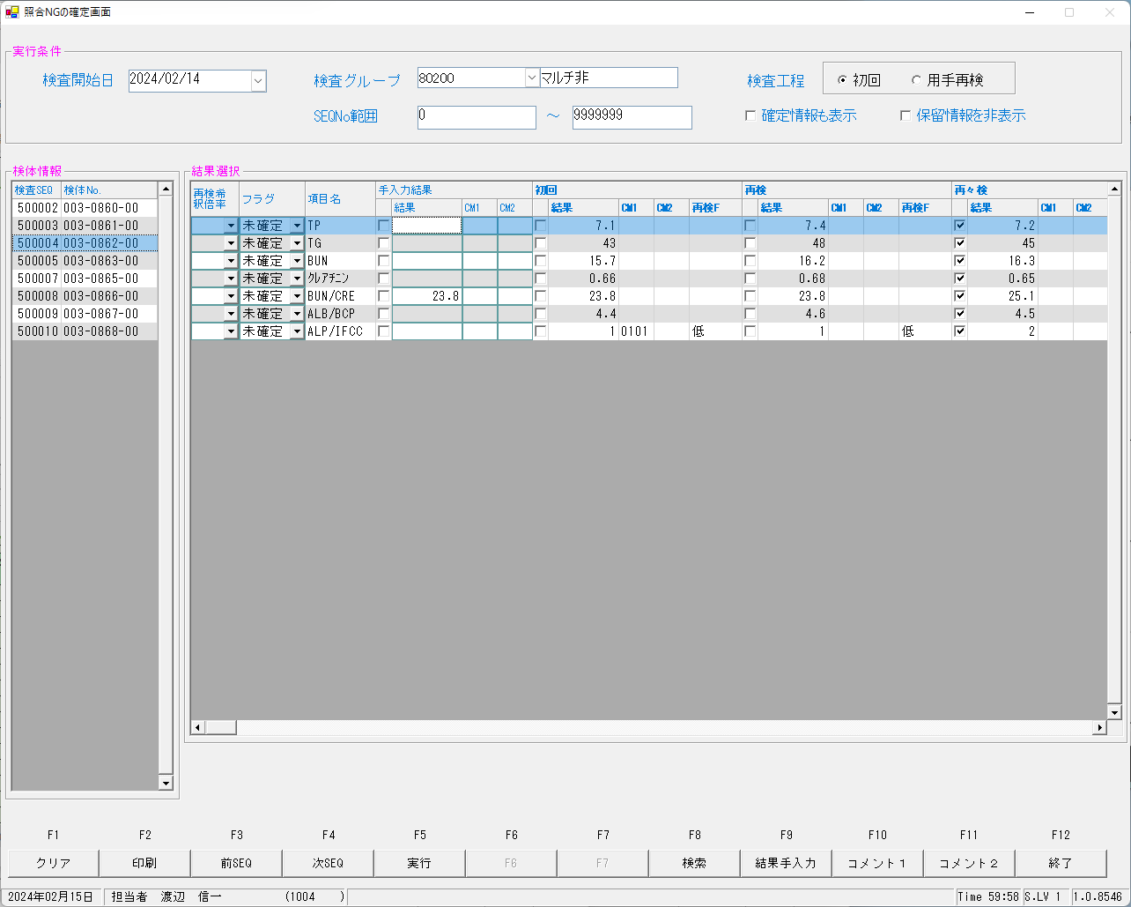

 | ■確定報告後

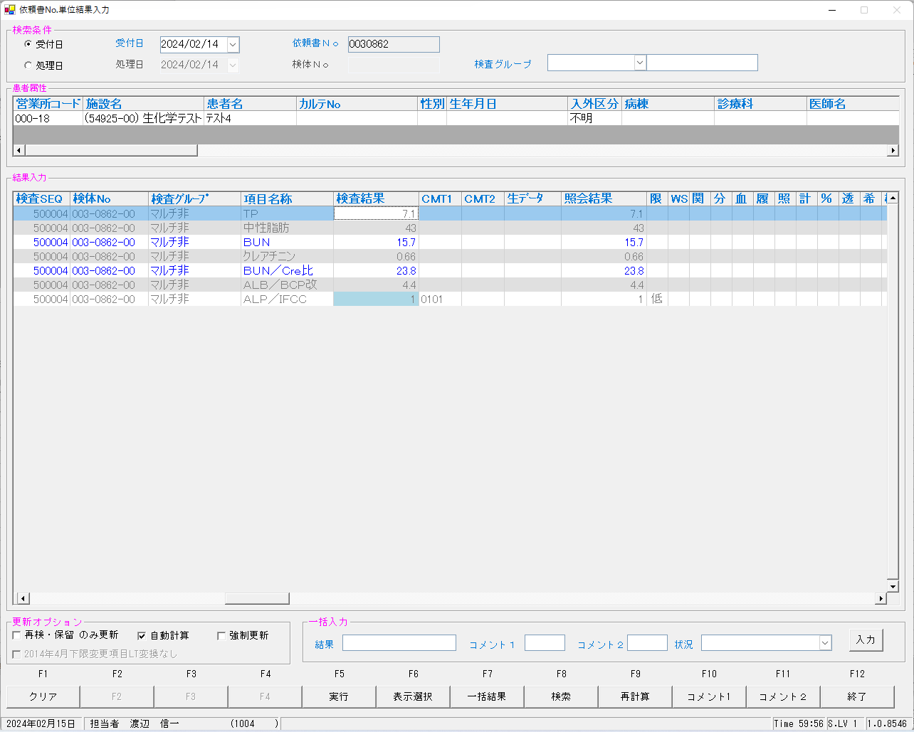
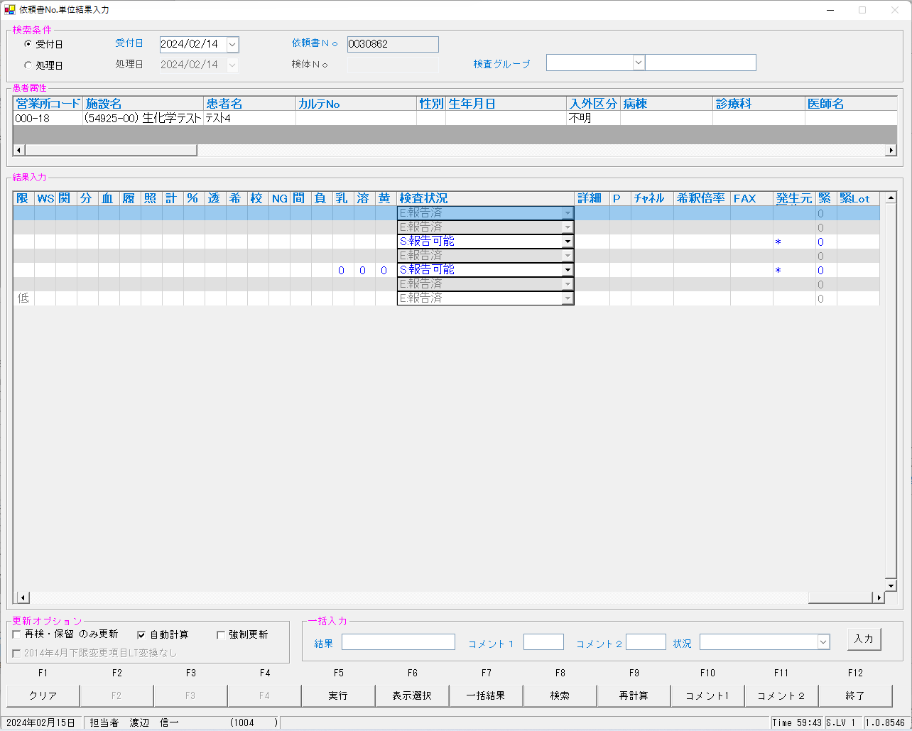

 | select * from KEKKA where irino like '00003086200' order by kmkcd,knssu;
検査結果 | KNSKISYMD | SRIYMD | KNTNO | KNTKETFLG | KNSGRP | KMKCD | KNSSU | KNSSUEDA | IRIHSMKBN | IRIKBN | KSKTKBN | UTKYMD | IRINO | IRIKETFLG | ZSSDINO | SSTCD | TRID | TRPOS | ASYRCKID | ASYRCKPOS | OYAKMKCD | SECCD | BKFKKBN | SMPCD | BSKKBN | BSKLNE | BSKGOK | BSKSEQ | BSKERRSTS | SKTDH | NBKMKCD | TSTRFLG | ZRCD | YSNLBL | KJNO
確定 | 2024-02-14 | 2024-02-14 | 00003086200 |  | 80200 | 0000401 | 0 | 0 | 0 | A | A | 2024-02-14 | 00003086200 |  | 0 | 5492500 | 2MLT0040 | 4 | 52741 | 4 | 0000401 | A | 0 | 0054 |  |  |  | 0 |  | 2024-02-15 |  | R | 023 | 00 | 001
初回 | 2024-02-14 | 2024-02-14 | 00003086200 |  | 80200 | 0000401 | 1 | 0 | 0 | A | A | 2024-02-14 | 00003086200 |  | 0 | 5492500 | 2MLT0040 | 4 | 52741 | 4 | 0000401 | A | 0 | 0054 | BIOM | 23 | 230400 | 6004 |  | 2024-02-15 | 010 | R | 023 | 00 | 001
再検 | 2024-02-14 | 2024-02-14 | 00003086200 |  | 80200 | 0000401 | 2 | 0 | 0 | A | K | 2024-02-14 | 00003086200 |  | 0 | 5492500 | 2MLT0041 | 3 | 54289 | 3 | 0000401 | A | 0 | 0054 | LABO | 06 | 060402 | 6008 | 0 | 2024-02-15 | 10 | R | 023 | 00 | 001
再測定 | 2024-02-14 | 2024-02-14 | 00003086200 |  | 80200 | 0000401 | 3 | 0 | 0 | A | A | 2024-02-14 | 00003086200 |  | 0 | 5492500 | 2MLT0040 | 4 | 52741 | 4 | 0000401 | A | 0 | 0054 | LABO | 06 | 060202 | 6024 | 0 | 2024-02-15 | 10 | R | 023 | 00 | 001
再測定再検 | 2024-02-14 | 2024-02-14 | 00003086200 |  | 80200 | 0000401 | 4 | 0 | 0 | A | K | 2024-02-14 | 00003086200 |  | 0 | 5492500 | 2MLT0043 | 3 | 53645 | 3 | 0000401 | A | 0 | 0054 | LABO | 06 | 060402 | 6028 | 0 | 2024-02-15 | 10 | R | 023 | 00 | 001
確定 | 2024-02-14 | 2024-02-14 | 00003086200 |  | 80200 | 0000409 | 0 | 0 | 2 | A | A | 2024-02-14 | 00003086200 |  | 0 | 5492500 | 2MLT0040 | 4 | 52741 | 4 | 0000409 | A | 0 | 0054 |  |  |  | 0 |  | 2024-02-15 |  | R | 023 | 00 | 005
初回 | 2024-02-14 | 2024-02-14 | 00003086200 |  | 80200 | 0000409 | 1 | 0 | 2 | A | A | 2024-02-14 | 00003086200 |  | 0 | 5492500 | 2MLT0040 | 4 | 52741 | 4 | 0000409 | A | 0 | 0054 | BIOM | 23 | 230600 | 6004 |  | 2024-02-15 | 002 | R | 023 | 00 | 005
...

0030863
 | ■初回


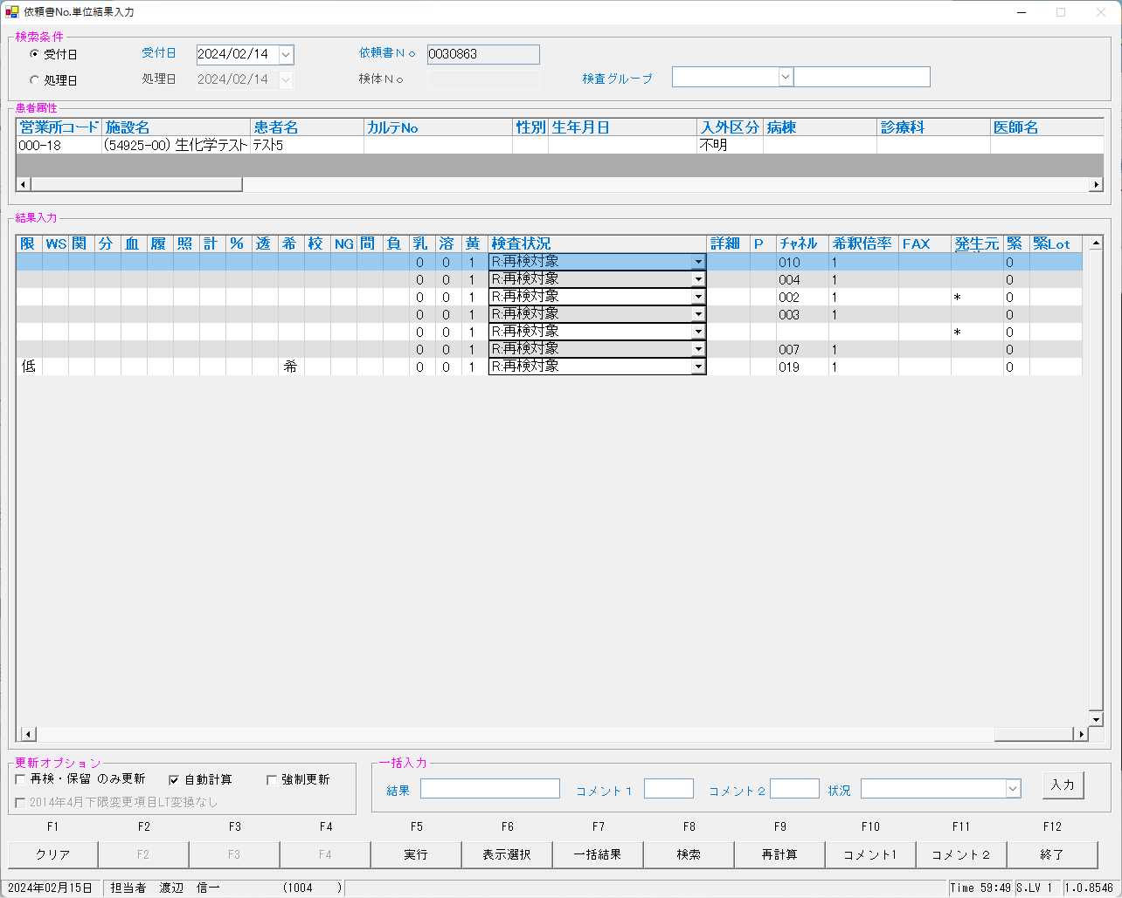
 | select * from KEKKA where irino like '00003086300' order by kmkcd,knssu;

 | ■再検後の照合NG画面

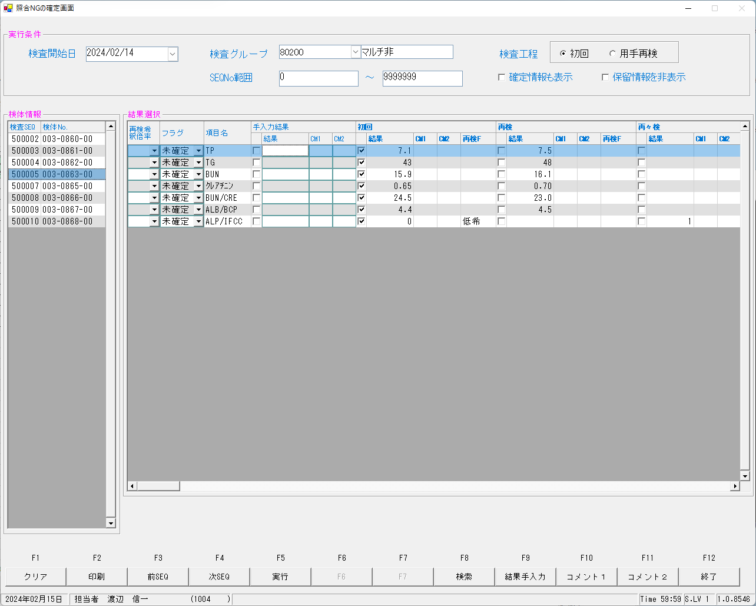

 | ■再測定後



 | ■再測定再検後の照合NG画面



 | ■確定報告後
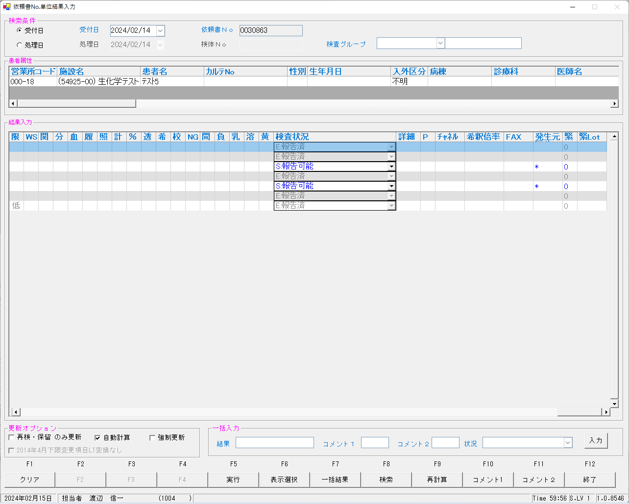


 | select * from KEKKA where irino like '00003086300' order by kmkcd,knssu;
検査結果 | KNSKISYMD | SRIYMD | KNTNO | KNTKETFLG | KNSGRP | KMKCD | KNSSU | KNSSUEDA | IRIHSMKBN | IRIKBN | KSKTKBN | UTKYMD | IRINO | IRIKETFLG | ZSSDINO | SSTCD | TRID | TRPOS | ASYRCKID | ASYRCKPOS | OYAKMKCD | SECCD | BKFKKBN | SMPCD | BSKKBN | BSKLNE | BSKGOK | BSKSEQ | BSKERRSTS | SKTDH | NBKMKCD | TSTRFLG | ZRCD | YSNLBL | KJNO
確定 | 2024-02-14 | 2024-02-14 | 00003086300 |  | 80200 | 0000401 | 0 | 0 | 0 | A | A | 2024-02-14 | 00003086300 |  | 0 | 5492500 | 2MLT0040 | 5 | 52741 | 5 | 0000401 | A | 0 | 0054 |  |  |  | 0 |  | 2024-02-15 |  | R | 023 | 00 | 001
初回 | 2024-02-14 | 2024-02-14 | 00003086300 |  | 80200 | 0000401 | 1 | 0 | 0 | A | A | 2024-02-14 | 00003086300 |  | 0 | 5492500 | 2MLT0040 | 5 | 52741 | 5 | 0000401 | A | 0 | 0054 | BIOM | 23 | 230400 | 6005 |  | 2024-02-15 | 010 | R | 023 | 00 | 001
再検 | 2024-02-14 | 2024-02-14 | 00003086300 |  | 80200 | 0000401 | 2 | 0 | 0 | A | K | 2024-02-14 | 00003086300 |  | 0 | 5492500 | 2MLT0041 | 4 | 54289 | 4 | 0000401 | A | 0 | 0054 | LABO | 06 | 060402 | 6009 | 0 | 2024-02-15 | 10 | R | 023 | 00 | 001
再測定 | 2024-02-14 | 2024-02-14 | 00003086300 |  | 80200 | 0000401 | 3 | 0 | 0 | A | A | 2024-02-14 | 00003086300 |  | 0 | 5492500 | 2MLT0040 | 5 | 52741 | 5 | 0000401 | A | 0 | 0054 | LABO | 06 | 060202 | 6025 | 0 | 2024-02-15 | 10 | R | 023 | 00 | 001
再測定再検 | 2024-02-14 | 2024-02-14 | 00003086300 |  | 80200 | 0000401 | 4 | 0 | 0 | A | K | 2024-02-14 | 00003086300 |  | 0 | 5492500 | 2MLT0043 | 4 | 53645 | 4 | 0000401 | A | 0 | 0054 | LABO | 06 | 060402 | 6029 | 0 | 2024-02-15 | 10 | R | 023 | 00 | 001
確定 | 2024-02-14 | 2024-02-14 | 00003086300 |  | 80200 | 0000409 | 0 | 0 | 2 | A | A | 2024-02-14 | 00003086300 |  | 0 | 5492500 | 2MLT0040 | 5 | 52741 | 5 | 0000409 | A | 0 | 0054 |  |  |  | 0 |  | 2024-02-15 |  | R | 023 | 00 | 005
初回 | 2024-02-14 | 2024-02-14 | 00003086300 |  | 80200 | 0000409 | 1 | 0 | 2 | A | A | 2024-02-14 | 00003086300 |  | 0 | 5492500 | 2MLT0040 | 5 | 52741 | 5
...

0030864
 | ■初回


 | select * from KEKKA where irino like '00003086800' order by kmkcd,knssu;

 | ■再測定後




 | ■確定報告後
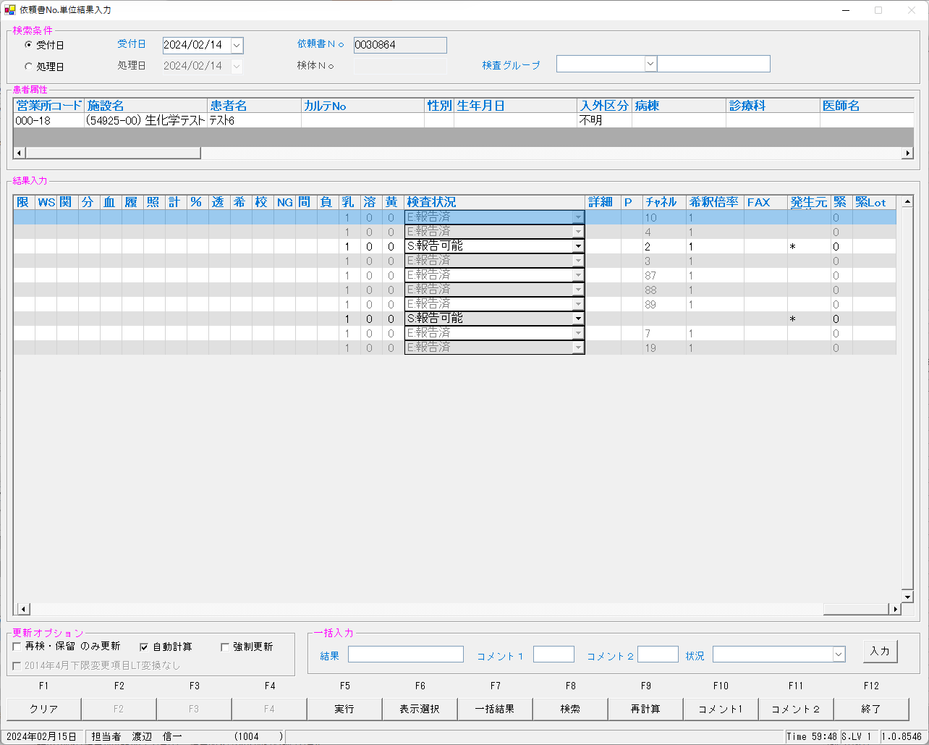
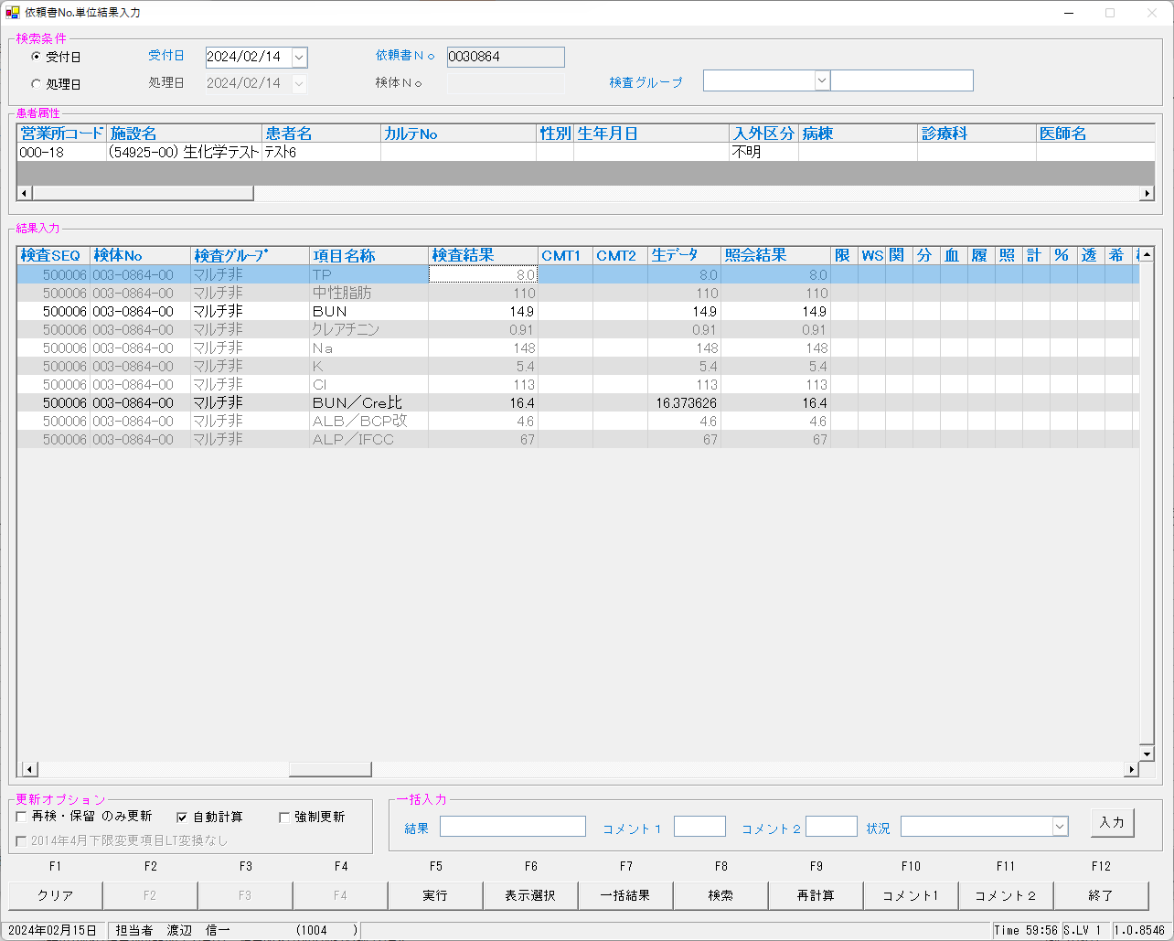

 | select * from KEKKA where irino like '00003086400' order by kmkcd,knssu;
検査結果 | KNSKISYMD | SRIYMD | KNTNO | KNTKETFLG | KNSGRP | KMKCD | KNSSU | KNSSUEDA | IRIHSMKBN | IRIKBN | KSKTKBN | UTKYMD | IRINO | IRIKETFLG | ZSSDINO | SSTCD | TRID | TRPOS | ASYRCKID | ASYRCKPOS | OYAKMKCD | SECCD | BKFKKBN | SMPCD | BSKKBN | BSKLNE | BSKGOK | BSKSEQ | BSKERRSTS | SKTDH | NBKMKCD | TSTRFLG | ZRCD | YSNLBL | KJNO
初回 | 2024-02-14 | 2024-02-14 | 00003086400 |  | 80200 | 0000401 | 1 | 0 | 0 | A | A | 2024-02-14 | 00003086400 |  | 0 | 5492500 | 2MLT0040 | 6 | 51220 | 1 | 0000401 | A | 0 | 0054 | LABO | 06 | 060202 | 6001 | 0 | 2024-02-15 | 10 | R | 023 | 00 | 001
再測定 | 2024-02-14 | 2024-02-14 | 00003086400 |  | 80200 | 0000401 | 2 | 0 | 0 | A | A | 2024-02-14 | 00003086400 |  | 0 | 5492500 | 2MLT0040 | 6 | 51220 | 1 | 0000401 | A | 0 | 0054 | LABO | 06 | 060402 | 6016 | 0 | 2024-02-15 | 10 | R | 023 | 00 | 001
初回 | 2024-02-14 | 2024-02-14 | 00003086400 |  | 80200 | 0000409 | 1 | 0 | 2 | A | A | 2024-02-14 | 00003086400 |  | 0 | 5492500 | 2MLT0040 | 6 | 51220 | 1 | 0000409 | A | 0 | 0054 | LABO | 06 | 060101 | 6001 | 0 | 2024-02-15 | 2 | R | 023 | 00 | 005
再測定 | 2024-02-14 | 2024-02-14 | 00003086400 |  | 80200 | 0000409 | 2 | 0 | 2 | A | A | 2024-02-14 | 00003086400 |  | 0 | 5492500 | 2MLT0040 | 6 | 51220 | 1 | 0000409 | A | 0 | 0054 | LABO | 06 | 060301 | 6016 | 0 | 2024-02-15 | 2 | R | 023 | 00 | 005
初回 | 2024-02-14 | 2024-02-14 | 00003086400 |  | 80200 | 0000413 | 1 | 0 | 0 | A | A | 2024-02-14 | 00003086400 |  | 0 | 5492500 | 2MLT0040 | 6 | 51220 | 1 | 0000413 | A | 0 | 0054 | LABO | 06 | 060201 | 6001 | 0 | 2024-02-15 | 3 | R | 023 | 00 | 009
再測定 | 2024-02-14 | 2024-02-14 | 00003086400 |  | 80200 | 0000413 | 2 | 0 | 0 | A | A | 2024-02-14 | 00003086400 |  | 0 | 5492500 | 2MLT0040 | 6 | 51220 | 1 | 0000413 | A | 0 | 0054 | LABO | 06 | 060401 | 6016 | 0 | 2024-02-15 | 3 | R | 023 | 00 | 009
初回 | 2024-02-14 | 2024-02-14 | 00003086400 |  | 80200 | 0000417 | 1 | 0 | 0 | A | A | 2024-02-14 | 00003086400 |  | 0 | 5492500 | 2MLT0040 | 6 | 51220 | 1 | 0000417 | A | 0 | 0054 | LABO | 06 | 060201 | 6001 | 0 | 2024-02-15 | 7 | R | 023 | 00 | 001
...

0030865
 | ■初回
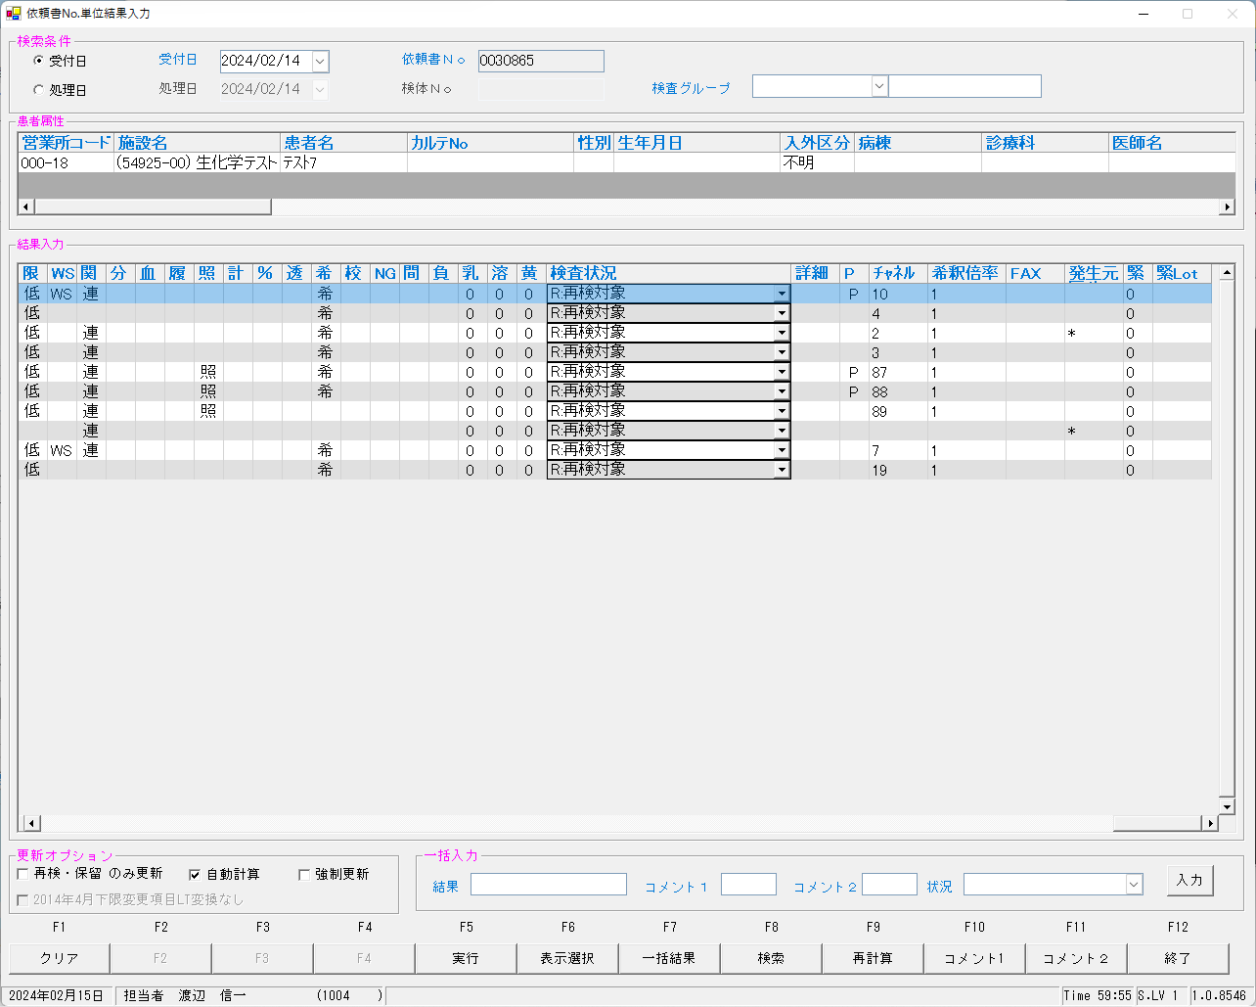
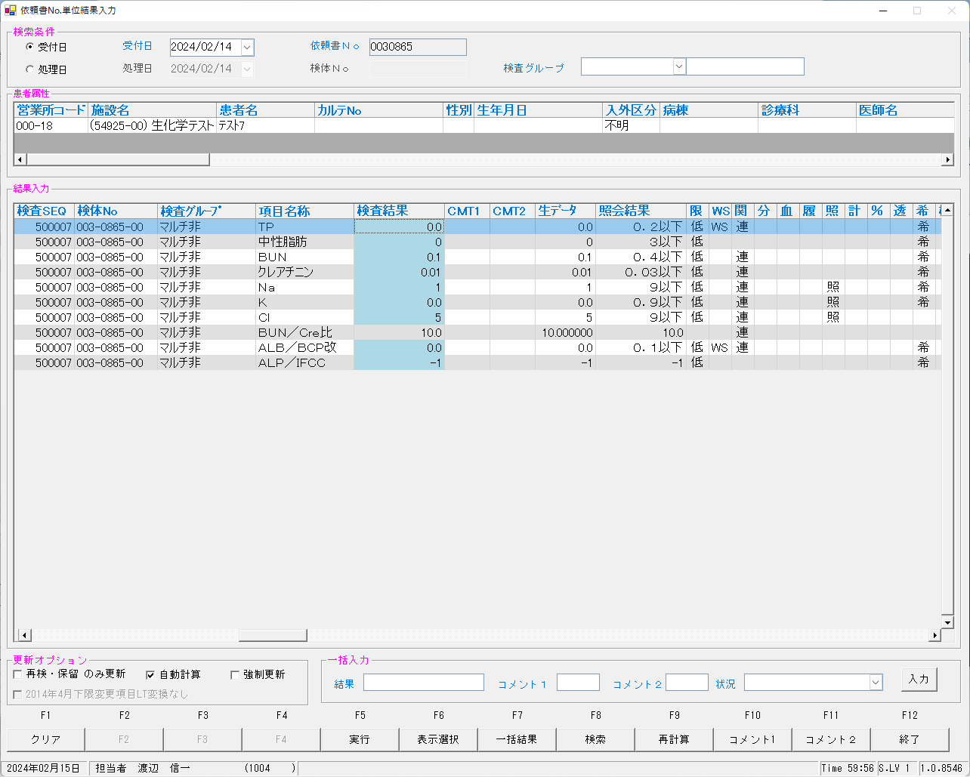
 | select * from KEKKA where irino like '00003086500' order by kmkcd,knssu;

 | ■再検後の照合NG画面

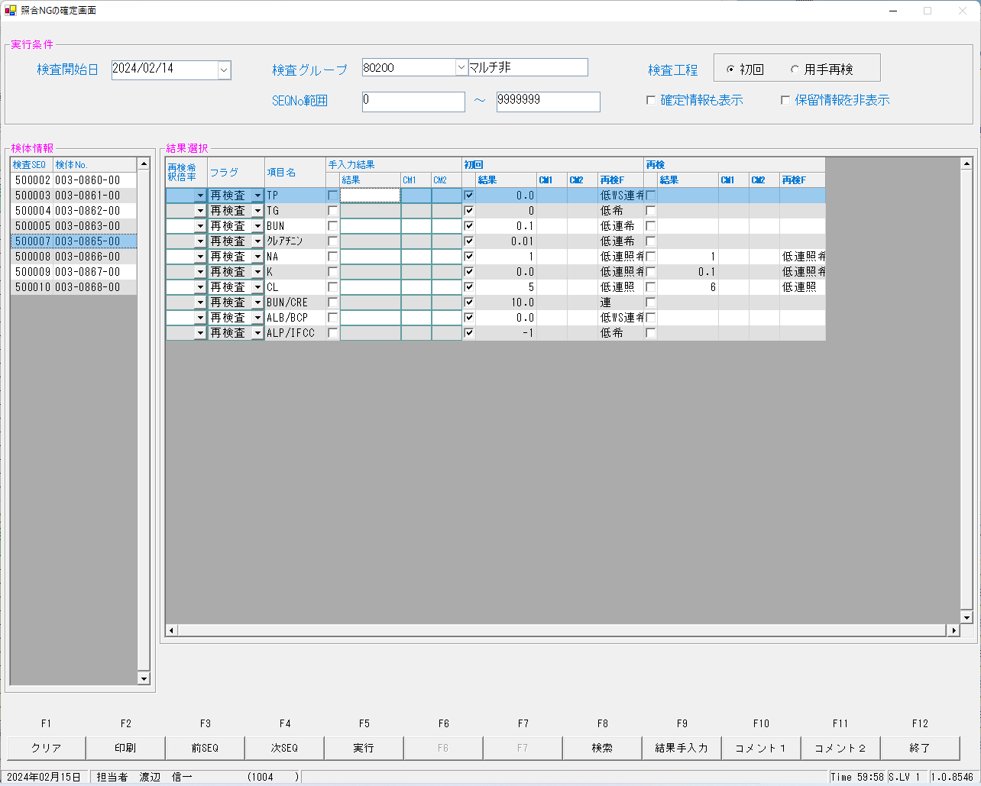
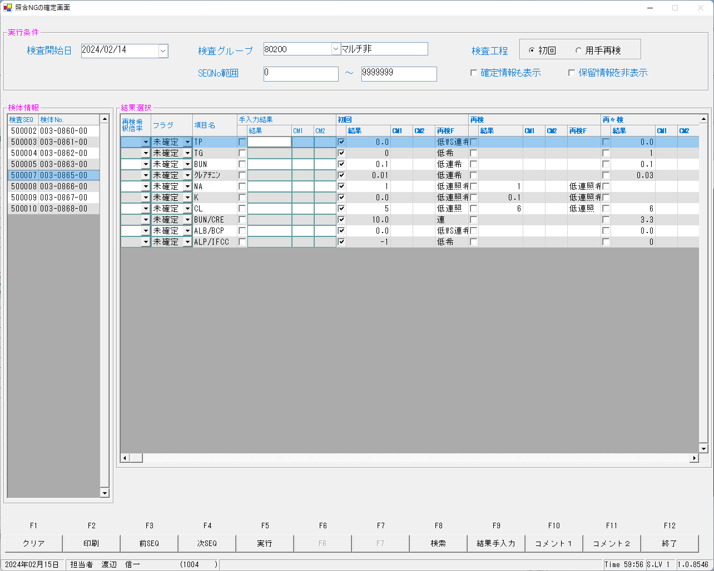

 | ■再測定後

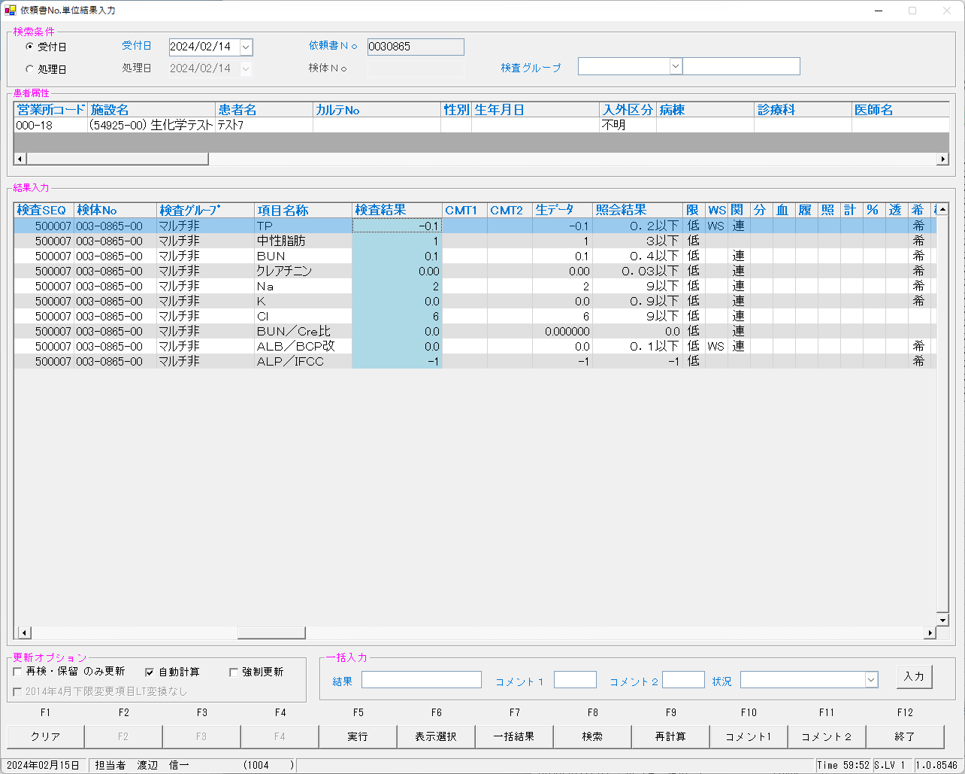
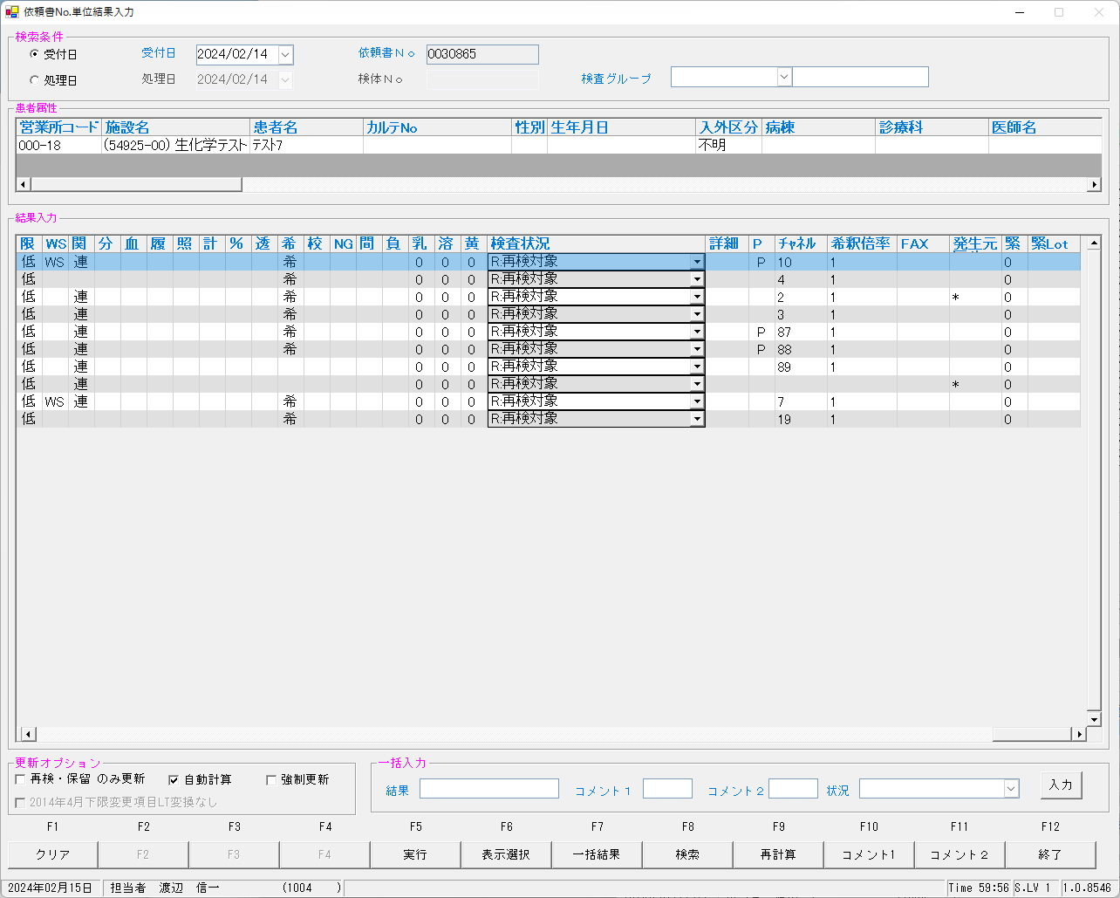

 | ■再測定再検後の照合NG画面 記憶漏れ

 | ■確定報告後

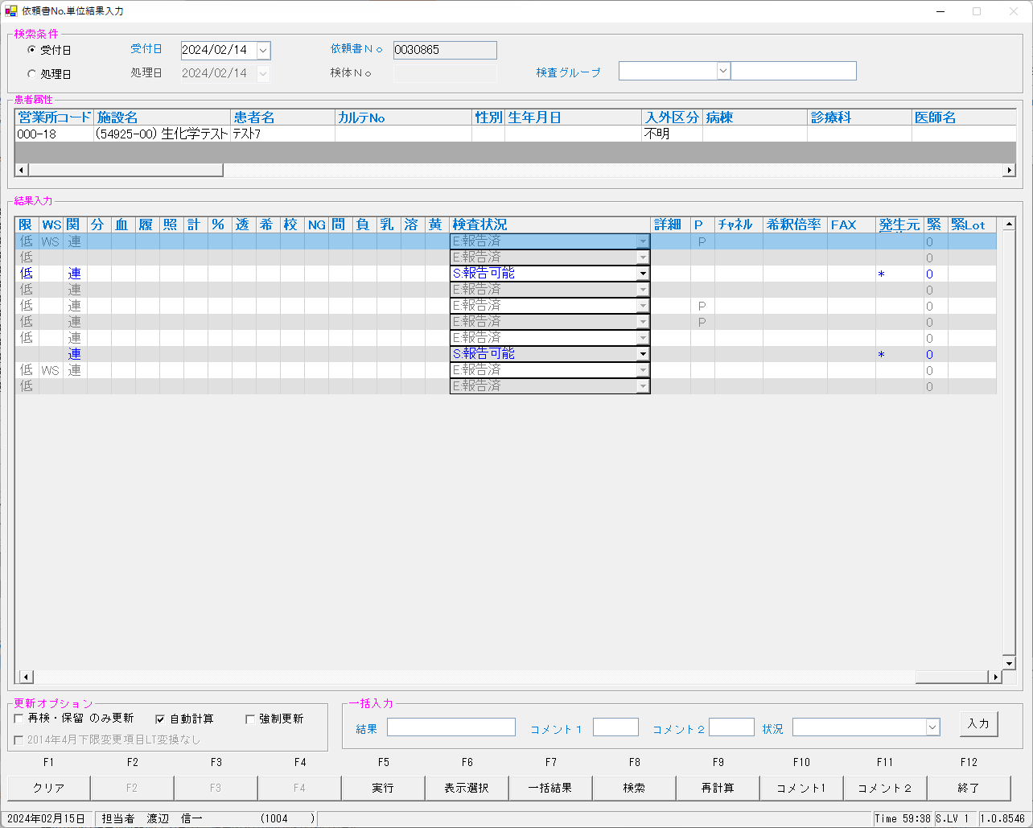

 | select * from KEKKA where irino like '00003086500' order by kmkcd,knssu;
検査結果 | KNSKISYMD | SRIYMD | KNTNO | KNTKETFLG | KNSGRP | KMKCD | KNSSU | KNSSUEDA | IRIHSMKBN | IRIKBN | KSKTKBN | UTKYMD | IRINO | IRIKETFLG | ZSSDINO | SSTCD | TRID | TRPOS | ASYRCKID | ASYRCKPOS | OYAKMKCD | SECCD | BKFKKBN | SMPCD | BSKKBN | BSKLNE | BSKGOK | BSKSEQ | BSKERRSTS | SKTDH | NBKMKCD | TSTRFLG | ZRCD | YSNLBL | KJNO
確定 | 2024-02-14 | 2024-02-14 | 00003086500 |  | 80200 | 0000401 | 0 | 0 | 0 | A | A | 2024-02-14 | 00003086500 |  | 0 | 5492500 | 2MLT0040 | 7 | 51220 | 2 | 0000401 | A | 0 | 0054 |  |  |  | 0 |  | 2024-02-15 |  | R | 023 | 00 | 001
初回 | 2024-02-14 | 2024-02-14 | 00003086500 |  | 80200 | 0000401 | 1 | 0 | 0 | A | A | 2024-02-14 | 00003086500 |  | 0 | 5492500 | 2MLT0040 | 7 | 51220 | 2 | 0000401 | A | 0 | 0054 | LABO | 06 | 060202 | 6002 | 0 | 2024-02-15 | 10 | R | 023 | 00 | 001
再検 | 2024-02-14 | 2024-02-14 | 00003086500 |  | 80200 | 0000401 | 2 | 0 | 0 | A | A | 2024-02-14 | 00003086500 |  | 0 | 5492500 | 2MLT0040 | 7 | 51220 | 2 | 0000401 | A | 0 | 0054 | LABO | 06 | 060402 | 6017 | 0 | 2024-02-15 | 10 | R | 023 | 00 | 001
再測定 | 2024-02-14 | 2024-02-14 | 00003086500 |  | 80200 | 0000401 | 3 | 0 | 0 | A | K | 2024-02-14 | 00003086500 |  | 0 | 5492500 | 2MLT0041 | 5 | 54289 | 5 | 0000401 | A | 0 | 0054 | LABO | 06 | 060402 | 6010 | 0 | 2024-02-15 | 10 | R | 023 | 00 | 001
再測定再検 | 2024-02-14 | 2024-02-14 | 00003086500 |  | 80200 | 0000401 | 5 | 0 | 0 | A | K | 2024-02-14 | 00003086500 |  | 0 | 5492500 | 2MLT0043 | 5 | 53645 | 5 | 0000401 | A | 0 | 0054 | LABO | 06 | 060402 | 6030 | 0 | 2024-02-15 | 10 | R | 023 | 00 | 001
確定 | 2024-02-14 | 2024-02-14 | 00003086500 |  | 80200 | 0000409 | 0 | 0 | 2 | A | A | 2024-02-14 | 00003086500 |  | 0 | 5492500 | 2MLT0040 | 7 | 51220 | 2 | 0000409 | A | 0 | 0054 |  |  |  | 0 |  | 2024-02-15 |  | R | 023 | 00 | 005
...

0030866
 | ■初回

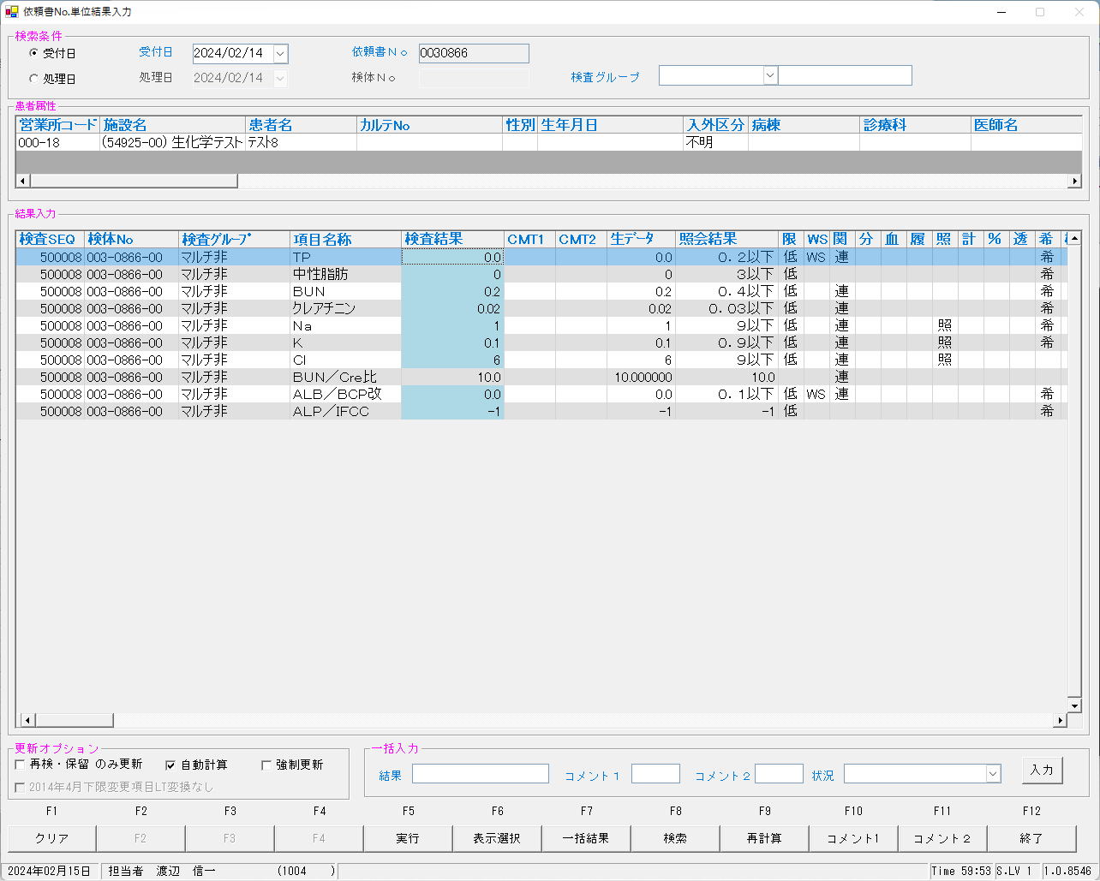
 | select * from KEKKA where irino like '00003086600' order by kmkcd,knssu;

 | ■再検後の照合NG画面

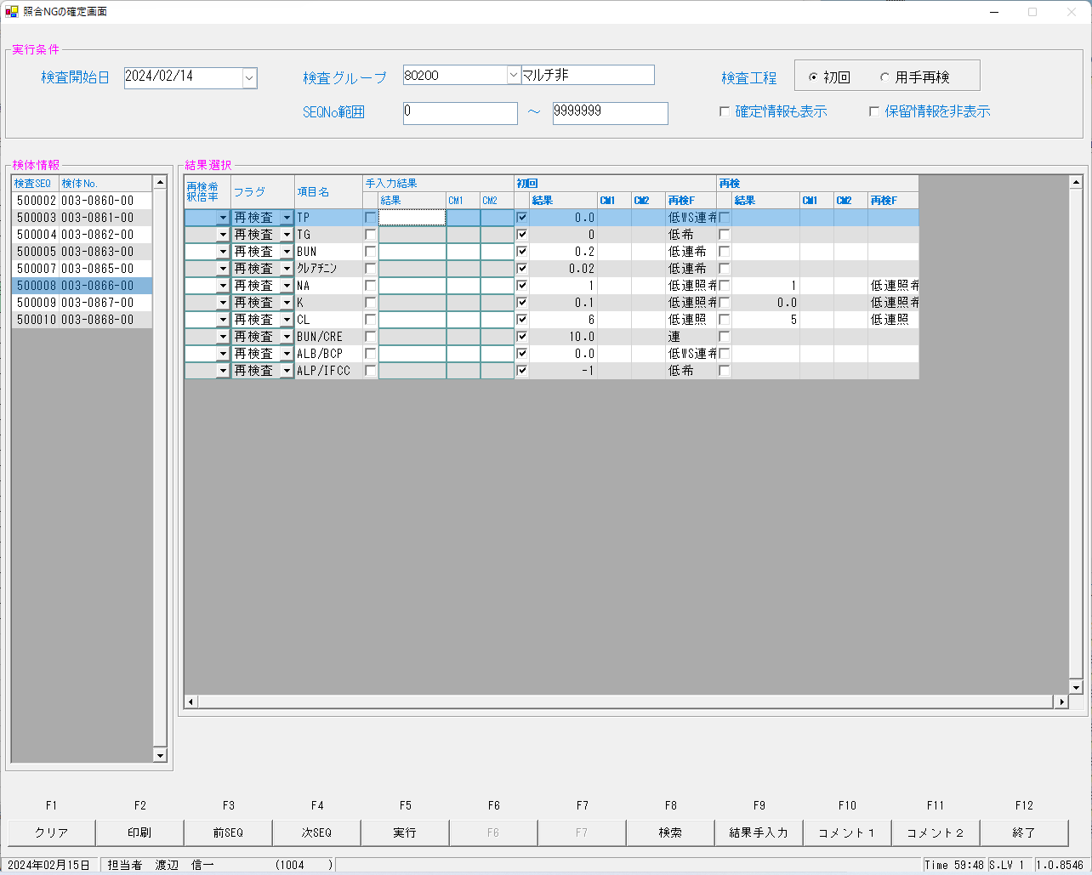
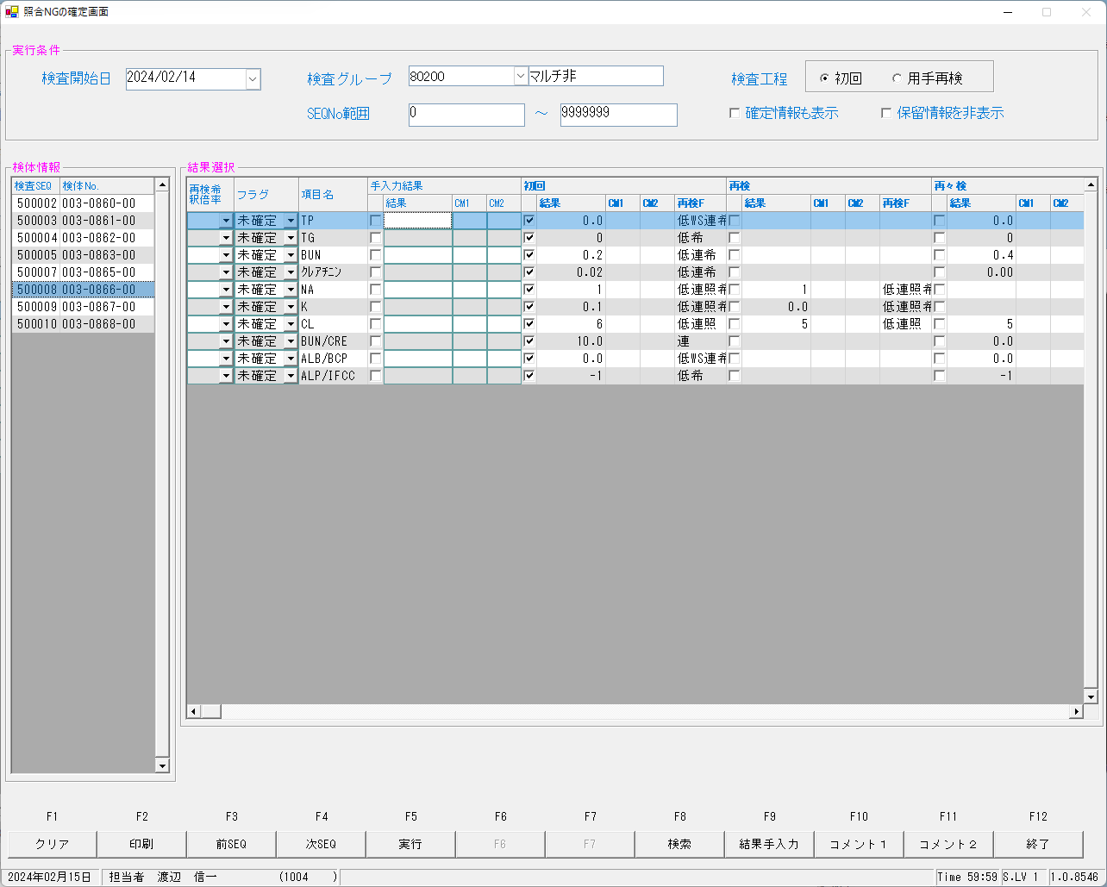

 | ■再測定後




 | ■再測定再検後の照合NG画面

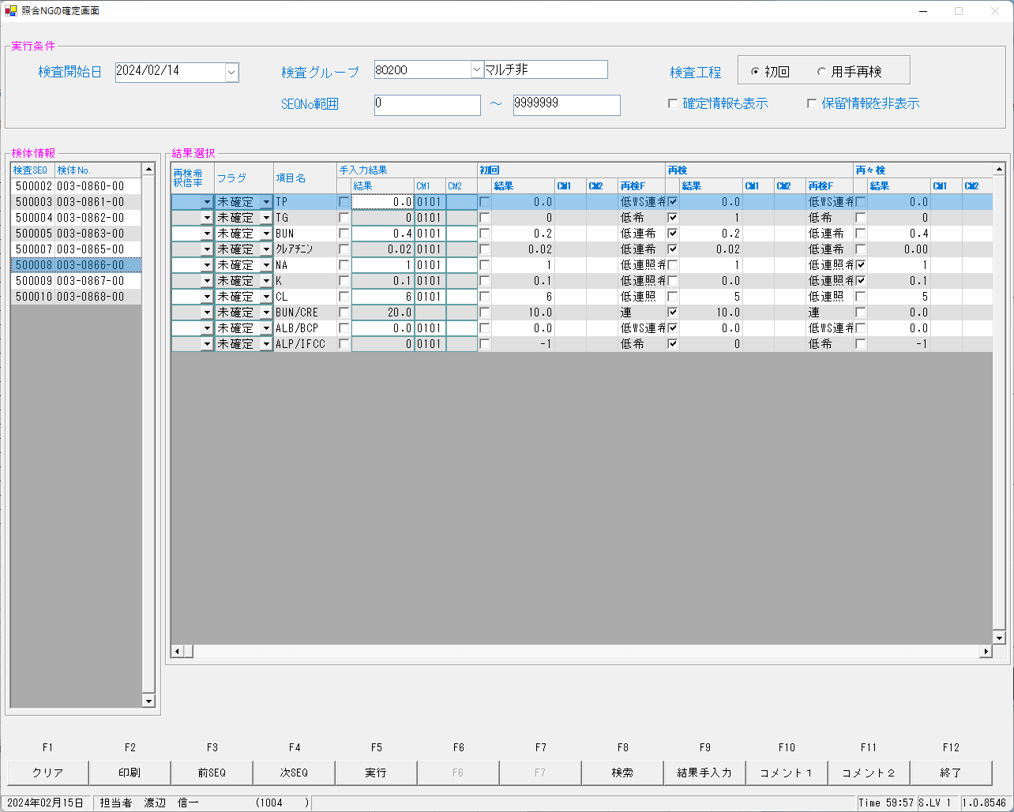

 | ■確定報告後


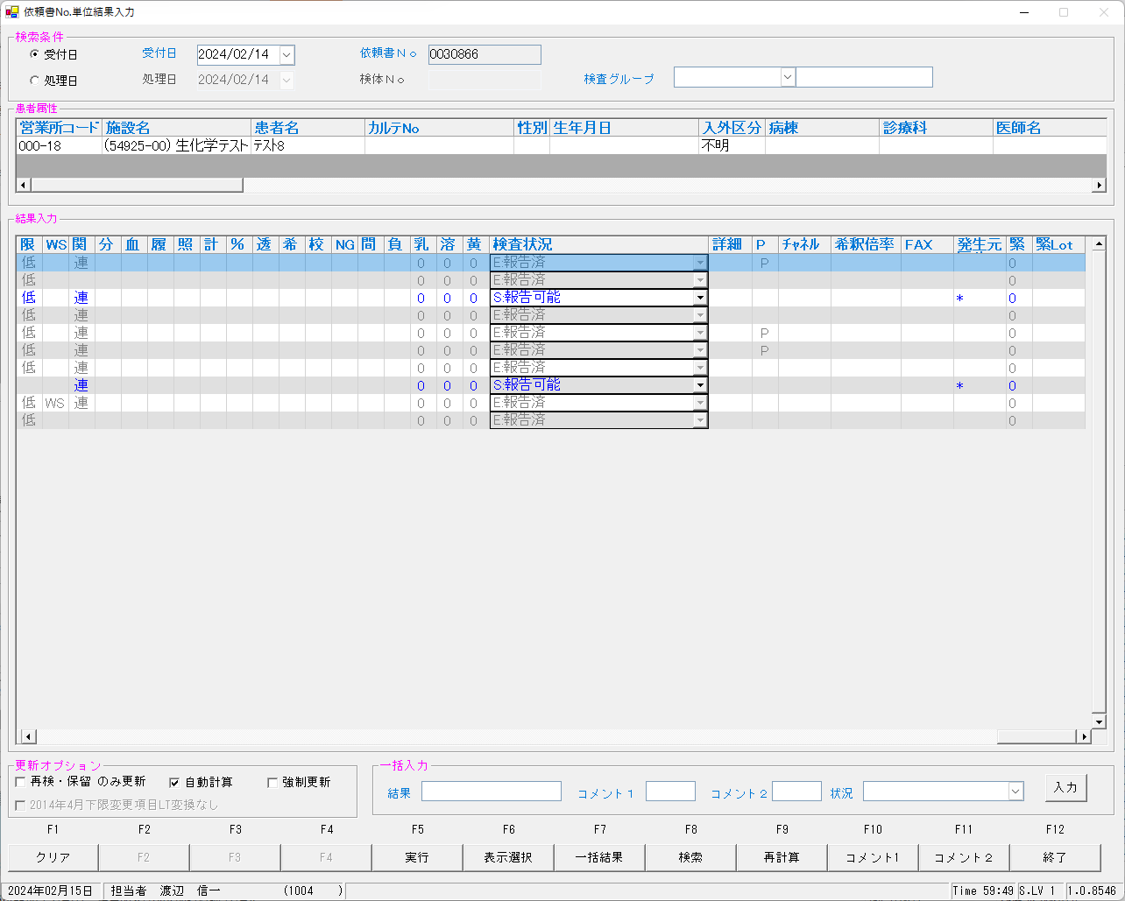

 | select * from KEKKA where irino like '00003086600' order by kmkcd,knssu;
検査結果 | KNSKISYMD | SRIYMD | KNTNO | KNTKETFLG | KNSGRP | KMKCD | KNSSU | KNSSUEDA | IRIHSMKBN | IRIKBN | KSKTKBN | UTKYMD | IRINO | IRIKETFLG | ZSSDINO | SSTCD | TRID | TRPOS | ASYRCKID | ASYRCKPOS | OYAKMKCD | SECCD | BKFKKBN | SMPCD | BSKKBN | BSKLNE | BSKGOK | BSKSEQ | BSKERRSTS | SKTDH | NBKMKCD | TSTRFLG | ZRCD | YSNLBL | KJNO
確定 | 2024-02-14 | 2024-02-14 | 00003086600 |  | 80200 | 0000401 | 0 | 0 | 0 | A | A | 2024-02-14 | 00003086600 |  | 0 | 5492500 | 2MLT0040 | 8 | 51220 | 3 | 0000401 | A | 0 | 0054 |  |  |  | 0 |  | 2024-02-15 |  | R | 023 | 00 | 001
初回 | 2024-02-14 | 2024-02-14 | 00003086600 |  | 80200 | 0000401 | 1 | 0 | 0 | A | A | 2024-02-14 | 00003086600 |  | 0 | 5492500 | 2MLT0040 | 8 | 51220 | 3 | 0000401 | A | 0 | 0054 | LABO | 06 | 060202 | 6003 | 0 | 2024-02-15 | 10 | R | 023 | 00 | 001
再検 | 2024-02-14 | 2024-02-14 | 00003086600 |  | 80200 | 0000401 | 2 | 0 | 0 | A | A | 2024-02-14 | 00003086600 |  | 0 | 5492500 | 2MLT0040 | 8 | 51220 | 3 | 0000401 | A | 0 | 0054 | LABO | 06 | 060402 | 6018 | 0 | 2024-02-15 | 10 | R | 023 | 00 | 001
再測定 | 2024-02-14 | 2024-02-14 | 00003086600 |  | 80200 | 0000401 | 3 | 0 | 0 | A | K | 2024-02-14 | 00003086600 |  | 0 | 5492500 | 2MLT0041 | 6 | 53951 | 1 | 0000401 | A | 0 | 0054 | LABO | 06 | 060202 | 6011 | 0 | 2024-02-15 | 10 | R | 023 | 00 | 001
再測定再検 | 2024-02-14 | 2024-02-14 | 00003086600 |  | 80200 | 0000401 | 5 | 0 | 0 | A | K | 2024-02-14 | 00003086600 |  | 0 | 5492500 | 2MLT0043 | 6 | 52463 | 1 | 0000401 | A | 0 | 0054 | LABO | 06 | 060202 | 6031 | 0 | 2024-02-15 | 10 | R | 023 | 00 | 001
確定 | 2024-02-14 | 2024-02-14 | 00003086600 |  | 80200 | 0000409 | 0 | 0 | 2 | A | A | 2024-02-14 | 00003086600 |  | 0 | 5492500 | 2MLT0040 | 8 | 51220 | 3 | 0000409 | A | 0 | 0054 |  |  |  | 0 |  | 2024-02-15 |  | R | 023 | 00 | 005
初回 | 2024-02-14 | 2024-02-14 | 00003086600 |  | 80200 | 0000409 | 1 | 0 | 2 | A | A | 2024-02-14 | 00003086600 |  | 0 | 5492500 | 2MLT0040 | 8 | 51220 | 3 | 0000409 | A | 0 | 0054 | LABO | 06 | 060101 | 6003 | 0 | 2024-02-15 | 2 | R | 023 | 00 | 005
...

0030867
 | ■初回




 | select * from KEKKA where irino like '00003086700' order by kmkcd,knssu;

 | ■再検後の照合NG画面



 | ■再測定後



 | ■確定報告後



 | 確定報告後




 | select * from KEKKA where irino like '00003086700' order by kmkcd,knssu;
検査結果 | KNSKISYMD | SRIYMD | KNTNO | KNTKETFLG | KNSGRP | KMKCD | KNSSU | KNSSUEDA | IRIHSMKBN | IRIKBN | KSKTKBN | UTKYMD | IRINO | IRIKETFLG | ZSSDINO | SSTCD | TRID | TRPOS | ASYRCKID | ASYRCKPOS | OYAKMKCD | SECCD | BKFKKBN | SMPCD | BSKKBN | BSKLNE | BSKGOK | BSKSEQ | BSKERRSTS | SKTDH | NBKMKCD | TSTRFLG | ZRCD | YSNLBL | KJNO
確定 | 2024-02-14 | 2024-02-14 | 00003086700 |  | 80200 | 0000401 | 0 | 0 | 0 | A | A | 2024-02-14 | 00003086700 |  | 0 | 5492500 | 2MLT0040 | 9 | 51220 | 4 | 0000401 | A | 0 | 0054 |  |  |  | 0 |  | 2024-02-15 |  | R | 023 | 00 | 001
初回 | 2024-02-14 | 2024-02-14 | 00003086700 |  | 80200 | 0000401 | 1 | 0 | 0 | A | A | 2024-02-14 | 00003086700 |  | 0 | 5492500 | 2MLT0040 | 9 | 51220 | 4 | 0000401 | A | 0 | 0054 | LABO | 06 | 060202 | 6004 | 0 | 2024-02-15 | 10 | R | 023 | 00 | 001
再検 | 2024-02-14 | 2024-02-14 | 00003086700 |  | 80200 | 0000401 | 2 | 0 | 0 | A | K | 2024-02-14 | 00003086700 |  | 0 | 5492500 | 2MLT0041 | 7 | 53951 | 2 | 0000401 | A | 0 | 0054 | LABO | 06 | 060202 | 6012 | 0 | 2024-02-15 | 10 | R | 023 | 00 | 001
再測定 | 2024-02-14 | 2024-02-14 | 00003086700 |  | 80200 | 0000401 | 3 | 0 | 0 | A | A | 2024-02-14 | 00003086700 |  | 0 | 5492500 | 2MLT0040 | 9 | 51220 | 4 | 0000401 | A | 0 | 0054 | LABO | 06 | 060402 | 6019 | 0 | 2024-02-15 | 10 | R | 023 | 00 | 001
再測定再検 | 2024-02-14 | 2024-02-14 | 00003086700 |  | 80200 | 0000401 | 4 | 0 | 0 | A | K | 2024-02-14 | 00003086700 |  | 0 | 5492500 | 2MLT0043 | 7 | 52463 | 2 | 0000401 | A | 0 | 0054 | LABO | 06 | 060202 | 6032 | 0 | 2024-02-15 | 10 | R | 023 | 00 | 001
確定 | 2024-02-14 | 2024-02-14 | 00003086700 |  | 80200 | 0000409 | 0 | 0 | 2 | A | A | 2024-02-14 | 00003086700 |  | 0 | 5492500 | 2MLT0040 | 9 | 51220 | 4 | 0000409 | A | 0 | 0054 |  |  |  | 0 |  | 2024-02-15 |  | R | 023 | 00 | 005
初回 | 2024-02-14 | 2024-02-14 | 00003086700 |  | 80200 | 0000409 | 1 | 0 | 2 | A | A | 2024-02-14 | 00003086700 |  | 0 | 5492500 | 2MLT0040 | 9 | 51220 | 4 | 0000409 | A | 0 | 0054 | LABO | 06 | 060101 | 6004 | 0 | 2024-02-15 | 2 | R | 023 | 00 | 005
...

0030868
 | ■初回



 | ■再検後の照合NG画面


 | ■再測定後



 | ■確定報告後



 | 確定報告後




 | select * from KEKKA where irino like '00003086800' order by kmkcd,knssu;
検査結果 | KNSKISYMD | SRIYMD | KNTNO | KNTKETFLG | KNSGRP | KMKCD | KNSSU | KNSSUEDA | IRIHSMKBN | IRIKBN | KSKTKBN | UTKYMD | IRINO | IRIKETFLG | ZSSDINO | SSTCD | TRID | TRPOS | ASYRCKID | ASYRCKPOS | OYAKMKCD | SECCD | BKFKKBN | SMPCD | BSKKBN | BSKLNE | BSKGOK | BSKSEQ | BSKERRSTS | SKTDH | NBKMKCD | TSTRFLG | ZRCD | YSNLBL | KJNO
確定 | 2024-02-14 | 2024-02-14 | 00003086800 |  | 80200 | 0000401 | 0 | 0 | 0 | A | A | 2024-02-14 | 00003086800 |  | 0 | 5492500 | 2MLT0040 | 10 | 51220 | 5 | 0000401 | A | 0 | 0054 |  |  |  | 0 |  | 2024-02-15 |  | R | 023 | 00 | 001
初回 | 2024-02-14 | 2024-02-14 | 00003086800 |  | 80200 | 0000401 | 1 | 0 | 0 | A | A | 2024-02-14 | 00003086800 |  | 0 | 5492500 | 2MLT0040 | 10 | 51220 | 5 | 0000401 | A | 0 | 0054 | LABO | 06 | 060202 | 6005 | 0 | 2024-02-15 | 10 | R | 023 | 00 | 001
再検 | 2024-02-14 | 2024-02-14 | 00003086800 |  | 80200 | 0000401 | 2 | 0 | 0 | A | K | 2024-02-14 | 00003086800 |  | 0 | 5492500 | 2MLT0041 | 8 | 53951 | 3 | 0000401 | A | 0 | 0054 | LABO | 06 | 060202 | 6013 | 0 | 2024-02-15 | 10 | R | 023 | 00 | 001
再測定 | 2024-02-14 | 2024-02-14 | 00003086800 |  | 80200 | 0000401 | 3 | 0 | 0 | A | A | 2024-02-14 | 00003086800 |  | 0 | 5492500 | 2MLT0040 | 10 | 51220 | 5 | 0000401 | A | 0 | 0054 | LABO | 06 | 060402 | 6020 | 0 | 2024-02-15 | 10 | R | 023 | 00 | 001
再測定再検 | 2024-02-14 | 2024-02-14 | 00003086800 |  | 80200 | 0000401 | 4 | 0 | 0 | A | K | 2024-02-14 | 00003086800 |  | 0 | 5492500 | 2MLT0043 | 8 | 52463 | 3 | 0000401 | A | 0 | 0054 | LABO | 06 | 060202 | 6033 | 0 | 2024-02-15 | 10 | R | 023 | 00 | 001
確定 | 2024-02-14 | 2024-02-14 | 00003086800 |  | 80200 | 0000409 | 0 | 0 | 2 | A | A | 2024-02-14 | 00003086800 |  | 0 | 5492500 | 2MLT0040 | 10 | 51220 | 5 | 0000409 | A | 0 | 0054 |  |  |  | 0 |  | 2024-02-15 |  | R | 023 | 00 | 005
初回 | 2024-02-14 | 2024-02-14 | 00003086800 |  | 80200 | 0000409 | 1 | 0 | 2 | A | A | 2024-02-14 | 00003086800 |  | 0 | 5492500 | 2MLT0040 | 10 | 51220 | 5 | 0000409 | A | 0 | 0054 | LABO | 06 | 060101 | 6005 | 0 | 2024-02-15 | 2 | R | 023 | 00 | 005
...

BIOM


...
Version:0.9 StartHTML:00000097 EndHTML:00143420 StartFragment:00000120 EndFragment:00143398
2024-02-08 | 2024-02-08 | 00417605802 |  | 0054 | 0000481 | 1 | 0 | 0 | A | A | 2024-02-08 | 00417605800 |  | 0 | 4080900 | 1MLT0678 | 91 | 66985 | 1 | 0000481 | A | 0 | 0054 | BIOM | 13 | 130500 | 1291 |  | 2024-02-09 | 021 | R | 023 | 00
2024-02-08 | 2024-02-08 | 00417605802 |  | 0054 | 0000482 | 1 | 0 | 0 | A | A | 2024-02-08 | 00417605800 |  | 0 | 4080900 | 1MLT0678 | 91 | 66985 | 1 | 0000482 | A | 0 | 0054 | BIOM | 13 | 130500 | 1291 |  | 2024-02-09 | 022 | R | 023 | 00
2024-02-08 | 2024-02-08 | 00417605802 |  | 0054 | 0000484 | 1 | 0 | 0 | A | A | 2024-02-08 | 00417605800 |  | 0 | 4080900 | 1MLT0678 | 91 | 66985 | 1 | 0000484 | A | 0 | 0054 | BIOM | 13 | 130300 | 1291 |  | 2024-02-09 | 023 | R | 023 | 00
2024-02-08 | 2024-02-08 | 00417605802 |  | 0054 | 0000658 | 1 | 0 | 0 | A | A | 2024-02-08 | 00417605800 |  | 0 | 4080900 | 1MLT0678 | 91 | 66985 | 1 | 0000658 | A | 0 | 0054 | BIOM | 13 | 130300 | 1291 |  | 2024-02-09 | 032 | R | 023 | 00
2024-02-08 | 2024-02-08 | 00417605802 |  | 0054 | 0013067 | 1 | 0 | 0 | A | A | 2024-02-08 | 00417605800 |  | 0 | 4080900 | 1MLT0678 | 91 | 66985 | 1 | 0013067 | A | 0 | 0054 | BIOM | 13 | 130100 | 1291 | i | 2024-02-09 | 019 | R | 023 | 00
2024-02-08 | 2024-02-08 | 00417605802 |  | 0054 | 0013067 | 2 | 0 | 0 | A | K | 2024-02-08 | 00417605800 |  | 0 | 4080900 | 1MLT0678 | 91 | 66985 | 1 | 0013067 | A | 0 | 0054 | BIOM | 13 | 130300 | 1291 |  | 2024-02-09 | 019 | R | 023 | 00
2024-02-08 | 2024-02-08 | 00417605802 |  | 0054 | 0900013 | 1 | 0 | 2 | A | A | 2024-02-08 | 00417605800 |  | 0 | 4080900 | 1MLT0678 | 91 | 66985 | 1 | 0900013 | A | 0 | 0054 | BIOM | 13 | 130100 | 1291 |  | 2024-02-09 |  | R | 023 | 00




Version:0.9 StartHTML:00000097 EndHTML:00208709 StartFragment:00000120 EndFragment:00208687
KNSKISYMD | SRIYMD | KNTNO | KNTKETFLG | KNSGRP | KMKCD | KNSSU | KNSSUEDA | IRIHSMKBN | IRIKBN | KSKTKBN | UTKYMD | IRINO | IRIKETFLG | ZSSDINO | SSTCD | TRID | TRPOS | ASYRCKID | ASYRCKPOS | OYAKMKCD | SECCD | BKFKKBN | SMPCD | BSKKBN | BSKLNE | BSKGOK | BSKSEQ | BSKERRSTS | SKTDH | NBKMKCD | TSTRFLG | ZRCD | YSNLBL
2024-02-08 | 2024-02-08 | 00417600902 |  | 0054 | 0000401 | 1 | 0 | 0 | A | A | 2024-02-08 | 00417600900 |  | 0 | 7278600 | 1MLT0678 | 97 | 61583 | 2 | 0000401 | A | 0 | 0054 | BIOM | 13 | 130400 | 1297 |  | 2024-02-09 | 010 | R | 023 | 00
2024-02-08 | 2024-02-08 | 00417600902 |  | 0054 | 0000407 | 1 | 0 | 0 | A | A | 2024-02-08 | 00417600900 |  | 0 | 7278600 | 1MLT0678 | 97 | 61583 | 2 | 0000407 | A | 0 | 0054 | BIOM | 13 | 130500 | 1297 |  | 2024-02-09 | 001 | R | 023 | 00
2024-02-08 | 2024-02-08 | 00417600902 |  | 0054 | 0000409 | 1 | 0 | 0 | A | A | 2024-02-08 | 00417600900 |  | 0 | 7278600 | 1MLT0678 | 97 | 61583 | 2 | 0000409 | A | 0 | 0054 | BIOM | 13 | 130100 | 1297 | i | 2024-02-09 | 002 | R | 023 | 00
2024-02-08 | 2024-02-08 | 00417600902 |  | 0054 | 0000409 | 2 | 0 | 0 | A | K | 2024-02-08 | 00417600900 |  | 0 | 7278600 | 1MLT0678 | 97 | 61583 | 2 | 0000409 | A | 0 | 0054 | BIOM | 13 | 130300 | 1297 |  | 2024-02-09 | 002 | R | 023 | 00
...
2024-02-08 | 2024-02-08 | 00417600902 |  | 0054 | 0000481 | 1 | 0 | 0 | A | A | 2024-02-08 | 00417600900 |  | 0 | 7278600 | 1MLT0678 | 97 | 61583 | 2 | 0000481 | A | 0 | 0054 | BIOM | 13 | 130500 | 1297 |  | 2024-02-09 | 021 | R | 023 | 00
2024-02-08 | 2024-02-08 | 00417600902 |  | 0054 | 0000482 | 1 | 0 | 0 | A | A | 2024-02-08 | 00417600900 |  | 0 | 7278600 | 1MLT0678 | 97 | 61583 | 2 | 0000482 | A | 0 | 0054 | BIOM | 13 | 130500 | 1297 |  | 2024-02-09 | 022 | R | 023 | 00
2024-02-08 | 2024-02-08 | 00417600902 |  | 0054 | 0000484 | 1 | 0 | 0 | A | A | 2024-02-08 | 00417600900 |  | 0 | 7278600 | 1MLT0678 | 97 | 61583 | 2 | 0000484 | A | 0 | 0054 | BIOM | 13 | 130100 | 1297 | i | 2024-02-09 | 023 | R | 023 | 00
2024-02-08 | 2024-02-08 | 00417600902 |  | 0054 | 0000484 | 2 | 0 | 0 | A | K | 2024-02-08 | 00417600900 |  | 0 | 7278600 | 1MLT0678 | 97 | 61583 | 2 | 0000484 | A | 0 | 0054 | BIOM | 13 | 130300 | 1297 |  | 2024-02-09 | 023 | R | 023 | 00
2024-02-08 | 2024-02-08 | 00417600902 |  | 0054 | 0000538 | 1 | 0 | 0 | A | A | 2024-02-08 | 00417600900 |  | 0 | 7278600 | 1MLT0678 | 97 | 61583 | 2 | 0000538 | A | 0 | 0054 | BIOM | 13 | 130100 | 1297 |  | 2024-02-09 |  | R | 023 | 00
2024-02-08 | 2024-02-08 | 00417600902 |  | 0054 | 0013067 | 1 | 0 | 0 | A | A | 2024-02-08 | 00417600900 |  | 0 | 7278600 | 1MLT0678 | 97 | 61583 | 2 | 0013067 | A | 0 | 0054 | BIOM | 13 | 130100 | 1297 | i | 2024-02-09 | 019 | R | 023 | 00
2024-02-08 | 2024-02-08 | 00417600902 |  | 0054 | 0013067 | 2 | 0 | 0 | A | K | 2024-02-08 | 00417600900 |  | 0 | 7278600 | 1MLT0678 | 97 | 61583 | 2 | 0013067 | A | 0 | 0054 | BIOM | 13 | 130300 | 1297 |  | 2024-02-09 | 019 | R | 023 | 00
2024-02-08 | 2024-02-08 | 00417600902 |  | 0054 | 0013380 | 1 | 0 | 0 | A | A | 2024-02-08 | 00417600900 |  | 0 | 7278600 | 1MLT0678 | 97 | 61583 | 2 | 0013380 | A | 0 | 0054 | BIOM | 13 | 130400 | 1297 |  | 2024-02-09 | 020 | R | 023 | 00
2024-02-08 | 2024-02-08 | 00417600902 |  | 0054 | 0900013 | 1 | 0 | 2 | A | A | 2024-02-08 | 00417600900 |  | 0 | 7278600 | 1MLT0678 | 97 | 61583 | 2 | 0900013 | A | 0 | 0054 | BIOM | 13 | 130100 | 1297 |  | 2024-02-09 |  | R | 023 | 00




Version:0.9 StartHTML:00000097 EndHTML:00192116 StartFragment:00000120 EndFragment:00192094
KNSKISYMD | SRIYMD | KNTNO | KNTKETFLG | KNSGRP | KMKCD | KNSSU | KNSSUEDA | IRIHSMKBN | IRIKBN | KSKTKBN | UTKYMD | IRINO | IRIKETFLG | ZSSDINO | SSTCD | TRID | TRPOS | ASYRCKID | ASYRCKPOS | OYAKMKCD | SECCD | BKFKKBN | SMPCD | BSKKBN | BSKLNE | BSKGOK | BSKSEQ | BSKERRSTS | SKTDH | NBKMKCD | TSTRFLG | ZRCD | YSNLBL
2024-02-08 | 2024-02-08 | 00417600302 |  | 0054 | 0000401 | 1 | 0 | 0 | A | A | 2024-02-08 | 00417600300 |  | 0 | 7278600 | 1MLT0678 | 88 | 72576 | 3 | 0000401 | A | 0 | 0054 | BIOM | 13 | 130100 | 1288 |  | 2024-02-09 | 010 | R | 023 | 00
2024-02-08 | 2024-02-08 | 00417600302 |  | 0054 | 0000407 | 1 | 0 | 0 | A | A | 2024-02-08 | 00417600300 |  | 0 | 7278600 | 1MLT0678 | 88 | 72576 | 3 | 0000407 | A | 0 | 0054 | BIOM | 13 | 130500 | 1288 |  | 2024-02-09 | 001 | R | 023 | 00
2024-02-08 | 2024-02-08 | 00417600302 |  | 0054 | 0000409 | 1 | 0 | 0 | A | A | 2024-02-08 | 00417600300 |  | 0 | 7278600 | 1MLT0678 | 88 | 72576 | 3 | 0000409 | A | 0 | 0054 | BIOM | 13 | 130300 | 1288 |  | 2024-02-09 | 002 | R | 023 | 00
2024-02-08 | 2024-02-08 | 00417600302 |  | 0054 | 0000410 | 1 | 0 | 0 | A | A | 2024-02-08 | 00417600300 |  | 0 | 7278600 | 1MLT0678 | 88 | 72576 | 3 | 0000410 | A | 0 | 0054 | BIOM | 13 | 130100 | 1288 | S | 2024-02-09 | 006 | R | 023 | 00
2024-02-08 | 2024-02-08 | 00417600302 |  | 0054 | 0000413 | 1 | 0 | 0 | A | A | 2024-02-08 | 00417600300 |  | 0 | 7278600 | 1MLT0678 | 88 | 72576 | 3 | 0000413 | A | 0 | 0054 | BIOM | 13 | 130100 | 1288 |  | 2024-02-09 | 003 | R | 023 | 00
2024-02-08 | 2024-02-08 | 00417600302 |  | 0054 | 0000417 | 1 | 0 | 0 | A | A | 2024-02-08 | 00417600300 |  | 0 | 7278600 | 1MLT0678 | 88 | 72576 | 3 | 0000417 | A | 0 | 0054 | BIOM | 13 | 130100 | 1288 |  | 2024-02-09 | 007 | R | 023 | 00
...
2024-02-08 | 2024-02-08 | 00417600302 |  | 0054 | 0000482 | 1 | 0 | 0 | A | A | 2024-02-08 | 00417600300 |  | 0 | 7278600 | 1MLT0678 | 88 | 72576 | 3 | 0000482 | A | 0 | 0054 | BIOM | 13 | 130200 | 1288 |  | 2024-02-09 | 022 | R | 023 | 00
2024-02-08 | 2024-02-08 | 00417600302 |  | 0054 | 0000484 | 1 | 0 | 0 | A | A | 2024-02-08 | 00417600300 |  | 0 | 7278600 | 1MLT0678 | 88 | 72576 | 3 | 0000484 | A | 0 | 0054 | BIOM | 13 | 130300 | 1288 |  | 2024-02-09 | 023 | R | 023 | 00
2024-02-08 | 2024-02-08 | 00417600302 |  | 0054 | 0000501 | 1 | 0 | 0 | A | A | 2024-02-08 | 00417600300 |  | 0 | 7278600 | 1MLT0678 | 88 | 72576 | 3 | 0000501 | A | 0 | 0054 | BIOM | 13 | 130500 | 1288 |  | 2024-02-09 | 035 | R | 023 | 00
2024-02-08 | 2024-02-08 | 00417600302 |  | 0054 | 0000538 | 1 | 0 | 0 | A | A | 2024-02-08 | 00417600300 |  | 0 | 7278600 | 1MLT0678 | 88 | 72576 | 3 | 0000538 | A | 0 | 0054 | BIOM | 13 | 130100 | 1288 |  | 2024-02-09 |  | R | 023 | 00
2024-02-08 | 2024-02-08 | 00417600302 |  | 0054 | 0000658 | 1 | 0 | 0 | A | A | 2024-02-08 | 00417600300 |  | 0 | 7278600 | 1MLT0678 | 88 | 72576 | 3 | 0000658 | A | 0 | 0054 | BIOM | 13 | 130100 | 1288 | S | 2024-02-09 | 032 | R | 023 | 00
2024-02-08 | 2024-02-08 | 00417600302 |  | 0054 | 0000658 | 2 | 0 | 0 | A | K | 2024-02-08 | 00417600300 |  | 0 | 7278600 | 1MLT0678 | 88 | 72576 | 3 | 0000658 | A | 0 | 0054 | BIOM | 13 | 130300 | 1288 |  | 2024-02-09 | 032 | R | 023 | 00
2024-02-08 | 2024-02-08 | 00417600302 |  | 0054 | 0013067 | 1 | 0 | 0 | A | A | 2024-02-08 | 00417600300 |  | 0 | 7278600 | 1MLT0678 | 88 | 72576 | 3 | 0013067 | A | 0 | 0054 | BIOM | 13 | 130100 | 1288 | S | 2024-02-09 | 019 | R | 023 | 00
2024-02-08 | 2024-02-08 | 00417600302 |  | 0054 | 0013067 | 2 | 0 | 0 | A | K | 2024-02-08 | 00417600300 |  | 0 | 7278600 | 1MLT0678 | 88 | 72576 | 3 | 0013067 | A | 0 | 0054 | BIOM | 13 | 130300 | 1288 |  | 2024-02-09 | 019 | R | 023 | 00
2024-02-08 | 2024-02-08 | 00417600302 |  | 0054 | 0013380 | 1 | 0 | 0 | A | A | 2024-02-08 | 00417600300 |  | 0 | 7278600 | 1MLT0678 | 88 | 72576 | 3 | 0013380 | A | 0 | 0054 | BIOM | 13 | 130100 | 1288 |  | 2024-02-09 | 020 | R | 023 | 00
2024-02-08 | 2024-02-08 | 00417600302 |  | 0054 | 0900013 | 1 | 0 | 2 | A | A | 2024-02-08 | 00417600300 |  | 0 | 7278600 | 1MLT0678 | 88 | 72576 | 3 | 0900013 | A | 0 | 0054 | BIOM | 13 | 130100 | 1288 |  | 2024-02-09 |  | R | 023 | 00



Version:0.9 StartHTML:00000097 EndHTML:00143486 StartFragment:00000120 EndFragment:00143464
KNSKISYMD | SRIYMD | KNTNO | KNTKETFLG | KNSGRP | KMKCD | KNSSU | KNSSUEDA | IRIHSMKBN | IRIKBN | KSKTKBN | UTKYMD | IRINO | IRIKETFLG | ZSSDINO | SSTCD | TRID | TRPOS | ASYRCKID | ASYRCKPOS | OYAKMKCD | SECCD | BKFKKBN | SMPCD | BSKKBN | BSKLNE | BSKGOK | BSKSEQ | BSKERRSTS | SKTDH | NBKMKCD | TSTRFLG | ZRCD | YSNLBL
2024-02-08 | 2024-02-08 | 00417600702 |  | 0054 | 0000401 | 1 | 0 | 0 | A | A | 2024-02-08 | 00417600700 |  | 0 | 7278600 | 1MLT0678 | 99 | 61583 | 4 | 0000401 | A | 0 | 0054 | BIOM | 13 | 130400 | 1299 |  | 2024-02-09 | 010 | R | 023 | 00
2024-02-08 | 2024-02-08 | 00417600702 |  | 0054 | 0000407 | 1 | 0 | 0 | A | A | 2024-02-08 | 00417600700 |  | 0 | 7278600 | 1MLT0678 | 99 | 61583 | 4 | 0000407 | A | 0 | 0054 | BIOM | 13 | 130500 | 1299 |  | 2024-02-09 | 001 | R | 023 | 00
2024-02-08 | 2024-02-08 | 00417600702 |  | 0054 | 0000409 | 1 | 0 | 0 | A | A | 2024-02-08 | 00417600700 |  | 0 | 7278600 | 1MLT0678 | 99 | 61583 | 4 | 0000409 | A | 0 | 0054 | BIOM | 13 | 130300 | 1299 |  | 2024-02-09 | 002 | R | 023 | 00
2024-02-08 | 2024-02-08 | 00417600702 |  | 0054 | 0000410 | 1 | 0 | 0 | A | A | 2024-02-08 | 00417600700 |  | 0 | 7278600 | 1MLT0678 | 99 | 61583 | 4 | 0000410 | A | 0 | 0054 | BIOM | 13 | 130300 | 1299 |  | 2024-02-09 | 006 | R | 023 | 00
2024-02-08 | 2024-02-08 | 00417600702 |  | 0054 | 0000413 | 1 | 0 | 0 | A | A | 2024-02-08 | 00417600700 |  | 0 | 7278600 | 1MLT0678 | 99 | 61583 | 4 | 0000413 | A | 0 | 0054 | BIOM | 13 | 130400 | 1299 |  | 2024-02-09 | 003 | R | 023 | 00
2024-02-08 | 2024-02-08 | 00417600702 |  | 0054 | 0000453 | 1 | 0 | 0 | A | A | 2024-02-08 | 00417600700 |  | 0 | 7278600 | 1MLT0678 | 99 | 61583 | 4 | 0000453 | A | 0 | 0054 | BIOM | 13 | 130500 | 1299 |  | 2024-02-09 | 024 | R | 023 | 00
2024-02-08 | 2024-02-08 | 00417600702 |  | 0054 | 0000454 | 1 | 0 | 0 | A | A | 2024-02-08 | 00417600700 |  | 0 | 7278600 | 1MLT0678 | 99 | 61583 | 4 | 0000454 | A | 0 | 0054 | BIOM | 13 | 130400 | 1299 |  | 2024-02-09 | 004 | R | 023 | 00
2024-02-08 | 2024-02-08 | 00417600702 |  | 0054 | 0000460 | 1 | 0 | 0 | A | A | 2024-02-08 | 00417600700 |  | 0 | 7278600 | 1MLT0678 | 99 | 61583 | 4 | 0000460 | A | 0 | 0054 | BIOM | 13 | 130300 | 1299 |  | 2024-02-09 | 011 | R | 023 | 00
2024-02-08 | 2024-02-08 | 00417600702 |  | 0054 | 0000481 | 1 | 0 | 0 | A | A | 2024-02-08 | 00417600700 |  | 0 | 7278600 | 1MLT0678 | 99 | 61583 | 4 | 0000481 | A | 0 | 0054 | BIOM | 13 | 130500 | 1299 |  | 2024-02-09 | 021 | R | 023 | 00
2024-02-08 | 2024-02-08 | 00417600702 |  | 0054 | 0000482 | 1 | 0 | 0 | A | A | 2024-02-08 | 00417600700 |  | 0 | 7278600 | 1MLT0678 | 99 | 61583 | 4 | 0000482 | A | 0 | 0054 | BIOM | 13 | 130500 | 1299 |  | 2024-02-09 | 022 | R | 023 | 00
2024-02-08 | 2024-02-08 | 00417600702 |  | 0054 | 0000484 | 1 | 0 | 0 | A | A | 2024-02-08 | 00417600700 |  | 0 | 7278600 | 1MLT0678 | 99 | 61583 | 4 | 0000484 | A | 0 | 0054 | BIOM | 13 | 130300 | 1299 |  | 2024-02-09 | 023 | R | 023 | 00
2024-02-08 | 2024-02-08 | 00417600702 |  | 0054 | 0000538 | 1 | 0 | 0 | A | A | 2024-02-08 | 00417600700 |  | 0 | 7278600 | 1MLT0678 | 99 | 61583 | 4 | 0000538 | A | 0 | 0054 | BIOM | 13 | 130100 | 1299 |  | 2024-02-09 |  | R | 023 | 00
2024-02-08 | 2024-02-08 | 00417600702 |  | 0054 | 0013067 | 1 | 0 | 0 | A | A | 2024-02-08 | 00417600700 |  | 0 | 7278600 | 1MLT0678 | 99 | 61583 | 4 | 0013067 | A | 0 | 0054 | BIOM | 13 | 130100 | 1299 | i | 2024-02-09 | 019 | R | 023 | 00
2024-02-08 | 2024-02-08 | 00417600702 |  | 0054 | 0013067 | 2 | 0 | 0 | A | K | 2024-02-08 | 00417600700 |  | 0 | 7278600 | 1MLT0678 | 99 | 61583 | 4 | 0013067 | A | 0 | 0054 | BIOM | 13 | 130300 | 1299 |  | 2024-02-09 | 019 | R | 023 | 00
2024-02-08 | 2024-02-08 | 00417600702 |  | 0054 | 0013380 | 1 | 0 | 0 | A | A | 2024-02-08 | 00417600700 |  | 0 | 7278600 | 1MLT0678 | 99 | 61583 | 4 | 0013380 | A | 0 | 0054 | BIOM | 13 | 130400 | 1299 |  | 2024-02-09 | 020 | R | 023 | 00
2024-02-08 | 2024-02-08 | 00417600702 |  | 0054 | 0900013 | 1 | 0 | 2 | A | A | 2024-02-08 | 00417600700 |  | 0 | 7278600 | 1MLT0678 | 99 | 61583 | 4 | 0900013 | A | 0 | 0054 | BIOM | 13 | 130100 | 1299 |  | 2024-02-09 |  | R | 023 | 00



Version:0.9 StartHTML:00000097 EndHTML:00208709 StartFragment:00000120 EndFragment:00208687
KNSKISYMD | SRIYMD | KNTNO | KNTKETFLG | KNSGRP | KMKCD | KNSSU | KNSSUEDA | IRIHSMKBN | IRIKBN | KSKTKBN | UTKYMD | IRINO | IRIKETFLG | ZSSDINO | SSTCD | TRID | TRPOS | ASYRCKID | ASYRCKPOS | OYAKMKCD | SECCD | BKFKKBN | SMPCD | BSKKBN | BSKLNE | BSKGOK | BSKSEQ | BSKERRSTS | SKTDH | NBKMKCD | TSTRFLG | ZRCD | YSNLBL
2024-02-08 | 2024-02-08 | 00417600902 |  | 0054 | 0000401 | 1 | 0 | 0 | A | A | 2024-02-08 | 00417600900 |  | 0 | 7278600 | 1MLT0678 | 97 | 61583 | 2 | 0000401 | A | 0 | 0054 | BIOM | 13 | 130400 | 1297 |  | 2024-02-09 | 010 | R | 023 | 00
2024-02-08 | 2024-02-08 | 00417600902 |  | 0054 | 0000407 | 1 | 0 | 0 | A | A | 2024-02-08 | 00417600900 |  | 0 | 7278600 | 1MLT0678 | 97 | 61583 | 2 | 0000407 | A | 0 | 0054 | BIOM | 13 | 130500 | 1297 |  | 2024-02-09 | 001 | R | 023 | 00
2024-02-08 | 2024-02-08 | 00417600902 |  | 0054 | 0000409 | 1 | 0 | 0 | A | A | 2024-02-08 | 00417600900 |  | 0 | 7278600 | 1MLT0678 | 97 | 61583 | 2 | 0000409 | A | 0 | 0054 | BIOM | 13 | 130100 | 1297 | i | 2024-02-09 | 002 | R | 023 | 00
2024-02-08 | 2024-02-08 | 00417600902 |  | 0054 | 0000409 | 2 | 0 | 0 | A | K | 2024-02-08 | 00417600900 |  | 0 | 7278600 | 1MLT0678 | 97 | 61583 | 2 | 0000409 | A | 0 | 0054 | BIOM | 13 | 130300 | 1297 |  | 2024-02-09 | 002 | R | 023 | 00
2024-02-08 | 2024-02-08 | 00417600902 |  | 0054 | 0000410 | 1 | 0 | 0 | A | A | 2024-02-08 | 00417600900 |  | 0 | 7278600 | 1MLT0678 | 97 | 61583 | 2 | 0000410 | A | 0 | 0054 | BIOM | 13 | 130100 | 1297 | i | 2024-02-09 | 006 | R | 023 | 00
...
2024-02-08 | 2024-02-08 | 00417600902 |  | 0054 | 0000482 | 1 | 0 | 0 | A | A | 2024-02-08 | 00417600900 |  | 0 | 7278600 | 1MLT0678 | 97 | 61583 | 2 | 0000482 | A | 0 | 0054 | BIOM | 13 | 130500 | 1297 |  | 2024-02-09 | 022 | R | 023 | 00
2024-02-08 | 2024-02-08 | 00417600902 |  | 0054 | 0000484 | 1 | 0 | 0 | A | A | 2024-02-08 | 00417600900 |  | 0 | 7278600 | 1MLT0678 | 97 | 61583 | 2 | 0000484 | A | 0 | 0054 | BIOM | 13 | 130100 | 1297 | i | 2024-02-09 | 023 | R | 023 | 00
2024-02-08 | 2024-02-08 | 00417600902 |  | 0054 | 0000484 | 2 | 0 | 0 | A | K | 2024-02-08 | 00417600900 |  | 0 | 7278600 | 1MLT0678 | 97 | 61583 | 2 | 0000484 | A | 0 | 0054 | BIOM | 13 | 130300 | 1297 |  | 2024-02-09 | 023 | R | 023 | 00
2024-02-08 | 2024-02-08 | 00417600902 |  | 0054 | 0000538 | 1 | 0 | 0 | A | A | 2024-02-08 | 00417600900 |  | 0 | 7278600 | 1MLT0678 | 97 | 61583 | 2 | 0000538 | A | 0 | 0054 | BIOM | 13 | 130100 | 1297 |  | 2024-02-09 |  | R | 023 | 00
2024-02-08 | 2024-02-08 | 00417600902 |  | 0054 | 0013067 | 1 | 0 | 0 | A | A | 2024-02-08 | 00417600900 |  | 0 | 7278600 | 1MLT0678 | 97 | 61583 | 2 | 0013067 | A | 0 | 0054 | BIOM | 13 | 130100 | 1297 | i | 2024-02-09 | 019 | R | 023 | 00
2024-02-08 | 2024-02-08 | 00417600902 |  | 0054 | 0013067 | 2 | 0 | 0 | A | K | 2024-02-08 | 00417600900 |  | 0 | 7278600 | 1MLT0678 | 97 | 61583 | 2 | 0013067 | A | 0 | 0054 | BIOM | 13 | 130300 | 1297 |  | 2024-02-09 | 019 | R | 023 | 00
2024-02-08 | 2024-02-08 | 00417600902 |  | 0054 | 0013380 | 1 | 0 | 0 | A | A | 2024-02-08 | 00417600900 |  | 0 | 7278600 | 1MLT0678 | 97 | 61583 | 2 | 0013380 | A | 0 | 0054 | BIOM | 13 | 130400 | 1297 |  | 2024-02-09 | 020 | R | 023 | 00
2024-02-08 | 2024-02-08 | 00417600902 |  | 0054 | 0900013 | 1 | 0 | 2 | A | A | 2024-02-08 | 00417600900 |  | 0 | 7278600 | 1MLT0678 | 97 | 61583 | 2 | 0900013 | A | 0 | 0054 | BIOM | 13 | 130100 | 1297 |  | 2024-02-09 |  | R | 023 | 00

