報告後の再測定
■再測定の動作確認は、1/12のテスト結果を元とする
 | BMの00003154800を再測定とする場合、BMのKEKKAより、再測定指示に必要な情報は以下の通り

select SRIYMD,IRINO,KNSSU,BSKKBN,BSKLNE,BSKGOK,KNSGRP,CTRLNO,BSKSEQ,KNSSEQ from kekka where irino = '00003154800' order by knssu,kmkcd ;
SRIYMD | IRINO | KNSSU | BSKKBN | BSKLNE | BSKGOK | KNSGRP | CTRLNO | BSKSEQ | KNSSEQ
2024-01-11 | 00003154800 | 0 |  |  |  | 80200 | 0 | 0 | 500005
2024-01-11 | 00003154800 | 1 | BIOM | 10 | 100400 | 80200 | 73 | 7005 | 500005
2024-01-11 | 00003154800 | 1 | BIOM | 10 | 100400 | 80200 | 73 | 7005 | 500005
2024-01-11 | 00003154800 | 1 | BIOM | 10 | 100400 | 80200 | 73 | 7005 | 500005
2024-01-11 | 00003154800 | 1 | BIOM | 10 | 100400 | 80200 | 73 | 7005 | 500005
2024-01-11 | 00003154800 | 1 | BIOM | 10 | 100003 | 80200 | 73 | 7005 | 500005
2024-01-11 | 00003154800 | 1 | BIOM | 10 | 100003 | 80200 | 73 | 7005 | 500005
2024-01-11 | 00003154800 | 1 | BIOM | 10 | 100003 | 80200 | 73 | 7005 | 500005
2024-01-11 | 00003154800 | 1 | BIOM | 10 | 100400 | 80200 | 73 | 7005 | 500005
2024-01-11 | 00003154800 | 1 | BIOM | 10 | 100100 | 80200 | 73 | 7005 | 500005
2024-01-11 | 00003154800 | 2 | BIOM | 10 | 100400 | 80200 | 73 | 7005 | 500005
2024-01-11 | 00003154800 | 2 | BIOM | 10 | 100400 | 80200 | 73 | 7005 | 500005
2024-01-11 | 00003154800 | 2 | BIOM | 10 | 100100 | 80200 | 73 | 7005 | 500005
2024-01-11 | 00003154800 | 2 | BIOM | 10 | 100400 | 80200 | 73 | 7005 | 500005
2024-01-11 | 00003154800 | 2 | BIOM | 10 | 100001 | 80200 | 73 | 7013 | 500103
2024-01-11 | 00003154800 | 2 | BIOM | 10 | 100400 | 80200 | 73 | 7013 | 500103
2024-01-11 | 00003154800 | 2 | BIOM | 10 | 100400 | 80200 | 73 | 7005 | 500005
2024-01-11 | 00003154800 | 3 | BIOM | 10 | 100400 | 80200 | 73 | 7013 | 500103
2024-01-11 | 00003154800 | 3 | BIOM | 10 | 100400 | 80200 | 73 | 7013 | 500103
2024-01-11 | 00003154800 | 3 | BIOM | 10 | 100400 | 80200 | 73 | 7013 | 500103
2024-01-11 | 00003154800 | 3 | BIOM | 10 | 100400 | 80200 | 73 | 7013 | 500103
2024-01-11 | 00003154800 | 3 | BIOM | 10 | 100001 | 80200 | 73 | 7013 | 500103
2024-01-11 | 00003154800 | 3 | BIOM | 10 | 100001 | 80200 | 73 | 7013 | 500103
2024-01-11 | 00003154800 | 3 | BIOM | 10 | 100100 | 80200 | 73 | 7013 | 500103

通常再測定指示は、初回の分析器SEQを指定することが多いらしい（CTRL結果によっては範囲だったりもする）ので初回の分析器SEQを使用して再測定指示を行う

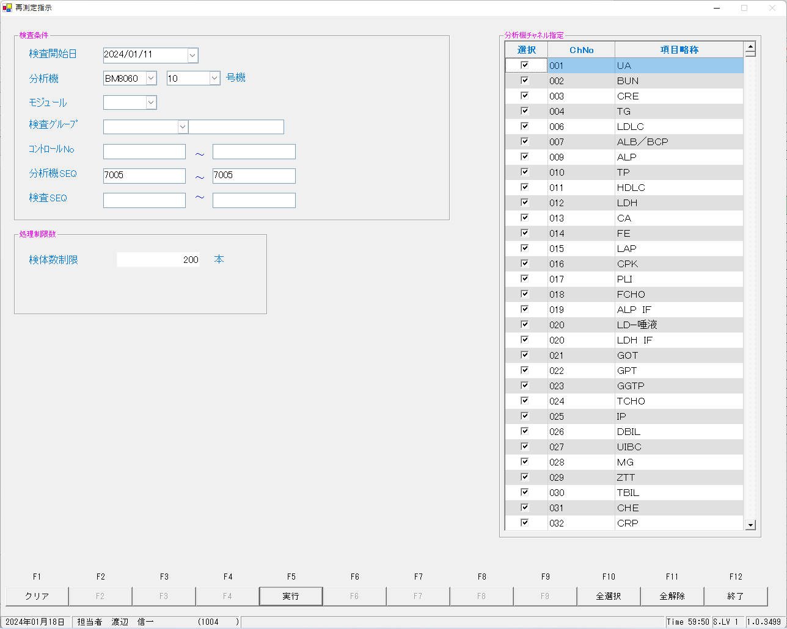

上再測定指示前の依頼情報、下再測定指示後の依頼情報
select * from irai where irino = '00003154800' order by kmkcd ;
UTKYMD | IRINO | IRIKETFLG | ZSSDINO | KNSGRP | KMKCD | IRIHSMKBN | IRIKBN | KSKTKBN | SRIYMD | KNTNO | KNTKETFLG | CHKMJ | STSRCD | KMKRS | OYAKMKCD | SMPCD | SETKMKCD | SRINYCD | SECCD | SKCHKFLG | BKFKKBN | YSNLBL | SKFLG | TKFLG | SJFLG | JKTKFLG | KJNO | FKHKKNOHJKBN | TBKJNO | TBKJFLG | HTKFKHMS | TSKFLG | TKTFLG | BNCKBN | NBNCKBN | KNSKISYYMD | KNSKRYYMD | KNSKRYTME | KKHKKFLG | KKIRIFLG | KKIRILOTNO | KKTOUTKID | KNSSU | ODRSSFLG | YTIKSBR | HHKJKFLG | KSNDH | TRKDH
2024-01-11 | 00003154800 |  | 0 | 80200 | 0000401 | 0 | A | K | 2024-01-11 | 00003154800 |  | ﾅﾂ | 023 | TP | 0000401 | 0054 | 0000000 | 0 | A | 0 | 0 | 00 | 0 | 0 | 0 | 0 | 001 |  |  |  |  |  |  | 2 | 0 | 2024-01-11 | 1000/01/01 | 0:00:01 | 0 | 0 | 0 |  | 3 | 2 | 1 |  | 2024-01-12 | 2024-01-12
2024-01-11 | 00003154800 |  | 0 | 80200 | 0000409 | 2 | A | K | 2024-01-11 | 00003154800 |  | ﾅﾂ | 023 | BUN | 0000409 | 0054 | 0000000 | 2 | A | 0 | 0 | 00 | 0 | 0 | 0 | 0 | 005 |  |  |  |  |  |  | 2 | 0 | 2024-01-11 | 1000/01/01 | 0:00:01 | 0 | 0 | 0 |  | 3 | 2 | 1 |  | 2024-01-12 | 2024-01-12
2024-01-11 | 00003154800 |  | 0 | 80200 | 0000413 | 0 | A | K | 2024-01-11 | 00003154800 |  | ﾅﾂ | 023 | ｸﾚｱﾁﾆﾝ | 0000413 | 0054 | 0000000 | 0 | A | 0 | 0 | 00 | 0 | 0 | 0 | 0 | 009 |  |  |  |  |  |  | 2 | 0 | 2024-01-11 | 1000/01/01 | 0:00:01 | 0 | 0 | 0 |  | 3 | 2 | 1 |  | 2024-01-12 | 2024-01-12
2024-01-11 | 00003154800 |  | 0 | 80200 | 0000417 | 0 | A | K | 2024-01-11 | 00003154800 |  | ﾅﾂ | 023 | ALB/BCP | 0000417 | 0054 | 0000000 | 0 | A | 0 | 0 | 00 | 0 | 0 | 0 | 0 | 001 |  |  |  |  |  |  | 2 | 0 | 2024-01-11 | 1000/01/01 | 0:00:01 | 0 | 0 | 0 |  | 3 | 2 | 1 |  | 2024-01-12 | 2024-01-12
2024-01-11 | 00003154800 |  | 0 | 80200 | 0000421 | 0 | A | K | 2024-01-11 | 00003154800 |  | ﾅﾂ | 023 | NA | 0000421 | 0054 | 0000000 | 0 | A | 0 | 0 | 00 | 0 | 0 | 0 | 0 | 001 |  |  |  |  |  |  | 2 | 0 | 2024-01-11 | 1000/01/01 | 0:00:01 | 0 | 0 | 0 |  | 3 | 2 | 1 |  | 2024-01-12 | 2024-01-12
2024-01-11 | 00003154800 |  | 0 | 80200 | 0000423 | 0 | A | K | 2024-01-11 | 00003154800 |  | ﾅﾂ | 023 | K | 0000423 | 0054 | 0000000 | 0 | A | 0 | 0 | 00 | 0 | 0 | 0 | 0 | 001 |  |  |  |  |  |  | 2 | 0 | 2024-01-11 | 1000/01/01 | 0:00:01 | 0 | 0 | 0 |  | 3 | 2 | 1 |  | 2024-01-12 | 2024-01-12
2024-01-11 | 00003154800 |  | 0 | 80200 | 0000425 | 0 | A | K | 2024-01-11 | 00003154800 |  | ﾅﾂ | 023 | CL | 0000425 | 0054 | 0000000 | 0 | A | 0 | 0 | 00 | 0 | 0 | 0 | 0 | 001 |  |  |  |  |  |  | 2 | 0 | 2024-01-11 | 1000/01/01 | 0:00:01 | 0 | 0 | 0 |  | 2 | 2 | 1 |  | 2024-01-12 | 2024-01-12
2024-01-11 | 00003154800 |  | 0 | 80200 | 0000454 | 0 | A | K | 2024-01-11 | 00003154800 |  | ﾅﾂ | 023 | TG | 0000454 | 0054 | 0000000 | 0 | A | 0 | 0 | 00 | 0 | 0 | 0 | 0 | 001 |  |  |  |  |  |  | 2 | 0 | 2024-01-11 | 1000/01/01 | 0:00:01 | 0 | 0 | 0 |  | 2 | 2 | 1 |  | 2024-01-12 | 2024-01-12
2024-01-11 | 00003154800 |  | 0 | 80200 | 0900013 | 2 | A | K | 2024-01-11 | 00003154800 |  | ﾅﾂ | 023 | BUN/CRE | 0900013 | 0054 | 0000000 | 2 | A | 0 | 0 | 00 | 0 | 0 | 0 | 0 | 001 |  |  |  |  |  |  | 2 | 0 | 2024-01-11 | 1000/01/01 | 0:00:01 | 0 | 0 | 0 |  | 3 | 2 | 1 |  | 2024-01-12 | 2024-01-12
UTKYMD | IRINO | IRIKETFLG | ZSSDINO | KNSGRP | KMKCD | IRIHSMKBN | IRIKBN | KSKTKBN | SRIYMD | KNTNO | KNTKETFLG | CHKMJ | STSRCD | KMKRS | OYAKMKCD | SMPCD | SETKMKCD | SRINYCD | SECCD | SKCHKFLG | BKFKKBN | YSNLBL | SKFLG | TKFLG | SJFLG | JKTKFLG | KJNO | FKHKKNOHJKBN | TBKJNO | TBKJFLG | HTKFKHMS | TSKFLG | TKTFLG | BNCKBN | NBNCKBN | KNSKISYYMD | KNSKRYYMD | KNSKRYTME | KKHKKFLG | KKIRIFLG | KKIRILOTNO | KKTOUTKID | KNSSU | ODRSSFLG | YTIKSBR | HHKJKFLG | KSNDH | TRKDH
2024-01-11 | 00003154800 |  | 0 | 80200 | 0000401 | 0 | A | K | 2024-01-11 | 00003154800 |  | ﾅﾂ | 023 | TP | 0000401 | 0054 | 0000000 | 0 | A | 0 | 0 | 00 | 0 | 0 | 0 | 0 | 001 |  |  |  |  |  |  | 2 | 0 | 2024-01-11 | 1000/01/01 | 0:00:01 | 0 | 0 | 0 |  | 3 | 2 | 1 |  | 2024-01-12 | 2024-01-12
2024-01-11 | 00003154800 |  | 0 | 80200 | 0000409 | 2 | A | S | 2024-01-11 | 00003154800 |  | ﾅﾂ | 023 | BUN | 0000409 | 0054 | 0000000 | 2 | A | 0 | 0 | 00 | 0 | 0 | 0 | 0 | 005 |  |  |  |  |  |  | 2 | 0 | 2024-01-11 | 1000/01/01 | 0:00:01 | 0 | 0 | 0 |  | 4 | 1 | 1 |  | 2024-01-18 | 2024-01-12
2024-01-11 | 00003154800 |  | 0 | 80200 | 0000413 | 0 | A | K | 2024-01-11 | 00003154800 |  | ﾅﾂ | 023 | ｸﾚｱﾁﾆﾝ | 0000413 | 0054 | 0000000 | 0 | A | 0 | 0 | 00 | 0 | 0 | 0 | 0 | 009 |  |  |  |  |  |  | 2 | 0 | 2024-01-11 | 1000/01/01 | 0:00:01 | 0 | 0 | 0 |  | 3 | 2 | 1 |  | 2024-01-12 | 2024-01-12
2024-01-11 | 00003154800 |  | 0 | 80200 | 0000417 | 0 | A | K | 2024-01-11 | 00003154800 |  | ﾅﾂ | 023 | ALB/BCP | 0000417 | 0054 | 0000000 | 0 | A | 0 | 0 | 00 | 0 | 0 | 0 | 0 | 001 |  |  |  |  |  |  | 2 | 0 | 2024-01-11 | 1000/01/01 | 0:00:01 | 0 | 0 | 0 |  | 3 | 2 | 1 |  | 2024-01-12 | 2024-01-12
2024-01-11 | 00003154800 |  | 0 | 80200 | 0000421 | 0 | A | K | 2024-01-11 | 00003154800 |  | ﾅﾂ | 023 | NA | 0000421 | 0054 | 0000000 | 0 | A | 0 | 0 | 00 | 0 | 0 | 0 | 0 | 001 |  |  |  |  |  |  | 2 | 0 | 2024-01-11 | 1000/01/01 | 0:00:01 | 0 | 0 | 0 |  | 3 | 2 | 1 |  | 2024-01-12 | 2024-01-12
2024-01-11 | 00003154800 |  | 0 | 80200 | 0000423 | 0 | A | K | 2024-01-11 | 00003154800 |  | ﾅﾂ | 023 | K | 0000423 | 0054 | 0000000 | 0 | A | 0 | 0 | 00 | 0 | 0 | 0 | 0 | 001 |  |  |  |  |  |  | 2 | 0 | 2024-01-11 | 1000/01/01 | 0:00:01 | 0 | 0 | 0 |  | 3 | 2 | 1 |  | 2024-01-12 | 2024-01-12
2024-01-11 | 00003154800 |  | 0 | 80200 | 0000425 | 0 | A | K | 2024-01-11 | 00003154800 |  | ﾅﾂ | 023 | CL | 0000425 | 0054 | 0000000 | 0 | A | 0 | 0 | 00 | 0 | 0 | 0 | 0 | 001 |  |  |  |  |  |  | 2 | 0 | 2024-01-11 | 1000/01/01 | 0:00:01 | 0 | 0 | 0 |  | 2 | 2 | 1 |  | 2024-01-12 | 2024-01-12
2024-01-11 | 00003154800 |  | 0 | 80200 | 0000454 | 0 | A | K | 2024-01-11 | 00003154800 |  | ﾅﾂ | 023 | TG | 0000454 | 0054 | 0000000 | 0 | A | 0 | 0 | 00 | 0 | 0 | 0 | 0 | 001 |  |  |  |  |  |  | 2 | 0 | 2024-01-11 | 1000/01/01 | 0:00:01 | 0 | 0 | 0 |  | 2 | 2 | 1 |  | 2024-01-12 | 2024-01-12
2024-01-11 | 00003154800 |  | 0 | 80200 | 0900013 | 2 | A | S | 2024-01-11 | 00003154800 |  | ﾅﾂ | 023 | BUN/CRE | 0900013 | 0054 | 0000000 | 2 | A | 0 | 0 | 00 | 0 | 0 | 0 | 0 | 001 |  |  |  |  |  |  | 2 | 0 | 2024-01-11 | 1000/01/01 | 0:00:01 | 0 | 0 | 0 |  | 4 | 1 | 1 |  | 2024-01-18 | 2024-01-12

 |  |  |  |  |  |  |  | × |  |  |  |  |  |  |  |  |  |  |  |  |  |  |  |  |  |  |  |  |  |  |  |  |  |  |  |  |  |  |  |  |  |  | × | × |  |  | ×

 |  |  |  |  |  |  |  | × |  |  |  |  |  |  |  |  |  |  |  |  |  |  |  |  |  |  |  |  |  |  |  |  |  |  |  |  |  |  |  |  |  |  | × | × |  |  | ×

上再測定指示前の結果情報、下再測定指示後の結果情報
select * from kekka where irino = '00003154800' order by knssu,kmkcd ;
KNSKISYMD | SRIYMD | KNTNO | KNTKETFLG | KNSGRP | KMKCD | KNSSU | KNSSUEDA | IRIHSMKBN | IRIKBN | KSKTKBN | UTKYMD | IRINO | IRIKETFLG | ZSSDINO | SSTCD | TRID | TRPOS | ASYRCKID | ASYRCKPOS | OYAKMKCD | SECCD | BKFKKBN | SMPCD | BSKKBN | BSKLNE | BSKGOK | BSKSEQ | BSKERRSTS | SKTDH | NBKMKCD | TSTRFLG | ZRCD | YSNLBL | KJNO | FKHKKNOHJKBN | TBKJNO | TBKJFLG | HTKFKHMS | SKFLG | TSKFLG | TKTFLG | JISKSBR | KKFLG | KKIRIFLG | KKIRILOTNO | HSYKFLG | HSKFLG | HHKKFLG | RAWDATA | KNSKKA1 | KNSKKA2 | KNSKKA2KBN | KKAHSKCD | HJKKA | SDI | KKACMT1 | KKACMT2 | KKAJKCD | PNCRGFLG | KNSPNCRGFLG | KKAKSFLG | KKASSFLG | IJKBNM | IJKBNF | IJKBNN | TBIJKBNM | TBIJKBNF | TBIJKBNN | NBDOLBL | NBDOERR | YKDOLBL | YKDOERR | ETCLBL | ETCERR | CTRLNO | KNSSEQ | BTHNO | PLTNO | PLTSEQ | DTNRTTS | DTNRDH | KNSKRDH | HKKDH | HKKKBDH | ZKHKKYYMD | ZKHKKYTME | FRKKAFLG | GZBSFLG | HSIFLG | KKAYSNFLG | TNYRKFLG | SIYFLG | KNSFLG | RENJICFLG | SOUKN1FLG | KANRENFLG | BUNKKUFLG | KESSEIFLG | RIREKIFLG | SYOUGOFLG | KEISANFLG | PER100FLG | TOUSEKFLG | KISYAKFLG | KOUSEIFLG | SYOUNGFLG | SOUKN2FLG | FUKAPTFLG | YOBIFLG01 | TOBIFLG02 | YOBIFLG03 | YOBIFLG04 | YOBIFLG05 | SKRYCDA | SKRYCDB | SKRYCDC | KSNDH | TRKDH | SKKKA
2024-01-11 | 2024-01-11 | 00003154800 |  | 80200 | 0900013 | 0 | 0 | 2 | A | A | 2024-01-11 | 00003154800 |  | 0 | 5492500 | 2MLT0040 | 5 | 54105 | 5 | 0900013 | A | 0 | 0054 |  |  |  | 0 |  | 2024-01-12 |  | R | 023 | 00 | 001 |  |  |  |  | 0 |  |  |  | 0 | 0 | 0 |  |  |  |  | 17.0 |  |  |  | 17.0 |  |  |  | 3 | 0 | 0 |  | 0 | 5 | 5 | 5 |  |  |  |  |  |  |  |  |  | 0 | 500005 | 0 | 0 | 0 | 1004 | 2024-01-12 | 1000/01/01 0:00:01 | 1000/01/01 0:00:01 | 0:00:01 | 1000/01/01 |  | 0 | 0 | 0 | 1 | 1 | 1 | S | 1 | 1 | 2 | 0 | 0 | 0 | 0 | 0 | 0 | 0 | 0 | 0 | 0 | 1 | 0 | 0 | 0 | 0 | 0 | 0 |  |  |  | 2024-01-12 | 2024-01-12 | 17.0
2024-01-11 | 2024-01-11 | 00003154800 |  | 80200 | 0000401 | 1 | 0 | 0 | A | A | 2024-01-11 | 00003154800 |  | 0 | 5492500 | 2MLT0040 | 5 | 54105 | 5 | 0000401 | A | 0 | 0054 | BIOM | 10 | 100400 | 7005 |  | 2024-01-12 | 010 | R | 023 | 00 | 001 |  |  |  |  | 0 |  |  | 1 | 0 | 0 | 0 |  |  |  | 2.4 | 2.4 |  |  |  | 2.4 |  | 0101 |  | 3 | 1 | 0 | 0 | 1 | 3 | 3 | 3 |  |  |  | 0 |  | 0 |  | 0 |  | 73 | 500005 | 0 | 1 | 5 | 1004 | 2024-01-12 | 1000/01/01 | 2024-01-12 | 15:21:18 | 1000/01/01 |  | 0 | 0 | 1 | 1 | 1 | 1 | E | 4 | 1 | 2 | 0 | 1 | 0 | 0 | 1 | 0 | 0 | 1 | 0 | 0 | 1 | 0 | 1 | 0 | 1 | 1 | 1 |  |  |  | 2024-01-12 | 2024-01-12 | 2.4
2024-01-11 | 2024-01-11 | 00003154800 |  | 80200 | 0000409 | 1 | 0 | 2 | A | A | 2024-01-11 | 00003154800 |  | 0 | 5492500 | 2MLT0040 | 5 | 54105 | 5 | 0000409 | A | 0 | 0054 | BIOM | 10 | 100400 | 7005 |  | 2024-01-12 | 002 | R | 023 | 00 | 005 |  |  |  |  | 0 |  |  | 1 | 0 | 0 | 0 |  |  |  | 4.6 | 4.6 |  |  |  | 4.6 |  |  |  | 3 | 0 | 0 | 0 | 0 | 3 | 3 | 3 |  |  |  | 0 |  | 0 |  | 0 |  | 73 | 500005 | 0 | 1 | 5 | 1004 | 2024-01-12 | 1000/01/01 | 2024-01-12 | 15:21:18 | 1000/01/01 |  | 0 | 0 | 1 | 1 | 1 | 1 | S | 1 | 1 | 2 | 0 | 1 | 0 | 0 | 1 | 0 | 0 | 1 | 0 | 0 | 1 | 0 | 1 | 0 | 1 | 1 | 1 |  |  |  | 2024-01-12 | 2024-01-12 | 4.6
2024-01-11 | 2024-01-11 | 00003154800 |  | 80200 | 0000413 | 1 | 0 | 0 | A | A | 2024-01-11 | 00003154800 |  | 0 | 5492500 | 2MLT0040 | 5 | 54105 | 5 | 0000413 | A | 0 | 0054 | BIOM | 10 | 100400 | 7005 |  | 2024-01-12 | 003 | R | 023 | 00 | 009 |  |  |  |  | 0 |  |  | 1 | 0 | 0 | 0 |  |  |  | 0.27 | 0.27 |  |  |  | 0.27 |  | 0101 |  | 3 | 0 | 0 | 0 | 1 | 3 | 3 | 3 |  |  |  | 0 |  | 0 |  | 0 |  | 73 | 500005 | 0 | 1 | 4 | 1004 | 2024-01-12 | 1000/01/01 | 2024-01-12 | 15:21:18 | 1000/01/01 |  | 0 | 0 | 1 | 1 | 1 | 1 | E | 4 | 1 | 2 | 0 | 1 | 0 | 0 | 1 | 0 | 0 | 1 | 0 | 0 | 1 | 0 | 1 | 0 | 1 | 1 | 1 |  |  |  | 2024-01-12 | 2024-01-12 | 0.27
2024-01-11 | 2024-01-11 | 00003154800 |  | 80200 | 0000417 | 1 | 0 | 0 | A | A | 2024-01-11 | 00003154800 |  | 0 | 5492500 | 2MLT0040 | 5 | 54105 | 5 | 0000417 | A | 0 | 0054 | BIOM | 10 | 100400 | 7005 |  | 2024-01-12 | 007 | R | 023 | 00 | 001 |  |  |  |  | 0 |  |  | 1 | 0 | 0 | 0 |  |  |  | 1.4 | 1.4 |  |  |  | 1.4 |  | 0101 |  | 3 | 0 | 0 | 0 | 1 | 3 | 3 | 3 |  |  |  | 0 |  | 0 |  | 0 |  | 73 | 500005 | 0 | 1 | 5 | 1004 | 2024-01-12 | 1000/01/01 | 2024-01-12 | 15:21:18 | 1000/01/01 |  | 0 | 0 | 1 | 1 | 1 | 1 | E | 4 | 1 | 2 | 0 | 1 | 0 | 0 | 1 | 0 | 0 | 1 | 0 | 0 | 1 | 0 | 1 | 0 | 1 | 1 | 1 |  |  |  | 2024-01-12 | 2024-01-12 | 1.4
2024-01-11 | 2024-01-11 | 00003154800 |  | 80200 | 0000421 | 1 | 0 | 0 | A | A | 2024-01-11 | 00003154800 |  | 0 | 5492500 | 2MLT0040 | 5 | 54105 | 5 | 0000421 | A | 0 | 0054 | BIOM | 10 | 100003 | 7005 | L | 2024-01-12 | 087 | R | 023 | 00 | 001 |  |  |  |  | 0 |  |  | 1 | 0 | 0 | 0 |  |  |  | 45 | 45 |  |  |  | 45 |  | 0101 |  | 3 | 1 | 0 | 0 | 1 | 3 | 3 | 3 |  |  |  | 0 |  | 0 |  | 0 |  | 73 | 500005 | 0 | 1 | 2 | 1004 | 2024-01-12 | 1000/01/01 | 2024-01-12 | 15:07:38 | 1000/01/01 |  | 0 | 0 | 1 | 1 | 1 | 1 | E | 4 | 1 | 2 | 0 | 1 | 0 | 0 | 1 | 0 | 0 | 2 | 0 | 0 | 1 | 0 | 1 | 0 | 1 | 1 | 1 | 100 |  |  | 2024-01-12 | 2024-01-12 | 45
2024-01-11 | 2024-01-11 | 00003154800 |  | 80200 | 0000423 | 1 | 0 | 0 | A | A | 2024-01-11 | 00003154800 |  | 0 | 5492500 | 2MLT0040 | 5 | 54105 | 5 | 0000423 | A | 0 | 0054 | BIOM | 10 | 100003 | 7005 | h | 2024-01-12 | 088 | R | 023 | 00 | 001 |  |  |  |  | 0 |  |  | 1 | 0 | 0 | 0 |  |  |  | 1.5 | 1.5 |  |  |  | 1.5 |  | 0101 |  | 3 | 1 | 0 | 0 | 1 | 3 | 3 | 3 |  |  |  | 0 |  | 0 |  | 0 |  | 73 | 500005 | 0 | 1 | 2 | 1004 | 2024-01-12 | 1000/01/01 | 2024-01-12 | 15:07:38 | 1000/01/01 |  | 0 | 0 | 1 | 1 | 1 | 1 | E | 4 | 1 | 2 | 0 | 1 | 0 | 0 | 1 | 0 | 0 | 2 | 0 | 0 | 1 | 0 | 1 | 0 | 1 | 1 | 1 | 100 |  |  | 2024-01-12 | 2024-01-12 | 1.5
2024-01-11 | 2024-01-11 | 00003154800 |  | 80200 | 0000425 | 1 | 0 | 0 | A | A | 2024-01-11 | 00003154800 |  | 0 | 5492500 | 2MLT0040 | 5 | 54105 | 5 | 0000425 | A | 0 | 0054 | BIOM | 10 | 100003 | 7005 | L | 2024-01-12 | 089 | R | 023 | 00 | 001 |  |  |  |  | 0 |  |  | 1 | 0 | 0 | 0 |  |  |  | 32 | 32 |  |  |  | 32 |  | 0101 |  | 3 | 0 | 0 | 0 | 1 | 3 | 3 | 3 |  |  |  | 0 |  | 0 |  | 0 |  | 73 | 500005 | 0 | 1 | 2 | 1004 | 2024-01-12 | 1000/01/01 | 2024-01-12 | 15:07:38 | 1000/01/01 |  | 0 | 0 | 1 | 1 | 1 | 1 | E | 4 | 1 | 2 | 0 | 1 | 0 | 0 | 1 | 0 | 0 | 1 | 0 | 0 | 1 | 0 | 1 | 0 | 1 | 1 | 1 | 100 |  |  | 2024-01-12 | 2024-01-12 | 32
2024-01-11 | 2024-01-11 | 00003154800 |  | 80200 | 0000454 | 1 | 0 | 0 | A | A | 2024-01-11 | 00003154800 |  | 0 | 5492500 | 2MLT0040 | 5 | 54105 | 5 | 0000454 | A | 0 | 0054 | BIOM | 10 | 100400 | 7005 |  | 2024-01-12 | 004 | R | 023 | 00 | 001 |  |  |  |  | 0 |  |  | 1 | 0 | 0 | 0 |  |  |  | 31 | 31 |  |  |  | 31 |  |  |  | 3 | 0 | 0 | 0 | 1 | 3 | 3 | 3 |  |  |  | 0 |  | 0 |  | 0 |  | 73 | 500005 | 0 | 1 | 5 | 1004 | 2024-01-12 | 1000/01/01 | 2024-01-12 | 15:21:18 | 1000/01/01 |  | 0 | 0 | 1 | 1 | 1 | 1 | E | 1 | 1 | 1 | 0 | 1 | 0 | 0 | 1 | 0 | 0 | 1 | 0 | 0 | 1 | 0 | 1 | 0 | 1 | 1 | 1 |  |  |  | 2024-01-12 | 2024-01-12 | 31
2024-01-11 | 2024-01-11 | 00003154800 |  | 80200 | 0900013 | 1 | 0 | 2 | A | A | 2024-01-11 | 00003154800 |  | 0 | 5492500 | 2MLT0040 | 5 | 54105 | 5 | 0900013 | A | 0 | 0054 | BIOM | 10 | 100100 | 7005 |  | 2024-01-12 |  | R | 023 | 00 | 001 |  |  |  |  | 0 |  |  |  | 0 | 0 | 0 |  |  |  | 17.037037 | 17.0 |  |  |  | 17.0 |  |  |  | 1 | 0 | 0 | 0 | 0 | 5 | 5 | 5 |  |  |  | 0 |  | 0 |  | 0 |  | 73 | 500005 | 0 | 1 | 5 |  | 2024-01-12 | 1000/01/01 | 2024-01-12 | 15:21:18 | 1000/01/01 |  | 0 | 0 | 1 |  | 1 |  | S | 1 | 0 | 2 | 0 | 1 | 0 | 0 | 0 | 0 | 0 | 1 | 0 | 0 | 0 | 0 | 1 | 0 | 1 | 1 | 1 |  |  |  | 2024-01-12 | 2024-01-12 | 17.0
2024-01-11 | 2024-01-11 | 00003154800 |  | 80200 | 0000401 | 2 | 0 | 0 | A | K | 2024-01-11 | 00003154800 |  | 0 | 5492500 | 2MLT0040 | 5 | 54105 | 5 | 0000401 | A | 0 | 0054 | BIOM | 10 | 100400 | 7005 |  | 2024-01-12 | 010 | R | 023 | 00 | 001 |  |  |  |  | 0 |  |  | B1 | 0 | 0 | 0 |  |  |  | 2.3 | 2.3 |  |  |  | 2.3 |  |  |  | 1 | 1 | 0 | 0 | 0 | 3 | 3 | 3 |  |  |  |  |  |  |  |  |  | 73 | 500005 | 0 | 1 | 8 | 1004 | 2024-01-12 | 1000/01/01 | 2024-01-12 | 15:34:44 | 1000/01/01 |  | 0 | 0 | 1 |  | 1 |  | M | 4 | 1 | 2 | 0 | 0 | 0 | 0 | 1 | 0 | 0 | 1 | 0 | 0 | 0 | 0 | 1 | 0 | 1 | 1 | 1 |  |  |  | 2024-01-12 | 2024-01-12 | 2.3
2024-01-11 | 2024-01-11 | 00003154800 |  | 80200 | 0000409 | 2 | 0 | 2 | A | K | 2024-01-11 | 00003154800 |  | 0 | 5492500 | 2MLT0040 | 5 | 54105 | 5 | 0000409 | A | 0 | 0054 | BIOM | 10 | 100400 | 7005 |  | 2024-01-12 | 002 | R | 023 | 00 | 005 |  |  |  |  | 0 |  |  | B1 | 0 | 0 | 0 |  |  |  | 4.4 | 4.4 |  |  |  | 4.4 |  |  |  | 1 | 0 | 0 | 0 | 0 | 3 | 3 | 3 |  |  |  |  |  |  |  |  |  | 73 | 500005 | 0 | 1 | 8 | 1004 | 2024-01-12 | 1000/01/01 | 2024-01-12 | 15:34:44 | 1000/01/01 |  | 0 | 0 | 1 |  | 1 |  | S | 4 | 0 | 2 | 0 | 0 | 0 | 0 | 1 | 0 | 0 | 1 | 0 | 0 | 0 | 0 | 1 | 0 | 1 | 1 | 1 |  |  |  | 2024-01-12 | 2024-01-12 | 4.4
2024-01-11 | 2024-01-11 | 00003154800 |  | 80200 | 0000413 | 2 | 0 | 0 | A | K | 2024-01-11 | 00003154800 |  | 0 | 5492500 | 2MLT0040 | 5 | 54105 | 5 | 0000413 | A | 0 | 0054 | BIOM | 10 | 100100 | 7005 |  | 2024-01-12 | 003 | R | 023 | 00 | 009 |  |  |  |  | 0 |  |  | B1 | 0 | 0 | 0 |  |  |  | 0.27 | 0.27 |  |  |  | 0.27 |  |  |  | 1 | 0 | 0 | 0 | 0 | 3 | 3 | 3 |  |  |  |  |  |  |  |  |  | 73 | 500005 | 0 | 1 | 2 | 1004 | 2024-01-12 | 1000/01/01 | 2024-01-12 | 15:34:44 | 1000/01/01 |  | 0 | 0 | 1 |  | 1 |  | M | 4 | 0 | 2 | 0 | 0 | 0 | 0 | 1 | 0 | 0 | 1 | 0 | 0 | 0 | 0 | 1 | 0 | 1 | 1 | 1 |  |  |  | 2024-01-12 | 2024-01-12 | 0.27
2024-01-11 | 2024-01-11 | 00003154800 |  | 80200 | 0000417 | 2 | 0 | 0 | A | K | 2024-01-11 | 00003154800 |  | 0 | 5492500 | 2MLT0040 | 5 | 54105 | 5 | 0000417 | A | 0 | 0054 | BIOM | 10 | 100400 | 7005 |  | 2024-01-12 | 007 | R | 023 | 00 | 001 |  |  |  |  | 0 |  |  | B1 | 0 | 0 | 0 |  |  |  | 1.4 | 1.4 |  |  |  | 1.4 |  |  |  | 1 | 0 | 0 | 0 | 0 | 3 | 3 | 3 |  |  |  |  |  |  |  |  |  | 73 | 500005 | 0 | 1 | 8 | 1004 | 2024-01-12 | 1000/01/01 | 2024-01-12 | 15:34:44 | 1000/01/01 |  | 0 | 0 | 1 |  | 1 |  | M | 4 | 1 | 2 | 0 | 0 | 0 | 0 | 1 | 0 | 0 | 1 | 0 | 0 | 0 | 0 | 1 | 0 | 1 | 1 | 1 |  |  |  | 2024-01-12 | 2024-01-12 | 1.4
2024-01-11 | 2024-01-11 | 00003154800 |  | 80200 | 0000425 | 2 | 0 | 0 | A | K | 2024-01-11 | 00003154800 |  | 0 | 5492500 | 2MLT0041 | 3 | 58624 | 3 | 0000425 | A | 0 | 0054 | BIOM | 10 | 100001 | 7013 | L | 2024-01-12 | 089 | R | 023 | 00 | 001 |  |  |  |  | 0 |  |  | 1 | 0 | 0 | 0 |  |  |  | 32 | 32 |  |  |  | 32 |  |  |  | 1 | 0 | 0 | 0 | 0 | 3 | 3 | 3 |  |  |  | 0 |  | 0 |  | 0 |  | 73 | 500103 | 0 | 1 | 3 | 1004 | 2024-01-12 | 1000/01/01 | 2024-01-12 | 15:50:55 | 1000/01/01 |  | 0 | 0 | 1 |  | 1 |  | M | 4 | 0 | 2 | 0 | 1 | 0 | 0 | 1 | 0 | 0 | 1 | 0 | 0 | 0 | 0 | 1 | 0 | 1 | 1 | 1 |  |  |  | 2024-01-12 | 2024-01-12 | 32
2024-01-11 | 2024-01-11 | 00003154800 |  | 80200 | 0000454 | 2 | 0 | 0 | A | K | 2024-01-11 | 00003154800 |  | 0 | 5492500 | 2MLT0041 | 3 | 58624 | 3 | 0000454 | A | 0 | 0054 | BIOM | 10 | 100400 | 7013 |  | 2024-01-12 | 004 | R | 023 | 00 | 001 |  |  |  |  | 0 |  |  | 1 | 0 | 0 | 0 |  |  |  | 30 | 30 |  |  |  | 30 |  |  |  | 1 | 0 | 0 | 0 | 0 | 3 | 3 | 3 |  |  |  | 0 |  | 0 |  | 0 |  | 73 | 500103 | 0 | 1 | 8 | 1004 | 2024-01-12 | 1000/01/01 | 2024-01-12 | 16:04:35 | 1000/01/01 |  | 0 | 0 | 1 |  | 1 |  | M | 1 | 0 | 0 | 0 | 1 | 0 | 0 | 1 | 0 | 0 | 1 | 0 | 0 | 0 | 0 | 1 | 0 | 1 | 1 | 1 |  |  |  | 2024-01-12 | 2024-01-12 | 30
2024-01-11 | 2024-01-11 | 00003154800 |  | 80200 | 0900013 | 2 | 0 | 2 | A | K | 2024-01-11 | 00003154800 |  | 0 | 5492500 | 2MLT0040 | 5 | 54105 | 5 | 0900013 | A | 0 | 0054 | BIOM | 10 | 100400 | 7005 |  | 2024-01-12 |  | R | 023 | 00 | 001 |  |  |  |  | 0 |  |  |  | 0 | 0 | 0 |  |  |  | 16.296296 | 16.3 |  |  |  | 16.3 |  |  |  | 1 | 0 | 0 | 0 | 0 | 5 | 5 | 5 |  |  |  |  |  |  |  |  |  | 73 | 500005 | 0 | 1 | 8 |  | 2024-01-12 | 1000/01/01 | 2024-01-12 | 15:34:44 | 1000/01/01 |  | 0 | 0 | 1 |  | 1 |  | S | 1 | 0 | 2 | 0 | 0 | 0 | 0 | 0 | 0 | 0 | 1 | 0 | 0 | 0 | 0 | 1 | 0 | 1 | 1 | 1 |  |  |  | 2024-01-12 | 2024-01-12 | 16.3
2024-01-11 | 2024-01-11 | 00003154800 |  | 80200 | 0000401 | 3 | 0 | 0 | A | K | 2024-01-11 | 00003154800 |  | 0 | 5492500 | 2MLT0041 | 3 | 58624 | 3 | 0000401 | A | 0 | 0054 | BIOM | 10 | 100400 | 7013 |  | 2024-01-12 | 010 | R | 023 | 00 | 001 |  |  |  |  | 0 |  |  | 1 | 0 | 0 | 0 |  |  |  | 2.4 | 2.4 |  |  |  | 2.4 |  |  |  | 1 | 1 | 0 | 0 | 0 | 3 | 3 | 3 |  |  |  | 0 |  | 0 |  | 0 |  | 73 | 500103 | 0 | 1 | 9 | 1004 | 2024-01-12 | 1000/01/01 | 2024-01-12 | 16:04:35 | 1000/01/01 |  | 0 | 0 | 1 |  | 1 |  | M | 4 | 1 | 2 | 0 | 1 | 0 | 0 | 1 | 0 | 0 | 1 | 0 | 0 | 0 | 0 | 1 | 0 | 1 | 1 | 1 |  |  |  | 2024-01-12 | 2024-01-12 | 2.4
2024-01-11 | 2024-01-11 | 00003154800 |  | 80200 | 0000409 | 3 | 0 | 2 | A | K | 2024-01-11 | 00003154800 |  | 0 | 5492500 | 2MLT0041 | 3 | 58624 | 3 | 0000409 | A | 0 | 0054 | BIOM | 10 | 100400 | 7013 |  | 2024-01-12 | 002 | R | 023 | 00 | 005 |  |  |  |  | 0 |  |  | 1 | 0 | 0 | 0 |  |  |  | 4.3 | 4.3 |  |  |  | 4.3 |  |  |  | 1 | 0 | 0 | 0 | 0 | 3 | 3 | 3 |  |  |  | 0 |  | 0 |  | 0 |  | 73 | 500103 | 0 | 1 | 9 | 1004 | 2024-01-12 | 1000/01/01 | 2024-01-12 | 16:04:35 | 1000/01/01 |  | 0 | 0 | 1 |  | 1 |  | S | 4 | 0 | 2 | 0 | 1 | 0 | 0 | 1 | 0 | 0 | 1 | 0 | 0 | 0 | 0 | 1 | 0 | 1 | 1 | 1 |  |  |  | 2024-01-12 | 2024-01-12 | 4.3
2024-01-11 | 2024-01-11 | 00003154800 |  | 80200 | 0000413 | 3 | 0 | 0 | A | K | 2024-01-11 | 00003154800 |  | 0 | 5492500 | 2MLT0041 | 3 | 58624 | 3 | 0000413 | A | 0 | 0054 | BIOM | 10 | 100400 | 7013 |  | 2024-01-12 | 003 | R | 023 | 00 | 009 |  |  |  |  | 0 |  |  | 1 | 0 | 0 | 0 |  |  |  | 0.26 | 0.26 |  |  |  | 0.26 |  |  |  | 1 | 0 | 0 | 0 | 0 | 3 | 3 | 3 |  |  |  | 0 |  | 0 |  | 0 |  | 73 | 500103 | 0 | 1 | 7 | 1004 | 2024-01-12 | 1000/01/01 | 2024-01-12 | 16:04:35 | 1000/01/01 |  | 0 | 0 | 1 |  | 1 |  | M | 4 | 0 | 2 | 0 | 1 | 0 | 0 | 1 | 0 | 0 | 1 | 0 | 0 | 0 | 0 | 1 | 0 | 1 | 1 | 1 |  |  |  | 2024-01-12 | 2024-01-12 | 0.26
2024-01-11 | 2024-01-11 | 00003154800 |  | 80200 | 0000417 | 3 | 0 | 0 | A | K | 2024-01-11 | 00003154800 |  | 0 | 5492500 | 2MLT0041 | 3 | 58624 | 3 | 0000417 | A | 0 | 0054 | BIOM | 10 | 100400 | 7013 |  | 2024-01-12 | 007 | R | 023 | 00 | 001 |  |  |  |  | 0 |  |  | 1 | 0 | 0 | 0 |  |  |  | 1.4 | 1.4 |  |  |  | 1.4 |  |  |  | 1 | 0 | 0 | 0 | 0 | 3 | 3 | 3 |  |  |  | 0 |  | 0 |  | 0 |  | 73 | 500103 | 0 | 1 | 9 | 1004 | 2024-01-12 | 1000/01/01 | 2024-01-12 | 16:04:35 | 1000/01/01 |  | 0 | 0 | 1 |  | 1 |  | M | 4 | 1 | 2 | 0 | 1 | 0 | 0 | 1 | 0 | 0 | 1 | 0 | 0 | 0 | 0 | 1 | 0 | 1 | 1 | 1 |  |  |  | 2024-01-12 | 2024-01-12 | 1.4
2024-01-11 | 2024-01-11 | 00003154800 |  | 80200 | 0000421 | 3 | 0 | 0 | A | K | 2024-01-11 | 00003154800 |  | 0 | 5492500 | 2MLT0041 | 3 | 58624 | 3 | 0000421 | A | 0 | 0054 | BIOM | 10 | 100001 | 7013 | L | 2024-01-12 | 087 | R | 023 | 00 | 001 |  |  |  |  | 0 |  |  | 1 | 0 | 0 | 0 |  |  |  | 45 | 45 |  |  |  | 45 |  |  |  | 1 | 1 | 0 | 0 | 0 | 3 | 3 | 3 |  |  |  | 0 |  | 0 |  | 0 |  | 73 | 500103 | 0 | 1 | 3 | 1004 | 2024-01-12 | 1000/01/01 | 2024-01-12 | 15:50:55 | 1000/01/01 |  | 0 | 0 | 1 |  | 1 |  | M | 4 | 0 | 2 | 0 | 1 | 0 | 0 | 1 | 0 | 0 | 2 | 0 | 0 | 0 | 0 | 1 | 0 | 1 | 1 | 1 |  |  |  | 2024-01-12 | 2024-01-12 | 45
2024-01-11 | 2024-01-11 | 00003154800 |  | 80200 | 0000423 | 3 | 0 | 0 | A | K | 2024-01-11 | 00003154800 |  | 0 | 5492500 | 2MLT0041 | 3 | 58624 | 3 | 0000423 | A | 0 | 0054 | BIOM | 10 | 100001 | 7013 | h | 2024-01-12 | 088 | R | 023 | 00 | 001 |  |  |  |  | 0 |  |  | 1 | 0 | 0 | 0 |  |  |  | 1.5 | 1.5 |  |  |  | 1.5 |  |  |  | 1 | 1 | 0 | 0 | 0 | 3 | 3 | 3 |  |  |  | 0 |  | 0 |  | 0 |  | 73 | 500103 | 0 | 1 | 3 | 1004 | 2024-01-12 | 1000/01/01 | 2024-01-12 | 15:50:55 | 1000/01/01 |  | 0 | 0 | 1 |  | 1 |  | M | 4 | 0 | 2 | 0 | 1 | 0 | 0 | 1 | 0 | 0 | 2 | 0 | 0 | 0 | 0 | 1 | 0 | 1 | 1 | 1 |  |  |  | 2024-01-12 | 2024-01-12 | 1.5
2024-01-11 | 2024-01-11 | 00003154800 |  | 80200 | 0900013 | 3 | 0 | 2 | A | K | 2024-01-11 | 00003154800 |  | 0 | 5492500 | 2MLT0041 | 3 | 58624 | 3 | 0900013 | A | 0 | 0054 | BIOM | 10 | 100100 | 7013 |  | 2024-01-12 |  | R | 023 | 00 | 001 |  |  |  |  | 0 |  |  |  | 0 | 0 | 0 |  |  |  | 16.538462 | 16.5 |  |  |  | 16.5 |  |  |  | 1 | 0 | 0 | 0 | 0 | 5 | 5 | 5 |  |  |  | 0 |  | 0 |  | 0 |  | 73 | 500103 | 0 | 1 | 9 |  | 2024-01-12 | 1000/01/01 | 2024-01-12 | 16:04:35 | 1000/01/01 |  | 0 | 0 | 1 |  | 1 |  | S | 1 | 0 | 2 | 0 | 1 | 0 | 0 | 0 | 0 | 0 | 1 | 0 | 0 | 0 | 0 | 1 | 0 | 1 | 1 | 1 |  |  |  | 2024-01-12 | 2024-01-12 | 16.5
KNSKISYMD | SRIYMD | KNTNO | KNTKETFLG | KNSGRP | KMKCD | KNSSU | KNSSUEDA | IRIHSMKBN | IRIKBN | KSKTKBN | UTKYMD | IRINO | IRIKETFLG | ZSSDINO | SSTCD | TRID | TRPOS | ASYRCKID | ASYRCKPOS | OYAKMKCD | SECCD | BKFKKBN | SMPCD | BSKKBN | BSKLNE | BSKGOK | BSKSEQ | BSKERRSTS | SKTDH | NBKMKCD | TSTRFLG | ZRCD | YSNLBL | KJNO | FKHKKNOHJKBN | TBKJNO | TBKJFLG | HTKFKHMS | SKFLG | TSKFLG | TKTFLG | JISKSBR | KKFLG | KKIRIFLG | KKIRILOTNO | HSYKFLG | HSKFLG | HHKKFLG | RAWDATA | KNSKKA1 | KNSKKA2 | KNSKKA2KBN | KKAHSKCD | HJKKA | SDI | KKACMT1 | KKACMT2 | KKAJKCD | PNCRGFLG | KNSPNCRGFLG | KKAKSFLG | KKASSFLG | IJKBNM | IJKBNF | IJKBNN | TBIJKBNM | TBIJKBNF | TBIJKBNN | NBDOLBL | NBDOERR | YKDOLBL | YKDOERR | ETCLBL | ETCERR | CTRLNO | KNSSEQ | BTHNO | PLTNO | PLTSEQ | DTNRTTS | DTNRDH | KNSKRDH | HKKDH | HKKKBDH | ZKHKKYYMD | ZKHKKYTME | FRKKAFLG | GZBSFLG | HSIFLG | KKAYSNFLG | TNYRKFLG | SIYFLG | KNSFLG | RENJICFLG | SOUKN1FLG | KANRENFLG | BUNKKUFLG | KESSEIFLG | RIREKIFLG | SYOUGOFLG | KEISANFLG | PER100FLG | TOUSEKFLG | KISYAKFLG | KOUSEIFLG | SYOUNGFLG | SOUKN2FLG | FUKAPTFLG | YOBIFLG01 | TOBIFLG02 | YOBIFLG03 | YOBIFLG04 | YOBIFLG05 | SKRYCDA | SKRYCDB | SKRYCDC | KSNDH | TRKDH | SKKKA
2024-01-11 | 2024-01-11 | 00003154800 |  | 80200 | 0900013 | 0 | 0 | 2 | A | A | 2024-01-11 | 00003154800 |  | 0 | 5492500 | 2MLT0040 | 5 | 54105 | 5 | 0900013 | A | 0 | 0054 |  |  |  | 0 |  | 2024-01-12 |  | R | 023 | 00 | 001 |  |  |  |  | 0 |  |  |  | 0 | 0 | 0 |  |  |  |  | 17.0 |  |  |  | 17.0 |  |  |  | 1 | 0 | 0 |  | 0 | 5 | 5 | 5 |  |  |  |  |  |  |  |  |  | 0 | 500005 | 0 | 0 | 0 | 1004 | 2024-01-12 | 1000/01/01 0:00:01 | 1000/01/01 0:00:01 | 0:00:01 | 1000/01/01 |  | 0 | 0 | 0 |  | 1 | 1 | M | 1 | 1 | 2 | 0 | 0 | 0 | 0 | 0 | 0 | 0 | 0 | 0 | 0 | 1 | 0 | 0 | 0 | 0 | 0 | 0 |  |  |  | 2024-01-18 | 2024-01-12 | 17.0
2024-01-11 | 2024-01-11 | 00003154800 |  | 80200 | 0000401 | 1 | 0 | 0 | A | A | 2024-01-11 | 00003154800 |  | 0 | 5492500 | 2MLT0040 | 5 | 54105 | 5 | 0000401 | A | 0 | 0054 | BIOM | 10 | 100400 | 7005 |  | 2024-01-12 | 010 | R | 023 | 00 | 001 |  |  |  |  | 0 |  |  | 1 | 0 | 0 | 0 |  |  |  | 2.4 | 2.4 |  |  |  | 2.4 |  | 0101 |  | 3 | 1 | 0 | 0 | 1 | 3 | 3 | 3 |  |  |  | 0 |  | 0 |  | 0 |  | 73 | 500005 | 0 | 1 | 5 | 1004 | 2024-01-12 | 1000/01/01 | 2024-01-12 | 15:21:18 | 1000/01/01 |  | 0 | 0 | 1 | 1 | 1 | 1 | E | 4 | 1 | 2 | 0 | 1 | 0 | 0 | 1 | 0 | 0 | 1 | 0 | 0 | 1 | 0 | 1 | 0 | 1 | 1 | 1 |  |  |  | 2024-01-12 | 2024-01-12 | 2.4
2024-01-11 | 2024-01-11 | 00003154800 |  | 80200 | 0000409 | 1 | 0 | 2 | A | A | 2024-01-11 | 00003154800 |  | 0 | 5492500 | 2MLT0040 | 5 | 54105 | 5 | 0000409 | A | 0 | 0054 | BIOM | 10 | 100400 | 7005 |  | 2024-01-12 | 002 | R | 023 | 00 | 005 |  |  |  |  | 0 |  |  | 1 | 0 | 0 | 0 |  |  |  | 4.6 | 4.6 |  |  |  | 4.6 |  |  |  | 1 | 0 | 0 | 0 | 0 | 3 | 3 | 3 |  |  |  | 0 |  | 0 |  | 0 |  | 73 | 500005 | 0 | 1 | 5 | 1004 | 2024-01-12 | 1000/01/01 | 2024-01-12 | 15:21:18 | 1000/01/01 |  | 0 | 0 | 1 |  | 1 | 1 | M | 1 | 1 | 2 | 0 | 1 | 0 | 0 | 1 | 0 | 0 | 1 | 0 | 0 | 1 | 0 | 1 | 0 | 1 | 1 | 1 |  |  |  | 2024-01-18 | 2024-01-12 | 4.6
2024-01-11 | 2024-01-11 | 00003154800 |  | 80200 | 0000413 | 1 | 0 | 0 | A | A | 2024-01-11 | 00003154800 |  | 0 | 5492500 | 2MLT0040 | 5 | 54105 | 5 | 0000413 | A | 0 | 0054 | BIOM | 10 | 100400 | 7005 |  | 2024-01-12 | 003 | R | 023 | 00 | 009 |  |  |  |  | 0 |  |  | 1 | 0 | 0 | 0 |  |  |  | 0.27 | 0.27 |  |  |  | 0.27 |  | 0101 |  | 3 | 0 | 0 | 0 | 1 | 3 | 3 | 3 |  |  |  | 0 |  | 0 |  | 0 |  | 73 | 500005 | 0 | 1 | 4 | 1004 | 2024-01-12 | 1000/01/01 | 2024-01-12 | 15:21:18 | 1000/01/01 |  | 0 | 0 | 1 | 1 | 1 | 1 | E | 4 | 1 | 2 | 0 | 1 | 0 | 0 | 1 | 0 | 0 | 1 | 0 | 0 | 1 | 0 | 1 | 0 | 1 | 1 | 1 |  |  |  | 2024-01-12 | 2024-01-12 | 0.27
2024-01-11 | 2024-01-11 | 00003154800 |  | 80200 | 0000417 | 1 | 0 | 0 | A | A | 2024-01-11 | 00003154800 |  | 0 | 5492500 | 2MLT0040 | 5 | 54105 | 5 | 0000417 | A | 0 | 0054 | BIOM | 10 | 100400 | 7005 |  | 2024-01-12 | 007 | R | 023 | 00 | 001 |  |  |  |  | 0 |  |  | 1 | 0 | 0 | 0 |  |  |  | 1.4 | 1.4 |  |  |  | 1.4 |  | 0101 |  | 3 | 0 | 0 | 0 | 1 | 3 | 3 | 3 |  |  |  | 0 |  | 0 |  | 0 |  | 73 | 500005 | 0 | 1 | 5 | 1004 | 2024-01-12 | 1000/01/01 | 2024-01-12 | 15:21:18 | 1000/01/01 |  | 0 | 0 | 1 | 1 | 1 | 1 | E | 4 | 1 | 2 | 0 | 1 | 0 | 0 | 1 | 0 | 0 | 1 | 0 | 0 | 1 | 0 | 1 | 0 | 1 | 1 | 1 |  |  |  | 2024-01-12 | 2024-01-12 | 1.4
2024-01-11 | 2024-01-11 | 00003154800 |  | 80200 | 0000421 | 1 | 0 | 0 | A | A | 2024-01-11 | 00003154800 |  | 0 | 5492500 | 2MLT0040 | 5 | 54105 | 5 | 0000421 | A | 0 | 0054 | BIOM | 10 | 100003 | 7005 | L | 2024-01-12 | 087 | R | 023 | 00 | 001 |  |  |  |  | 0 |  |  | 1 | 0 | 0 | 0 |  |  |  | 45 | 45 |  |  |  | 45 |  | 0101 |  | 3 | 1 | 0 | 0 | 1 | 3 | 3 | 3 |  |  |  | 0 |  | 0 |  | 0 |  | 73 | 500005 | 0 | 1 | 2 | 1004 | 2024-01-12 | 1000/01/01 | 2024-01-12 | 15:07:38 | 1000/01/01 |  | 0 | 0 | 1 | 1 | 1 | 1 | E | 4 | 1 | 2 | 0 | 1 | 0 | 0 | 1 | 0 | 0 | 2 | 0 | 0 | 1 | 0 | 1 | 0 | 1 | 1 | 1 | 100 |  |  | 2024-01-12 | 2024-01-12 | 45
2024-01-11 | 2024-01-11 | 00003154800 |  | 80200 | 0000423 | 1 | 0 | 0 | A | A | 2024-01-11 | 00003154800 |  | 0 | 5492500 | 2MLT0040 | 5 | 54105 | 5 | 0000423 | A | 0 | 0054 | BIOM | 10 | 100003 | 7005 | h | 2024-01-12 | 088 | R | 023 | 00 | 001 |  |  |  |  | 0 |  |  | 1 | 0 | 0 | 0 |  |  |  | 1.5 | 1.5 |  |  |  | 1.5 |  | 0101 |  | 3 | 1 | 0 | 0 | 1 | 3 | 3 | 3 |  |  |  | 0 |  | 0 |  | 0 |  | 73 | 500005 | 0 | 1 | 2 | 1004 | 2024-01-12 | 1000/01/01 | 2024-01-12 | 15:07:38 | 1000/01/01 |  | 0 | 0 | 1 | 1 | 1 | 1 | E | 4 | 1 | 2 | 0 | 1 | 0 | 0 | 1 | 0 | 0 | 2 | 0 | 0 | 1 | 0 | 1 | 0 | 1 | 1 | 1 | 100 |  |  | 2024-01-12 | 2024-01-12 | 1.5
2024-01-11 | 2024-01-11 | 00003154800 |  | 80200 | 0000425 | 1 | 0 | 0 | A | A | 2024-01-11 | 00003154800 |  | 0 | 5492500 | 2MLT0040 | 5 | 54105 | 5 | 0000425 | A | 0 | 0054 | BIOM | 10 | 100003 | 7005 | L | 2024-01-12 | 089 | R | 023 | 00 | 001 |  |  |  |  | 0 |  |  | 1 | 0 | 0 | 0 |  |  |  | 32 | 32 |  |  |  | 32 |  | 0101 |  | 3 | 0 | 0 | 0 | 1 | 3 | 3 | 3 |  |  |  | 0 |  | 0 |  | 0 |  | 73 | 500005 | 0 | 1 | 2 | 1004 | 2024-01-12 | 1000/01/01 | 2024-01-12 | 15:07:38 | 1000/01/01 |  | 0 | 0 | 1 | 1 | 1 | 1 | E | 4 | 1 | 2 | 0 | 1 | 0 | 0 | 1 | 0 | 0 | 1 | 0 | 0 | 1 | 0 | 1 | 0 | 1 | 1 | 1 | 100 |  |  | 2024-01-12 | 2024-01-12 | 32
2024-01-11 | 2024-01-11 | 00003154800 |  | 80200 | 0000454 | 1 | 0 | 0 | A | A | 2024-01-11 | 00003154800 |  | 0 | 5492500 | 2MLT0040 | 5 | 54105 | 5 | 0000454 | A | 0 | 0054 | BIOM | 10 | 100400 | 7005 |  | 2024-01-12 | 004 | R | 023 | 00 | 001 |  |  |  |  | 0 |  |  | 1 | 0 | 0 | 0 |  |  |  | 31 | 31 |  |  |  | 31 |  |  |  | 3 | 0 | 0 | 0 | 1 | 3 | 3 | 3 |  |  |  | 0 |  | 0 |  | 0 |  | 73 | 500005 | 0 | 1 | 5 | 1004 | 2024-01-12 | 1000/01/01 | 2024-01-12 | 15:21:18 | 1000/01/01 |  | 0 | 0 | 1 | 1 | 1 | 1 | E | 1 | 1 | 1 | 0 | 1 | 0 | 0 | 1 | 0 | 0 | 1 | 0 | 0 | 1 | 0 | 1 | 0 | 1 | 1 | 1 |  |  |  | 2024-01-12 | 2024-01-12 | 31
2024-01-11 | 2024-01-11 | 00003154800 |  | 80200 | 0900013 | 1 | 0 | 2 | A | A | 2024-01-11 | 00003154800 |  | 0 | 5492500 | 2MLT0040 | 5 | 54105 | 5 | 0900013 | A | 0 | 0054 | BIOM | 10 | 100100 | 7005 |  | 2024-01-12 |  | R | 023 | 00 | 001 |  |  |  |  | 0 |  |  |  | 0 | 0 | 0 |  |  |  | 17.037037 | 17.0 |  |  |  | 17.0 |  |  |  | 1 | 0 | 0 | 0 | 0 | 5 | 5 | 5 |  |  |  | 0 |  | 0 |  | 0 |  | 73 | 500005 | 0 | 1 | 5 |  | 2024-01-12 | 1000/01/01 | 2024-01-12 | 15:21:18 | 1000/01/01 |  | 0 | 0 | 1 |  | 1 | 1 | M | 1 | 0 | 2 | 0 | 1 | 0 | 0 | 0 | 0 | 0 | 1 | 0 | 0 | 0 | 0 | 1 | 0 | 1 | 1 | 1 |  |  |  | 2024-01-18 | 2024-01-12 | 17.0
2024-01-11 | 2024-01-11 | 00003154800 |  | 80200 | 0000401 | 2 | 0 | 0 | A | K | 2024-01-11 | 00003154800 |  | 0 | 5492500 | 2MLT0040 | 5 | 54105 | 5 | 0000401 | A | 0 | 0054 | BIOM | 10 | 100400 | 7005 |  | 2024-01-12 | 010 | R | 023 | 00 | 001 |  |  |  |  | 0 |  |  | B1 | 0 | 0 | 0 |  |  |  | 2.3 | 2.3 |  |  |  | 2.3 |  |  |  | 1 | 1 | 0 | 0 | 0 | 3 | 3 | 3 |  |  |  |  |  |  |  |  |  | 73 | 500005 | 0 | 1 | 8 | 1004 | 2024-01-12 | 1000/01/01 | 2024-01-12 | 15:34:44 | 1000/01/01 |  | 0 | 0 | 1 |  | 1 |  | M | 4 | 1 | 2 | 0 | 0 | 0 | 0 | 1 | 0 | 0 | 1 | 0 | 0 | 0 | 0 | 1 | 0 | 1 | 1 | 1 |  |  |  | 2024-01-12 | 2024-01-12 | 2.3
2024-01-11 | 2024-01-11 | 00003154800 |  | 80200 | 0000409 | 2 | 0 | 2 | A | K | 2024-01-11 | 00003154800 |  | 0 | 5492500 | 2MLT0040 | 5 | 54105 | 5 | 0000409 | A | 0 | 0054 | BIOM | 10 | 100400 | 7005 |  | 2024-01-12 | 002 | R | 023 | 00 | 005 |  |  |  |  | 0 |  |  | B1 | 0 | 0 | 0 |  |  |  | 4.4 | 4.4 |  |  |  | 4.4 |  |  |  | 1 | 0 | 0 | 0 | 0 | 3 | 3 | 3 |  |  |  |  |  |  |  |  |  | 73 | 500005 | 0 | 1 | 8 | 1004 | 2024-01-12 | 1000/01/01 | 2024-01-12 | 15:34:44 | 1000/01/01 |  | 0 | 0 | 1 |  | 1 | 1 | M | 4 | 0 | 2 | 0 | 0 | 0 | 0 | 1 | 0 | 0 | 1 | 0 | 0 | 0 | 0 | 1 | 0 | 1 | 1 | 1 |  |  |  | 2024-01-18 | 2024-01-12 | 4.4
2024-01-11 | 2024-01-11 | 00003154800 |  | 80200 | 0000413 | 2 | 0 | 0 | A | K | 2024-01-11 | 00003154800 |  | 0 | 5492500 | 2MLT0040 | 5 | 54105 | 5 | 0000413 | A | 0 | 0054 | BIOM | 10 | 100100 | 7005 |  | 2024-01-12 | 003 | R | 023 | 00 | 009 |  |  |  |  | 0 |  |  | B1 | 0 | 0 | 0 |  |  |  | 0.27 | 0.27 |  |  |  | 0.27 |  |  |  | 1 | 0 | 0 | 0 | 0 | 3 | 3 | 3 |  |  |  |  |  |  |  |  |  | 73 | 500005 | 0 | 1 | 2 | 1004 | 2024-01-12 | 1000/01/01 | 2024-01-12 | 15:34:44 | 1000/01/01 |  | 0 | 0 | 1 |  | 1 |  | M | 4 | 0 | 2 | 0 | 0 | 0 | 0 | 1 | 0 | 0 | 1 | 0 | 0 | 0 | 0 | 1 | 0 | 1 | 1 | 1 |  |  |  | 2024-01-12 | 2024-01-12 | 0.27
2024-01-11 | 2024-01-11 | 00003154800 |  | 80200 | 0000417 | 2 | 0 | 0 | A | K | 2024-01-11 | 00003154800 |  | 0 | 5492500 | 2MLT0040 | 5 | 54105 | 5 | 0000417 | A | 0 | 0054 | BIOM | 10 | 100400 | 7005 |  | 2024-01-12 | 007 | R | 023 | 00 | 001 |  |  |  |  | 0 |  |  | B1 | 0 | 0 | 0 |  |  |  | 1.4 | 1.4 |  |  |  | 1.4 |  |  |  | 1 | 0 | 0 | 0 | 0 | 3 | 3 | 3 |  |  |  |  |  |  |  |  |  | 73 | 500005 | 0 | 1 | 8 | 1004 | 2024-01-12 | 1000/01/01 | 2024-01-12 | 15:34:44 | 1000/01/01 |  | 0 | 0 | 1 |  | 1 |  | M | 4 | 1 | 2 | 0 | 0 | 0 | 0 | 1 | 0 | 0 | 1 | 0 | 0 | 0 | 0 | 1 | 0 | 1 | 1 | 1 |  |  |  | 2024-01-12 | 2024-01-12 | 1.4
2024-01-11 | 2024-01-11 | 00003154800 |  | 80200 | 0000425 | 2 | 0 | 0 | A | K | 2024-01-11 | 00003154800 |  | 0 | 5492500 | 2MLT0041 | 3 | 58624 | 3 | 0000425 | A | 0 | 0054 | BIOM | 10 | 100001 | 7013 | L | 2024-01-12 | 089 | R | 023 | 00 | 001 |  |  |  |  | 0 |  |  | 1 | 0 | 0 | 0 |  |  |  | 32 | 32 |  |  |  | 32 |  |  |  | 1 | 0 | 0 | 0 | 0 | 3 | 3 | 3 |  |  |  | 0 |  | 0 |  | 0 |  | 73 | 500103 | 0 | 1 | 3 | 1004 | 2024-01-12 | 1000/01/01 | 2024-01-12 | 15:50:55 | 1000/01/01 |  | 0 | 0 | 1 |  | 1 |  | M | 4 | 0 | 2 | 0 | 1 | 0 | 0 | 1 | 0 | 0 | 1 | 0 | 0 | 0 | 0 | 1 | 0 | 1 | 1 | 1 |  |  |  | 2024-01-12 | 2024-01-12 | 32
2024-01-11 | 2024-01-11 | 00003154800 |  | 80200 | 0000454 | 2 | 0 | 0 | A | K | 2024-01-11 | 00003154800 |  | 0 | 5492500 | 2MLT0041 | 3 | 58624 | 3 | 0000454 | A | 0 | 0054 | BIOM | 10 | 100400 | 7013 |  | 2024-01-12 | 004 | R | 023 | 00 | 001 |  |  |  |  | 0 |  |  | 1 | 0 | 0 | 0 |  |  |  | 30 | 30 |  |  |  | 30 |  |  |  | 1 | 0 | 0 | 0 | 0 | 3 | 3 | 3 |  |  |  | 0 |  | 0 |  | 0 |  | 73 | 500103 | 0 | 1 | 8 | 1004 | 2024-01-12 | 1000/01/01 | 2024-01-12 | 16:04:35 | 1000/01/01 |  | 0 | 0 | 1 |  | 1 |  | M | 1 | 0 | 0 | 0 | 1 | 0 | 0 | 1 | 0 | 0 | 1 | 0 | 0 | 0 | 0 | 1 | 0 | 1 | 1 | 1 |  |  |  | 2024-01-12 | 2024-01-12 | 30
2024-01-11 | 2024-01-11 | 00003154800 |  | 80200 | 0900013 | 2 | 0 | 2 | A | K | 2024-01-11 | 00003154800 |  | 0 | 5492500 | 2MLT0040 | 5 | 54105 | 5 | 0900013 | A | 0 | 0054 | BIOM | 10 | 100400 | 7005 |  | 2024-01-12 |  | R | 023 | 00 | 001 |  |  |  |  | 0 |  |  |  | 0 | 0 | 0 |  |  |  | 16.296296 | 16.3 |  |  |  | 16.3 |  |  |  | 1 | 0 | 0 | 0 | 0 | 5 | 5 | 5 |  |  |  |  |  |  |  |  |  | 73 | 500005 | 0 | 1 | 8 |  | 2024-01-12 | 1000/01/01 | 2024-01-12 | 15:34:44 | 1000/01/01 |  | 0 | 0 | 1 |  | 1 | 1 | M | 1 | 0 | 2 | 0 | 0 | 0 | 0 | 0 | 0 | 0 | 1 | 0 | 0 | 0 | 0 | 1 | 0 | 1 | 1 | 1 |  |  |  | 2024-01-18 | 2024-01-12 | 16.3
2024-01-11 | 2024-01-11 | 00003154800 |  | 80200 | 0000401 | 3 | 0 | 0 | A | K | 2024-01-11 | 00003154800 |  | 0 | 5492500 | 2MLT0041 | 3 | 58624 | 3 | 0000401 | A | 0 | 0054 | BIOM | 10 | 100400 | 7013 |  | 2024-01-12 | 010 | R | 023 | 00 | 001 |  |  |  |  | 0 |  |  | 1 | 0 | 0 | 0 |  |  |  | 2.4 | 2.4 |  |  |  | 2.4 |  |  |  | 1 | 1 | 0 | 0 | 0 | 3 | 3 | 3 |  |  |  | 0 |  | 0 |  | 0 |  | 73 | 500103 | 0 | 1 | 9 | 1004 | 2024-01-12 | 1000/01/01 | 2024-01-12 | 16:04:35 | 1000/01/01 |  | 0 | 0 | 1 |  | 1 |  | M | 4 | 1 | 2 | 0 | 1 | 0 | 0 | 1 | 0 | 0 | 1 | 0 | 0 | 0 | 0 | 1 | 0 | 1 | 1 | 1 |  |  |  | 2024-01-12 | 2024-01-12 | 2.4
2024-01-11 | 2024-01-11 | 00003154800 |  | 80200 | 0000409 | 3 | 0 | 2 | A | K | 2024-01-11 | 00003154800 |  | 0 | 5492500 | 2MLT0041 | 3 | 58624 | 3 | 0000409 | A | 0 | 0054 | BIOM | 10 | 100400 | 7013 |  | 2024-01-12 | 002 | R | 023 | 00 | 005 |  |  |  |  | 0 |  |  | 1 | 0 | 0 | 0 |  |  |  | 4.3 | 4.3 |  |  |  | 4.3 |  |  |  | 1 | 0 | 0 | 0 | 0 | 3 | 3 | 3 |  |  |  | 0 |  | 0 |  | 0 |  | 73 | 500103 | 0 | 1 | 9 | 1004 | 2024-01-12 | 1000/01/01 | 2024-01-12 | 16:04:35 | 1000/01/01 |  | 0 | 0 | 1 |  | 1 | 1 | M | 4 | 0 | 2 | 0 | 1 | 0 | 0 | 1 | 0 | 0 | 1 | 0 | 0 | 0 | 0 | 1 | 0 | 1 | 1 | 1 |  |  |  | 2024-01-18 | 2024-01-12 | 4.3
2024-01-11 | 2024-01-11 | 00003154800 |  | 80200 | 0000413 | 3 | 0 | 0 | A | K | 2024-01-11 | 00003154800 |  | 0 | 5492500 | 2MLT0041 | 3 | 58624 | 3 | 0000413 | A | 0 | 0054 | BIOM | 10 | 100400 | 7013 |  | 2024-01-12 | 003 | R | 023 | 00 | 009 |  |  |  |  | 0 |  |  | 1 | 0 | 0 | 0 |  |  |  | 0.26 | 0.26 |  |  |  | 0.26 |  |  |  | 1 | 0 | 0 | 0 | 0 | 3 | 3 | 3 |  |  |  | 0 |  | 0 |  | 0 |  | 73 | 500103 | 0 | 1 | 7 | 1004 | 2024-01-12 | 1000/01/01 | 2024-01-12 | 16:04:35 | 1000/01/01 |  | 0 | 0 | 1 |  | 1 |  | M | 4 | 0 | 2 | 0 | 1 | 0 | 0 | 1 | 0 | 0 | 1 | 0 | 0 | 0 | 0 | 1 | 0 | 1 | 1 | 1 |  |  |  | 2024-01-12 | 2024-01-12 | 0.26
2024-01-11 | 2024-01-11 | 00003154800 |  | 80200 | 0000417 | 3 | 0 | 0 | A | K | 2024-01-11 | 00003154800 |  | 0 | 5492500 | 2MLT0041 | 3 | 58624 | 3 | 0000417 | A | 0 | 0054 | BIOM | 10 | 100400 | 7013 |  | 2024-01-12 | 007 | R | 023 | 00 | 001 |  |  |  |  | 0 |  |  | 1 | 0 | 0 | 0 |  |  |  | 1.4 | 1.4 |  |  |  | 1.4 |  |  |  | 1 | 0 | 0 | 0 | 0 | 3 | 3 | 3 |  |  |  | 0 |  | 0 |  | 0 |  | 73 | 500103 | 0 | 1 | 9 | 1004 | 2024-01-12 | 1000/01/01 | 2024-01-12 | 16:04:35 | 1000/01/01 |  | 0 | 0 | 1 |  | 1 |  | M | 4 | 1 | 2 | 0 | 1 | 0 | 0 | 1 | 0 | 0 | 1 | 0 | 0 | 0 | 0 | 1 | 0 | 1 | 1 | 1 |  |  |  | 2024-01-12 | 2024-01-12 | 1.4
2024-01-11 | 2024-01-11 | 00003154800 |  | 80200 | 0000421 | 3 | 0 | 0 | A | K | 2024-01-11 | 00003154800 |  | 0 | 5492500 | 2MLT0041 | 3 | 58624 | 3 | 0000421 | A | 0 | 0054 | BIOM | 10 | 100001 | 7013 | L | 2024-01-12 | 087 | R | 023 | 00 | 001 |  |  |  |  | 0 |  |  | 1 | 0 | 0 | 0 |  |  |  | 45 | 45 |  |  |  | 45 |  |  |  | 1 | 1 | 0 | 0 | 0 | 3 | 3 | 3 |  |  |  | 0 |  | 0 |  | 0 |  | 73 | 500103 | 0 | 1 | 3 | 1004 | 2024-01-12 | 1000/01/01 | 2024-01-12 | 15:50:55 | 1000/01/01 |  | 0 | 0 | 1 |  | 1 |  | M | 4 | 0 | 2 | 0 | 1 | 0 | 0 | 1 | 0 | 0 | 2 | 0 | 0 | 0 | 0 | 1 | 0 | 1 | 1 | 1 |  |  |  | 2024-01-12 | 2024-01-12 | 45
2024-01-11 | 2024-01-11 | 00003154800 |  | 80200 | 0000423 | 3 | 0 | 0 | A | K | 2024-01-11 | 00003154800 |  | 0 | 5492500 | 2MLT0041 | 3 | 58624 | 3 | 0000423 | A | 0 | 0054 | BIOM | 10 | 100001 | 7013 | h | 2024-01-12 | 088 | R | 023 | 00 | 001 |  |  |  |  | 0 |  |  | 1 | 0 | 0 | 0 |  |  |  | 1.5 | 1.5 |  |  |  | 1.5 |  |  |  | 1 | 1 | 0 | 0 | 0 | 3 | 3 | 3 |  |  |  | 0 |  | 0 |  | 0 |  | 73 | 500103 | 0 | 1 | 3 | 1004 | 2024-01-12 | 1000/01/01 | 2024-01-12 | 15:50:55 | 1000/01/01 |  | 0 | 0 | 1 |  | 1 |  | M | 4 | 0 | 2 | 0 | 1 | 0 | 0 | 1 | 0 | 0 | 2 | 0 | 0 | 0 | 0 | 1 | 0 | 1 | 1 | 1 |  |  |  | 2024-01-12 | 2024-01-12 | 1.5
2024-01-11 | 2024-01-11 | 00003154800 |  | 80200 | 0900013 | 3 | 0 | 2 | A | K | 2024-01-11 | 00003154800 |  | 0 | 5492500 | 2MLT0041 | 3 | 58624 | 3 | 0900013 | A | 0 | 0054 | BIOM | 10 | 100100 | 7013 |  | 2024-01-12 |  | R | 023 | 00 | 001 |  |  |  |  | 0 |  |  |  | 0 | 0 | 0 |  |  |  | 16.538462 | 16.5 |  |  |  | 16.5 |  |  |  | 1 | 0 | 0 | 0 | 0 | 5 | 5 | 5 |  |  |  | 0 |  | 0 |  | 0 |  | 73 | 500103 | 0 | 1 | 9 |  | 2024-01-12 | 1000/01/01 | 2024-01-12 | 16:04:35 | 1000/01/01 |  | 0 | 0 | 1 |  | 1 | 1 | M | 1 | 0 | 2 | 0 | 1 | 0 | 0 | 0 | 0 | 0 | 1 | 0 | 0 | 0 | 0 | 1 | 0 | 1 | 1 | 1 |  |  |  | 2024-01-18 | 2024-01-12 | 16.5
 |  |  |  |  |  |  |  |  |  |  |  |  |  |  |  |  |  |  |  |  |  |  |  |  |  |  |  |  |  |  |  |  |  |  |  |  |  |  |  |  |  |  |  |  |  |  |  |  |  |  |  |  |  |  |  |  |  | × |  |  |  |  |  |  |  |  |  |  |  |  |  |  |  |  |  |  |  |  |  |  |  |  |  |  |  |  |  |  |  | × |  |  | × |  |  |  |  |  |  |  |  |  |  |  |  |  |  |  |  |  |  |  |  |  |  |  | ×

 |  |  |  |  |  |  |  |  |  |  |  |  |  |  |  |  |  |  |  |  |  |  |  |  |  |  |  |  |  |  |  |  |  |  |  |  |  |  |  |  |  |  |  |  |  |  |  |  |  |  |  |  |  |  |  |  |  | × |  |  |  |  |  |  |  |  |  |  |  |  |  |  |  |  |  |  |  |  |  |  |  |  |  |  |  |  |  |  |  | × |  |  | × |  |  |  |  |  |  |  |  |  |  |  |  |  |  |  |  |  |  |  |  |  |  |  | ×

 |  |  |  |  |  |  |  |  |  |  |  |  |  |  |  |  |  |  |  |  |  |  |  |  |  |  |  |  |  |  |  |  |  |  |  |  |  |  |  |  |  |  |  |  |  |  |  |  |  |  |  |  |  |  |  |  |  |  |  |  |  |  |  |  |  |  |  |  |  |  |  |  |  |  |  |  |  |  |  |  |  |  |  |  |  |  |  |  |  |  |  | × | × |  |  |  |  |  |  |  |  |  |  |  |  |  |  |  |  |  |  |  |  |  |  |  | ×

 |  |  |  |  |  |  |  |  |  |  |  |  |  |  |  |  |  |  |  |  |  |  |  |  |  |  |  |  |  |  |  |  |  |  |  |  |  |  |  |  |  |  |  |  |  |  |  |  |  |  |  |  |  |  |  |  |  |  |  |  |  |  |  |  |  |  |  |  |  |  |  |  |  |  |  |  |  |  |  |  |  |  |  |  |  |  |  |  |  |  |  | × | × |  |  |  |  |  |  |  |  |  |  |  |  |  |  |  |  |  |  |  |  |  |  |  | ×

 |  |  |  |  |  |  |  |  |  |  |  |  |  |  |  |  |  |  |  |  |  |  |  |  |  |  |  |  |  |  |  |  |  |  |  |  |  |  |  |  |  |  |  |  |  |  |  |  |  |  |  |  |  |  |  |  |  |  |  |  |  |  |  |  |  |  |  |  |  |  |  |  |  |  |  |  |  |  |  |  |  |  |  |  |  |  |  |  |  |  |  | × | × |  |  |  |  |  |  |  |  |  |  |  |  |  |  |  |  |  |  |  |  |  |  |  | ×

 |  |  |  |  |  |  |  |  |  |  |  |  |  |  |  |  |  |  |  |  |  |  |  |  |  |  |  |  |  |  |  |  |  |  |  |  |  |  |  |  |  |  |  |  |  |  |  |  |  |  |  |  |  |  |  |  |  |  |  |  |  |  |  |  |  |  |  |  |  |  |  |  |  |  |  |  |  |  |  |  |  |  |  |  |  |  |  |  |  |  |  | × | × |  |  |  |  |  |  |  |  |  |  |  |  |  |  |  |  |  |  |  |  |  |  |  | ×

 |  |  |  |  |  |  |  |  |  |  |  |  |  |  |  |  |  |  |  |  |  |  |  |  |  |  |  |  |  |  |  |  |  |  |  |  |  |  |  |  |  |  |  |  |  |  |  |  |  |  |  |  |  |  |  |  |  |  |  |  |  |  |  |  |  |  |  |  |  |  |  |  |  |  |  |  |  |  |  |  |  |  |  |  |  |  |  |  |  |  |  | × | × |  |  |  |  |  |  |  |  |  |  |  |  |  |  |  |  |  |  |  |  |  |  |  | ×

--ワークシート出力でエラー
106.52631579 | 9:41:09 | ERR | CS202 | 1004 | CS202 | frmCS201 | SknGetKnsseq | 54 |  |  | SEQデータ取得失敗：型 'DBNull' から型 'Integer' へのキャストが有効ではありません。 SQL：SELECT MAX(KNSSEQMAX) AS KNSSEQMAX, MAX(SYTRYMAX) AS SYTRYMAX, MAX(WSNO) AS WSNO FROM KNSSEQKNRI WHERE KNSKISYMD = '2024-01-11' AND WSSBT = '2MLT'
select * from KNSSEQKNRI where WSSBT = '2MLT' ;
-- を行って出力結果をINSERT文にして日付を2024-01/11に変えたものをINSERT
INSERT INTO KEA00DBT.KNSSEQKNRI(KNSKISYMD,KNSGRP,TRAYKBN,WSSBT,WSNO,KNSSEQMAX,SYTRYMAX,KSNDH) VALUES ('2024-01-11','MBNCHU-2MLT ','3','2MLT ',0,500000,0,'2024-01-15 14:02:49');
INSERT INTO KEA00DBT.KNSSEQKNRI(KNSKISYMD,KNSGRP,TRAYKBN,WSSBT,WSNO,KNSSEQMAX,SYTRYMAX,KSNDH) VALUES ('2024-01-11','SAIKEN-2MLT ','1','2MLT ',0,500000,0,'2024-01-15 14:02:49');
INSERT INTO KEA00DBT.KNSSEQKNRI(KNSKISYMD,KNSGRP,TRAYKBN,WSSBT,WSNO,KNSSEQMAX,SYTRYMAX,KSNDH) VALUES ('2024-01-11','SAISOK-2MLT ','2','2MLT ',0,500000,0,'2024-01-15 14:02:49');
INSERT INTO KEA00DBT.KNSSEQKNRI(KNSKISYMD,KNSGRP,TRAYKBN,WSSBT,WSNO,KNSSEQMAX,SYTRYMAX,KSNDH) VALUES ('2024-01-11','SYOKAI-2MLT ','0','2MLT ',0,500000,0,'2024-01-15 14:02:49');
#NAME?

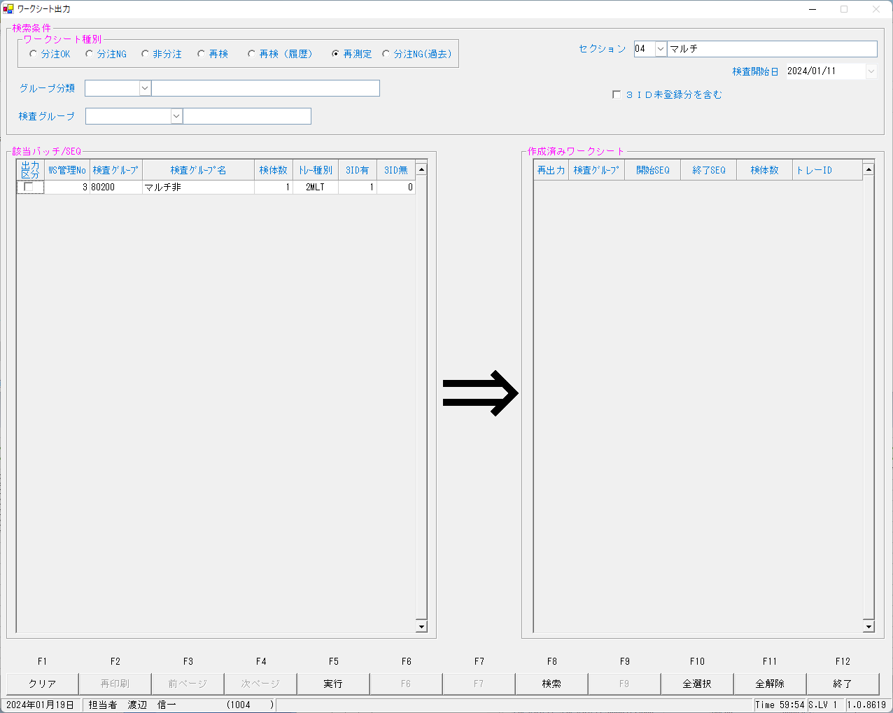
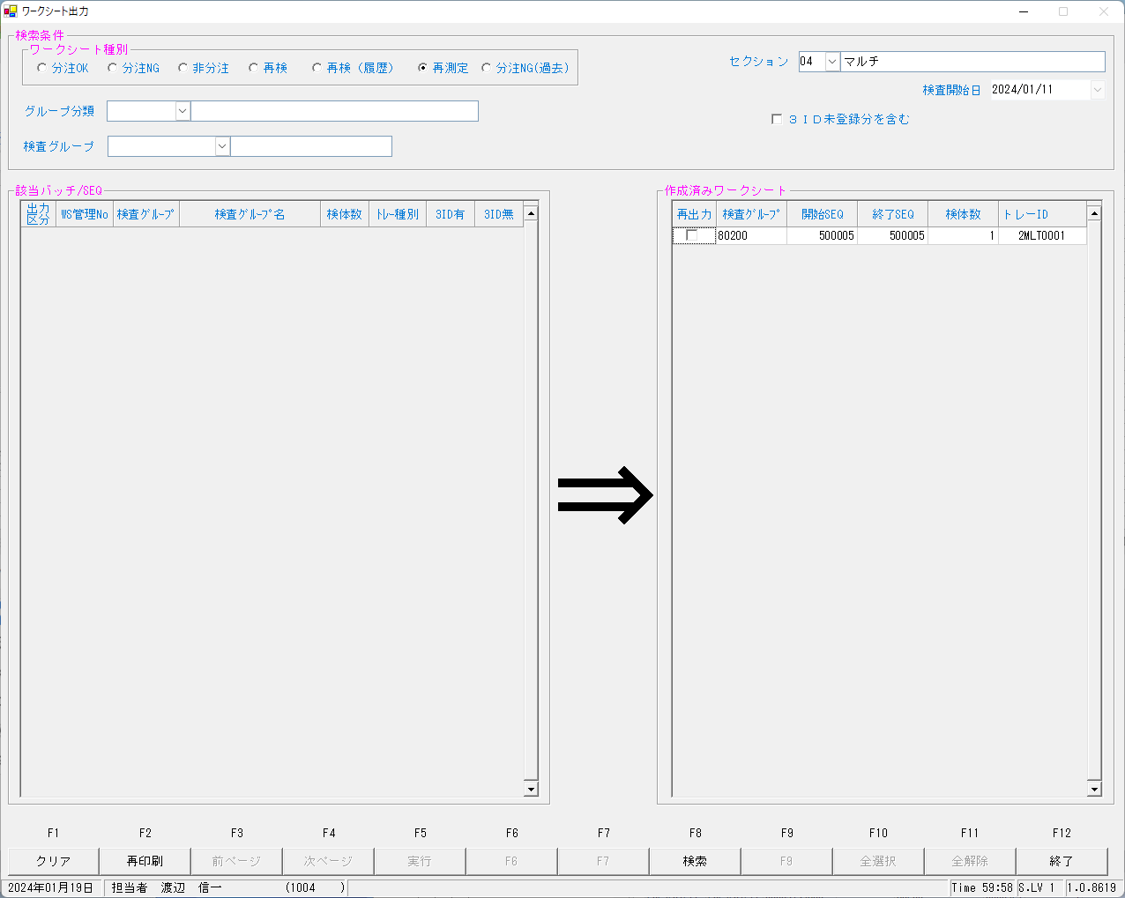

kea00sys@kea00apk:/apdata/today/file/NSWS/Send/TrInfo/Multi> ls -l
合計 40
drwxrwxr-x 4 kea00sys users 4096 1月 19 10:27 ./
drwxrwxr-x 8 kea00sys users 4096 8月 28 10:40 ../
drwxrwxr-x 2 kea00sys users 4096 2月 5 2019 Err/
drwxrwxr-x 2 kea00sys users 4096 2月 5 2019 Ok/
-rwxr--r-- 1 nswkst users 4138 1月 12 14:28 TR_240112142854_2MLT0040.dat*
-rwxr--r-- 1 nswkst users 4138 1月 12 15:29 TR_240112152946_2MLT0041.dat*
-rwxr--r-- 1 nswkst users 4138 1月 19 10:27 TR_240119102822_2MLT0001.dat* |  |  |  |  |  | ←作成されたトレー検体先付け情報ファイル

kea00sys@kea00apk:/apdata/today/file/NSWS/Send/TrInfo/Multi> cat TR_240119102822_2MLT0001.dat
2MLT0001,20240111,20240111,00003154800 ,00003154800 ,1 , , , , , , , , , , , , , , , , , , , , , , , , , , , , , , , , , , , , , , , , , , , , , , , , , , , , , , , , , , , , , , , , , , , , , , , , , , , , , , , , , , , , , , , , , , , , , , , , , , , , , , , , , , , , , , , , , , , , , , , , , , , , , , , , , , , , , , , , , , , , , , , , , , , , , , , , , , , , , , , , , , , , , , , , , , , , , , , , , , , , , , , , , , , , , ,

トレー・ラック紐付け情報ファイルを作成する日設の変わりが開発機にはないので作成する

Version:0.9 StartHTML:00000097 EndHTML:00085638 StartFragment:00000120 EndFragment:00085616
KNSKISYMD | SRIYMD | KNTNO | KNTKETFLG | KNSGRP | KMKCD | KNSSU | KNSSUEDA | IRIHSMKBN | IRIKBN | KSKTKBN | UTKYMD | IRINO | IRIKETFLG | ZSSDINO | SSTCD | TRID | TRPOS | ASYRCKID | ASYRCKPOS | OYAKMKCD | SECCD | BKFKKBN | SMPCD | BSKKBN | NBKMKCD | ZRCD | YSNLBL | KJNO | FKHKKNOHJKBN | TBKJNO | TBKJFLG | HTKFKHMS | SKFLG | TSKFLG | TKTFLG | YTIKSBR | KKFLG | KKIRIFLG | KKIRILOTNO | SC | TJ | TJTNI | SBTKBN | BIRTHDAY | BIRTHDAYKBN | AGE | AGEKBN | SSTME | SSYMD | TNTME | TNTNI | TNRYO | TNRYOTNI | KNSSEQ | BTHNO | KNSJKFLG | KSNDH
2024-01-11 | 2024-01-11 | 00003154800 |  | 80200 | 0000401 | 1 | 0 | 0 | A | A | 2024-01-11 | 00003154800 |  | 0 | 5492500 | 2MLT0040 | 5 | 54105 | 5 | 0000401 | A | 0 | 0054 |  |  | 023 | 00 | 001 |  |  |  |  | 0 |  |  | 1 | 0 | 0 | 0 |  |  | 0 | 9 |  |  |  | Y | 0:00:01 | 1000/01/01 |  | 0 |  | 0 | 500005 | 0 | 1 | 2024-01-12
2024-01-11 | 2024-01-11 | 00003154800 |  | 80200 | 0000409 | 1 | 0 | 2 | A | A | 2024-01-11 | 00003154800 |  | 0 | 5492500 | 2MLT0040 | 5 | 54105 | 5 | 0000409 | A | 0 | 0054 |  |  | 023 | 00 | 005 |  |  |  |  | 0 |  |  | 1 | 0 | 0 | 0 |  |  | 0 | 9 |  |  |  | Y | 0:00:01 | 1000/01/01 |  | 0 |  | 0 | 500005 | 0 | 1 | 2024-01-12
2024-01-11 | 2024-01-11 | 00003154800 |  | 80200 | 0000413 | 1 | 0 | 0 | A | A | 2024-01-11 | 00003154800 |  | 0 | 5492500 | 2MLT0040 | 5 | 54105 | 5 | 0000413 | A | 0 | 0054 |  |  | 023 | 00 | 009 |  |  |  |  | 0 |  |  | 1 | 0 | 0 | 0 |  |  | 0 | 9 |  |  |  | Y | 0:00:01 | 1000/01/01 |  | 0 |  | 0 | 500005 | 0 | 1 | 2024-01-12
2024-01-11 | 2024-01-11 | 00003154800 |  | 80200 | 0000417 | 1 | 0 | 0 | A | A | 2024-01-11 | 00003154800 |  | 0 | 5492500 | 2MLT0040 | 5 | 54105 | 5 | 0000417 | A | 0 | 0054 |  |  | 023 | 00 | 001 |  |  |  |  | 0 |  |  | 1 | 0 | 0 | 0 |  |  | 0 | 9 |  |  |  | Y | 0:00:01 | 1000/01/01 |  | 0 |  | 0 | 500005 | 0 | 1 | 2024-01-12
2024-01-11 | 2024-01-11 | 00003154800 |  | 80200 | 0000421 | 1 | 0 | 0 | A | A | 2024-01-11 | 00003154800 |  | 0 | 5492500 | 2MLT0040 | 5 | 54105 | 5 | 0000421 | A | 0 | 0054 |  |  | 023 | 00 | 001 |  |  |  |  | 0 |  |  | 1 | 0 | 0 | 0 |  |  | 0 | 9 |  |  |  | Y | 0:00:01 | 1000/01/01 |  | 0 |  | 0 | 500005 | 0 | 1 | 2024-01-12
2024-01-11 | 2024-01-11 | 00003154800 |  | 80200 | 0000423 | 1 | 0 | 0 | A | A | 2024-01-11 | 00003154800 |  | 0 | 5492500 | 2MLT0040 | 5 | 54105 | 5 | 0000423 | A | 0 | 0054 |  |  | 023 | 00 | 001 |  |  |  |  | 0 |  |  | 1 | 0 | 0 | 0 |  |  | 0 | 9 |  |  |  | Y | 0:00:01 | 1000/01/01 |  | 0 |  | 0 | 500005 | 0 | 1 | 2024-01-12
2024-01-11 | 2024-01-11 | 00003154800 |  | 80200 | 0000425 | 1 | 0 | 0 | A | A | 2024-01-11 | 00003154800 |  | 0 | 5492500 | 2MLT0040 | 5 | 54105 | 5 | 0000425 | A | 0 | 0054 |  |  | 023 | 00 | 001 |  |  |  |  | 0 |  |  | 1 | 0 | 0 | 0 |  |  | 0 | 9 |  |  |  | Y | 0:00:01 | 1000/01/01 |  | 0 |  | 0 | 500005 | 0 | 1 | 2024-01-12
2024-01-11 | 2024-01-11 | 00003154800 |  | 80200 | 0000454 | 1 | 0 | 0 | A | A | 2024-01-11 | 00003154800 |  | 0 | 5492500 | 2MLT0040 | 5 | 54105 | 5 | 0000454 | A | 0 | 0054 |  |  | 023 | 00 | 001 |  |  |  |  | 0 |  |  | 1 | 0 | 0 | 0 |  |  | 0 | 9 |  |  |  | Y | 0:00:01 | 1000/01/01 |  | 0 |  | 0 | 500005 | 0 | 1 | 2024-01-12
2024-01-11 | 2024-01-11 | 00003154800 |  | 80200 | 0900013 | 1 | 0 | 2 | A | A | 2024-01-11 | 00003154800 |  | 0 | 5492500 | 2MLT0040 | 5 | 54105 | 5 | 0900013 | A | 0 | 0054 |  |  | 023 | 00 | 001 |  |  |  |  | 0 |  |  | 1 | 0 | 0 | 0 |  |  | 0 | 9 |  |  |  | Y | 0:00:01 | 1000/01/01 |  | 0 |  | 0 | 500005 | 0 | 1 | 2024-01-12
2024-01-11 | 2024-01-11 | 00003154800 |  | 80200 | 0000401 | 2 | 0 | 0 | A | K | 2024-01-11 | 00003154800 |  | 0 | 5492500 | 2MLT0041 | 3 | 58624 | 3 | 0000401 | A | 0 | 0054 |  |  | 023 | 00 | 001 |  |  |  |  | 0 |  |  | 1 | 0 | 0 | 0 |  |  | 0 | 9 |  |  |  | Y | 0:00:01 | 1000/01/01 |  | 0 |  | 0 | 500103 | 0 | 1 | 2024-01-12
2024-01-11 | 2024-01-11 | 00003154800 |  | 80200 | 0000409 | 2 | 0 | 2 | A | K | 2024-01-11 | 00003154800 |  | 0 | 5492500 | 2MLT0041 | 3 | 58624 | 3 | 0000409 | A | 0 | 0054 |  |  | 023 | 00 | 005 |  |  |  |  | 0 |  |  | 1 | 0 | 0 | 0 |  |  | 0 | 9 |  |  |  | Y | 0:00:01 | 1000/01/01 |  | 0 |  | 0 | 500103 | 0 | 1 | 2024-01-12
2024-01-11 | 2024-01-11 | 00003154800 |  | 80200 | 0000413 | 2 | 0 | 0 | A | K | 2024-01-11 | 00003154800 |  | 0 | 5492500 | 2MLT0041 | 3 | 58624 | 3 | 0000413 | A | 0 | 0054 |  |  | 023 | 00 | 009 |  |  |  |  | 0 |  |  | 1 | 0 | 0 | 0 |  |  | 0 | 9 |  |  |  | Y | 0:00:01 | 1000/01/01 |  | 0 |  | 0 | 500103 | 0 | 1 | 2024-01-12
2024-01-11 | 2024-01-11 | 00003154800 |  | 80200 | 0000417 | 2 | 0 | 0 | A | K | 2024-01-11 | 00003154800 |  | 0 | 5492500 | 2MLT0041 | 3 | 58624 | 3 | 0000417 | A | 0 | 0054 |  |  | 023 | 00 | 001 |  |  |  |  | 0 |  |  | 1 | 0 | 0 | 0 |  |  | 0 | 9 |  |  |  | Y | 0:00:01 | 1000/01/01 |  | 0 |  | 0 | 500103 | 0 | 1 | 2024-01-12
2024-01-11 | 2024-01-11 | 00003154800 |  | 80200 | 0000425 | 2 | 0 | 0 | A | K | 2024-01-11 | 00003154800 |  | 0 | 5492500 | 2MLT0041 | 3 | 58624 | 3 | 0000425 | A | 0 | 0054 |  |  | 023 | 00 | 001 |  |  |  |  | 0 |  |  | 1 | 0 | 0 | 0 |  |  | 0 | 9 |  |  |  | Y | 0:00:01 | 1000/01/01 |  | 0 |  | 0 | 500103 | 0 | 1 | 2024-01-12
2024-01-11 | 2024-01-11 | 00003154800 |  | 80200 | 0000454 | 2 | 0 | 0 | A | K | 2024-01-11 | 00003154800 |  | 0 | 5492500 | 2MLT0041 | 3 | 58624 | 3 | 0000454 | A | 0 | 0054 |  |  | 023 | 00 | 001 |  |  |  |  | 0 |  |  | 1 | 0 | 0 | 0 |  |  | 0 | 9 |  |  |  | Y | 0:00:01 | 1000/01/01 |  | 0 |  | 0 | 500103 | 0 | 1 | 2024-01-12
2024-01-11 | 2024-01-11 | 00003154800 |  | 80200 | 0900013 | 2 | 0 | 2 | A | K | 2024-01-11 | 00003154800 |  | 0 | 5492500 | 2MLT0041 | 3 | 58624 | 3 | 0900013 | A | 0 | 0054 |  |  | 023 | 00 | 001 |  |  |  |  | 0 |  |  | 1 | 0 | 0 | 0 |  |  | 0 | 9 |  |  |  | Y | 0:00:01 | 1000/01/01 |  | 0 |  | 0 | 500103 | 0 | 1 | 2024-01-12
2024-01-11 | 2024-01-11 | 00003154800 |  | 80200 | 0000421 | 3 | 0 | 0 | A | K | 2024-01-11 | 00003154800 |  | 0 | 5492500 | 2MLT0041 | 3 | 58624 | 3 | 0000421 | A | 0 | 0054 |  |  | 023 | 00 | 001 |  |  |  |  | 0 |  |  | 1 | 0 | 0 | 0 |  |  | 0 | 9 |  |  |  | Y | 0:00:01 | 1000/01/01 |  | 0 |  | 0 | 500103 | 0 | 1 | 2024-01-12
2024-01-11 | 2024-01-11 | 00003154800 |  | 80200 | 0000423 | 3 | 0 | 0 | A | K | 2024-01-11 | 00003154800 |  | 0 | 5492500 | 2MLT0041 | 3 | 58624 | 3 | 0000423 | A | 0 | 0054 |  |  | 023 | 00 | 001 |  |  |  |  | 0 |  |  | 1 | 0 | 0 | 0 |  |  | 0 | 9 |  |  |  | Y | 0:00:01 | 1000/01/01 |  | 0 |  | 0 | 500103 | 0 | 1 | 2024-01-12
2024-01-11 | 2024-01-11 | 00003154800 |  | 80200 | 0000409 | 4 | 0 | 2 | A | S | 2024-01-11 | 00003154800 |  | 0 | 5492500 | 2MLT0001 | 1 |  | 0 | 0000409 | A | 0 | 0054 |  |  | 023 | 00 | 005 |  |  |  |  | 0 |  |  | 1 | 0 | 0 | 0 |  |  | 0 | 9 |  |  |  | Y | 0:00:01 | 1000/01/01 |  | 0 |  | 0 | 500005 | 0 |  | 2024-01-19
2024-01-11 | 2024-01-11 | 00003154800 |  | 80200 | 0900013 | 4 | 0 | 2 | A | S | 2024-01-11 | 00003154800 |  | 0 | 5492500 | 2MLT0001 | 1 |  | 0 | 0900013 | A | 0 | 0054 |  |  | 023 | 00 | 001 |  |  |  |  | 0 |  |  | 1 | 0 | 0 | 0 |  |  | 0 | 9 |  |  |  | Y | 0:00:01 | 1000/01/01 |  | 0 |  | 0 | 500005 | 0 |  | 2024-01-19

上記より再検オーダーは報告していないもののみが対象となってる。報告済みのものについては、再検オーダーはでないようなので没
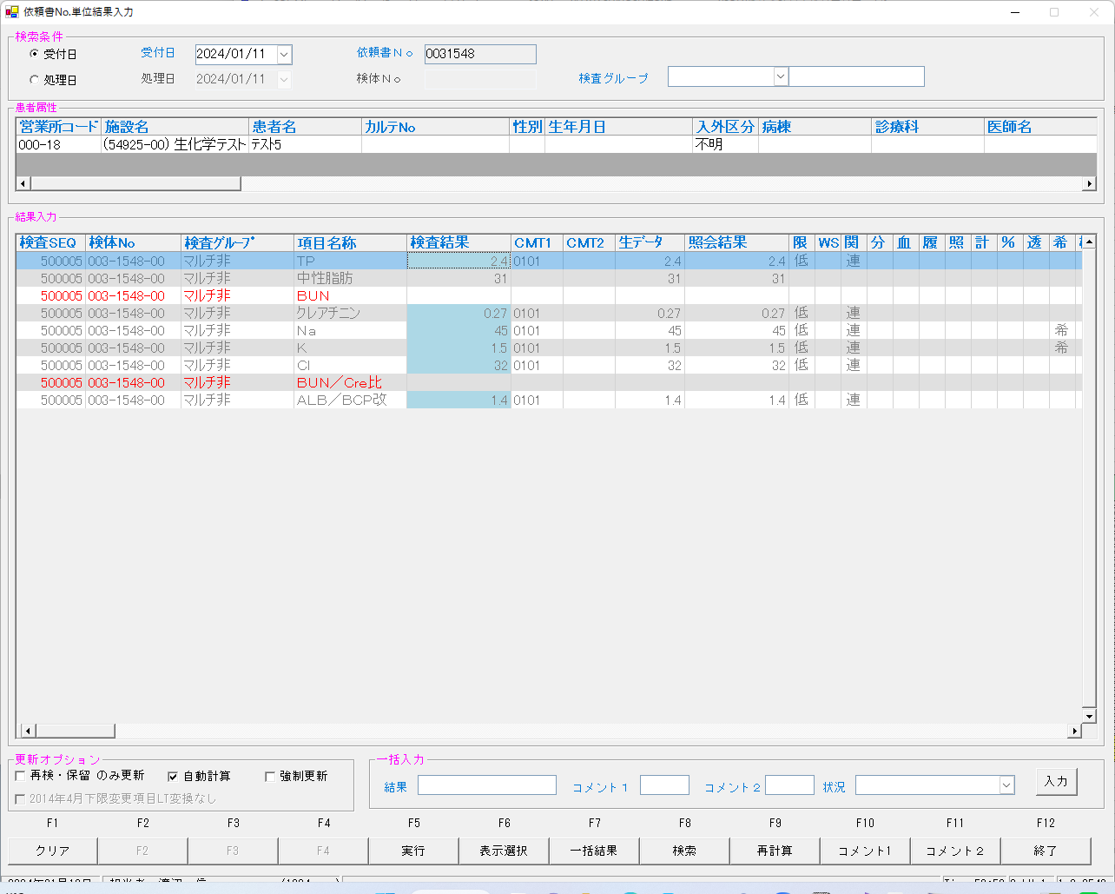
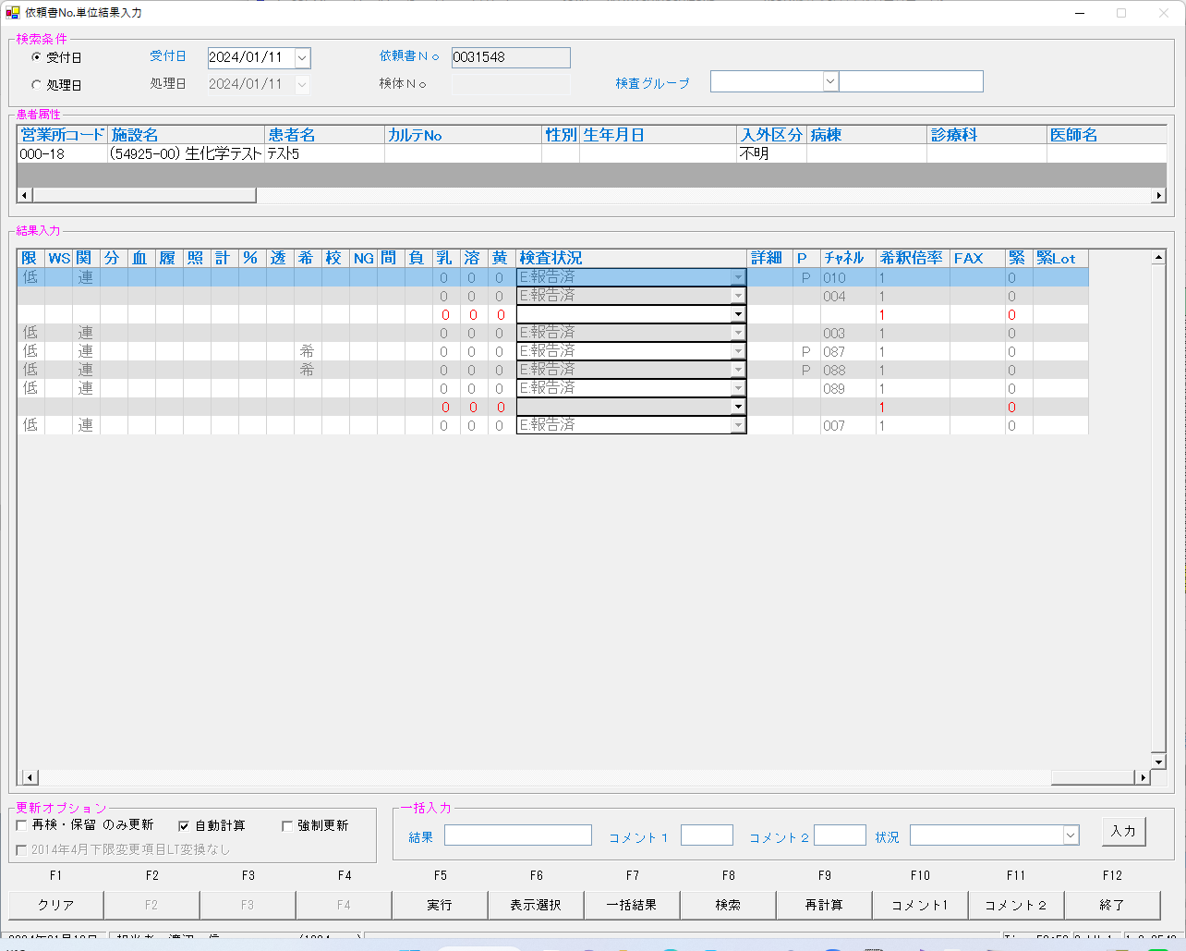

報告後の再測定はできませんでした。

報告前の再測定（プログラム修正前）
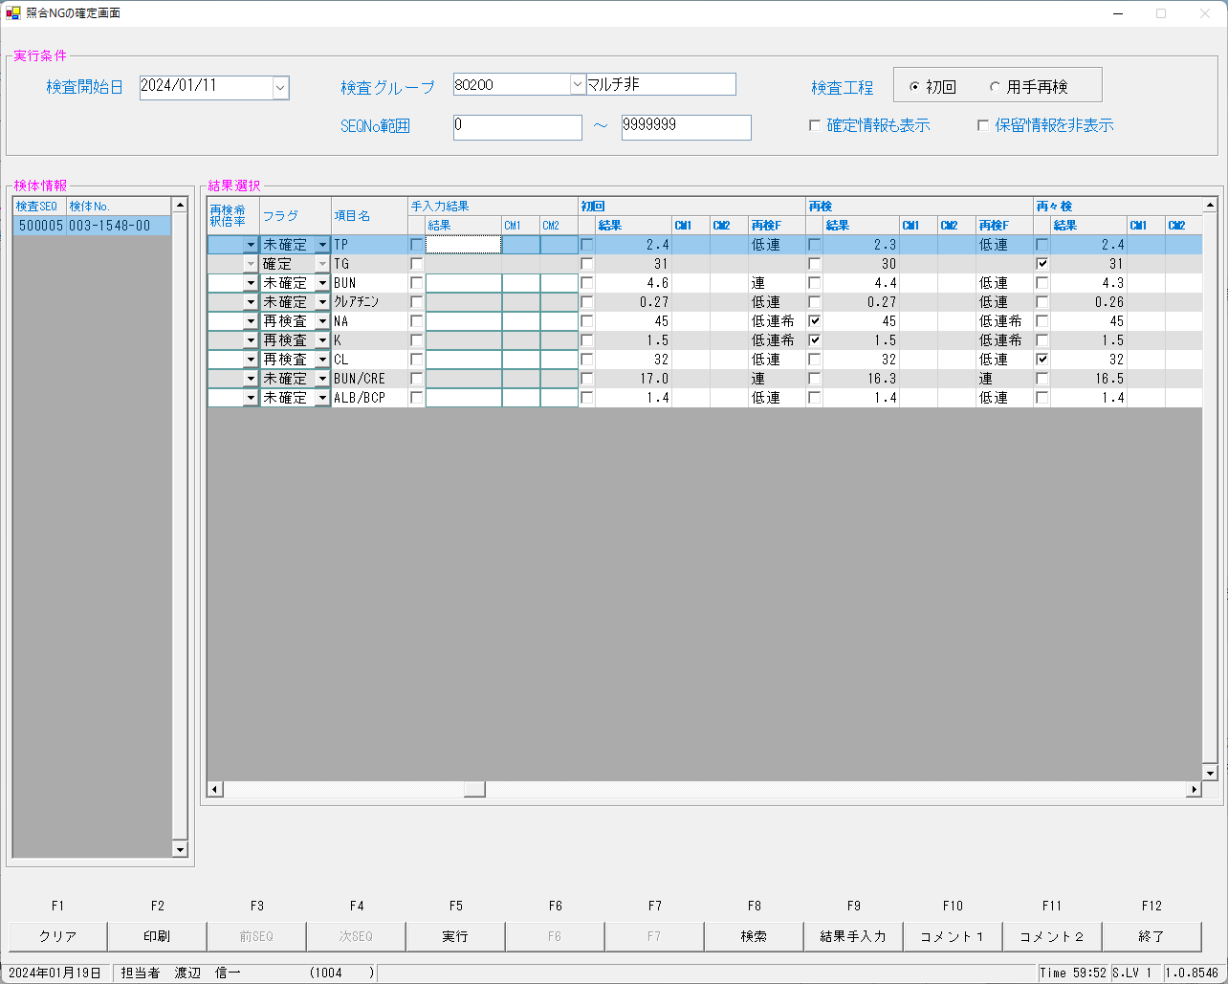
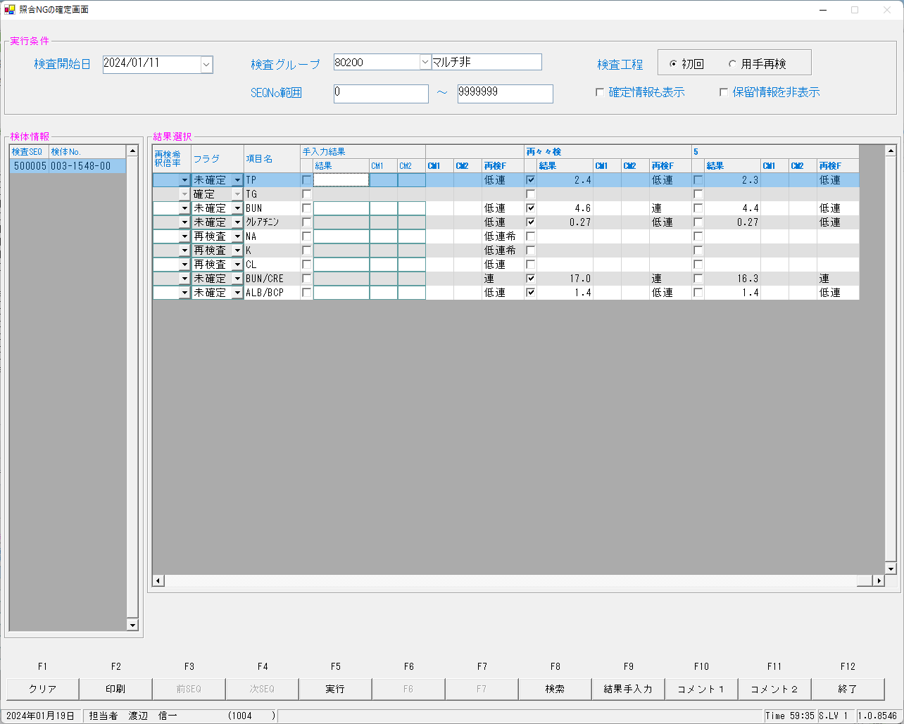
再検までのオ－ダー情報は（テーブル、ファイル共に）1/12テストの状態をそのまま使用するので、再検までは電文を流せばよい感じにする

delete from kekka where irino = '00003154800' ;
delete from KENORDER where irino = '00003154800' and knssu = 4 ; -- (knssu = 1 初回、0000421、0000423のknssu = 2 自働再検、knssu = 2,3 再検、knssu = 4 再測定)
delete from REALCHK where irino = '00003154800' and knssu = 4 ; -- (knssu = 1 初回、0000421、0000423のknssu = 2 自働再検、knssu = 2,3 再検、knssu = 4 再測定)
update irai set KSKTKBN = 'A' , KNSSU = '1' , ODRSSFLG = '2' where irino = '00003154800' ;
初回（2-1.0031548（低値あり）ー初回、自動再検分.txt）をながす
再検（2-2.0031548（低値あり）ー再検分.txt）をながす
UPDATE IRAI set ODRSSFLG = '2' WHERE IRINO = '00003154800' ;
再検後の状態となっていることを確認する
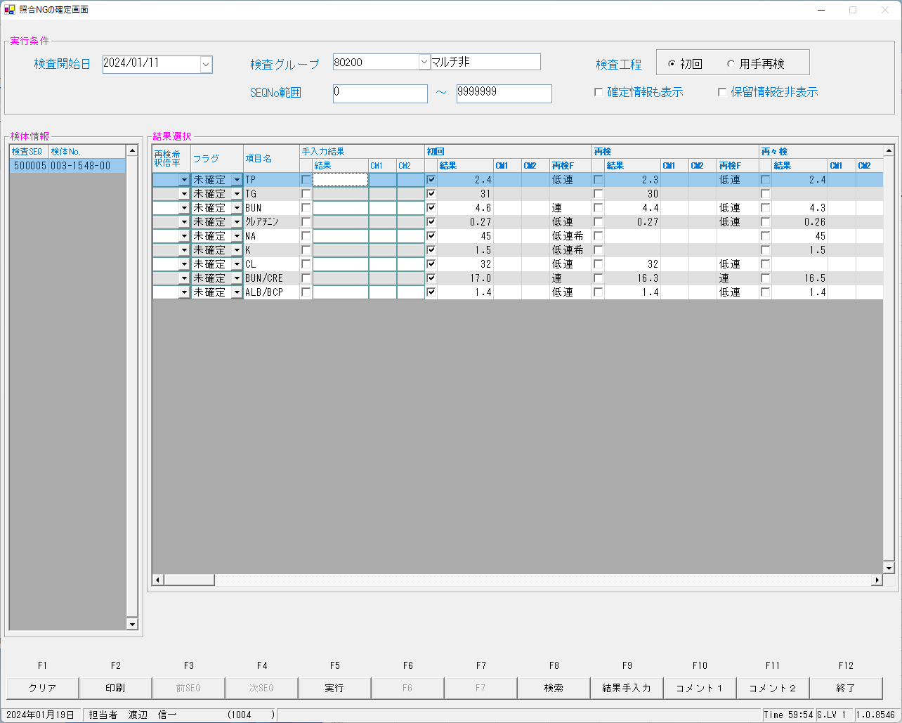

再測定指示の指示情報を確認
select SRIYMD,IRINO,KNSSU,BSKKBN,BSKLNE,BSKGOK,KNSGRP,CTRLNO,BSKSEQ,KNSSEQ from kekka where irino = '00003154800' order by knssu,kmkcd ;
SRIYMD | IRINO | KNSSU | BSKKBN | BSKLNE | BSKGOK | KNSGRP | CTRLNO | BSKSEQ | KNSSEQ
2024-01-11 | 00003154800 | 1 | BIOM | 13 | 130400 | 80200 | 1 | 7005 | 500005
2024-01-11 | 00003154800 | 1 | BIOM | 13 | 130400 | 80200 | 1 | 7005 | 500005
2024-01-11 | 00003154800 | 1 | BIOM | 13 | 130400 | 80200 | 1 | 7005 | 500005
2024-01-11 | 00003154800 | 1 | BIOM | 13 | 130400 | 80200 | 1 | 7005 | 500005
2024-01-11 | 00003154800 | 1 | BIOM | 13 | 130003 | 80200 | 1 | 7005 | 500005
2024-01-11 | 00003154800 | 1 | BIOM | 13 | 130003 | 80200 | 1 | 7005 | 500005
2024-01-11 | 00003154800 | 1 | BIOM | 13 | 130003 | 80200 | 1 | 7005 | 500005
2024-01-11 | 00003154800 | 1 | BIOM | 13 | 130400 | 80200 | 1 | 7005 | 500005
2024-01-11 | 00003154800 | 1 | BIOM | 13 | 130100 | 80200 | 1 | 7005 | 500005
2024-01-11 | 00003154800 | 2 | BIOM | 13 | 130400 | 80200 | 1 | 7005 | 500005
2024-01-11 | 00003154800 | 2 | BIOM | 13 | 130400 | 80200 | 1 | 7005 | 500005
2024-01-11 | 00003154800 | 2 | BIOM | 13 | 130100 | 80200 | 1 | 7005 | 500005
2024-01-11 | 00003154800 | 2 | BIOM | 13 | 130400 | 80200 | 1 | 7005 | 500005
2024-01-11 | 00003154800 | 2 | BIOM | 13 | 130001 | 80200 | 1 | 7013 | 500103
2024-01-11 | 00003154800 | 2 | BIOM | 13 | 130400 | 80200 | 1 | 7013 | 500103
2024-01-11 | 00003154800 | 2 | BIOM | 13 | 130400 | 80200 | 1 | 7005 | 500005
2024-01-11 | 00003154800 | 3 | BIOM | 13 | 130400 | 80200 | 1 | 7013 | 500103
2024-01-11 | 00003154800 | 3 | BIOM | 13 | 130400 | 80200 | 1 | 7013 | 500103
2024-01-11 | 00003154800 | 3 | BIOM | 13 | 130400 | 80200 | 1 | 7013 | 500103
2024-01-11 | 00003154800 | 3 | BIOM | 13 | 130400 | 80200 | 1 | 7013 | 500103
2024-01-11 | 00003154800 | 3 | BIOM | 13 | 130001 | 80200 | 1 | 7013 | 500103
2024-01-11 | 00003154800 | 3 | BIOM | 13 | 130001 | 80200 | 1 | 7013 | 500103
2024-01-11 | 00003154800 | 3 | BIOM | 13 | 130100 | 80200 | 1 | 7013 | 500103

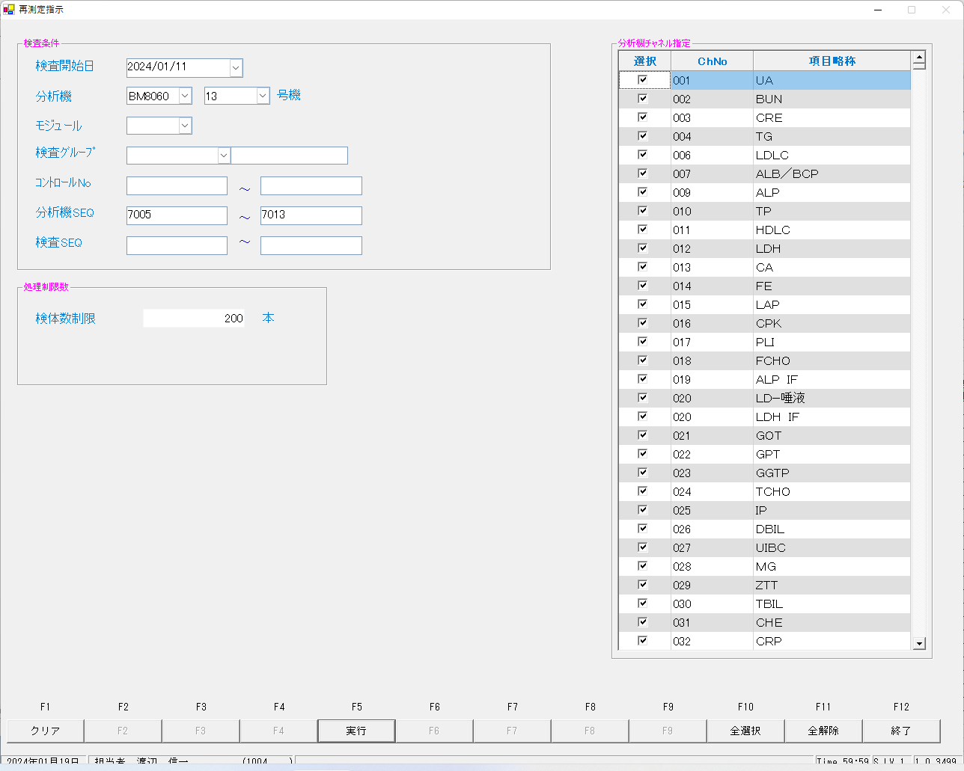

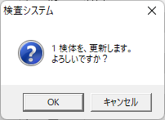

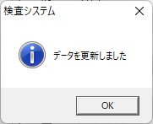

上再測定指示前の依頼情報、下再測定指示後の依頼情報
select * from irai where irino = '00003154800' order by kmkcd ;
UTKYMD | IRINO | IRIKETFLG | ZSSDINO | KNSGRP | KMKCD | IRIHSMKBN | IRIKBN | KSKTKBN | SRIYMD | KNTNO | KNTKETFLG | CHKMJ | STSRCD | KMKRS | OYAKMKCD | SMPCD | SETKMKCD | SRINYCD | SECCD | SKCHKFLG | BKFKKBN | YSNLBL | SKFLG | TKFLG | SJFLG | JKTKFLG | KJNO | FKHKKNOHJKBN | TBKJNO | TBKJFLG | HTKFKHMS | TSKFLG | TKTFLG | BNCKBN | NBNCKBN | KNSKISYYMD | KNSKRYYMD | KNSKRYTME | KKHKKFLG | KKIRIFLG | KKIRILOTNO | KKTOUTKID | KNSSU | ODRSSFLG | YTIKSBR | HHKJKFLG | KSNDH | TRKDH
2024-01-11 | 00003154800 |  | 0 | 80200 | 0000401 | 0 | A | K | 2024-01-11 | 00003154800 |  | ﾅﾂ | 023 | TP | 0000401 | 0054 | 0000000 | 0 | A | 0 | 0 | 00 | 0 | 0 | 0 | 0 | 001 |  |  |  |  |  |  | 2 | 0 | 2024-01-11 | 1000/01/01 | 0:00:01 | 0 | 0 | 0 |  | 2 | 2 | 1 |  | 2024-01-12 | 2024-01-12
2024-01-11 | 00003154800 |  | 0 | 80200 | 0000409 | 2 | A | K | 2024-01-11 | 00003154800 |  | ﾅﾂ | 023 | BUN | 0000409 | 0054 | 0000000 | 2 | A | 0 | 0 | 00 | 0 | 0 | 0 | 0 | 005 |  |  |  |  |  |  | 2 | 0 | 2024-01-11 | 1000/01/01 | 0:00:01 | 0 | 0 | 0 |  | 2 | 2 | 1 |  | 2024-01-12 | 2024-01-12
2024-01-11 | 00003154800 |  | 0 | 80200 | 0000413 | 0 | A | K | 2024-01-11 | 00003154800 |  | ﾅﾂ | 023 | ｸﾚｱﾁﾆﾝ | 0000413 | 0054 | 0000000 | 0 | A | 0 | 0 | 00 | 0 | 0 | 0 | 0 | 009 |  |  |  |  |  |  | 2 | 0 | 2024-01-11 | 1000/01/01 | 0:00:01 | 0 | 0 | 0 |  | 2 | 2 | 1 |  | 2024-01-12 | 2024-01-12
2024-01-11 | 00003154800 |  | 0 | 80200 | 0000417 | 0 | A | K | 2024-01-11 | 00003154800 |  | ﾅﾂ | 023 | ALB/BCP | 0000417 | 0054 | 0000000 | 0 | A | 0 | 0 | 00 | 0 | 0 | 0 | 0 | 001 |  |  |  |  |  |  | 2 | 0 | 2024-01-11 | 1000/01/01 | 0:00:01 | 0 | 0 | 0 |  | 2 | 2 | 1 |  | 2024-01-12 | 2024-01-12
2024-01-11 | 00003154800 |  | 0 | 80200 | 0000421 | 0 | A | K | 2024-01-11 | 00003154800 |  | ﾅﾂ | 023 | NA | 0000421 | 0054 | 0000000 | 0 | A | 0 | 0 | 00 | 0 | 0 | 0 | 0 | 001 |  |  |  |  |  |  | 2 | 0 | 2024-01-11 | 1000/01/01 | 0:00:01 | 0 | 0 | 0 |  | 3 | 2 | 1 |  | 2024-01-12 | 2024-01-12
2024-01-11 | 00003154800 |  | 0 | 80200 | 0000423 | 0 | A | K | 2024-01-11 | 00003154800 |  | ﾅﾂ | 023 | K | 0000423 | 0054 | 0000000 | 0 | A | 0 | 0 | 00 | 0 | 0 | 0 | 0 | 001 |  |  |  |  |  |  | 2 | 0 | 2024-01-11 | 1000/01/01 | 0:00:01 | 0 | 0 | 0 |  | 3 | 2 | 1 |  | 2024-01-12 | 2024-01-12
2024-01-11 | 00003154800 |  | 0 | 80200 | 0000425 | 0 | A | K | 2024-01-11 | 00003154800 |  | ﾅﾂ | 023 | CL | 0000425 | 0054 | 0000000 | 0 | A | 0 | 0 | 00 | 0 | 0 | 0 | 0 | 001 |  |  |  |  |  |  | 2 | 0 | 2024-01-11 | 1000/01/01 | 0:00:01 | 0 | 0 | 0 |  | 2 | 2 | 1 |  | 2024-01-12 | 2024-01-12
2024-01-11 | 00003154800 |  | 0 | 80200 | 0000454 | 0 | A | K | 2024-01-11 | 00003154800 |  | ﾅﾂ | 023 | TG | 0000454 | 0054 | 0000000 | 0 | A | 0 | 0 | 00 | 0 | 0 | 0 | 0 | 001 |  |  |  |  |  |  | 2 | 0 | 2024-01-11 | 1000/01/01 | 0:00:01 | 0 | 0 | 0 |  | 2 | 2 | 1 |  | 2024-01-12 | 2024-01-12
2024-01-11 | 00003154800 |  | 0 | 80200 | 0900013 | 2 | A | K | 2024-01-11 | 00003154800 |  | ﾅﾂ | 023 | BUN/CRE | 0900013 | 0054 | 0000000 | 2 | A | 0 | 0 | 00 | 0 | 0 | 0 | 0 | 001 |  |  |  |  |  |  | 2 | 0 | 2024-01-11 | 1000/01/01 | 0:00:01 | 0 | 0 | 0 |  | 2 | 2 | 1 |  | 2024-01-12 | 2024-01-12
UTKYMD | IRINO | IRIKETFLG | ZSSDINO | KNSGRP | KMKCD | IRIHSMKBN | IRIKBN | KSKTKBN | SRIYMD | KNTNO | KNTKETFLG | CHKMJ | STSRCD | KMKRS | OYAKMKCD | SMPCD | SETKMKCD | SRINYCD | SECCD | SKCHKFLG | BKFKKBN | YSNLBL | SKFLG | TKFLG | SJFLG | JKTKFLG | KJNO | FKHKKNOHJKBN | TBKJNO | TBKJFLG | HTKFKHMS | TSKFLG | TKTFLG | BNCKBN | NBNCKBN | KNSKISYYMD | KNSKRYYMD | KNSKRYTME | KKHKKFLG | KKIRIFLG | KKIRILOTNO | KKTOUTKID | KNSSU | ODRSSFLG | YTIKSBR | HHKJKFLG | KSNDH | TRKDH
2024-01-11 | 00003154800 |  | 0 | 80200 | 0000401 | 0 | A | S | 2024-01-11 | 00003154800 |  | ﾅﾂ | 023 | TP | 0000401 | 0054 | 0000000 | 0 | A | 0 | 0 | 00 | 0 | 0 | 0 | 0 | 001 |  |  |  |  |  |  | 2 | 0 | 2024-01-11 | 1000/01/01 | 0:00:01 | 0 | 0 | 0 |  | 2 | 1 | 1 |  | 2024-01-19 | 2024-01-12
2024-01-11 | 00003154800 |  | 0 | 80200 | 0000409 | 2 | A | S | 2024-01-11 | 00003154800 |  | ﾅﾂ | 023 | BUN | 0000409 | 0054 | 0000000 | 2 | A | 0 | 0 | 00 | 0 | 0 | 0 | 0 | 005 |  |  |  |  |  |  | 2 | 0 | 2024-01-11 | 1000/01/01 | 0:00:01 | 0 | 0 | 0 |  | 2 | 1 | 1 |  | 2024-01-19 | 2024-01-12
2024-01-11 | 00003154800 |  | 0 | 80200 | 0000413 | 0 | A | S | 2024-01-11 | 00003154800 |  | ﾅﾂ | 023 | ｸﾚｱﾁﾆﾝ | 0000413 | 0054 | 0000000 | 0 | A | 0 | 0 | 00 | 0 | 0 | 0 | 0 | 009 |  |  |  |  |  |  | 2 | 0 | 2024-01-11 | 1000/01/01 | 0:00:01 | 0 | 0 | 0 |  | 2 | 1 | 1 |  | 2024-01-19 | 2024-01-12
2024-01-11 | 00003154800 |  | 0 | 80200 | 0000417 | 0 | A | S | 2024-01-11 | 00003154800 |  | ﾅﾂ | 023 | ALB/BCP | 0000417 | 0054 | 0000000 | 0 | A | 0 | 0 | 00 | 0 | 0 | 0 | 0 | 001 |  |  |  |  |  |  | 2 | 0 | 2024-01-11 | 1000/01/01 | 0:00:01 | 0 | 0 | 0 |  | 2 | 1 | 1 |  | 2024-01-19 | 2024-01-12
2024-01-11 | 00003154800 |  | 0 | 80200 | 0000421 | 0 | A | S | 2024-01-11 | 00003154800 |  | ﾅﾂ | 023 | NA | 0000421 | 0054 | 0000000 | 0 | A | 0 | 0 | 00 | 0 | 0 | 0 | 0 | 001 |  |  |  |  |  |  | 2 | 0 | 2024-01-11 | 1000/01/01 | 0:00:01 | 0 | 0 | 0 |  | 2 | 1 | 1 |  | 2024-01-19 | 2024-01-12
2024-01-11 | 00003154800 |  | 0 | 80200 | 0000423 | 0 | A | S | 2024-01-11 | 00003154800 |  | ﾅﾂ | 023 | K | 0000423 | 0054 | 0000000 | 0 | A | 0 | 0 | 00 | 0 | 0 | 0 | 0 | 001 |  |  |  |  |  |  | 2 | 0 | 2024-01-11 | 1000/01/01 | 0:00:01 | 0 | 0 | 0 |  | 2 | 1 | 1 |  | 2024-01-19 | 2024-01-12
2024-01-11 | 00003154800 |  | 0 | 80200 | 0000425 | 0 | A | S | 2024-01-11 | 00003154800 |  | ﾅﾂ | 023 | CL | 0000425 | 0054 | 0000000 | 0 | A | 0 | 0 | 00 | 0 | 0 | 0 | 0 | 001 |  |  |  |  |  |  | 2 | 0 | 2024-01-11 | 1000/01/01 | 0:00:01 | 0 | 0 | 0 |  | 2 | 1 | 1 |  | 2024-01-19 | 2024-01-12
2024-01-11 | 00003154800 |  | 0 | 80200 | 0000454 | 0 | A | S | 2024-01-11 | 00003154800 |  | ﾅﾂ | 023 | TG | 0000454 | 0054 | 0000000 | 0 | A | 0 | 0 | 00 | 0 | 0 | 0 | 0 | 001 |  |  |  |  |  |  | 2 | 0 | 2024-01-11 | 1000/01/01 | 0:00:01 | 0 | 0 | 0 |  | 2 | 1 | 1 |  | 2024-01-19 | 2024-01-12
2024-01-11 | 00003154800 |  | 0 | 80200 | 0900013 | 2 | A | S | 2024-01-11 | 00003154800 |  | ﾅﾂ | 023 | BUN/CRE | 0900013 | 0054 | 0000000 | 2 | A | 0 | 0 | 00 | 0 | 0 | 0 | 0 | 001 |  |  |  |  |  |  | 2 | 0 | 2024-01-11 | 1000/01/01 | 0:00:01 | 0 | 0 | 0 |  | 2 | 1 | 1 |  | 2024-01-19 | 2024-01-12
 |  |  |  |  |  |  |  | × |  |  |  |  |  |  |  |  |  |  |  |  |  |  |  |  |  |  |  |  |  |  |  |  |  |  |  |  |  |  |  |  |  |  |  | × |  |  | ×
 |  |  |  |  |  |  |  | × |  |  |  |  |  |  |  |  |  |  |  |  |  |  |  |  |  |  |  |  |  |  |  |  |  |  |  |  |  |  |  |  |  |  |  | × |  |  | ×
 |  |  |  |  |  |  |  | × |  |  |  |  |  |  |  |  |  |  |  |  |  |  |  |  |  |  |  |  |  |  |  |  |  |  |  |  |  |  |  |  |  |  |  | × |  |  | ×
 |  |  |  |  |  |  |  | × |  |  |  |  |  |  |  |  |  |  |  |  |  |  |  |  |  |  |  |  |  |  |  |  |  |  |  |  |  |  |  |  |  |  |  | × |  |  | ×
 |  |  |  |  |  |  |  | × |  |  |  |  |  |  |  |  |  |  |  |  |  |  |  |  |  |  |  |  |  |  |  |  |  |  |  |  |  |  |  |  |  |  | × | × |  |  | ×
 |  |  |  |  |  |  |  | × |  |  |  |  |  |  |  |  |  |  |  |  |  |  |  |  |  |  |  |  |  |  |  |  |  |  |  |  |  |  |  |  |  |  | × | × |  |  | ×
 |  |  |  |  |  |  |  | × |  |  |  |  |  |  |  |  |  |  |  |  |  |  |  |  |  |  |  |  |  |  |  |  |  |  |  |  |  |  |  |  |  |  |  | × |  |  | ×
 |  |  |  |  |  |  |  | × |  |  |  |  |  |  |  |  |  |  |  |  |  |  |  |  |  |  |  |  |  |  |  |  |  |  |  |  |  |  |  |  |  |  |  | × |  |  | ×
 |  |  |  |  |  |  |  | × |  |  |  |  |  |  |  |  |  |  |  |  |  |  |  |  |  |  |  |  |  |  |  |  |  |  |  |  |  |  |  |  |  |  |  | × |  |  | ×

select * from kekka where irino = '00003154800' order by knssu,kmkcd ;
KNSKISYMD | SRIYMD | KNTNO | KNTKETFLG | KNSGRP | KMKCD | KNSSU | KNSSUEDA | IRIHSMKBN | IRIKBN | KSKTKBN | UTKYMD | IRINO | IRIKETFLG | ZSSDINO | SSTCD | TRID | TRPOS | ASYRCKID | ASYRCKPOS | OYAKMKCD | SECCD | BKFKKBN | SMPCD | BSKKBN | BSKLNE | BSKGOK | BSKSEQ | BSKERRSTS | SKTDH | NBKMKCD | TSTRFLG | ZRCD | YSNLBL | KJNO | FKHKKNOHJKBN | TBKJNO | TBKJFLG | HTKFKHMS | SKFLG | TSKFLG | TKTFLG | JISKSBR | KKFLG | KKIRIFLG | KKIRILOTNO | HSYKFLG | HSKFLG | HHKKFLG | RAWDATA | KNSKKA1 | KNSKKA2 | KNSKKA2KBN | KKAHSKCD | HJKKA | SDI | KKACMT1 | KKACMT2 | KKAJKCD | PNCRGFLG | KNSPNCRGFLG | KKAKSFLG | KKASSFLG | IJKBNM | IJKBNF | IJKBNN | TBIJKBNM | TBIJKBNF | TBIJKBNN | NBDOLBL | NBDOERR | YKDOLBL | YKDOERR | ETCLBL | ETCERR | CTRLNO | KNSSEQ | BTHNO | PLTNO | PLTSEQ | DTNRTTS | DTNRDH | KNSKRDH | HKKDH | HKKKBDH | ZKHKKYYMD | ZKHKKYTME | FRKKAFLG | GZBSFLG | HSIFLG | KKAYSNFLG | TNYRKFLG | SIYFLG | KNSFLG | RENJICFLG | SOUKN1FLG | KANRENFLG | BUNKKUFLG | KESSEIFLG | RIREKIFLG | SYOUGOFLG | KEISANFLG | PER100FLG | TOUSEKFLG | KISYAKFLG | KOUSEIFLG | SYOUNGFLG | SOUKN2FLG | FUKAPTFLG | YOBIFLG01 | TOBIFLG02 | YOBIFLG03 | YOBIFLG04 | YOBIFLG05 | SKRYCDA | SKRYCDB | SKRYCDC | KSNDH | TRKDH | SKKKA
2024-01-11 | 2024-01-11 | 00003154800 |  | 80200 | 0000401 | 1 | 0 | 0 | A | A | 2024-01-11 | 00003154800 |  | 0 | 5492500 | 2MLT0040 | 5 | 54105 | 5 | 0000401 | A | 0 | 0054 | BIOM | 13 | 130400 | 7005 |  | 2024-01-12 | 010 | R | 023 | 00 | 001 |  |  |  |  | 0 |  |  | 1 | 0 | 0 | 0 |  |  |  | 2.4 | 2.4 |  |  |  | 2.4 |  |  |  | 1 | 1 | 0 | 0 | 0 | 3 | 3 | 3 |  |  |  | 0 |  | 0 |  | 0 |  | 1 | 500005 | 0 | 3 | 4 |  | 2024-01-19 | 1000/01/01 | 2024-01-19 | 11:07:51 | 1000/01/01 |  | 0 | 0 | 1 |  |  | 1 | M | 4 | 1 | 2 | 0 | 1 | 0 | 0 | 1 | 0 | 0 | 1 | 0 | 0 | 0 | 0 | 1 | 0 | 1 | 1 | 1 |  |  |  | 2024-01-19 | 2024-01-19 | 2.4
2024-01-11 | 2024-01-11 | 00003154800 |  | 80200 | 0000409 | 1 | 0 | 2 | A | A | 2024-01-11 | 00003154800 |  | 0 | 5492500 | 2MLT0040 | 5 | 54105 | 5 | 0000409 | A | 0 | 0054 | BIOM | 13 | 130400 | 7005 |  | 2024-01-12 | 002 | R | 023 | 00 | 005 |  |  |  |  | 0 |  |  | 1 | 0 | 0 | 0 |  |  |  | 4.6 | 4.6 |  |  |  | 4.6 |  |  |  | 1 | 0 | 0 | 0 | 0 | 3 | 3 | 3 |  |  |  | 0 |  | 0 |  | 0 |  | 1 | 500005 | 0 | 1 | 4 |  | 2024-01-19 | 1000/01/01 | 2024-01-19 | 11:07:51 | 1000/01/01 |  | 0 | 0 | 1 |  |  | 1 | M | 1 | 0 | 2 | 0 | 1 | 0 | 0 | 1 | 0 | 0 | 1 | 0 | 0 | 0 | 0 | 1 | 0 | 1 | 1 | 1 |  |  |  | 2024-01-19 | 2024-01-19 | 4.6
2024-01-11 | 2024-01-11 | 00003154800 |  | 80200 | 0000413 | 1 | 0 | 0 | A | A | 2024-01-11 | 00003154800 |  | 0 | 5492500 | 2MLT0040 | 5 | 54105 | 5 | 0000413 | A | 0 | 0054 | BIOM | 13 | 130400 | 7005 |  | 2024-01-12 | 003 | R | 023 | 00 | 009 |  |  |  |  | 0 |  |  | 1 | 0 | 0 | 0 |  |  |  | 0.27 | 0.27 |  |  |  | 0.27 |  |  |  | 1 | 0 | 0 | 0 | 0 | 3 | 3 | 3 |  |  |  | 0 |  | 0 |  | 0 |  | 1 | 500005 | 0 | 2 | 13 |  | 2024-01-19 | 1000/01/01 | 2024-01-19 | 11:07:51 | 1000/01/01 |  | 0 | 0 | 1 |  |  | 1 | M | 4 | 0 | 2 | 0 | 1 | 0 | 0 | 1 | 0 | 0 | 1 | 0 | 0 | 0 | 0 | 1 | 0 | 1 | 1 | 1 |  |  |  | 2024-01-19 | 2024-01-19 | 0.27
2024-01-11 | 2024-01-11 | 00003154800 |  | 80200 | 0000417 | 1 | 0 | 0 | A | A | 2024-01-11 | 00003154800 |  | 0 | 5492500 | 2MLT0040 | 5 | 54105 | 5 | 0000417 | A | 0 | 0054 | BIOM | 13 | 130400 | 7005 |  | 2024-01-12 | 007 | R | 023 | 00 | 001 |  |  |  |  | 0 |  |  | 1 | 0 | 0 | 0 |  |  |  | 1.4 | 1.4 |  |  |  | 1.4 |  |  |  | 1 | 0 | 0 | 0 | 0 | 3 | 3 | 3 |  |  |  | 0 |  | 0 |  | 0 |  | 1 | 500005 | 0 | 3 | 4 |  | 2024-01-19 | 1000/01/01 | 2024-01-19 | 11:07:51 | 1000/01/01 |  | 0 | 0 | 1 |  |  | 1 | M | 4 | 1 | 2 | 0 | 1 | 0 | 0 | 1 | 0 | 0 | 1 | 0 | 0 | 0 | 0 | 1 | 0 | 1 | 1 | 1 |  |  |  | 2024-01-19 | 2024-01-19 | 1.4
2024-01-11 | 2024-01-11 | 00003154800 |  | 80200 | 0000421 | 1 | 0 | 0 | A | A | 2024-01-11 | 00003154800 |  | 0 | 5492500 | 2MLT0040 | 5 | 54105 | 5 | 0000421 | A | 0 | 0054 | BIOM | 13 | 130003 | 7005 | L | 2024-01-12 | 087 | R | 023 | 00 | 001 |  |  |  |  | 0 |  |  | 1 | 0 | 0 | 0 |  |  |  | 45 | 45 |  |  |  | 45 |  |  |  | 1 | 1 | 0 | 0 | 0 | 3 | 3 | 3 |  |  |  | 0 |  | 0 |  | 0 |  | 1 | 500005 | 0 | 1 | 2 |  | 2024-01-19 | 1000/01/01 | 2024-01-19 | 11:07:51 | 1000/01/01 |  | 0 | 0 | 1 |  |  | 1 | M | 4 | 0 | 2 | 0 | 1 | 0 | 0 | 1 | 0 | 0 | 2 | 0 | 0 | 0 | 0 | 1 | 0 | 1 | 1 | 1 | 100 |  |  | 2024-01-19 | 2024-01-19 | 45
2024-01-11 | 2024-01-11 | 00003154800 |  | 80200 | 0000423 | 1 | 0 | 0 | A | A | 2024-01-11 | 00003154800 |  | 0 | 5492500 | 2MLT0040 | 5 | 54105 | 5 | 0000423 | A | 0 | 0054 | BIOM | 13 | 130003 | 7005 | h | 2024-01-12 | 088 | R | 023 | 00 | 001 |  |  |  |  | 0 |  |  | 1 | 0 | 0 | 0 |  |  |  | 1.5 | 1.5 |  |  |  | 1.5 |  |  |  | 1 | 1 | 0 | 0 | 0 | 3 | 3 | 3 |  |  |  | 0 |  | 0 |  | 0 |  | 1 | 500005 | 0 | 1 | 2 |  | 2024-01-19 | 1000/01/01 | 2024-01-19 | 11:07:51 | 1000/01/01 |  | 0 | 0 | 1 |  |  | 1 | M | 4 | 0 | 2 | 0 | 1 | 0 | 0 | 1 | 0 | 0 | 2 | 0 | 0 | 0 | 0 | 1 | 0 | 1 | 1 | 1 | 100 |  |  | 2024-01-19 | 2024-01-19 | 1.5
2024-01-11 | 2024-01-11 | 00003154800 |  | 80200 | 0000425 | 1 | 0 | 0 | A | A | 2024-01-11 | 00003154800 |  | 0 | 5492500 | 2MLT0040 | 5 | 54105 | 5 | 0000425 | A | 0 | 0054 | BIOM | 13 | 130003 | 7005 | L | 2024-01-12 | 089 | R | 023 | 00 | 001 |  |  |  |  | 0 |  |  | 1 | 0 | 0 | 0 |  |  |  | 32 | 32 |  |  |  | 32 |  |  |  | 1 | 0 | 0 | 0 | 0 | 3 | 3 | 3 |  |  |  | 0 |  | 0 |  | 0 |  | 1 | 500005 | 0 | 1 | 2 |  | 2024-01-19 | 1000/01/01 | 2024-01-19 | 11:07:51 | 1000/01/01 |  | 0 | 0 | 1 |  |  | 1 | M | 4 | 0 | 2 | 0 | 1 | 0 | 0 | 1 | 0 | 0 | 1 | 0 | 0 | 0 | 0 | 1 | 0 | 1 | 1 | 1 | 100 |  |  | 2024-01-19 | 2024-01-19 | 32
2024-01-11 | 2024-01-11 | 00003154800 |  | 80200 | 0000454 | 1 | 0 | 0 | A | A | 2024-01-11 | 00003154800 |  | 0 | 5492500 | 2MLT0040 | 5 | 54105 | 5 | 0000454 | A | 0 | 0054 | BIOM | 13 | 130400 | 7005 |  | 2024-01-12 | 004 | R | 023 | 00 | 001 |  |  |  |  | 0 |  |  | 1 | 0 | 0 | 0 |  |  |  | 31 | 31 |  |  |  | 31 |  |  |  | 1 | 0 | 0 | 0 | 0 | 3 | 3 | 3 |  |  |  | 0 |  | 0 |  | 0 |  | 1 | 500005 | 0 | 2 | 13 |  | 2024-01-19 | 1000/01/01 | 2024-01-19 | 11:07:51 | 1000/01/01 |  | 0 | 0 | 1 |  |  | 1 | M | 1 | 0 | 0 | 0 | 1 | 0 | 0 | 1 | 0 | 0 | 1 | 0 | 0 | 0 | 0 | 1 | 0 | 1 | 1 | 1 |  |  |  | 2024-01-19 | 2024-01-19 | 31
2024-01-11 | 2024-01-11 | 00003154800 |  | 80200 | 0900013 | 1 | 0 | 2 | A | A | 2024-01-11 | 00003154800 |  | 0 | 5492500 | 2MLT0040 | 5 | 54105 | 5 | 0900013 | A | 0 | 0054 | BIOM | 13 | 130100 | 7005 |  | 2024-01-12 |  | R | 023 | 00 | 001 |  |  |  |  | 0 |  |  |  | 0 | 0 | 0 |  |  |  | 17.037037 | 17.0 |  |  |  | 17.0 |  |  |  | 1 | 0 | 0 | 0 | 0 | 5 | 5 | 5 |  |  |  | 0 |  | 0 |  | 0 |  | 1 | 500005 | 0 | 3 | 4 |  | 2024-01-19 | 1000/01/01 | 2024-01-19 | 11:07:51 | 1000/01/01 |  | 0 | 0 | 1 |  |  | 1 | M | 1 | 0 | 2 | 0 | 1 | 0 | 0 | 0 | 0 | 0 | 1 | 0 | 0 | 0 | 0 | 1 | 0 | 1 | 1 | 1 |  |  |  | 2024-01-19 | 2024-01-19 | 17.0
2024-01-11 | 2024-01-11 | 00003154800 |  | 80200 | 0000401 | 2 | 0 | 0 | A | K | 2024-01-11 | 00003154800 |  | 0 | 5492500 | 2MLT0040 | 5 | 54105 | 5 | 0000401 | A | 0 | 0054 | BIOM | 13 | 130400 | 7005 |  | 2024-01-12 | 010 | R | 023 | 00 | 001 |  |  |  |  | 0 |  |  | B1 | 0 | 0 | 0 |  |  |  | 2.3 | 2.3 |  |  |  | 2.3 |  |  |  | 1 | 1 | 0 | 0 | 0 | 3 | 3 | 3 |  |  |  |  |  |  |  |  |  | 1 | 500005 | 0 | 3 | 5 |  | 2024-01-19 | 1000/01/01 | 2024-01-19 | 11:07:52 | 1000/01/01 |  | 0 | 0 | 1 |  |  | 1 | M | 4 | 1 | 2 | 0 | 0 | 0 | 0 | 1 | 0 | 0 | 1 | 0 | 0 | 0 | 0 | 1 | 0 | 1 | 1 | 1 |  |  |  | 2024-01-19 | 2024-01-19 | 2.3
2024-01-11 | 2024-01-11 | 00003154800 |  | 80200 | 0000409 | 2 | 0 | 2 | A | K | 2024-01-11 | 00003154800 |  | 0 | 5492500 | 2MLT0040 | 5 | 54105 | 5 | 0000409 | A | 0 | 0054 | BIOM | 13 | 130400 | 7005 |  | 2024-01-12 | 002 | R | 023 | 00 | 005 |  |  |  |  | 0 |  |  | B1 | 0 | 0 | 0 |  |  |  | 4.4 | 4.4 |  |  |  | 4.4 |  |  |  | 1 | 0 | 0 | 0 | 0 | 3 | 3 | 3 |  |  |  |  |  |  |  |  |  | 1 | 500005 | 0 | 1 | 5 |  | 2024-01-19 | 1000/01/01 | 2024-01-19 | 11:07:52 | 1000/01/01 |  | 0 | 0 | 1 |  |  | 1 | M | 4 | 0 | 2 | 0 | 0 | 0 | 0 | 1 | 0 | 0 | 1 | 0 | 0 | 0 | 0 | 1 | 0 | 1 | 1 | 1 |  |  |  | 2024-01-19 | 2024-01-19 | 4.4
2024-01-11 | 2024-01-11 | 00003154800 |  | 80200 | 0000413 | 2 | 0 | 0 | A | K | 2024-01-11 | 00003154800 |  | 0 | 5492500 | 2MLT0040 | 5 | 54105 | 5 | 0000413 | A | 0 | 0054 | BIOM | 13 | 130100 | 7005 |  | 2024-01-12 | 003 | R | 023 | 00 | 009 |  |  |  |  | 0 |  |  | B1 | 0 | 0 | 0 |  |  |  | 0.27 | 0.27 |  |  |  | 0.27 |  |  |  | 1 | 0 | 0 | 0 | 0 | 3 | 3 | 3 |  |  |  |  |  |  |  |  |  | 1 | 500005 | 0 | 1 | 1 |  | 2024-01-19 | 1000/01/01 | 2024-01-19 | 11:07:52 | 1000/01/01 |  | 0 | 0 | 1 |  |  | 1 | M | 4 | 0 | 2 | 0 | 0 | 0 | 0 | 1 | 0 | 0 | 1 | 0 | 0 | 0 | 0 | 1 | 0 | 1 | 1 | 1 |  |  |  | 2024-01-19 | 2024-01-19 | 0.27
2024-01-11 | 2024-01-11 | 00003154800 |  | 80200 | 0000417 | 2 | 0 | 0 | A | K | 2024-01-11 | 00003154800 |  | 0 | 5492500 | 2MLT0040 | 5 | 54105 | 5 | 0000417 | A | 0 | 0054 | BIOM | 13 | 130400 | 7005 |  | 2024-01-12 | 007 | R | 023 | 00 | 001 |  |  |  |  | 0 |  |  | B1 | 0 | 0 | 0 |  |  |  | 1.4 | 1.4 |  |  |  | 1.4 |  |  |  | 1 | 0 | 0 | 0 | 0 | 3 | 3 | 3 |  |  |  |  |  |  |  |  |  | 1 | 500005 | 0 | 3 | 5 |  | 2024-01-19 | 1000/01/01 | 2024-01-19 | 11:07:52 | 1000/01/01 |  | 0 | 0 | 1 |  |  | 1 | M | 4 | 1 | 2 | 0 | 0 | 0 | 0 | 1 | 0 | 0 | 1 | 0 | 0 | 0 | 0 | 1 | 0 | 1 | 1 | 1 |  |  |  | 2024-01-19 | 2024-01-19 | 1.4
2024-01-11 | 2024-01-11 | 00003154800 |  | 80200 | 0000425 | 2 | 0 | 0 | A | K | 2024-01-11 | 00003154800 |  | 0 | 5492500 | 2MLT0041 | 3 | 58624 | 3 | 0000425 | A | 0 | 0054 | BIOM | 13 | 130001 | 7013 | L | 2024-01-12 | 089 | R | 023 | 00 | 001 |  |  |  |  | 0 |  |  | 1 | 0 | 0 | 0 |  |  |  | 32 | 32 |  |  |  | 32 |  |  |  | 1 | 0 | 0 | 0 | 0 | 3 | 3 | 3 |  |  |  | 0 |  | 0 |  | 0 |  | 1 | 500103 | 0 | 1 | 2 |  | 2024-01-19 | 1000/01/01 | 2024-01-19 | 11:09:37 | 1000/01/01 |  | 0 | 0 | 1 |  |  | 1 | M | 4 | 0 | 2 | 0 | 1 | 0 | 0 | 1 | 0 | 0 | 1 | 0 | 0 | 0 | 0 | 1 | 0 | 1 | 1 | 1 |  |  |  | 2024-01-19 | 2024-01-19 | 32
2024-01-11 | 2024-01-11 | 00003154800 |  | 80200 | 0000454 | 2 | 0 | 0 | A | K | 2024-01-11 | 00003154800 |  | 0 | 5492500 | 2MLT0041 | 3 | 58624 | 3 | 0000454 | A | 0 | 0054 | BIOM | 13 | 130400 | 7013 |  | 2024-01-12 | 004 | R | 023 | 00 | 001 |  |  |  |  | 0 |  |  | 1 | 0 | 0 | 0 |  |  |  | 30 | 30 |  |  |  | 30 |  |  |  | 1 | 0 | 0 | 0 | 0 | 3 | 3 | 3 |  |  |  | 0 |  | 0 |  | 0 |  | 1 | 500103 | 0 | 2 | 14 |  | 2024-01-19 | 1000/01/01 | 2024-01-19 | 11:09:42 | 1000/01/01 |  | 0 | 0 | 1 |  |  | 1 | M | 1 | 0 | 0 | 0 | 1 | 0 | 0 | 1 | 0 | 0 | 1 | 0 | 0 | 0 | 0 | 1 | 0 | 1 | 1 | 1 |  |  |  | 2024-01-19 | 2024-01-19 | 30
2024-01-11 | 2024-01-11 | 00003154800 |  | 80200 | 0900013 | 2 | 0 | 2 | A | K | 2024-01-11 | 00003154800 |  | 0 | 5492500 | 2MLT0040 | 5 | 54105 | 5 | 0900013 | A | 0 | 0054 | BIOM | 13 | 130400 | 7005 |  | 2024-01-12 |  | R | 023 | 00 | 001 |  |  |  |  | 0 |  |  |  | 0 | 0 | 0 |  |  |  | 16.296296 | 16.3 |  |  |  | 16.3 |  |  |  | 1 | 0 | 0 | 0 | 0 | 5 | 5 | 5 |  |  |  |  |  |  |  |  |  | 1 | 500005 | 0 | 3 | 5 |  | 2024-01-19 | 1000/01/01 | 2024-01-19 | 11:07:52 | 1000/01/01 |  | 0 | 0 | 1 |  |  | 1 | M | 1 | 0 | 2 | 0 | 0 | 0 | 0 | 0 | 0 | 0 | 1 | 0 | 0 | 0 | 0 | 1 | 0 | 1 | 1 | 1 |  |  |  | 2024-01-19 | 2024-01-19 | 16.3
2024-01-11 | 2024-01-11 | 00003154800 |  | 80200 | 0000401 | 3 | 0 | 0 | A | K | 2024-01-11 | 00003154800 |  | 0 | 5492500 | 2MLT0041 | 3 | 58624 | 3 | 0000401 | A | 0 | 0054 | BIOM | 13 | 130400 | 7013 |  | 2024-01-12 | 010 | R | 023 | 00 | 001 |  |  |  |  | 0 |  |  | 1 | 0 | 0 | 0 |  |  |  | 2.4 | 2.4 |  |  |  | 2.4 |  |  |  | 1 | 1 | 0 | 0 | 0 | 3 | 3 | 3 |  |  |  | 0 |  | 0 |  | 0 |  | 1 | 500103 | 0 | 3 | 6 |  | 2024-01-19 | 1000/01/01 | 2024-01-19 | 11:09:42 | 1000/01/01 |  | 0 | 0 | 1 |  |  | 1 | M | 4 | 1 | 2 | 0 | 1 | 0 | 0 | 1 | 0 | 0 | 1 | 0 | 0 | 0 | 0 | 1 | 0 | 1 | 1 | 1 |  |  |  | 2024-01-19 | 2024-01-19 | 2.4
2024-01-11 | 2024-01-11 | 00003154800 |  | 80200 | 0000409 | 3 | 0 | 2 | A | K | 2024-01-11 | 00003154800 |  | 0 | 5492500 | 2MLT0041 | 3 | 58624 | 3 | 0000409 | A | 0 | 0054 | BIOM | 13 | 130400 | 7013 |  | 2024-01-12 | 002 | R | 023 | 00 | 005 |  |  |  |  | 0 |  |  | 1 | 0 | 0 | 0 |  |  |  | 4.3 | 4.3 |  |  |  | 4.3 |  |  |  | 1 | 0 | 0 | 0 | 0 | 3 | 3 | 3 |  |  |  | 0 |  | 0 |  | 0 |  | 1 | 500103 | 0 | 1 | 6 |  | 2024-01-19 | 1000/01/01 | 2024-01-19 | 11:09:42 | 1000/01/01 |  | 0 | 0 | 1 |  |  | 1 | M | 4 | 0 | 2 | 0 | 1 | 0 | 0 | 1 | 0 | 0 | 1 | 0 | 0 | 0 | 0 | 1 | 0 | 1 | 1 | 1 |  |  |  | 2024-01-19 | 2024-01-19 | 4.3
2024-01-11 | 2024-01-11 | 00003154800 |  | 80200 | 0000413 | 3 | 0 | 0 | A | K | 2024-01-11 | 00003154800 |  | 0 | 5492500 | 2MLT0041 | 3 | 58624 | 3 | 0000413 | A | 0 | 0054 | BIOM | 13 | 130400 | 7013 |  | 2024-01-12 | 003 | R | 023 | 00 | 009 |  |  |  |  | 0 |  |  | 1 | 0 | 0 | 0 |  |  |  | 0.26 | 0.26 |  |  |  | 0.26 |  |  |  | 1 | 0 | 0 | 0 | 0 | 3 | 3 | 3 |  |  |  | 0 |  | 0 |  | 0 |  | 1 | 500103 | 0 | 2 | 14 |  | 2024-01-19 | 1000/01/01 | 2024-01-19 | 11:09:42 | 1000/01/01 |  | 0 | 0 | 1 |  |  | 1 | M | 4 | 0 | 2 | 0 | 1 | 0 | 0 | 1 | 0 | 0 | 1 | 0 | 0 | 0 | 0 | 1 | 0 | 1 | 1 | 1 |  |  |  | 2024-01-19 | 2024-01-19 | 0.26
2024-01-11 | 2024-01-11 | 00003154800 |  | 80200 | 0000417 | 3 | 0 | 0 | A | K | 2024-01-11 | 00003154800 |  | 0 | 5492500 | 2MLT0041 | 3 | 58624 | 3 | 0000417 | A | 0 | 0054 | BIOM | 13 | 130400 | 7013 |  | 2024-01-12 | 007 | R | 023 | 00 | 001 |  |  |  |  | 0 |  |  | 1 | 0 | 0 | 0 |  |  |  | 1.4 | 1.4 |  |  |  | 1.4 |  |  |  | 1 | 0 | 0 | 0 | 0 | 3 | 3 | 3 |  |  |  | 0 |  | 0 |  | 0 |  | 1 | 500103 | 0 | 3 | 6 |  | 2024-01-19 | 1000/01/01 | 2024-01-19 | 11:09:42 | 1000/01/01 |  | 0 | 0 | 1 |  |  | 1 | M | 4 | 1 | 2 | 0 | 1 | 0 | 0 | 1 | 0 | 0 | 1 | 0 | 0 | 0 | 0 | 1 | 0 | 1 | 1 | 1 |  |  |  | 2024-01-19 | 2024-01-19 | 1.4
2024-01-11 | 2024-01-11 | 00003154800 |  | 80200 | 0000421 | 3 | 0 | 0 | A | K | 2024-01-11 | 00003154800 |  | 0 | 5492500 | 2MLT0041 | 3 | 58624 | 3 | 0000421 | A | 0 | 0054 | BIOM | 13 | 130001 | 7013 | L | 2024-01-12 | 087 | R | 023 | 00 | 001 |  |  |  |  | 0 |  |  | 1 | 0 | 0 | 0 |  |  |  | 45 | 45 |  |  |  | 45 |  |  |  | 1 | 1 | 0 | 0 | 0 | 3 | 3 | 3 |  |  |  | 0 |  | 0 |  | 0 |  | 1 | 500103 | 0 | 1 | 2 |  | 2024-01-19 | 1000/01/01 | 2024-01-19 | 11:09:37 | 1000/01/01 |  | 0 | 0 | 1 |  |  | 1 | M | 4 | 0 | 2 | 0 | 1 | 0 | 0 | 1 | 0 | 0 | 2 | 0 | 0 | 0 | 0 | 1 | 0 | 1 | 1 | 1 |  |  |  | 2024-01-19 | 2024-01-19 | 45
2024-01-11 | 2024-01-11 | 00003154800 |  | 80200 | 0000423 | 3 | 0 | 0 | A | K | 2024-01-11 | 00003154800 |  | 0 | 5492500 | 2MLT0041 | 3 | 58624 | 3 | 0000423 | A | 0 | 0054 | BIOM | 13 | 130001 | 7013 | h | 2024-01-12 | 088 | R | 023 | 00 | 001 |  |  |  |  | 0 |  |  | 1 | 0 | 0 | 0 |  |  |  | 1.5 | 1.5 |  |  |  | 1.5 |  |  |  | 1 | 1 | 0 | 0 | 0 | 3 | 3 | 3 |  |  |  | 0 |  | 0 |  | 0 |  | 1 | 500103 | 0 | 1 | 2 |  | 2024-01-19 | 1000/01/01 | 2024-01-19 | 11:09:37 | 1000/01/01 |  | 0 | 0 | 1 |  |  | 1 | M | 4 | 0 | 2 | 0 | 1 | 0 | 0 | 1 | 0 | 0 | 2 | 0 | 0 | 0 | 0 | 1 | 0 | 1 | 1 | 1 |  |  |  | 2024-01-19 | 2024-01-19 | 1.5
2024-01-11 | 2024-01-11 | 00003154800 |  | 80200 | 0900013 | 3 | 0 | 2 | A | K | 2024-01-11 | 00003154800 |  | 0 | 5492500 | 2MLT0041 | 3 | 58624 | 3 | 0900013 | A | 0 | 0054 | BIOM | 13 | 130100 | 7013 |  | 2024-01-12 |  | R | 023 | 00 | 001 |  |  |  |  | 0 |  |  |  | 0 | 0 | 0 |  |  |  | 16.538462 | 16.5 |  |  |  | 16.5 |  |  |  | 1 | 0 | 0 | 0 | 0 | 5 | 5 | 5 |  |  |  | 0 |  | 0 |  | 0 |  | 1 | 500103 | 0 | 3 | 6 |  | 2024-01-19 | 1000/01/01 | 2024-01-19 | 11:09:42 | 1000/01/01 |  | 0 | 0 | 1 |  |  | 1 | M | 1 | 0 | 2 | 0 | 1 | 0 | 0 | 0 | 0 | 0 | 1 | 0 | 0 | 0 | 0 | 1 | 0 | 1 | 1 | 1 |  |  |  | 2024-01-19 | 2024-01-19 | 16.5

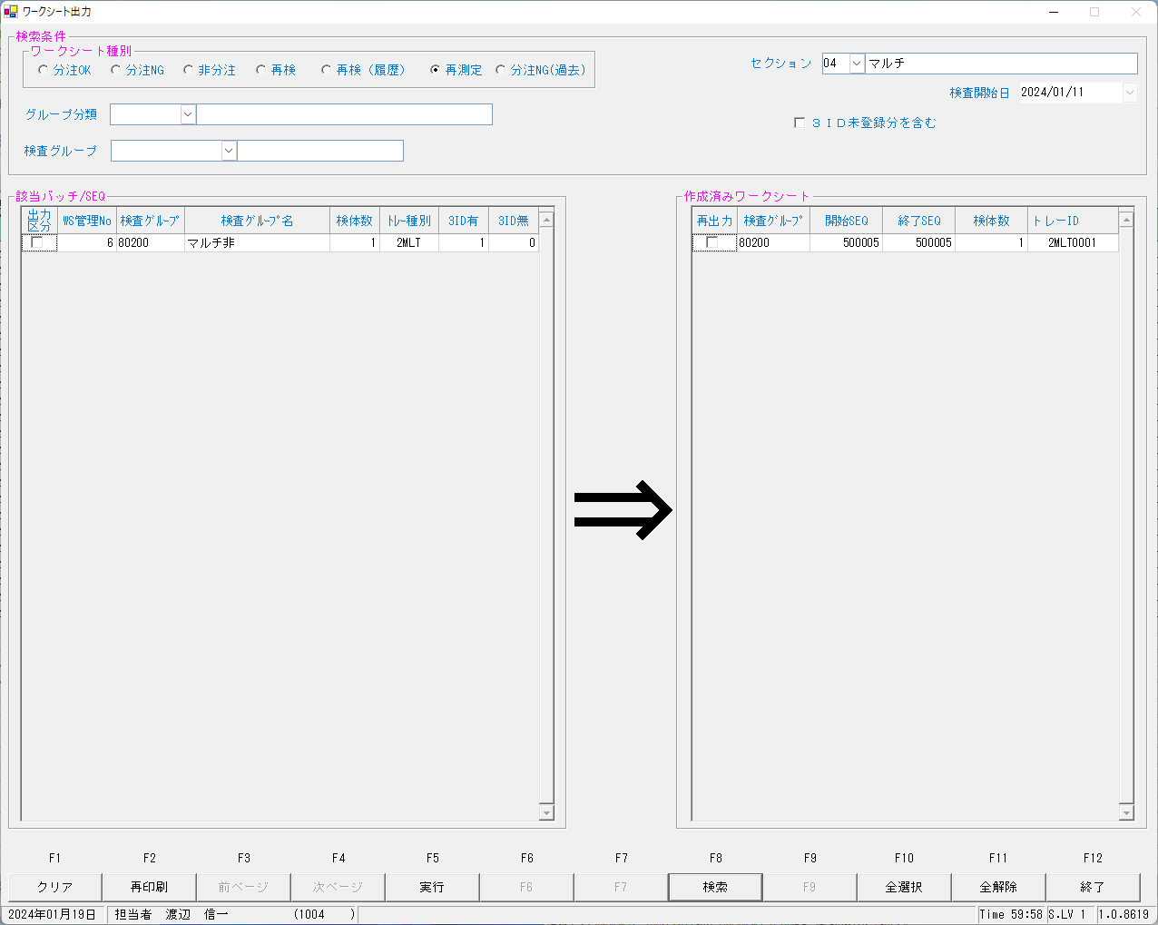
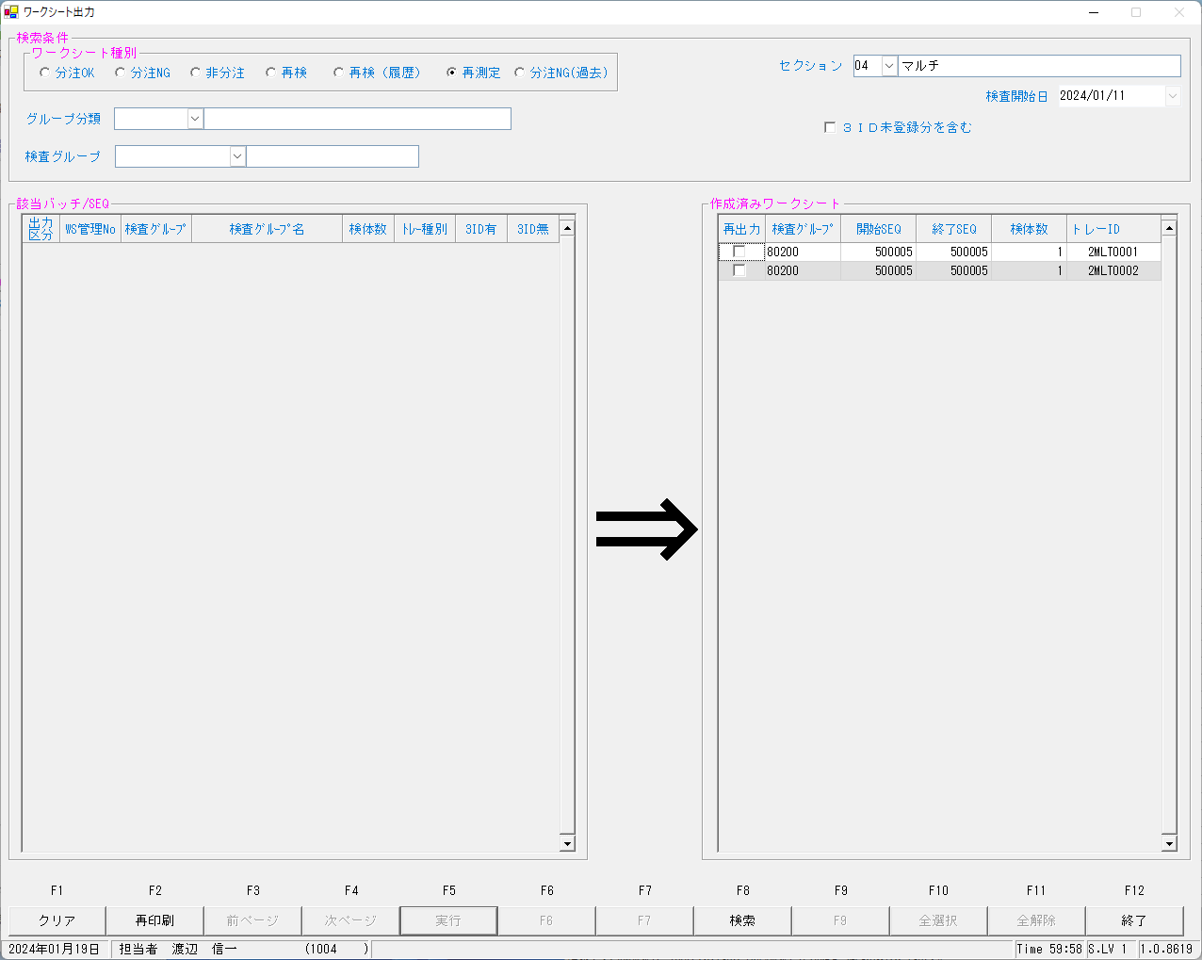

select * from KENORDER where irino = '00003154800' order by knssu,kmkcd ;
KNSKISYMD | SRIYMD | KNTNO | KNTKETFLG | KNSGRP | KMKCD | KNSSU | KNSSUEDA | IRIHSMKBN | IRIKBN | KSKTKBN | UTKYMD | IRINO | IRIKETFLG | ZSSDINO | SSTCD | TRID | TRPOS | ASYRCKID | ASYRCKPOS | OYAKMKCD | SECCD | BKFKKBN | SMPCD | BSKKBN | NBKMKCD | ZRCD | YSNLBL | KJNO | FKHKKNOHJKBN | TBKJNO | TBKJFLG | HTKFKHMS | SKFLG | TSKFLG | TKTFLG | YTIKSBR | KKFLG | KKIRIFLG | KKIRILOTNO | SC | TJ | TJTNI | SBTKBN | BIRTHDAY | BIRTHDAYKBN | AGE | AGEKBN | SSTME | SSYMD | TNTME | TNTNI | TNRYO | TNRYOTNI | KNSSEQ | BTHNO | KNSJKFLG | KSNDH
2024-01-11 | 2024-01-11 | 00003154800 |  | 80200 | 0000401 | 1 | 0 | 0 | A | A | 2024-01-11 | 00003154800 |  | 0 | 5492500 | 2MLT0040 | 5 | 54105 | 5 | 0000401 | A | 0 | 0054 |  |  | 023 | 00 | 001 |  |  |  |  | 0 |  |  | 1 | 0 | 0 | 0 |  |  | 0 | 9 |  |  |  | Y | 0:00:01 | 1000/01/01 |  | 0 |  | 0 | 500005 | 0 | 1 | 2024-01-12
2024-01-11 | 2024-01-11 | 00003154800 |  | 80200 | 0000409 | 1 | 0 | 2 | A | A | 2024-01-11 | 00003154800 |  | 0 | 5492500 | 2MLT0040 | 5 | 54105 | 5 | 0000409 | A | 0 | 0054 |  |  | 023 | 00 | 005 |  |  |  |  | 0 |  |  | 1 | 0 | 0 | 0 |  |  | 0 | 9 |  |  |  | Y | 0:00:01 | 1000/01/01 |  | 0 |  | 0 | 500005 | 0 | 1 | 2024-01-12
2024-01-11 | 2024-01-11 | 00003154800 |  | 80200 | 0000413 | 1 | 0 | 0 | A | A | 2024-01-11 | 00003154800 |  | 0 | 5492500 | 2MLT0040 | 5 | 54105 | 5 | 0000413 | A | 0 | 0054 |  |  | 023 | 00 | 009 |  |  |  |  | 0 |  |  | 1 | 0 | 0 | 0 |  |  | 0 | 9 |  |  |  | Y | 0:00:01 | 1000/01/01 |  | 0 |  | 0 | 500005 | 0 | 1 | 2024-01-12
2024-01-11 | 2024-01-11 | 00003154800 |  | 80200 | 0000417 | 1 | 0 | 0 | A | A | 2024-01-11 | 00003154800 |  | 0 | 5492500 | 2MLT0040 | 5 | 54105 | 5 | 0000417 | A | 0 | 0054 |  |  | 023 | 00 | 001 |  |  |  |  | 0 |  |  | 1 | 0 | 0 | 0 |  |  | 0 | 9 |  |  |  | Y | 0:00:01 | 1000/01/01 |  | 0 |  | 0 | 500005 | 0 | 1 | 2024-01-12
2024-01-11 | 2024-01-11 | 00003154800 |  | 80200 | 0000421 | 1 | 0 | 0 | A | A | 2024-01-11 | 00003154800 |  | 0 | 5492500 | 2MLT0040 | 5 | 54105 | 5 | 0000421 | A | 0 | 0054 |  |  | 023 | 00 | 001 |  |  |  |  | 0 |  |  | 1 | 0 | 0 | 0 |  |  | 0 | 9 |  |  |  | Y | 0:00:01 | 1000/01/01 |  | 0 |  | 0 | 500005 | 0 | 1 | 2024-01-12
2024-01-11 | 2024-01-11 | 00003154800 |  | 80200 | 0000423 | 1 | 0 | 0 | A | A | 2024-01-11 | 00003154800 |  | 0 | 5492500 | 2MLT0040 | 5 | 54105 | 5 | 0000423 | A | 0 | 0054 |  |  | 023 | 00 | 001 |  |  |  |  | 0 |  |  | 1 | 0 | 0 | 0 |  |  | 0 | 9 |  |  |  | Y | 0:00:01 | 1000/01/01 |  | 0 |  | 0 | 500005 | 0 | 1 | 2024-01-12
2024-01-11 | 2024-01-11 | 00003154800 |  | 80200 | 0000425 | 1 | 0 | 0 | A | A | 2024-01-11 | 00003154800 |  | 0 | 5492500 | 2MLT0040 | 5 | 54105 | 5 | 0000425 | A | 0 | 0054 |  |  | 023 | 00 | 001 |  |  |  |  | 0 |  |  | 1 | 0 | 0 | 0 |  |  | 0 | 9 |  |  |  | Y | 0:00:01 | 1000/01/01 |  | 0 |  | 0 | 500005 | 0 | 1 | 2024-01-12
2024-01-11 | 2024-01-11 | 00003154800 |  | 80200 | 0000454 | 1 | 0 | 0 | A | A | 2024-01-11 | 00003154800 |  | 0 | 5492500 | 2MLT0040 | 5 | 54105 | 5 | 0000454 | A | 0 | 0054 |  |  | 023 | 00 | 001 |  |  |  |  | 0 |  |  | 1 | 0 | 0 | 0 |  |  | 0 | 9 |  |  |  | Y | 0:00:01 | 1000/01/01 |  | 0 |  | 0 | 500005 | 0 | 1 | 2024-01-12
2024-01-11 | 2024-01-11 | 00003154800 |  | 80200 | 0900013 | 1 | 0 | 2 | A | A | 2024-01-11 | 00003154800 |  | 0 | 5492500 | 2MLT0040 | 5 | 54105 | 5 | 0900013 | A | 0 | 0054 |  |  | 023 | 00 | 001 |  |  |  |  | 0 |  |  | 1 | 0 | 0 | 0 |  |  | 0 | 9 |  |  |  | Y | 0:00:01 | 1000/01/01 |  | 0 |  | 0 | 500005 | 0 | 1 | 2024-01-12
2024-01-11 | 2024-01-11 | 00003154800 |  | 80200 | 0000401 | 2 | 0 | 0 | A | S | 2024-01-11 | 00003154800 |  | 0 | 5492500 | 2MLT0002 | 1 |  | 0 | 0000401 | A | 0 | 0054 |  |  | 023 | 00 | 001 |  |  |  |  | 0 |  |  | 1 | 0 | 0 | 0 |  |  | 0 | 9 |  |  |  | Y | 0:00:01 | 1000/01/01 |  | 0 |  | 0 | 500005 | 0 |  | 2024-01-19
2024-01-11 | 2024-01-11 | 00003154800 |  | 80200 | 0000409 | 2 | 0 | 2 | A | S | 2024-01-11 | 00003154800 |  | 0 | 5492500 | 2MLT0002 | 1 |  | 0 | 0000409 | A | 0 | 0054 |  |  | 023 | 00 | 005 |  |  |  |  | 0 |  |  | 1 | 0 | 0 | 0 |  |  | 0 | 9 |  |  |  | Y | 0:00:01 | 1000/01/01 |  | 0 |  | 0 | 500005 | 0 |  | 2024-01-19
2024-01-11 | 2024-01-11 | 00003154800 |  | 80200 | 0000413 | 2 | 0 | 0 | A | S | 2024-01-11 | 00003154800 |  | 0 | 5492500 | 2MLT0002 | 1 |  | 0 | 0000413 | A | 0 | 0054 |  |  | 023 | 00 | 009 |  |  |  |  | 0 |  |  | 1 | 0 | 0 | 0 |  |  | 0 | 9 |  |  |  | Y | 0:00:01 | 1000/01/01 |  | 0 |  | 0 | 500005 | 0 |  | 2024-01-19
2024-01-11 | 2024-01-11 | 00003154800 |  | 80200 | 0000417 | 2 | 0 | 0 | A | S | 2024-01-11 | 00003154800 |  | 0 | 5492500 | 2MLT0002 | 1 |  | 0 | 0000417 | A | 0 | 0054 |  |  | 023 | 00 | 001 |  |  |  |  | 0 |  |  | 1 | 0 | 0 | 0 |  |  | 0 | 9 |  |  |  | Y | 0:00:01 | 1000/01/01 |  | 0 |  | 0 | 500005 | 0 |  | 2024-01-19
2024-01-11 | 2024-01-11 | 00003154800 |  | 80200 | 0000421 | 2 | 0 | 0 | A | S | 2024-01-11 | 00003154800 |  | 0 | 5492500 | 2MLT0002 | 1 |  | 0 | 0000421 | A | 0 | 0054 |  |  | 023 | 00 | 001 |  |  |  |  | 0 |  |  | 1 | 0 | 0 | 0 |  |  | 0 | 9 |  |  |  | Y | 0:00:01 | 1000/01/01 |  | 0 |  | 0 | 500005 | 0 |  | 2024-01-19
2024-01-11 | 2024-01-11 | 00003154800 |  | 80200 | 0000423 | 2 | 0 | 0 | A | S | 2024-01-11 | 00003154800 |  | 0 | 5492500 | 2MLT0002 | 1 |  | 0 | 0000423 | A | 0 | 0054 |  |  | 023 | 00 | 001 |  |  |  |  | 0 |  |  | 1 | 0 | 0 | 0 |  |  | 0 | 9 |  |  |  | Y | 0:00:01 | 1000/01/01 |  | 0 |  | 0 | 500005 | 0 |  | 2024-01-19
2024-01-11 | 2024-01-11 | 00003154800 |  | 80200 | 0000425 | 2 | 0 | 0 | A | S | 2024-01-11 | 00003154800 |  | 0 | 5492500 | 2MLT0002 | 1 |  | 0 | 0000425 | A | 0 | 0054 |  |  | 023 | 00 | 001 |  |  |  |  | 0 |  |  | 1 | 0 | 0 | 0 |  |  | 0 | 9 |  |  |  | Y | 0:00:01 | 1000/01/01 |  | 0 |  | 0 | 500005 | 0 |  | 2024-01-19
2024-01-11 | 2024-01-11 | 00003154800 |  | 80200 | 0000454 | 2 | 0 | 0 | A | S | 2024-01-11 | 00003154800 |  | 0 | 5492500 | 2MLT0002 | 1 |  | 0 | 0000454 | A | 0 | 0054 |  |  | 023 | 00 | 001 |  |  |  |  | 0 |  |  | 1 | 0 | 0 | 0 |  |  | 0 | 9 |  |  |  | Y | 0:00:01 | 1000/01/01 |  | 0 |  | 0 | 500005 | 0 |  | 2024-01-19
2024-01-11 | 2024-01-11 | 00003154800 |  | 80200 | 0900013 | 2 | 0 | 2 | A | S | 2024-01-11 | 00003154800 |  | 0 | 5492500 | 2MLT0002 | 1 |  | 0 | 0900013 | A | 0 | 0054 |  |  | 023 | 00 | 001 |  |  |  |  | 0 |  |  | 1 | 0 | 0 | 0 |  |  | 0 | 9 |  |  |  | Y | 0:00:01 | 1000/01/01 |  | 0 |  | 0 | 500005 | 0 |  | 2024-01-19
2024-01-11 | 2024-01-11 | 00003154800 |  | 80200 | 0000421 | 3 | 0 | 0 | A | K | 2024-01-11 | 00003154800 |  | 0 | 5492500 | 2MLT0041 | 3 | 58624 | 3 | 0000421 | A | 0 | 0054 |  |  | 023 | 00 | 001 |  |  |  |  | 0 |  |  | 1 | 0 | 0 | 0 |  |  | 0 | 9 |  |  |  | Y | 0:00:01 | 1000/01/01 |  | 0 |  | 0 | 500103 | 0 | 1 | 2024-01-12
2024-01-11 | 2024-01-11 | 00003154800 |  | 80200 | 0000423 | 3 | 0 | 0 | A | K | 2024-01-11 | 00003154800 |  | 0 | 5492500 | 2MLT0041 | 3 | 58624 | 3 | 0000423 | A | 0 | 0054 |  |  | 023 | 00 | 001 |  |  |  |  | 0 |  |  | 1 | 0 | 0 | 0 |  |  | 0 | 9 |  |  |  | Y | 0:00:01 | 1000/01/01 |  | 0 |  | 0 | 500103 | 0 | 1 | 2024-01-12

kea00sys@kea00apk:/apdata/today/file/NSWS/Send/TrInfo/Multi> ls -ltr
...
以下初回を参考に、再測定電文を作成する
↓
時間とラック番号情報のみ変更したものを再測定電文とする
com_10.log:1S 0101010000007005 00054254-01 <ETX>B7<CR><LF>
com_10.log:1e 010100320240112180121N0000007005 **003154800 00054254-01 U 000000000 1.011087M 45L 3088M 1.5h 3089M 32L 3<ETX>D0<CR><LF>
com_10.log:1r 010100920240112180408N0000007005 **003154800 00054254-01 U 000000000 1.011002M 4.6 4010M 2.4 4004M 31 4003M 0.27 4021M 5 5007M 1.4 4268M 0 269M 0 270M 0 <ETX>94<CR><LF>
com_10.log:1R 010100420240112181732N0000007005 **003154800 00054254-01 U 000000000 1.011002M 4.4 R 4010M 2.3 R 4003M 0.27 R 1007M 1.4 R 4<ETX>1E<CR><LF>

上記電文を流した結果

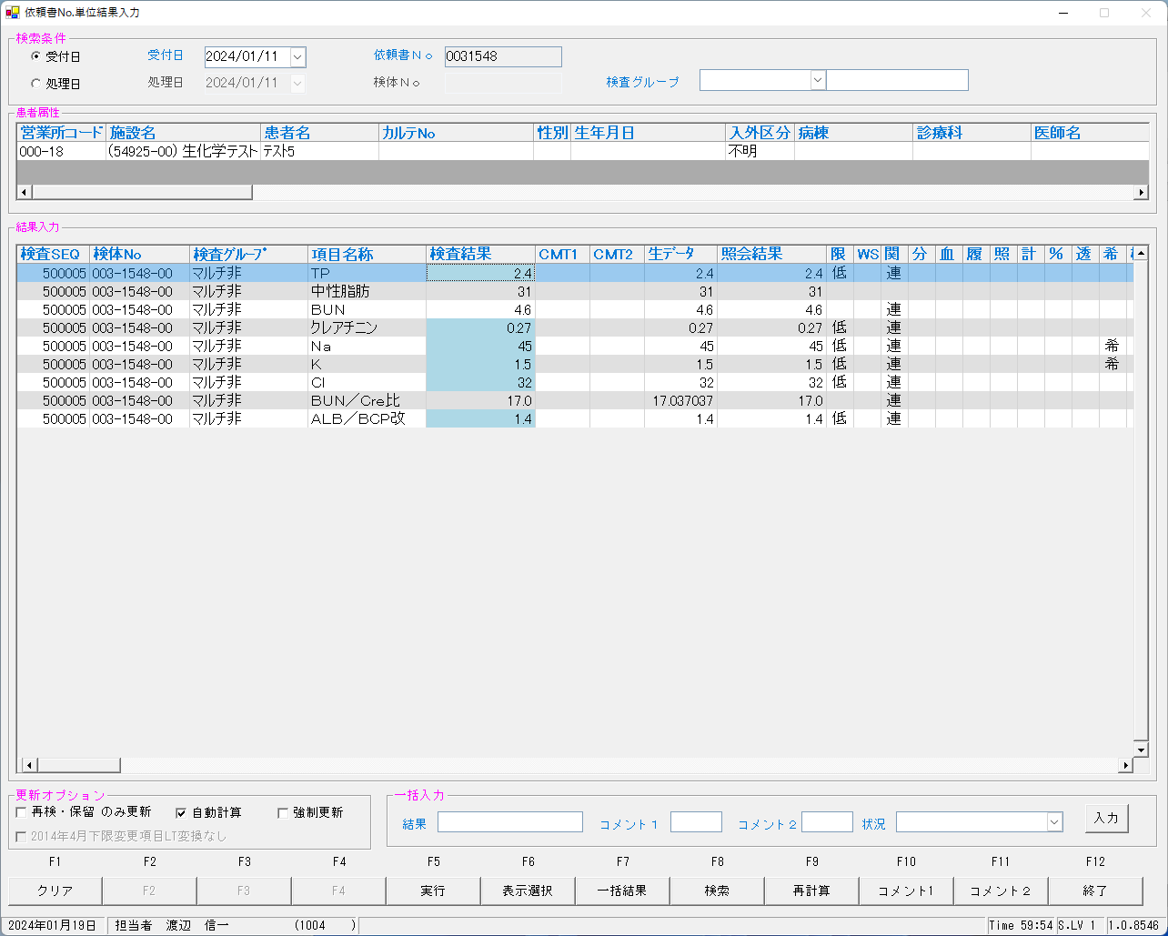
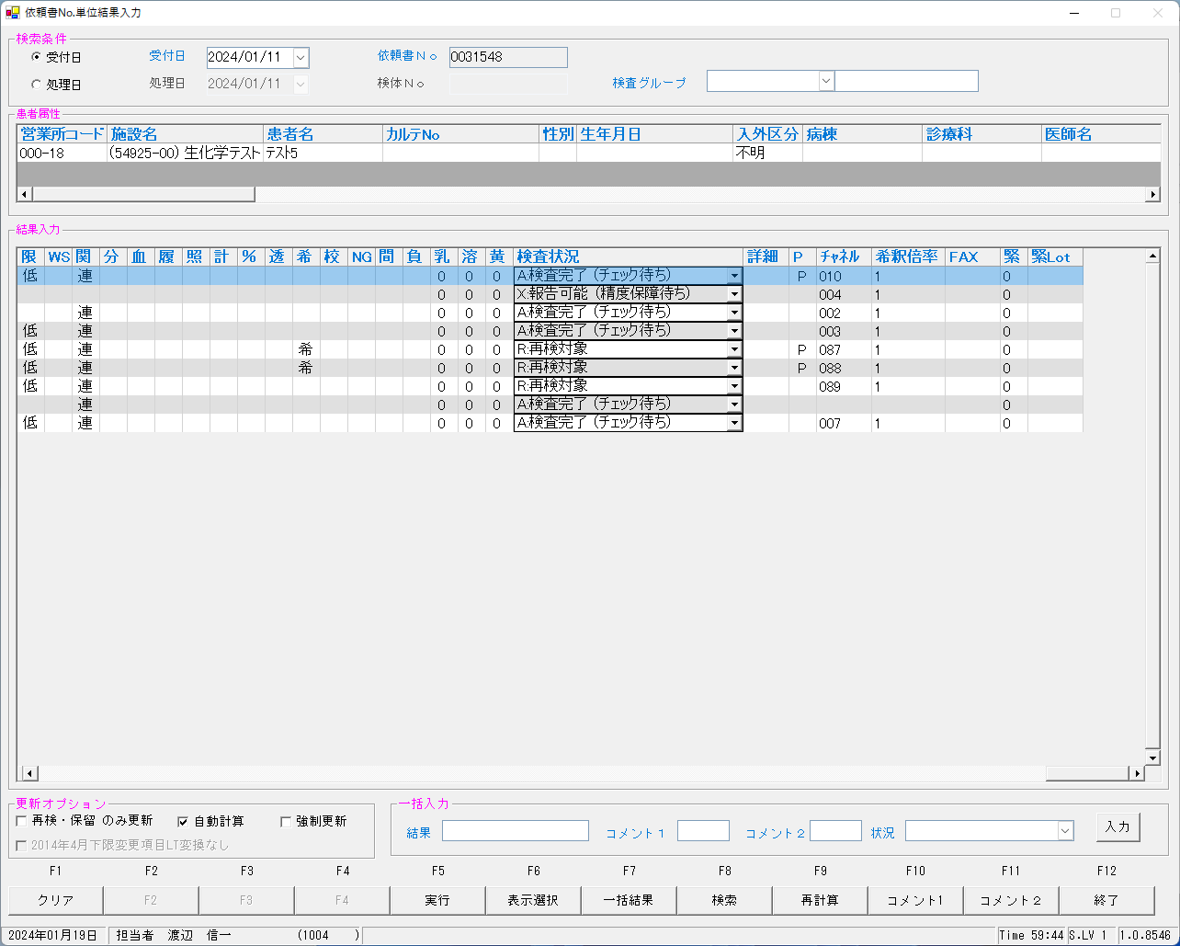

修正前は再測定で、全項目再検になりませんでした。

select * from irai where irino = '00003154800' AND SRIYMD = '2024-01-11' order by kmkcd ;
UTKYMD | IRINO | IRIKETFLG | ZSSDINO | KNSGRP | KMKCD | IRIHSMKBN | IRIKBN | KSKTKBN | SRIYMD | KNTNO | KNTKETFLG | CHKMJ | STSRCD | KMKRS | OYAKMKCD | SMPCD | SETKMKCD | SRINYCD | SECCD | SKCHKFLG | BKFKKBN | YSNLBL | SKFLG | TKFLG | SJFLG | JKTKFLG | KJNO | FKHKKNOHJKBN | TBKJNO | TBKJFLG
2024-01-11 | 00003154800 |  | 0 | 80200 | 0000401 | 0 | A | S | 2024-01-11 | 00003154800 |  | ﾅﾂ | 023 | TP | 0000401 | 0054 | 0000000 | 0 | A | 0 | 0 | 00 | 0 | 0 | 0 | 0 | 001
2024-01-11 | 00003154800 |  | 0 | 80200 | 0000409 | 2 | A | S | 2024-01-11 | 00003154800 |  | ﾅﾂ | 023 | BUN | 0000409 | 0054 | 0000000 | 2 | A | 0 | 0 | 00 | 0 | 0 | 0 | 0 | 005
2024-01-11 | 00003154800 |  | 0 | 80200 | 0000413 | 0 | A | S | 2024-01-11 | 00003154800 |  | ﾅﾂ | 023 | ｸﾚｱﾁﾆﾝ | 0000413 | 0054 | 0000000 | 0 | A | 0 | 0 | 00 | 0 | 0 | 0 | 0 | 009
2024-01-11 | 00003154800 |  | 0 | 80200 | 0000417 | 0 | A | S | 2024-01-11 | 00003154800 |  | ﾅﾂ | 023 | ALB/BCP | 0000417 | 0054 | 0000000 | 0 | A | 0 | 0 | 00 | 0 | 0 | 0 | 0 | 001
2024-01-11 | 00003154800 |  | 0 | 80200 | 0000421 | 0 | A | K | 2024-01-11 | 00003154800 |  | ﾅﾂ | 023 | NA | 0000421 | 0054 | 0000000 | 0 | A | 0 | 0 | 00 | 0 | 0 | 0 | 0 | 001
2024-01-11 | 00003154800 |  | 0 | 80200 | 0000423 | 0 | A | K | 2024-01-11 | 00003154800 |  | ﾅﾂ | 023 | K | 0000423 | 0054 | 0000000 | 0 | A | 0 | 0 | 00 | 0 | 0 | 0 | 0 | 001
...
kea00sys@kea00apk:/apdata/today/file/KEA00/kea00ap/kekka/Data/out> cat 54254_____001_001705635575.dat
2024-01-11,2024-01-11,00003154800 , ,80200 ,0000409,3,0,2,A,K,2024-01-11,00003154800, ,0,5492500,2MLT0002 ,1,54254,1,0000409,A ,0,0054 ,BIOM,13,130400,7005, ,2024-01-12 18:17:32,002,R,023 ,00,005, , , , ,0, , ,B1,0,0,0, , , , 4.4,,,,,4.4,,,,3,0,0,0,0, , , , , , ,,,,,,,1,500005,0,1,8,,2024-01-19 12:39:35,,,,,,0,0,1,1, ,1,A,4,0,2,0,0,0,0,1,0,0,1,0,0,0,0,1,0,1,1,1,,,,2024-01-19 12:39:35
2024-01-11,2024-01-11,00003154800 , ,80200 ,0000401,3,0,0,A,K,2024-01-11,00003154800, ,0,5492500,2MLT0002 ,1,54254,1,0000401,A ,0,0054 ,BIOM,13,130400,7005, ,2024-01-12 18:17:32,010,R,023 ,00,001, , , , ,0, , ,B1,0,0,0, , , , 2.3,,,,,2.3,,,,3,0,0,0,0, , , , , , ,,,,,,,1,500005,0,3,8,,2024-01-19 12:39:35,,,,,,0,0,1,1, ,1,A,4,1,2,0,0,0,0,1,0,0,1,0,0,0,0,1,0,1,1,1,,,,2024-01-19 12:39:35
2024-01-11,2024-01-11,00003154800 , ,80200 ,0000413,3,0,0,A,K,2024-01-11,00003154800, ,0,5492500,2MLT0002 ,1,54254,1,0000413,A ,0,0054 ,BIOM,13,130100,7005, ,2024-01-12 18:17:32,003,R,023 ,00,009, , , , ,0, , ,B1,0,0,0, , , , 0.27,,,,,0.27,,,,3,0,0,0,0, , , , , , ,,,,,,,1,500005,0,1,2,,2024-01-19 12:39:35,,,,,,0,0,1,1, ,1,A,4,0,2,0,0,0,0,1,0,0,1,0,0,0,0,1,0,1,1,1,,,,2024-01-19 12:39:35
2024-01-11,2024-01-11,00003154800 , ,80200 ,0000417,3,0,0,A,K,2024-01-11,00003154800, ,0,5492500,2MLT0002 ,1,54254,1,0000417,A ,0,0054 ,BIOM,13,130400,7005, ,2024-01-12 18:17:32,007,R,023 ,00,001, , , , ,0, , ,B1,0,0,0, , , , 1.4,,,,,1.4,,,,3,0,0,0,0, , , , , , ,,,,,,,1,500005,0,3,8,,2024-01-19 12:39:35,,,,,,0,0,1,1, ,1,A,4,1,2,0,0,0,0,1,0,0,1,0,0,0,0,1,0,1,1,1,,,,2024-01-19 12:39:35
2024-01-11,2024-01-11,00003154800 , ,80200 ,0900013,3,0,2,A,K,2024-01-11,00003154800, ,0,5492500,2MLT0002 ,1,54254,1,0900013,A ,0,0054 ,BIOM,13,130400,7005, ,2024-01-12 18:17:32,,R,023 ,00,001, , , , ,0, , ,,0,0,0, , , ,16.296296,,,,,16.3,,,,3,0,0,0,0, , , , , , ,,,,,,,1,500005,0,3,8,,2024-01-19 12:39:35,,,,,,0,0,1,1, ,1,A,1,0,2,0,0,0,0,0,0,0,1,0,0,0,0,1,0,1,1,1,,,,2024-01-19 12:39:35
kea00sys@kea00apk:/apdata/today/file/KEA00/kea00ap/kekka/Data/out>

0031547
...
2024/01/26 09:25:13.597 Listenを開始しました。(172.25.32.166:10005)
2024/01/26 09:25:36.313 受信←<ENQ>
2024/01/26 09:25:36.319 送信→<ACK>
2024/01/26 09:25:36.378 受信←<STX>1O 0101000N2000007004 **003154700 00054105-04 U 1.011 <ETX>6E<CR><LF>
2024/01/26 09:25:36.383 送信→<ACK>
2024/01/26 09:25:41.387 受信←<EOT>
------------------------------------------------------------------------------------------------------------------------------------------------------------------------------------------------------------------------------------------------------------------------
2024/01/26 09:25:41.399 クライアントとの接続を閉じました。
2024/01/26 09:25:41.402 Listenerを閉じました。

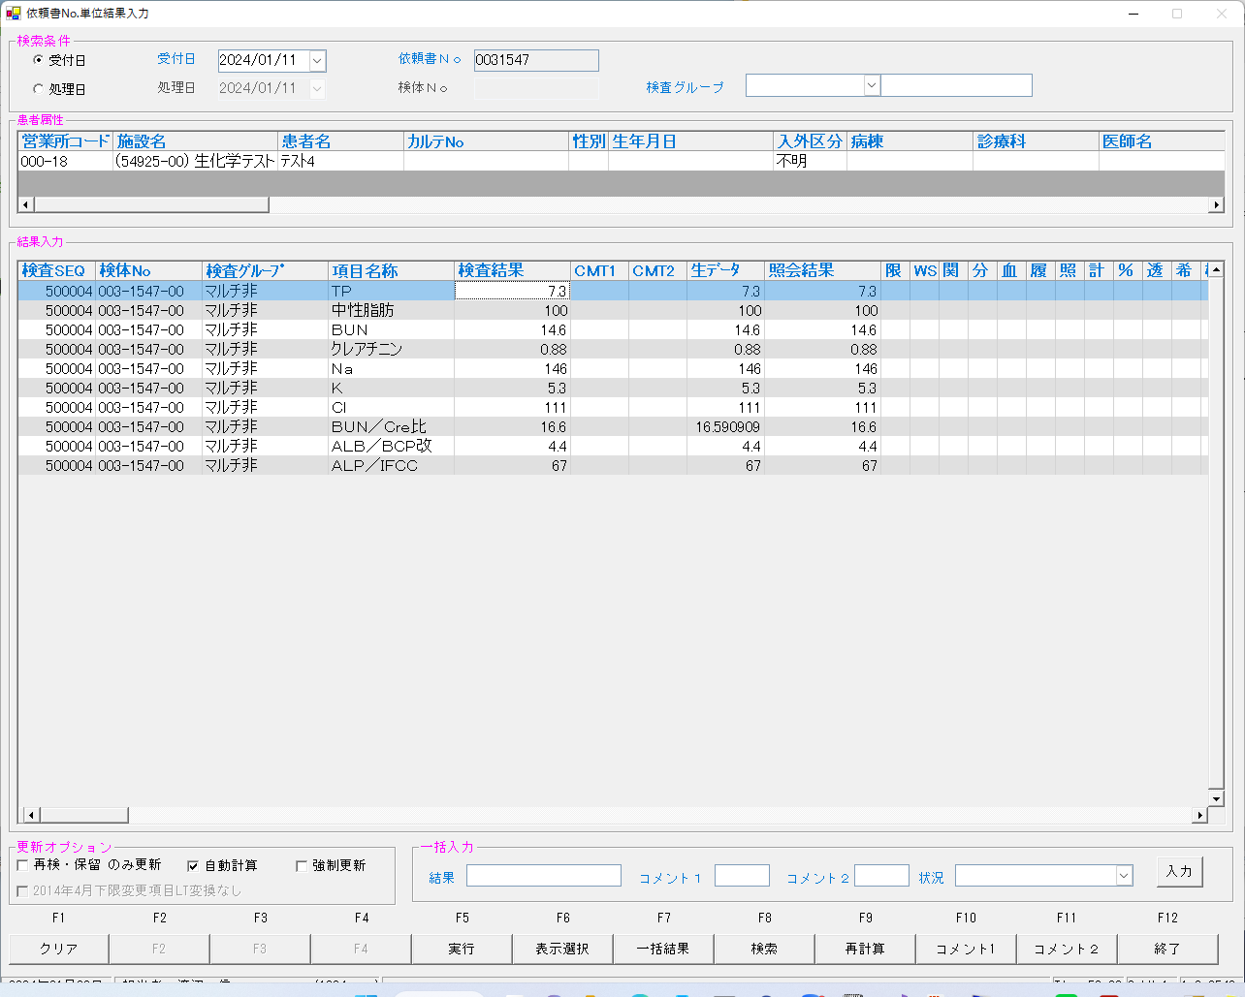
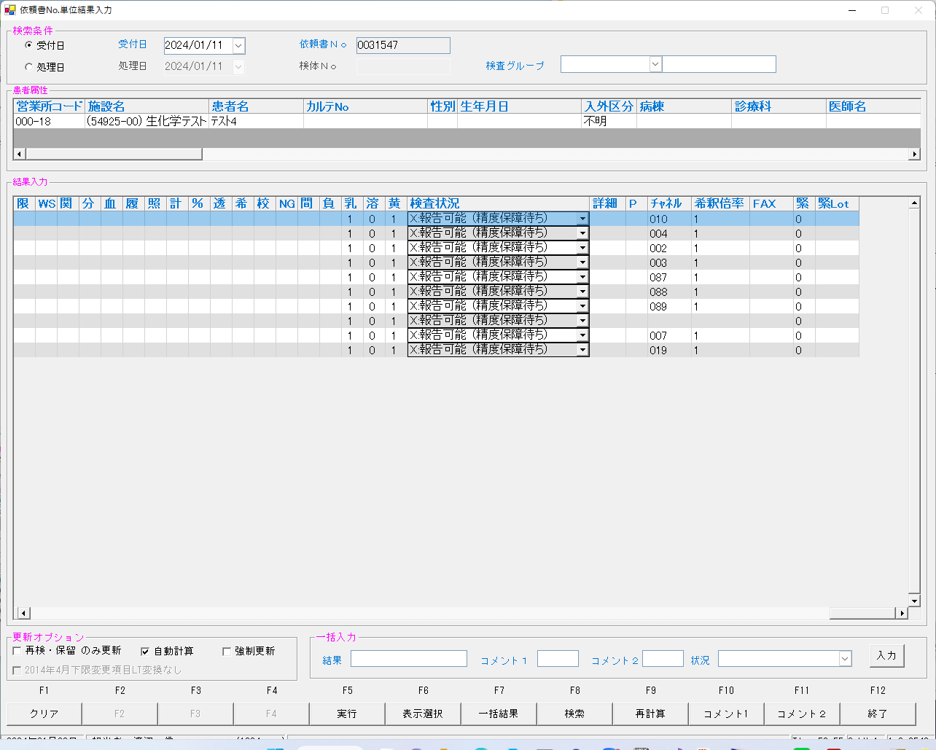

select * from irai where irino = '00003154700' AND SRIYMD = '2024-01-11' order by kmkcd ;
UTKYMD | IRINO | IRIKETFLG | ZSSDINO | KNSGRP | KMKCD | IRIHSMKBN | IRIKBN | KSKTKBN | SRIYMD | KNTNO | KNTKETFLG | CHKMJ | STSRCD | KMKRS | OYAKMKCD | SMPCD | SETKMKCD | SRINYCD | SECCD | SKCHKFLG | BKFKKBN | YSNLBL | SKFLG | TKFLG | SJFLG | JKTKFLG | KJNO | FKHKKNOHJKBN | TBKJNO | TBKJFLG
2024-01-11 | 00003154700 |  | 0 | 80200 | 0000401 | 0 | A | A | 2024-01-11 | 00003154700 |  | ﾌﾀ | 023 | TP | 0000401 | 0054 | 0000000 | 0 | A | 0 | 0 | 00 | 0 | 0 | 0 | 0 | 001
2024-01-11 | 00003154700 |  | 0 | 80200 | 0000409 | 2 | A | A | 2024-01-11 | 00003154700 |  | ﾌﾀ | 023 | BUN | 0000409 | 0054 | 0000000 | 2 | A | 0 | 0 | 00 | 0 | 0 | 0 | 0 | 005
2024-01-11 | 00003154700 |  | 0 | 80200 | 0000413 | 0 | A | A | 2024-01-11 | 00003154700 |  | ﾌﾀ | 023 | ｸﾚｱﾁﾆﾝ | 0000413 | 0054 | 0000000 | 0 | A | 0 | 0 | 00 | 0 | 0 | 0 | 0 | 009
2024-01-11 | 00003154700 |  | 0 | 80200 | 0000417 | 0 | A | A | 2024-01-11 | 00003154700 |  | ﾌﾀ | 023 | ALB/BCP | 0000417 | 0054 | 0000000 | 0 | A | 0 | 0 | 00 | 0 | 0 | 0 | 0 | 001
2024-01-11 | 00003154700 |  | 0 | 80200 | 0000421 | 0 | A | A | 2024-01-11 | 00003154700 |  | ﾌﾀ | 023 | NA | 0000421 | 0054 | 0000000 | 0 | A | 0 | 0 | 00 | 0 | 0 | 0 | 0 | 001
2024-01-11 | 00003154700 |  | 0 | 80200 | 0000423 | 0 | A | A | 2024-01-11 | 00003154700 |  | ﾌﾀ | 023 | K | 0000423 | 0054 | 0000000 | 0 | A | 0 | 0 | 00 | 0 | 0 | 0 | 0 | 001
2024-01-11 | 00003154700 |  | 0 | 80200 | 0000425 | 0 | A | A | 2024-01-11 | 00003154700 |  | ﾌﾀ | 023 | CL | 0000425 | 0054 | 0000000 | 0 | A | 0 | 0 | 00 | 0 | 0 | 0 | 0 | 001
...

0031548
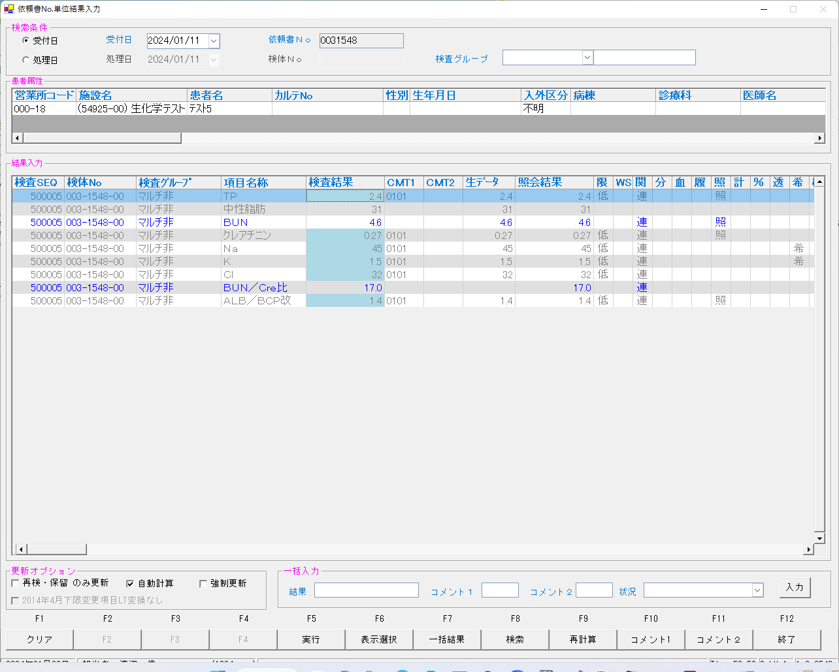
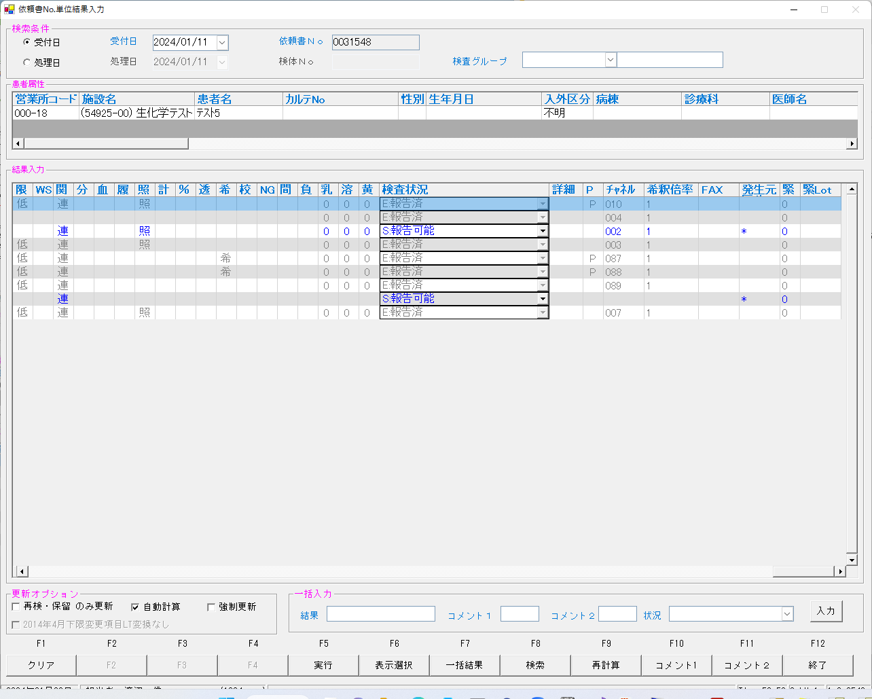
...
2024/01/25 04:03:02.514 Listenを開始しました。(172.25.32.166:10005)
2024/01/25 04:03:33.000 受信←<EOT>
------------------------------------------------------------------------------------------------------------------------------------------------------------------------------------------------------------------------------------------------------------------------
2024/01/25 04:03:33.014 送信→<ENQ>
2024/01/25 04:03:33.119 受信←<ACK>
2024/01/25 04:03:33.125 送信→<STX>1R 010100420240112151732N0000007005 **003154800 00054105-05 U 000000000 1.011002M 4.4 R 4010M 2.3 R 4003M 0.27 R 1007M 1.4 R 4<ETX>1E<CR><LF>
2024/01/25 04:03:33.179 受信←<ACK>
2024/01/25 04:03:33.182 送信→<EOT>
------------------------------------------------------------------------------------------------------------------------------------------------------------------------------------------------------------------------------------------------------------------------
2024/01/25 04:03:33.191 クライアントとの接続を閉じました。
2024/01/25 04:03:33.198 Listenerを閉じました。
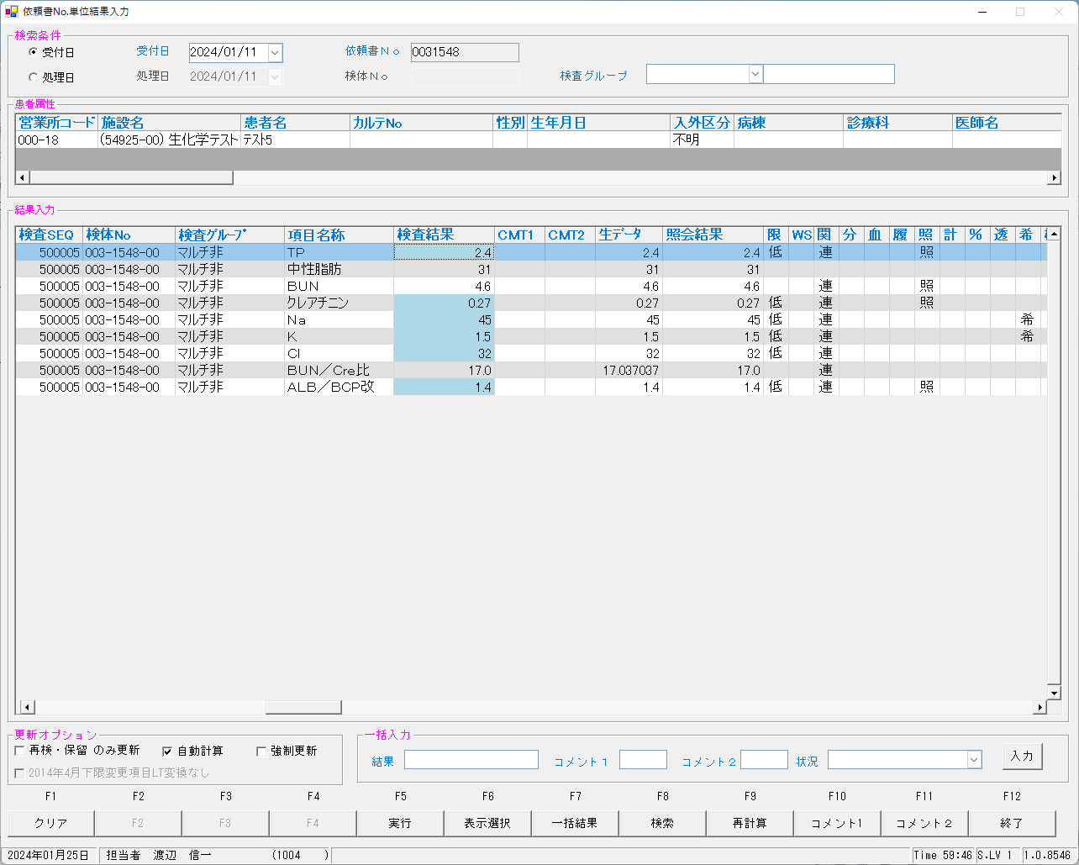
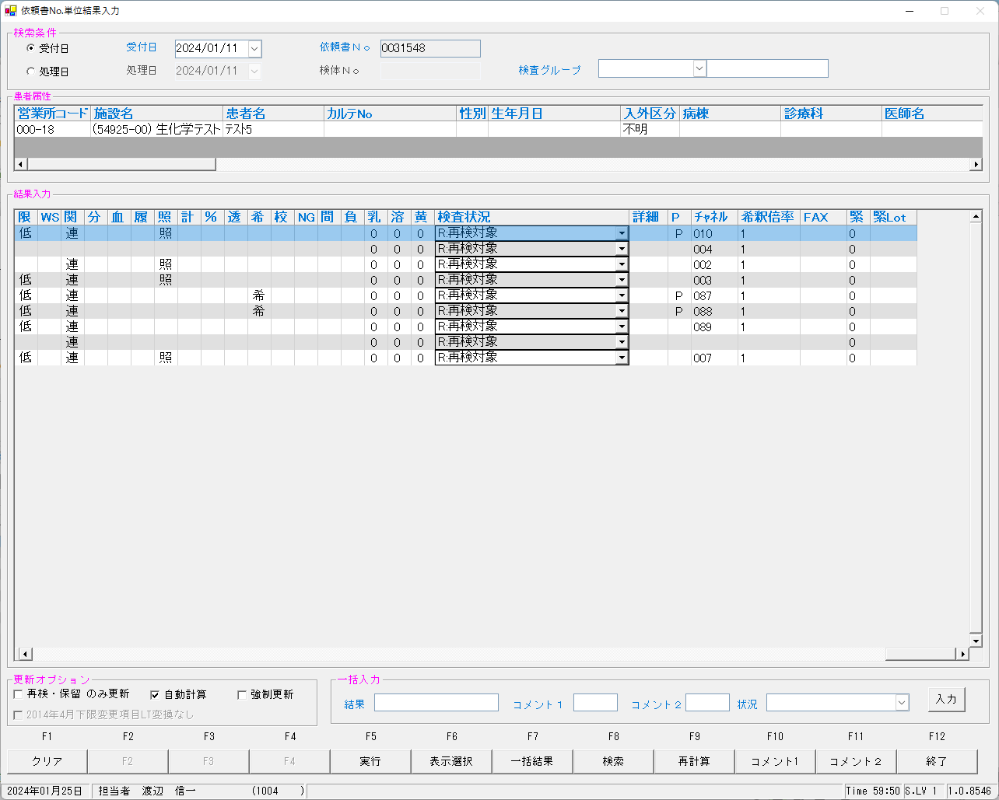

select * from irai where irino = '00003154800' AND SRIYMD = '2024-01-11' order by kmkcd ;
UTKYMD | IRINO | IRIKETFLG | ZSSDINO | KNSGRP | KMKCD | IRIHSMKBN | IRIKBN | KSKTKBN | SRIYMD | KNTNO | KNTKETFLG | CHKMJ | STSRCD | KMKRS | OYAKMKCD | SMPCD | SETKMKCD | SRINYCD | SECCD | SKCHKFLG | BKFKKBN | YSNLBL | SKFLG | TKFLG | SJFLG | JKTKFLG | KJNO | FKHKKNOHJKBN | TBKJNO
2024-01-11 | 00003154800 |  | 0 | 80200 | 0000401 | 0 | A | K | 2024-01-11 | 00003154800 |  | ﾅﾂ | 023 | TP | 0000401 | 0054 | 0000000 | 0 | A | 0 | 0 | 00 | 0 | 0 | 0 | 0 | 001
2024-01-11 | 00003154800 |  | 0 | 80200 | 0000409 | 2 | A | K | 2024-01-11 | 00003154800 |  | ﾅﾂ | 023 | BUN | 0000409 | 0054 | 0000000 | 2 | A | 0 | 0 | 00 | 0 | 0 | 0 | 0 | 005
2024-01-11 | 00003154800 |  | 0 | 80200 | 0000413 | 0 | A | K | 2024-01-11 | 00003154800 |  | ﾅﾂ | 023 | ｸﾚｱﾁﾆﾝ | 0000413 | 0054 | 0000000 | 0 | A | 0 | 0 | 00 | 0 | 0 | 0 | 0 | 009
2024-01-11 | 00003154800 |  | 0 | 80200 | 0000417 | 0 | A | K | 2024-01-11 | 00003154800 |  | ﾅﾂ | 023 | ALB/BCP | 0000417 | 0054 | 0000000 | 0 | A | 0 | 0 | 00 | 0 | 0 | 0 | 0 | 001
2024-01-11 | 00003154800 |  | 0 | 80200 | 0000421 | 0 | A | K | 2024-01-11 | 00003154800 |  | ﾅﾂ | 023 | NA | 0000421 | 0054 | 0000000 | 0 | A | 0 | 0 | 00 | 0 | 0 | 0 | 0 | 001
2024-01-11 | 00003154800 |  | 0 | 80200 | 0000423 | 0 | A | K | 2024-01-11 | 00003154800 |  | ﾅﾂ | 023 | K | 0000423 | 0054 | 0000000 | 0 | A | 0 | 0 | 00 | 0 | 0 | 0 | 0 | 001
2024-01-11 | 00003154800 |  | 0 | 80200 | 0000425 | 0 | A | K | 2024-01-11 | 00003154800 |  | ﾅﾂ | 023 | CL | 0000425 | 0054 | 0000000 | 0 | A | 0 | 0 | 00 | 0 | 0 | 0 | 0 | 001
...
select * from kekka where irino = '00003154800' AND SRIYMD = '2024-01-11' order by knssu,kmkcd ;
2024-01-11 | 2024-01-11 | 00003154800 |  | 80200 | 0000409 | 3 | 0 | 2 | A | K | 2024-01-11 | 00003154800 |  | 0 | 5492500 | 2MLT0041 | 3 | 58624 | 3 | 0000409
2024-01-11 | 2024-01-11 | 00003154800 |  | 80200 | 0000413 | 3 | 0 | 0 | A | K | 2024-01-11 | 00003154800 |  | 0 | 5492500 | 2MLT0041 | 3 | 58624 | 3 | 0000413
2024-01-11 | 2024-01-11 | 00003154800 |  | 80200 | 0000417 | 3 | 0 | 0 | A | K | 2024-01-11 | 00003154800 |  | 0 | 5492500 | 2MLT0041 | 3 | 58624 | 3 | 0000417
2024-01-11 | 2024-01-11 | 00003154800 |  | 80200 | 0000421 | 3 | 0 | 0 | A | K | 2024-01-11 | 00003154800 |  | 0 | 5492500 | 2MLT0041 | 3 | 58624 | 3 | 0000421
2024-01-11 | 2024-01-11 | 00003154800 |  | 80200 | 0000423 | 3 | 0 | 0 | A | K | 2024-01-11 | 00003154800 |  | 0 | 5492500 | 2MLT0041 | 3 | 58624 | 3 | 0000423
2024-01-11 | 2024-01-11 | 00003154800 |  | 80200 | 0900013 | 3 | 0 | 2 | A | K | 2024-01-11 | 00003154800 |  | 0 | 5492500 | 2MLT0041 | 3 | 58624 | 3 | 0900013

UPDATE IRAI set ODRSSFLG = '2' WHERE IRINO = '00003154800' ;
再検後の状態となっていることを確認する

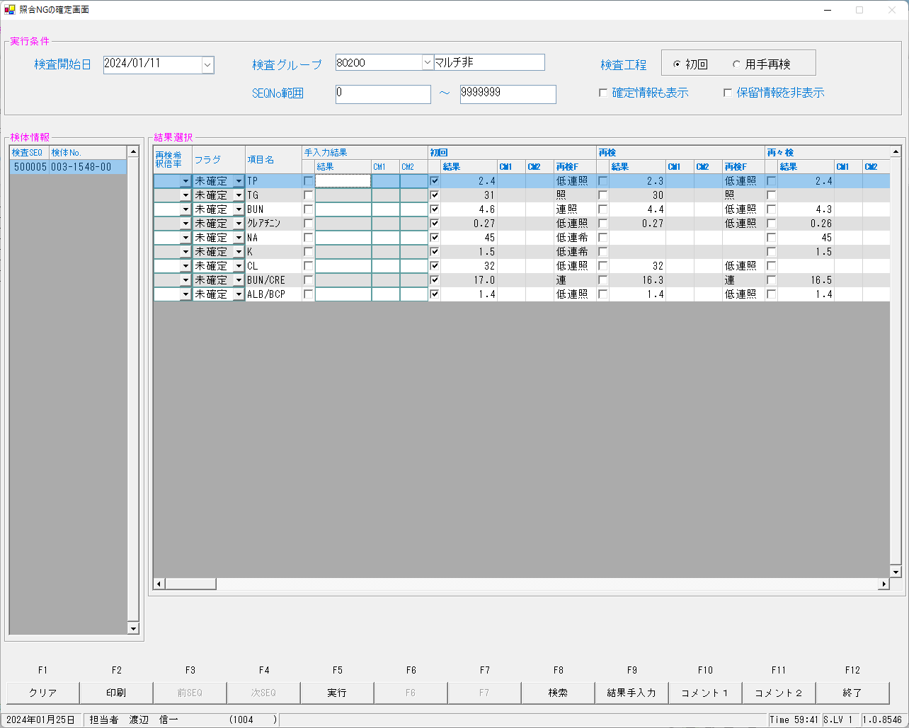


再測定指示の指示情報を確認
select SRIYMD,IRINO,KNSSU,BSKKBN,BSKLNE,BSKGOK,KNSGRP,CTRLNO,BSKSEQ,KNSSEQ from kekka where irino = '00003154800' order by knssu,kmkcd ;
SRIYMD | IRINO | KNSSU | BSKKBN | BSKLNE | BSKGOK | KNSGRP | CTRLNO | BSKSEQ | KNSSEQ
2024-01-11 | 00003154800 | 1 | BIOM | 13 | 130400 | 80200 | 1 | 7005 | 500005
2024-01-11 | 00003154800 | 1 | BIOM | 13 | 130400 | 80200 | 1 | 7005 | 500005
2024-01-11 | 00003154800 | 1 | BIOM | 13 | 130400 | 80200 | 1 | 7005 | 500005
2024-01-11 | 00003154800 | 1 | BIOM | 13 | 130400 | 80200 | 1 | 7005 | 500005
2024-01-11 | 00003154800 | 1 | BIOM | 13 | 130003 | 80200 | 1 | 7005 | 500005
...
2024-01-11 | 00003154800 | 2 | BIOM | 13 | 130001 | 80200 | 1 | 7013 | 500103
2024-01-11 | 00003154800 | 2 | BIOM | 13 | 130400 | 80200 | 1 | 7013 | 500103
2024-01-11 | 00003154800 | 2 | BIOM | 13 | 130400 | 80200 | 1 | 7005 | 500005
2024-01-11 | 00003154800 | 3 | BIOM | 13 | 130400 | 80200 | 1 | 7013 | 500103
2024-01-11 | 00003154800 | 3 | BIOM | 13 | 130400 | 80200 | 1 | 7013 | 500103
2024-01-11 | 00003154800 | 3 | BIOM | 13 | 130400 | 80200 | 1 | 7013 | 500103
2024-01-11 | 00003154800 | 3 | BIOM | 13 | 130400 | 80200 | 1 | 7013 | 500103
2024-01-11 | 00003154800 | 3 | BIOM | 13 | 130001 | 80200 | 1 | 7013 | 500103
2024-01-11 | 00003154800 | 3 | BIOM | 13 | 130001 | 80200 | 1 | 7013 | 500103
2024-01-11 | 00003154800 | 3 | BIOM | 13 | 130100 | 80200 | 1 | 7013 | 500103


select * from irai where irino = '00003154800' AND SRIYMD = '2024-01-11' order by kmkcd ;
UTKYMD | IRINO | IRIKETFLG | ZSSDINO | KNSGRP | KMKCD | IRIHSMKBN | IRIKBN | KSKTKBN | SRIYMD | KNTNO | KNTKETFLG | CHKMJ | STSRCD | KMKRS | OYAKMKCD | SMPCD | SETKMKCD | SRINYCD
2024-01-11 | 00003154800 |  | 0 | 80200 | 0000401 | 0 | A | S | 2024-01-11 | 00003154800 |  | ﾅﾂ | 023 | TP | 0000401 | 0054 | 0000000 | 0
2024-01-11 | 00003154800 |  | 0 | 80200 | 0000409 | 2 | A | S | 2024-01-11 | 00003154800 |  | ﾅﾂ | 023 | BUN | 0000409 | 0054 | 0000000 | 2
2024-01-11 | 00003154800 |  | 0 | 80200 | 0000413 | 0 | A | S | 2024-01-11 | 00003154800 |  | ﾅﾂ | 023 | ｸﾚｱﾁﾆﾝ | 0000413 | 0054 | 0000000 | 0
2024-01-11 | 00003154800 |  | 0 | 80200 | 0000417 | 0 | A | S | 2024-01-11 | 00003154800 |  | ﾅﾂ | 023 | ALB/BCP | 0000417 | 0054 | 0000000 | 0
2024-01-11 | 00003154800 |  | 0 | 80200 | 0000421 | 0 | A | S | 2024-01-11 | 00003154800 |  | ﾅﾂ | 023 | NA | 0000421 | 0054 | 0000000 | 0
2024-01-11 | 00003154800 |  | 0 | 80200 | 0000423 | 0 | A | S | 2024-01-11 | 00003154800 |  | ﾅﾂ | 023 | K | 0000423 | 0054 | 0000000 | 0
2024-01-11 | 00003154800 |  | 0 | 80200 | 0000425 | 0 | A | S | 2024-01-11 | 00003154800 |  | ﾅﾂ | 023 | CL | 0000425 | 0054 | 0000000 | 0
...
 |  |  |  | 80200 | 0900013 | 2 | 0 | 2 | A | K | 2024-01-11 | 00003154800 |  | 0 | 5492500 | 2MLT0040 | 5 | 54105 | 5 | 0900013 | A | 0 | 0054 | BIOM | 13 | 130400 | 7005 |  | 2024-01-12
2024-01-11 | 2024-01-11 | 00003154800 |  | 80200 | 0000401 | 3 | 0 | 0 | A | K | 2024-01-11 | 00003154800 |  | 0 | 5492500 | 2MLT0041 | 3 | 58624 | 3 | 0000401 | A | 0 | 0054 | BIOM | 13 | 130400 | 7013 |  | 2024-01-12
2024-01-11 | 2024-01-11 | 00003154800 |  | 80200 | 0000409 | 3 | 0 | 2 | A | K | 2024-01-11 | 00003154800 |  | 0 | 5492500 | 2MLT0041 | 3 | 58624 | 3 | 0000409 | A | 0 | 0054 | BIOM | 13 | 130400 | 7013 |  | 2024-01-12
2024-01-11 | 2024-01-11 | 00003154800 |  | 80200 | 0000413 | 3 | 0 | 0 | A | K | 2024-01-11 | 00003154800 |  | 0 | 5492500 | 2MLT0041 | 3 | 58624 | 3 | 0000413 | A | 0 | 0054 | BIOM | 13 | 130400 | 7013 |  | 2024-01-12
2024-01-11 | 2024-01-11 | 00003154800 |  | 80200 | 0000417 | 3 | 0 | 0 | A | K | 2024-01-11 | 00003154800 |  | 0 | 5492500 | 2MLT0041 | 3 | 58624 | 3 | 0000417 | A | 0 | 0054 | BIOM | 13 | 130400 | 7013 |  | 2024-01-12
2024-01-11 | 2024-01-11 | 00003154800 |  | 80200 | 0000421 | 3 | 0 | 0 | A | K | 2024-01-11 | 00003154800 |  | 0 | 5492500 | 2MLT0041 | 3 | 58624 | 3 | 0000421 | A | 0 | 0054 | BIOM | 13 | 130001 | 7013 | L | 2024-01-12
2024-01-11 | 2024-01-11 | 00003154800 |  | 80200 | 0000423 | 3 | 0 | 0 | A | K | 2024-01-11 | 00003154800 |  | 0 | 5492500 | 2MLT0041 | 3 | 58624 | 3 | 0000423 | A | 0 | 0054 | BIOM | 13 | 130001 | 7013 | h | 2024-01-12
2024-01-11 | 2024-01-11 | 00003154800 |  | 80200 | 0900013 | 3 | 0 | 2 | A | K | 2024-01-11 | 00003154800 |  | 0 | 5492500 | 2MLT0041 | 3 | 58624 | 3 | 0900013 | A | 0 | 0054 | BIOM | 13 | 130100 | 7013 |  | 2024-01-12

再測定としたことで結果入力画面はクリアされた状態で見える
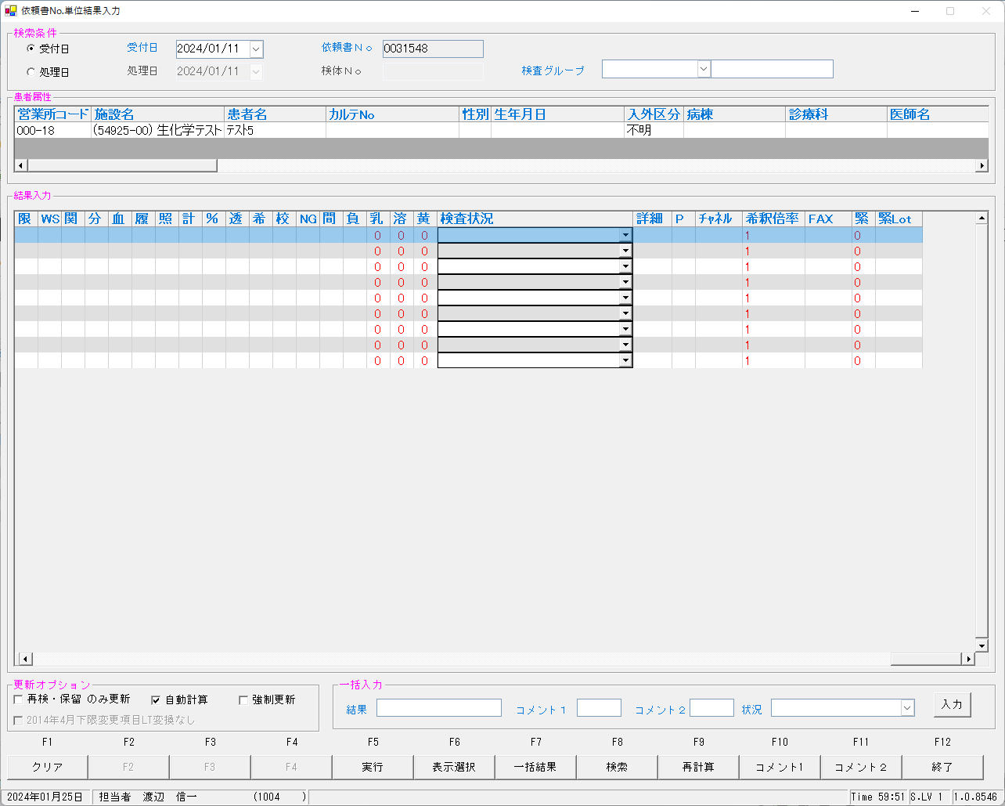
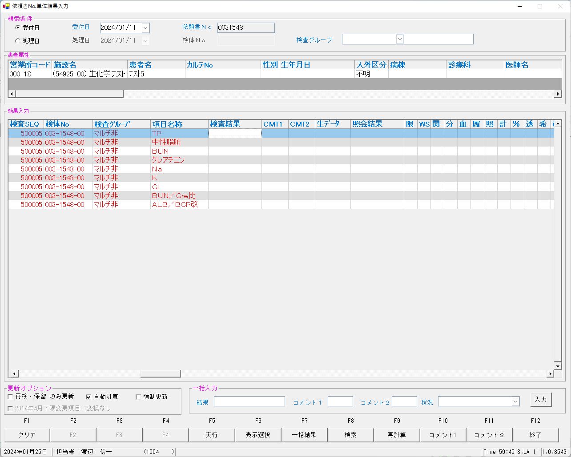

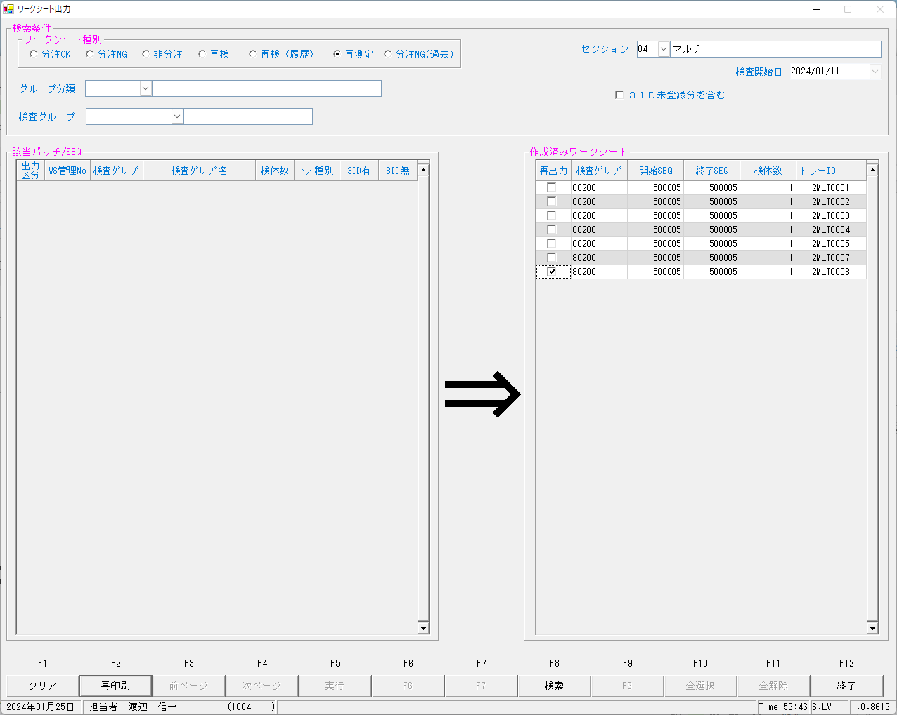


 |  |  |  |  |  |  |  |  |  |  |  |  |  | ⇒

ワークシート出力_0031548_再測定.pdf
...
2024/01/25 04:28:59.878 Listenを開始しました。(172.25.32.166:10005)
------------------------------------------------------------------------------------------------------------------------------------------------------------------------------------------------------------------------------------------------------------------------
2024/01/25 04:30:48.767 送信→<ENQ>
2024/01/25 04:30:48.842 受信←<ACK>
2024/01/25 04:30:48.848 送信→<STX>1R 010100420240112181732N0000007005 **003154800 00054288-01 U 000000000 1.011002M 4.4 R 4010M 2.3 R 4003M 0.27 R 1007M 1.4 R 4<ETX>29<CR><LF>
2024/01/25 04:30:48.914 受信←<ACK>
2024/01/25 04:30:48.921 送信→<EOT>
------------------------------------------------------------------------------------------------------------------------------------------------------------------------------------------------------------------------------------------------------------------------
2024/01/25 04:30:48.938 クライアントとの接続を閉じました。
2024/01/25 04:30:48.942 Listenerを閉じました。




select * from irai where irino = '00003154800' AND SRIYMD = '2024-01-11' order by kmkcd ;
UTKYMD | IRINO | IRIKETFLG | ZSSDINO | KNSGRP | KMKCD | IRIHSMKBN | IRIKBN | KSKTKBN | SRIYMD | KNTNO | KNTKETFLG | CHKMJ | STSRCD | KMKRS | OYAKMKCD | SMPCD | SETKMKCD | SRINYCD | SECCD | SKCHKFLG | BKFKKBN | YSNLBL | SKFLG | TKFLG | SJFLG | JKTKFLG | KJNO | FKHKKNOHJKBN | TBKJNO
2024-01-11 | 00003154800 |  | 0 | 80200 | 0000401 | 0 | A | K | 2024-01-11 | 00003154800 |  | ﾅﾂ | 023 | TP | 0000401 | 0054 | 0000000 | 0 | A | 0 | 0 | 00 | 0 | 0 | 0 | 0 | 001
2024-01-11 | 00003154800 |  | 0 | 80200 | 0000409 | 2 | A | K | 2024-01-11 | 00003154800 |  | ﾅﾂ | 023 | BUN | 0000409 | 0054 | 0000000 | 2 | A | 0 | 0 | 00 | 0 | 0 | 0 | 0 | 005
2024-01-11 | 00003154800 |  | 0 | 80200 | 0000413 | 0 | A | K | 2024-01-11 | 00003154800 |  | ﾅﾂ | 023 | ｸﾚｱﾁﾆﾝ | 0000413 | 0054 | 0000000 | 0 | A | 0 | 0 | 00 | 0 | 0 | 0 | 0 | 009
2024-01-11 | 00003154800 |  | 0 | 80200 | 0000417 | 0 | A | K | 2024-01-11 | 00003154800 |  | ﾅﾂ | 023 | ALB/BCP | 0000417 | 0054 | 0000000 | 0 | A | 0 | 0 | 00 | 0 | 0 | 0 | 0 | 001
2024-01-11 | 00003154800 |  | 0 | 80200 | 0000421 | 0 | A | K | 2024-01-11 | 00003154800 |  | ﾅﾂ | 023 | NA | 0000421 | 0054 | 0000000 | 0 | A | 0 | 0 | 00 | 0 | 0 | 0 | 0 | 001
...
select * from kekka where irino = '00003154800' AND SRIYMD = '2024-01-11' order by knssu,kmkcd ;
2024-01-11 | 2024-01-11 | 00003154800 |  | 80200 | 0000423 | 4 | 0 | 0 | A | S | 2024-01-11 | 00003154800 |  | 0 | 5492500 | 2MLT0008 | 1 | 54288 | 1 | 0000423 | A | 0 | 0054 | BIOM | 13 | 130003 | 7005 | h | 2024-01-12 | 088 | R | 023 | 00 | 001
2024-01-11 | 2024-01-11 | 00003154800 |  | 80200 | 0900013 | 4 | 0 | 2 | A | S | 2024-01-11 | 00003154800 |  | 0 | 5492500 | 2MLT0008 | 1 | 54288 | 1 | 0900013 | A | 0 | 0054 | BIOM | 13 | 130100 | 7005 |  | 2024-01-12 |  | R | 023 | 00 | 001
2024-01-11 | 2024-01-11 | 00003154800 |  | 80200 | 0000401 | 5 | 0 | 0 | A | K | 2024-01-11 | 00003154800 |  | 0 | 5492500 | 2MLT0008 | 1 | 54288 | 1 | 0000401 | A | 0 | 0054 | BIOM | 13 | 130400 | 7005 |  | 2024-01-12 | 010 | R | 023 | 00 | 001
2024-01-11 | 2024-01-11 | 00003154800 |  | 80200 | 0000409 | 5 | 0 | 2 | A | K | 2024-01-11 | 00003154800 |  | 0 | 5492500 | 2MLT0008 | 1 | 54288 | 1 | 0000409 | A | 0 | 0054 | BIOM | 13 | 130400 | 7005 |  | 2024-01-12 | 002 | R | 023 | 00 | 005
2024-01-11 | 2024-01-11 | 00003154800 |  | 80200 | 0000413 | 5 | 0 | 0 | A | K | 2024-01-11 | 00003154800 |  | 0 | 5492500 | 2MLT0008 | 1 | 54288 | 1 | 0000413 | A | 0 | 0054 | BIOM | 13 | 130100 | 7005 |  | 2024-01-12 | 003 | R | 023 | 00 | 009
2024-01-11 | 2024-01-11 | 00003154800 |  | 80200 | 0000417 | 5 | 0 | 0 | A | K | 2024-01-11 | 00003154800 |  | 0 | 5492500 | 2MLT0008 | 1 | 54288 | 1 | 0000417 | A | 0 | 0054 | BIOM | 13 | 130400 | 7005 |  | 2024-01-12 | 007 | R | 023 | 00 | 001
2024-01-11 | 2024-01-11 | 00003154800 |  | 80200 | 0900013 | 5 | 0 | 2 | A | K | 2024-01-11 | 00003154800 |  | 0 | 5492500 | 2MLT0008 | 1 | 54288 | 1 | 0900013 | A | 0 | 0054 | BIOM | 13 | 130400 | 7005 |  | 2024-01-12 |  | R | 023 | 00 | 001

再測定の再検オーダーを再度出せるかを試す。

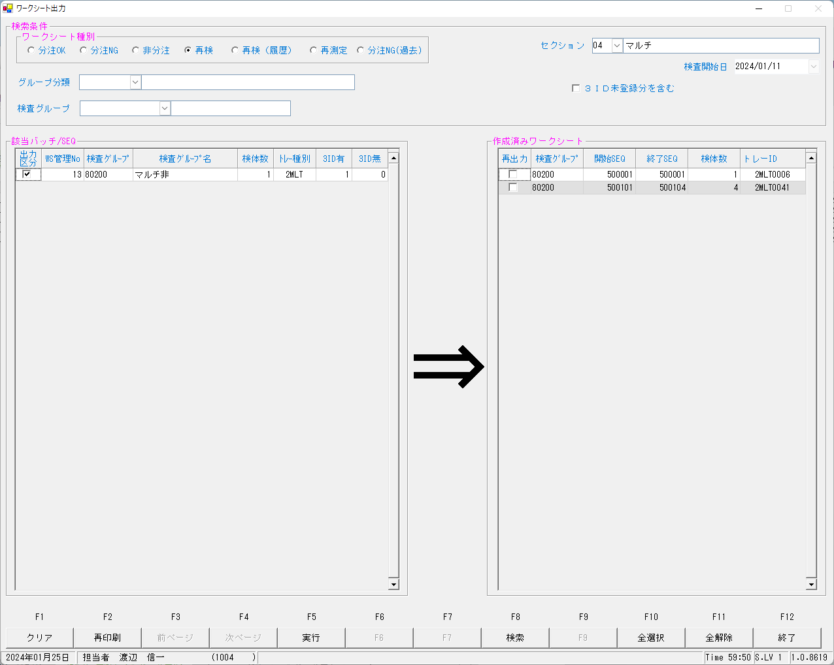
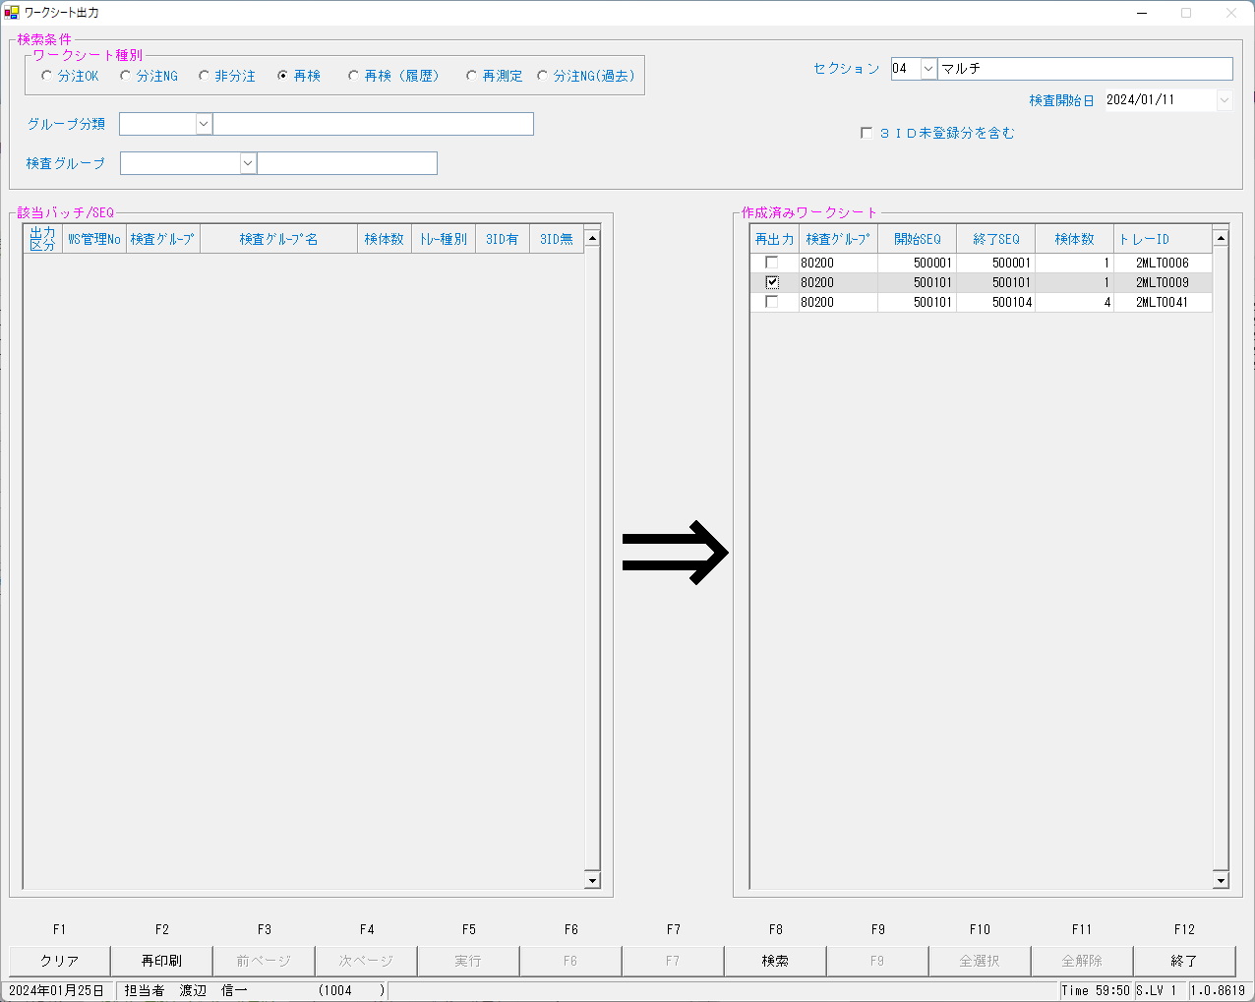

ワークシート出力_0031548_再測定後再検.pdf
...
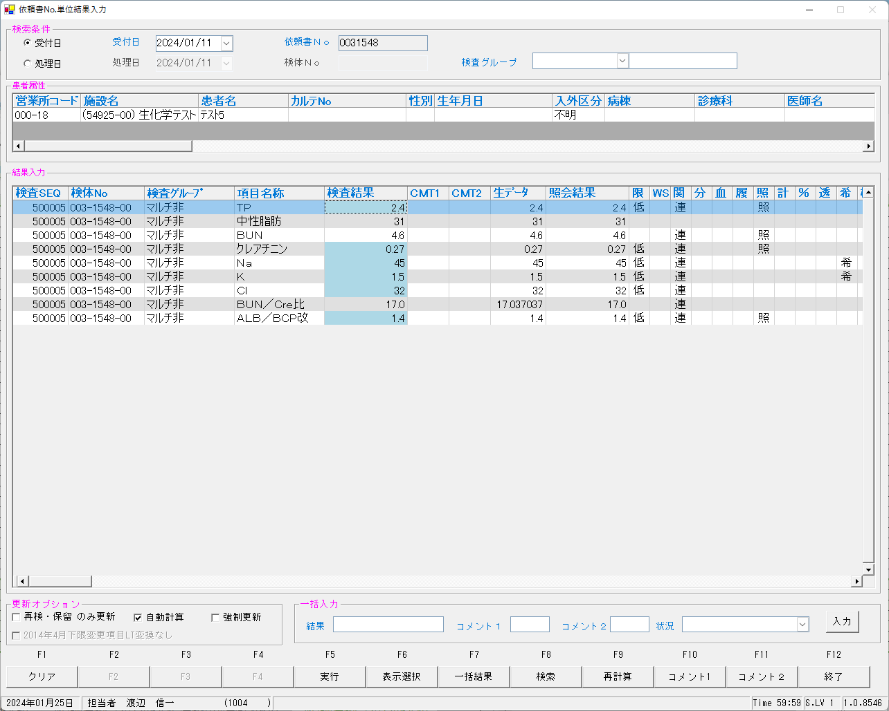

...
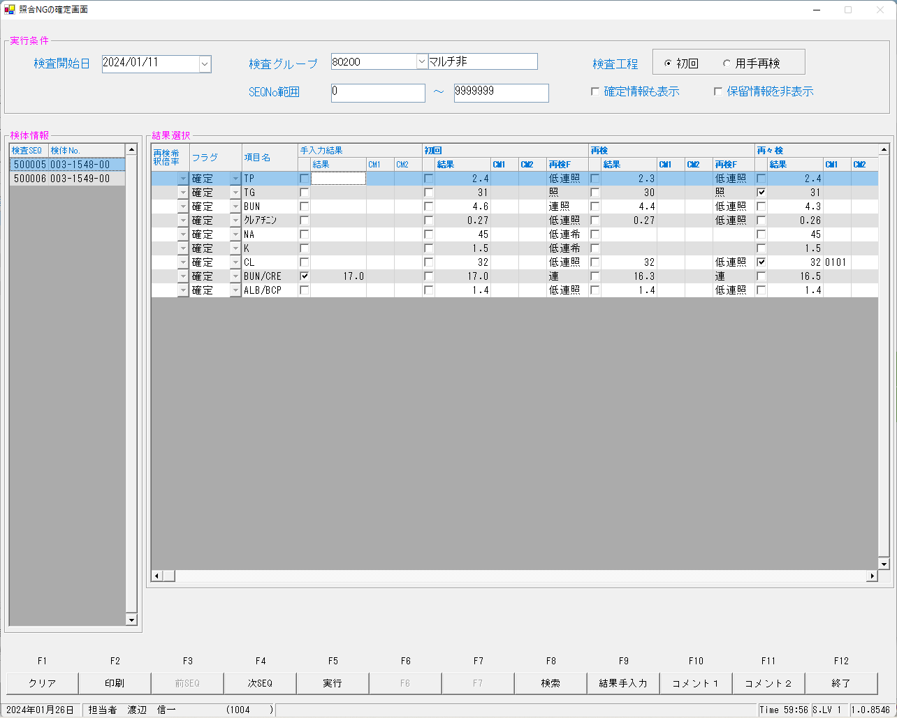
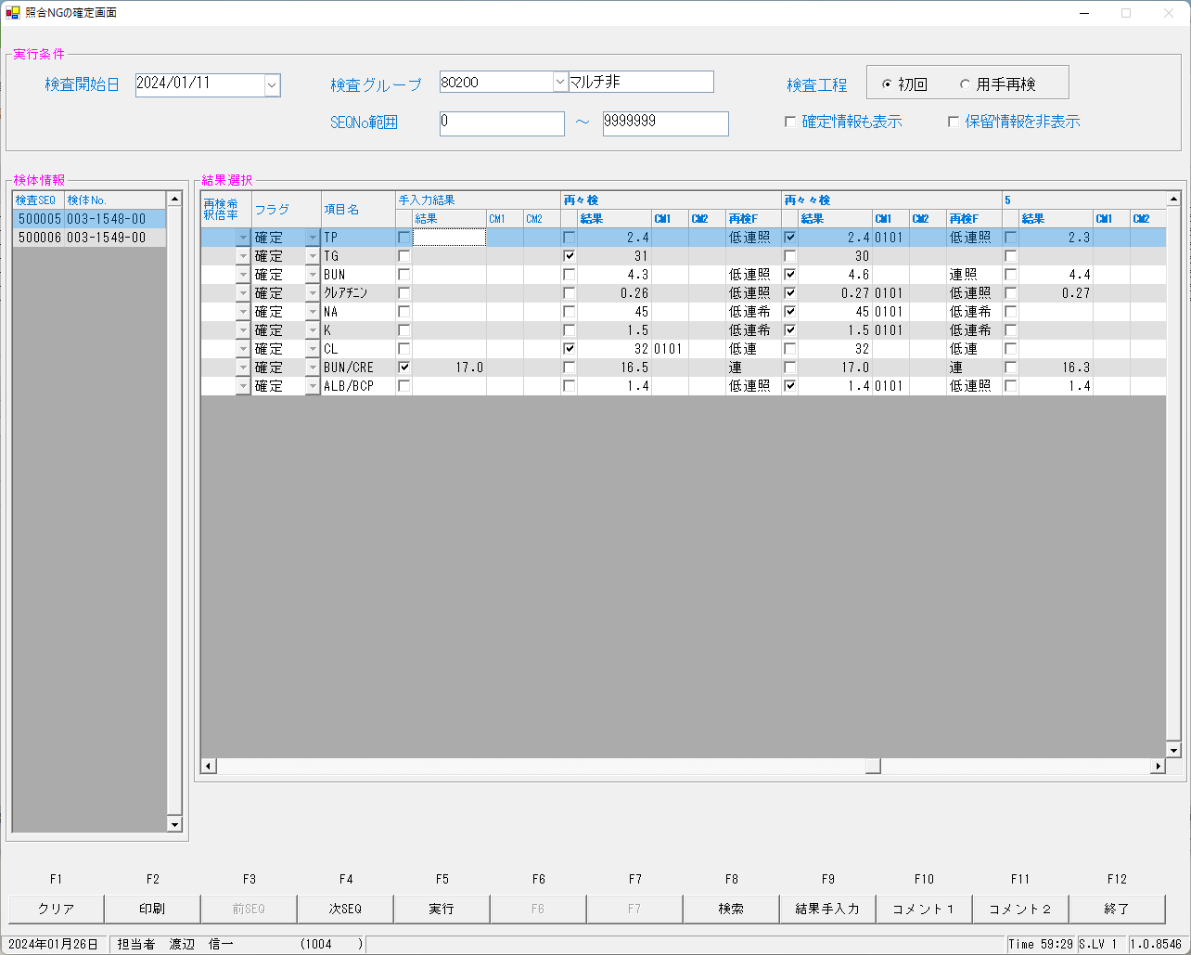
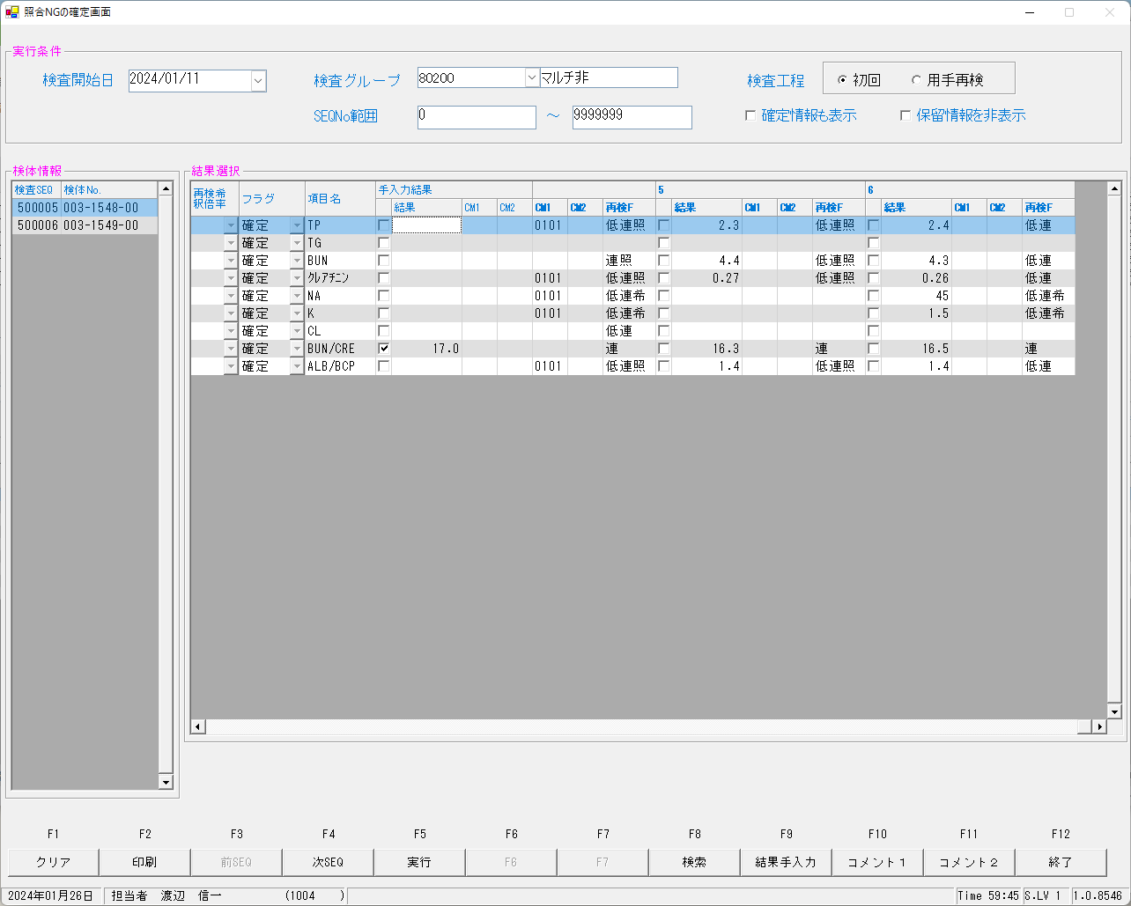

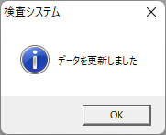

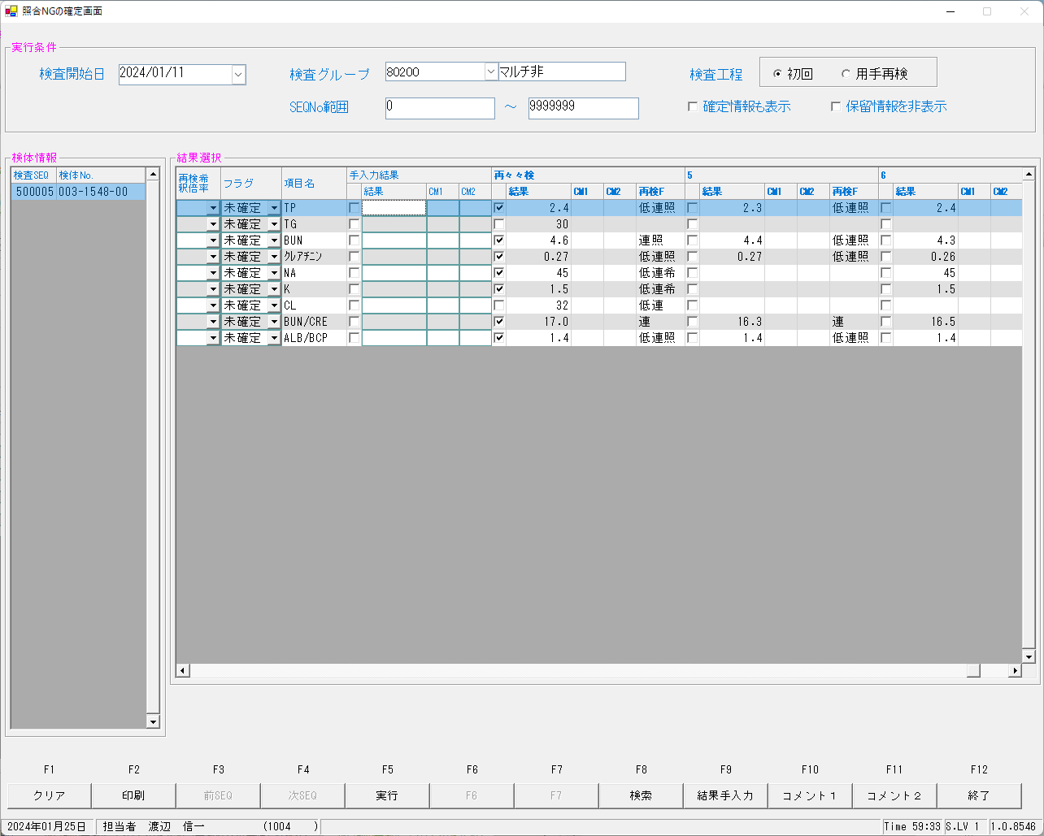
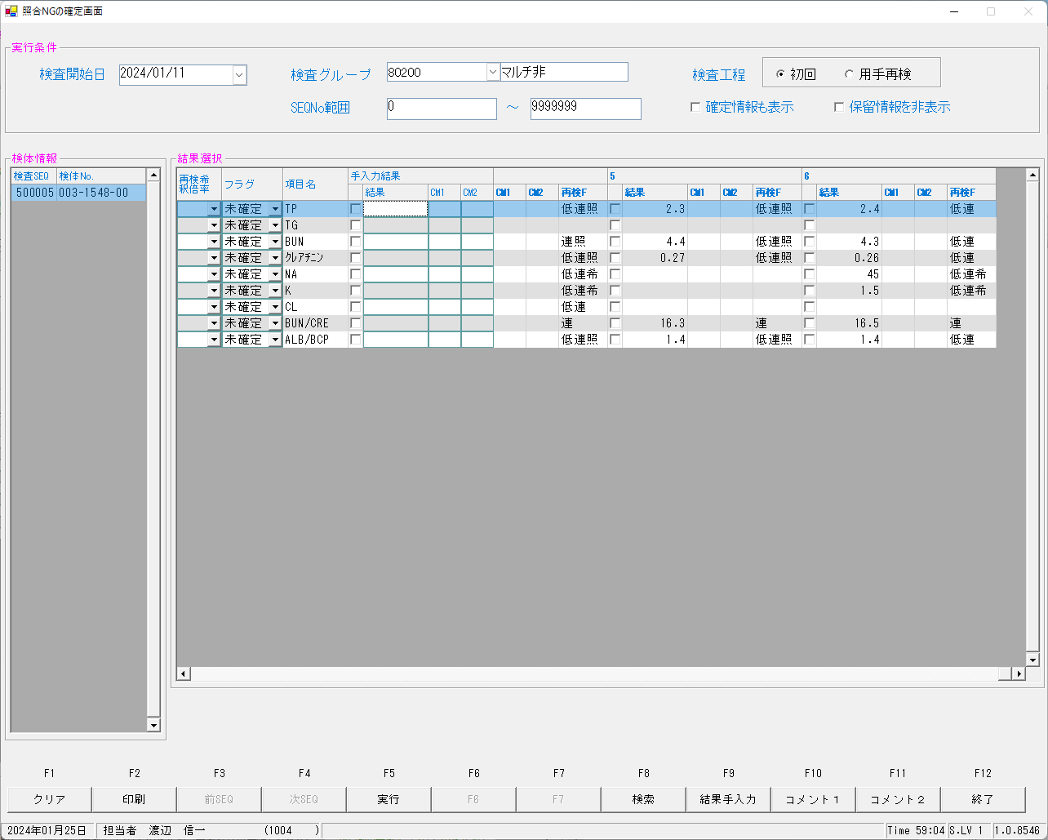
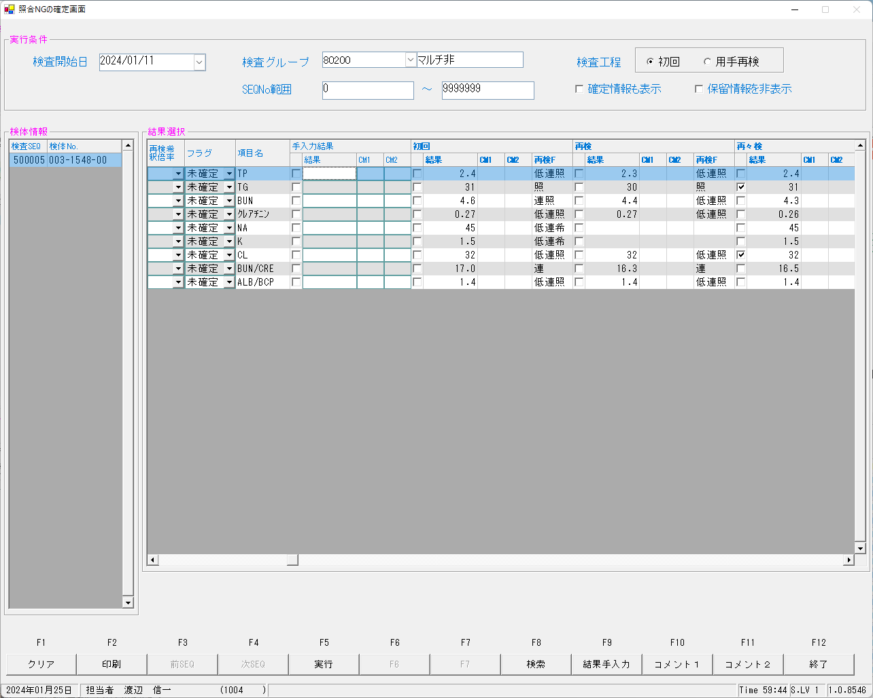
...
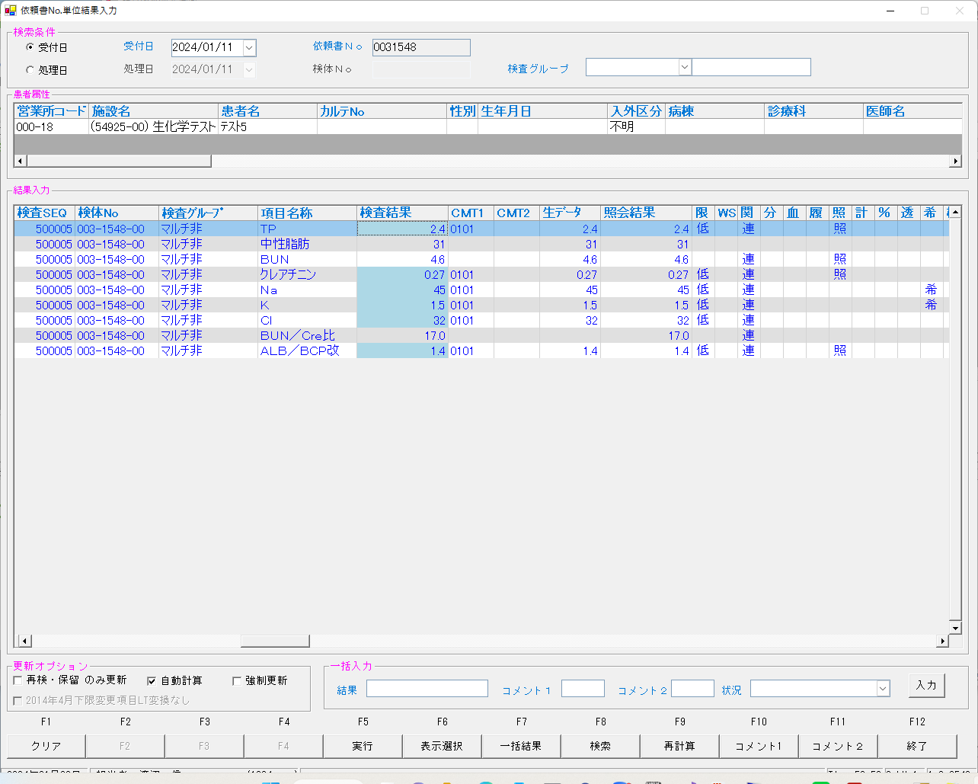
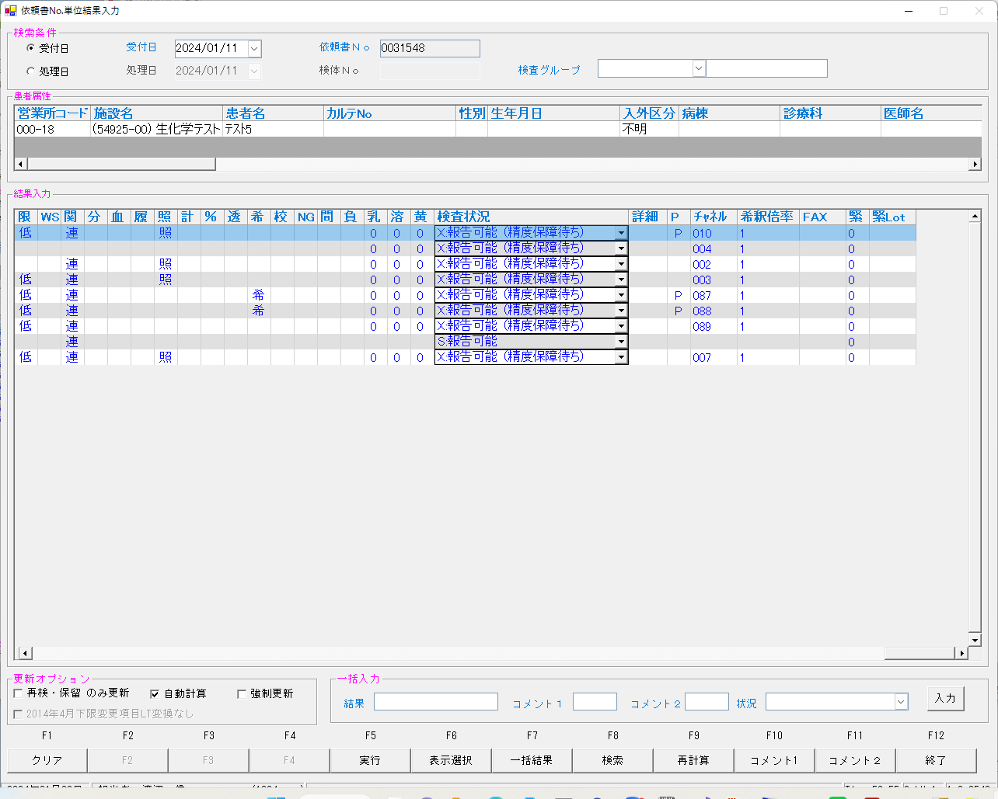

チェックの位置がTGとCLがずれているが、詰まっているだけ。
本来は
再々検が再々々検、再々々検が６に表示されるべきものなのだろうけれど。
...
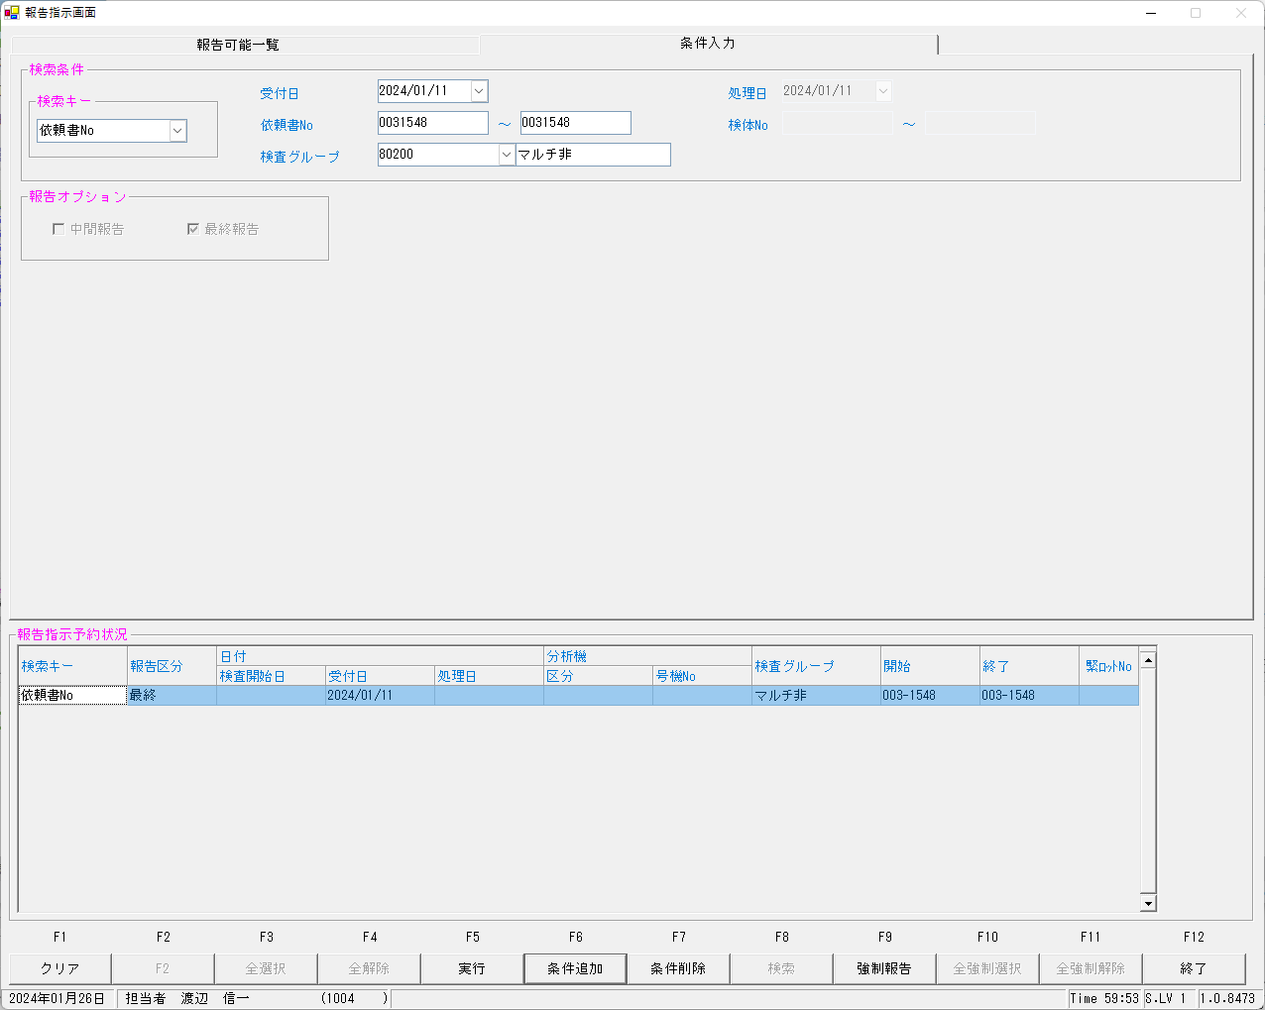


...
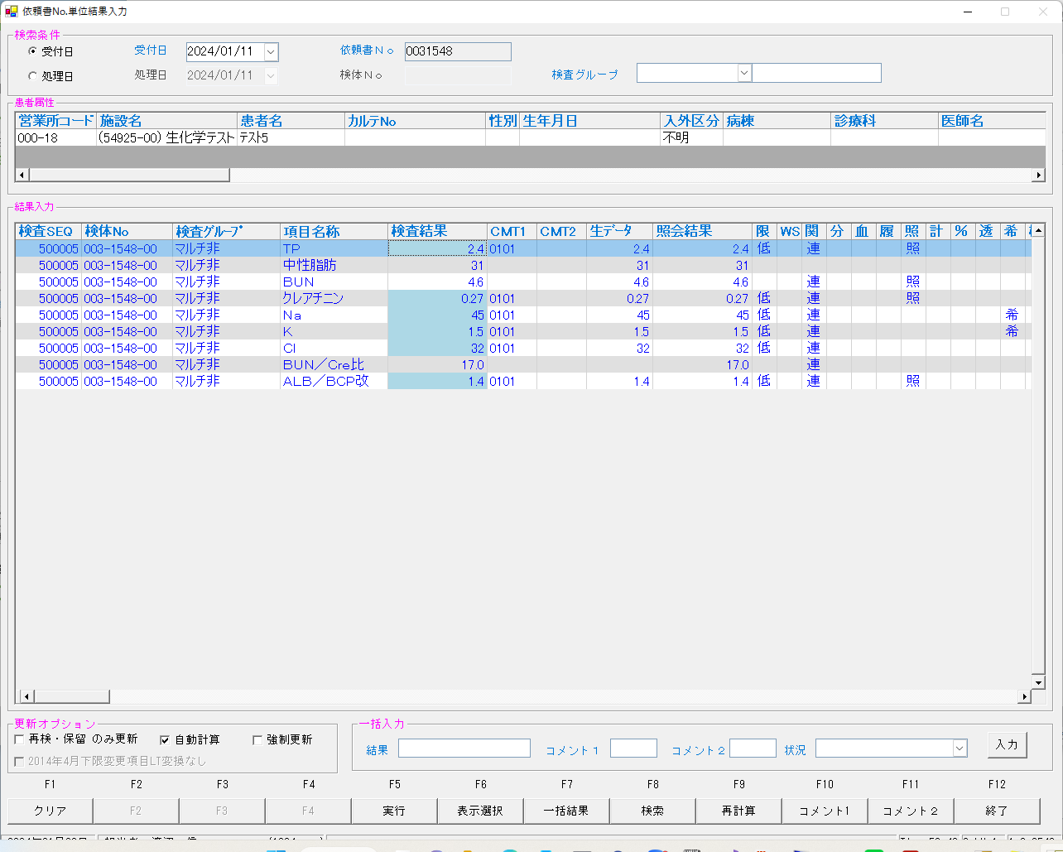
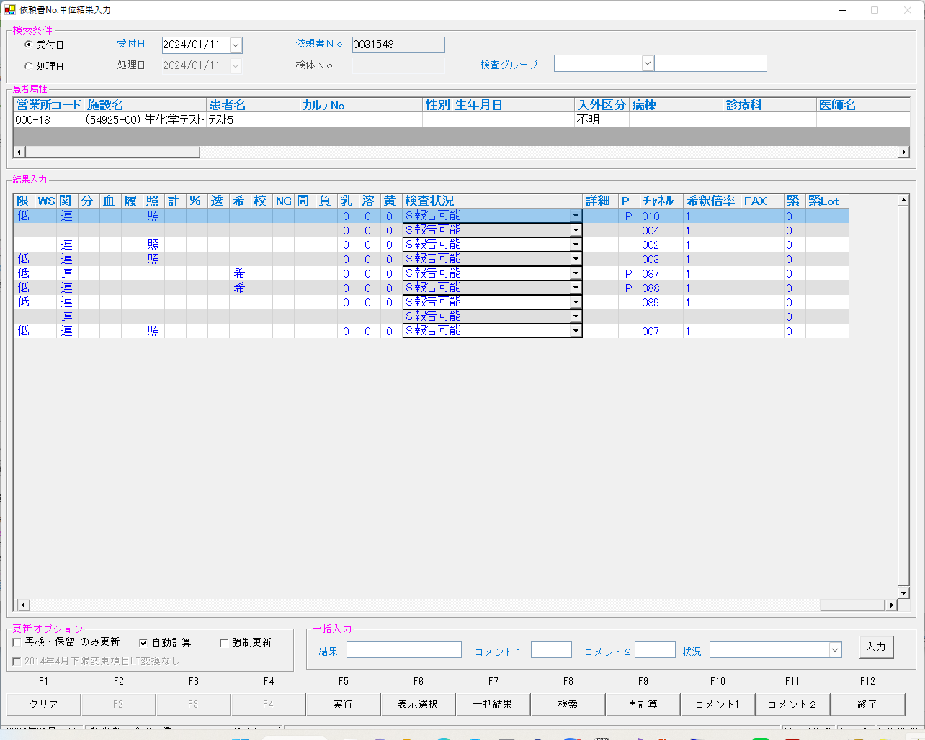
...

0031549
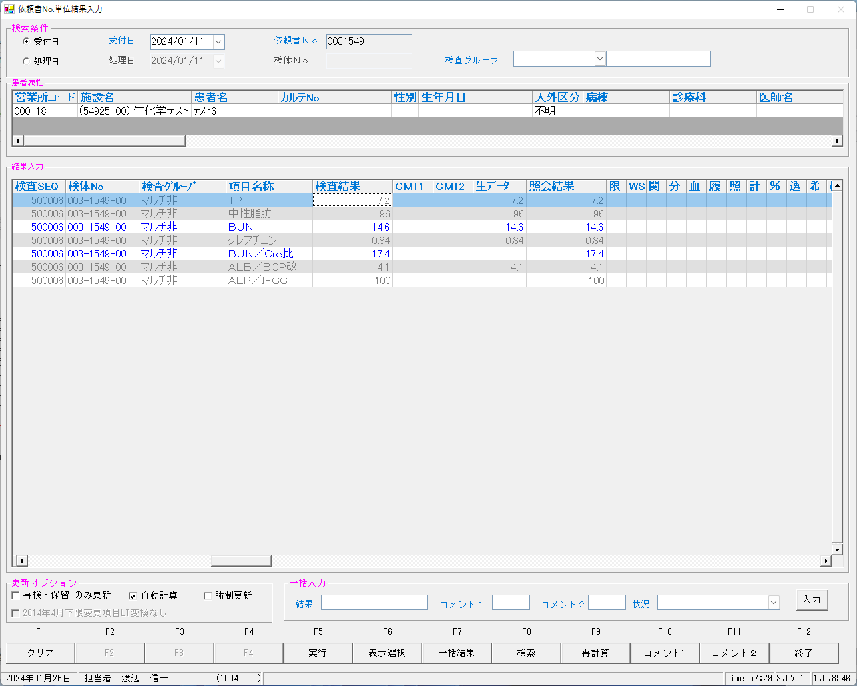
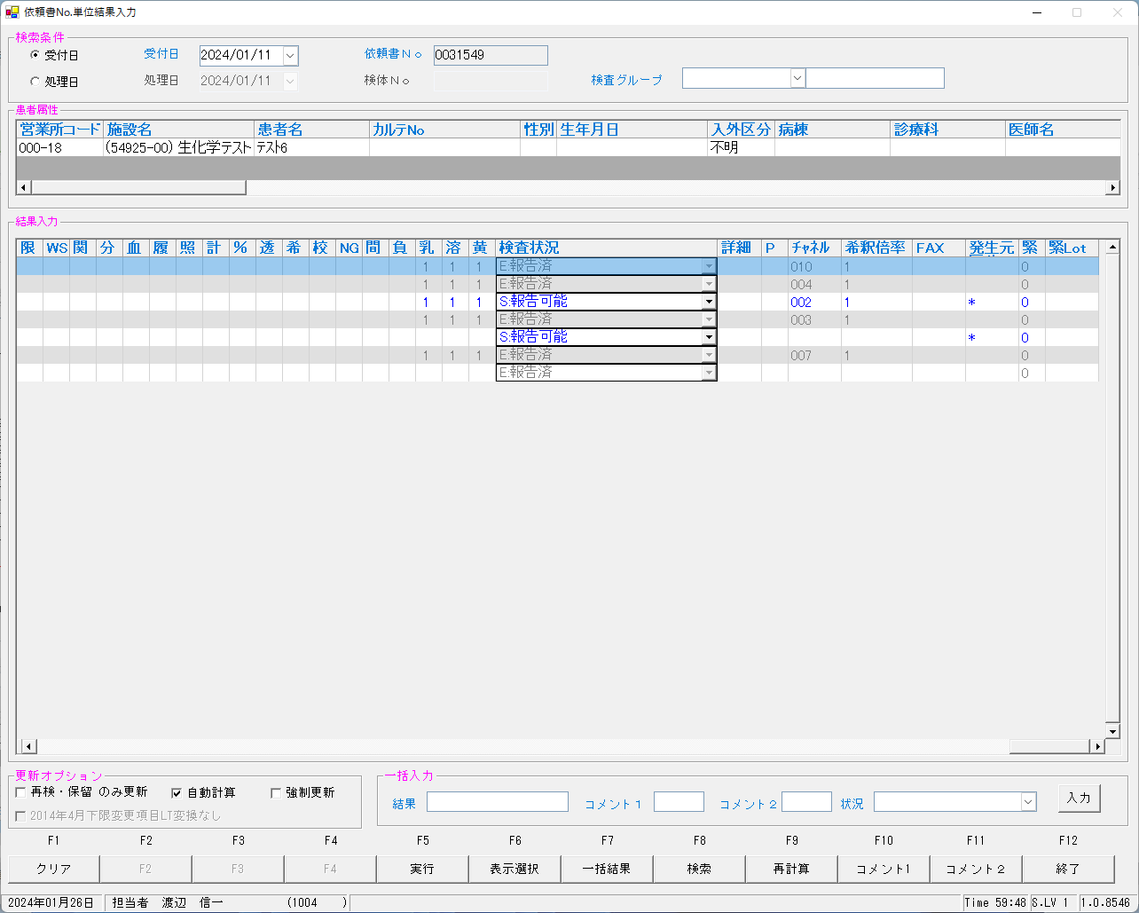
...
2024/01/26 09:58:56.798 Listenを開始しました。(172.25.32.166:10005)
2024/01/26 09:59:05.043 送信→<EOT>
2024/01/26 09:59:05.222 受信←<ENQ>
2024/01/26 09:59:05.226 送信→<ACK>
2024/01/26 09:59:05.284 受信←<STX>1O 0101000N2000007006 **003154900 00054162-01 U 1.011 <ETX>72<CR><LF>
2024/01/26 09:59:05.289 送信→<ACK>
2024/01/26 09:59:10.292 受信←<EOT>
------------------------------------------------------------------------------------------------------------------------------------------------------------------------------------------------------------------------------------------------------------------------
2024/01/26 09:59:10.301 クライアントとの接続を閉じました。
2024/01/26 09:59:10.304 Listenerを閉じました。
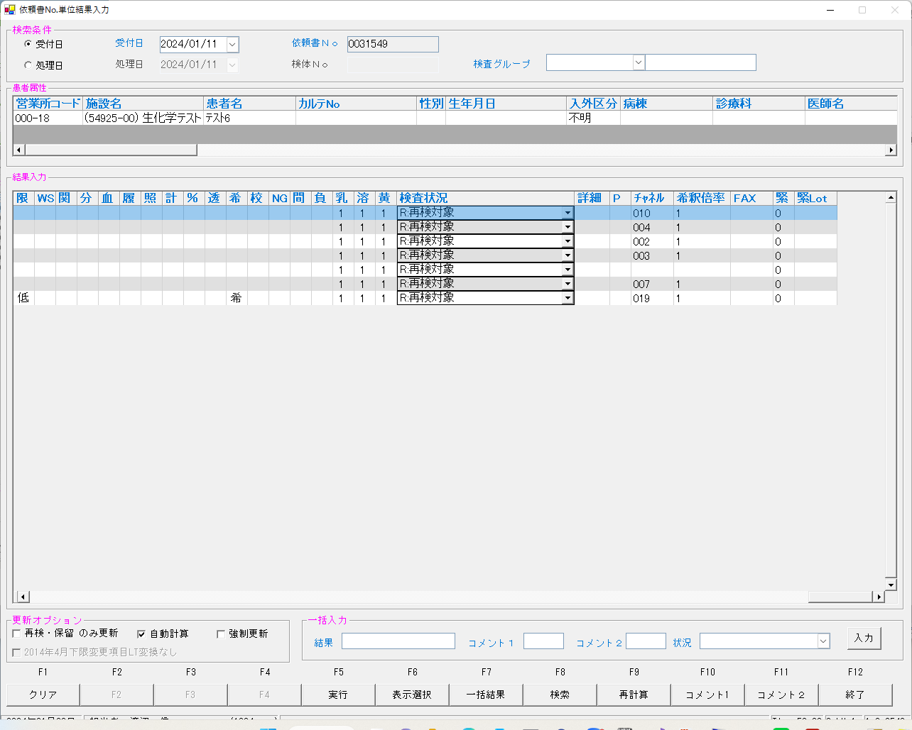
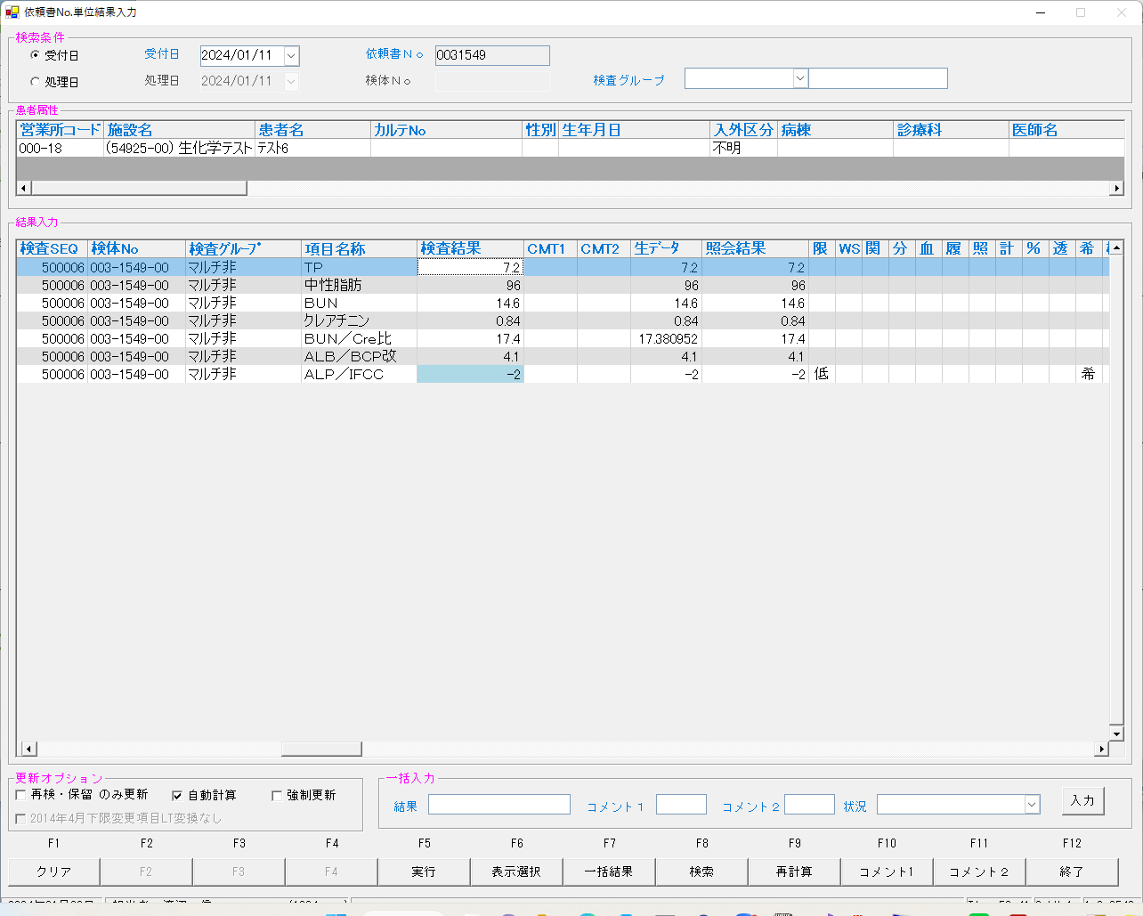

select * from irai where irino = '00003154900' AND SRIYMD = '2024-01-11' order by kmkcd ;
UTKYMD | IRINO | IRIKETFLG | ZSSDINO | KNSGRP | KMKCD | IRIHSMKBN | IRIKBN | KSKTKBN | SRIYMD | KNTNO | KNTKETFLG | CHKMJ | STSRCD | KMKRS | OYAKMKCD | SMPCD | SETKMKCD | SRINYCD | SECCD | SKCHKFLG | BKFKKBN | YSNLBL | SKFLG | TKFLG | SJFLG | JKTKFLG | KJNO | FKHKKNOHJKBN | TBKJNO | TBKJFLG
2024-01-11 | 00003154900 |  | 0 | 80200 | 0000401 | 0 | A | K | 2024-01-11 | 00003154900 |  | ｶｻ | 023 | TP | 0000401 | 0054 | 0000000 | 0 | A | 0 | 0 | 00 | 0 | 0 | 0 | 0 | 001
2024-01-11 | 00003154900 |  | 0 | 80200 | 0000409 | 2 | A | K | 2024-01-11 | 00003154900 |  | ｶｻ | 023 | BUN | 0000409 | 0054 | 0000000 | 2 | A | 0 | 0 | 00 | 0 | 0 | 0 | 0 | 005
2024-01-11 | 00003154900 |  | 0 | 80200 | 0000413 | 0 | A | K | 2024-01-11 | 00003154900 |  | ｶｻ | 023 | ｸﾚｱﾁﾆﾝ | 0000413 | 0054 | 0000000 | 0 | A | 0 | 0 | 00 | 0 | 0 | 0 | 0 | 009
2024-01-11 | 00003154900 |  | 0 | 80200 | 0000417 | 0 | A | K | 2024-01-11 | 00003154900 |  | ｶｻ | 023 | ALB/BCP | 0000417 | 0054 | 0000000 | 0 | A | 0 | 0 | 00 | 0 | 0 | 0 | 0 | 001
2024-01-11 | 00003154900 |  | 0 | 80200 | 0000454 | 0 | A | K | 2024-01-11 | 00003154900 |  | ｶｻ | 023 | TG | 0000454 | 0054 | 0000000 | 0 | A | 0 | 0 | 00 | 0 | 0 | 0 | 0 | 001
2024-01-11 | 00003154900 |  | 0 | 80200 | 0013067 | 0 | A | K | 2024-01-11 | 00003154900 |  | ｶｻ | 023 | ALP/IFCC | 0013067 | 0054 | 0000000 | 0 | A | 0 | 0 | 00 | 0 | 0 | 0 | 0 | 001
...
select * from kekka where irino = '00003154900' AND SRIYMD = '2024-01-11' order by knssu,kmkcd ;
2024-01-11 | 2024-01-11 | 00003154900 |  | 80200 | 0000409 | 2 | 0 | 2 | A | K | 2024-01-11 | 00003154900 |  | 0 | 5492500 | 2MLT0041 | 4 | 58624 | 4
2024-01-11 | 2024-01-11 | 00003154900 |  | 80200 | 0000413 | 2 | 0 | 0 | A | K | 2024-01-11 | 00003154900 |  | 0 | 5492500 | 2MLT0041 | 4 | 58624 | 4
2024-01-11 | 2024-01-11 | 00003154900 |  | 80200 | 0000417 | 2 | 0 | 0 | A | K | 2024-01-11 | 00003154900 |  | 0 | 5492500 | 2MLT0041 | 4 | 58624 | 4
2024-01-11 | 2024-01-11 | 00003154900 |  | 80200 | 0000454 | 2 | 0 | 0 | A | K | 2024-01-11 | 00003154900 |  | 0 | 5492500 | 2MLT0041 | 4 | 58624 | 4
2024-01-11 | 2024-01-11 | 00003154900 |  | 80200 | 0900013 | 2 | 0 | 2 | A | K | 2024-01-11 | 00003154900 |  | 0 | 5492500 | 2MLT0041 | 4 | 58624 | 4
2024-01-11 | 2024-01-11 | 00003154900 |  | 80200 | 0013067 | 3 | 0 | 0 | A | K | 2024-01-11 | 00003154900 |  | 0 | 5492500 | 2MLT0041 | 4 | 58624 | 4

UPDATE IRAI set ODRSSFLG = '2' WHERE IRINO = '00003154900' ;
再検後の状態となっていることを確認する

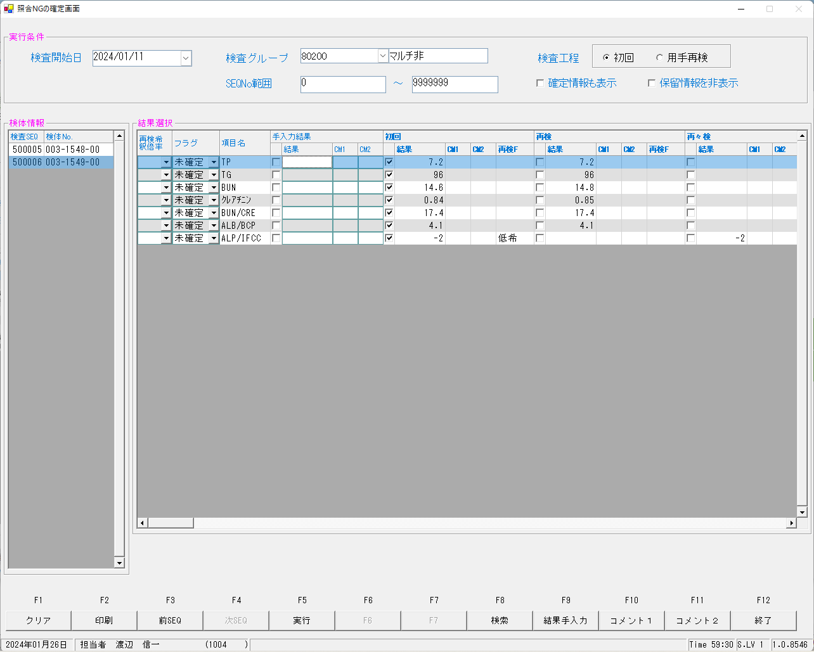

select SRIYMD,IRINO,KNSSU,BSKKBN,BSKLNE,BSKGOK,KNSGRP,CTRLNO,BSKSEQ,KNSSEQ from kekka where irino = '00003154900' order by knssu,kmkcd ;
SRIYMD | IRINO | KNSSU | BSKKBN | BSKLNE | BSKGOK | KNSGRP | CTRLNO | BSKSEQ | KNSSEQ
2024-01-11 | 00003154900 | 1 | BIOM | 13 | 130400 | 80200 | 1 | 7006 | 500006
2024-01-11 | 00003154900 | 1 | BIOM | 13 | 130400 | 80200 | 1 | 7006 | 500006
2024-01-11 | 00003154900 | 1 | BIOM | 13 | 130400 | 80200 | 1 | 7006 | 500006
2024-01-11 | 00003154900 | 1 | BIOM | 13 | 130400 | 80200 | 1 | 7006 | 500006
2024-01-11 | 00003154900 | 1 | BIOM | 13 | 130400 | 80200 | 1 | 7006 | 500006
2024-01-11 | 00003154900 | 1 | BIOM | 13 | 130600 | 80200 | 1 | 7006 | 500006
2024-01-11 | 00003154900 | 1 | BIOM | 13 | 130100 | 80200 | 1 | 7006 | 500006
2024-01-11 | 00003154900 | 2 | BIOM | 13 | 130400 | 80200 | 1 | 7014 | 500104
2024-01-11 | 00003154900 | 2 | BIOM | 13 | 130400 | 80200 | 1 | 7014 | 500104
2024-01-11 | 00003154900 | 2 | BIOM | 13 | 130400 | 80200 | 1 | 7014 | 500104
2024-01-11 | 00003154900 | 2 | BIOM | 13 | 130400 | 80200 | 1 | 7014 | 500104
2024-01-11 | 00003154900 | 2 | BIOM | 13 | 130400 | 80200 | 1 | 7014 | 500104
2024-01-11 | 00003154900 | 2 | BIOM | 13 | 130100 | 80200 | 1 | 7014 | 500104
2024-01-11 | 00003154900 | 3 | BIOM | 13 | 130600 | 80200 | 1 | 7014 | 500104 |  |  |  |  | ２検体を、更新します。よろしいですか。と出力された。この２検体は、0031548、0031549の２つを意味していると考えられた。0031548は報告済みなのにおかしいと思い確認したところ、報告対象外のものが更新されていた。
 |  |  |  |  |  |  |  |  |  |  |  |  |  | これは、問題なしと考えられる。
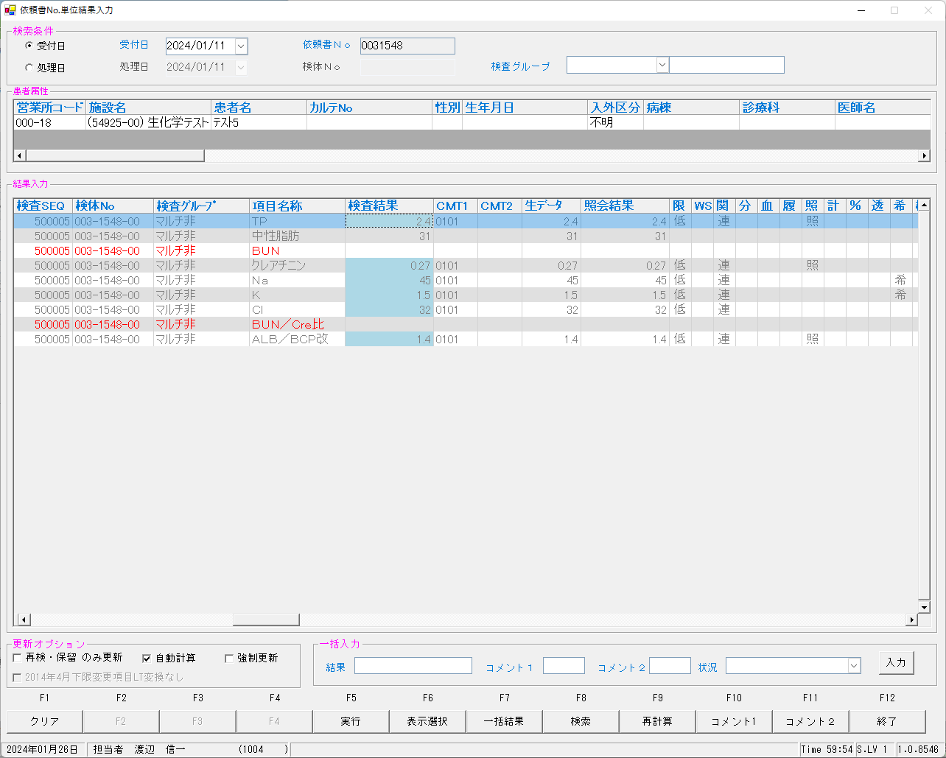




select * from irai where irino = '00003154900' AND SRIYMD = '2024-01-11' order by kmkcd ;
UTKYMD | IRINO | IRIKETFLG | ZSSDINO | KNSGRP | KMKCD | IRIHSMKBN | IRIKBN | KSKTKBN | SRIYMD | KNTNO | KNTKETFLG | CHKMJ | STSRCD | KMKRS | OYAKMKCD | SMPCD | SETKMKCD | SRINYCD | SECCD | SKCHKFLG | BKFKKBN | YSNLBL | SKFLG | TKFLG | SJFLG | JKTKFLG | KJNO | FKHKKNOHJKBN | TBKJNO | TBKJFLG | HTKFKHMS | TSKFLG | TKTFLG | BNCKBN
2024-01-11 | 00003154900 |  | 0 | 80200 | 0000401 | 0 | A | S | 2024-01-11 | 00003154900 |  | ｶｻ | 023 | TP | 0000401 | 0054 | 0000000 | 0 | A | 0 | 0 | 00 | 0 | 0 | 0 | 0 | 001 |  |  |  |  |  |  | 2
2024-01-11 | 00003154900 |  | 0 | 80200 | 0000409 | 2 | A | S | 2024-01-11 | 00003154900 |  | ｶｻ | 023 | BUN | 0000409 | 0054 | 0000000 | 2 | A | 0 | 0 | 00 | 0 | 0 | 0 | 0 | 005 |  |  |  |  |  |  | 2
2024-01-11 | 00003154900 |  | 0 | 80200 | 0000413 | 0 | A | S | 2024-01-11 | 00003154900 |  | ｶｻ | 023 | ｸﾚｱﾁﾆﾝ | 0000413 | 0054 | 0000000 | 0 | A | 0 | 0 | 00 | 0 | 0 | 0 | 0 | 009 |  |  |  |  |  |  | 2
2024-01-11 | 00003154900 |  | 0 | 80200 | 0000417 | 0 | A | S | 2024-01-11 | 00003154900 |  | ｶｻ | 023 | ALB/BCP | 0000417 | 0054 | 0000000 | 0 | A | 0 | 0 | 00 | 0 | 0 | 0 | 0 | 001 |  |  |  |  |  |  | 2
2024-01-11 | 00003154900 |  | 0 | 80200 | 0000454 | 0 | A | S | 2024-01-11 | 00003154900 |  | ｶｻ | 023 | TG | 0000454 | 0054 | 0000000 | 0 | A | 0 | 0 | 00 | 0 | 0 | 0 | 0 | 001 |  |  |  |  |  |  | 2
2024-01-11 | 00003154900 |  | 0 | 80200 | 0013067 | 0 | A | S | 2024-01-11 | 00003154900 |  | ｶｻ | 023 | ALP/IFCC | 0013067 | 0054 | 0000000 | 0 | A | 0 | 0 | 00 | 0 | 0 | 0 | 0 | 001 |  |  |  |  |  |  | 2
...
select * from kekka where irino = '00003154900' AND SRIYMD = '2024-01-11' order by knssu,kmkcd ;
2024-01-11 | 2024-01-11 | 00003154900 |  | 80200 | 0000401 | 2 | 0 | 0 | A | K | 2024-01-11 | 00003154900 |  | 0 | 5492500 | 2MLT0041 | 4 | 58624 | 4 | 0000401 | A | 0 | 0054 | BIOM | 13 | 130400 | 7014 |  | 2024-01-12 | 010
2024-01-11 | 2024-01-11 | 00003154900 |  | 80200 | 0000409 | 2 | 0 | 2 | A | K | 2024-01-11 | 00003154900 |  | 0 | 5492500 | 2MLT0041 | 4 | 58624 | 4 | 0000409 | A | 0 | 0054 | BIOM | 13 | 130400 | 7014 |  | 2024-01-12 | 002
2024-01-11 | 2024-01-11 | 00003154900 |  | 80200 | 0000413 | 2 | 0 | 0 | A | K | 2024-01-11 | 00003154900 |  | 0 | 5492500 | 2MLT0041 | 4 | 58624 | 4 | 0000413 | A | 0 | 0054 | BIOM | 13 | 130400 | 7014 |  | 2024-01-12 | 003
2024-01-11 | 2024-01-11 | 00003154900 |  | 80200 | 0000417 | 2 | 0 | 0 | A | K | 2024-01-11 | 00003154900 |  | 0 | 5492500 | 2MLT0041 | 4 | 58624 | 4 | 0000417 | A | 0 | 0054 | BIOM | 13 | 130400 | 7014 |  | 2024-01-12 | 007
2024-01-11 | 2024-01-11 | 00003154900 |  | 80200 | 0000454 | 2 | 0 | 0 | A | K | 2024-01-11 | 00003154900 |  | 0 | 5492500 | 2MLT0041 | 4 | 58624 | 4 | 0000454 | A | 0 | 0054 | BIOM | 13 | 130400 | 7014 |  | 2024-01-12 | 004
2024-01-11 | 2024-01-11 | 00003154900 |  | 80200 | 0900013 | 2 | 0 | 2 | A | K | 2024-01-11 | 00003154900 |  | 0 | 5492500 | 2MLT0041 | 4 | 58624 | 4 | 0900013 | A | 0 | 0054 | BIOM | 13 | 130100 | 7014 |  | 2024-01-12
2024-01-11 | 2024-01-11 | 00003154900 |  | 80200 | 0013067 | 3 | 0 | 0 | A | K | 2024-01-11 | 00003154900 |  | 0 | 5492500 | 2MLT0041 | 4 | 58624 | 4 | 0013067 | A | 0 | 0054 | BIOM | 13 | 130600 | 7014 |  | 2024-01-12 | 019

再測定としたことで結果入力画面はクリアされた状態で見える

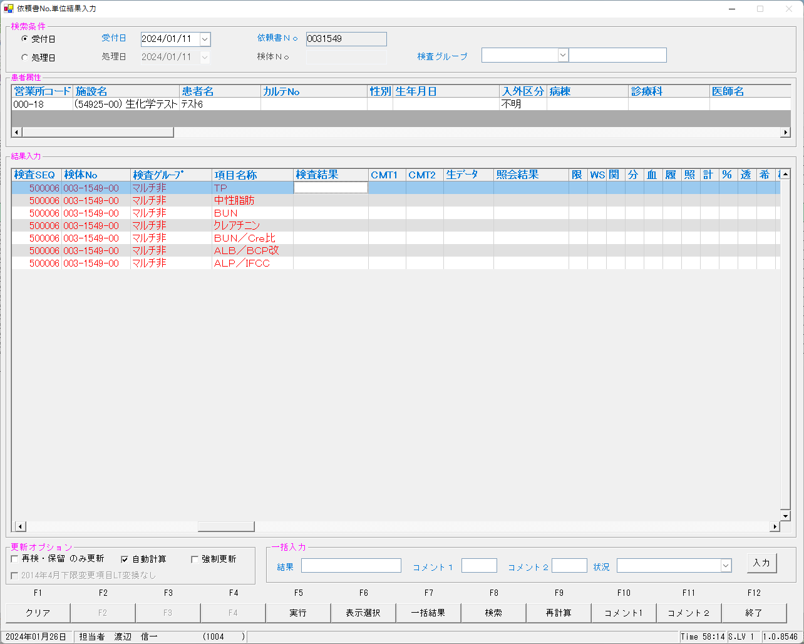
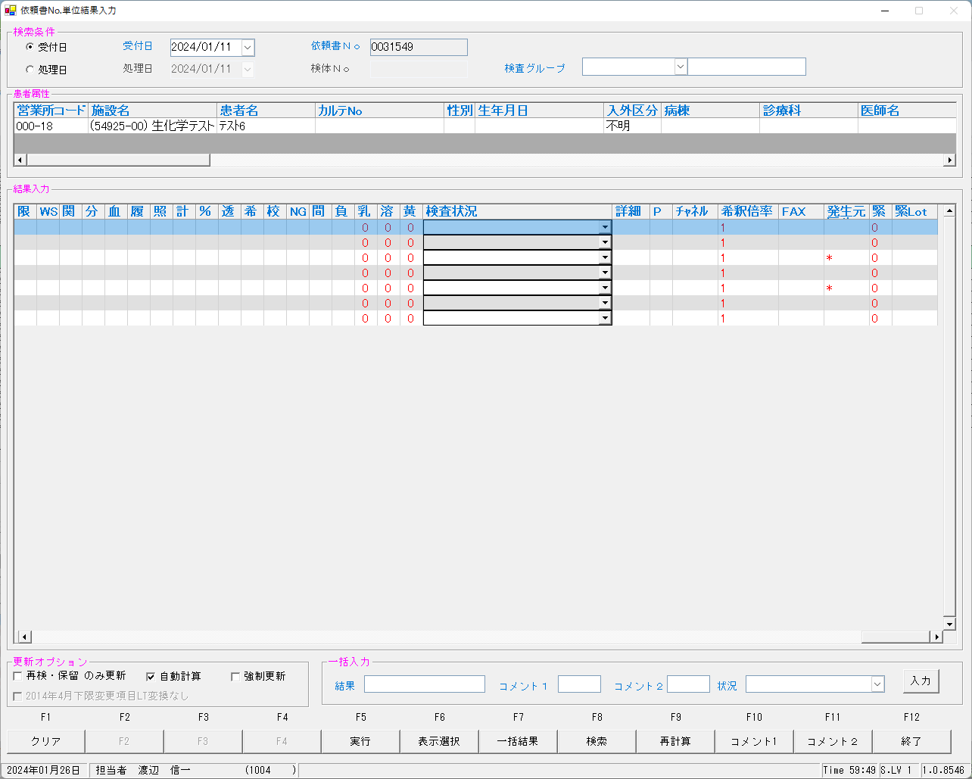


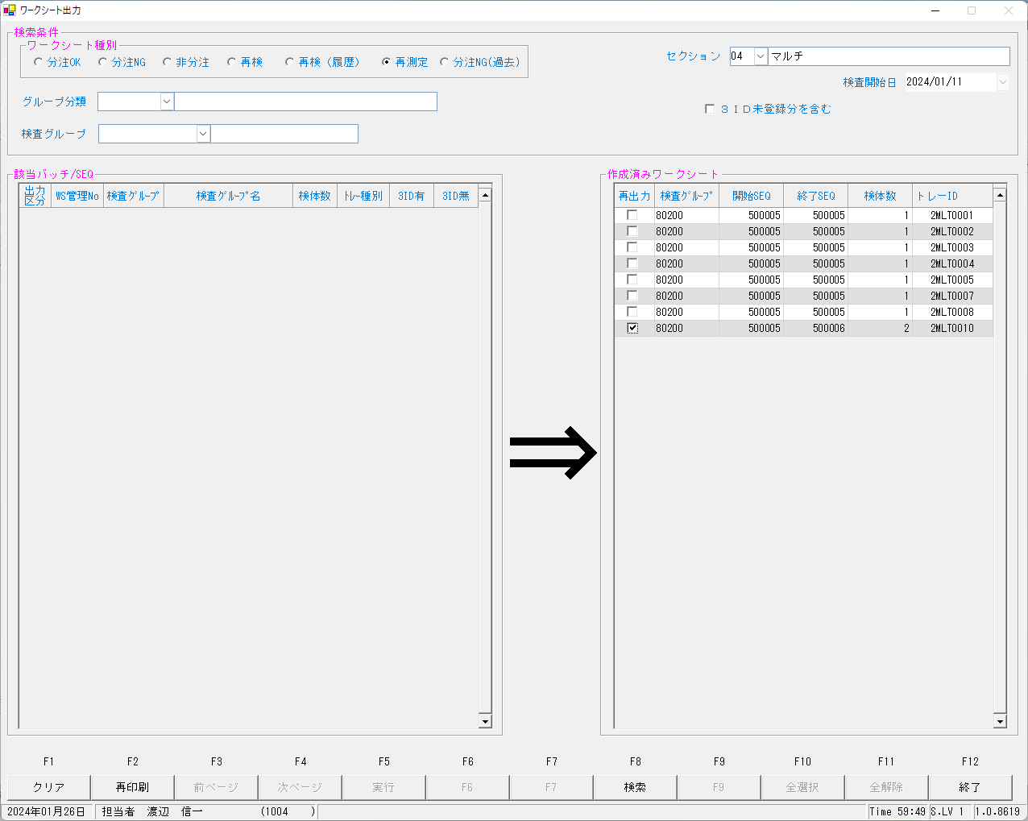
...
2024/01/26 12:08:26.477 Listenを開始しました。(172.25.32.166:10005)
2024/01/26 12:08:33.966 送信→<EOT>
2024/01/26 12:08:34.142 受信←<ENQ>
2024/01/26 12:08:34.145 送信→<ACK>
2024/01/26 12:08:34.211 受信←<STX>1O 0101000N2000007006 **003154900 00054300-02 U 1.011 <ETX>6D<CR><LF>
2024/01/26 12:08:34.214 送信→<ACK>
2024/01/26 12:08:39.218 受信←<EOT>
------------------------------------------------------------------------------------------------------------------------------------------------------------------------------------------------------------------------------------------------------------------------
2024/01/26 12:08:39.231 クライアントとの接続を閉じました。
2024/01/26 12:08:39.234 Listenerを閉じました。

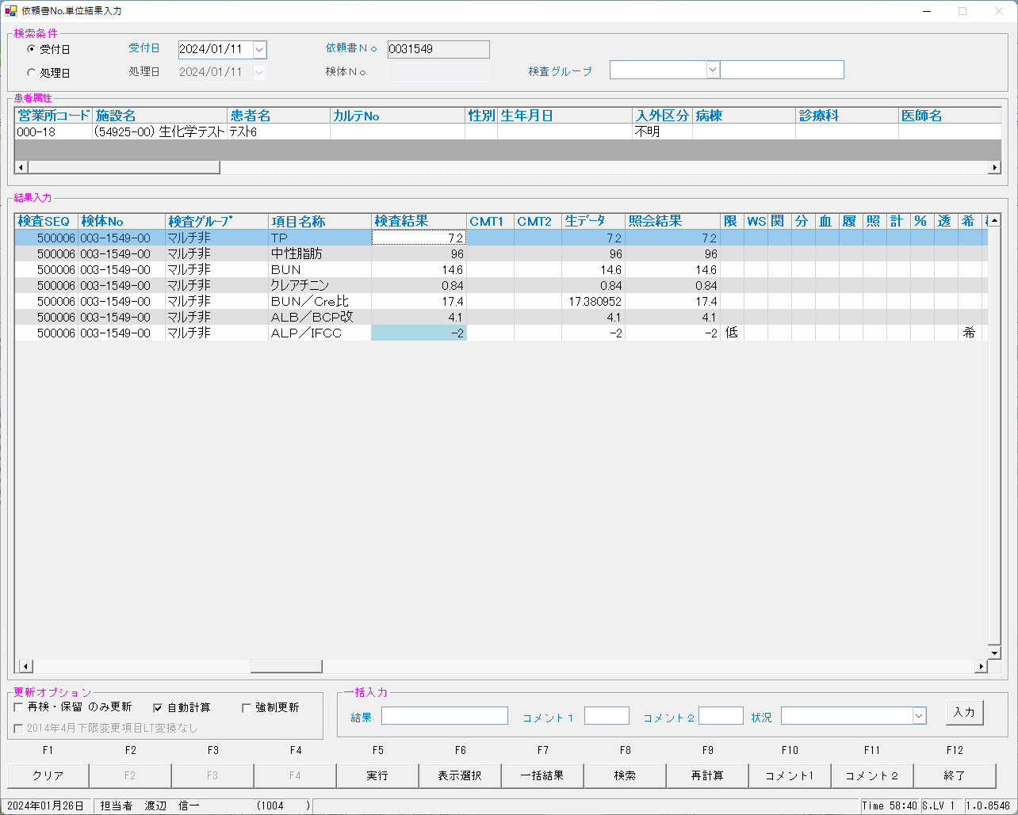


select * from irai where irino = '00003154900' AND SRIYMD = '2024-01-11' order by kmkcd ;
UTKYMD | IRINO | IRIKETFLG | ZSSDINO | KNSGRP | KMKCD | IRIHSMKBN | IRIKBN | KSKTKBN | SRIYMD | KNTNO | KNTKETFLG | CHKMJ | STSRCD | KMKRS | OYAKMKCD | SMPCD | SETKMKCD | SRINYCD | SECCD | SKCHKFLG | BKFKKBN | YSNLBL | SKFLG | TKFLG | SJFLG | JKTKFLG | KJNO | FKHKKNOHJKBN | TBKJNO | TBKJFLG
2024-01-11 | 00003154900 |  | 0 | 80200 | 0000401 | 0 | A | K | 2024-01-11 | 00003154900 |  | ｶｻ | 023 | TP | 0000401 | 0054 | 0000000 | 0 | A | 0 | 0 | 00 | 0 | 0 | 0 | 0 | 001
2024-01-11 | 00003154900 |  | 0 | 80200 | 0000409 | 2 | A | K | 2024-01-11 | 00003154900 |  | ｶｻ | 023 | BUN | 0000409 | 0054 | 0000000 | 2 | A | 0 | 0 | 00 | 0 | 0 | 0 | 0 | 005
2024-01-11 | 00003154900 |  | 0 | 80200 | 0000413 | 0 | A | K | 2024-01-11 | 00003154900 |  | ｶｻ | 023 | ｸﾚｱﾁﾆﾝ | 0000413 | 0054 | 0000000 | 0 | A | 0 | 0 | 00 | 0 | 0 | 0 | 0 | 009
2024-01-11 | 00003154900 |  | 0 | 80200 | 0000417 | 0 | A | K | 2024-01-11 | 00003154900 |  | ｶｻ | 023 | ALB/BCP | 0000417 | 0054 | 0000000 | 0 | A | 0 | 0 | 00 | 0 | 0 | 0 | 0 | 001
2024-01-11 | 00003154900 |  | 0 | 80200 | 0000454 | 0 | A | K | 2024-01-11 | 00003154900 |  | ｶｻ | 023 | TG | 0000454 | 0054 | 0000000 | 0 | A | 0 | 0 | 00 | 0 | 0 | 0 | 0 | 001
2024-01-11 | 00003154900 |  | 0 | 80200 | 0013067 | 0 | A | K | 2024-01-11 | 00003154900 |  | ｶｻ | 023 | ALP/IFCC | 0013067 | 0054 | 0000000 | 0 | A | 0 | 0 | 00 | 0 | 0 | 0 | 0 | 001
...
 |  |  |  |  |  |  |  | 0 | A | S | 2024-01-11 | 00003154900 |  | 0 | 5492500 | 2MLT0010 | 2 | 54300 | 2 | 0000401 | A | 0 | 0054 | BIOM | 13 | 130400 | 7006 |  | 2024-01-12 | 010 | R | 023 | 00 | 001
2024-01-11 | 2024-01-11 | 00003154900 |  | 80200 | 0000409 | 3 | 0 | 2 | A | S | 2024-01-11 | 00003154900 |  | 0 | 5492500 | 2MLT0010 | 2 | 54300 | 2 | 0000409 | A | 0 | 0054 | BIOM | 13 | 130400 | 7006 |  | 2024-01-12 | 002 | R | 023 | 00 | 005
2024-01-11 | 2024-01-11 | 00003154900 |  | 80200 | 0000413 | 3 | 0 | 0 | A | S | 2024-01-11 | 00003154900 |  | 0 | 5492500 | 2MLT0010 | 2 | 54300 | 2 | 0000413 | A | 0 | 0054 | BIOM | 13 | 130400 | 7006 |  | 2024-01-12 | 003 | R | 023 | 00 | 009
2024-01-11 | 2024-01-11 | 00003154900 |  | 80200 | 0000417 | 3 | 0 | 0 | A | S | 2024-01-11 | 00003154900 |  | 0 | 5492500 | 2MLT0010 | 2 | 54300 | 2 | 0000417 | A | 0 | 0054 | BIOM | 13 | 130400 | 7006 |  | 2024-01-12 | 007 | R | 023 | 00 | 001
2024-01-11 | 2024-01-11 | 00003154900 |  | 80200 | 0000454 | 3 | 0 | 0 | A | S | 2024-01-11 | 00003154900 |  | 0 | 5492500 | 2MLT0010 | 2 | 54300 | 2 | 0000454 | A | 0 | 0054 | BIOM | 13 | 130400 | 7006 |  | 2024-01-12 | 004 | R | 023 | 00 | 001
2024-01-11 | 2024-01-11 | 00003154900 |  | 80200 | 0013067 | 3 | 0 | 0 | A | K | 2024-01-11 | 00003154900 |  | 0 | 5492500 | 2MLT0041 | 4 | 58624 | 4 | 0013067 | A | 0 | 0054 | BIOM | 13 | 130600 | 7014 |  | 2024-01-12 | 019 | R | 023 | 00 | 001
2024-01-11 | 2024-01-11 | 00003154900 |  | 80200 | 0900013 | 3 | 0 | 2 | A | S | 2024-01-11 | 00003154900 |  | 0 | 5492500 | 2MLT0010 | 2 | 54300 | 2 | 0900013 | A | 0 | 0054 | BIOM | 13 | 130100 | 7006 |  | 2024-01-12 |  | R | 023 | 00 | 001
2024-01-11 | 2024-01-11 | 00003154900 |  | 80200 | 0013067 | 4 | 0 | 0 | A | S | 2024-01-11 | 00003154900 |  | 0 | 5492500 | 2MLT0010 | 2 | 54300 | 2 | 0013067 | A | 0 | 0054 | BIOM | 13 | 130600 | 7006 |  | 2024-01-12 | 019 | R | 023 | 00 | 001

再測定の再検オーダーを再度出せるかを試す。


...
 | 2024-01-11 | 00003154900 |  | 80200 | 0000401 | 4 | 0 | 0 | A | K | 2024-01-11 | 00003154900 |  | 0 | 5492500 | 2MLT0011 | 1 | 54310 | 1 | 0000401 | A | 0 | 0054 | BIOM | 13 | 130400 | 7014 |  | 2024-01-12
2024-01-11 | 2024-01-11 | 00003154900 |  | 80200 | 0000409 | 4 | 0 | 2 | A | K | 2024-01-11 | 00003154900 |  | 0 | 5492500 | 2MLT0011 | 1 | 54310 | 1 | 0000409 | A | 0 | 0054 | BIOM | 13 | 130400 | 7014 |  | 2024-01-12
2024-01-11 | 2024-01-11 | 00003154900 |  | 80200 | 0000413 | 4 | 0 | 0 | A | K | 2024-01-11 | 00003154900 |  | 0 | 5492500 | 2MLT0011 | 1 | 54310 | 1 | 0000413 | A | 0 | 0054 | BIOM | 13 | 130400 | 7014 |  | 2024-01-12
2024-01-11 | 2024-01-11 | 00003154900 |  | 80200 | 0000417 | 4 | 0 | 0 | A | K | 2024-01-11 | 00003154900 |  | 0 | 5492500 | 2MLT0011 | 1 | 54310 | 1 | 0000417 | A | 0 | 0054 | BIOM | 13 | 130400 | 7014 |  | 2024-01-12
2024-01-11 | 2024-01-11 | 00003154900 |  | 80200 | 0000454 | 4 | 0 | 0 | A | K | 2024-01-11 | 00003154900 |  | 0 | 5492500 | 2MLT0011 | 1 | 54310 | 1 | 0000454 | A | 0 | 0054 | BIOM | 13 | 130400 | 7014 |  | 2024-01-12
2024-01-11 | 2024-01-11 | 00003154900 |  | 80200 | 0013067 | 4 | 0 | 0 | A | S | 2024-01-11 | 00003154900 |  | 0 | 5492500 | 2MLT0010 | 2 | 54300 | 2 | 0013067 | A | 0 | 0054 | BIOM | 13 | 130600 | 7006 |  | 2024-01-12
2024-01-11 | 2024-01-11 | 00003154900 |  | 80200 | 0900013 | 4 | 0 | 2 | A | K | 2024-01-11 | 00003154900 |  | 0 | 5492500 | 2MLT0011 | 1 | 54310 | 1 | 0900013 | A | 0 | 0054 | BIOM | 13 | 130100 | 7014 |  | 2024-01-12
2024-01-11 | 2024-01-11 | 00003154900 |  | 80200 | 0013067 | 6 | 0 | 0 | A | K | 2024-01-11 | 00003154900 |  | 0 | 5492500 | 2MLT0011 | 1 | 54310 | 1 | 0013067 | A | 0 | 0054 | BIOM | 13 | 130600 | 7014 |  | 2024-01-12







ALP/IFCCはマイナス値で確定できないため１００を設定して実行








0031548を強制報告とする



S:報告可能となっていることを確認



報告指示を実行する



依頼発生元区分が＊以外は報告されていることを確認

kea00sys@kea00apk:/apdata/today/file/kekka> ls -ltr
合計 52
drwxr-xr-x 14 kea00sys users 4096 7月 5 2023 ../
-rw-r--r-- 1 kea00sys users 1024 9月 12 16:47 202309120001.dat
drwxr-xr-x 2 kea00sys users 4096 9月 12 16:54 old/
-rw-r--r-- 1 kea00sys users 1024 9月 25 16:48 202309250001.dat
...
-rw-r--r-- 1 kea00sys users 1024 1月 12 16:16 202401120001.dat
-rw-r--r-- 1 kea00sys users 4096 1月 12 16:16 202401120002.dat
-rw-r--r-- 1 kea00sys users 4096 1月 12 16:16 202401120003.dat
-rw-r--r-- 1 kea00sys users 2048 1月 26 10:47 202401260001.dat
drwxrwxr-x 3 kea00sys users 4096 1月 26 14:23 ./
-rw-r--r-- 1 kea00sys users 1024 1月 26 14:23 202401260002.dat

kea00sys@kea00apk:/apdata/today/file/kekka> cat 202401260002.dat
R120240111003001549000000401003001549000000401 7.2 555 001 030005450000602300 0001 20240111003001549000000454003001549000000454 96 555 001 030005450000602300 0001 20240111003001549000000413003001549000000413 0.84 575 009 030005450000602300 0001 20240111003001549000000417003001549000000417 4.1 555 001 030005450000602300 0001 20240111003001549000013067003001549000013067 100 555 001 0300054500006023 0 0001

