2022.5.20-6.3结算报表
收入 |  |  |  |  |  |  |  |  |  |  |  | 支出
SKU | 销量 |  |  |  |  |  | 亚马逊赔偿 |  | 上期预留金额 | Free Adjustment |  | 退货 |  |  |  |  | 换货
 |  |  |  |  |  |  |  |  |  |  |  |  |  |  |  |  |  |  |  |  |  | 仓储费用 | 优惠券兑换支出 |  | 亚马逊头程物流费用 | 广告费支出 | 店铺月租金 | 本期需预留金额
 | 销售数量 | 销售金额 | FBA尾程配送费 | 提点 | Coupon（去除shipping promotion） | 销售利润 | 赔偿数量 | 金额 |  | 数量 | 金额 | 退货数量 | 总退货金额 | 总提点返还&退货处理费 | 折扣返还 | 头程运费成本 | 换货数量 | 总换货金额 | 产品成本 | 头程运费成本 | 总换货亏损成本 |  | 数量 | 金额

MS21001A-3A | 34 | $2,165.46 | $373.35 | $317.31 | $49.66 | $1,425.14 |  |  | $9,220.40 | 5 | -$41.15 | 5 | -$311.45 | $36.03 | $11.10 | -$2.19 |  |  | -$10.08 | -$2.19 | 0 | -$574.93 | 100 | -$60.00 | -$4,160.81 | -$2,506.61 | -$39.99 | -$9,088.74
MS21001A-4A | 30 | $1,935.70 | $329.40 | $265.91 | $162.82 | $1,177.57 | 2 | $83.08 |  |  |  | 4 | -$255.36 | $29.24 | $11.63 | -$3.68 |  |  | -$9.98 | -$3.68 | 0
MS21001A-7A | 103 | $6,859.98 | $1,216.36 | $993.23 | $237.26 | $4,413.13 | 2 | $89.82 |  |  |  | 9 | -$618.01 | $67.76 | $53.33 | -$3.68 |  |  | -$12.48 | -$3.68 | 0
MS21002A-2A | 25 | $1,087.25 | $254.71 | $157.54 | $36.42 | $638.58 |  |  |  |  |  | 9 | -$376.71 | $47.61 |  | -$1.21 |  |  | -$4.38 | -$1.21 | 0
MS21002B-2A | 20 | $840.11 | $193.59 | $125.30 | $4.41 | $516.81 |  |  |  |  |  | 2 | -$87.38 | $10.48 |  | -$1.21 |  |  | -$5.38 | -$1.21 | 0
MS21002A-5A | 15 | $672.85 | $152.83 | $98.90 | $13.58 | $407.54 | 1 | $28.90 |  |  |  |  |  |  |  | -$1.59 |  |  | -$5.38 | -$1.59 | 0
MS21002B-5A | 17 | $697.43 | $173.22 | $104.64 |  | $419.57 |  |  |  |  |  | 6 | -$250.74 | $31.37 |  | -$1.59 |  |  | -$6.88 | -$1.59 | 0
MS21002A-6A | 89 | $4,348.61 | $1,012.83 | $626.27 | $171.84 | $2,537.67 | 1 | -$24.24 |  |  |  | 3 | -$144.67 | $16.93 | $3.59 | -$2.59 |  |  | -$7.28 | -$2.59 | 0
MS21002B-6A | 24 | $1,158.96 | $263.52 | $173.76 |  | $721.68 |  |  |  |  |  | 1 | -$48.29 | $5.79 |  | -$2.59 |  |  | -$9.28 | -$2.59 | 0
MS21003A-F | 36 | $626.04 | $194.36 | $93.96 |  | $337.72 | 1 | $9.64 |  |  |  | 4 | -$69.56 | $8.36 |  | -$0.99 |  |  | -$1.78 | -$0.99 | 0
MS21003B-F | 29 | $543.01 | $137.74 | $81.35 |  | $323.92 | 1 | $10.29 |  |  |  | 4 | -$74.76 | $8.96 |  | -$0.99 |  |  | -$2.08 | -$0.99 | 0
MS21004A-F | 38 | $708.52 | $205.16 | $106.32 |  | $397.04 | 1 | $9.72 |  |  |  | 9 | -$163.61 | $19.65 |  | -$0.99 |  |  | -$2.58 | -$0.99 | 0
MS21004B-F | 35 | $626.15 | $188.97 | $93.80 |  | $343.38 | 4 | $28.49 |  |  |  | 4 | -$68.30 | $8.62 |  | -$0.99 |  |  | -$2.78 | -$0.99 | 0
总计 | 495 |  | $4,696.04 | $3,238.29 |  | $13,659.75 |  | $235.70 | $9,220.40 |  | -$41.15 |  | -$2,468.84 | $290.80 | $79.65 |  |  |  |  |  |  | -$574.93 |  | -$60.00 | -$4,160.81 | -$2,506.61 | -$39.99 | -$9,088.74 | $4,564.83

FBAID# | 海运费 | 关税费用 | TOTAL |  |  |  |  | 总退货亏损：数量（产品成本+头程）+退货处理费
FBA16MNVNXJ5 | ($3,387.42) | ($773.39) | ($4,160.81)

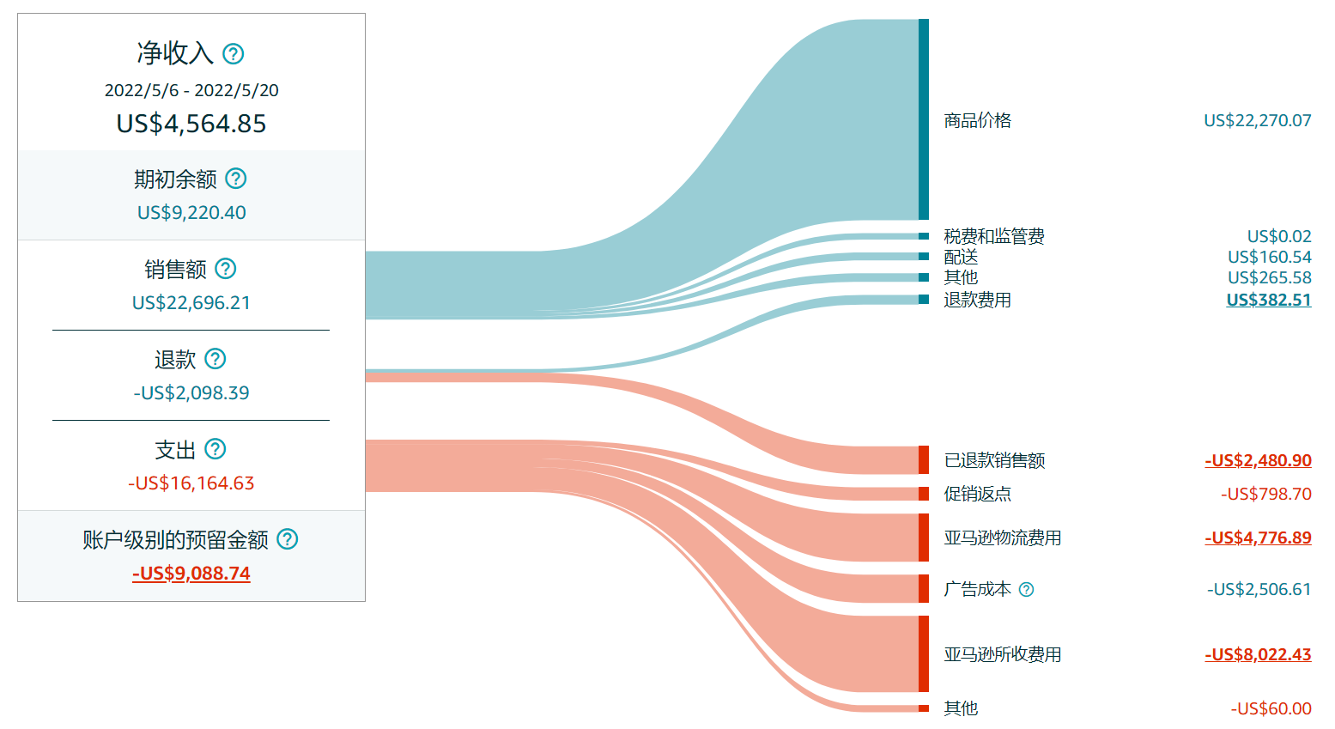

 |  |  |  |  |  |  |  |  |  |  |  |  |  |  |  | 销售额

 |  |  |  |  |  |  |  |  |  |  |  |  |  |  |  | 帮亚马逊代收的额外配送费，下面会扣除
 |  |  |  |  |  |  |  |  |  |  |  |  |  |  |  | 因承运人导致损坏的赔偿
 |  |  |  |  |  |  |  |  |  |  |  |  |  |  |  | 由于退货退换，需退回给我的佣金&coupon减掉退货处理费

 |  |  |  |  |  |  |  |  |  |  |  |  |  |  |  | 退货退款的销售金额
 |  |  |  |  |  |  |  |  |  |  |  |  |  |  |  | 促销金额和代收的额外配送费（就是销售额那一栏的coupon，不包括shipping promotion）

 |  |  |  |  |  |  |  |  |  |  |  |  |  |  |  | 广告支出

 |  |  |  |  |  |  |  |  |  |  |  |  |  |  |  | FBA费用、15%提点、39.99的月租 |  |  | （月租一个月付一次，每两个结算周期中会有一次）

 |  |  |  |  |  |  |  |  |  |  |  |  |  |  |  | 优惠券赎回费用

