Network
Daily (5 minutes average) |  |  | Daily (5 minutes average) |  | Daily (5 minutes average)

Weekly (30 minutes average) |  |  | Weekly (30 minutes average) |  | Weekly (30 minutes average)

 | 2017 /Aug/29 COSCON 10M lease line usage : < 25% |  |  | 2017 /Aug/30 COSCON 10M lease line usage : < 25%

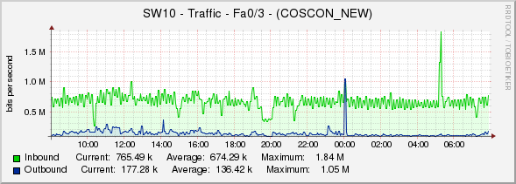

Daily (5 minutes average) |  | Daily (5 minutes average) |  |  | Daily (5 minutes average)

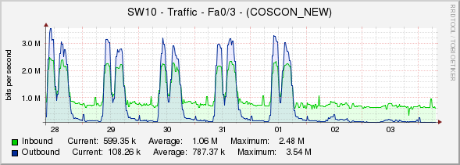

 |  |  |  |  | Weekly (30 minutes average)
Weekly (30 minutes average) |  | Weekly (30 minutes average)

Daily (5 minutes average)

Weekly (30 minutes average)

BR SI trend
Date | 2017-08-25 | 2017-08-26 | 2017-08-27 | 2017-08-28 | 2017-08-29 | 2017-08-30 | 2017-08-31 | Date | 2017-08-25 | 2017-08-26 | 2017-08-27 | 2017-08-28 | 2017-08-29 | 2017-08-30 | 2017-08-31
BR | 8823 | 728 | 60 | 0 | 0 | 0 | 0 | SI | 11795 | 749 | 285 | 0 | 0 | 0 | 0

