nightly_auto
Nightly 自动化整改计划

需求与目标：
 | 1. 结果文件上传网站时间长，容易走神。
 | 2. 与上轮结果比对时，如果pass率不变就难以发现问题。
 | 3. 复测实现自动化

S5 成果物： =IF(EXACT(WX3,XF3),IF(EXACT(WY3,XG3),IF(EXACT(WZ3,XH3),IF(EXACT(XA3,XI3),"OK",CONCATENATE("Fail:",ROUND(XJ3-XB3,2)*100,"%")),CONCATENATE("Fail:",ROUND(XJ3-XB3,2)*100,"%")),CONCATENATE("Fail:",ROUND(XJ3-XB3,2)*100,"%")),CONCATENATE("Fail:",ROUND(XJ3-XB3,2)*100,"%"))
Sub Task：
1% | 1. 根据xml，python本地实现case pass/fail/block/na 的统计
0% | 2. 不依赖网站，脚本实现与上次结果的对比。
0% | 3. 自动化重跑需要重跑的模块。初期可以只生成脚本。
0% | 4. 对重跑的结果进行整合。
100% | 5. 修改目前的统计表格，对4项内容都进行比对。

ww06 | 2~6 | 12.41.296.0 |  | 11625
 |  | IVI-11.40.277.0-29.1 |  | 12808
ww07 | 9~13 | 12.41.298.0 |  | 11625 |  | 34875
 |  | 12.41.300.0 |  | 11625*2
ww08 | 16~20 | 13.41.303.0 |  | 11625*2 |  | 23250

ww09 | 23~27 | 12.41.296.2 |  | 11625 |  |  |  |  |  |  | module | webdriver |  |  |  |  | stub
 |  | 13.41.308.0 |  | 11625*2 |  |  |  |  |  |  |  | Total TCs | Passed | Failed | Blocked | Pass% | Total TCs | Passed | Failed | Blocked | Pass%
ww10 | 2~6 | 13.41.309.0 |  | 23863 |  | 93024 |  |  |  |  | deviceorientation-w3c-tests | 40 | 33 | 0 | 7 | 83% | 40 | 40 | 0 | 0 | 100%
 |  | 13.41.310.0 |  | 23256 |  |  |  |  |  |  | navigationtiming-w3c-tests | 45 | 44 | 0 | 1 | 98% | 45 | 45 | 0 | 0 | 100%
 |  | 13.41.312.0 |  | 23256 |  |  |  |  |  |  | webapi-simd-nonw3c-tests | 167 | 0 | 0 | 167 | 0% | 1637 | 1485 | 130 | 22 | 91%
 |  | 13.41.313.0 |  | 23256
WW11 | 9~13 | 13.41.315.0 |  | 11628*2+32+47
 |  | 12.41.296.5 |  | 11625+32+47
 |  | 13.41.317.0 |  | 11628*3+32*3+47*3

2dtransforms-css3-tests | 34 | 0 | 0 | 34 | 0% | Fail:-100% | Fail:-100%
3dtransforms-css3-tests | 44 | 0 | 0 | 44 | 0% | Fail:-73% | Fail:-73%
backgrounds-css3-tests | 594 | 0 | 0 | 594 | 0% | Fail:-93% | Fail:-93%
deviceorientation-w3c-tests | 40 | 19 | 0 | 21 | 48% | Fail:-52% | Fail:-52%
extra-html5-tests | 636 | 0 | 0 | 636 | 0% | Fail:-98% | Fail:-98%
geoallow-w3c-tests | 211 | 104 | 0 | 107 | 49% | Fail:-37% | Fail:-37%
indexeddb-w3c-tests | 392 | 0 | 0 | 392 | 0% | Fail:-100% | Fail:-100%
mediaqueries-css3-tests | 52 | 50 | 2 | 0 | 96% | Fail:-4% | Fail:-4%
navigationtiming-w3c-tests | 45 | 44 | 0 | 1 | 98% | Fail:-2% | Fail:-2%
sessionhistory-html5-tests | 153 | 152 | 1 | 0 | 99% | Fail:-1% | Fail:-1%
transitions-css3-tests | 40 | 29 | 8 | 3 | 73% | Fail:-7% | Fail:-7%
video-html5-tests | 381 | 204 | 25 | 152 | 54% | Fail:-24% | Fail:-24%
webaudio-w3c-tests | 389 | 227 | 1 | 161 | 58% | Fail:-29% | Fail:-29%
webstorage-w3c-tests | 196 | 0 | 0 | 196 | 0% | Fail:-93% | Fail:-93%
workers-w3c-tests | 85 | 0 | 0 | 85 | 0% | Fail:-64% | Fail:-64%
xmlhttprequest-w3c-tests | 291 | 260 | 18 | 13 | 89% | Fail:-3% | Fail:-3%
webapi-contactsmanager-w3c-tests | 144 | 86 | 12 | 46 | 60% | Fail:-32% | Fail:-32%
webapi-nativefilesystem-xwalk-tests | 52 | 50 | 2 | 0 | 96% | Fail:-4% | Fail:-4%
webapi-presentation-xwalk-tests | 3 | 0 | 0 | 3 | 0% | Fail:-100% | Fail:-100%
webapi-resourcetiming-w3c-tests | 71 | 0 | 0 | 71 | 0% | Fail:-65% | Fail:-65%
webapi-simd-nonw3c-tests | 167 | 0 | 0 | 167 | 0% | Fail:-91% | Fail:-91%

 |  |  |  |  |  |  |  |  | suite | time
2015-03-06_06_27_34 |  |  | 2015-03-06_06_28_00 |  |  |  | 27 | 28 | tct-2dtransforms-css3-tests | 1
2015-03-06_05_58_13 |  |  | 2015-03-06_05_58_38 |  |  |  | 58 | 58 | tct-3dtransforms-css3-tests | 1
2015-03-06_06_33_55 |  |  | 2015-03-06_06_34_17 |  |  |  | 33 | 34 | tct-animations-css3-tests | 1
2015-03-06_05_22_50 |  |  | 2015-03-06_05_23_12 |  |  |  | 22 | 23 | tct-animationtiming-w3c-tests | 1
2015-03-06_05_35_51 |  |  | 2015-03-06_05_36_12 |  |  |  | 35 | 36 | tct-appcache-html5-tests | 1
2015-03-06_05_28_10 |  |  | 2015-03-06_05_31_46 |  |  |  | 28 | 31 | tct-audio-html5-tests | 3
2015-03-06_05_21_10 |  |  | 2015-03-06_05_22_36 |  |  |  | 21 | 22 | tct-backgrounds-css3-tests | 1
2015-03-06_06_55_57 |  |  | 2015-03-06_06_56_14 |  |  |  | 55 | 56 | tct-browserstate-html5-tests | 1
2015-03-06_05_07_43 |  |  | 2015-03-06_05_12_00 |  |  |  | 07 | 12 | tct-canvas-html5-tests | 5
2015-03-06_05_49_52 |  |  | 2015-03-06_05_50_13 |  |  |  | 49 | 50 | tct-colors-css3-tests | 1
2015-03-06_04_37_59 |  |  | 2015-03-06_04_38_21 |  |  |  | 37 | 38 | tct-cors-w3c-tests | 1
2015-03-06_04_36_39 |  |  | 2015-03-06_04_37_51 |  |  |  | 36 | 37 | tct-csp-w3c-tests | 1
2015-03-06_05_41_11 |  |  | 2015-03-06_05_41_33 |  |  |  | 41 | 41 | tct-deviceorientation-w3c-tests | 1
2015-03-06_05_27_50 |  |  | 2015-03-06_05_28_08 |  |  |  | 27 | 28 | tct-dnd-html5-tests | 1
2015-03-06_06_45_36 |  |  | 2015-03-06_06_48_16 |  |  |  | 45 | 48 | tct-extra-html5-tests | 3
2015-03-06_06_48_36 |  |  | 2015-03-06_06_49_22 |  |  |  | 48 | 49 | tct-fileapi-w3c-tests | 1
2015-03-06_06_31_15 |  |  | 2015-03-06_06_33_53 |  |  |  | 31 | 33 | tct-filesystemapi-w3c-tests | 2
2015-03-06_05_43_31 |  |  | 2015-03-06_05_47_57 |  |  |  | 43 | 47 | tct-filewriterapi-w3c-tests | 4
2015-03-06_05_49_32 |  |  | 2015-03-06_05_49_49 |  |  |  | 49 | 49 | tct-flexiblebox-css3-tests | 1
2015-03-06_06_34_36 |  |  | 2015-03-06_06_34_53 |  |  |  | 34 | 34 | tct-fonts-css3-tests | 1
2015-03-06_06_35_35 |  |  | 2015-03-06_06_36_07 |  |  |  | 35 | 36 | tct-forms-html5-tests | 1
2015-03-06_05_58_53 |  |  | 2015-03-06_05_59_10 |  |  |  | 58 | 59 | tct-fullscreen-nonw3c-tests | 1
2015-03-06_06_00_13 |  |  | 2015-03-06_06_27_23 |  |  |  | 00 | 27 | tct-geoallow-w3c-tests | 27
2015-03-06_05_57_33 |  |  | 2015-03-06_05_57_52 |  |  |  | 57 | 57 | tct-gumallow-w3c-tests | 1
2015-03-06_05_23_30 |  |  | 2015-03-06_05_27_36 |  |  |  | 23 | 27 | tct-indexeddb-w3c-tests | 4
2015-03-06_06_34_55 |  |  | 2015-03-06_06_35_21 |  |  |  | 34 | 35 | tct-jsenhance-html5-tests | 1
2015-03-06_05_52_52 |  |  | 2015-03-06_05_53_10 |  |  |  | 52 | 53 | tct-mediacapture-w3c-tests | 1
2015-03-06_06_49_36 |  |  | 2015-03-06_06_49_58 |  |  |  | 49 | 49 | tct-mediaqueries-css3-tests | 1
2015-03-06_05_53_12 |  |  | 2015-03-06_05_53_46 |  |  |  | 53 | 53 | tct-multicolumn-css3-tests | 1
2015-03-06_05_07_02 |  |  | 2015-03-06_05_07_26 |  |  |  | 07 | 07 | tct-navigationtiming-w3c-tests | 1
2015-03-06_05_54_32 |  |  | 2015-03-06_05_54_49 |  |  |  | 54 | 54 | tct-netinfo-w3c-tests | 1
2015-03-06_05_57_53 |  |  | 2015-03-06_05_58_10 |  |  |  | 57 | 58 | tct-notification-w3c-tests | 1
2015-03-06_05_35_11 |  |  | 2015-03-06_05_35_28 |  |  |  | 35 | 35 | tct-pagevisibility-w3c-tests | 1
2015-03-06_05_05_02 |  |  | 2015-03-06_05_05_34 |  |  |  | 05 | 05 | tct-sandbox-html5-tests | 1
2015-03-06_05_36_31 |  |  | 2015-03-06_05_36_54 |  |  |  | 36 | 36 | tct-screenorientation-w3c-tests | 1
2015-03-06_05_48_52 |  |  | 2015-03-06_05_49_13 |  |  |  | 48 | 49 | tct-selectorslevel1-w3c-tests | 1
2015-03-06_05_48_12 |  |  | 2015-03-06_05_48_41 |  |  |  | 48 | 48 | tct-selectorslevel2-w3c-tests | 1
2015-03-06_05_18_44 |  |  | 2015-03-06_05_19_38 |  |  |  | 18 | 19 | tct-sessionhistory-html5-tests | 1
2015-03-06_05_12_03 |  |  | 2015-03-06_05_14_42 |  |  |  | 12 | 14 | tct-sse-w3c-tests | 2
2015-03-06_05_52_32 |  |  | 2015-03-06_05_52_49 |  |  |  | 52 | 52 | tct-svg-html5-tests | 1
2015-03-06_05_35_31 |  |  | 2015-03-06_05_35_50 |  |  |  | 35 | 35 | tct-text-css3-tests | 1
2015-03-06_05_53_52 |  |  | 2015-03-06_05_54_09 |  |  |  | 53 | 54 | tct-touchevent-w3c-tests | 1
2015-03-06_05_59_13 |  |  | 2015-03-06_06_00_00 |  |  |  | 59 | 00 | tct-transitions-css3-tests | 1
2015-03-06_06_52_16 |  |  | 2015-03-06_06_53_36 |  |  |  | 52 | 53 | tct-typedarrays-nonw3c-tests | 1
2015-03-06_06_43_16 |  |  | 2015-03-06_06_43_37 |  |  |  | 43 | 43 | tct-ui-css3-tests | 1
2015-03-06_05_51_32 |  |  | 2015-03-06_05_51_49 |  |  |  | 51 | 51 | tct-vibration-w3c-tests | 1
2015-03-06_06_39_15 |  |  | 2015-03-06_06_43_02 |  |  |  | 39 | 43 | tct-video-html5-tests | 4
2015-03-06_06_50_16 |  |  | 2015-03-06_06_52_06 |  |  |  | 50 | 52 | tct-webaudio-w3c-tests | 2
2015-03-06_06_36_35 |  |  | 2015-03-06_06_39_05 |  |  |  | 36 | 39 | tct-webdatabase-w3c-tests | 3
2015-03-06_04_56_22 |  |  | 2015-03-06_05_04_49 |  |  |  | 56 | 04 | tct-webgl-nonw3c-tests | 9
2015-03-06_04_54_41 |  |  | 2015-03-06_04_56_05 |  |  |  | 54 | 56 | tct-webmessaging-w3c-tests | 2
2015-03-06_08_45_11 |  |  | 2015-03-06_08_55_12 |  |  |  | 45 | 55 | tct-websocket-w3c-tests | 10
2015-03-06_05_31_51 |  |  | 2015-03-06_05_35_02 |  |  |  | 31 | 35 | tct-webstorage-w3c-tests | 4
2015-03-06_05_55_12 |  |  | 2015-03-06_05_57_32 |  |  |  | 55 | 57 | tct-workers-w3c-tests | 2
2015-03-06_05_14_43 |  |  | 2015-03-06_05_18_26 |  |  |  | 14 | 18 | tct-xmlhttprequest-w3c-tests | 4
2015-03-06_05_38_11 |  |  | 2015-03-06_05_38_28 |  |  |  | 38 | 38 | webapi-appuri-w3c-tests | 1
2015-03-06_05_38_31 |  |  | 2015-03-06_05_41_01 |  |  |  | 38 | 41 | webapi-contactsmanager-w3c-tests | 3
2015-03-06_05_37_11 |  |  | 2015-03-06_05_38_08 |  |  |  | 37 | 38 | webapi-devicecapabilities-w3c-tests | 1
2015-03-06_05_43_11 |  |  | 2015-03-06_05_43_29 |  |  |  | 43 | 43 | webapi-gamepad-w3c-tests | 1
2015-03-06_05_51_52 |  |  | 2015-03-06_05_52_18 |  |  |  | 51 | 52 | webapi-hrtime-w3c-tests | 1
2015-03-06_06_43_56 |  |  | 2015-03-06_06_44_13 |  |  |  | 43 | 44 | webapi-input-html5-tests | 1
2015-03-06_08_57_51 |  |  | 2015-03-06_08_59_02 |  |  |  | 57 | 59 | webapi-messaging-w3c-tests | 2
2015-03-06_05_50_32 |  |  | 2015-03-06_05_51_19 |  |  |  | 50 | 51 | webapi-nativefilesystem-xwalk-tests | 1
2015-03-06_05_54_52 |  |  | 2015-03-06_05_55_10 |  |  |  | 54 | 55 | webapi-performancetimeline-w3c-tests | 1
2015-03-06_06_36_15 |  |  | 2015-03-06_06_36_33 |  |  |  | 36 | 36 | webapi-presentation-xwalk-tests | 1
2015-03-06_05_54_12 |  |  | 2015-03-06_05_54_29 |  |  |  | 54 | 54 | webapi-promises-nonw3c-tests | 1
2015-03-06_06_28_14 |  |  | 2015-03-06_06_30_22 |  |  |  | 28 | 30 | webapi-rawsockets-w3c-tests | 2
2015-03-06_05_05_42 |  |  | 2015-03-06_05_06_58 |  |  |  | 05 | 06 | webapi-resourcetiming-w3c-tests | 1
2015-03-06_06_53_37 |  |  | 2015-03-06_06_55_48 |  |  |  | 53 | 55 | webapi-simd-nonw3c-tests | 2
2015-03-06_06_30_35 |  |  | 2015-03-06_06_31_07 |  |  |  | 30 | 31 | webapi-usertiming-w3c-tests | 1
2015-03-06_05_41_51 |  |  | 2015-03-06_05_43_09 |  |  |  | 41 | 43 | webapi-webrtc-w3c-tests | 2

Sheet1
http://m.blog.csdn.net/blog/dyllove98/8987241

登录
首页 专栏 专家 热文
[转]Git: Basics
2013-5-28阅读98 评论0
查黄历，今天乃黄道吉日，特此分享一篇。
// 已补充注解
"Some Git operating log for rookie , hope useful to you :-)"

Add a file.

jesse123@BJSCWL1802 ~/1_gitAddNode
$ git init
Reinitialized existing Git repository in /home/jesse123/1_gitAddNode/.git/

jesse123@BJSCWL1802 ~/1_gitAddNode
$ ls -a
. .. .git

jesse123@BJSCWL1802 ~/1_gitAddNode
$ touch main.txt

jesse123@BJSCWL1802 ~/1_gitAddNode
$ echo "Hello world." >> main.txt

jesse123@BJSCWL1802 ~/1_gitAddNode
$ cat main.txt
Hello world.

jesse123@BJSCWL1802 ~/1_gitAddNode // 同步至缓冲区
$ git add main.txt

jesse123@BJSCWL1802 ~/1_gitAddNode // 提交到仓库（本地）
$ git commit -m "Add a file."
[master (root-commit) 274c5d5] Add a file.
1 files changed, 1 insertions(+), 0 deletions(-)
create mode 100644 main.txt

Make some change.

jesse123@BJSCWL1802 ~/1_gitAddNode
$ echo "Make some changes." >> main.txt

jesse123@BJSCWL1802 ~/1_gitAddNode
$ cat main.txt
Hello world.
Make some changes.

jesse123@BJSCWL1802 ~/1_gitAddNode
$ git status -s
M main.txt // M（red） 表示工作区有修改

jesse123@BJSCWL1802 ~/1_gitAddNode
$ git status
# On branch master
# Changes not staged for commit:
# (use "git add <file>..." to update what will be committed)
# (use "git checkout -- <file>..." to discard changes in working directory)
#
# modified: main.txt
#
no changes added to commit (use "git add" and/or "git commit -a")

Commit change.

jesse123@BJSCWL1802 ~/1_gitAddNode
$ git add main.txt

jesse123@BJSCWL1802 ~/1_gitAddNode
$ git status -s
M main.txt // M（green）表示缓冲区已准备好，可以提交

jesse123@BJSCWL1802 ~/1_gitAddNode
$ git status
# On branch master
# Changes to be committed:
# (use "git reset HEAD <file>..." to unstage)
#
# modified: main.txt
#

jesse123@BJSCWL1802 ~/1_gitAddNode
$ git commit -m "Make some changes."
[master 70519d0] Make some changes.
1 files changed, 1 insertions(+), 0 deletions(-)

jesse123@BJSCWL1802 ~/1_gitAddNode
$ git status -s

jesse123@BJSCWL1802 ~/1_gitAddNode
$ git status
# On branch master
nothing to commit (working directory clean)

jesse123@BJSCWL1802 ~/1_gitAddNode
$ git log
commit 70519d08e8b251a44698c7aabdcaf9e79c4b1f57
Author: Jie HAO <jie.hao-x-ext@gmail.com>
Date: Sat Feb 16 11:27:10 2013 +0800

Make some changes.

commit 274c5d567af06c67532a306a51fee260e28acd7c
Author: Jie HAO <jie.hao-x-ext@gmail.com>
Date: Sat Feb 16 11:07:43 2013 +0800

Add a file.

Add new file.

jesse123@BJSCWL1802 ~/1_gitAddNode
$ touch forNode3_master.txt

jesse123@BJSCWL1802 ~/1_gitAddNode
$ git status -s
?? forNode3_master.txt

jesse123@BJSCWL1802 ~/1_gitAddNode
$ git add forNode3_master.txt

jesse123@BJSCWL1802 ~/1_gitAddNode
$ git status -s
A forNode3_master.txt // A（green）表示工作区 添加新文件（之前为有记录）

jesse123@BJSCWL1802 ~/1_gitAddNode
$ git ls-files
forNode3_master.txt
main.txt

jesse123@BJSCWL1802 ~/1_gitAddNode
$ git commit -m "Add new forNode3_master.txt."
[master 766b6f5] Add new forNode3_master.txt.
0 files changed, 0 insertions(+), 0 deletions(-)
create mode 100644 forNode3_master.txt

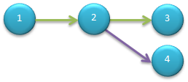
Make new branch.

$ git log --pretty=oneline
766b6f563184380d5e794522d79ef6a008533d21 Add new forNode3_master.txt.
70519d08e8b251a44698c7aabdcaf9e79c4b1f57 Make some changes.
274c5d567af06c67532a306a51fee260e28acd7c Add a file.

jesse123@BJSCWL1802 ~/1_gitAddNode
$ git reset --hard 70519
HEAD is now at 70519d0 Make some changes.

jesse123@BJSCWL1802 ~/1_gitAddNode
$ ls
main.txt

jesse123@BJSCWL1802 ~/1_gitAddNode
$ git log --pretty=oneline
70519d08e8b251a44698c7aabdcaf9e79c4b1f57 Make some changes.
274c5d567af06c67532a306a51fee260e28acd7c Add a file.

jesse123@BJSCWL1802 ~/1_gitAddNode
$ git checkout -b branchFrom_2 // 在当前节点创建新分支
Switched to a new branch 'branchFrom_2'

jesse123@BJSCWL1802 ~/1_gitAddNode
$ git branch -v
* branchFrom_2 70519d0 Make some changes.
master 70519d0 Make some changes.

jesse123@BJSCWL1802 ~/1_gitAddNode
$ touch file_branchFrom_2.txt

jesse123@BJSCWL1802 ~/1_gitAddNode
$ git add file_branchFrom_2.txt

jesse123@BJSCWL1802 ~/1_gitAddNode
$ git commit -m "Add node 4."
[branchFrom_2 4ddf4c4] Add node 4.
0 files changed, 0 insertions(+), 0 deletions(-)
create mode 100644 file_branchFrom_2.txt

jesse123@BJSCWL1802 ~/1_gitAddNode
$ git log --pretty=oneline
4ddf4c4cf7e6fc77eff476d9e8d45058153b1595 Add node 4.
70519d08e8b251a44698c7aabdcaf9e79c4b1f57 Make some changes.
274c5d567af06c67532a306a51fee260e28acd7c Add a file.

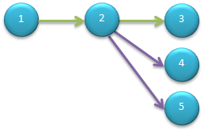
Make another new branch.

jesse123@BJSCWL1802 ~/1_gitAddNode
$ git log --pretty=oneline
4ddf4c4cf7e6fc77eff476d9e8d45058153b1595 Add node 4.
70519d08e8b251a44698c7aabdcaf9e79c4b1f57 Make some changes.
274c5d567af06c67532a306a51fee260e28acd7c Add a file.

jesse123@BJSCWL1802 ~/1_gitAddNode
$ git branch -v
* branchFrom_2 4ddf4c4 Add node 4.
master 766b6f5 Add new forNode3_master.txt.

jesse123@BJSCWL1802 ~/1_gitAddNode
$ git checkout 70519 -b branchFrom_2_forNode5
Switched to a new branch 'branchFrom_2_forNode5'

jesse123@BJSCWL1802 ~/1_gitAddNode
$ touch file_branchFrom_2_forNode5.txt

jesse123@BJSCWL1802 ~/1_gitAddNode
$ git add file_branchFrom_2_forNode5.txt

jesse123@BJSCWL1802 ~/1_gitAddNode
$ git commit -m "Add node5."
[branchFrom_2_forNode5 31ef565] Add node5.
0 files changed, 0 insertions(+), 0 deletions(-)
create mode 100644 file_branchFrom_2_forNode5.txt

jesse123@BJSCWL1802 ~/1_gitAddNode
$ git branch -v
branchFrom_2 4ddf4c4 Add node 4.
* branchFrom_2_forNode5 31ef565 Add node5.
master 766b6f5 Add new forNode3_master.txt.

jesse123@BJSCWL1802 ~/1_gitAddNode
$ ls
file_branchFrom_2_forNode5.txt main.txt

jesse123@BJSCWL1802 ~/1_gitAddNode
$ git checkout branchFrom_2
Switched to branch 'branchFrom_2'

jesse123@BJSCWL1802 ~/1_gitAddNode
$ ls
file_branchFrom_2.txt main.txt

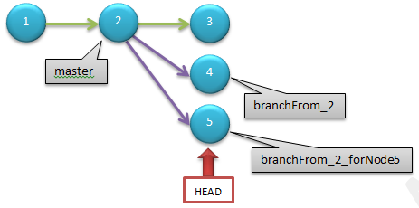
Rm old branch.

jesse123@BJSCWL1802 ~/1_gitAddNode
$ git checkout master
Switched to branch 'master'

jesse123@BJSCWL1802 ~/1_gitAddNode
$ git reset --hard 766b6
HEAD is now at 766b6f5 Add new forNode3_master.txt.

jesse123@BJSCWL1802 ~/1_gitAddNode
$ git branch -v
branchFrom_2 4ddf4c4 Add node 4.
branchFrom_2_forNode5 31ef565 Add node5.
* master 766b6f5 Add new forNode3_master.txt.

jesse123@BJSCWL1802 ~/1_gitAddNode
$ git branch -d branchFrom_2_forNode5
error: The branch 'branchFrom_2_forNode5' is not fully merged.
If you are sure you want to delete it, run 'git branch -D branchFrom_2_forNode5'.

jesse123@BJSCWL1802 ~/1_gitAddNode
$ git branch -D branchFrom_2_forNode5
Deleted branch branchFrom_2_forNode5 (was 31ef565).

jesse123@BJSCWL1802 ~/1_gitAddNode
$ git branch -v
branchFrom_2 4ddf4c4 Add node 4.
* master 766b6f5 Add new forNode3_master.txt.

Add Tag.

jesse123@BJSCWL1802 ~/1_gitAddNode
$ git tag -m "Say bye-bye to all previous practice." old_practice

jesse123@BJSCWL1802 ~/1_gitAddNode
$ git rev-parse refs/tags/old_practice
a49680369aacbaf64557d3a83c1f21aca1224fa5

jesse123@BJSCWL1802 ~/1_gitAddNode
$ git cat-file -p refs/tags/old_practice
object 766b6f563184380d5e794522d79ef6a008533d21
type commit
tag old_practice
tagger Jie HAO <jie.hao-x-ext@gmail.com> Sat Feb 16 15:36:35 2013 +0800

Say bye-bye to all previous practice.

jesse123@BJSCWL1802 ~/1_gitAddNode
$ git describe
old_practice

jesse123@BJSCWL1802 ~/1_gitAddNode
$ ls
forNode3_master.txt main.txt

jesse123@BJSCWL1802 ~/1_gitAddNode
$ touch onePice.txt

jesse123@BJSCWL1802 ~/1_gitAddNode
$ echo "Hello, new world." >> onePice.txt

jesse123@BJSCWL1802 ~/1_gitAddNode
$ cat onePice.txt
Hello, new world.

jesse123@BJSCWL1802 ~/1_gitAddNode
$ git add onePice.txt

jesse123@BJSCWL1802 ~/1_gitAddNode
$ git commit -m "Hello, add onePice.txt."
[master 5611a82] Hello, add onePice.txt.
1 files changed, 1 insertions(+), 0 deletions(-)
create mode 100644 onePice.txt

jesse123@BJSCWL1802 ~/1_gitAddNode
$ git reset --hard old_practice // tag 取代 hash值的好处 显而易见
HEAD is now at 766b6f5 Add new forNode3_master.txt.

jesse123@BJSCWL1802 ~/1_gitAddNode
$ ls
forNode3_master.txt main.txt

Diff between Tags.

jesse123@BJSCWL1802 ~/1_gitAddNode
$ git reset --hard 5611a82
HEAD is now at 5611a82 Hello, add onePice.txt.

jesse123@BJSCWL1802 ~/1_gitAddNode
$ ls
forNode3_master.txt main.txt onePice.txt

jesse123@BJSCWL1802 ~/1_gitAddNode
$ git tag -m "Add onePice.txt." one_pice

jesse123@BJSCWL1802 ~/1_gitAddNode
$ git describe
one_pice

jesse123@BJSCWL1802 ~/1_gitAddNode
$ git diff old_practice one_pice
diff --git a/onePice.txt b/onePice.txt
new file mode 100644
index 0000000..a8d301a
--- /dev/null
+++ b/onePice.txt
@@ -0,0 +1 @@
+Hello, new world.

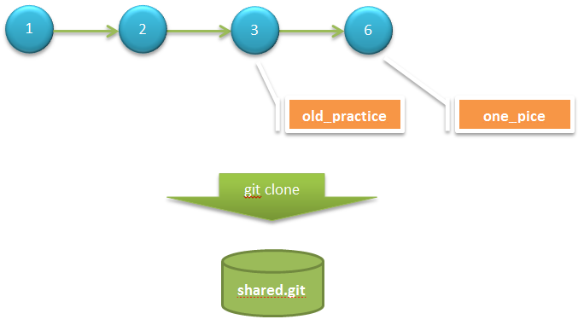

Create repository.

jesse123@BJSCWL1802 ~ // 将当前进度打包成仓库，供他人分享
$ git clone --bare /home/jesse123/1_gitAddNode/ /home/jesse123/share/shared.git
Cloning into bare repository '/home/jesse123/share/shared.git'...
done.

jesse123@BJSCWL1802 ~
$ git clone file:///home/jesse123/share/shared.git user2
Cloning into 'user2'...
remote: Counting objects: 16, done.
remote: Compressing objects: 100% (10/10), done.
remote: Total 16 (delta 2), reused 0 (delta 0)
Receiving objects: 100% (16/16), done.
Resolving deltas: 100% (2/2), done.

jesse123@BJSCWL1802 ~
$ ls
1_gitAddNode share user2

jesse123@BJSCWL1802 ~
$ cd user2/

jesse123@BJSCWL1802 ~/user2
$ ls
forNode3_master.txt main.txt onePice.txt

jesse123@BJSCWL1802 ~/user2
$ git config user.name user2

jesse123@BJSCWL1802 ~/user2
$ git config user.email

jesse123@BJSCWL1802 ~/user2
$ git log --pretty=oneline
5611a829225e22f250e1679e20b5e6a9fa2d8a7c Hello, add onePice.txt.
766b6f563184380d5e794522d79ef6a008533d21 Add new forNode3_master.txt.
70519d08e8b251a44698c7aabdcaf9e79c4b1f57 Make some changes.
274c5d567af06c67532a306a51fee260e28acd7c Add a file.

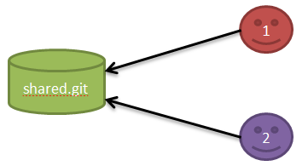
Conflict!

jesse123@BJSCWL1802 ~/user1
$ ls
forNode3_master.txt main.txt onePice.txt

jesse123@BJSCWL1802 ~/user1
$ mkdir team

jesse123@BJSCWL1802 ~/user1
$ echo "I'm user1." > team/user1.txt

jesse123@BJSCWL1802 ~/user1
$ git add team/

jesse123@BJSCWL1802 ~/user1
$ git commit -m "user1's profile."
[master 4472c99] user1's profile.
1 files changed, 1 insertions(+), 0 deletions(-)
create mode 100644 team/user1.txt

jesse123@BJSCWL1802 ~/user1
$ git push
Counting objects: 5, done.
Delta compression using up to 4 threads.
Compressing objects: 100% (2/2), done.
Writing objects: 100% (4/4), 318 bytes, done.
Total 4 (delta 1), reused 0 (delta 0)
Unpacking objects: 100% (4/4), done.
To file:///home/jesse123/share/shared.git
5611a82..4472c99 master -> master

jesse123@BJSCWL1802 ~/user1
$ git log --pretty=oneline
4472c9932774aaa9f1b1f23adc6b2401f1fc6006 user1's profile.
5611a829225e22f250e1679e20b5e6a9fa2d8a7c Hello, add onePice.txt.
766b6f563184380d5e794522d79ef6a008533d21 Add new forNode3_master.txt.
70519d08e8b251a44698c7aabdcaf9e79c4b1f57 Make some changes.
274c5d567af06c67532a306a51fee260e28acd7c Add a file.

jesse123@BJSCWL1802 ~/user2
$ mkdir team

jesse123@BJSCWL1802 ~/user2
$ echo "I'm user2." > team/user2.txt

jesse123@BJSCWL1802 ~/user2
$ git add team/

jesse123@BJSCWL1802 ~/user2
$ git commit -m "user2's profile."
[master d2c134c] user2's profile.
1 files changed, 1 insertions(+), 0 deletions(-)
create mode 100644 team/user2.txt
jesse123@BJSCWL1802 ~/user2
$ git push
To file:///home/jesse123/share/shared.git
! [rejected] master -> master (non-fast-forward) // 因为冲突，不能 fast-forward
error: failed to push some refs to 'file:///home/jesse123/share/shared.git'
To prevent you from losing history, non-fast-forward updates were rejected
Merge the remote changes (e.g. 'git pull') before pushing again. See the
'Note about fast-forwards' section of 'git push --help' for details.

Why?
jesse123@BJSCWL1802 ~/user1
$ git rev-list HEAD
4472c9932774aaa9f1b1f23adc6b2401f1fc6006
5611a829225e22f250e1679e20b5e6a9fa2d8a7c
766b6f563184380d5e794522d79ef6a008533d21
70519d08e8b251a44698c7aabdcaf9e79c4b1f57
274c5d567af06c67532a306a51fee260e28acd7c

jesse123@BJSCWL1802 ~/user1
$ git ls-remote origin
4472c9932774aaa9f1b1f23adc6b2401f1fc6006 HEAD
4ddf4c4cf7e6fc77eff476d9e8d45058153b1595 refs/heads/branchFrom_2
4472c9932774aaa9f1b1f23adc6b2401f1fc6006 refs/heads/master
a49680369aacbaf64557d3a83c1f21aca1224fa5 refs/tags/old_practice
766b6f563184380d5e794522d79ef6a008533d21 refs/tags/old_practice^{}
0ed85278d7ac258912a81ba37a55c634f1967640 refs/tags/one_pice
5611a829225e22f250e1679e20b5e6a9fa2d8a7c refs/tags/one_pice^{}

jesse123@BJSCWL1802 ~/user2
$ git rev-list HEAD
d2c134cc9c83d85699f0ec443af7e49fbf5433ac // 这里与user1已不同
5611a829225e22f250e1679e20b5e6a9fa2d8a7c
766b6f563184380d5e794522d79ef6a008533d21
70519d08e8b251a44698c7aabdcaf9e79c4b1f57
274c5d567af06c67532a306a51fee260e28acd7c

jesse123@BJSCWL1802 ~/user2
$ git ls-remote origin
4472c9932774aaa9f1b1f23adc6b2401f1fc6006 HEAD
4ddf4c4cf7e6fc77eff476d9e8d45058153b1595 refs/heads/branchFrom_2
4472c9932774aaa9f1b1f23adc6b2401f1fc6006 refs/heads/master
a49680369aacbaf64557d3a83c1f21aca1224fa5 refs/tags/old_practice
766b6f563184380d5e794522d79ef6a008533d21 refs/tags/old_practice^{}
0ed85278d7ac258912a81ba37a55c634f1967640 refs/tags/one_pice
5611a829225e22f250e1679e20b5e6a9fa2d8a7c refs/tags/one_pice^{}

Merge made by recursive.

jesse123@BJSCWL1802 ~/user2
$ git pull
remote: Counting objects: 5, done.
remote: Compressing objects: 100% (2/2), done.
remote: Total 4 (delta 1), reused 0 (delta 0)
Unpacking objects: 100% (4/4), done.
From file:///home/jesse123/share/shared
5611a82..4472c99 master -> origin/master
Merge made by the 'recursive' strategy.
team/user1.txt | 1 +
1 files changed, 1 insertions(+), 0 deletions(-)
create mode 100644 team/user1.txt

jesse123@BJSCWL1802 ~/user2
$ ls
forNode3_master.txt main.txt onePice.txt team

jesse123@BJSCWL1802 ~/user2
$ ls ./team/
user1.txt user2.txt

jesse123@BJSCWL1802 ~/user2
$ git log --graph --oneline
* 7926606 Merge branch 'master' of file:///home/jesse123/share/shared
|\
| * 4472c99 user1's profile.
* | d2c134c user2's profile.
|/
* 5611a82 Hello, add onePice.txt.
* 766b6f5 Add new forNode3_master.txt.
* 70519d0 Make some changes.
* 274c5d5 Add a file.

jesse123@BJSCWL1802 ~/user2
$ git push
Counting objects: 10, done.
Delta compression using up to 4 threads.
Compressing objects: 100% (5/5), done.
Writing objects: 100% (7/7), 652 bytes, done.
Total 7 (delta 2), reused 0 (delta 0)
Unpacking objects: 100% (7/7), done.
To file:///home/jesse123/share/shared.git
4472c99..7926606 master -> master

Changes in different files.

jesse123@BJSCWL1802 ~/user1
$ git fetch
remote: Counting objects: 10, done.
remote: Compressing objects: 100% (5/5), done.
remote: Total 7 (delta 2), reused 0 (delta 0)
Unpacking objects: 100% (7/7), done.
From file:///home/jesse123/share/shared
4472c99..7926606 master -> origin/master

jesse123@BJSCWL1802 ~/user1
$ git ls-files
forNode3_master.txt
main.txt
onePice.txt
team/user1.txt

jesse123@BJSCWL1802 ~/user1
$ git merge origin/master
Updating 4472c99..7926606
Fast-forward
team/user2.txt | 1 +
1 files changed, 1 insertions(+), 0 deletions(-)
create mode 100644 team/user2.txt

jesse123@BJSCWL1802 ~/user1
$ ls ./team/
user1.txt user2.txt

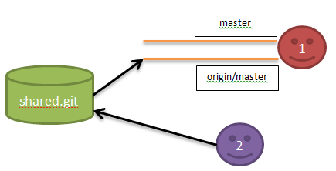
Changes in same file.

jesse123@BJSCWL1802 ~/user2/team
$ echo "user2 --> hello." > share.txt

jesse123@BJSCWL1802 ~/user2/team
$ git add share.txt

jesse123@BJSCWL1802 ~/user2/team
$ git commit -m "share.txt change by user2."
[master ad972c0] share.txt change by user2.
1 files changed, 1 insertions(+), 0 deletions(-)
create mode 100644 team/share.txt

jesse123@BJSCWL1802 ~/user2/team
$ git push
Counting objects: 6, done.
Delta compression using up to 4 threads.
Compressing objects: 100% (3/3), done.
Writing objects: 100% (4/4), 379 bytes, done.
Total 4 (delta 1), reused 0 (delta 0)
Unpacking objects: 100% (4/4), done.
To file:///home/jesse123/share/shared.git
7926606..ad972c0 master -> master

jesse123@BJSCWL1802 ~/user1/team
$ echo "user1 --> hi." > share.txt

jesse123@BJSCWL1802 ~/user1/team
$ git add -u

jesse123@BJSCWL1802 ~/user1/team
$ git commit -m "share.txt change by user1."
[master e374ea5] share.txt change by user1.
1 files changed, 1 insertions(+), 0 deletions(-)
create mode 100644 team/share.txt

jesse123@BJSCWL1802 ~/user1/team // 先获取远程分支现状
$ git fetch

jesse123@BJSCWL1802 ~/user1/team // 再对比，查看与本地分支的区别
$ git diff master origin/master
diff --git a/team/share.txt b/team/share.txt
index 466ac60..bcb5df9 100644
--- a/team/share.txt
+++ b/team/share.txt
@@ -1 +1,2 @@
user1 --> hi.
+user2 --> hello.

jesse123@BJSCWL1802 ~/user1/team // 最后合并
$ git merge origin/master
Updating e374ea5..449cb76
Fast-forward
team/share.txt | 1 +
1 files changed, 1 insertions(+), 0 deletions(-)

jesse123@BJSCWL1802 ~/user1/team
$ cat share.txt
user1 --> hi.
user2 --> hello.

Solve conflict and “git blame”

jesse123@BJSCWL1802 ~/user1/team
$ git blame share.txt // 查看内容具体由谁改动，神器！
e374ea55 (user1 2013-02-17 14:30:39 +0800 1) user1 --> hi.
ad972c01 (user2 2013-02-17 14:30:03 +0800 2) user2 --> hello.

Add your remote branch.

jesse123@BJSCWL1802 ~
$ git clone file:///home/jesse123/share/shared.git/ user3
Cloning into 'user3'...
remote: Counting objects: 39, done.
remote: Compressing objects: 100% (26/26), done.
remote: Total 39 (delta 8), reused 0 (delta 0)
Receiving objects: 100% (39/39), done.
Resolving deltas: 100% (8/8), done.

jesse123@BJSCWL1802 ~/user3
$ git log --pretty=oneline –graph -2
* 449cb767af7a4064b8f35ca4ab6c185cda4f8453 Solve conflict in share.txt.
|\
| * ad972c01d1cf7225109ed2bc66dee042e3759731 share.txt change by user2.

jesse123@BJSCWL1802 ~/user3
$ git show-ref
449cb767af7a4064b8f35ca4ab6c185cda4f8453 refs/heads/master
449cb767af7a4064b8f35ca4ab6c185cda4f8453 refs/remotes/origin/HEAD
4ddf4c4cf7e6fc77eff476d9e8d45058153b1595 refs/remotes/origin/branchFrom_2
449cb767af7a4064b8f35ca4ab6c185cda4f8453 refs/remotes/origin/master
a49680369aacbaf64557d3a83c1f21aca1224fa5 refs/tags/old_practice
0ed85278d7ac258912a81ba37a55c634f1967640 refs/tags/one_pice

jesse123@BJSCWL1802 ~/user3
$ git checkout user3LocalBranch
Switched to a new branch 'user3LocalBranch'

jesse123@BJSCWL1802 ~/user3
$ git branch -v
master 449cb76 [behind 3] Solve conflict in share.txt.
* user3LocalBranch 449cb76 Solve conflict in share.txt.

jesse123@BJSCWL1802 ~/user3
$ git push origin user3LocalBranch:user3RomoteBranch // 本地分支 推送到 指定远程分支
Total 0 (delta 0), reused 0 (delta 0)
To file:///home/jesse123/share/shared.git/
* [new branch] user3LocalBranch -> user3RomoteBranch

jesse123@BJSCWL1802 ~/share/shared.git
$ git branch -v
branchFrom_2 4ddf4c4 Add node 4.
* master 449cb76 Solve conflict in share.txt.
old_master 449cb76 Solve conflict in share.txt.
user3RomoteBranch 449cb76 Solve conflict in share.txt.

Add file in User3’s branch.

jesse123@BJSCWL1802 ~/user3
$ touch user3.txt

jesse123@BJSCWL1802 ~/user3
$ git add user3.txt

jesse123@BJSCWL1802 ~/user3
$ git commit -m "Add user3.txt in user3LocalBranch."
[user3LocalBranch 7cec762] Add user3.txt in user3LocalBranch.
0 files changed, 0 insertions(+), 0 deletions(-)
create mode 100644 user3.txt

jesse123@BJSCWL1802 ~/user3
$ git push
Everything up-to-date

jesse123@BJSCWL1802 ~/user3
$ git push origin user3LocalBranch:user3RemoteBranch
Counting objects: 3, done.
Delta compression using up to 4 threads.
Compressing objects: 100% (2/2), done.
Writing objects: 100% (2/2), 290 bytes, done.
Total 2 (delta 1), reused 0 (delta 0)
Unpacking objects: 100% (2/2), done.
To file:///home/jesse123/share/shared.git/
449cb76..7cec762 user3LocalBranch -> user3RemoteBranch

Add your remote branch.

jesse123@BJSCWL1802 ~/user1
$ touch node8_master.txt

jesse123@BJSCWL1802 ~/user1
$ git add node8_master.txt

jesse123@BJSCWL1802 ~/user1
$ git commit -m "Create node8_master.txt."
[master f1efb8c] Create node8_master.txt.
0 files changed, 0 insertions(+), 0 deletions(-)
create mode 100644 node8_master.txt

jesse123@BJSCWL1802 ~/user1
$ git push
Counting objects: 3, done.
Delta compression using up to 4 threads.
Compressing objects: 100% (2/2), done.
Writing objects: 100% (2/2), 239 bytes, done.
Total 2 (delta 1), reused 0 (delta 0)
Unpacking objects: 100% (2/2), done.
To file:///home/jesse123/share/shared.git
449cb76..f1efb8c master -> master

jesse123@BJSCWL1802 ~/user1
$ git merge origin/master origin/user3RemoteBranch // “特性分支”的合并
Already up-to-date with origin/master
Trying simple merge with origin/user3RemoteBranch
Merge made by the 'octopus' strategy.
0 files changed, 0 insertions(+), 0 deletions(-)
create mode 100644 user3.txt

jesse123@BJSCWL1802 ~/user1
$ git push
Counting objects: 4, done.
Delta compression using up to 4 threads.
Compressing objects: 100% (2/2), done.
Writing objects: 100% (2/2), 298 bytes, done.
Total 2 (delta 1), reused 0 (delta 0)
Unpacking objects: 100% (2/2), done.
To file:///home/jesse123/share/shared.git
f1efb8c..05a04b0 master -> master

jesse123@BJSCWL1802 ~/share/shared.git
$ git log --pretty=oneline --graph -3
* 05a04b01b9caf0b41931de337b87aaebc7bc7367 Merge remote-tracking branches 'origin/master' and 'origin/user3RemoteBranch'
|\
| * 7cec762a9eda398290b26cdbfd61d55acc69f195 Add user3.txt in user3LocalBranch.
* | f1efb8c3edab080d021c6c8a2874f435d6155f29 Create node8_master.txt.

Add your remote branch.

jesse123@BJSCWL1802 ~/user3
$ git branch -r
origin/HEAD -> origin/master
origin/branchFrom_2
origin/master
origin/user3RemoteBranch

jesse123@BJSCWL1802 ~/user3
$ git checkout -b branchFrom_2 origin/branchFrom_2 // 获取远程分支，建立对应的本地分支
Branch branchFrom_2 set up to track remote branch branchFrom_2 from origin.
Switched to a new branch 'branchFrom_2'

jesse123@BJSCWL1802 ~/user3
$ ls
file_branchFrom_2.txt main.txt

jesse123@BJSCWL1802 ~/user3
$ git branch -v
* branchFrom_2 4ddf4c4 Add node 4.
master 05a04b0 Merge remote-tracking branches 'origin/master' and 'origin/user3RemoteBranch'
user3LocalBranch 7cec762 Add user3.txt in user3LocalBranch.

jesse123@BJSCWL1802 ~/user3
$ git rebase master // 特性分支的更新
First, rewinding head to replay your work on top of it...
Applying: Add node 4.

jesse123@BJSCWL1802 ~/user3
$ ls
file_branchFrom_2.txt main.txt onePice.txt user3.txt
forNode3_master.txt node8_master.txt team

上一篇下一篇
请先登录后，再发表评论！
查看评论
更多评论（0）
回顶部
移动版|桌面版
©1999-2012, CSDN.NET, All Rights Reserved

Sheet8
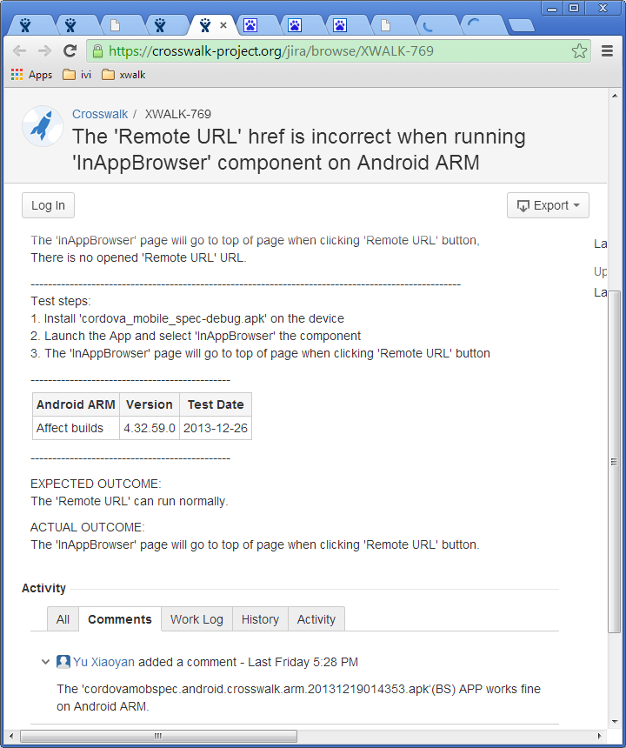
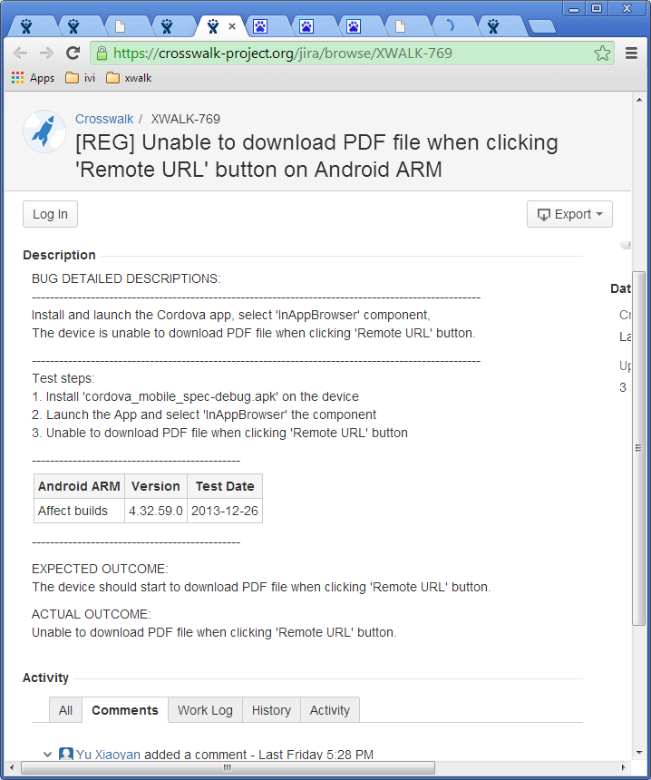

标题处，简洁、正确。 可用“动-宾”词组来阐述问题

尽量避免使用normally, correct等模糊的词汇来描述期待与实际结果。

Sheet10
http://otcqa.sh.intel.com/qa-auto/sdk/tizenivi/image/

From: Huang, JunX A
Sent: Monday, December 09, 2013 3:17 PM
To: Sun, HuihuiX
Cc: Zhang, Jingke
Subject: emulator ivi tizen

Install it on ubuntu 64bit

1. Download Install manager
Download the install manager from latest repo (http://download.tizen.org/sdk/latest/tizen/binary/)
name: (version 2.2.71)
install-manager-standalone_2.2.71_ubuntu-64.zip (ubuntu-64)

And unzip
$ unzip install-manager-standalone_2.2.70_ubuntu-64.zip

2. Run it
2.1
$ ./inst-manager.bin

2.2 Change proxy setting if needed
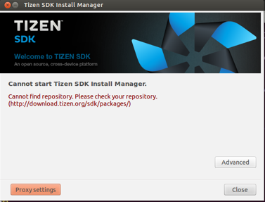
Clcik left down button - “Proxy settings”

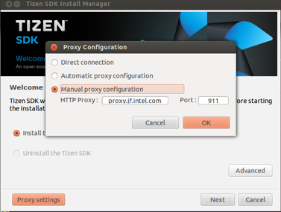
select “Manual proxy configuration”
Fill Http proxy: “proxy.cd.intel.com" Port: “911"

2.3 select package server to (http://download.tizen.org/sdk/latest) and select the snapshot you want to install
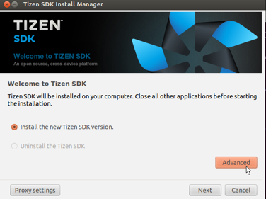
Click right down button - “Advanced”

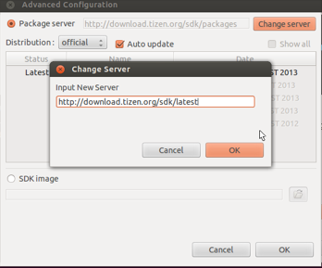
Click upper right button - “Change server”
Input New Server url “http://download.tizen.org/sdk/latest”

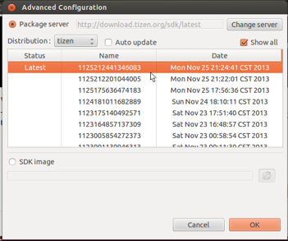
unselect: “Auto update”
select: “Show all”
And you will see the all snapshots you can install.
For example:
Please help to install new SDK (snapshot: 1206053754098883) (built at last Friday night)
This version include latest emulator update. (app can be launched successfully)

2.4 install (next -> I agree -> next…..)
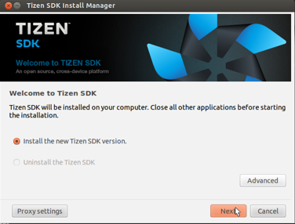
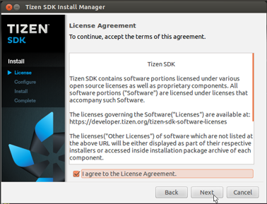

2.5 select install type (ivi support is option; so you need to select it by yourself)
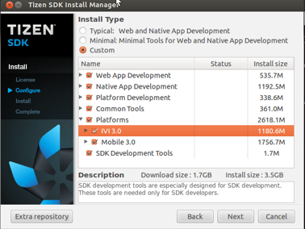
Install Type: Custom
Select: Platforms -> IVI 3.0
(BTW, Don’t forget to install web App Development; SDK Development Tools)

2.6 keep (next -> next …..) and you will get the SDK with IVI support

About login, please use as following
username: root
password: tizen

l preinstalled apps(terminal)
1. // list apps
wrt-launcher –l
2. // execute
wrt-launcher –s <apps>

l IDE sample:
1. start IDE
2. sdb kill-server
3. sdb root on
4. run ivi web-sample in IDE

