nightly_auto
Nightly 自动化整改计划

需求与目标：
 | 1. 结果文件上传网站时间长，容易走神。
 | 2. 与上轮结果比对时，如果pass率不变就难以发现问题。
 | 3. 复测实现自动化

S5 成果物： =IF(EXACT(WX3,XF3),IF(EXACT(WY3,XG3),IF(EXACT(WZ3,XH3),IF(EXACT(XA3,XI3),"OK",CONCATENATE("Fail:",ROUND(XJ3-XB3,2)*100,"%")),CONCATENATE("Fail:",ROUND(XJ3-XB3,2)*100,"%")),CONCATENATE("Fail:",ROUND(XJ3-XB3,2)*100,"%")),CONCATENATE("Fail:",ROUND(XJ3-XB3,2)*100,"%"))
Sub Task：
1% | 1. 根据xml，python本地实现case pass/fail/block/na 的统计
0% | 2. 不依赖网站，脚本实现与上次结果的对比。
0% | 3. 自动化重跑需要重跑的模块。初期可以只生成脚本。
0% | 4. 对重跑的结果进行整合。
100% | 5. 修改目前的统计表格，对4项内容都进行比对。

ww06 | 2~6 | 12.41.296.0 | 11625
 |  | IVI-11.40.277.0-29.1 | 12808
ww07 | 9~13 | 12.41.298.0 | 11625 | 34875
 |  | 12.41.300.0 | 11625*2
ww08 | 16~20 | 13.41.303.0 | 11625*2 | 23250

ww09 | 23~27 | 12.41.296.2 | 11625
 |  | 13.41.308.0 | 11625*2

Sheet1
http://m.blog.csdn.net/blog/dyllove98/8987241

登录
首页 专栏 专家 热文
[转]Git: Basics
2013-5-28阅读98 评论0
查黄历，今天乃黄道吉日，特此分享一篇。
// 已补充注解
"Some Git operating log for rookie , hope useful to you :-)"

Add a file.

jesse123@BJSCWL1802 ~/1_gitAddNode
$ git init
Reinitialized existing Git repository in /home/jesse123/1_gitAddNode/.git/

jesse123@BJSCWL1802 ~/1_gitAddNode
$ ls -a
. .. .git

jesse123@BJSCWL1802 ~/1_gitAddNode
$ touch main.txt

jesse123@BJSCWL1802 ~/1_gitAddNode
$ echo "Hello world." >> main.txt

jesse123@BJSCWL1802 ~/1_gitAddNode
$ cat main.txt
Hello world.

jesse123@BJSCWL1802 ~/1_gitAddNode // 同步至缓冲区
$ git add main.txt

jesse123@BJSCWL1802 ~/1_gitAddNode // 提交到仓库（本地）
$ git commit -m "Add a file."
[master (root-commit) 274c5d5] Add a file.
1 files changed, 1 insertions(+), 0 deletions(-)
create mode 100644 main.txt

Make some change.

jesse123@BJSCWL1802 ~/1_gitAddNode
$ echo "Make some changes." >> main.txt

jesse123@BJSCWL1802 ~/1_gitAddNode
$ cat main.txt
Hello world.
Make some changes.

jesse123@BJSCWL1802 ~/1_gitAddNode
$ git status -s
M main.txt // M（red） 表示工作区有修改

jesse123@BJSCWL1802 ~/1_gitAddNode
$ git status
# On branch master
# Changes not staged for commit:
# (use "git add <file>..." to update what will be committed)
# (use "git checkout -- <file>..." to discard changes in working directory)
#
# modified: main.txt
#
no changes added to commit (use "git add" and/or "git commit -a")

Commit change.

jesse123@BJSCWL1802 ~/1_gitAddNode
$ git add main.txt

jesse123@BJSCWL1802 ~/1_gitAddNode
$ git status -s
M main.txt // M（green）表示缓冲区已准备好，可以提交

jesse123@BJSCWL1802 ~/1_gitAddNode
$ git status
# On branch master
# Changes to be committed:
# (use "git reset HEAD <file>..." to unstage)
#
# modified: main.txt
#

jesse123@BJSCWL1802 ~/1_gitAddNode
$ git commit -m "Make some changes."
[master 70519d0] Make some changes.
1 files changed, 1 insertions(+), 0 deletions(-)

jesse123@BJSCWL1802 ~/1_gitAddNode
$ git status -s

jesse123@BJSCWL1802 ~/1_gitAddNode
$ git status
# On branch master
nothing to commit (working directory clean)

jesse123@BJSCWL1802 ~/1_gitAddNode
$ git log
commit 70519d08e8b251a44698c7aabdcaf9e79c4b1f57
Author: Jie HAO <jie.hao-x-ext@gmail.com>
Date: Sat Feb 16 11:27:10 2013 +0800

Make some changes.

commit 274c5d567af06c67532a306a51fee260e28acd7c
Author: Jie HAO <jie.hao-x-ext@gmail.com>
Date: Sat Feb 16 11:07:43 2013 +0800

Add a file.

Add new file.

jesse123@BJSCWL1802 ~/1_gitAddNode
$ touch forNode3_master.txt

jesse123@BJSCWL1802 ~/1_gitAddNode
$ git status -s
?? forNode3_master.txt

jesse123@BJSCWL1802 ~/1_gitAddNode
$ git add forNode3_master.txt

jesse123@BJSCWL1802 ~/1_gitAddNode
$ git status -s
A forNode3_master.txt // A（green）表示工作区 添加新文件（之前为有记录）

jesse123@BJSCWL1802 ~/1_gitAddNode
$ git ls-files
forNode3_master.txt
main.txt

jesse123@BJSCWL1802 ~/1_gitAddNode
$ git commit -m "Add new forNode3_master.txt."
[master 766b6f5] Add new forNode3_master.txt.
0 files changed, 0 insertions(+), 0 deletions(-)
create mode 100644 forNode3_master.txt

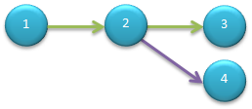
Make new branch.

$ git log --pretty=oneline
766b6f563184380d5e794522d79ef6a008533d21 Add new forNode3_master.txt.
70519d08e8b251a44698c7aabdcaf9e79c4b1f57 Make some changes.
274c5d567af06c67532a306a51fee260e28acd7c Add a file.

jesse123@BJSCWL1802 ~/1_gitAddNode
$ git reset --hard 70519
HEAD is now at 70519d0 Make some changes.

jesse123@BJSCWL1802 ~/1_gitAddNode
$ ls
main.txt

jesse123@BJSCWL1802 ~/1_gitAddNode
$ git log --pretty=oneline
70519d08e8b251a44698c7aabdcaf9e79c4b1f57 Make some changes.
274c5d567af06c67532a306a51fee260e28acd7c Add a file.

jesse123@BJSCWL1802 ~/1_gitAddNode
$ git checkout -b branchFrom_2 // 在当前节点创建新分支
Switched to a new branch 'branchFrom_2'

jesse123@BJSCWL1802 ~/1_gitAddNode
$ git branch -v
* branchFrom_2 70519d0 Make some changes.
master 70519d0 Make some changes.

jesse123@BJSCWL1802 ~/1_gitAddNode
$ touch file_branchFrom_2.txt

jesse123@BJSCWL1802 ~/1_gitAddNode
$ git add file_branchFrom_2.txt

jesse123@BJSCWL1802 ~/1_gitAddNode
$ git commit -m "Add node 4."
[branchFrom_2 4ddf4c4] Add node 4.
0 files changed, 0 insertions(+), 0 deletions(-)
create mode 100644 file_branchFrom_2.txt

jesse123@BJSCWL1802 ~/1_gitAddNode
$ git log --pretty=oneline
4ddf4c4cf7e6fc77eff476d9e8d45058153b1595 Add node 4.
70519d08e8b251a44698c7aabdcaf9e79c4b1f57 Make some changes.
274c5d567af06c67532a306a51fee260e28acd7c Add a file.

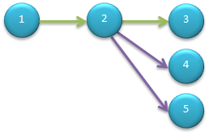
Make another new branch.

jesse123@BJSCWL1802 ~/1_gitAddNode
$ git log --pretty=oneline
4ddf4c4cf7e6fc77eff476d9e8d45058153b1595 Add node 4.
70519d08e8b251a44698c7aabdcaf9e79c4b1f57 Make some changes.
274c5d567af06c67532a306a51fee260e28acd7c Add a file.

jesse123@BJSCWL1802 ~/1_gitAddNode
$ git branch -v
* branchFrom_2 4ddf4c4 Add node 4.
master 766b6f5 Add new forNode3_master.txt.

jesse123@BJSCWL1802 ~/1_gitAddNode
$ git checkout 70519 -b branchFrom_2_forNode5
Switched to a new branch 'branchFrom_2_forNode5'

jesse123@BJSCWL1802 ~/1_gitAddNode
$ touch file_branchFrom_2_forNode5.txt

jesse123@BJSCWL1802 ~/1_gitAddNode
$ git add file_branchFrom_2_forNode5.txt

jesse123@BJSCWL1802 ~/1_gitAddNode
$ git commit -m "Add node5."
[branchFrom_2_forNode5 31ef565] Add node5.
0 files changed, 0 insertions(+), 0 deletions(-)
create mode 100644 file_branchFrom_2_forNode5.txt

jesse123@BJSCWL1802 ~/1_gitAddNode
$ git branch -v
branchFrom_2 4ddf4c4 Add node 4.
* branchFrom_2_forNode5 31ef565 Add node5.
master 766b6f5 Add new forNode3_master.txt.

jesse123@BJSCWL1802 ~/1_gitAddNode
$ ls
file_branchFrom_2_forNode5.txt main.txt

jesse123@BJSCWL1802 ~/1_gitAddNode
$ git checkout branchFrom_2
Switched to branch 'branchFrom_2'

jesse123@BJSCWL1802 ~/1_gitAddNode
$ ls
file_branchFrom_2.txt main.txt

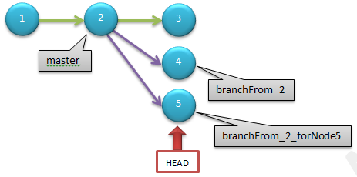
Rm old branch.

jesse123@BJSCWL1802 ~/1_gitAddNode
$ git checkout master
Switched to branch 'master'

jesse123@BJSCWL1802 ~/1_gitAddNode
$ git reset --hard 766b6
HEAD is now at 766b6f5 Add new forNode3_master.txt.

jesse123@BJSCWL1802 ~/1_gitAddNode
$ git branch -v
branchFrom_2 4ddf4c4 Add node 4.
branchFrom_2_forNode5 31ef565 Add node5.
* master 766b6f5 Add new forNode3_master.txt.

jesse123@BJSCWL1802 ~/1_gitAddNode
$ git branch -d branchFrom_2_forNode5
error: The branch 'branchFrom_2_forNode5' is not fully merged.
If you are sure you want to delete it, run 'git branch -D branchFrom_2_forNode5'.

jesse123@BJSCWL1802 ~/1_gitAddNode
$ git branch -D branchFrom_2_forNode5
Deleted branch branchFrom_2_forNode5 (was 31ef565).

jesse123@BJSCWL1802 ~/1_gitAddNode
$ git branch -v
branchFrom_2 4ddf4c4 Add node 4.
* master 766b6f5 Add new forNode3_master.txt.

Add Tag.

jesse123@BJSCWL1802 ~/1_gitAddNode
$ git tag -m "Say bye-bye to all previous practice." old_practice

jesse123@BJSCWL1802 ~/1_gitAddNode
$ git rev-parse refs/tags/old_practice
a49680369aacbaf64557d3a83c1f21aca1224fa5

jesse123@BJSCWL1802 ~/1_gitAddNode
$ git cat-file -p refs/tags/old_practice
object 766b6f563184380d5e794522d79ef6a008533d21
type commit
tag old_practice
tagger Jie HAO <jie.hao-x-ext@gmail.com> Sat Feb 16 15:36:35 2013 +0800

Say bye-bye to all previous practice.

jesse123@BJSCWL1802 ~/1_gitAddNode
$ git describe
old_practice

jesse123@BJSCWL1802 ~/1_gitAddNode
$ ls
forNode3_master.txt main.txt

jesse123@BJSCWL1802 ~/1_gitAddNode
$ touch onePice.txt

jesse123@BJSCWL1802 ~/1_gitAddNode
$ echo "Hello, new world." >> onePice.txt

jesse123@BJSCWL1802 ~/1_gitAddNode
$ cat onePice.txt
Hello, new world.

jesse123@BJSCWL1802 ~/1_gitAddNode
$ git add onePice.txt

jesse123@BJSCWL1802 ~/1_gitAddNode
$ git commit -m "Hello, add onePice.txt."
[master 5611a82] Hello, add onePice.txt.
1 files changed, 1 insertions(+), 0 deletions(-)
create mode 100644 onePice.txt

jesse123@BJSCWL1802 ~/1_gitAddNode
$ git reset --hard old_practice // tag 取代 hash值的好处 显而易见
HEAD is now at 766b6f5 Add new forNode3_master.txt.

jesse123@BJSCWL1802 ~/1_gitAddNode
$ ls
forNode3_master.txt main.txt

Diff between Tags.

jesse123@BJSCWL1802 ~/1_gitAddNode
$ git reset --hard 5611a82
HEAD is now at 5611a82 Hello, add onePice.txt.

jesse123@BJSCWL1802 ~/1_gitAddNode
$ ls
forNode3_master.txt main.txt onePice.txt

jesse123@BJSCWL1802 ~/1_gitAddNode
$ git tag -m "Add onePice.txt." one_pice

jesse123@BJSCWL1802 ~/1_gitAddNode
$ git describe
one_pice

jesse123@BJSCWL1802 ~/1_gitAddNode
$ git diff old_practice one_pice
diff --git a/onePice.txt b/onePice.txt
new file mode 100644
index 0000000..a8d301a
--- /dev/null
+++ b/onePice.txt
@@ -0,0 +1 @@
+Hello, new world.

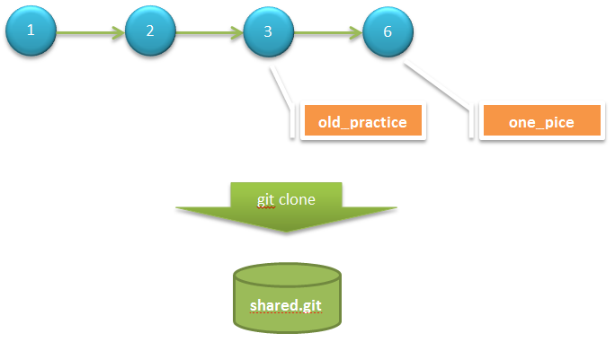

Create repository.

jesse123@BJSCWL1802 ~ // 将当前进度打包成仓库，供他人分享
$ git clone --bare /home/jesse123/1_gitAddNode/ /home/jesse123/share/shared.git
Cloning into bare repository '/home/jesse123/share/shared.git'...
done.

jesse123@BJSCWL1802 ~
$ git clone file:///home/jesse123/share/shared.git user2
Cloning into 'user2'...
remote: Counting objects: 16, done.
remote: Compressing objects: 100% (10/10), done.
remote: Total 16 (delta 2), reused 0 (delta 0)
Receiving objects: 100% (16/16), done.
Resolving deltas: 100% (2/2), done.

jesse123@BJSCWL1802 ~
$ ls
1_gitAddNode share user2

jesse123@BJSCWL1802 ~
$ cd user2/

jesse123@BJSCWL1802 ~/user2
$ ls
forNode3_master.txt main.txt onePice.txt

jesse123@BJSCWL1802 ~/user2
$ git config user.name user2

jesse123@BJSCWL1802 ~/user2
$ git config user.email

jesse123@BJSCWL1802 ~/user2
$ git log --pretty=oneline
5611a829225e22f250e1679e20b5e6a9fa2d8a7c Hello, add onePice.txt.
766b6f563184380d5e794522d79ef6a008533d21 Add new forNode3_master.txt.
70519d08e8b251a44698c7aabdcaf9e79c4b1f57 Make some changes.
274c5d567af06c67532a306a51fee260e28acd7c Add a file.

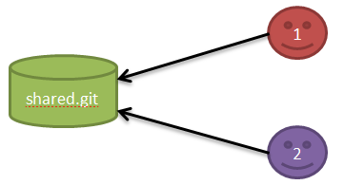
Conflict!

jesse123@BJSCWL1802 ~/user1
$ ls
forNode3_master.txt main.txt onePice.txt

jesse123@BJSCWL1802 ~/user1
$ mkdir team

jesse123@BJSCWL1802 ~/user1
$ echo "I'm user1." > team/user1.txt

jesse123@BJSCWL1802 ~/user1
$ git add team/

jesse123@BJSCWL1802 ~/user1
$ git commit -m "user1's profile."
[master 4472c99] user1's profile.
1 files changed, 1 insertions(+), 0 deletions(-)
create mode 100644 team/user1.txt

jesse123@BJSCWL1802 ~/user1
$ git push
Counting objects: 5, done.
Delta compression using up to 4 threads.
Compressing objects: 100% (2/2), done.
Writing objects: 100% (4/4), 318 bytes, done.
Total 4 (delta 1), reused 0 (delta 0)
Unpacking objects: 100% (4/4), done.
To file:///home/jesse123/share/shared.git
5611a82..4472c99 master -> master

jesse123@BJSCWL1802 ~/user1
$ git log --pretty=oneline
4472c9932774aaa9f1b1f23adc6b2401f1fc6006 user1's profile.
5611a829225e22f250e1679e20b5e6a9fa2d8a7c Hello, add onePice.txt.
766b6f563184380d5e794522d79ef6a008533d21 Add new forNode3_master.txt.
70519d08e8b251a44698c7aabdcaf9e79c4b1f57 Make some changes.
274c5d567af06c67532a306a51fee260e28acd7c Add a file.

jesse123@BJSCWL1802 ~/user2
$ mkdir team

jesse123@BJSCWL1802 ~/user2
$ echo "I'm user2." > team/user2.txt

jesse123@BJSCWL1802 ~/user2
$ git add team/

jesse123@BJSCWL1802 ~/user2
$ git commit -m "user2's profile."
[master d2c134c] user2's profile.
1 files changed, 1 insertions(+), 0 deletions(-)
create mode 100644 team/user2.txt
jesse123@BJSCWL1802 ~/user2
$ git push
To file:///home/jesse123/share/shared.git
! [rejected] master -> master (non-fast-forward) // 因为冲突，不能 fast-forward
error: failed to push some refs to 'file:///home/jesse123/share/shared.git'
To prevent you from losing history, non-fast-forward updates were rejected
Merge the remote changes (e.g. 'git pull') before pushing again. See the
'Note about fast-forwards' section of 'git push --help' for details.

Why?
jesse123@BJSCWL1802 ~/user1
$ git rev-list HEAD
4472c9932774aaa9f1b1f23adc6b2401f1fc6006
5611a829225e22f250e1679e20b5e6a9fa2d8a7c
766b6f563184380d5e794522d79ef6a008533d21
70519d08e8b251a44698c7aabdcaf9e79c4b1f57
274c5d567af06c67532a306a51fee260e28acd7c

jesse123@BJSCWL1802 ~/user1
$ git ls-remote origin
4472c9932774aaa9f1b1f23adc6b2401f1fc6006 HEAD
4ddf4c4cf7e6fc77eff476d9e8d45058153b1595 refs/heads/branchFrom_2
4472c9932774aaa9f1b1f23adc6b2401f1fc6006 refs/heads/master
a49680369aacbaf64557d3a83c1f21aca1224fa5 refs/tags/old_practice
766b6f563184380d5e794522d79ef6a008533d21 refs/tags/old_practice^{}
0ed85278d7ac258912a81ba37a55c634f1967640 refs/tags/one_pice
5611a829225e22f250e1679e20b5e6a9fa2d8a7c refs/tags/one_pice^{}

jesse123@BJSCWL1802 ~/user2
$ git rev-list HEAD
d2c134cc9c83d85699f0ec443af7e49fbf5433ac // 这里与user1已不同
5611a829225e22f250e1679e20b5e6a9fa2d8a7c
766b6f563184380d5e794522d79ef6a008533d21
70519d08e8b251a44698c7aabdcaf9e79c4b1f57
274c5d567af06c67532a306a51fee260e28acd7c

jesse123@BJSCWL1802 ~/user2
$ git ls-remote origin
4472c9932774aaa9f1b1f23adc6b2401f1fc6006 HEAD
4ddf4c4cf7e6fc77eff476d9e8d45058153b1595 refs/heads/branchFrom_2
4472c9932774aaa9f1b1f23adc6b2401f1fc6006 refs/heads/master
a49680369aacbaf64557d3a83c1f21aca1224fa5 refs/tags/old_practice
766b6f563184380d5e794522d79ef6a008533d21 refs/tags/old_practice^{}
0ed85278d7ac258912a81ba37a55c634f1967640 refs/tags/one_pice
5611a829225e22f250e1679e20b5e6a9fa2d8a7c refs/tags/one_pice^{}

Merge made by recursive.

jesse123@BJSCWL1802 ~/user2
$ git pull
remote: Counting objects: 5, done.
remote: Compressing objects: 100% (2/2), done.
remote: Total 4 (delta 1), reused 0 (delta 0)
Unpacking objects: 100% (4/4), done.
From file:///home/jesse123/share/shared
5611a82..4472c99 master -> origin/master
Merge made by the 'recursive' strategy.
team/user1.txt | 1 +
1 files changed, 1 insertions(+), 0 deletions(-)
create mode 100644 team/user1.txt

jesse123@BJSCWL1802 ~/user2
$ ls
forNode3_master.txt main.txt onePice.txt team

jesse123@BJSCWL1802 ~/user2
$ ls ./team/
user1.txt user2.txt

jesse123@BJSCWL1802 ~/user2
$ git log --graph --oneline
* 7926606 Merge branch 'master' of file:///home/jesse123/share/shared
|\
| * 4472c99 user1's profile.
* | d2c134c user2's profile.
|/
* 5611a82 Hello, add onePice.txt.
* 766b6f5 Add new forNode3_master.txt.
* 70519d0 Make some changes.
* 274c5d5 Add a file.

jesse123@BJSCWL1802 ~/user2
$ git push
Counting objects: 10, done.
Delta compression using up to 4 threads.
Compressing objects: 100% (5/5), done.
Writing objects: 100% (7/7), 652 bytes, done.
Total 7 (delta 2), reused 0 (delta 0)
Unpacking objects: 100% (7/7), done.
To file:///home/jesse123/share/shared.git
4472c99..7926606 master -> master

Changes in different files.

jesse123@BJSCWL1802 ~/user1
$ git fetch
remote: Counting objects: 10, done.
remote: Compressing objects: 100% (5/5), done.
remote: Total 7 (delta 2), reused 0 (delta 0)
Unpacking objects: 100% (7/7), done.
From file:///home/jesse123/share/shared
4472c99..7926606 master -> origin/master

jesse123@BJSCWL1802 ~/user1
$ git ls-files
forNode3_master.txt
main.txt
onePice.txt
team/user1.txt

jesse123@BJSCWL1802 ~/user1
$ git merge origin/master
Updating 4472c99..7926606
Fast-forward
team/user2.txt | 1 +
1 files changed, 1 insertions(+), 0 deletions(-)
create mode 100644 team/user2.txt

jesse123@BJSCWL1802 ~/user1
$ ls ./team/
user1.txt user2.txt

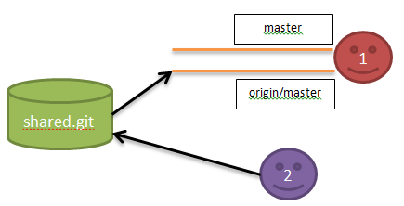
Changes in same file.

jesse123@BJSCWL1802 ~/user2/team
$ echo "user2 --> hello." > share.txt

jesse123@BJSCWL1802 ~/user2/team
$ git add share.txt

jesse123@BJSCWL1802 ~/user2/team
$ git commit -m "share.txt change by user2."
[master ad972c0] share.txt change by user2.
1 files changed, 1 insertions(+), 0 deletions(-)
create mode 100644 team/share.txt

jesse123@BJSCWL1802 ~/user2/team
$ git push
Counting objects: 6, done.
Delta compression using up to 4 threads.
Compressing objects: 100% (3/3), done.
Writing objects: 100% (4/4), 379 bytes, done.
Total 4 (delta 1), reused 0 (delta 0)
Unpacking objects: 100% (4/4), done.
To file:///home/jesse123/share/shared.git
7926606..ad972c0 master -> master

jesse123@BJSCWL1802 ~/user1/team
$ echo "user1 --> hi." > share.txt

jesse123@BJSCWL1802 ~/user1/team
$ git add -u

jesse123@BJSCWL1802 ~/user1/team
$ git commit -m "share.txt change by user1."
[master e374ea5] share.txt change by user1.
1 files changed, 1 insertions(+), 0 deletions(-)
create mode 100644 team/share.txt

jesse123@BJSCWL1802 ~/user1/team // 先获取远程分支现状
$ git fetch

jesse123@BJSCWL1802 ~/user1/team // 再对比，查看与本地分支的区别
$ git diff master origin/master
diff --git a/team/share.txt b/team/share.txt
index 466ac60..bcb5df9 100644
--- a/team/share.txt
+++ b/team/share.txt
@@ -1 +1,2 @@
user1 --> hi.
+user2 --> hello.

jesse123@BJSCWL1802 ~/user1/team // 最后合并
$ git merge origin/master
Updating e374ea5..449cb76
Fast-forward
team/share.txt | 1 +
1 files changed, 1 insertions(+), 0 deletions(-)

jesse123@BJSCWL1802 ~/user1/team
$ cat share.txt
user1 --> hi.
user2 --> hello.

Solve conflict and “git blame”

jesse123@BJSCWL1802 ~/user1/team
$ git blame share.txt // 查看内容具体由谁改动，神器！
e374ea55 (user1 2013-02-17 14:30:39 +0800 1) user1 --> hi.
ad972c01 (user2 2013-02-17 14:30:03 +0800 2) user2 --> hello.

Add your remote branch.

jesse123@BJSCWL1802 ~
$ git clone file:///home/jesse123/share/shared.git/ user3
Cloning into 'user3'...
remote: Counting objects: 39, done.
remote: Compressing objects: 100% (26/26), done.
remote: Total 39 (delta 8), reused 0 (delta 0)
Receiving objects: 100% (39/39), done.
Resolving deltas: 100% (8/8), done.

jesse123@BJSCWL1802 ~/user3
$ git log --pretty=oneline –graph -2
* 449cb767af7a4064b8f35ca4ab6c185cda4f8453 Solve conflict in share.txt.
|\
| * ad972c01d1cf7225109ed2bc66dee042e3759731 share.txt change by user2.

jesse123@BJSCWL1802 ~/user3
$ git show-ref
449cb767af7a4064b8f35ca4ab6c185cda4f8453 refs/heads/master
449cb767af7a4064b8f35ca4ab6c185cda4f8453 refs/remotes/origin/HEAD
4ddf4c4cf7e6fc77eff476d9e8d45058153b1595 refs/remotes/origin/branchFrom_2
449cb767af7a4064b8f35ca4ab6c185cda4f8453 refs/remotes/origin/master
a49680369aacbaf64557d3a83c1f21aca1224fa5 refs/tags/old_practice
0ed85278d7ac258912a81ba37a55c634f1967640 refs/tags/one_pice

jesse123@BJSCWL1802 ~/user3
$ git checkout user3LocalBranch
Switched to a new branch 'user3LocalBranch'

jesse123@BJSCWL1802 ~/user3
$ git branch -v
master 449cb76 [behind 3] Solve conflict in share.txt.
* user3LocalBranch 449cb76 Solve conflict in share.txt.

jesse123@BJSCWL1802 ~/user3
$ git push origin user3LocalBranch:user3RomoteBranch // 本地分支 推送到 指定远程分支
Total 0 (delta 0), reused 0 (delta 0)
To file:///home/jesse123/share/shared.git/
* [new branch] user3LocalBranch -> user3RomoteBranch

jesse123@BJSCWL1802 ~/share/shared.git
$ git branch -v
branchFrom_2 4ddf4c4 Add node 4.
* master 449cb76 Solve conflict in share.txt.
old_master 449cb76 Solve conflict in share.txt.
user3RomoteBranch 449cb76 Solve conflict in share.txt.

Add file in User3’s branch.

jesse123@BJSCWL1802 ~/user3
$ touch user3.txt

jesse123@BJSCWL1802 ~/user3
$ git add user3.txt

jesse123@BJSCWL1802 ~/user3
$ git commit -m "Add user3.txt in user3LocalBranch."
[user3LocalBranch 7cec762] Add user3.txt in user3LocalBranch.
0 files changed, 0 insertions(+), 0 deletions(-)
create mode 100644 user3.txt

jesse123@BJSCWL1802 ~/user3
$ git push
Everything up-to-date

jesse123@BJSCWL1802 ~/user3
$ git push origin user3LocalBranch:user3RemoteBranch
Counting objects: 3, done.
Delta compression using up to 4 threads.
Compressing objects: 100% (2/2), done.
Writing objects: 100% (2/2), 290 bytes, done.
Total 2 (delta 1), reused 0 (delta 0)
Unpacking objects: 100% (2/2), done.
To file:///home/jesse123/share/shared.git/
449cb76..7cec762 user3LocalBranch -> user3RemoteBranch

Add your remote branch.

jesse123@BJSCWL1802 ~/user1
$ touch node8_master.txt

jesse123@BJSCWL1802 ~/user1
$ git add node8_master.txt

jesse123@BJSCWL1802 ~/user1
$ git commit -m "Create node8_master.txt."
[master f1efb8c] Create node8_master.txt.
0 files changed, 0 insertions(+), 0 deletions(-)
create mode 100644 node8_master.txt

jesse123@BJSCWL1802 ~/user1
$ git push
Counting objects: 3, done.
Delta compression using up to 4 threads.
Compressing objects: 100% (2/2), done.
Writing objects: 100% (2/2), 239 bytes, done.
Total 2 (delta 1), reused 0 (delta 0)
Unpacking objects: 100% (2/2), done.
To file:///home/jesse123/share/shared.git
449cb76..f1efb8c master -> master

jesse123@BJSCWL1802 ~/user1
$ git merge origin/master origin/user3RemoteBranch // “特性分支”的合并
Already up-to-date with origin/master
Trying simple merge with origin/user3RemoteBranch
Merge made by the 'octopus' strategy.
0 files changed, 0 insertions(+), 0 deletions(-)
create mode 100644 user3.txt

jesse123@BJSCWL1802 ~/user1
$ git push
Counting objects: 4, done.
Delta compression using up to 4 threads.
Compressing objects: 100% (2/2), done.
Writing objects: 100% (2/2), 298 bytes, done.
Total 2 (delta 1), reused 0 (delta 0)
Unpacking objects: 100% (2/2), done.
To file:///home/jesse123/share/shared.git
f1efb8c..05a04b0 master -> master

jesse123@BJSCWL1802 ~/share/shared.git
$ git log --pretty=oneline --graph -3
* 05a04b01b9caf0b41931de337b87aaebc7bc7367 Merge remote-tracking branches 'origin/master' and 'origin/user3RemoteBranch'
|\
| * 7cec762a9eda398290b26cdbfd61d55acc69f195 Add user3.txt in user3LocalBranch.
* | f1efb8c3edab080d021c6c8a2874f435d6155f29 Create node8_master.txt.

Add your remote branch.

jesse123@BJSCWL1802 ~/user3
$ git branch -r
origin/HEAD -> origin/master
origin/branchFrom_2
origin/master
origin/user3RemoteBranch

jesse123@BJSCWL1802 ~/user3
$ git checkout -b branchFrom_2 origin/branchFrom_2 // 获取远程分支，建立对应的本地分支
Branch branchFrom_2 set up to track remote branch branchFrom_2 from origin.
Switched to a new branch 'branchFrom_2'

jesse123@BJSCWL1802 ~/user3
$ ls
file_branchFrom_2.txt main.txt

jesse123@BJSCWL1802 ~/user3
$ git branch -v
* branchFrom_2 4ddf4c4 Add node 4.
master 05a04b0 Merge remote-tracking branches 'origin/master' and 'origin/user3RemoteBranch'
user3LocalBranch 7cec762 Add user3.txt in user3LocalBranch.

jesse123@BJSCWL1802 ~/user3
$ git rebase master // 特性分支的更新
First, rewinding head to replay your work on top of it...
Applying: Add node 4.

jesse123@BJSCWL1802 ~/user3
$ ls
file_branchFrom_2.txt main.txt onePice.txt user3.txt
forNode3_master.txt node8_master.txt team

上一篇下一篇
请先登录后，再发表评论！
查看评论
更多评论（0）
回顶部
移动版|桌面版
©1999-2012, CSDN.NET, All Rights Reserved

Sheet8
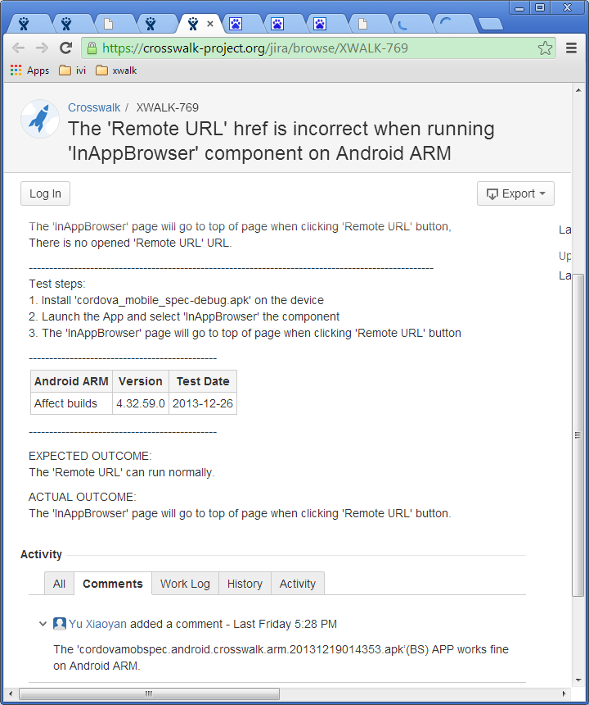
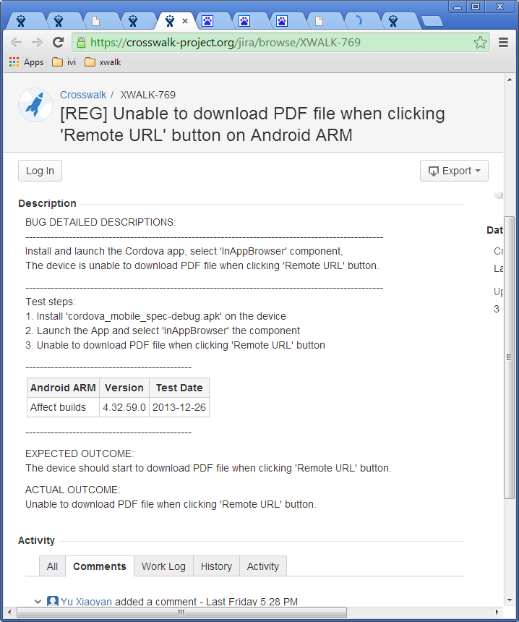

标题处，简洁、正确。 可用“动-宾”词组来阐述问题

尽量避免使用normally, correct等模糊的词汇来描述期待与实际结果。

Sheet10
http://otcqa.sh.intel.com/qa-auto/sdk/tizenivi/image/

From: Huang, JunX A
Sent: Monday, December 09, 2013 3:17 PM
To: Sun, HuihuiX
Cc: Zhang, Jingke
Subject: emulator ivi tizen

Install it on ubuntu 64bit

1. Download Install manager
Download the install manager from latest repo (http://download.tizen.org/sdk/latest/tizen/binary/)
name: (version 2.2.71)
install-manager-standalone_2.2.71_ubuntu-64.zip (ubuntu-64)

And unzip
$ unzip install-manager-standalone_2.2.70_ubuntu-64.zip

2. Run it
2.1
$ ./inst-manager.bin

2.2 Change proxy setting if needed
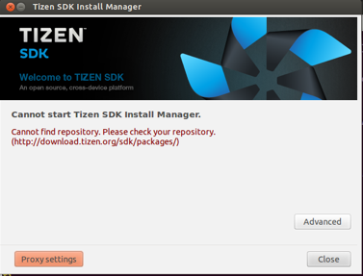
Clcik left down button - “Proxy settings”

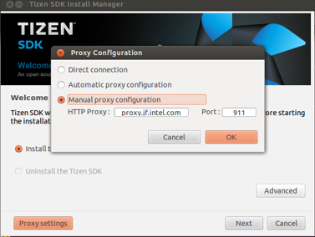
select “Manual proxy configuration”
Fill Http proxy: “proxy.cd.intel.com" Port: “911"

2.3 select package server to (http://download.tizen.org/sdk/latest) and select the snapshot you want to install
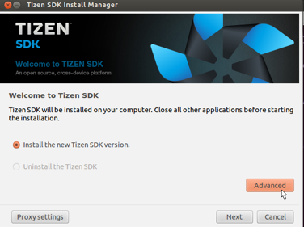
Click right down button - “Advanced”

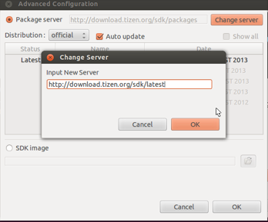
Click upper right button - “Change server”
Input New Server url “http://download.tizen.org/sdk/latest”

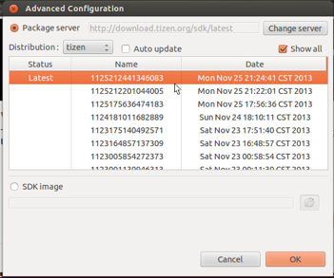
unselect: “Auto update”
select: “Show all”
And you will see the all snapshots you can install.
For example:
Please help to install new SDK (snapshot: 1206053754098883) (built at last Friday night)
This version include latest emulator update. (app can be launched successfully)

2.4 install (next -> I agree -> next…..)
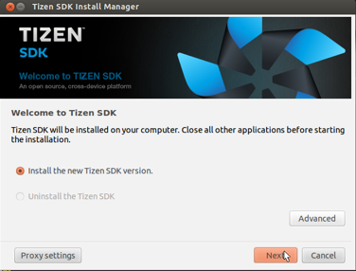
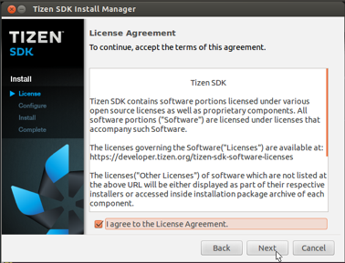

2.5 select install type (ivi support is option; so you need to select it by yourself)
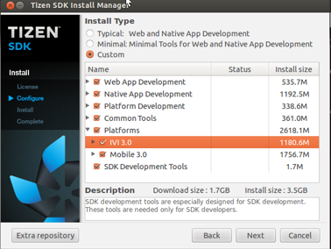
Install Type: Custom
Select: Platforms -> IVI 3.0
(BTW, Don’t forget to install web App Development; SDK Development Tools)

2.6 keep (next -> next …..) and you will get the SDK with IVI support

About login, please use as following
username: root
password: tizen

l preinstalled apps(terminal)
1. // list apps
wrt-launcher –l
2. // execute
wrt-launcher –s <apps>

l IDE sample:
1. start IDE
2. sdb kill-server
3. sdb root on
4. run ivi web-sample in IDE

