Fail_item
Fail_item

 | Bin | Item | mass_data_a_count | mass_data_b_count | mass_data_c_count | mass_data_a_yield | mass_data_b_yield | mass_data_c_yield | Distribution
 | 1 | Pass | 280 | 327 | 326 | 93.02 | 93.16 | 92.88
 | 10 | subject_01 | 1 | 3 | 3 | 0.33 | 0.85 | 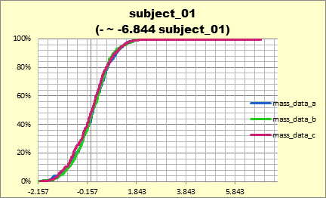 0.85 | 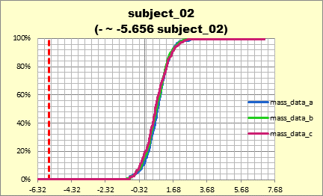 |  |  |  | 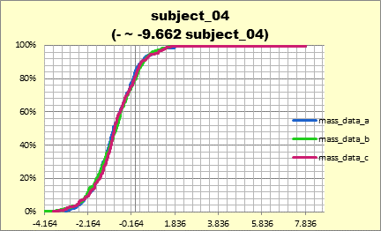 |  |  | 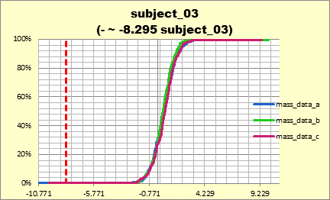 |  |  |  | 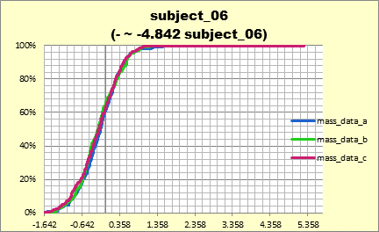 | 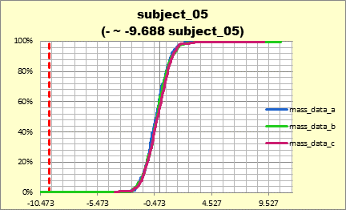 | 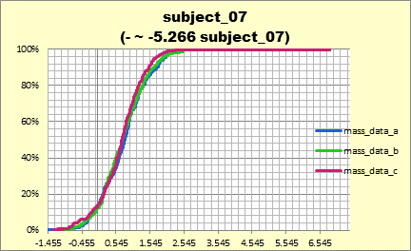
 | 11 | subject_01 | 0 | 3 | 3 | 0 | 0.85 | 0.85 |  |  |  |  |  |  |  |  |  |  |  |  |  |  | 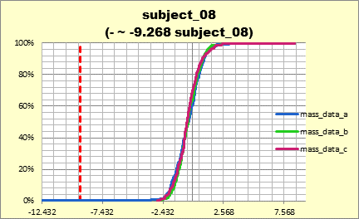 | 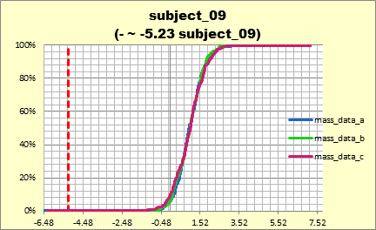 | 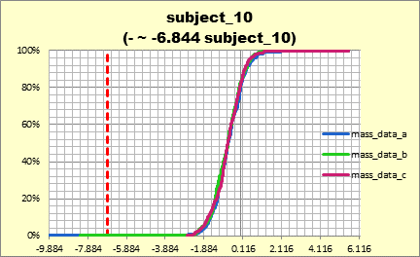 | 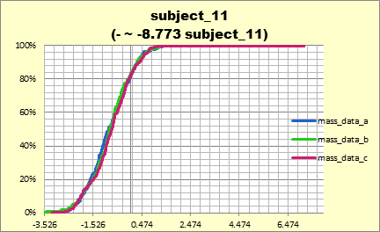 | 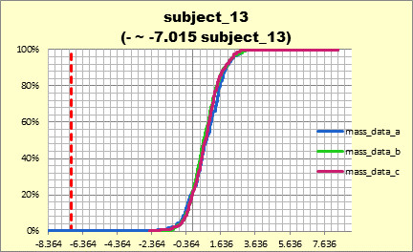 | 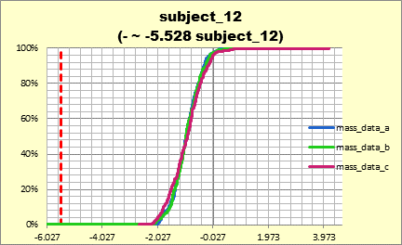
 | 12 | subject_01 | 0 | 3 | 3 | 0 | 0.85 | 0.85 |  |  |  |  |  |  |  |  |  |  |  |  |  |  |  |  |  |  |  |  | 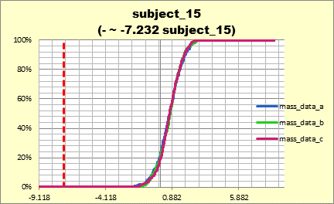 | 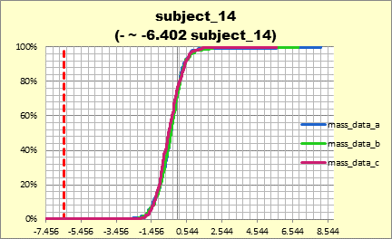 |  | 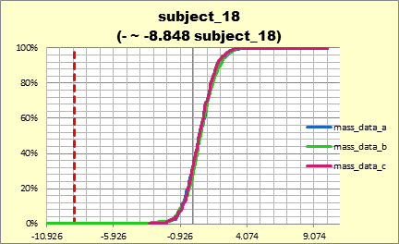 | 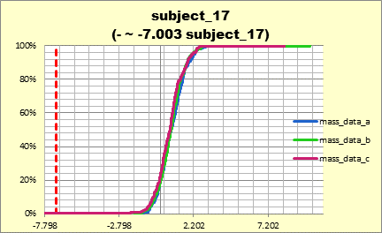
 | 13 | subject_01 | 0 | 3 | 3 | 0 | 0.85 | 0.85 |  |  |  |  |  |  |  |  |  |  |  |  |  |  |  |  |  |  |  |  |  |  |  |  | 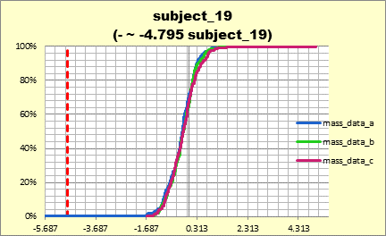 | 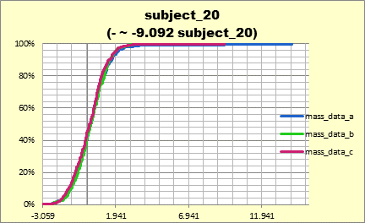 | 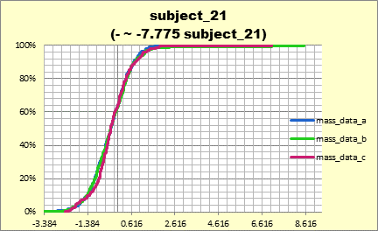 | 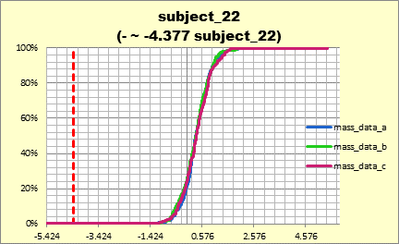 | 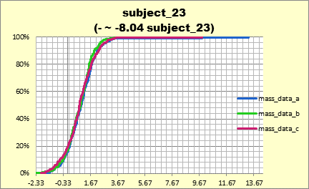
 | 14 | subject_01 | 0 | 3 | 3 | 0 | 0.85 | 0.85 |  |  |  |  |  |  |  |  |  |  |  |  |  |  |  |  |  |  |  |  |  |  |  |  |  |  |  |  |  | 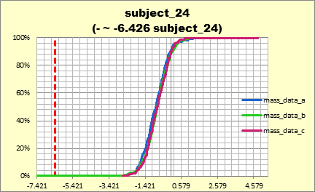 | 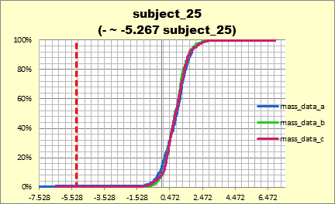 | 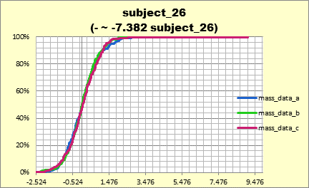 | 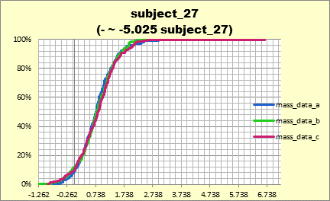 | 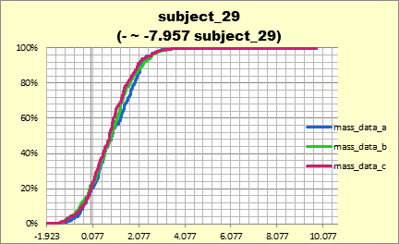 | 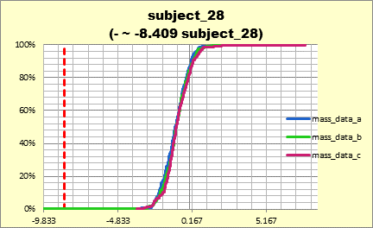
 | 15 | subject_01 | 0 | 2 | 3 | 0 | 0.57 | 0.85 |  |  |  |  |  |  |  |  |  |  |  |  |  |  |  |  |  |  |  |  |  |  |  |  |  |  |  |  |  |  |  |  |  |  |  | 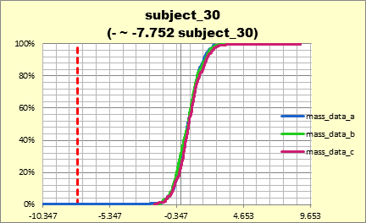 | 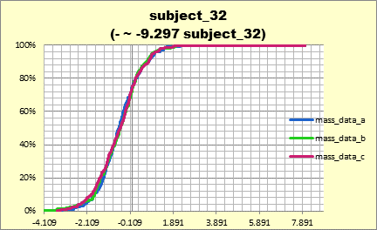 | 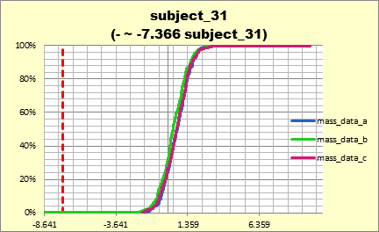 | 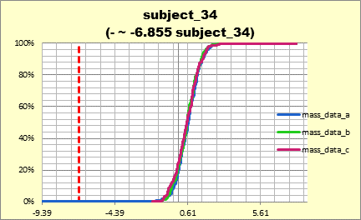
 | 16 | subject_01 | 0 | 2 | 2 | 0 | 0.57 | 0.57 |  |  |  |  |  |  |  |  |  |  |  |  |  |  |  |  |  |  |  |  |  |  |  |  |  |  |  |  |  |  |  |  |  |  |  |  |  |  | 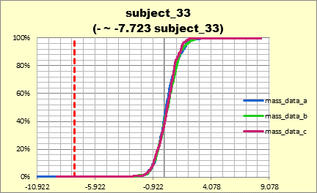 | 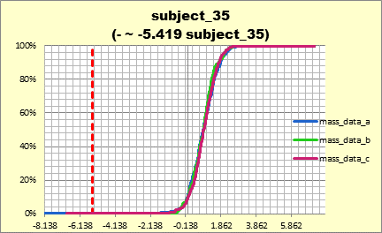 | 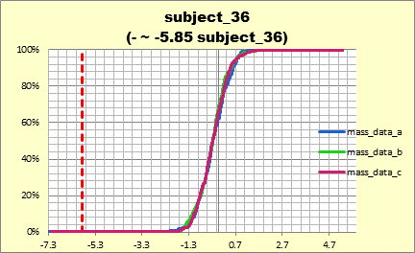 | 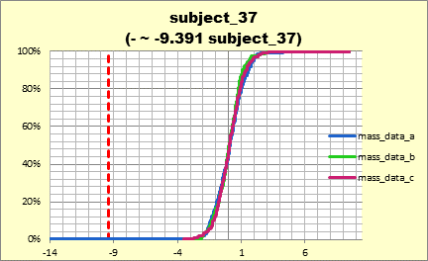 | 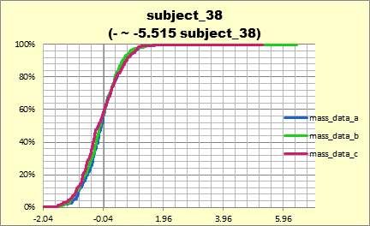 | 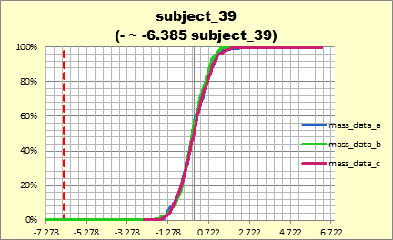 | 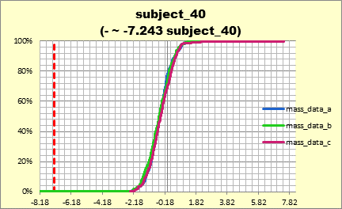
 | 17 | subject_01 | 0 | 2 | 2 | 0 | 0.57 | 0.57 |  |  |  |  |  |  |  |  |  |  |  |  |  |  |  |  |  |  |  |  |  |  |  |  |  |  |  |  |  |  |  |  |  |  |  |  |  |  |  |  |  |  |  |  | 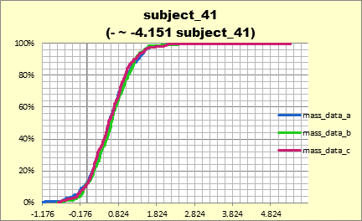 | 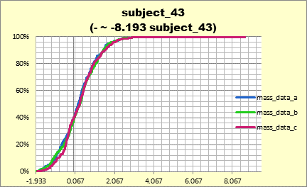 | 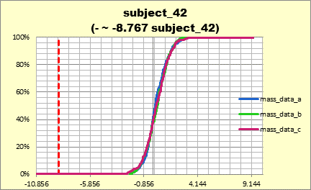 | 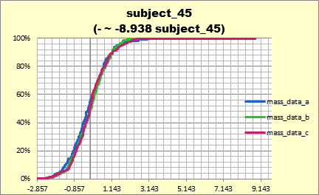
 | 18 | subject_01 | 0 | 2 | 2 | 0 | 0.57 | 0.57 |  |  |  |  |  |  |  |  |  |  |  |  |  |  |  |  |  |  |  |  |  |  |  |  |  |  |  |  |  |  |  |  |  |  |  |  |  |  |  |  |  |  |  |  |  |  |  | 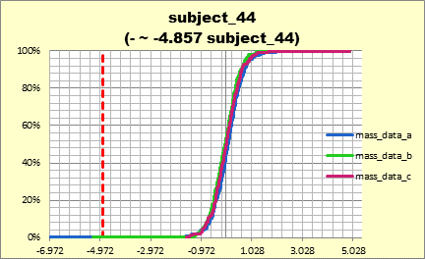 | 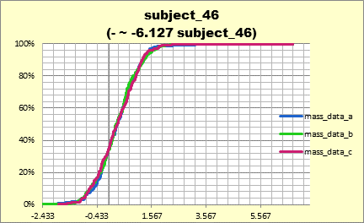 | 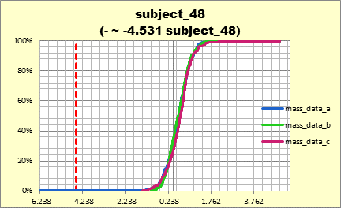 | 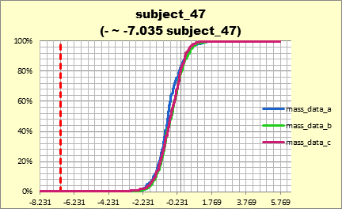 | 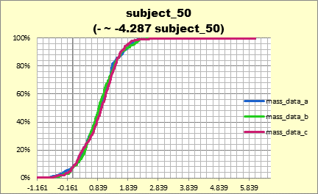 | 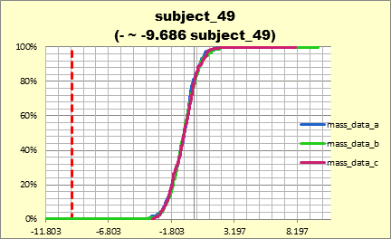
 | 20 | subject_01 | 3 | 0 | 0 | 1 | 0 | 0
 | 30 | subject_01 | 2 | 0 | 0 | 0.66 | 0 | 0
 | 40 | subject_01 | 3 | 0 | 0 | 1 | 0 | 0
 | 50 | subject_01 | 3 | 0 | 0 | 1 | 0 | 0
 | 60 | subject_01 | 3 | 0 | 0 | 1 | 0 | 0
 | 70 | subject_01 | 3 | 0 | 0 | 1 | 0 | 0
 | 80 | subject_01 | 1 | 0 | 0 | 0.33 | 0 | 0
 | 90 | subject_01 | 1 | 0 | 0 | 0.33 | 0 | 0
 |  | subject_01 | 1 | 1 | 1 | 0.33 | 0.28 | 0.28

 | FAIL_VALUES
 | mass_data_a |  |  |  |  |  |  | mass_data_b |  |  |  |  |  | mass_data_c
 | DUT | XCoord | YCoord | Bin | Item | Value |  | DUT | XCoord | YCoord | Bin | Item | Value | DUT | XCoord | YCoord | Bin | Item | Value
 | Upper Limit |  |  |  | subject_01 | 6.881 |  | Upper Limit |  |  |  | subject_01 | 6.881 | Upper Limit |  |  |  | subject_01 | 6.881
 | Upper Limit |  |  |  | subject_02 | 7.065 |  | Upper Limit |  |  |  | subject_02 | 7.065 | Upper Limit |  |  |  | subject_02 | 7.065
 | Upper Limit |  |  |  | subject_03 | 9.349 |  | Upper Limit |  |  |  | subject_03 | 9.349 | Upper Limit |  |  |  | subject_03 | 9.349
 | Upper Limit |  |  |  | subject_04 | 7.839 |  | Upper Limit |  |  |  | subject_04 | 7.839 | Upper Limit |  |  |  | subject_04 | 7.839
 | Upper Limit |  |  |  | subject_05 | 9.071 |  | Upper Limit |  |  |  | subject_05 | 9.071 | Upper Limit |  |  |  | subject_05 | 9.071
 | Upper Limit |  |  |  | subject_06 | 4.395 |  | Upper Limit |  |  |  | subject_06 | 4.395 | Upper Limit |  |  |  | subject_06 | 4.395
 | Upper Limit |  |  |  | subject_07 | 6.819 |  | Upper Limit |  |  |  | subject_07 | 6.819 | Upper Limit |  |  |  | subject_07 | 6.819
 | Upper Limit |  |  |  | subject_08 | 8.469 |  | Upper Limit |  |  |  | subject_08 | 8.469 | Upper Limit |  |  |  | subject_08 | 8.469
 | Upper Limit |  |  |  | subject_09 | 7.167 |  | Upper Limit |  |  |  | subject_09 | 7.167 | Upper Limit |  |  |  | subject_09 | 7.167
 | Upper Limit |  |  |  | subject_10 | 5.559 |  | Upper Limit |  |  |  | subject_10 | 5.559 | Upper Limit |  |  |  | subject_10 | 5.559
 | Upper Limit |  |  |  | subject_11 | 7.139 |  | Upper Limit |  |  |  | subject_11 | 7.139 | Upper Limit |  |  |  | subject_11 | 7.139
 | Upper Limit |  |  |  | subject_12 | 3.56 |  | Upper Limit |  |  |  | subject_12 | 3.56 | Upper Limit |  |  |  | subject_12 | 3.56
 | Upper Limit |  |  |  | subject_13 | 8.452 |  | Upper Limit |  |  |  | subject_13 | 8.452 | Upper Limit |  |  |  | subject_13 | 8.452
 | Upper Limit |  |  |  | subject_14 | 5.607 |  | Upper Limit |  |  |  | subject_14 | 5.607 | Upper Limit |  |  |  | subject_14 | 5.607
 | Upper Limit |  |  |  | subject_15 | 8.528 |  | Upper Limit |  |  |  | subject_15 | 8.528 | Upper Limit |  |  |  | subject_15 | 8.528
 | Upper Limit |  |  |  | subject_16 | 5.6 |  | Upper Limit |  |  |  | subject_16 | 5.6 | Upper Limit |  |  |  | subject_16 | 5.6
 | Upper Limit |  |  |  | subject_17 | 8.312 |  | Upper Limit |  |  |  | subject_17 | 8.312 | Upper Limit |  |  |  | subject_17 | 8.312
 | Upper Limit |  |  |  | subject_18 | 10.064 |  | Upper Limit |  |  |  | subject_18 | 10.064 | Upper Limit |  |  |  | subject_18 | 10.064
 | Upper Limit |  |  |  | subject_19 | 4.269 |  | Upper Limit |  |  |  | subject_19 | 4.269 | Upper Limit |  |  |  | subject_19 | 4.269
 | Upper Limit |  |  |  | subject_20 | 9.407 |  | Upper Limit |  |  |  | subject_20 | 9.407 | Upper Limit |  |  |  | subject_20 | 9.407
 | Upper Limit |  |  |  | subject_21 | 7.076 |  | Upper Limit |  |  |  | subject_21 | 7.076 | Upper Limit |  |  |  | subject_21 | 7.076
 | Upper Limit |  |  |  | subject_22 | 5.098 |  | Upper Limit |  |  |  | subject_22 | 5.098 | Upper Limit |  |  |  | subject_22 | 5.098
 | Upper Limit |  |  |  | subject_23 | 9.857 |  | Upper Limit |  |  |  | subject_23 | 9.857 | Upper Limit |  |  |  | subject_23 | 9.857
 | Upper Limit |  |  |  | subject_24 | 4.831 |  | Upper Limit |  |  |  | subject_24 | 4.831 | Upper Limit |  |  |  | subject_24 | 4.831
 | Upper Limit |  |  |  | subject_25 | 6.931 |  | Upper Limit |  |  |  | subject_25 | 6.931 | Upper Limit |  |  |  | subject_25 | 6.931
 | Upper Limit |  |  |  | subject_26 | 7.407 |  | Upper Limit |  |  |  | subject_26 | 7.407 | Upper Limit |  |  |  | subject_26 | 7.407
 | Upper Limit |  |  |  | subject_27 | 6.643 |  | Upper Limit |  |  |  | subject_27 | 6.643 | Upper Limit |  |  |  | subject_27 | 6.643
 | Upper Limit |  |  |  | subject_28 | 6.604 |  | Upper Limit |  |  |  | subject_28 | 6.604 | Upper Limit |  |  |  | subject_28 | 6.604
 | Upper Limit |  |  |  | subject_29 | 9.808 |  | Upper Limit |  |  |  | subject_29 | 9.808 | Upper Limit |  |  |  | subject_29 | 9.808
 | Upper Limit |  |  |  | subject_30 | 8.931 |  | Upper Limit |  |  |  | subject_30 | 8.931 | Upper Limit |  |  |  | subject_30 | 8.931
 | Upper Limit |  |  |  | subject_31 | 8.415 |  | Upper Limit |  |  |  | subject_31 | 8.415 | Upper Limit |  |  |  | subject_31 | 8.415
 | Upper Limit |  |  |  | subject_32 | 8.004 |  | Upper Limit |  |  |  | subject_32 | 8.004 | Upper Limit |  |  |  | subject_32 | 8.004
 | Upper Limit |  |  |  | subject_33 | 8.345 |  | Upper Limit |  |  |  | subject_33 | 8.345 | Upper Limit |  |  |  | subject_33 | 8.345
 | Upper Limit |  |  |  | subject_34 | 8.098 |  | Upper Limit |  |  |  | subject_34 | 8.098 | Upper Limit |  |  |  | subject_34 | 8.098
 | Upper Limit |  |  |  | subject_35 | 7.149 |  | Upper Limit |  |  |  | subject_35 | 7.149 | Upper Limit |  |  |  | subject_35 | 7.149
 | Upper Limit |  |  |  | subject_36 | 5.3 |  | Upper Limit |  |  |  | subject_36 | 5.3 | Upper Limit |  |  |  | subject_36 | 5.3
 | Upper Limit |  |  |  | subject_37 | 9.504 |  | Upper Limit |  |  |  | subject_37 | 9.504 | Upper Limit |  |  |  | subject_37 | 9.504
 | Upper Limit |  |  |  | subject_38 | 5.268 |  | Upper Limit |  |  |  | subject_38 | 5.268 | Upper Limit |  |  |  | subject_38 | 5.268
 | Upper Limit |  |  |  | subject_39 | 6.262 |  | Upper Limit |  |  |  | subject_39 | 6.262 | Upper Limit |  |  |  | subject_39 | 6.262
 | Upper Limit |  |  |  | subject_40 | 6.293 |  | Upper Limit |  |  |  | subject_40 | 6.293 | Upper Limit |  |  |  | subject_40 | 6.293
 | Upper Limit |  |  |  | subject_41 | 5.337 |  | Upper Limit |  |  |  | subject_41 | 5.337 | Upper Limit |  |  |  | subject_41 | 5.337
 | Upper Limit |  |  |  | subject_42 | 9.299 |  | Upper Limit |  |  |  | subject_42 | 9.299 | Upper Limit |  |  |  | subject_42 | 9.299
 | Upper Limit |  |  |  | subject_43 | 8.701 |  | Upper Limit |  |  |  | subject_43 | 8.701 | Upper Limit |  |  |  | subject_43 | 8.701
 | Upper Limit |  |  |  | subject_44 | 4.897 |  | Upper Limit |  |  |  | subject_44 | 4.897 | Upper Limit |  |  |  | subject_44 | 4.897
 | Upper Limit |  |  |  | subject_45 | 8.842 |  | Upper Limit |  |  |  | subject_45 | 8.842 | Upper Limit |  |  |  | subject_45 | 8.842
 | Upper Limit |  |  |  | subject_46 | 6.737 |  | Upper Limit |  |  |  | subject_46 | 6.737 | Upper Limit |  |  |  | subject_46 | 6.737
 | Upper Limit |  |  |  | subject_47 | 5.764 |  | Upper Limit |  |  |  | subject_47 | 5.764 | Upper Limit |  |  |  | subject_47 | 5.764
 | Upper Limit |  |  |  | subject_48 | 4.994 |  | Upper Limit |  |  |  | subject_48 | 4.994 | Upper Limit |  |  |  | subject_48 | 4.994
 | Upper Limit |  |  |  | subject_49 | 8.099 |  | Upper Limit |  |  |  | subject_49 | 8.099 | Upper Limit |  |  |  | subject_49 | 8.099
 | Upper Limit |  |  |  | subject_50 | 6.037 |  | Upper Limit |  |  |  | subject_50 | 6.037 | Upper Limit |  |  |  | subject_50 | 6.037
 | 20 | 26 | 6 | 60 | subject_01 | -0.224 |  | 1 | 4 | 1 | 14 | subject_01 | -0.656 | 9 | 1 | 1 | 14 | subject_01 | 1.126
 | 20 | 26 | 6 | 60 | subject_02 | 0.006 |  | 1 | 4 | 1 | 14 | subject_02 | 0.149 | 9 | 1 | 1 | 14 | subject_02 | 1.171
 | 20 | 26 | 6 | 60 | subject_03 | 0.828 |  | 1 | 4 | 1 | 14 | subject_03 | 0.705 | 9 | 1 | 1 | 14 | subject_03 | 0.977
 | 20 | 26 | 6 | 60 | subject_04 | -0.662 |  | 1 | 4 | 1 | 14 | subject_04 | -0.87 | 9 | 1 | 1 | 14 | subject_04 | 0.524
 | 20 | 26 | 6 | 60 | subject_05 | -1.248 |  | 1 | 4 | 1 | 14 | subject_05 | -0.912 | 9 | 1 | 1 | 14 | subject_05 | -0.621
 | 20 | 26 | 6 | 60 | subject_06 | -0.68 |  | 1 | 4 | 1 | 14 | subject_06 | -0.622 | 9 | 1 | 1 | 14 | subject_06 | -0.112
 | 20 | 26 | 6 | 60 | subject_07 | 0.912 |  | 1 | 4 | 1 | 14 | subject_07 | 1.885 | 9 | 1 | 1 | 14 | subject_07 | 0.152
 | 20 | 26 | 6 | 60 | subject_08 | 1.918 |  | 1 | 4 | 1 | 14 | subject_08 | 0.264 | 9 | 1 | 1 | 14 | subject_08 | -0.314
 | 20 | 26 | 6 | 60 | subject_09 | 0.93 |  | 1 | 4 | 1 | 14 | subject_09 | 0.139 | 9 | 1 | 1 | 14 | subject_09 | -0.078
 | 20 | 26 | 6 | 60 | subject_10 | -0.494 |  | 1 | 4 | 1 | 14 | subject_10 | -0.669 | 9 | 1 | 1 | 14 | subject_10 | -0.171
 | 20 | 26 | 6 | 60 | subject_11 | -1.378 |  | 1 | 4 | 1 | 14 | subject_11 | -1.003 | 9 | 1 | 1 | 14 | subject_11 | 0.008
 | 20 | 26 | 6 | 60 | subject_12 | -1.535 |  | 1 | 4 | 1 | 14 | subject_12 | -0.52 | 9 | 1 | 1 | 14 | subject_12 | -0.351
 | 20 | 26 | 6 | 60 | subject_13 | 1.131 |  | 1 | 4 | 1 | 14 | subject_13 | 0.474 | 9 | 1 | 1 | 14 | subject_13 | 2.216
 | 20 | 26 | 6 | 60 | subject_14 | -0.451 |  | 1 | 4 | 1 | 14 | subject_14 | -0.202 | 9 | 1 | 1 | 14 | subject_14 | -0.758
 | 20 | 26 | 6 | 60 | subject_15 | 0.348 |  | 1 | 4 | 1 | 14 | subject_15 | 0.838 | 9 | 1 | 1 | 14 | subject_15 | 0.608
 | 20 | 26 | 6 | 60 | subject_16 | 2.171 |  | 1 | 4 | 1 | 14 | subject_16 | 0.239 | 9 | 1 | 1 | 14 | subject_16 | 0.685
 | 20 | 26 | 6 | 60 | subject_17 | 0.283 |  | 1 | 4 | 1 | 14 | subject_17 | 0.614 | 9 | 1 | 1 | 14 | subject_17 | 1.92
 | 20 | 26 | 6 | 60 | subject_18 | 0.638 |  | 1 | 4 | 1 | 14 | subject_18 | -1.002 | 9 | 1 | 1 | 14 | subject_18 | -0.498
 | 20 | 26 | 6 | 60 | subject_19 | -1.269 |  | 1 | 4 | 1 | 14 | subject_19 | 0.266 | 9 | 1 | 1 | 14 | subject_19 | -0.624
 | 20 | 26 | 6 | 60 | subject_20 | -1.304 |  | 1 | 4 | 1 | 14 | subject_20 | 0.187 | 9 | 1 | 1 | 14 | subject_20 | -2.332
 | 20 | 26 | 6 | 60 | subject_21 | -0.963 |  | 1 | 4 | 1 | 14 | subject_21 | 0.265 | 9 | 1 | 1 | 14 | subject_21 | 1.141
 | 20 | 26 | 6 | 60 | subject_22 | 0.522 |  | 1 | 4 | 1 | 14 | subject_22 | -0.314 | 9 | 1 | 1 | 14 | subject_22 | 0.363
 | 20 | 26 | 6 | 60 | subject_23 | 1.023 |  | 1 | 4 | 1 | 14 | subject_23 | 0.639 | 9 | 1 | 1 | 14 | subject_23 | 0.839
 | 20 | 26 | 6 | 60 | subject_24 | -0.821 |  | 1 | 4 | 1 | 14 | subject_24 | -0.444 | 9 | 1 | 1 | 14 | subject_24 | -1.524
 | 20 | 26 | 6 | 60 | subject_25 | 0.987 |  | 1 | 4 | 1 | 14 | subject_25 | 1.224 | 9 | 1 | 1 | 14 | subject_25 | 0.264
 | 20 | 26 | 6 | 60 | subject_26 | 0.175 |  | 1 | 4 | 1 | 14 | subject_26 | 7.944 | 9 | 1 | 1 | 14 | subject_26 | 9.107
 | 20 | 26 | 6 | 60 | subject_27 | 0.307 |  | 1 | 4 | 1 | 14 | subject_27 | N/A | 9 | 1 | 1 | 14 | subject_27 | N/A
 | 20 | 26 | 6 | 60 | subject_28 | -0.236 |  | 11 | 34 | 3 | 10 | subject_01 | -0.613 | 26 | 5 | 2 | 11 | subject_01 | 0.884
 | 20 | 26 | 6 | 60 | subject_29 | 1.07 |  | 11 | 34 | 3 | 10 | subject_02 | 1.262 | 26 | 5 | 2 | 11 | subject_02 | 1.335
 | 20 | 26 | 6 | 60 | subject_30 | -1.422 |  | 11 | 34 | 3 | 10 | subject_03 | 0.169 | 26 | 5 | 2 | 11 | subject_03 | 0.651
 | 20 | 26 | 6 | 60 | subject_31 | 0.92 |  | 11 | 34 | 3 | 10 | subject_04 | -1.328 | 26 | 5 | 2 | 11 | subject_04 | -1.025
 | 20 | 26 | 6 | 60 | subject_32 | -0.394 |  | 11 | 34 | 3 | 10 | subject_06 | N/A | 26 | 5 | 2 | 11 | subject_05 | 1.163
 | 20 | 26 | 6 | 60 | subject_34 | N/A |  | 30 | 11 | 9 | 18 | subject_01 | -0.436 | 26 | 5 | 2 | 11 | subject_06 | -0.576
 | 4 | 23 | 3 | 80 | subject_01 | 0.935 |  | 30 | 11 | 9 | 18 | subject_02 | 0.347 | 26 | 5 | 2 | 11 | subject_07 | 1.87
 | 4 | 23 | 3 | 80 | subject_02 | 0.639 |  | 30 | 11 | 9 | 18 | subject_03 | -0.58 | 26 | 5 | 2 | 11 | subject_08 | -0.868
 | 4 | 23 | 3 | 80 | subject_03 | 1.104 |  | 30 | 11 | 9 | 18 | subject_04 | -0.652 | 26 | 5 | 2 | 11 | subject_09 | 0.342
 | 4 | 23 | 3 | 80 | subject_04 | -1.85 |  | 30 | 11 | 9 | 18 | subject_05 | 0.32 | 26 | 5 | 2 | 11 | subject_10 | -0.937
 | 4 | 23 | 3 | 80 | subject_05 | 1.482 |  | 30 | 11 | 9 | 18 | subject_06 | -0.524 | 26 | 5 | 2 | 11 | subject_11 | -1.03
 | 4 | 23 | 3 | 80 | subject_06 | -0.344 |  | 30 | 11 | 9 | 18 | subject_07 | 1.344 | 26 | 5 | 2 | 11 | subject_12 | 4.159
 | 4 | 23 | 3 | 80 | subject_07 | 0.244 |  | 30 | 11 | 9 | 18 | subject_08 | 0.334 | 26 | 5 | 2 | 11 | subject_13 | N/A
 | 4 | 23 | 3 | 80 | subject_08 | -1.059 |  | 30 | 11 | 9 | 18 | subject_09 | 1.193 | 44 | 7 | 9 | 18 | subject_01 | -0.94
 | 4 | 23 | 3 | 80 | subject_09 | 1.63 |  | 30 | 11 | 9 | 18 | subject_10 | -1.412 | 44 | 7 | 9 | 18 | subject_02 | 1.726
 | 4 | 23 | 3 | 80 | subject_10 | -1.118 |  | 30 | 11 | 9 | 18 | subject_11 | -0.427 | 44 | 7 | 9 | 18 | subject_03 | 0.545
 | 4 | 23 | 3 | 80 | subject_11 | -2.052 |  | 30 | 11 | 9 | 18 | subject_12 | -1.156 | 44 | 7 | 9 | 18 | subject_04 | -1.584
 | 4 | 23 | 3 | 80 | subject_12 | -1.087 |  | 30 | 11 | 9 | 18 | subject_13 | -0.4 | 44 | 7 | 9 | 18 | subject_05 | -1.043
 | 4 | 23 | 3 | 80 | subject_13 | 1.034 |  | 30 | 11 | 9 | 18 | subject_14 | -0.026 | 44 | 7 | 9 | 18 | subject_06 | 0.618
 | 4 | 23 | 3 | 80 | subject_14 | -1.424 |  | 30 | 11 | 9 | 18 | subject_15 | 1.213 | 44 | 7 | 9 | 18 | subject_07 | 0.987
 | 4 | 23 | 3 | 80 | subject_15 | 1.749 |  | 30 | 11 | 9 | 18 | subject_16 | 0.948 | 44 | 7 | 9 | 18 | subject_08 | -0.53
 | 4 | 23 | 3 | 80 | subject_16 | 0.498 |  | 30 | 11 | 9 | 18 | subject_17 | 1.973 | 44 | 7 | 9 | 18 | subject_09 | 0.11
 | 4 | 23 | 3 | 80 | subject_17 | 0.559 |  | 30 | 11 | 9 | 18 | subject_18 | 0.023 | 44 | 7 | 9 | 18 | subject_10 | -1.733
 | 4 | 23 | 3 | 80 | subject_18 | 3.193 |  | 30 | 11 | 9 | 18 | subject_19 | -0.079 | 44 | 7 | 9 | 18 | subject_11 | -1.046
 | 4 | 23 | 3 | 80 | subject_19 | -0.432 |  | 30 | 11 | 9 | 18 | subject_20 | 2.04 | 44 | 7 | 9 | 18 | subject_12 | -0.614
 | 4 | 23 | 3 | 80 | subject_20 | 0.984 |  | 30 | 11 | 9 | 18 | subject_21 | -1.489 | 44 | 7 | 9 | 18 | subject_13 | 0.061
 | 4 | 23 | 3 | 80 | subject_21 | -0.539 |  | 30 | 11 | 9 | 18 | subject_22 | -0.29 | 44 | 7 | 9 | 18 | subject_14 | -0.981
 | 4 | 23 | 3 | 80 | subject_22 | 0.698 |  | 30 | 11 | 9 | 18 | subject_23 | 0.469 | 44 | 7 | 9 | 18 | subject_15 | 0.39
 | 4 | 23 | 3 | 80 | subject_23 | -0.975 |  | 30 | 11 | 9 | 18 | subject_24 | 0.013 | 44 | 7 | 9 | 18 | subject_16 | 0.48
 | 4 | 23 | 3 | 80 | subject_24 | 0.262 |  | 30 | 11 | 9 | 18 | subject_25 | 0.602 | 44 | 7 | 9 | 18 | subject_17 | 1.783
 | 4 | 23 | 3 | 80 | subject_25 | 1.196 |  | 30 | 11 | 9 | 18 | subject_26 | 0.54 | 44 | 7 | 9 | 18 | subject_18 | 2.134
 | 4 | 23 | 3 | 80 | subject_26 | 0.076 |  | 30 | 11 | 9 | 18 | subject_27 | 0.816 | 44 | 7 | 9 | 18 | subject_19 | -0.597
 | 4 | 23 | 3 | 80 | subject_27 | 0.864 |  | 30 | 11 | 9 | 18 | subject_28 | -0.848 | 44 | 7 | 9 | 18 | subject_20 | 0.974
 | 4 | 23 | 3 | 80 | subject_28 | -1.872 |  | 30 | 11 | 9 | 18 | subject_29 | -1.114 | 44 | 7 | 9 | 18 | subject_21 | -0.457
 | 4 | 23 | 3 | 80 | subject_29 | 2.181 |  | 30 | 11 | 9 | 18 | subject_30 | 1.76 | 44 | 7 | 9 | 18 | subject_22 | 1.37
 | 4 | 23 | 3 | 80 | subject_30 | 0.986 |  | 30 | 11 | 9 | 18 | subject_31 | 0.207 | 44 | 7 | 9 | 18 | subject_23 | 0.528
 | 4 | 23 | 3 | 80 | subject_31 | 1.071 |  | 30 | 11 | 9 | 18 | subject_32 | -0.995 | 44 | 7 | 9 | 18 | subject_24 | -0.016
 | 4 | 23 | 3 | 80 | subject_32 | -1.46 |  | 30 | 11 | 9 | 18 | subject_33 | 0.384 | 44 | 7 | 9 | 18 | subject_25 | -0.598
 | 4 | 23 | 3 | 80 | subject_33 | 2.157 |  | 30 | 11 | 9 | 18 | subject_34 | 1.092 | 44 | 7 | 9 | 18 | subject_26 | 0.301
 | 4 | 23 | 3 | 80 | subject_34 | 1.373 |  | 30 | 11 | 9 | 18 | subject_35 | 0.06 | 44 | 7 | 9 | 18 | subject_27 | 0.069
 | 4 | 23 | 3 | 80 | subject_35 | 1.348 |  | 30 | 11 | 9 | 18 | subject_36 | -0.431 | 44 | 7 | 9 | 18 | subject_28 | -0.764
 | 4 | 23 | 3 | 80 | subject_36 | -0.282 |  | 30 | 11 | 9 | 18 | subject_37 | -0.387 | 44 | 7 | 9 | 18 | subject_29 | 1.094
 | 4 | 23 | 3 | 80 | subject_37 | -2.667 |  | 30 | 11 | 9 | 18 | subject_38 | 0.508 | 44 | 7 | 9 | 18 | subject_30 | 2.688
 | 4 | 23 | 3 | 80 | subject_38 | -0.416 |  | 30 | 11 | 9 | 18 | subject_39 | -0.031 | 44 | 7 | 9 | 18 | subject_31 | 0.883
 | 4 | 23 | 3 | 80 | subject_39 | -0.656 |  | 30 | 11 | 9 | 18 | subject_40 | -0.279 | 44 | 7 | 9 | 18 | subject_32 | 0.002
 | 4 | 23 | 3 | 80 | subject_40 | 0.315 |  | 30 | 11 | 9 | 18 | subject_41 | 1.007 | 44 | 7 | 9 | 18 | subject_33 | 1.855
 | 4 | 23 | 3 | 80 | subject_41 | 0.748 |  | 30 | 11 | 9 | 18 | subject_42 | 0.267 | 44 | 7 | 9 | 18 | subject_34 | 2.002
 | 4 | 23 | 3 | 80 | subject_42 | 0.33 |  | 30 | 11 | 9 | 18 | subject_43 | -0.689 | 44 | 7 | 9 | 18 | subject_35 | 0.546
 | 4 | 23 | 3 | 80 | subject_43 | 1.607 |  | 30 | 11 | 9 | 18 | subject_44 | 0.592 | 44 | 7 | 9 | 18 | subject_36 | -0.032
 | 4 | 23 | 3 | 80 | subject_45 | N/A |  | 30 | 11 | 9 | 18 | subject_45 | -1.381 | 44 | 7 | 9 | 18 | subject_37 | 0.637
 | 9 | 11 | 10 | 50 | subject_01 | -0.781 |  | 30 | 11 | 9 | 18 | subject_46 | 0.147 | 44 | 7 | 9 | 18 | subject_38 | -1.412
 | 9 | 11 | 10 | 50 | subject_02 | 1.221 |  | 30 | 11 | 9 | 18 | subject_47 | 0.677 | 44 | 7 | 9 | 18 | subject_39 | 0.575
 | 9 | 11 | 10 | 50 | subject_03 | 1.527 |  | 30 | 11 | 9 | 18 | subject_48 | -0.455 | 44 | 7 | 9 | 18 | subject_40 | -0.958
 | 9 | 11 | 10 | 50 | subject_04 | -0.231 |  | 30 | 11 | 9 | 18 | subject_50 | N/A | 44 | 7 | 9 | 18 | subject_41 | -0.117
 | 9 | 11 | 10 | 50 | subject_05 | -2.196 |  | 39 | 8 | 6 | 17 | subject_01 | 0.952 | 44 | 7 | 9 | 18 | subject_42 | 0.957
 | 9 | 11 | 10 | 50 | subject_06 | -0.456 |  | 39 | 8 | 6 | 17 | subject_02 | 0.511 | 44 | 7 | 9 | 18 | subject_43 | 0.873
 | 9 | 11 | 10 | 50 | subject_07 | 1.038 |  | 39 | 8 | 6 | 17 | subject_03 | 0.059 | 44 | 7 | 9 | 18 | subject_44 | 0.606
 | 9 | 11 | 10 | 50 | subject_08 | -1.299 |  | 39 | 8 | 6 | 17 | subject_04 | 0.024 | 44 | 7 | 9 | 18 | subject_45 | -0.249
 | 9 | 11 | 10 | 50 | subject_09 | 0.245 |  | 39 | 8 | 6 | 17 | subject_05 | 0.909 | 44 | 7 | 9 | 18 | subject_46 | -0.541
 | 9 | 11 | 10 | 50 | subject_10 | -1.625 |  | 39 | 8 | 6 | 17 | subject_06 | 0.007 | 44 | 7 | 9 | 18 | subject_48 | N/A
 | 9 | 11 | 10 | 50 | subject_11 | -0.004 |  | 39 | 8 | 6 | 17 | subject_07 | 0.062 | 46 | 29 | 9 | 14 | subject_01 | -1.473
 | 9 | 11 | 10 | 50 | subject_12 | -0.929 |  | 39 | 8 | 6 | 17 | subject_08 | 0.572 | 46 | 29 | 9 | 14 | subject_02 | 1.019
 | 9 | 11 | 10 | 50 | subject_13 | 0.81 |  | 39 | 8 | 6 | 17 | subject_09 | 1.33 | 46 | 29 | 9 | 14 | subject_03 | -0.126
 | 9 | 11 | 10 | 50 | subject_14 | 0.014 |  | 39 | 8 | 6 | 17 | subject_10 | -1.625 | 46 | 29 | 9 | 14 | subject_04 | -0.766
 | 9 | 11 | 10 | 50 | subject_15 | 1.432 |  | 39 | 8 | 6 | 17 | subject_11 | 0.178 | 46 | 29 | 9 | 14 | subject_05 | -0.854
 | 9 | 11 | 10 | 50 | subject_16 | 0.757 |  | 39 | 8 | 6 | 17 | subject_12 | -1.438 | 46 | 29 | 9 | 14 | subject_06 | 0.124
 | 9 | 11 | 10 | 50 | subject_17 | -0.219 |  | 39 | 8 | 6 | 17 | subject_13 | 0.224 | 46 | 29 | 9 | 14 | subject_07 | -0.309
 | 9 | 11 | 10 | 50 | subject_18 | -0.486 |  | 39 | 8 | 6 | 17 | subject_14 | 1.802 | 46 | 29 | 9 | 14 | subject_08 | 0.018
 | 9 | 11 | 10 | 50 | subject_19 | -0.721 |  | 39 | 8 | 6 | 17 | subject_15 | 0.759 | 46 | 29 | 9 | 14 | subject_09 | 0.975
 | 9 | 11 | 10 | 50 | subject_20 | -1.078 |  | 39 | 8 | 6 | 17 | subject_16 | 0.678 | 46 | 29 | 9 | 14 | subject_10 | 0.151
 | 9 | 11 | 10 | 50 | subject_21 | -2.295 |  | 39 | 8 | 6 | 17 | subject_17 | 0.801 | 46 | 29 | 9 | 14 | subject_11 | -2.2
 | 9 | 11 | 10 | 50 | subject_22 | 0.61 |  | 39 | 8 | 6 | 17 | subject_18 | 1.663 | 46 | 29 | 9 | 14 | subject_12 | -1.626
 | 9 | 11 | 10 | 50 | subject_23 | 3.126 |  | 39 | 8 | 6 | 17 | subject_19 | -0.472 | 46 | 29 | 9 | 14 | subject_13 | 1.118
 | 9 | 11 | 10 | 50 | subject_24 | -1.132 |  | 39 | 8 | 6 | 17 | subject_20 | -0.122 | 46 | 29 | 9 | 14 | subject_14 | -2.044
 | 9 | 11 | 10 | 50 | subject_26 | N/A |  | 39 | 8 | 6 | 17 | subject_21 | 0.413 | 46 | 29 | 9 | 14 | subject_15 | 0.846
 | 23 | 16 | 3 | 30 | subject_01 | 0.109 |  | 39 | 8 | 6 | 17 | subject_22 | 0.18 | 46 | 29 | 9 | 14 | subject_16 | -0.528
 | 23 | 16 | 3 | 30 | subject_02 | 0.923 |  | 39 | 8 | 6 | 17 | subject_23 | 1.257 | 46 | 29 | 9 | 14 | subject_17 | 1.041
 | 23 | 16 | 3 | 30 | subject_03 | -0.894 |  | 39 | 8 | 6 | 17 | subject_24 | -0.429 | 46 | 29 | 9 | 14 | subject_18 | 0.806
 | 23 | 16 | 3 | 30 | subject_04 | -0.148 |  | 39 | 8 | 6 | 17 | subject_25 | 1.277 | 46 | 29 | 9 | 14 | subject_19 | -0.872
 | 23 | 16 | 3 | 30 | subject_05 | -1.704 |  | 39 | 8 | 6 | 17 | subject_26 | 0.56 | 46 | 29 | 9 | 14 | subject_20 | 3.082
 | 23 | 16 | 3 | 30 | subject_06 | 0.463 |  | 39 | 8 | 6 | 17 | subject_27 | 0.378 | 46 | 29 | 9 | 14 | subject_21 | 0.384
 | 23 | 16 | 3 | 30 | subject_07 | 0.504 |  | 39 | 8 | 6 | 17 | subject_28 | -2.112 | 46 | 29 | 9 | 14 | subject_22 | 1.099
 | 23 | 16 | 3 | 30 | subject_08 | -0.755 |  | 39 | 8 | 6 | 17 | subject_29 | 1.994 | 46 | 29 | 9 | 14 | subject_23 | 0.911
 | 23 | 16 | 3 | 30 | subject_09 | -0.097 |  | 39 | 8 | 6 | 17 | subject_30 | -0.267 | 46 | 29 | 9 | 14 | subject_24 | -0.468
 | 23 | 16 | 3 | 30 | subject_10 | -1.139 |  | 39 | 8 | 6 | 17 | subject_31 | -0.277 | 46 | 29 | 9 | 14 | subject_26 | N/A
 | 23 | 16 | 3 | 30 | subject_11 | -1.411 |  | 39 | 8 | 6 | 17 | subject_32 | -2.369 | 66 | 16 | 4 | 11 | subject_01 | 0.231
 | 23 | 16 | 3 | 30 | subject_12 | -0.303 |  | 39 | 8 | 6 | 17 | subject_33 | 1.667 | 66 | 16 | 4 | 11 | subject_02 | 0.009
 | 23 | 16 | 3 | 30 | subject_14 | N/A |  | 39 | 8 | 6 | 17 | subject_34 | 0.695 | 66 | 16 | 4 | 11 | subject_03 | 1.552
 | 9 | 26 | 1 | 20 | subject_01 | 1.185 |  | 39 | 8 | 6 | 17 | subject_35 | 0.948 | 66 | 16 | 4 | 11 | subject_04 | 1.386
 | 9 | 26 | 1 | 20 | subject_02 | 0.662 |  | 39 | 8 | 6 | 17 | subject_36 | 0.159 | 66 | 16 | 4 | 11 | subject_05 | 0.194
 | 9 | 26 | 1 | 20 | subject_03 | -1.466 |  | 39 | 8 | 6 | 17 | subject_37 | -0.52 | 66 | 16 | 4 | 11 | subject_06 | 0.386
 | 9 | 26 | 1 | 20 | subject_04 | 0.595 |  | 39 | 8 | 6 | 17 | subject_38 | 0.167 | 66 | 16 | 4 | 11 | subject_07 | 1.406
 | 9 | 26 | 1 | 20 | subject_05 | -1.085 |  | 39 | 8 | 6 | 17 | subject_39 | 1.064 | 66 | 16 | 4 | 11 | subject_08 | -0.586
 | 9 | 26 | 1 | 20 | subject_06 | -0.438 |  | 39 | 8 | 6 | 17 | subject_40 | 1.029 | 66 | 16 | 4 | 11 | subject_10 | N/A
 | 9 | 26 | 1 | 20 | subject_07 | 0.121 |  | 39 | 8 | 6 | 17 | subject_41 | 0.168 | 71 | 21 | 3 | 10 | subject_01 | 0.773
 | 9 | 26 | 1 | 20 | subject_08 | -0.303 |  | 39 | 8 | 6 | 17 | subject_42 | 1.335 | 71 | 21 | 3 | 10 | subject_03 | N/A
 | 9 | 26 | 1 | 20 | subject_10 | N/A |  | 39 | 8 | 6 | 17 | subject_43 | 1.439 | 93 | 25 | 7 | 12 | subject_01 | 0.314
 | 15 | 10 | 1 | 70 | subject_01 | 0.298 |  | 39 | 8 | 6 | 17 | subject_45 | N/A | 93 | 25 | 7 | 12 | subject_02 | 0.327
 | 15 | 10 | 1 | 70 | subject_02 | 0.316 |  | 49 | 21 | 3 | 12 | subject_01 | 0.611 | 93 | 25 | 7 | 12 | subject_03 | 1.103
 | 15 | 10 | 1 | 70 | subject_03 | 0.679 |  | 49 | 21 | 3 | 12 | subject_02 | -0.632 | 93 | 25 | 7 | 12 | subject_04 | -1.661
 | 15 | 10 | 1 | 70 | subject_04 | -1.275 |  | 49 | 21 | 3 | 12 | subject_03 | -0.605 | 93 | 25 | 7 | 12 | subject_05 | 1.038
 | 15 | 10 | 1 | 70 | subject_05 | -0.875 |  | 49 | 21 | 3 | 12 | subject_04 | -2.418 | 93 | 25 | 7 | 12 | subject_06 | -0.95
 | 15 | 10 | 1 | 70 | subject_06 | -0.139 |  | 49 | 21 | 3 | 12 | subject_05 | -0.499 | 93 | 25 | 7 | 12 | subject_07 | -0.15
 | 15 | 10 | 1 | 70 | subject_07 | 0.992 |  | 49 | 21 | 3 | 12 | subject_06 | 0.315 | 93 | 25 | 7 | 12 | subject_08 | 0.307
 | 15 | 10 | 1 | 70 | subject_08 | -1.415 |  | 49 | 21 | 3 | 12 | subject_07 | 1.923 | 93 | 25 | 7 | 12 | subject_09 | -0.637
 | 15 | 10 | 1 | 70 | subject_09 | 1.943 |  | 49 | 21 | 3 | 12 | subject_08 | -0.615 | 93 | 25 | 7 | 12 | subject_10 | -0.464
 | 15 | 10 | 1 | 70 | subject_10 | -0.206 |  | 49 | 21 | 3 | 12 | subject_09 | 1.517 | 93 | 25 | 7 | 12 | subject_11 | -0.204
 | 15 | 10 | 1 | 70 | subject_11 | -0.177 |  | 49 | 21 | 3 | 12 | subject_10 | -1.175 | 93 | 25 | 7 | 12 | subject_12 | -0.769
 | 15 | 10 | 1 | 70 | subject_12 | -1.399 |  | 49 | 21 | 3 | 12 | subject_11 | -1.46 | 93 | 25 | 7 | 12 | subject_13 | 1.465
 | 15 | 10 | 1 | 70 | subject_13 | 0.373 |  | 49 | 21 | 3 | 12 | subject_12 | -1.177 | 93 | 25 | 7 | 12 | subject_14 | -1.081
 | 15 | 10 | 1 | 70 | subject_14 | 0.038 |  | 49 | 21 | 3 | 12 | subject_13 | 1.293 | 93 | 25 | 7 | 12 | subject_16 | N/A
 | 15 | 10 | 1 | 70 | subject_15 | 0.488 |  | 49 | 21 | 3 | 12 | subject_14 | 6.886 | 97 | 15 | 7 | 13 | subject_01 | 0.132
 | 15 | 10 | 1 | 70 | subject_16 | -0.077 |  | 49 | 21 | 3 | 12 | subject_15 | N/A | 97 | 15 | 7 | 13 | subject_02 | 0.579
 | 15 | 10 | 1 | 70 | subject_17 | -0.078 |  | 63 | 6 | 1 | 17 | subject_01 | -1.043 | 97 | 15 | 7 | 13 | subject_03 | 0.516
 | 15 | 10 | 1 | 70 | subject_18 | -0.513 |  | 63 | 6 | 1 | 17 | subject_02 | 0.646 | 97 | 15 | 7 | 13 | subject_04 | -1.089
 | 15 | 10 | 1 | 70 | subject_19 | 0.188 |  | 63 | 6 | 1 | 17 | subject_03 | 0.522 | 97 | 15 | 7 | 13 | subject_05 | -0.926
 | 15 | 10 | 1 | 70 | subject_20 | 1.836 |  | 63 | 6 | 1 | 17 | subject_04 | -2.414 | 97 | 15 | 7 | 13 | subject_06 | 0.462
 | 15 | 10 | 1 | 70 | subject_21 | -1.249 |  | 63 | 6 | 1 | 17 | subject_05 | -0.15 | 97 | 15 | 7 | 13 | subject_07 | 1.805
 | 15 | 10 | 1 | 70 | subject_22 | 0.673 |  | 63 | 6 | 1 | 17 | subject_06 | 0.252 | 97 | 15 | 7 | 13 | subject_08 | -0.44
 | 15 | 10 | 1 | 70 | subject_23 | 0.031 |  | 63 | 6 | 1 | 17 | subject_07 | 0.244 | 97 | 15 | 7 | 13 | subject_09 | 1.226
 | 15 | 10 | 1 | 70 | subject_24 | -1.096 |  | 63 | 6 | 1 | 17 | subject_08 | -0.255 | 97 | 15 | 7 | 13 | subject_10 | -1.628
 | 15 | 10 | 1 | 70 | subject_25 | -0.1 |  | 63 | 6 | 1 | 17 | subject_09 | 2.031 | 97 | 15 | 7 | 13 | subject_11 | -2.142
 | 15 | 10 | 1 | 70 | subject_26 | 0.934 |  | 63 | 6 | 1 | 17 | subject_10 | -0.787 | 97 | 15 | 7 | 13 | subject_12 | -1.107
 | 15 | 10 | 1 | 70 | subject_27 | 0.967 |  | 63 | 6 | 1 | 17 | subject_11 | -1.285 | 97 | 15 | 7 | 13 | subject_13 | 0.62
 | 15 | 10 | 1 | 70 | subject_28 | -2.581 |  | 63 | 6 | 1 | 17 | subject_12 | -1.827 | 97 | 15 | 7 | 13 | subject_14 | 0.713
 | 15 | 10 | 1 | 70 | subject_29 | 1.459 |  | 63 | 6 | 1 | 17 | subject_13 | -0.104 | 97 | 15 | 7 | 13 | subject_15 | 1.517
 | 15 | 10 | 1 | 70 | subject_30 | 0.027 |  | 63 | 6 | 1 | 17 | subject_14 | -0.186 | 97 | 15 | 7 | 13 | subject_16 | 0.345
 | 15 | 10 | 1 | 70 | subject_31 | 0.528 |  | 63 | 6 | 1 | 17 | subject_15 | 1.11 | 97 | 15 | 7 | 13 | subject_17 | 0.528
 | 15 | 10 | 1 | 70 | subject_32 | -0.497 |  | 63 | 6 | 1 | 17 | subject_16 | 1.051 | 97 | 15 | 7 | 13 | subject_18 | 1.194
 | 15 | 10 | 1 | 70 | subject_33 | 0.235 |  | 63 | 6 | 1 | 17 | subject_17 | 1.228 | 97 | 15 | 7 | 13 | subject_19 | -0.737
 | 15 | 10 | 1 | 70 | subject_34 | 0.767 |  | 63 | 6 | 1 | 17 | subject_18 | 0.969 | 97 | 15 | 7 | 13 | subject_20 | 0.688
 | 15 | 10 | 1 | 70 | subject_35 | -0.354 |  | 63 | 6 | 1 | 17 | subject_19 | 0.146 | 97 | 15 | 7 | 13 | subject_21 | 0.093
 | 15 | 10 | 1 | 70 | subject_36 | -0.132 |  | 63 | 6 | 1 | 17 | subject_20 | 2.143 | 97 | 15 | 7 | 13 | subject_23 | N/A
 | 15 | 10 | 1 | 70 | subject_38 | N/A |  | 63 | 6 | 1 | 17 | subject_21 | -0.994 | 126 | 33 | 8 | 15 | subject_01 | 0.342
 | 12 | 25 | 8 | 50 | subject_01 | -0.654 |  | 63 | 6 | 1 | 17 | subject_22 | 0.37 | 126 | 33 | 8 | 15 | subject_02 | 0.896
 | 12 | 25 | 8 | 50 | subject_02 | 0.821 |  | 63 | 6 | 1 | 17 | subject_23 | 1.446 | 126 | 33 | 8 | 15 | subject_03 | 1.82
 | 12 | 25 | 8 | 50 | subject_03 | 1.471 |  | 63 | 6 | 1 | 17 | subject_24 | -0.422 | 126 | 33 | 8 | 15 | subject_04 | 1.475
 | 12 | 25 | 8 | 50 | subject_04 | -1.842 |  | 63 | 6 | 1 | 17 | subject_25 | 0.497 | 126 | 33 | 8 | 15 | subject_05 | 0.754
 | 12 | 25 | 8 | 50 | subject_05 | -0.025 |  | 63 | 6 | 1 | 17 | subject_26 | 0.061 | 126 | 33 | 8 | 15 | subject_06 | -0.317
 | 12 | 25 | 8 | 50 | subject_06 | 0.312 |  | 63 | 6 | 1 | 17 | subject_27 | 1.156 | 126 | 33 | 8 | 15 | subject_07 | 0.663
 | 12 | 25 | 8 | 50 | subject_07 | 0.859 |  | 63 | 6 | 1 | 17 | subject_28 | -0.438 | 126 | 33 | 8 | 15 | subject_08 | -1.031
 | 12 | 25 | 8 | 50 | subject_08 | 0.74 |  | 63 | 6 | 1 | 17 | subject_29 | -0.811 | 126 | 33 | 8 | 15 | subject_09 | 0.345
 | 12 | 25 | 8 | 50 | subject_09 | 0.566 |  | 63 | 6 | 1 | 17 | subject_30 | 0.579 | 126 | 33 | 8 | 15 | subject_10 | -1.697
 | 12 | 25 | 8 | 50 | subject_10 | -1.408 |  | 63 | 6 | 1 | 17 | subject_31 | 0.257 | 126 | 33 | 8 | 15 | subject_11 | -0.697
 | 12 | 25 | 8 | 50 | subject_11 | 0.147 |  | 63 | 6 | 1 | 17 | subject_32 | -1.101 | 126 | 33 | 8 | 15 | subject_12 | -0.052
 | 12 | 25 | 8 | 50 | subject_12 | -1.837 |  | 63 | 6 | 1 | 17 | subject_33 | 0.434 | 126 | 33 | 8 | 15 | subject_13 | 1.989
 | 12 | 25 | 8 | 50 | subject_13 | -0.927 |  | 63 | 6 | 1 | 17 | subject_34 | -0.486 | 126 | 33 | 8 | 15 | subject_14 | 0.529
 | 12 | 25 | 8 | 50 | subject_14 | -1.565 |  | 63 | 6 | 1 | 17 | subject_35 | 1.053 | 126 | 33 | 8 | 15 | subject_15 | 1.422
 | 12 | 25 | 8 | 50 | subject_15 | -0.054 |  | 63 | 6 | 1 | 17 | subject_36 | -0.316 | 126 | 33 | 8 | 15 | subject_16 | 0.851
 | 12 | 25 | 8 | 50 | subject_16 | 0.977 |  | 63 | 6 | 1 | 17 | subject_37 | -1.007 | 126 | 33 | 8 | 15 | subject_17 | 1.55
 | 12 | 25 | 8 | 50 | subject_17 | 0.775 |  | 63 | 6 | 1 | 17 | subject_38 | -0.124 | 126 | 33 | 8 | 15 | subject_18 | 0.936
 | 12 | 25 | 8 | 50 | subject_18 | 0.903 |  | 63 | 6 | 1 | 17 | subject_39 | 0.865 | 126 | 33 | 8 | 15 | subject_19 | 0.221
 | 12 | 25 | 8 | 50 | subject_19 | -0.485 |  | 63 | 6 | 1 | 17 | subject_41 | N/A | 126 | 33 | 8 | 15 | subject_20 | -1.838
 | 12 | 25 | 8 | 50 | subject_20 | 0.673 |  | 89 | 11 | 10 | 15 | subject_01 | 0.207 | 126 | 33 | 8 | 15 | subject_21 | -0.905
 | 12 | 25 | 8 | 50 | subject_21 | -0.133 |  | 89 | 11 | 10 | 15 | subject_02 | -0.172 | 126 | 33 | 8 | 15 | subject_22 | 0.413
 | 12 | 25 | 8 | 50 | subject_22 | 0.162 |  | 89 | 11 | 10 | 15 | subject_03 | 0.952 | 126 | 33 | 8 | 15 | subject_23 | 0.57
 | 12 | 25 | 8 | 50 | subject_23 | 2.146 |  | 89 | 11 | 10 | 15 | subject_04 | 0.139 | 126 | 33 | 8 | 15 | subject_24 | -0.521
 | 12 | 25 | 8 | 50 | subject_24 | -0.32 |  | 89 | 11 | 10 | 15 | subject_05 | -0.724 | 126 | 33 | 8 | 15 | subject_25 | 0.428
 | 12 | 25 | 8 | 50 | subject_26 | N/A |  | 89 | 11 | 10 | 15 | subject_06 | -0.829 | 126 | 33 | 8 | 15 | subject_26 | -0.192
 | 14 | 7 | 2 | 20 | subject_01 | 0.091 |  | 89 | 11 | 10 | 15 | subject_07 | -0.248 | 126 | 33 | 8 | 15 | subject_27 | 0.197
 | 14 | 7 | 2 | 20 | subject_02 | 1.064 |  | 89 | 11 | 10 | 15 | subject_08 | 0.128 | 126 | 33 | 8 | 15 | subject_28 | -1.54
 | 14 | 7 | 2 | 20 | subject_03 | 1.645 |  | 89 | 11 | 10 | 15 | subject_09 | 0.455 | 126 | 33 | 8 | 15 | subject_29 | 0.947
 | 14 | 7 | 2 | 20 | subject_04 | -0.241 |  | 89 | 11 | 10 | 15 | subject_10 | -0.5 | 126 | 33 | 8 | 15 | subject_30 | 2.211
 | 14 | 7 | 2 | 20 | subject_05 | -0.063 |  | 89 | 11 | 10 | 15 | subject_11 | -0.101 | 126 | 33 | 8 | 15 | subject_31 | 0.684
 | 14 | 7 | 2 | 20 | subject_06 | -0.34 |  | 89 | 11 | 10 | 15 | subject_12 | -0.954 | 126 | 33 | 8 | 15 | subject_32 | -2.003
 | 14 | 7 | 2 | 20 | subject_07 | 0.036 |  | 89 | 11 | 10 | 15 | subject_13 | 0.323 | 126 | 33 | 8 | 15 | subject_34 | N/A
 | 14 | 7 | 2 | 20 | subject_08 | -1.372 |  | 89 | 11 | 10 | 15 | subject_14 | -0.701 | 138 | 25 | 10 | 13 | subject_01 | -1.121
 | 14 | 7 | 2 | 20 | subject_09 | 0.457 |  | 89 | 11 | 10 | 15 | subject_15 | 2.735 | 138 | 25 | 10 | 13 | subject_02 | 0.538
 | 14 | 7 | 2 | 20 | subject_11 | N/A |  | 89 | 11 | 10 | 15 | subject_16 | 0.266 | 138 | 25 | 10 | 13 | subject_03 | 1.271
 | 21 | 1 | 1 | 50 | subject_01 | 0.43 |  | 89 | 11 | 10 | 15 | subject_17 | -0.23 | 138 | 25 | 10 | 13 | subject_04 | -1.593
 | 21 | 1 | 1 | 50 | subject_02 | 2.617 |  | 89 | 11 | 10 | 15 | subject_18 | 1.689 | 138 | 25 | 10 | 13 | subject_05 | -0.897
 | 21 | 1 | 1 | 50 | subject_03 | 0.516 |  | 89 | 11 | 10 | 15 | subject_19 | -0.614 | 138 | 25 | 10 | 13 | subject_06 | 0.238
 | 21 | 1 | 1 | 50 | subject_04 | -1.636 |  | 89 | 11 | 10 | 15 | subject_20 | -0.094 | 138 | 25 | 10 | 13 | subject_07 | 0.662
 | 21 | 1 | 1 | 50 | subject_05 | -0.407 |  | 89 | 11 | 10 | 15 | subject_21 | -0.155 | 138 | 25 | 10 | 13 | subject_08 | -0.073
 | 21 | 1 | 1 | 50 | subject_06 | -0.869 |  | 89 | 11 | 10 | 15 | subject_22 | -0.693 | 138 | 25 | 10 | 13 | subject_09 | -0.016
 | 21 | 1 | 1 | 50 | subject_07 | 0.965 |  | 89 | 11 | 10 | 15 | subject_23 | 1.523 | 138 | 25 | 10 | 13 | subject_10 | -1.558
 | 21 | 1 | 1 | 50 | subject_08 | 2.478 |  | 89 | 11 | 10 | 15 | subject_24 | -1.665 | 138 | 25 | 10 | 13 | subject_11 | -1.928
 | 21 | 1 | 1 | 50 | subject_09 | -0.092 |  | 89 | 11 | 10 | 15 | subject_25 | 0.743 | 138 | 25 | 10 | 13 | subject_12 | -1.73
 | 21 | 1 | 1 | 50 | subject_10 | -0.004 |  | 89 | 11 | 10 | 15 | subject_26 | 0.604 | 138 | 25 | 10 | 13 | subject_13 | 1.436
 | 21 | 1 | 1 | 50 | subject_11 | -0.646 |  | 89 | 11 | 10 | 15 | subject_27 | 0.387 | 138 | 25 | 10 | 13 | subject_14 | -0.023
 | 21 | 1 | 1 | 50 | subject_12 | -1.164 |  | 89 | 11 | 10 | 15 | subject_28 | -1.302 | 138 | 25 | 10 | 13 | subject_15 | 1.996
 | 21 | 1 | 1 | 50 | subject_13 | 1.953 |  | 89 | 11 | 10 | 15 | subject_29 | 2.632 | 138 | 25 | 10 | 13 | subject_16 | 0.728
 | 21 | 1 | 1 | 50 | subject_14 | -0.527 |  | 89 | 11 | 10 | 15 | subject_30 | 1.037 | 138 | 25 | 10 | 13 | subject_17 | 0.869
 | 21 | 1 | 1 | 50 | subject_15 | 0.056 |  | 89 | 11 | 10 | 15 | subject_32 | N/A | 138 | 25 | 10 | 13 | subject_18 | -0.459
 | 21 | 1 | 1 | 50 | subject_16 | 0.511 |  | 94 | 16 | 2 | 15 | subject_01 | -0.317 | 138 | 25 | 10 | 13 | subject_19 | 5.018
 | 21 | 1 | 1 | 50 | subject_17 | -0.056 |  | 94 | 16 | 2 | 15 | subject_02 | 0.755 | 138 | 25 | 10 | 13 | subject_20 | N/A
 | 21 | 1 | 1 | 50 | subject_18 | 1.004 |  | 94 | 16 | 2 | 15 | subject_03 | 0.832 | 175 | 20 | 2 | 14 | subject_01 | 0.481
 | 21 | 1 | 1 | 50 | subject_19 | -0.005 |  | 94 | 16 | 2 | 15 | subject_04 | -0.782 | 175 | 20 | 2 | 14 | subject_02 | -0.743
 | 21 | 1 | 1 | 50 | subject_20 | -0.156 |  | 94 | 16 | 2 | 15 | subject_05 | 0.182 | 175 | 20 | 2 | 14 | subject_03 | 1.217
 | 21 | 1 | 1 | 50 | subject_21 | -1.221 |  | 94 | 16 | 2 | 15 | subject_06 | -1.314 | 175 | 20 | 2 | 14 | subject_04 | -0.115
 | 21 | 1 | 1 | 50 | subject_22 | -0.833 |  | 94 | 16 | 2 | 15 | subject_07 | 0.822 | 175 | 20 | 2 | 14 | subject_05 | 1.256
 | 21 | 1 | 1 | 50 | subject_23 | 1.026 |  | 94 | 16 | 2 | 15 | subject_08 | -0.84 | 175 | 20 | 2 | 14 | subject_06 | -0.024
 | 21 | 1 | 1 | 50 | subject_24 | -0.286 |  | 94 | 16 | 2 | 15 | subject_09 | 0.911 | 175 | 20 | 2 | 14 | subject_07 | 0.571
 | 21 | 1 | 1 | 50 | subject_26 | N/A |  | 94 | 16 | 2 | 15 | subject_10 | -0.211 | 175 | 20 | 2 | 14 | subject_08 | -0.212
 | 23 | 16 | 5 | 60 | subject_01 | 0.496 |  | 94 | 16 | 2 | 15 | subject_11 | -1.559 | 175 | 20 | 2 | 14 | subject_09 | 1.34
 | 23 | 16 | 5 | 60 | subject_02 | 0.418 |  | 94 | 16 | 2 | 15 | subject_12 | -0.413 | 175 | 20 | 2 | 14 | subject_10 | 0.698
 | 23 | 16 | 5 | 60 | subject_03 | 0.252 |  | 94 | 16 | 2 | 15 | subject_13 | -1.076 | 175 | 20 | 2 | 14 | subject_11 | -1.783
 | 23 | 16 | 5 | 60 | subject_04 | -0.997 |  | 94 | 16 | 2 | 15 | subject_14 | -0.803 | 175 | 20 | 2 | 14 | subject_12 | -0.024
 | 23 | 16 | 5 | 60 | subject_05 | -0.122 |  | 94 | 16 | 2 | 15 | subject_15 | 0.628 | 175 | 20 | 2 | 14 | subject_13 | 0.597
 | 23 | 16 | 5 | 60 | subject_06 | 0.388 |  | 94 | 16 | 2 | 15 | subject_16 | 0.791 | 175 | 20 | 2 | 14 | subject_14 | -1.52
 | 23 | 16 | 5 | 60 | subject_07 | 0.618 |  | 94 | 16 | 2 | 15 | subject_17 | 1.209 | 175 | 20 | 2 | 14 | subject_15 | 0.004
 | 23 | 16 | 5 | 60 | subject_08 | -0.868 |  | 94 | 16 | 2 | 15 | subject_18 | 2.316 | 175 | 20 | 2 | 14 | subject_16 | 1.175
 | 23 | 16 | 5 | 60 | subject_09 | 2.235 |  | 94 | 16 | 2 | 15 | subject_19 | -0.203 | 175 | 20 | 2 | 14 | subject_17 | 0.67
 | 23 | 16 | 5 | 60 | subject_10 | -0.105 |  | 94 | 16 | 2 | 15 | subject_20 | -0.626 | 175 | 20 | 2 | 14 | subject_18 | 0.497
 | 23 | 16 | 5 | 60 | subject_11 | -1.432 |  | 94 | 16 | 2 | 15 | subject_21 | 0.303 | 175 | 20 | 2 | 14 | subject_19 | -0.996
 | 23 | 16 | 5 | 60 | subject_12 | -1.149 |  | 94 | 16 | 2 | 15 | subject_22 | 0.888 | 175 | 20 | 2 | 14 | subject_20 | 0.237
 | 23 | 16 | 5 | 60 | subject_13 | 0.238 |  | 94 | 16 | 2 | 15 | subject_23 | 0.065 | 175 | 20 | 2 | 14 | subject_21 | -0.824
 | 23 | 16 | 5 | 60 | subject_14 | -0.316 |  | 94 | 16 | 2 | 15 | subject_24 | -1.913 | 175 | 20 | 2 | 14 | subject_22 | 0.295
 | 23 | 16 | 5 | 60 | subject_15 | 0.511 |  | 94 | 16 | 2 | 15 | subject_25 | 0.302 | 175 | 20 | 2 | 14 | subject_23 | 0.86
 | 23 | 16 | 5 | 60 | subject_16 | 0.758 |  | 94 | 16 | 2 | 15 | subject_26 | 0.943 | 175 | 20 | 2 | 14 | subject_24 | -0.308
 | 23 | 16 | 5 | 60 | subject_17 | -0.376 |  | 94 | 16 | 2 | 15 | subject_27 | 1.271 | 175 | 20 | 2 | 14 | subject_25 | 0.419
 | 23 | 16 | 5 | 60 | subject_18 | 1.58 |  | 94 | 16 | 2 | 15 | subject_28 | -0.885 | 175 | 20 | 2 | 14 | subject_26 | -1.214
 | 23 | 16 | 5 | 60 | subject_19 | -0.732 |  | 94 | 16 | 2 | 15 | subject_29 | 0.551 | 175 | 20 | 2 | 14 | subject_27 | 1.788
 | 23 | 16 | 5 | 60 | subject_20 | 0.439 |  | 94 | 16 | 2 | 15 | subject_30 | 0.591 | 175 | 20 | 2 | 14 | subject_28 | 7.804
 | 23 | 16 | 5 | 60 | subject_21 | 0.26 |  | 94 | 16 | 2 | 15 | subject_31 | 1.98 | 175 | 20 | 2 | 14 | subject_29 | N/A
 | 23 | 16 | 5 | 60 | subject_22 | 1.945 |  | 94 | 16 | 2 | 15 | subject_32 | 0.441 | 177 | 5 | 8 | 16 | subject_01 | 0.295
 | 23 | 16 | 5 | 60 | subject_23 | -0.474 |  | 94 | 16 | 2 | 15 | subject_34 | N/A | 177 | 5 | 8 | 16 | subject_02 | 2.237
 | 23 | 16 | 5 | 60 | subject_24 | -1.314 |  | 101 | 9 | 4 | 10 | subject_01 | 0.473 | 177 | 5 | 8 | 16 | subject_03 | 1.372
 | 23 | 16 | 5 | 60 | subject_25 | 1.453 |  | 101 | 9 | 4 | 10 | subject_02 | 2.15 | 177 | 5 | 8 | 16 | subject_04 | -1.176
 | 23 | 16 | 5 | 60 | subject_26 | 0.949 |  | 101 | 9 | 4 | 10 | subject_03 | 1.008 | 177 | 5 | 8 | 16 | subject_05 | 0.056
 | 23 | 16 | 5 | 60 | subject_27 | 2.08 |  | 101 | 9 | 4 | 10 | subject_04 | -0.994 | 177 | 5 | 8 | 16 | subject_06 | 0.016
 | 23 | 16 | 5 | 60 | subject_28 | -0.031 |  | 101 | 9 | 4 | 10 | subject_05 | 10.585 | 177 | 5 | 8 | 16 | subject_07 | -0.721
 | 23 | 16 | 5 | 60 | subject_29 | 2.053 |  | 101 | 9 | 4 | 10 | subject_06 | N/A | 177 | 5 | 8 | 16 | subject_08 | -1.877
 | 23 | 16 | 5 | 60 | subject_31 | N/A |  | 106 | 32 | 6 | 13 | subject_01 | -0.361 | 177 | 5 | 8 | 16 | subject_09 | 1.098
 | 5 | 16 | 7 | 20 | subject_01 | -0.42 |  | 106 | 32 | 6 | 13 | subject_02 | -0.243 | 177 | 5 | 8 | 16 | subject_10 | -1.223
 | 5 | 16 | 7 | 20 | subject_02 | 0.763 |  | 106 | 32 | 6 | 13 | subject_03 | 0.319 | 177 | 5 | 8 | 16 | subject_11 | -0.619
 | 5 | 16 | 7 | 20 | subject_03 | -0.318 |  | 106 | 32 | 6 | 13 | subject_04 | -1.294 | 177 | 5 | 8 | 16 | subject_12 | -1.587
 | 5 | 16 | 7 | 20 | subject_04 | -0.035 |  | 106 | 32 | 6 | 13 | subject_05 | -0.192 | 177 | 5 | 8 | 16 | subject_13 | 0.509
 | 5 | 16 | 7 | 20 | subject_05 | -1.317 |  | 106 | 32 | 6 | 13 | subject_06 | 0.934 | 177 | 5 | 8 | 16 | subject_14 | -0.602
 | 5 | 16 | 7 | 20 | subject_06 | 0.198 |  | 106 | 32 | 6 | 13 | subject_07 | 0.182 | 177 | 5 | 8 | 16 | subject_15 | 1.594
 | 5 | 16 | 7 | 20 | subject_07 | 0.792 |  | 106 | 32 | 6 | 13 | subject_08 | -1.116 | 177 | 5 | 8 | 16 | subject_16 | 0.133
 | 5 | 16 | 7 | 20 | subject_09 | N/A |  | 106 | 32 | 6 | 13 | subject_09 | 1.221 | 177 | 5 | 8 | 16 | subject_17 | -0.963
 | 10 | 30 | 1 | 60 | subject_01 | 0.691 |  | 106 | 32 | 6 | 13 | subject_10 | 0.433 | 177 | 5 | 8 | 16 | subject_18 | 0.316
 | 10 | 30 | 1 | 60 | subject_02 | 1.096 |  | 106 | 32 | 6 | 13 | subject_11 | -0.944 | 177 | 5 | 8 | 16 | subject_19 | 0.644
 | 10 | 30 | 1 | 60 | subject_03 | 1.76 |  | 106 | 32 | 6 | 13 | subject_12 | -1.543 | 177 | 5 | 8 | 16 | subject_20 | -1.441
 | 10 | 30 | 1 | 60 | subject_04 | -0.63 |  | 106 | 32 | 6 | 13 | subject_13 | 1.383 | 177 | 5 | 8 | 16 | subject_21 | -0.989
 | 10 | 30 | 1 | 60 | subject_05 | -0.751 |  | 106 | 32 | 6 | 13 | subject_14 | 0.381 | 177 | 5 | 8 | 16 | subject_22 | 1.081
 | 10 | 30 | 1 | 60 | subject_06 | 0.221 |  | 106 | 32 | 6 | 13 | subject_15 | -0.339 | 177 | 5 | 8 | 16 | subject_23 | 0.86
 | 10 | 30 | 1 | 60 | subject_07 | 1.748 |  | 106 | 32 | 6 | 13 | subject_16 | -0.31 | 177 | 5 | 8 | 16 | subject_24 | -1.009
 | 10 | 30 | 1 | 60 | subject_08 | -1.436 |  | 106 | 32 | 6 | 13 | subject_17 | 0.267 | 177 | 5 | 8 | 16 | subject_25 | 0.997
 | 10 | 30 | 1 | 60 | subject_09 | 0.206 |  | 106 | 32 | 6 | 13 | subject_18 | -0.018 | 177 | 5 | 8 | 16 | subject_26 | 0.172
 | 10 | 30 | 1 | 60 | subject_10 | -0.5 |  | 106 | 32 | 6 | 13 | subject_19 | -0.721 | 177 | 5 | 8 | 16 | subject_27 | 2.176
 | 10 | 30 | 1 | 60 | subject_11 | -0.901 |  | 106 | 32 | 6 | 13 | subject_20 | -0.751 | 177 | 5 | 8 | 16 | subject_28 | -0.704
 | 10 | 30 | 1 | 60 | subject_12 | -0.918 |  | 106 | 32 | 6 | 13 | subject_21 | 8.161 | 177 | 5 | 8 | 16 | subject_29 | 2.136
 | 10 | 30 | 1 | 60 | subject_13 | 1.548 |  | 106 | 32 | 6 | 13 | subject_22 | N/A | 177 | 5 | 8 | 16 | subject_30 | 1.251
 | 10 | 30 | 1 | 60 | subject_14 | -1.06 |  | 112 | 28 | 8 | 13 | subject_01 | 0.659 | 177 | 5 | 8 | 16 | subject_31 | 1.087
 | 10 | 30 | 1 | 60 | subject_15 | -0.983 |  | 112 | 28 | 8 | 13 | subject_02 | 0.718 | 177 | 5 | 8 | 16 | subject_32 | -0.341
 | 10 | 30 | 1 | 60 | subject_16 | 1.355 |  | 112 | 28 | 8 | 13 | subject_03 | 0.066 | 177 | 5 | 8 | 16 | subject_33 | 0.66
 | 10 | 30 | 1 | 60 | subject_17 | -0.064 |  | 112 | 28 | 8 | 13 | subject_04 | -0.957 | 177 | 5 | 8 | 16 | subject_34 | 1.203
...

Distribution
subject_01 (- ~ -6.844 subject_01)
 | USL |  | mass_data_a |  | mass_data_b |  | mass_data_c
-6.844 | 0 | -1.936 | 0 | -2.157 | 0 | -2.076 | 0
-6.844 | 1 | -1.936 | 0.0033222591362 | -2.157 | 0.002849002849 | -2.076 | 0.002849002849
 |  | -1.848 | 0.0033222591362 | -1.968 | 0.002849002849 | -1.808 | 0.002849002849
 |  | -1.848 | 0.0066445182724 | -1.968 | 0.005698005698 | -1.808 | 0.005698005698
 |  | -1.828 | 0.0066445182724 | -1.957 | 0.005698005698 | -1.766 | 0.005698005698
 |  | -1.828 | 0.0099667774086 | -1.957 | 0.008547008547 | -1.766 | 0.008547008547
 |  | -1.683 | 0.0099667774086 | -1.84 | 0.008547008547 | -1.69 | 0.008547008547
 |  | -1.683 | 0.013289036545 | -1.84 | 0.011396011396 | -1.69 | 0.011396011396
 |  | -1.673 | 0.013289036545 | -1.547 | 0.011396011396 | -1.649 | 0.011396011396
 |  | -1.673 | 0.016611295681 | -1.547 | 0.014245014245 | -1.649 | 0.014245014245
 |  | -1.614 | 0.016611295681 | -1.52 | 0.014245014245 | -1.531 | 0.014245014245
 |  | -1.614 | 0.019933554817 | -1.52 | 0.017094017094 | -1.531 | 0.017094017094
 |  | -1.597 | 0.019933554817 | -1.51 | 0.017094017094 | -1.487 | 0.017094017094
 |  | -1.597 | 0.023255813953 | -1.51 | 0.019943019943 | -1.487 | 0.019943019943
 |  | -1.596 | 0.023255813953 | -1.446 | 0.019943019943 | -1.473 | 0.019943019943
 |  | -1.596 | 0.02657807309 | -1.446 | 0.022792022792 | -1.473 | 0.022792022792
 |  | -1.584 | 0.02657807309 | -1.39 | 0.022792022792 | -1.464 | 0.022792022792
 |  | -1.584 | 0.029900332226 | -1.39 | 0.025641025641 | -1.464 | 0.025641025641
 |  | -1.543 | 0.029900332226 | -1.359 | 0.025641025641 | -1.458 | 0.025641025641
 |  | -1.543 | 0.033222591362 | -1.359 | 0.02849002849 | -1.458 | 0.02849002849
 |  | -1.531 | 0.033222591362 | -1.34 | 0.02849002849 | -1.396 | 0.02849002849
 |  | -1.531 | 0.036544850498 | -1.34 | 0.031339031339 | -1.396 | 0.031339031339
 |  | -1.518 | 0.036544850498 | -1.333 | 0.031339031339 | -1.382 | 0.031339031339
 |  | -1.518 | 0.039867109635 | -1.333 | 0.034188034188 | -1.382 | 0.034188034188
 |  | -1.289 | 0.039867109635 | -1.326 | 0.034188034188 | -1.371 | 0.034188034188
 |  | -1.289 | 0.043189368771 | -1.326 | 0.037037037037 | -1.371 | 0.037037037037
 |  | -1.279 | 0.043189368771 | -1.299 | 0.037037037037 | -1.37 | 0.037037037037
 |  | -1.279 | 0.046511627907 | -1.299 | 0.039886039886 | -1.37 | 0.039886039886
 |  | -1.274 | 0.046511627907 | -1.292 | 0.039886039886 | -1.357 | 0.039886039886
 |  | -1.274 | 0.049833887043 | -1.292 | 0.042735042735 | -1.357 | 0.042735042735
 |  | -1.263 | 0.049833887043 | -1.274 | 0.042735042735 | -1.353 | 0.042735042735
 |  | -1.263 | 0.053156146179 | -1.274 | 0.045584045584 | -1.353 | 0.045584045584
 |  | -1.245 | 0.053156146179 | -1.202 | 0.045584045584 | -1.336 | 0.045584045584
 |  | -1.245 | 0.056478405316 | -1.202 | 0.048433048433 | -1.336 | 0.048433048433
 |  | -1.2 | 0.056478405316 | -1.17 | 0.048433048433 | -1.327 | 0.048433048433
 |  | -1.2 | 0.059800664452 | -1.17 | 0.051282051282 | -1.327 | 0.051282051282
 |  | -1.198 | 0.059800664452 | -1.134 | 0.051282051282 | -1.298 | 0.051282051282
 |  | -1.198 | 0.063122923588 | -1.134 | 0.054131054131 | -1.298 | 0.054131054131
 |  | -1.108 | 0.063122923588 | -1.12 | 0.054131054131 | -1.285 | 0.054131054131
 |  | -1.108 | 0.066445182724 | -1.12 | 0.05698005698 | -1.285 | 0.05698005698
 |  | -1.106 | 0.066445182724 | -1.104 | 0.05698005698 | -1.284 | 0.05698005698
 |  | -1.106 | 0.06976744186 | -1.104 | 0.059829059829 | -1.284 | 0.059829059829
 |  | -1.079 | 0.06976744186 | -1.09 | 0.059829059829 | -1.269 | 0.059829059829
 |  | -1.079 | 0.073089700997 | -1.09 | 0.062678062678 | -1.269 | 0.062678062678
 |  | -1.058 | 0.073089700997 | -1.085 | 0.062678062678 | -1.246 | 0.062678062678
 |  | -1.058 | 0.076411960133 | -1.085 | 0.065527065527 | -1.246 | 0.065527065527
 |  | -1.049 | 0.076411960133 | -1.08 | 0.065527065527 | -1.231 | 0.065527065527
 |  | -1.049 | 0.079734219269 | -1.08 | 0.068376068376 | -1.231 | 0.068376068376
 |  | -1.008 | 0.079734219269 | -1.076 | 0.068376068376 | -1.225 | 0.068376068376
 |  | -1.008 | 0.083056478405 | -1.076 | 0.071225071225 | -1.225 | 0.071225071225
...
subject_02 (- ~ -5.656 subject_02)
 | USL |  | mass_data_a |  | mass_data_b |  | mass_data_c
-5.656 | 0 | -1.038 | 0 | -1.822 | 0 | -6.32 | 0
-5.656 | 1 | -1.038 | 0.0033222591362 | -1.822 | 0.002849002849 | -6.32 | 0.002849002849
 |  | -1.02 | 0.0033222591362 | -1.102 | 0.002849002849 | -1.565 | 0.002849002849
 |  | -1.02 | 0.0066445182724 | -1.102 | 0.005698005698 | -1.565 | 0.005698005698
 |  | -0.963 | 0.0066445182724 | -1.08 | 0.005698005698 | -0.895 | 0.005698005698
 |  | -0.963 | 0.0099667774086 | -1.08 | 0.008547008547 | -0.895 | 0.008547008547
 |  | -0.937 | 0.0099667774086 | -1.075 | 0.008547008547 | -0.885 | 0.008547008547
 |  | -0.937 | 0.013289036545 | -1.075 | 0.011396011396 | -0.885 | 0.011396011396
 |  | -0.933 | 0.013289036545 | -0.857 | 0.011396011396 | -0.863 | 0.011396011396
 |  | -0.933 | 0.016611295681 | -0.857 | 0.014245014245 | -0.863 | 0.014245014245
 |  | -0.892 | 0.016611295681 | -0.838 | 0.014245014245 | -0.862 | 0.014245014245
 |  | -0.892 | 0.019933554817 | -0.838 | 0.017094017094 | -0.862 | 0.017094017094
 |  | -0.868 | 0.019933554817 | -0.818 | 0.017094017094 | -0.804 | 0.017094017094
 |  | -0.868 | 0.023255813953 | -0.818 | 0.019943019943 | -0.804 | 0.019943019943
 |  | -0.818 | 0.023255813953 | -0.795 | 0.019943019943 | -0.753 | 0.019943019943
 |  | -0.818 | 0.02657807309 | -0.795 | 0.022792022792 | -0.753 | 0.022792022792
 |  | -0.755 | 0.02657807309 | -0.787 | 0.022792022792 | -0.743 | 0.022792022792
 |  | -0.755 | 0.029900332226 | -0.787 | 0.025641025641 | -0.743 | 0.025641025641
 |  | -0.694 | 0.029900332226 | -0.645 | 0.025641025641 | -0.634 | 0.025641025641
 |  | -0.694 | 0.033222591362 | -0.645 | 0.02849002849 | -0.634 | 0.02849002849
 |  | -0.684 | 0.033222591362 | -0.632 | 0.02849002849 | -0.626 | 0.02849002849
 |  | -0.684 | 0.036544850498 | -0.632 | 0.031339031339 | -0.626 | 0.031339031339
 |  | -0.586 | 0.036544850498 | -0.607 | 0.031339031339 | -0.621 | 0.031339031339
 |  | -0.586 | 0.039867109635 | -0.607 | 0.034188034188 | -0.621 | 0.034188034188
 |  | -0.56 | 0.039867109635 | -0.595 | 0.034188034188 | -0.609 | 0.034188034188
 |  | -0.56 | 0.043189368771 | -0.595 | 0.037037037037 | -0.609 | 0.037037037037
 |  | -0.524 | 0.043189368771 | -0.588 | 0.037037037037 | -0.608 | 0.037037037037
 |  | -0.524 | 0.046511627907 | -0.588 | 0.039886039886 | -0.608 | 0.039886039886
 |  | -0.427 | 0.046511627907 | -0.571 | 0.039886039886 | -0.594 | 0.039886039886
 |  | -0.427 | 0.049833887043 | -0.571 | 0.042735042735 | -0.594 | 0.042735042735
 |  | -0.424 | 0.049833887043 | -0.549 | 0.042735042735 | -0.549 | 0.042735042735
 |  | -0.424 | 0.053156146179 | -0.549 | 0.045584045584 | -0.549 | 0.045584045584
 |  | -0.394 | 0.053156146179 | -0.542 | 0.045584045584 | -0.541 | 0.045584045584
 |  | -0.394 | 0.056478405316 | -0.542 | 0.048433048433 | -0.541 | 0.048433048433
 |  | -0.37 | 0.056478405316 | -0.515 | 0.048433048433 | -0.522 | 0.048433048433
 |  | -0.37 | 0.059800664452 | -0.515 | 0.051282051282 | -0.522 | 0.051282051282
 |  | -0.301 | 0.059800664452 | -0.513 | 0.051282051282 | -0.504 | 0.051282051282
 |  | -0.301 | 0.063122923588 | -0.513 | 0.054131054131 | -0.504 | 0.054131054131
 |  | -0.291 | 0.063122923588 | -0.508 | 0.054131054131 | -0.501 | 0.054131054131
 |  | -0.291 | 0.066445182724 | -0.508 | 0.05698005698 | -0.501 | 0.05698005698
 |  | -0.255 | 0.066445182724 | -0.503 | 0.05698005698 | -0.497 | 0.05698005698
 |  | -0.255 | 0.06976744186 | -0.503 | 0.059829059829 | -0.497 | 0.059829059829
 |  | -0.248 | 0.06976744186 | -0.448 | 0.059829059829 | -0.496 | 0.059829059829
 |  | -0.248 | 0.073089700997 | -0.448 | 0.062678062678 | -0.496 | 0.062678062678
 |  | -0.22 | 0.073089700997 | -0.439 | 0.062678062678 | -0.464 | 0.062678062678
 |  | -0.22 | 0.076411960133 | -0.439 | 0.065527065527 | -0.464 | 0.065527065527
 |  | -0.212 | 0.076411960133 | -0.436 | 0.065527065527 | -0.452 | 0.065527065527
 |  | -0.212 | 0.079734219269 | -0.436 | 0.068376068376 | -0.452 | 0.068376068376
 |  | -0.193 | 0.079734219269 | -0.352 | 0.068376068376 | -0.407 | 0.068376068376
 |  | -0.193 | 0.083056478405 | -0.352 | 0.071225071225 | -0.407 | 0.071225071225
...
subject_03 (- ~ -8.295 subject_03)
 | USL |  | mass_data_a |  | mass_data_b |  | mass_data_c
-8.295 | 0 | -10.771 | 0 | -2.253 | 0 | -9.8 | 0
-8.295 | 1 | -10.771 | 0.0033222591362 | -2.253 | 0.002849002849 | -9.8 | 0.0028571428571
 |  | -2.284 | 0.0033222591362 | -2.209 | 0.002849002849 | -1.972 | 0.0028571428571
 |  | -2.284 | 0.0066445182724 | -2.209 | 0.005698005698 | -1.972 | 0.0057142857143
 |  | -1.837 | 0.0066445182724 | -2.028 | 0.005698005698 | -1.84 | 0.0057142857143
 |  | -1.837 | 0.0099667774086 | -2.028 | 0.008547008547 | -1.84 | 0.0085714285714
 |  | -1.833 | 0.0099667774086 | -1.861 | 0.008547008547 | -1.836 | 0.0085714285714
 |  | -1.833 | 0.013289036545 | -1.861 | 0.011396011396 | -1.836 | 0.011428571429
 |  | -1.466 | 0.013289036545 | -1.678 | 0.011396011396 | -1.83 | 0.011428571429
 |  | -1.466 | 0.016611295681 | -1.678 | 0.014245014245 | -1.83 | 0.014285714286
 |  | -1.433 | 0.016611295681 | -1.549 | 0.014245014245 | -1.756 | 0.014285714286
 |  | -1.433 | 0.019933554817 | -1.549 | 0.017094017094 | -1.756 | 0.017142857143
 |  | -1.366 | 0.019933554817 | -1.545 | 0.017094017094 | -1.648 | 0.017142857143
 |  | -1.366 | 0.023255813953 | -1.545 | 0.019943019943 | -1.648 | 0.02
 |  | -1.293 | 0.023255813953 | -1.519 | 0.019943019943 | -1.642 | 0.02
 |  | -1.293 | 0.02657807309 | -1.519 | 0.022792022792 | -1.642 | 0.022857142857
 |  | -1.29 | 0.02657807309 | -1.491 | 0.022792022792 | -1.617 | 0.022857142857
 |  | -1.29 | 0.029900332226 | -1.491 | 0.025641025641 | -1.617 | 0.025714285714
 |  | -1.259 | 0.029900332226 | -1.487 | 0.025641025641 | -1.612 | 0.025714285714
 |  | -1.259 | 0.033222591362 | -1.487 | 0.02849002849 | -1.612 | 0.028571428571
 |  | -1.193 | 0.033222591362 | -1.467 | 0.02849002849 | -1.462 | 0.028571428571
 |  | -1.193 | 0.036544850498 | -1.467 | 0.031339031339 | -1.462 | 0.031428571429
 |  | -1.156 | 0.036544850498 | -1.449 | 0.031339031339 | -1.433 | 0.031428571429
 |  | -1.156 | 0.043189368771 | -1.449 | 0.034188034188 | -1.433 | 0.034285714286
 |  | -1.137 | 0.043189368771 | -1.249 | 0.034188034188 | -1.377 | 0.034285714286
 |  | -1.137 | 0.046511627907 | -1.249 | 0.037037037037 | -1.377 | 0.037142857143
 |  | -1.111 | 0.046511627907 | -1.242 | 0.037037037037 | -1.346 | 0.037142857143
 |  | -1.111 | 0.049833887043 | -1.242 | 0.039886039886 | -1.346 | 0.04
 |  | -1.09 | 0.049833887043 | -1.21 | 0.039886039886 | -1.288 | 0.04
 |  | -1.09 | 0.053156146179 | -1.21 | 0.042735042735 | -1.288 | 0.042857142857
 |  | -1.063 | 0.053156146179 | -1.192 | 0.042735042735 | -1.219 | 0.042857142857
 |  | -1.063 | 0.056478405316 | -1.192 | 0.045584045584 | -1.219 | 0.045714285714
 |  | -1.058 | 0.056478405316 | -1.181 | 0.045584045584 | -1.149 | 0.045714285714
 |  | -1.058 | 0.059800664452 | -1.181 | 0.048433048433 | -1.149 | 0.048571428571
 |  | -1.057 | 0.059800664452 | -1.153 | 0.048433048433 | -1.111 | 0.048571428571
 |  | -1.057 | 0.063122923588 | -1.153 | 0.051282051282 | -1.111 | 0.051428571429
 |  | -1.017 | 0.063122923588 | -1.122 | 0.051282051282 | -1.03 | 0.051428571429
 |  | -1.017 | 0.066445182724 | -1.122 | 0.054131054131 | -1.03 | 0.054285714286
 |  | -0.932 | 0.066445182724 | -1.106 | 0.054131054131 | -1.029 | 0.054285714286
 |  | -0.932 | 0.06976744186 | -1.106 | 0.05698005698 | -1.029 | 0.057142857143
 |  | -0.928 | 0.06976744186 | -1.096 | 0.05698005698 | -0.98 | 0.057142857143
 |  | -0.928 | 0.073089700997 | -1.096 | 0.059829059829 | -0.98 | 0.06
 |  | -0.896 | 0.073089700997 | -1.083 | 0.059829059829 | -0.939 | 0.06
 |  | -0.896 | 0.076411960133 | -1.083 | 0.062678062678 | -0.939 | 0.062857142857
 |  | -0.894 | 0.076411960133 | -1.068 | 0.062678062678 | -0.895 | 0.062857142857
 |  | -0.894 | 0.079734219269 | -1.068 | 0.065527065527 | -0.895 | 0.065714285714
 |  | -0.879 | 0.079734219269 | -0.997 | 0.065527065527 | -0.886 | 0.065714285714
 |  | -0.879 | 0.083056478405 | -0.997 | 0.068376068376 | -0.886 | 0.068571428571
 |  | -0.877 | 0.083056478405 | -0.961 | 0.068376068376 | -0.821 | 0.068571428571
 |  | -0.877 | 0.086378737542 | -0.961 | 0.071225071225 | -0.821 | 0.071428571429
...
subject_04 (- ~ -9.662 subject_04)
 | USL |  | mass_data_a |  | mass_data_b |  | mass_data_c
-9.662 | 0 | -3.199 | 0 | -4.164 | 0 | -3.737 | 0
-9.662 | 1 | -3.199 | 0.0033333333333 | -4.164 | 0.0028571428571 | -3.737 | 0.0028653295129
 |  | -3.142 | 0.0033333333333 | -3.835 | 0.0028571428571 | -3.624 | 0.0028653295129
 |  | -3.142 | 0.0066666666667 | -3.835 | 0.0057142857143 | -3.624 | 0.0057306590258
 |  | -3.083 | 0.0066666666667 | -3.649 | 0.0057142857143 | -3.521 | 0.0057306590258
 |  | -3.083 | 0.01 | -3.649 | 0.0085714285714 | -3.521 | 0.0085959885387
 |  | -3.042 | 0.01 | -3.634 | 0.0085714285714 | -3.256 | 0.0085959885387
 |  | -3.042 | 0.013333333333 | -3.634 | 0.011428571429 | -3.256 | 0.011461318052
 |  | -2.959 | 0.013333333333 | -3.432 | 0.011428571429 | -3.252 | 0.011461318052
 |  | -2.959 | 0.016666666667 | -3.432 | 0.014285714286 | -3.252 | 0.014326647564
 |  | -2.937 | 0.016666666667 | -3.281 | 0.014285714286 | -3.141 | 0.014326647564
 |  | -2.937 | 0.02 | -3.281 | 0.017142857143 | -3.141 | 0.017191977077
 |  | -2.762 | 0.02 | -3.17 | 0.017142857143 | -3.136 | 0.017191977077
 |  | -2.762 | 0.023333333333 | -3.17 | 0.02 | -3.136 | 0.02005730659
 |  | -2.687 | 0.023333333333 | -3.105 | 0.02 | -3.129 | 0.02005730659
 |  | -2.687 | 0.026666666667 | -3.105 | 0.022857142857 | -3.129 | 0.022922636103
 |  | -2.683 | 0.026666666667 | -3.015 | 0.022857142857 | -3.048 | 0.022922636103
 |  | -2.683 | 0.03 | -3.015 | 0.025714285714 | -3.048 | 0.025787965616
 |  | -2.656 | 0.03 | -2.944 | 0.025714285714 | -3.024 | 0.025787965616
 |  | -2.656 | 0.033333333333 | -2.944 | 0.028571428571 | -3.024 | 0.028653295129
 |  | -2.651 | 0.033333333333 | -2.935 | 0.028571428571 | -2.903 | 0.028653295129
 |  | -2.651 | 0.036666666667 | -2.935 | 0.031428571429 | -2.903 | 0.031518624642
 |  | -2.639 | 0.036666666667 | -2.903 | 0.031428571429 | -2.836 | 0.031518624642
 |  | -2.639 | 0.04 | -2.903 | 0.034285714286 | -2.836 | 0.034383954155
 |  | -2.578 | 0.04 | -2.797 | 0.034285714286 | -2.686 | 0.034383954155
 |  | -2.578 | 0.043333333333 | -2.797 | 0.037142857143 | -2.686 | 0.037249283668
 |  | -2.541 | 0.043333333333 | -2.714 | 0.037142857143 | -2.682 | 0.037249283668
 |  | -2.541 | 0.046666666667 | -2.714 | 0.04 | -2.682 | 0.040114613181
 |  | -2.488 | 0.046666666667 | -2.675 | 0.04 | -2.663 | 0.040114613181
 |  | -2.488 | 0.05 | -2.675 | 0.042857142857 | -2.663 | 0.042979942693
 |  | -2.465 | 0.05 | -2.656 | 0.042857142857 | -2.655 | 0.042979942693
 |  | -2.465 | 0.053333333333 | -2.656 | 0.045714285714 | -2.655 | 0.045845272206
 |  | -2.459 | 0.053333333333 | -2.616 | 0.045714285714 | -2.624 | 0.045845272206
 |  | -2.459 | 0.056666666667 | -2.616 | 0.048571428571 | -2.624 | 0.048710601719
 |  | -2.428 | 0.056666666667 | -2.591 | 0.048571428571 | -2.597 | 0.048710601719
 |  | -2.428 | 0.06 | -2.591 | 0.051428571429 | -2.597 | 0.051575931232
 |  | -2.424 | 0.06 | -2.572 | 0.051428571429 | -2.594 | 0.051575931232
 |  | -2.424 | 0.063333333333 | -2.572 | 0.054285714286 | -2.594 | 0.054441260745
 |  | -2.359 | 0.063333333333 | -2.525 | 0.054285714286 | -2.571 | 0.054441260745
 |  | -2.359 | 0.066666666667 | -2.525 | 0.057142857143 | -2.571 | 0.057306590258
 |  | -2.341 | 0.066666666667 | -2.511 | 0.057142857143 | -2.563 | 0.057306590258
 |  | -2.341 | 0.07 | -2.511 | 0.06 | -2.563 | 0.060171919771
 |  | -2.334 | 0.07 | -2.431 | 0.06 | -2.548 | 0.060171919771
 |  | -2.334 | 0.073333333333 | -2.431 | 0.062857142857 | -2.548 | 0.063037249284
 |  | -2.318 | 0.073333333333 | -2.419 | 0.062857142857 | -2.53 | 0.063037249284
 |  | -2.318 | 0.076666666667 | -2.419 | 0.065714285714 | -2.53 | 0.065902578797
 |  | -2.3 | 0.076666666667 | -2.418 | 0.065714285714 | -2.505 | 0.065902578797
 |  | -2.3 | 0.08 | -2.418 | 0.068571428571 | -2.505 | 0.068767908309
 |  | -2.287 | 0.08 | -2.414 | 0.068571428571 | -2.448 | 0.068767908309
 |  | -2.287 | 0.083333333333 | -2.414 | 0.071428571429 | -2.448 | 0.071633237822
...
subject_05 (- ~ -9.688 subject_05)
 | USL |  | mass_data_a |  | mass_data_b |  | mass_data_c
-9.688 | 0 | -3.59 | 0 | -10.473 | 0 | -3.912 | 0
-9.688 | 1 | -3.59 | 0.0033333333333 | -10.473 | 0.0028571428571 | -3.912 | 0.0028653295129
 |  | -2.582 | 0.0033333333333 | -2.914 | 0.0028571428571 | -3.839 | 0.0028653295129
 |  | -2.582 | 0.0066666666667 | -2.914 | 0.0057142857143 | -3.839 | 0.0057306590258
 |  | -2.553 | 0.0066666666667 | -2.629 | 0.0057142857143 | -3.626 | 0.0057306590258
 |  | -2.553 | 0.01 | -2.629 | 0.0085714285714 | -3.626 | 0.0085959885387
 |  | -2.532 | 0.01 | -2.579 | 0.0085714285714 | -3.103 | 0.0085959885387
 |  | -2.532 | 0.013333333333 | -2.579 | 0.011428571429 | -3.103 | 0.011461318052
 |  | -2.279 | 0.013333333333 | -2.423 | 0.011428571429 | -2.452 | 0.011461318052
 |  | -2.279 | 0.016666666667 | -2.423 | 0.014285714286 | -2.452 | 0.014326647564
 |  | -2.219 | 0.016666666667 | -2.407 | 0.014285714286 | -2.374 | 0.014326647564
 |  | -2.219 | 0.02 | -2.407 | 0.017142857143 | -2.374 | 0.017191977077
 |  | -2.196 | 0.02 | -2.368 | 0.017142857143 | -2.259 | 0.017191977077
 |  | -2.196 | 0.023333333333 | -2.368 | 0.02 | -2.259 | 0.02005730659
 |  | -2.134 | 0.023333333333 | -2.367 | 0.02 | -2.254 | 0.02005730659
 |  | -2.134 | 0.026666666667 | -2.367 | 0.022857142857 | -2.254 | 0.022922636103
 |  | -2.12 | 0.026666666667 | -2.302 | 0.022857142857 | -2.253 | 0.022922636103
 |  | -2.12 | 0.03 | -2.302 | 0.025714285714 | -2.253 | 0.025787965616
 |  | -2.111 | 0.03 | -2.281 | 0.025714285714 | -2.24 | 0.025787965616
 |  | -2.111 | 0.033333333333 | -2.281 | 0.028571428571 | -2.24 | 0.028653295129
 |  | -2.061 | 0.033333333333 | -2.268 | 0.028571428571 | -2.172 | 0.028653295129
 |  | -2.061 | 0.036666666667 | -2.268 | 0.031428571429 | -2.172 | 0.031518624642
 |  | -2.037 | 0.036666666667 | -2.172 | 0.031428571429 | -2.017 | 0.031518624642
 |  | -2.037 | 0.04 | -2.172 | 0.034285714286 | -2.017 | 0.034383954155
 |  | -2.018 | 0.04 | -2.116 | 0.034285714286 | -1.996 | 0.034383954155
 |  | -2.018 | 0.043333333333 | -2.116 | 0.037142857143 | -1.996 | 0.037249283668
 |  | -2.013 | 0.043333333333 | -2.049 | 0.037142857143 | -1.954 | 0.037249283668
 |  | -2.013 | 0.046666666667 | -2.049 | 0.04 | -1.954 | 0.040114613181
 |  | -1.998 | 0.046666666667 | -2.045 | 0.04 | -1.946 | 0.040114613181
 |  | -1.998 | 0.05 | -2.045 | 0.042857142857 | -1.946 | 0.042979942693
 |  | -1.965 | 0.05 | -2.037 | 0.042857142857 | -1.908 | 0.042979942693
 |  | -1.965 | 0.053333333333 | -2.037 | 0.045714285714 | -1.908 | 0.045845272206
 |  | -1.962 | 0.053333333333 | -2.036 | 0.045714285714 | -1.899 | 0.045845272206
 |  | -1.962 | 0.056666666667 | -2.036 | 0.048571428571 | -1.899 | 0.048710601719
 |  | -1.942 | 0.056666666667 | -2.014 | 0.048571428571 | -1.863 | 0.048710601719
 |  | -1.942 | 0.06 | -2.014 | 0.051428571429 | -1.863 | 0.051575931232
 |  | -1.905 | 0.06 | -1.991 | 0.051428571429 | -1.818 | 0.051575931232
 |  | -1.905 | 0.063333333333 | -1.991 | 0.054285714286 | -1.818 | 0.054441260745
 |  | -1.904 | 0.063333333333 | -1.954 | 0.054285714286 | -1.792 | 0.054441260745
 |  | -1.904 | 0.066666666667 | -1.954 | 0.057142857143 | -1.792 | 0.057306590258
 |  | -1.843 | 0.066666666667 | -1.917 | 0.057142857143 | -1.765 | 0.057306590258
 |  | -1.843 | 0.07 | -1.917 | 0.06 | -1.765 | 0.060171919771
 |  | -1.77 | 0.07 | -1.897 | 0.06 | -1.761 | 0.060171919771
 |  | -1.77 | 0.073333333333 | -1.897 | 0.062857142857 | -1.761 | 0.063037249284
 |  | -1.749 | 0.073333333333 | -1.887 | 0.062857142857 | -1.755 | 0.063037249284
 |  | -1.749 | 0.076666666667 | -1.887 | 0.065714285714 | -1.755 | 0.065902578797
 |  | -1.745 | 0.076666666667 | -1.828 | 0.065714285714 | -1.752 | 0.065902578797
 |  | -1.745 | 0.08 | -1.828 | 0.068571428571 | -1.752 | 0.068767908309
 |  | -1.742 | 0.08 | -1.786 | 0.068571428571 | -1.732 | 0.068767908309
 |  | -1.742 | 0.083333333333 | -1.786 | 0.071428571429 | -1.732 | 0.071633237822
...
Distribution | Item Index (Ctrl+F)
 | subject_01
 | subject_02
 | subject_03
 | subject_04
 | subject_05

subject_06 (- ~ -4.842 subject_06)
 | USL |  | mass_data_a
-4.842 | 0 | -1.642 | 0
-4.842 | 1 | -1.642 | 0.0033333333333
 |  | -1.573 | 0.0033333333333
 |  | -1.573 | 0.0066666666667
 |  | -1.468 | 0.0066666666667
 |  | -1.468 | 0.01
 |  | -1.297 | 0.01
 |  | -1.297 | 0.013333333333
 |  | -1.296 | 0.013333333333
 |  | -1.296 | 0.016666666667
 |  | -1.279 | 0.016666666667
 |  | -1.279 | 0.02
 |  | -1.267 | 0.02
 |  | -1.267 | 0.023333333333
 |  | -1.232 | 0.023333333333
 |  | -1.232 | 0.026666666667
 |  | -1.228 | 0.026666666667
 |  | -1.228 | 0.03
 |  | -1.19 | 0.03
 |  | -1.19 | 0.033333333333
 |  | -1.187 | 0.033333333333
 |  | -1.187 | 0.036666666667
 |  | -1.138 | 0.036666666667
 |  | -1.138 | 0.04
 |  | -1.115 | 0.04
 |  | -1.115 | 0.043333333333
 |  | -1.018 | 0.043333333333
 |  | -1.018 | 0.046666666667
 |  | -0.993 | 0.046666666667
 |  | -0.993 | 0.05
 |  | -0.989 | 0.05
 |  | -0.989 | 0.053333333333
 |  | -0.986 | 0.053333333333
 |  | -0.986 | 0.056666666667
 |  | -0.985 | 0.056666666667
 |  | -0.985 | 0.06
 |  | -0.968 | 0.06
 |  | -0.968 | 0.063333333333
 |  | -0.964 | 0.063333333333
 |  | -0.964 | 0.066666666667
 |  | -0.961 | 0.066666666667
 |  | -0.961 | 0.07
 |  | -0.951 | 0.07
 |  | -0.951 | 0.073333333333
 |  | -0.949 | 0.073333333333
 |  | -0.949 | 0.076666666667
 |  | -0.91 | 0.076666666667
 |  | -0.91 | 0.08
 |  | -0.893 | 0.08
 |  | -0.893 | 0.083333333333
...
subject_07 (- ~ -5.266 subject_07)
subject_08 (- ~ -9.268 subject_08)
subject_09 (- ~ -5.23 subject_09)
subject_10 (- ~ -6.844 subject_10)
 | subject_06
 | subject_07
 | subject_08
 | subject_09
 | subject_10

subject_11 (- ~ -8.773 subject_11)
subject_12 (- ~ -5.528 subject_12)
subject_13 (- ~ -7.015 subject_13)
subject_14 (- ~ -6.402 subject_14)
subject_15 (- ~ -7.232 subject_15)
 | subject_11
 | subject_12
 | subject_13
 | subject_14
 | subject_15

subject_16 (- ~ -4.363 subject_16)
subject_17 (- ~ -7.003 subject_17)
subject_18 (- ~ -8.848 subject_18)
subject_19 (- ~ -4.795 subject_19)
subject_20 (- ~ -9.092 subject_20)
 | subject_16
 | subject_17
 | subject_18
 | subject_19
 | subject_20

subject_21 (- ~ -7.775 subject_21)
subject_22 (- ~ -4.377 subject_22)
subject_23 (- ~ -8.04 subject_23)
subject_24 (- ~ -6.426 subject_24)
subject_25 (- ~ -5.267 subject_25)
 | subject_21
 | subject_22
 | subject_23
 | subject_24
 | subject_25

subject_26 (- ~ -7.382 subject_26)
subject_27 (- ~ -5.025 subject_27)
subject_28 (- ~ -8.409 subject_28)
subject_29 (- ~ -7.957 subject_29)
subject_30 (- ~ -7.752 subject_30)
 | subject_26
 | subject_27
 | subject_28
 | subject_29
 | subject_30

subject_31 (- ~ -7.366 subject_31)
subject_32 (- ~ -9.297 subject_32)
subject_33 (- ~ -7.723 subject_33)
subject_34 (- ~ -6.855 subject_34)
subject_35 (- ~ -5.419 subject_35)
 | subject_31
 | subject_32
 | subject_33
 | subject_34
 | subject_35

subject_36 (- ~ -5.85 subject_36)
subject_37 (- ~ -9.391 subject_37)
subject_38 (- ~ -5.515 subject_38)
subject_39 (- ~ -6.385 subject_39)
subject_40 (- ~ -7.243 subject_40)
 | subject_36
 | subject_37
 | subject_38
 | subject_39
 | subject_40

subject_41 (- ~ -4.151 subject_41)
subject_42 (- ~ -8.767 subject_42)
subject_43 (- ~ -8.193 subject_43)
subject_44 (- ~ -4.857 subject_44)
subject_45 (- ~ -8.938 subject_45)
 | subject_41
 | subject_42
 | subject_43
 | subject_44
 | subject_45

subject_46 (- ~ -6.127 subject_46)
subject_47 (- ~ -7.035 subject_47)
subject_48 (- ~ -4.531 subject_48)
subject_49 (- ~ -9.686 subject_49)
subject_50 (- ~ -4.287 subject_50)
 | subject_46
 | subject_47
 | subject_48
 | subject_49
 | subject_50

