calcs
Used Bradford assay to quantify PlyCB protein concentration.
Nanodrop | 9.974ng/ul

This value is important because it's the value I used for NanoITC reaction.

##BLOCKS= 1
Plate: | Plate1 | 1.3 | PlateFormat | Endpoint | Absorbance | Raw | FALSE | 1 |  |  |  |  |  | 1 | 595 | 1 | 9 | 96 | 1 | 4
 | Temperature(¡C) | 1 | 2 | 3 | 4 | 5 | 6 | 7 | 8 | 9 | 10 | 11 | 12
 | 23.1 | 1.4236 | 1.3354 | 1.2277 | 1.1314 | 0.857 | 0.6888 | 1.4743 | 0.4036 | 0.3815
 |  | 1.4939 | 1.3766 | 1.2225 | 1.1299 | 0.8942 | 0.6606 | 0.5515 | 0.4175 | 0.3823
 |  | 1.5806 | 1.3842 | 1.2237 | 1.0658 | 0.4652 | 0.3898 | 0.3776 | 0.0449 | 0.0443
 |  | 1.6107 | 1.4335 | 1.2622 | 1.1679 | 0.5228 | 0.4428 | 0.4417 | 0.0443 | 0.044

 |  | 1 | 2 | 3 | 4 | 5 | 6 | 7 | 8 | 9 | 10 | 11 | 12
 |  | 1.4236 | 1.3354 | 1.2277 | 1.1314 | 0.857 | 0.6888 | 1.4743 | 0.4036 | 0.3815
 |  | 1.4939 | 1.3766 | 1.2225 | 1.1299 | 0.8942 | 0.6606 | 0.5515 | 0.4175 | 0.3823
 |  | 1.5806 | 1.3842 | 1.2237 | 1.0658 | 0.4652 | 0.3898 | 0.3776 | 0.0449 | 0.0443
 |  | 1.6107 | 1.4335 | 1.2622 | 1.1679 | 0.5228 | 0.4428 | 0.4417 | 0.0443 | 0.044

~End
Original Filename: PlyCB.protein.w.stds; Date Last Saved: 2/5/2019 2:56:33 PM
 | https://www.thermofisher.com/document-connect/document-connect.html?url=https://assets.thermofisher.com/TFS-Assets/LSG/manuals/MAN0011203_CoomassiePlus_Bradford_Asy_UG.pdf&title=VXNlciBHdWlkZTogIENvb21hc3NpZSBQbHVzIChCcmFkZm9yZCkgQXNzYXkgS2l0
 | Tube | Expected | Rxn1 | Rxn2 | Rxn_AVG | Rxn_AVG-BASE | DilutionFactor | Sample1 | Sample2 | Sample_AVG | Sample_AVG-BASE | HK_eqn | WA_eqn | AVG | OrigConc (mg/ml)
 | A | 2000 | 1.4236 | 1.4939 | 1.45875 | 1.07685 | undil | 1.5806 | 1.6107 | 1.59565 | 1.21375 | #NUM! | #NUM!
 | B | 1500 | 1.3354 | 1.3766 | 1.356 | 0.9741 | 1/2 | 1.3842 | 1.4335 | 1.40885 | 1.02695 | 1735.2308386 | 1676.5695906 | 1705.9002146 | 3411.8004292
 | C | 1000 | 1.2277 | 1.2225 | 1.2251 | 0.8432 | 1/5 | 1.2237 | 1.2622 | 1.24295 | 0.86105 | 1095.0826915 | 1072.2625826 | 1083.672637 | 5418.3631851
 | D | 750 | 1.1314 | 1.1299 | 1.13065 | 0.74875 | 1/10 | 1.0658 | 1.1679 | 1.11685 | 0.73495 | 814.12053527 | 800.2558365 | 807.18818588 | 8071.8818588
 | E | 500 | 0.857 | 0.8942 | 0.8756 | 0.4937 | 1/100 | 0.4652 | 0.5228 | 0.494 | 0.1121 | 89.943208744 | 88.997005468 | 89.470107106 | 8947.0107106
 | F | 250 | 0.6888 | 0.6606 | 0.6747 | 0.2928 | 1/500 | 0.3898 | 0.4428 | 0.4163 | 0.0344 | 32.387662336 | 32.058891057 | 32.223276697 | 16111.638348
 | G | 125 | 1.4743 | 0.5515 | 0.5515 | 0.1696 | 1/1000 | 0.3776 | 0.4417 | 0.40965 | 0.02775 | 27.647075664 | 27.367245626 | 27.507160645 | 27507.160645
 | H | 25 | 0.4036 | 0.4175 | 0.41055 | 0.02865 |  |  |  |  |  |  |  |  | 6462.2640459
 | I | 0 | 0.3815 | 0.3823 | 0.3819 | 0

One phase decay in GraphPad Prism provides best fit.



 |  | One phase decay |  |  |  | Y=(Y0 - Plateau)*exp(-K*X) + Plateau
 |  | Best-fit values
 |  | Y0 | -0.01182 |  | test | test | input x | input y | WolframAlpha
 |  | Plateau | 1.176 |  | 1500 | 0.9741 | 0.99053337007 | 1472.0751957 | 1431.4236252
 |  | K | 0.001238 |  |  | mg/ml | abs | HK_eqn | WA_eqn
 |  | Half Life | 560 |  |  | 2000 | 1.07685 | 2100.307013 | 2005.8490455
 |  | Tau | 807.9 |  |  | 1500 | 0.9741 | 1472.0751957 | 1431.4236252
 |  | Span | -1.188 |  |  | 1000 | 0.8432 | 1048.8653575 | 1027.7328468
 |  | Std. Error |  |  |  | 750 | 0.74875 | 840.51696291 | 825.93348247
 |  | Y0 | 0.02507 |  |  | 500 | 0.4937 | 453.86127195 | 447.82352946
 |  | Plateau | 0.04923 |  |  | 250 | 0.2928 | 242.16152392 | 239.35646023
 |  | K | 0.0001292 |  |  | 125 | 0.1696 | 135.34215749 | 133.87729188
 |  | Span | 0.04487 |  |  | 25 | 0.02865 | 28.287033266 | 28.000612969
 |  | 95% CI (profile likelihood)
 |  | Y0 | -0.07682 to 0.05143 |  |  | Why 2ipin?
 |  | Plateau | 1.069 to 1.33 |  |  | related to integers and Euler's identity. Here, can use n = 0.
 |  | K | 0.0009251 to 0.001584 |  |  | https://www.quora.com/If-e-2-pi-i-1-does-this-mean-that-e-2-pi-i-e-0-So-2-pi-i-0
 |  | Half Life | 437.5 to 749.3
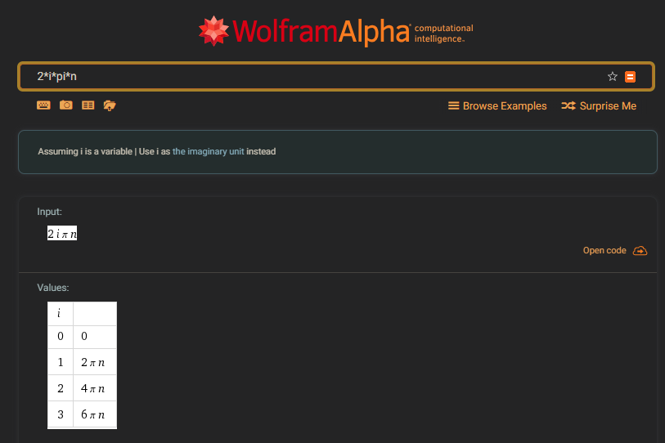
 |  | Tau | 631.2 to 1081
 |  | Goodness of Fit
 |  | Degrees of Freedom | 5
 |  | R square | 0.996
 |  | Absolute Sum of Squares | 0.004276
 |  | Sy.x | 0.02924
 |  | Constraints
 |  | K | K > 0

 |  | Number of points
 |  | # of X values | 8
 |  | # Y values analyzed | 8

