Table 1
FARMER'S CHATBOT (YEOMAN'S APP)
Place :AS Block, Ground Floor
1) Student Details |  |  | FACULTY INCHARGE |  |  | TOOLS
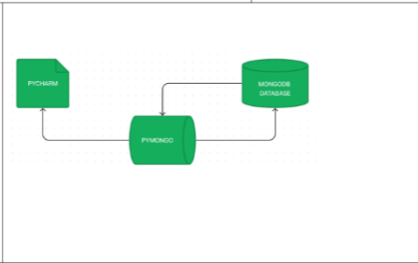
NA M E | DEPARTMENT |  | Dr. Sangeethaa , Karthiga Malleeswaran
HARI HARAN D,ABINASH R, ARUNA A, ABIRAMI D R, DEVADHARSHINI K | AIDS ,ISE,CSD,AIDS, AIML
 |  |  |  |  |  | The model can do sentiment analysis with excellent accuracy even in noisy or unbalanced data because it was trained on a vast corpus of text data. |  | It can be used to keep track of product reviews and social media mentions
2)Project Schedule:
Timing
• Data Collection
• Data Pre-processing
• Feature Extraction
• Model training
• Model evaluation
• Model Deployment
DAY 1
DAY 2
DAY 3
DAY 4
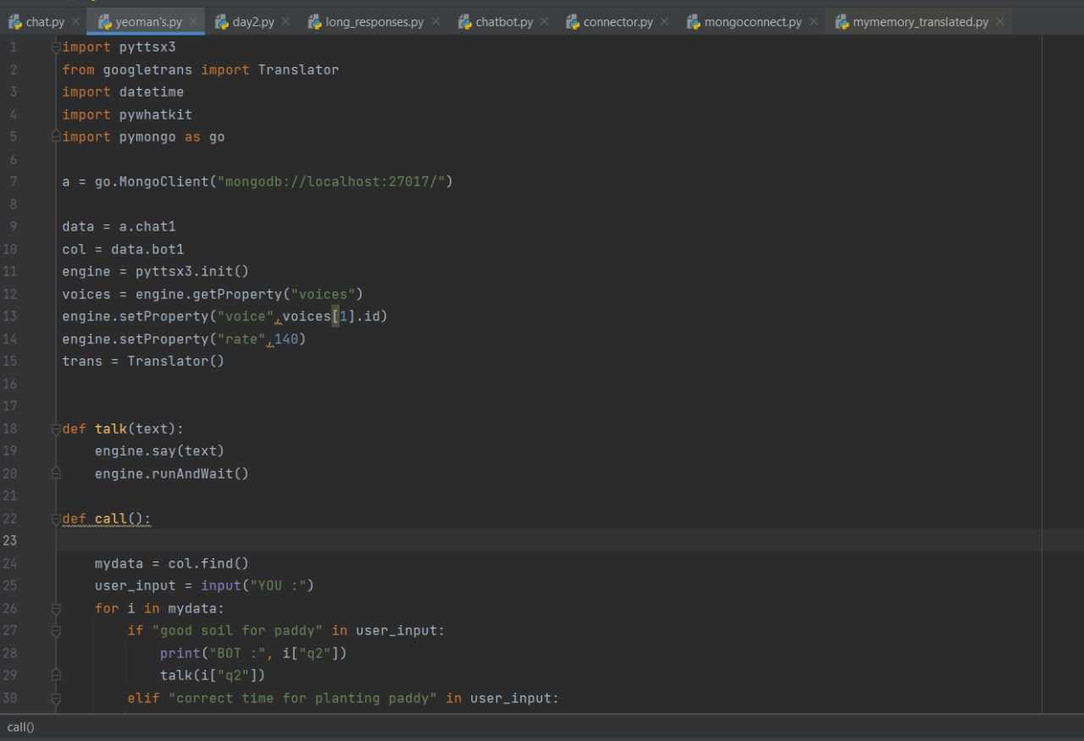
 |  |  |  |  |  | 6) TASK PHOTOGRAPH
PROJECT SCHEDULE
DESCRIPTION |  | DAY 1 | DAY 2 | DAY 3 | DAY 4
Data Collection
Data Pre-processing
Feature Extraction
Model training
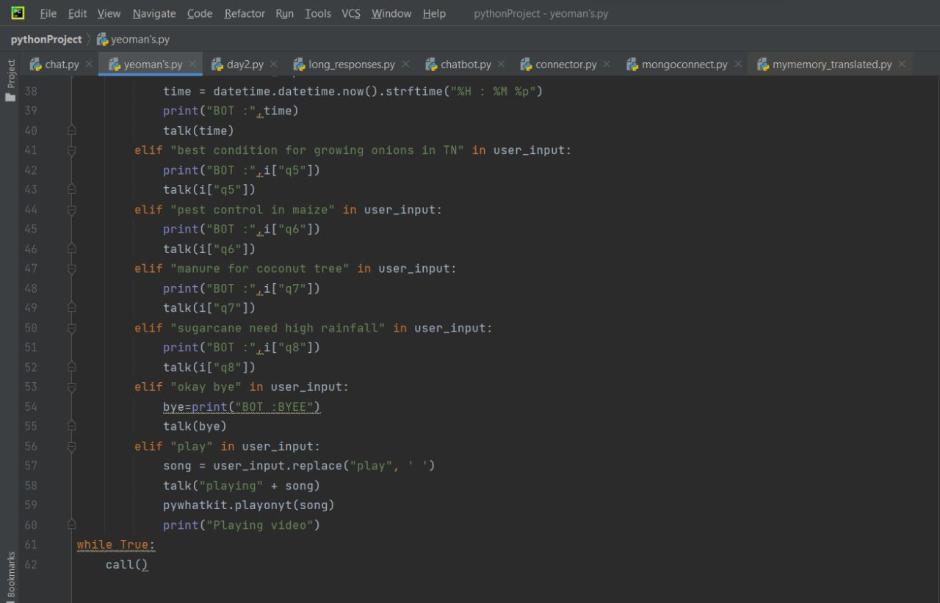
Model evaluation
Model Deployment
4) PROJECT CONTENT: |  |  |  |  |  | S.No | PROJECT PRESENTATION | PAPER PRESENTATION
FARMER'S CHATBOT (YEOMAN'S APP) CAN ENHANCE PRODUCTIVITY,EFFICIENCY,AND DECISION-MAKING FOR FARMERS,ENABLING THEM TO MAKE INFORMED CHOICES BASED ON REAL -TIME DATA AND EXPERT GUIDANCE.

