Database and Result
Dataset:

https://github.com/PrachiiiShah/Traffic_Sign/tree/main/Research/

Images :

Image size: 72 X 72
Patch size: 6 X 6
Patches per image: 144
Elements per patch: 108

Classes : 5

Result :
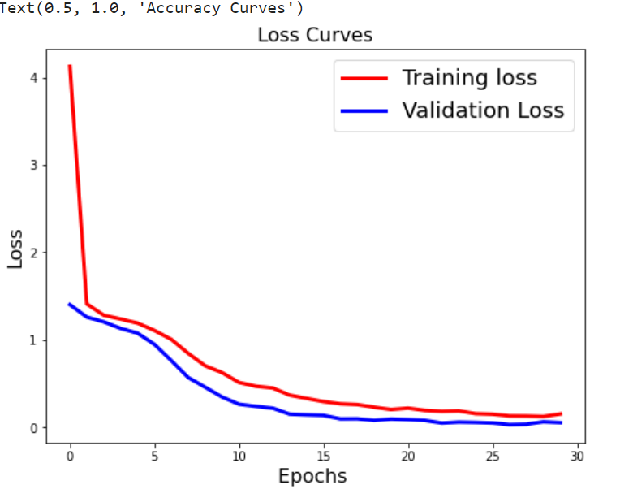

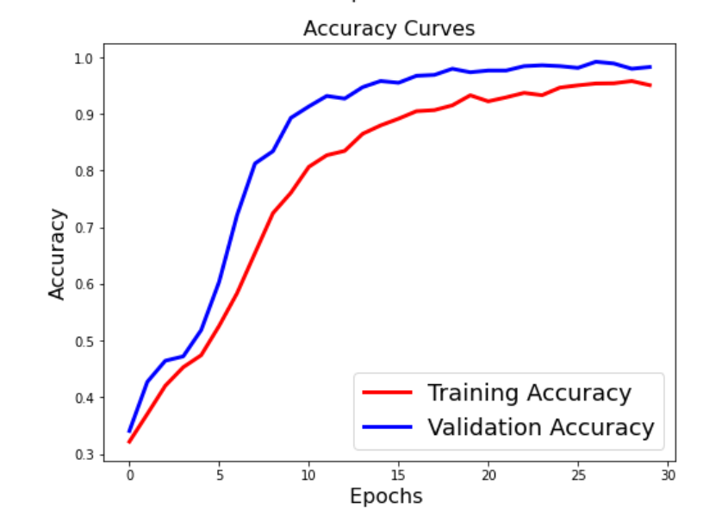

Test accuracy: 98.7%
Test top 5 accuracy: 100.0%

