Sheet1
功能模块 | 说明 | 平台开发状态 |  | 页面样例
 |  | Android | IOS | Android |  |  | IOS
跨平台核心功能 |  |  |  | 测试机 | MeiZu | note2 |  | Iphone Retina 3.5'
基础平台 |  | 完成 | 完成
界面描述文件解析 | XML格式，借用HTML标签描述，以减少学习时间 | 完成 | 完成 | 分辨率 | 1080*1920 |  |  | 320*480
界面元素属性解析 | CSS描述样式 | 完成 | 完成
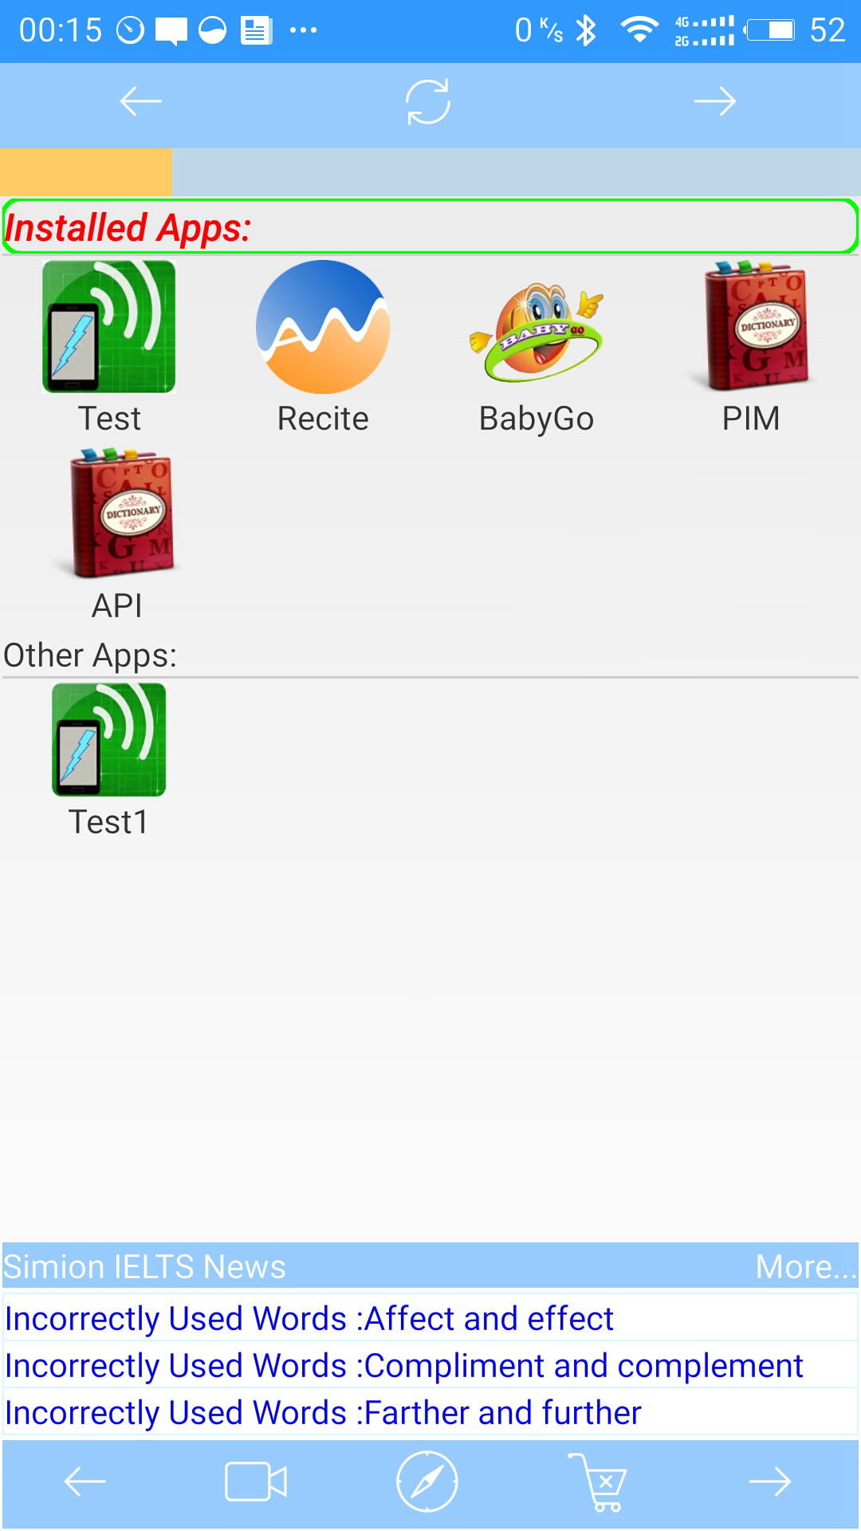
跨平台脚本程序引入和执行 | 脚本可控制界面元素 | 完成 | 完成
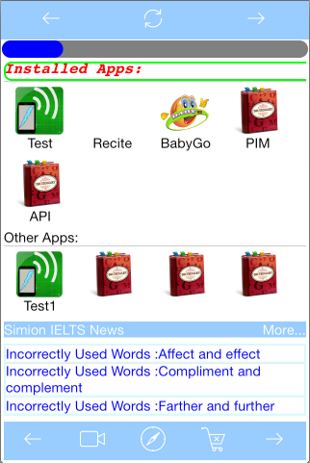
原生对象注入到脚本程序环境 | 脚本可调用原生代码 | 完成 | 完成
脚本注入原生环境 | 原生代码可调脚本代码 | 完成 | 完成

网络
支持网络远程调用 | 程序文件和资源文件可安装在网络服务器上。 | 完成 | 未开始
版本自动更新 | 针对本地安装的app | 进行中 | 未开始
网络服务器通讯 |  | 完成 | 未开始
信息推送 |  | 完成 | 未开始
文件下载 | 下载文件到手机内存 | 完成 | 完成

数据功能
文件输入流 |  | 完成 | 完成
随机文件读写 |  | 完成 | 完成
SQLite3数据库 |  | 完成 | 完成
PIM |  | 进行中 | 未开始

界面
界面缓存 |  | 完成 | 进行中
资源自适应
图片、尺寸自适应 | 多种规格屏幕自动适应、计算 | 未开始 | 未开始
自动布局
线性布局 |  | 完成 | 完成
层布局 |  | 完成 | 完成
相对布局 |  | 进行中 | 进行中
流动框 |  | 完成 | 完成
其它更多布局 |  | 未开始 | 未开始
元素
按钮 |  | 完成 | 完成
文本框 | 支持多行文本 | 完成 | 完成
输入框 |  | 完成 | 完成
表格 |  | 完成 | 完成
更多元素 |  | 未开始 | 未开始
多媒体
视频 |  | 完成 | 未开始
音频 |  | 完成 | 未开始
图像展示面板 | 暂时可由带背景的文本框实现 | 进行中 | 进行中
事件
点击事件 |  | 完成 | 完成
手势 |  | 进行中 | 进行中
动画
事件动画 |  | 未开始 | 未开始
翻屏动画 |  | 未开始 | 未开始
其它更多特点 |  | 未开始 | 未开始

更多远期目标
Windows平台支持
自定义界面、功能支持
企业服务总线模式支持
其它网络服务、业务平台支持 | 微信、微博、支付平台等
优化性能
文件上传下载

lfs.c | added

