Sheet1
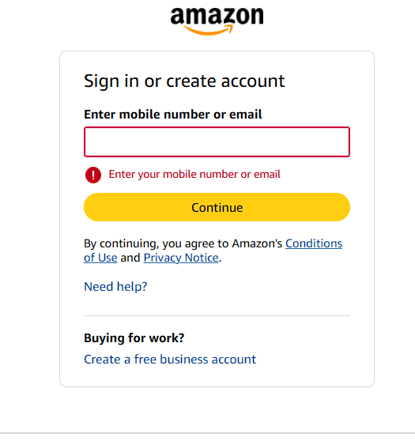
Catregory | Label | Values
Bug ID | Bug ID Number | #001
 | Reporter Name | John Doe
 | Assigned Developer | Joe Smith
 | Submit Date | 31/12/2025
 | Due Date | 05/01/2026
Bug Overview | Summary | Error message is not displayed when user submits login form with empty email field
 | URL | https://www.amazon.com/
 | Screenshot | Attached below
Environment | Platform | PC
 | Operating System | Windows 11 Home
 | Browser | Chrome
Bug Details | Steps to Reproduce | 1.Open Amazon website
 |  | 2.Click on Sign In
 |  | 3.Leave Email / Phone field empty
 |  | 4.Click on Continue
 | Expected Results | System should display an error message prompting the user to enter a valid email or phone number.
 | Actual Results | Login form proceeds without displaying any validation error for empty email field.
Bug Tracking | Severity | Major
 | Priority | High
 | Status | Open
Notes

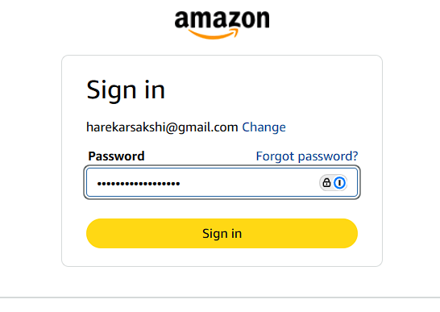
Catregory | Label | Values
Bug ID | Bug ID Number | #002
 | Reporter Name | John Doe
 | Assigned Developer | Joe Smith
 | Submit Date | 31/12/2025
 | Due Date | 05/01/2026
Bug Overview | Summary | Password field does not mask characters on first input
 | URL | https://www.amazon.com/
 | Screenshot | Attached below
Environment | Platform | PC
 | Operating System | Windows 11 Home
 | Browser | Chrome
Bug Details | Steps to Reproduce | 1.Open Amazon website
 |  | 2.Click on Sign In
 |  | 3.Enter valid email
 |  | 4.Click on continue
 |  | 5.Enter password
 | Expected Results | Password field should mask all entered characters for security.
 | Actual Results | Password field displays entered characters instead of masking them.
Bug Tracking | Severity | Major
 | Priority | High
 | Status | Open
Notes

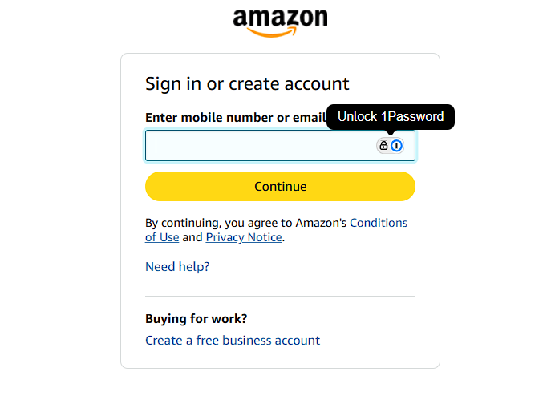
Catregory | Label | Values
Bug ID | Bug ID Number | #003
 | Reporter Name | John Doe
 | Assigned Developer | Joe Smith
 | Submit Date | 31/12/2025
 | Due Date | 05/01/2026
Bug Overview | Summary | Error message disappears when page is refreshed
 | URL | https://www.amazon.com/
 | Screenshot | Attached below
Environment | Platform | PC
 | Operating System | Windows 11 Home
 | Browser | Chrome
Bug Details | Steps to Reproduce | 1.Open Amazon website
 |  | 2.Click on Sign In
 |  | 3.Enter invalid email
 |  | 4.Click on continue
 |  | 5.Refresh the page
 | Expected Results | Error message should persist after page refresh until valid input is provided.
 | Actual Results | Error message disappears after page refresh without user correcting the input.
Bug Tracking | Severity | Modearte
 | Priority | Low
 | Status | Open
Notes

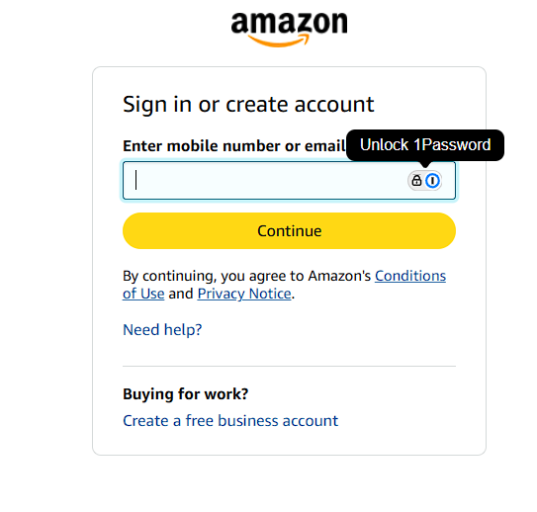
Catregory | Label | Values
Bug ID | Bug ID Number | #004
 | Reporter Name | John Doe
 | Assigned Developer | Joe Smith
 | Submit Date | 31/12/2025
 | Due Date | 05/01/2026
Bug Overview | Summary | Login button remains enabled even when fields are empty
 | URL | https://www.amazon.com/
 | Screenshot | Attached below
Environment | Platform | PC
 | Operating System | Windows 11 Home
 | Browser | Chrome
Bug Details | Steps to Reproduce | 1.Open Amazon website
 |  | 2.Click on Sign In
 |  | 3.Keep email field empty
 | Expected Results | Login button should be disabled until all mandatory fields are filled with valid data.
 | Actual Results | Login button remains enabled despite mandatory fields being empty.
Bug Tracking | Severity | Modearte
 | Priority | Low
 | Status | Open
Notes

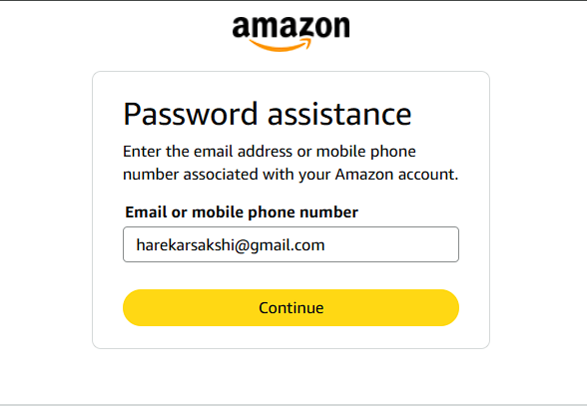
Catregory | Label | Values
Bug ID | Bug ID Number | #005
 | Reporter Name | John Doe
 | Assigned Developer | Joe Smith
 | Submit Date | 31/12/2025
 | Due Date | 05/01/2026
Bug Overview | Summary | Forgot Password link redirects to incorrect page
 | URL | https://www.amazon.com/
 | Screenshot | Attached below
Environment | Platform | PC
 | Operating System | Windows 11 Home
 | Browser | Chrome
Bug Details | Steps to Reproduce | 1.Open Amazon website
 |  | 2.Click on Sign In
 |  | 3.Enter valid email
 |  | 4.Click on continue
 |  | 5.Click on Forget password
 | Expected Results | User should be redirected to the Password Assistance page after clicking the Forgot Password link.
 | Actual Results | User is redirected to an unrelated/incorrect page instead of the Password Assistance page.
Bug Tracking | Severity | Major
 | Priority | High
 | Status | Open
Notes

