Sheet1
test case id | title | test scenario | steps | expected result | actual result
TC_01 | VERIFY LOGIN FEATURE | Verify user can login with valid credentials | 1.Open Amazon website | User should be successfully logged in and redirected to homepage. | User should be able to login successfully and redirected to homepage
 |  |  | 2.Click on Sign In |  |  | Negative Test Cases
 |  |  | 3.Enter valid email |  |  | Positiv e Test Cases
 |  |  | 4.Enter valid password |  |  | Validation / Security scenario
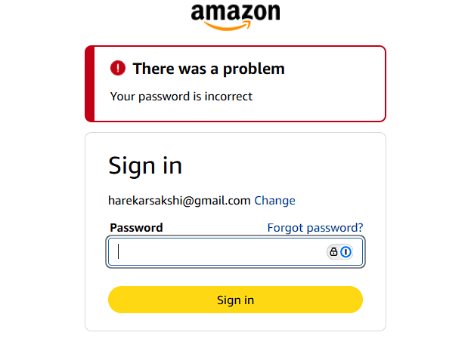
 |  |  | 5.Click Login
TC_02 | VERIFY LOGIN FEATURE | Verify error message for invalid password | 1.Open Amazon website | User should see the error message: “Your password is incorrect.” Login should not be successful. | Error message displayed as expected (screenshot attached).
 |  |  | 2.Click on Sign In
 |  |  | 3.Enter valid email
 |  |  | 4.Enter invalid password
 |  |  | 5.Click Login
 |  |  | 6.Verify error message
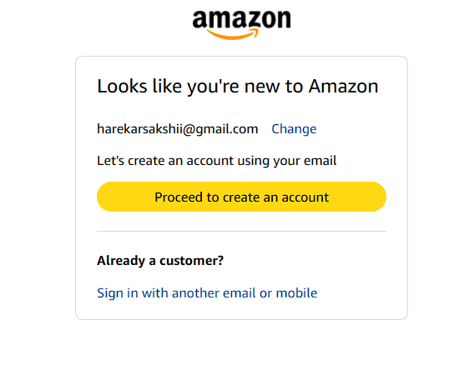
TC_03 | VERIFY LOGIN FEATURE | Verify login with unregistered email | 1.Open Amazon website | User should see the message "Looks like you're new to Amazon". Login should not be successful | Error message displayed as expected (screenshot attached).
 |  |  | 2.Click on Sign In
 |  |  | 3.Enter unregistered email
 |  |  | 4.Click on continue
 |  |  | Verify login message
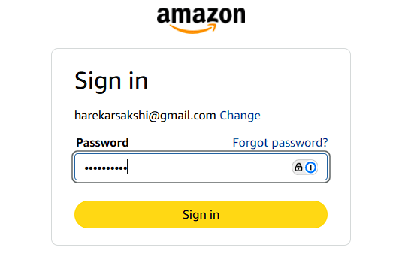
TC_04 | VERIFY LOGIN FEATURE | Verify password field masking | 1.Open Amazon website | User should see password masked | User saw password masked
 |  |  | 2.Click on Sign In
 |  |  | 3.Enter valid email and password
 |  |  | 4.Check if passowrd field is masked

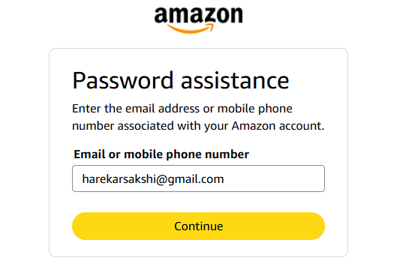
TC_05 | VERIFY LOGIN FEATURE | Verify “Forgot Password” link works | 1.Open Amazon website | User should recieves code to reset the passoword on email/phone no. | User recieved code for password on email
 |  |  | 2.Click on Sign In
 |  |  | 3.Enter valid email
 |  |  | 4. Click on "Forgot Password"
 |  |  | 5.Click continue
 |  |  | 6. Check if you recieved code on email/phone

