AUDIT
Alcohol can affect your health, medications, and treatments, so we ask patients the following questions. Think about your drinking in the past year.
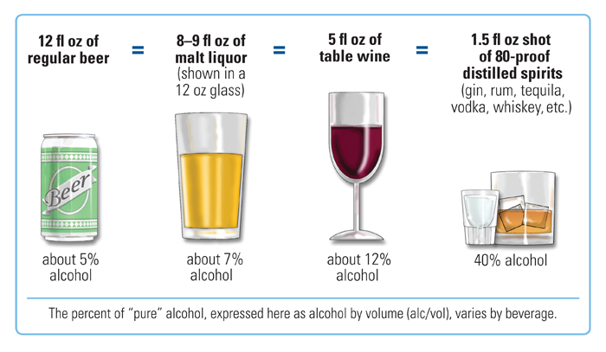

 | 0 | 1 | 2 | 3 | 4 | 5 | 6
How often do you have a drink containing alcohol? | Never | Less than monthly | Monthly | Weekly | 2-3 times a week | 4-6 times a week | Daily
How many drinks containing alcohol do you have on a typical day you are drinking? | 1 drink | 2 drinks | 3 drinks | 4 drinks | 5-6 drinks | 7-9 drinks | 10 or more drinks
How often do you have X (5 for men; 4 for women and men over age 65) or more drinks on one occasion? | Never | Less than monthly | Monthly | Weekly | 2-3 times a week | 4-6 times a week | Daily
How often during the past year have you found that you were not able to stop drinking once you had started? | Never | Less than monthly | Monthly | Weekly | Daily or almost daily
How often during the past year have you failed to do what was expected f you because of drinking? | Never | Less than monthly | Monthly | Weekly | Daily or almost daily
How often during the past year have you needed a drink first thing in the morning to get yourself going after a heavy drinking session? | Never | Less than monthly | Monthly | Weekly | Daily or almost daily
How often during the past year have you had a feeling of guilt or remorse after drinking? | Never | Less than monthly | Monthly | Weekly | Daily or almost daily
How often during the past year have you been unable to remember what happened the night before because you had been drinking? | Never | Less than monthly | Monthly | Weekly | Daily or almost daily
Have you or someone else been injured because of your drinking? | Never | Less than monthly | Monthly | Weekly | Daily or almost daily
Has a relative, friend, doctor, or other health care worker been concerned about your drinking and suggested you cut down? | Never | Less than monthly | Monthly | Weekly | Daily or almost daily

