internal
Datasets | AUC | Acc | Pre | Sn | Sp | F-measure | Table
AB-RFE | 0.831 | 0.763 | 0.625 | 0.517 | 0.868 | 0.566
DT-RFE | 0.645 | 0.691 | 0.474 | 0.310 | 0.853 | 0.375
gbm-RFE | 0.749 | 0.753 | 0.609 | 0.483 | 0.868 | 0.538
NB-RFE | 0.753 | 0.732 | 0.600 | 0.310 | 0.912 | 0.409
NNET-RFE | 0.862 | 0.742 | 0.559 | 0.655 | 0.779 | 0.603
RF-RFE | 0.665 | 0.711 | 0.538 | 0.241 | 0.912 | 0.333
SVM-RFE | 0.841 | 0.814 | 0.690 | 0.690 | 0.868 | 0.690
XGB-RFE | 0.749 | 0.711 | 0.520 | 0.448 | 0.824 | 0.481
StabML-RFE
Mean | 0.762 | 0.740 | 0.577 | 0.457 | 0.860 | 0.500
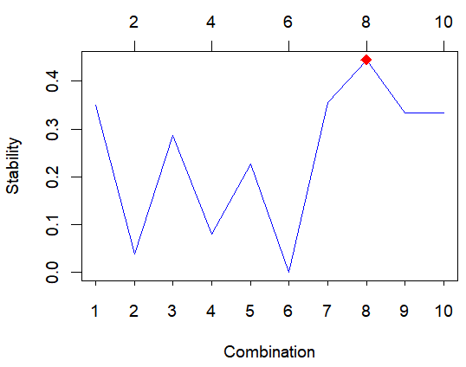
linear

