internal
Datasets | AUC | Acc | Pre | Sn | Sp | F-measure | Datasets | AUC SVM | LR 666
AB-RFE | 0.943 | 0.845 | 0.792 | 0.655 | 0.926 | 0.717 | AB-RFE | 0.831 | 0.8337
DT-RFE | 0.771 | 0.722 | 0.556 | 0.345 | 0.882 | 0.426 | DT-RFE | 0.645 | 0.645
gbm-RFE | 0.925 | 0.866 | 0.786 | 0.759 | 0.912 | 0.772 | gbm-RFE | 0.749 | 0.7485
NB-RFE | 0.773 | 0.711 | 0.520 | 0.448 | 0.824 | 0.481 | NB-RFE | 0.753 | 0.7394
NNET-RFE | 0.928 | 0.835 | 0.710 | 0.759 | 0.868 | 0.733 | NNET-RFE | 0.862 | 0.8813
RF-RFE | 0.804 | 0.753 | 0.667 | 0.345 | 0.926 | 0.455 | RF-RFE | 0.665 | 0.5979
SVM-RFE | 0.940 | 0.887 | 0.821 | 0.793 | 0.926 | 0.807 | SVM-RFE | 0.841 | 0.7748
XGB-RFE | 0.871 | 0.814 | 0.677 | 0.724 | 0.853 | 0.700 | XGB-RFE | 0.749 | 0.717
StabML-RFE |  |  |  |  |  |  | StabML-RFE
Mean |  |  |  |  |  |  | Mean | 0.762

Log
2022

Datasets | AUC | Acc | Pre | Sn | Sp | F-measure
AB-RFE | 0.834
DT-RFE | 0.645
gbm-RFE | 0.749
NB-RFE | 0.739
NNET-RFE | 0.881
RF-RFE | 0.598
SVM-RFE | 0.775
XGB-RFE | 0.717

Log
Train data

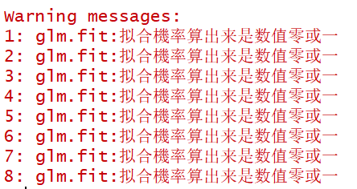
对于HGSOC

